2023 BIOMASS
6-12-23 Biomass in grams |  |  |  | 2023-07-25 | Biomass in grams | 2023-10-05 | Biomass in grams |  |  | Strip 1 | Strip 2 | Strip 3 | Strip 4 |  | 6-12-23 BIOMASS (g) |  | 7/25/2023 BIOMASS (g) |  | 10/5/2023 BIOMASS (g)
Location | Wet | 24 hours | 48 hours | Wet | 48 hours | Wet | Dry |  | Average | 36.16667 | 22.45 | 36.16667 | 22.4 | Location | WET | DRY | WET | DRY | WET | DRY | DRY AVG. | STRIP AVG. | TONS/ACRE | BC/CONTROL YIELD %
S1T | 167.1 | 59.4 | 59 | 29 | 14.8 | 26.6 | 10.9 |  | SEM |  |  |  |  | S1T | 167.1 | 59 | 29 | 14.8 | 26.6 | 10.9 | 28.23 | 37.10 | 0.67 | 113.11%
S1M | 105.4 | 40.2 | 39.8 | 141.8 | 52 | 112.2 | 43.5 |  |  |  |  |  |  | S1M | 105.4 | 39.8 | 141.8 | 52 | 112.2 | 43.5 | 45.10
S1B | 36.6 | 18.5 | 18.1 | 129.2 | 55.1 | 109 | 40.7 | VAR 1 | 355.6867 | F-Test Two-Sample for Variances |  |  |  | S1B | 36.6 | 18.1 | 129.2 | 55.1 | 109 | 40.7 | 37.97
S2T | 120.5 | 42.8 | 42.6 | 0.8 | 0.6 | 12.7 | 5.7 | VAR2 | 610.875 |  |  |  |  | S2T | 120.5 | 42.6 | 0.8 | 0.6 | 12.7 | 5.7 | 16.30 | 32.80 | 0.60
S2M | 226 | 74.1 | 73.5 | 228.7 | 69.9 | 46.7 | 18.2 |  |  |  | 0.6 | 14.8 |  | S2M | 226 | 73.5 | 228.7 | 69.9 | 46.7 | 18.2 | 53.87
S2B | 125.4 | 44.8 | 44.4 | 34.3 | 17.3 | 56.1 | 23 |  |  | Mean | 26.82 | 40.44 |  | S2B | 125.4 | 44.4 | 34.3 | 17.3 | 56.1 | 23 | 28.23
S3T | 19.3 | 10 | 9.5 | 0 | 0 | 46.1 | 19.4 |  |  | Variance | 620.367 | 307.648 |  | S3T | 19.3 | 9.5 | 0 | 0 | 46.1 | 19.4 | 9.63 | 32.81 | 0.60 | 100.37%
S3M | 155.8 | 54.9 | 54.2 | 160.5 | 59.7 | 165.8 | 60.8 |  |  | Observations | 5 | 5 |  | S3M | 155.8 | 54.2 | 160.5 | 59.7 | 165.8 | 60.8 | 58.23
S3B | 37 | 15.1 | 14.6 | 40.2 | 16.2 | 137.2 | 60.9 |  |  | df | 4 | 4 |  | S3B | 37 | 14.6 | 40.2 | 16.2 | 137.2 | 60.9 | 30.57
S4T | 63.2 | 33.1 | 32.5 | 35.2 | 15.9 | 79.1 | 30.7 |  |  | F | 2.016483 |  |  | S4T | 63.2 | 32.5 | 35.2 | 15.9 | 79.1 | 30.7 | 26.37 | 32.69 | 0.59
S4M | 220.3 | 86.5 | 85.4 | 97.5 | 41.2 | 89.1 | 33.9 |  |  | P(F<=f) one-tail | 0.256834 |  |  | S4M | 220.3 | 85.4 | 97.5 | 41.2 | 89.1 | 33.9 | 53.50
S4B | 80.2 | 42.3 | 41.9 | 4.7 | 1.4 | 28.1 | 11.3 |  |  | F Critical one-tail | 6.388233 |  |  | S4B | 80.2 | 41.9 | 4.7 | 1.4 | 28.1 | 11.3 | 18.20
 |  |  |  | Strip 1 | Strip 2 | Strip 3 | Strip 4 |  |  | Ttest | 0.3052
Mean | 2023-06-12 | 2023-07-25 | 2023-10-05 | 14.8 | 0.6 | 0 | 15.9
Strip 1 | 38.966667 | 40.6333333 | 31.7 | 52 | 69.9 | 59.7 | 41.2 | Var 3 | 752.0347 | F-Test Two-Sample for Variances
Strip 2 | 53.5 | 29.2666667 | 15.63333333 | 55.1 | 17.3 | 16.2 | 1.4 | Var4 | 232.208
Strip 3 | 26.1 | 25.3 | 47.03333333 | 10.9 | 5.7 | 19.4 | 30.7 |  |  |  | 0 | 15.9
Strip 4 | 53.266667 | 19.5 | 25.3 | 43.5 | 18.2 | 60.8 | 33.9 |  |  | Mean | 43.4 | 23.7
 |  |  |  | 40.7 | 23 | 60.9 | 11.3 |  |  | Variance | 547.635 | 277.585
% change | 2023-06-12 | 2023-07-25 | 2023-10-05 |  |  |  |  |  |  | Observations | 5 | 5
Strip 1 | -62.180524 | -59.3666667 | -61.62227603 |  |  |  |  |  |  | df | 4 | 4
Strip 2 | -65.988557 | -66.71721 | -59.39393939 |  |  |  |  |  |  | F | 1.972855
Strip 3 | -63.083451 | -62.1823617 | -59.58178172 |  |  |  |  |  |  | P(F<=f) one-tail | 0.263327
Strip 4 | -56.062689 | -57.4235808 | -61.3346918 |  |  |  |  |  |  | F Critical one-tail | 6.388233
 |  |  |  | mean wet weight | 2023-06-12 | 2023-07-25 | 2023-10-05 |  |  | T Test | 0.307686
 |  |  |  |  | 103.0333333 | 100 | 82.6
 |  |  |  |  | 157.3 | 87.93333333 | 38.5 | Var1 | 355.6867 | F-Test Two-Sample for Variances
 |  |  |  |  | 70.7 | 66.9 | 116.3666667 | Var3 | 752.0347
 |  |  |  |  | 121.2333333 | 45.8 | 65.43333333 |  |  |  | 0 | 14.8
 |  |  |  |  |  |  |  |  |  | Mean | 43.4 | 40.44
 |  |  |  |  |  |  |  |  |  | Variance | 547.635 | 307.648
 |  |  |  |  |  |  |  |  |  | Observations | 5 | 5
 |  |  |  |  |  |  |  |  |  | df | 4 | 4
Biomass Analysis by Weight
 |  |  |  |  |  |  |  |  |  | F | 1.78007
 |  |  |  |  |  |  |  |  |  | P(F<=f) one-tail | 0.295078
 |  |  |  |  |  |  |  |  |  | F Critical one-tail | 6.388233
 |  |  |  |  |  |  |  |  | T Test | 1

MAP
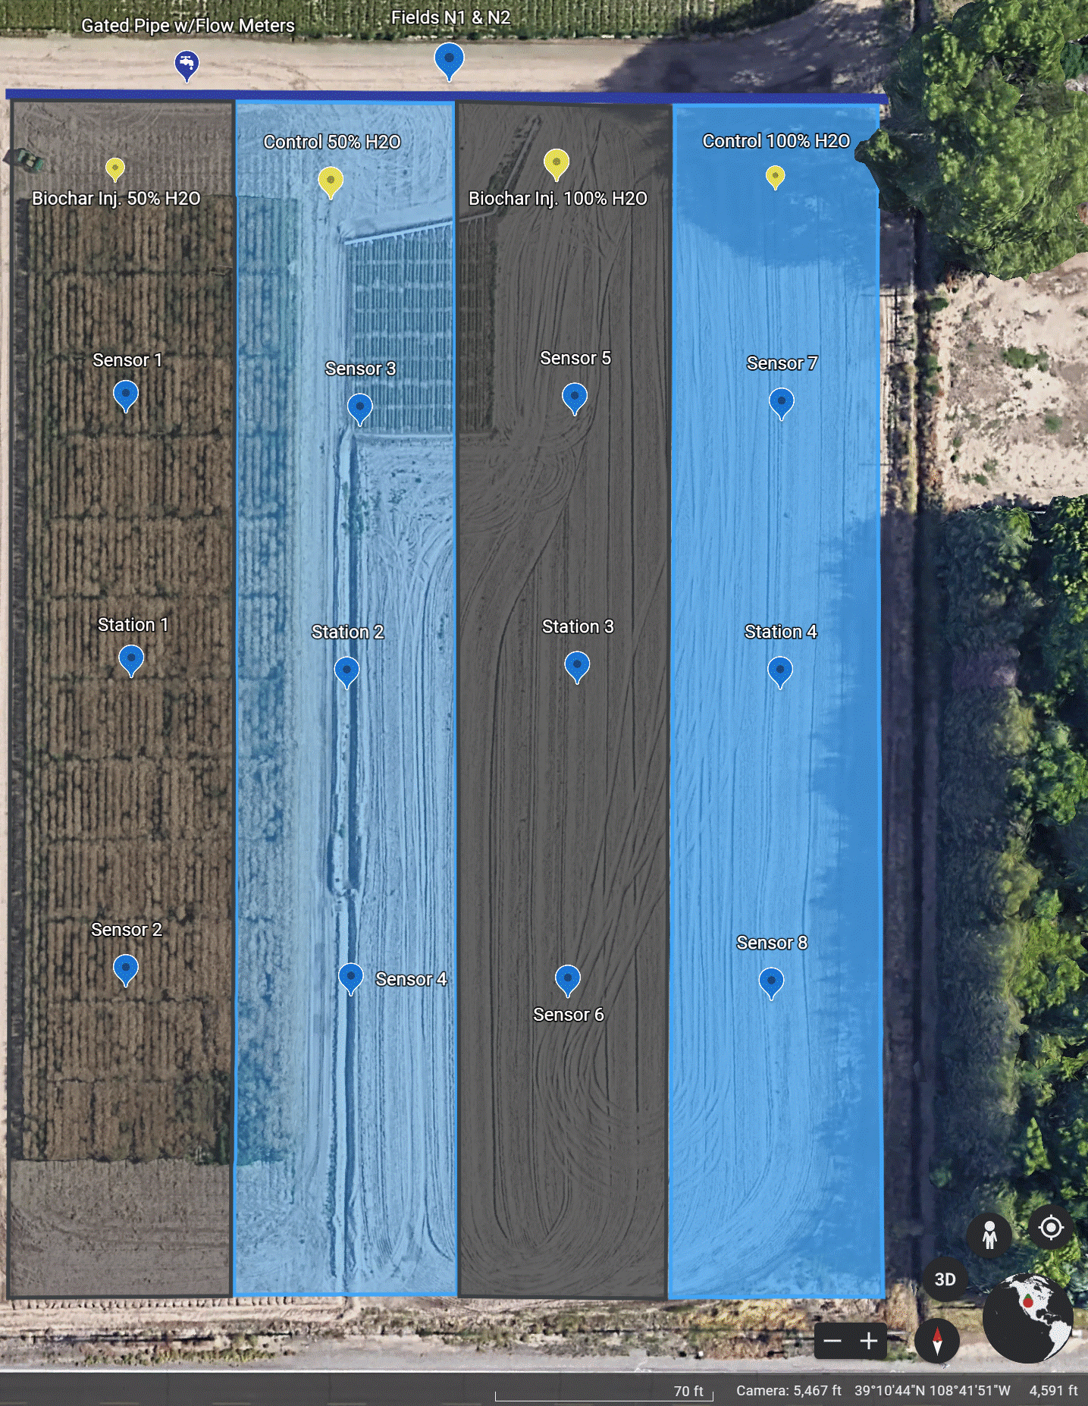

BIOLOGICAL GRAPH
Sample ID | STRIP 1 | STRIP 2 | STRIP 1 | STRIP 2 | STRIP 1 | STRIP 2 | STRIP 1 | STRIP 2 | STRIP 1 | STRIP 2 | STRIP 3 | STRIP 4 | STRIP 3 | STRIP 4 | STRIP 3 | STRIP 4 | STRIP 3 | STRIP 4 | STRIP 3 | STRIP 4
Date | 3/31/23 | 3/31/23 | 2023-10-09 | 2023-10-09 | 2024-04-03 | 2024-04-03 | 2024-11-05 | 2024-11-05 | 2025-04-02 | 2025-04-02 | 3/31/23 | 3/31/23 | 10/9/23 | 2023-10-09 | 2024-04-03 | 2024-04-03 | 2024-11-05 | 2024-11-05 | 2025-04-02 | 2025-04-02
Total Living Microbial Biomass ng/g | 1844.08 | 1307.20 | 1271.71 | 1269.41 | 2661.38 | 2107.37 | 3331.80 | 2176.04 |  |  | 1500.06 | 1565.07 | 1209.87 | 1237.69 | 3098.01 | 2418.26 | 2171.49 | 2113.80
Soil Health Score | 9.00 | 8.70 | 6.90 | 5.10 | 9.49 | 4.69 | 5.24 | 5.27 | 5.98 | 3.89 | 8.60 | 7.90 | 5.10 | 5.70 | 9.05 | 6.21 | 5.10 | 5.10 | 5.49 | 3.82
Total Bacteria ng/g | 819.16 | 538.44 | 665.60 | 663.15 | 891.61 | 661.39 | 1249.11 | 879.55 |  |  | 647.81 | 665.56 | 582.27 | 595.09 | 1080.94 | 859.17 | 871.86 | 946.34
Total Bacteria % of Total Biomass | 44.42 | 41.19 | 52.34 | 52.24 | 33.50 | 31.38 | 37.49 | 40.42 |  |  | 43.19 | 42.53 | 48.13 | 48.08 | 34.89 | 35.53 | 40.15 | 44.77
Gram (+) ng/g | 402.26 | 277.75 | 412.68 | 383.37 | 322.98 | 253.43 | 621.43 | 370.13 |  |  | 302.06 | 447.20 | 316.59 | 350.57 | 350.34 | 283.83 | 382.81 | 394.81
Gram (+) % of Total Biomass | 21.81 | 21.25 | 32.45 | 30.20 | 12.14 | 12.03 | 18.65 | 17.01 |  |  | 20.14 | 28.57 | 26.17 | 28.32 | 11.31 | 11.74 | 17.63 | 18.68
Actinomycetes ng/g | 185.74 | 134.51 | 158.24 | 142.82 | 47.88 | 36.62 | 272.92 | 165.76 |  |  | 146.44 | 158.73 | 115.93 | 142.51 | 33.54 | 39.31 | 191.20 | 193.33
Actinomycetes % of Total Biomass | 10.07 | 10.29 | 12.44 | 11.25 | 1.80 | 1.74 | 8.19 | 7.62 |  |  | 9.76 | 10.14 | 9.58 | 11.51 | 1.08 | 1.63 | 8.80 | 9.15
Gram (-) ng/g | 416.90 | 260.69 | 252.92 | 279.78 | 520.85 | 371.34 | 627.68 | 509.42 |  |  | 345.76 | 218.36 | 265.68 | 244.51 | 697.07 | 536.03 | 489.05 | 551.54
Gram (-) % of Total Biomass | 22.61 | 19.94 | 19.89 | 22.04 | 19.57 | 17.62 | 18.84 | 23.41 |  |  | 23.05 | 13.95 | 21.96 | 19.76 | 22.50 | 22.17 | 22.52 | 26.09
Rhizobia ng/g | 0.00 | 0.00 | 0.00 | 0.00 | 0.00 | 0.00 | 0.00 | 0.00 |  |  | 0.00 | 0.00 | 0.00 | 0.00 | 27.28 | 0.00 | 0.00 | 0.00
Rhizobia % | 0.00 | 0.00 | 0.00 | 0.00 | 0.00 | 0.00 | 0.00 | 0.00 |  |  | 0.00 | 0.00 | 0.00 | 0.00 | 0.88 | 0.00 | 0.00 | 0.00
Total Fungi ng/g | 287.76 | 191.03 | 206.66 | 214.43 | 557.85 | 344.07 | 520.11 | 326.11 |  |  | 245.30 | 180.89 | 256.59 | 215.90 | 560.17 | 413.88 | 282.08 | 286.78
Total Fungi % | 15.60 | 14.61 | 16.25 | 16.89 | 20.96 | 16.33 | 15.61 | 14.99 |  |  | 16.35 | 11.56 | 21.21 | 17.44 | 18.08 | 17.11 | 12.99 | 13.57
Arbuscular Mycorrhizal ng/g | 79.74 | 51.13 | 67.86 | 77.23 | 99.83 | 82.44 | 120.94 | 80.87 |  |  | 52.24 | 48.02 | 65.88 | 59.53 | 0.00 | 87.10 | 95.11 | 87.90
Arbusular Mycorrhizal % | 4.32 | 3.91 | 5.34 | 6.08 | 3.75 | 3.91 | 3.63 | 3.72 |  |  | 3.48 | 3.07 | 5.45 | 4.81 | 0.00 | 3.60 | 4.38 | 4.16
Saprophytes ng/g | 208.02 | 139.90 | 138.80 | 137.20 | 411.03 | 223.13 | 399.16 | 245.24 |  |  | 193.06 | 132.87 | 190.71 | 156.37 | 493.86 | 285.08 | 186.97 | 198.87
Saprophytes % of Total Biomass | 11.28 | 10.70 | 10.91 | 10.81 | 15.44 | 10.59 | 11.98 | 11.27 |  |  | 12.87 | 8.49 | 15.76 | 12.63 | 15.94 | 11.79 | 8.61 | 9.41
Undifferentiated ng/g | 737.16 | 577.72 | 399.46 | 391.83 | 1201.05 | 1101.92 | 1467.84 | 926.63 |  |  | 606.94 | 718.62 | 371.00 | 426.71 | 1429.63 | 1135.50 | 970.49 | 823.86
Undifferentiated % of Total Biomass | 39.97 | 44.20 | 31.51 | 30.87 | 45.13 | 52.29 | 44.06 | 42.58 |  |  | 40.46 | 45.92 | 30.66 | 34.48 | 46.15 | 46.96 | 44.69 | 38.98
Fungi:Bacteria ng/g | 0.35 | 0.35 | 0.31 | 0.32 | 0.49 | 0.36 | 0.42 | 0.37 |  |  | 0.38 | 0.27 | 0.44 | 0.36 | 0.47 | 0.35 | 0.32 | 0.30
Predator:Prey ng/g | ALL PREY | ALL PREY | ALL PREY | ALL PREY | 0.05 | 0.06 | 0.07 | 0.04 |  |  | ALL PREY | ALL PREY | ALL PREY | ALL PREY | 0.06 | 0.05 | 0.04 | 0.05
Gram(+):Gram(-) ng/g | 0.96 | 1.07 | 1.63 | 1.37 | 0.62 | 0.68 | 0.99 | 0.73 |  |  | 0.87 | 2.05 | 1.19 | 1.43 | 0.50 | 0.53 | 0.78 | 0.72
Saturated:Unsaturated ng/g | 1.42 | 1.65 | 1.50 | 1.38 | 1.12 | 1.34 | 1.14 | 1.23 |  |  | 1.40 | 2.28 | 1.18 | 1.43 | 1.05 | 1.27 | 1.47 | 1.45
Monounsaturated:Polyunsaturated ng/g | 10.17 | 209.97 | 7.99 | 8.01 | 3.49 | 4.20 | 3.92 | 3.73 |  |  | 6.69 | 189.26 | 4.35 | 5.28 | 2.92 | 4.95 | 5.25 | 6.10
Pre 16:1 w7c:17:0 cyclo ng/g | 5.39 | 5.46 | 3.63 | 4.16 | 4.07 | 4.32 | 3.36 | 3.92 |  |  | 6.80 | 2.01 | 4.17 | 3.59 | 3.95 | 5.60 | 3.92 | 3.63
Pre 18:1 w7c:19:0 cyclo ng/g | 2.48 | 2.02 | 1.94 | 2.36 | 2.55 | 1.98 | 0.00 | 2.68 |  |  | 2.53 | 0.56 | 2.70 | 2.29 | 3.95 | 3.01 | 2.07 | 2.06
Total Living Microbial Biomass
 | Total Living Microbial Biomass ng/g | Total Living Microbial Biomass ng/g
3/31/23 | 1500.06 | 1565.07
10/9/2023 | 1209.87 | 1237.69
4/3/2024 | 3098.01 | 2418.26
11/5/2024 | 2171.49 | 2113.80
Total Living Microbial Biomass
 | Total Living Microbial Biomass ng/g | Total Living Microbial Biomass ng/g
3/31/23 | 1844.08 | 1307.20
10/9/2023 | 1271.71 | 1269.41
4/3/2024 | 2661.38 | 2107.37
11/5/2024 | 3331.80 | 2176.04

Soil Health Score
 | Soil Health Score | Soil Health Score
3/31/23 | 8.60 | 7.90
10/9/2023 | 5.10 | 5.70
4/3/2024 | 9.05 | 6.21
11/5/2024 | 5.10 | 5.10
4/2/2025 | 5.49 | 3.82
Soil Health Score
 | Soil Health Score | Soil Health Score
3/31/23 | 9.00 | 8.70
10/9/2023 | 6.90 | 5.10
4/3/2024 | 9.49 | 4.69
11/5/2024 | 5.24 | 5.27
4/2/2025 | 5.98 | 3.89

