Sheet1
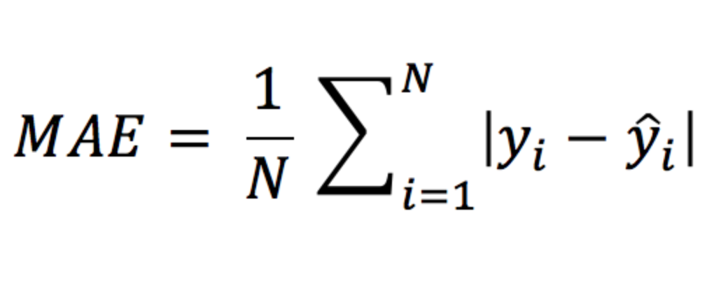
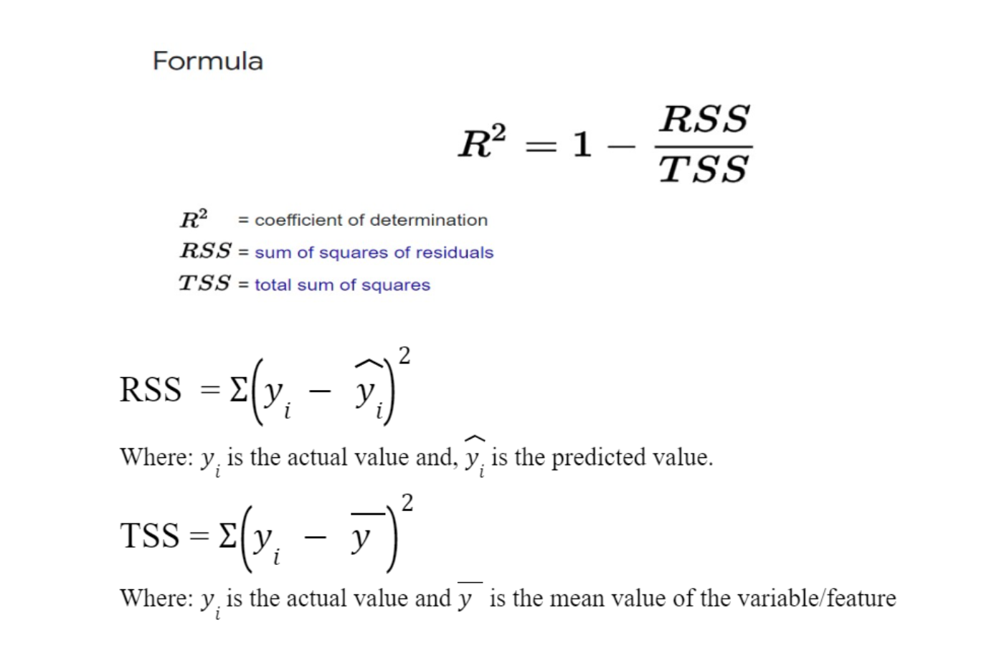
 | RANDOM FOREST
 | Predictions | Test | Abs | Diferencia | EMS | MAE | RMSE
1 | 29.581891 | 24 | 5.581891 | -5.581891 | 16.459553887 | 2.609256746 | 4.0570375753
3 | 35.857683 | 34.7 | 1.157683 | -1.157683
4 | 33.386342 | 33.4 | 0.013658 | 0.013658
6 | 24.857086 | 28.7 | 3.842914 | 3.842914
7 | 20.862007 | 22.9 | 2.037993 | 2.037993
9 | 17.623519 | 16.5 | 1.123519 | -1.123519
16 | 19.774568 | 19.9 | 0.125432 | 0.125432
20 | 17.801519 | 18.2 | 0.398481 | 0.398481
24 | 13.841225 | 14.5 | 0.658775 | 0.658775
33 | 13.249767 | 13.2 | 0.049767 | -0.049767
43 | 23.809034 | 25.3 | 1.490966 | 1.490966
45 | 21.938519 | 21.2 | 0.738519 | -0.738519
51 | 19.950249 | 19.7 | 0.250249 | -0.250249
59 | 20.640248 | 23.3 | 2.659752 | 2.659752
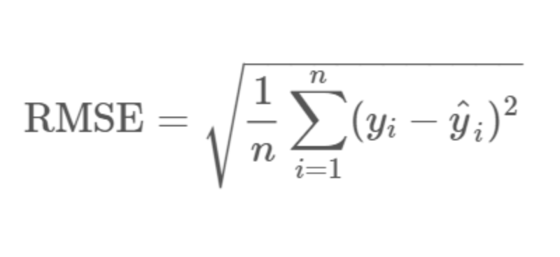
63 | 22.116263 | 22.2 | 0.083737 | 0.083737
64 | 22.382122 | 25 | 2.617878 | 2.617878
74 | 23.451214 | 23.4 | 0.051214 | -0.051214
79 | 21.939956 | 21.2 | 0.739956 | -0.739956
82 | 24.249831 | 23.9 | 0.349831 | -0.349831
91 | 25.186793 | 22.6 | 2.586793 | -2.586793
93 | 26.129534 | 22.9 | 3.229534 | -3.229534
99 | 43.718102 | 43.8 | 0.081898 | 0.081898
101 | 20.883407 | 27.5 | 6.616593 | 6.616593
107 | 19.815581 | 19.5 | 0.315581 | -0.315581
109 | 19.343115 | 19.8 | 0.456885 | 0.456885
112 | 22.867829 | 22.8 | 0.067829 | -0.067829
116 | 17.245451 | 18.3 | 1.054549 | 1.054549
118 | 19.683845 | 19.2 | 0.483845 | -0.483845
119 | 18.284683 | 20.4 | 2.115317 | 2.115317
124 | 22.529935 | 17.3 | 5.229935 | -5.229935
127 | 24.204102 | 15.7 | 8.504102 | -8.504102
128 | 15.044501 | 16.2 | 1.155499 | 1.155499
139 | 14.340536 | 13.3 | 1.040536 | -1.040536
145 | 16.521522 | 11.8 | 4.721522 | -4.721522
149 | 16.951009 | 17.8 | 0.848991 | 0.848991
150 | 17.465364 | 15.4 | 2.065364 | -2.065364
152 | 18.820306 | 19.6 | 0.779694 | 0.779694
153 | 19.9012 | 15.3 | 4.6012 | -4.6012
155 | 21.559502 | 17 | 4.559502 | -4.559502
157 | 16.392829 | 13.1 | 3.292829 | -3.292829
160 | 35.355579 | 23.3 | 12.055579 | -12.055579
162 | 59.148894 | 50 | 9.148894 | -9.148894
164 | 54.802197 | 50 | 4.802197 | -4.802197
171 | 19.311466 | 17.4 | 1.911466 | -1.911466
173 | 25.167127 | 23.1 | 2.067127 | -2.067127
175 | 24.862803 | 22.6 | 2.262803 | -2.262803
176 | 31.038875 | 29.4 | 1.638875 | -1.638875
177 | 23.851274 | 23.2 | 0.651274 | -0.651274
181 | 46.60439 | 39.8 | 6.80439 | -6.80439
185 | 27.450406 | 26.4 | 1.050406 | -1.050406
195 | 29.869561 | 29.1 | 0.769561 | -0.769561
199 | 35.499481 | 34.6 | 0.899481 | -0.899481
210 | 15.43386 | 20 | 4.56614 | 4.56614
211 | 18.692154 | 21.7 | 3.007846 | 3.007846
221 | 21.956993 | 26.7 | 4.743007 | 4.743007
223 | 22.034483 | 27.5 | 5.465517 | 5.465517
227 | 40.159647 | 37.6 | 2.559647 | -2.559647
228 | 30.002475 | 31.6 | 1.597525 | 1.597525
230 | 30.700146 | 31.5 | 0.799854 | 0.799854
235 | 23.80651 | 29 | 5.19349 | 5.19349
240 | 25.498987 | 23.3 | 2.198987 | -2.198987
241 | 25.084559 | 22 | 3.084559 | -3.084559
244 | 24.73187 | 23.7 | 1.03187 | -1.03187
245 | 18.60233 | 17.6 | 1.00233 | -1.00233
249 | 20.907005 | 24.5 | 3.592995 | 3.592995
255 | 21.30562 | 21.9 | 0.59438 | 0.59438
256 | 19.808096 | 20.9 | 1.091904 | 1.091904
270 | 21.252048 | 20.7 | 0.552048 | -0.552048
279 | 26.919274 | 29.1 | 2.180726 | 2.180726
285 | 31.566518 | 32.2 | 0.633482 | 0.633482
296 | 27.459155 | 28.6 | 1.140845 | 1.140845
298 | 19.797046 | 20.3 | 0.502954 | 0.502954
306 | 27.022645 | 28.4 | 1.377355 | 1.377355
309 | 25.528996 | 22.8 | 2.728996 | -2.728996
310 | 20.676695 | 20.3 | 0.376695 | -0.376695
312 | 24.318898 | 22.1 | 2.218898 | -2.218898
314 | 22.203183 | 21.6 | 0.603183 | -0.603183
317 | 18.179265 | 17.8 | 0.379265 | -0.379265
330 | 24.144864 | 22.6 | 1.544864 | -1.544864
340 | 21.406448 | 19 | 2.406448 | -2.406448
341 | 21.110232 | 18.7 | 2.410232 | -2.410232
352 | 23.243082 | 24.1 | 0.856918 | 0.856918
353 | 19.374153 | 18.6 | 0.774153 | -0.774153
355 | 18.949933 | 18.2 | 0.749933 | -0.749933
361 | 33.223873 | 25 | 8.223873 | -8.223873
363 | 41.315908 | 20.8 | 20.515908 | -20.515908
366 | 47.547002 | 27.5 | 20.047002 | -20.047002
367 | 17.75085 | 21.9 | 4.14915 | 4.14915
371 | 51.083994 | 50 | 1.083994 | -1.083994
372 | 44.24387 | 50 | 5.75613 | 5.75613
373 | 46.299701 | 50 | 3.700299 | 3.700299
378 | 16.806401 | 13.3 | 3.506401 | -3.506401
384 | 11.73935 | 12.3 | 0.56065 | 0.56065
393 | 10.029231 | 9.7 | 0.329231 | -0.329231
396 | 16.140979 | 13.1 | 3.040979 | -3.040979
399 | 8.637609 | 5 | 3.637609 | -3.637609
401 | 9.404266 | 5.6 | 3.804266 | -3.804266
402 | 12.987751 | 7.2 | 5.787751 | -5.787751
403 | 14.266483 | 12.1 | 2.166483 | -2.166483
415 | 9.471782 | 7 | 2.471782 | -2.471782
416 | 10.90144 | 7.2 | 3.70144 | -3.70144
417 | 12.662522 | 7.5 | 5.162522 | -5.162522
418 | 8.211504 | 10.4 | 2.188496 | 2.188496
420 | 12.162518 | 8.4 | 3.762518 | -3.762518
423 | 14.510246 | 20.8 | 6.289754 | 6.289754
432 | 16.643225 | 14.1 | 2.543225 | -2.543225
436 | 11.11836 | 13.4 | 2.28164 | 2.28164
447 | 15.425778 | 14.9 | 0.525778 | -0.525778
458 | 11.845439 | 13.5 | 1.654561 | 1.654561
459 | 15.857472 | 14.9 | 0.957472 | -0.957472
463 | 19.057342 | 19.5 | 0.442658 | 0.442658
465 | 19.833335 | 21.4 | 1.566665 | 1.566665
466 | 19.950684 | 19.9 | 0.050684 | -0.050684
467 | 13.241723 | 19 | 5.758277 | 5.758277
468 | 15.055158 | 19.1 | 4.044842 | 4.044842
470 | 16.317595 | 20.1 | 3.782405 | 3.782405
471 | 18.780034 | 19.9 | 1.119966 | 1.119966
475 | 13.112387 | 13.8 | 0.687613 | 0.687613
478 | 9.859713 | 12 | 2.140287 | 2.140287
479 | 14.665239 | 14.6 | 0.065239 | -0.065239
482 | 25.071533 | 23.7 | 1.371533 | -1.371533
491 | 10.535469 | 8.1 | 2.435469 | -2.435469
500 | 17.071911 | 17.5 | 0.428089 | 0.428089
501 | 18.26069 | 16.8 | 1.46069 | -1.46069
503 | 19.938931 | 20.6 | 0.661069 | 0.661069
504 | 24.992638 | 23.9 | 1.092638 | -1.092638
 |  |  | 328.76635 | -105.573348
Showing 1 to 18 of 126 entries, 2 total columns

