COPIA
M0 | M1 | M2 | Real Pred | Grupo |  |  | Predict (Promedio) |  |  | Prueba Aleatorios |  | IdealPred
6330.91 | 4639.57 | 7931.11 | 5983.72 | 0 | 0 | 0, | 0, | 5, | 2, | 0 | 5763.89 | 6330.91 | 6330.91 | 0 | 0 | 0
8895.14 | 6318.44 | 7396.72 | 6664.88 | 1 | 1 | 1, | 2, | 1, | 0, | 2 | 6406.41 | 6318.44 | 6318.44 | 1 | 1 | 1
5441.12 | 6141.09 | 5973.66 | 5302.33 | 0 | 0 | 0, | 0, | 3, | 1, | 2 | 5586.53 | 5441.12 | 5441.12 | 0 | 0 | 0
4891.60 | 5404.93 | 5650.33 | 5339.53 | 1 | 1 | 1, | 1, | 5, | 2, | 2 | 5340.56 | 5404.93 | 5404.93 | 1 | 1 | 1
4646.89 | 6569.22 | 3934.27 | 5720.93 | 1 | 1 | 1, | 0, | 3, | 1, | 0 | 5581.58 | 6569.22 | 6569.22 | 1 | 1 | 1
7312.99 | 6765.71 | 5267.96 | 6197.67 | 1 | 1 | 1, | 1, | 2, | 1, | 2 | 6318.82 | 6765.71 | 6765.71 | 1 | 1 | 1
2321.79 | 5337.77 | 3086.99 | 2002.33 | 0 | 0 | 0, | 2, | 0, | 0, | 2 | 2909.22 | 2321.79 | 2321.79 | 0 | 0 | 0
6271.74 | 7665.32 | 6734.12 | 6404.65 | 0 | 0 | 0, | 2, | 3, | 1, | 2 | 6608.17 | 6271.74 | 6271.74 | 0 | 0 | 0
4292.44 | 5838.04 | 6088.47 | 5488.37 | 1 | 1 | 1, | 1, | 3, | 1, | 2 | 5672.30 | 5838.04 | 5838.04 | 1 | 1 | 1
4335.76 | 3917.26 | 4580.99 | 4862.79 | 2 | 2 | 0, | 0, | 0, | 0, | 2 | 5082.78 | 4580.99 | 4580.99 | 2 | 2 | 2
3385.36 | 2082.62 | 1907.24 | 1871.63 | 2 | 2 | 1, | 0, | 4, | 2, | 2 | 2664.17 | 1907.24 | 3385.36 | 0 | 2 | 0 | 3820
4937.10 | 2837.99 | 3781.39 | 3813.95 | 2 | 2 | 2, | 2, | 2, | 1, | 2 | 4313.95 | 3781.39 | 4937.10 | 0 | 2 | 0 | 4512
1077.51 | 3935.60 | 1525.00 | 2072.09 | 2 | 2 | 0, | 2, | 4, | 2, | 2 | 2820.73 | 1525.00 | 1525.00 | 2 | 2 | 2
4143.07 | 3620.29 | 4204.77 | 4744.19 | 2 | 2 | 0, | 0, | 2, | 1, | 2 | 4645.00 | 4204.77 | 4143.07 | 0 | 2 | 0
9107.45 | 1758.44 | 4731.51 | 5651.16 | 2 | 2 | 2, | 2, | 1, | 0, | 2 | 5270.84 | 4731.51 | 4731.51 | 2 | 2 | 2
2343.04 | 6951.84 | 3632.46 | 5308.14 | 1 | 1 | 1, | 2, | 3, | 1, |  | 3979.42 | 6951.84 | 2343.04 | 0 | 1 | 0 | 3242
5583.90 | 4883.17 | 2380.29 | 2604.65 | 2 | 2 | 2, | 1, | 4, | 2, |  | 3996.45 | 2380.29 | 2380.29 | 2 | 2 | 2
6670.71 | 4716.60 | 6323.07 | 5839.53 | 2 | 2 | 2, | 2, | 1, | 0, |  | 5956.27 | 6323.07 | 6323.07 | 2 | 2 | 2
5172.98 | 3480.42 | 4251.64 | 5469.77 | 0 | 0 | 0, | 2, | 2, | 1, |  | 4383.13 | 5172.98 | 3480.42 | 1 | 0 | 1
5525.32 | 6674.00 | 6742.71 | 7532.56 | 2 | 2 | 2, | 1, | 5, | 2, |  | 6971.26 | 6742.71 | 6742.71 | 2 | 2 | 2
3320.53 | 3826.75 | 4344.03 | 4000.00 | 2 | 1 | 2, | 1, | 0, | 0, |  | 3931.46 | 3826.75 | 3826.75 | 1 | 1 | 1
3679.79 | 4208.74 | 4741.60 | 4343.02 | 1 | 1 | 1, | 1, | 0, | 0, |  | 4147.30 | 4208.74 | 4208.74 | 1 | 1 | 0
2758.50 | 3393.87 | 3592.58 | 3627.91 | 1 | 2 | 1, | 1, | 1, | 0, |  | 3883.95 | 3592.58 | 3393.87 | 1 | 2 | 1
5217.38 | 3210.88 | 4239.93 | 3720.93 | 1 | 1 | 0, | 2, | 2, | 1, |  | 3723.95 | 3210.88 | 4239.93 | 2 | 1 | 2
8326.05 | 7014.81 | 6352.43 | 6325.58 | 2 | 2 | 2, | 1, | 1, | 0, |  | 6052.36 | 6352.43 | 6352.43 | 2 | 2 | 2
4190.15 | 1634.73 | 3830.85 | 4081.40 | 0 | 0 | 0, | 2, | 2, | 1, |  | 4101.58 | 4190.15 | 4190.15 | 0 | 0 | 0
4633.77 | 2072.75 | 5993.14 | 6613.95 | 2 | 2 | 1, | 0, | 2, | 1, |  | 6344.09 | 5993.14 | 4633.77 | 0 | 2 | 0
4703.37 | 3325.55 | 5123.66 | 3906.98 | 1 | 1 | 1, | 0, | 0, | 0, |  | 3599.31 | 3325.55 | 5123.66 | 2 | 1 | 2
6240.02 | 2780.98 | 6419.57 | 2637.21 | 1 | 1 | 1, | 0, | 2, | 1, |  | 3398.66 | 2780.98 | 2780.98 | 1 | 1 | 1
5211.55 | 6236.77 | 5659.52 | 5767.44 | 2 | 2 | 2, | 2, | 3, | 1, |  | 5373.63 | 5659.52 | 6236.77 | 1 | 2 | 1
3705.00 | 4751.02 | 4680.21 | 3813.95 | 0 | 0 | 0, | 2, | 1, | 0, |  | 4878.84 | 3705.00 | 3705.00 | 0 | 0 | 0
5472.18 | 3993.16 | 5787.61 | 5860.47 | 2 | 2 | 0, | 0, | 1, | 0, |  | 5820.11 | 5787.61 | 5472.18 | 0 | 2 | 0
6406.06 | 5204.61 | 3957.80 | 4651.16 | 1 | 1 | 1, | 1, | 1, | 0, |  | 4767.10 | 5204.61 | 3957.80 | 2 | 1 | 2
4909.51 | 6175.83 | 3976.84 | 4958.14 | 0 | 0 | 0, | 0, | 3, | 1, |  | 5192.80 | 4909.51 | 4909.51 | 0 | 0 | 0
5221.40 | 4679.79 | 5159.60 | 4988.37 | 2 | 2 | 0, | 0, | 1, | 0, |  | 4633.33 | 5159.60 | 5221.40 | 0 | 2 | 0
3773.57 | 3451.55 | 3809.46 | 4290.70 | 2 | 2 | 0, | 0, | 0, | 0, |  | 3973.42 | 3809.46 | 3809.46 | 2 | 2 | 2
4290.90 | 3084.46 | 3395.59 | 3377.91 | 2 | 2 | 2, | 2, | 2, | 1, |  | 4017.80 | 3395.59 | 3395.59 | 2 | 2 | 2
3695.03 | 4227.35 | 4185.15 | 4279.07 | 1 | 1 | 1, | 0, | 0, | 0, |  | 4050.29 | 4227.35 | 4227.35 | 1 | 1 | 1
5068.28 | 6268.65 | 5852.07 | 5339.53 | 0 | 0 | 0, | 2, | 3, | 1, |  | 5065.51 | 5068.28 | 6268.65 | 1 | 0 | 1
5296.48 | 5388.92 | 2639.36 | 5018.60 | 0 | 0 | 0] | 0 | 5 | 2 |  | 4353.20 | 5296.48 | 5296.48 | 0 | 0 | 0

Sheet3
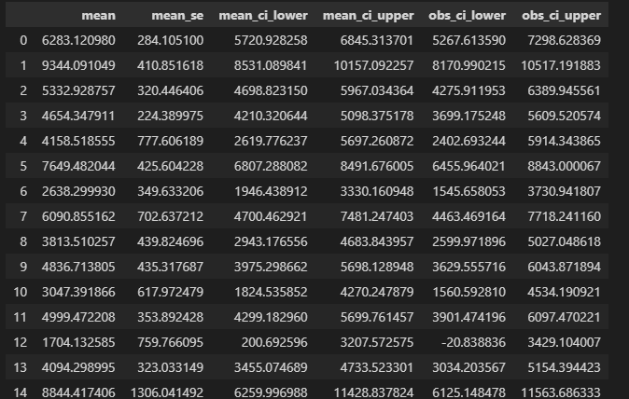
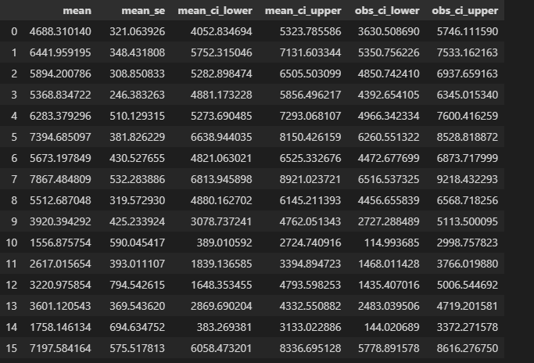
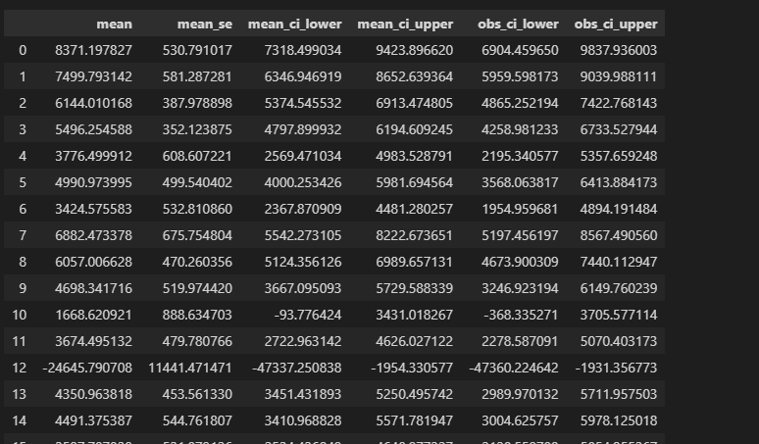
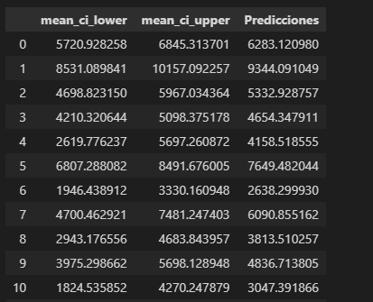
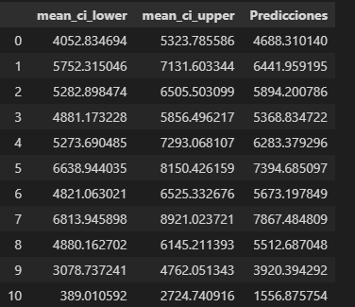
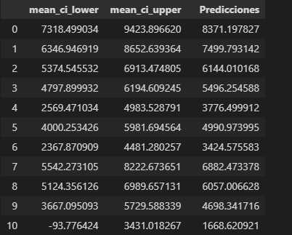
M0 | m1 | m3 | Real | Grupo
0 6283.120980 | 0 4688.310140 | 0 8371.197827 | 0 5983.72 | 0 | 0, | 2, | 6283.120979641884, |  | 0
1 9344.091049 | 1 6441.959195 | 1 7499.793142 | 1 6664.88 | 1 | 1, | 0, | 6441.959194851224, |  | 1
2 5332.928757 | 2 5894.200786 | 2 6144.010168 | 2 5302.33 | 0 | 1, | 1, | 5894.200786499656, |  | 0
3 4654.347911 | 3 5368.834722 | 3 5496.254588 | 3 5339.53 | 1 | 1, | 1, | 5368.834722488653, |  | 1
4 4158.518555 | 4 6283.379296 | 4 3776.499912 | 4 5720.93 | 1 | 1, | 1, | 6283.379296372528, |  | 1
5 7649.482044 | 5 7394.685097 | 5 4990.973995 | 5 6197.67 | 1 | 1, | 0, | 7394.685096789966, |  | 1
6 2638.299930 | 6 5673.197849 | 6 3424.575583 | 6 2002.33 | 0 | 0, | 0, | 2638.299929932371, |  | 0
7 6090.855162 | 7 7867.484809 | 7 6882.473378 | 7 6404.65 | 0 | 2, | 1, | 6882.473378061666, |  | 0
8 3813.510257 | 8 5512.687048 | 8 6057.006628 | 8 5488.37 | 1 | 1, | 1, | 5512.687047542306, |  | 1
9 4836.713805 | 9 3920.394292 | 9 4698.341716 | 9 4862.79 | 0 | 1, | 1, | 3920.394291858189, |  | 2
10 3047.391866 | 10 1556.875754 | 10 1668.620921 | 10 1871.63 | 2 | 0, | 1, | 3047.391865645739, |  | 0
11 4999.472208 | 11 2617.015654 | 11 3674.495132 | 11 3813.95 | 2 | 1, | 1, | 2617.0156541495817, |  | 0
12 1704.132585 | 12 3220.975854 | 12 -24645.790708 | 12 2072.09 | 1 | 1, | 2, | 3220.975853838783, |  | 2
13 4094.298995 | 13 3601.120543 | 13 4350.963818 | 13 4744.19 | 2 | 1, | 1, | 3601.120543162222, |  | 0
14 8844.417406 | 14 1758.146134 | 14 4491.375387 | 14 5651.16 | 2 | 1, | 0, | 1758.1461335562635, |  | 2
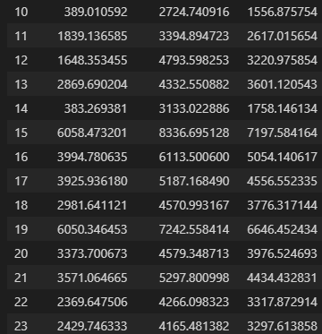
15 2405.211771 | 15 7197.584164 | 15 3587.707038 | 15 5308.14 | 2 | 0, | 1, | 2405.2117705869314, |  | 0
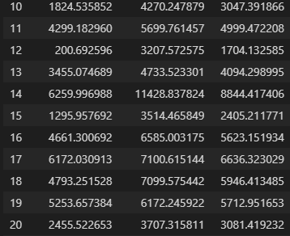
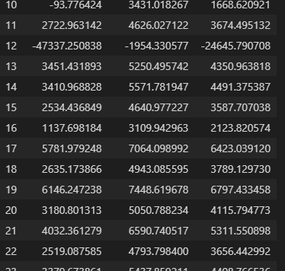
16 5623.151934 | 16 5054.140617 | 16 2123.820574 | 16 2604.65 | 2 | 2, | 2, | 2123.8205735090887, |  | 2
17 6636.323029 | 17 4556.552335 | 17 6423.039120 | 17 5839.53 | 2 | 2, | 0, | 6423.03912019165, |  | 2
18 5946.413485 | 18 3776.317144 | 18 3789.129730 | 18 5469.77 | 0 | 1, | 1, | 3776.317143802531, |  | 1
19 5712.951653 | 19 6646.452434 | 19 6797.433458 | 19 7532.56 | 2 | 0, | 2, | 5712.951653058, |  | 2
20 3081.419232 | 20 3976.524693 | 20 4115.794773 | 20 4000.00 | 2 | 0, | 0, | 3081.4192318822606, |  | 1
21 3838.910079 | 21 4434.432831 | 21 5311.550898 | 21 4343.02 | 1 | 0, | 0, | 3838.9100788127107, |  | 1
22 2135.557908 | 22 3317.872914 | 22 3656.442992 | 22 3627.91 | 2 | 1, | 0, | 3317.872914177482, |  | 1
23 5246.059487 | 23 3297.613858 | 23 4408.766536 | 23 3720.93 | 1 | 1, | 1, | 3297.613857613469, |  | 2
24 9100.634822 | 24 6793.526297 | 24 6671.721562 | 24 6325.58 | 2 | 2, | 0, | 6671.72156190587, |  | 2
25 4267.903654 | 25 1238.762454 | 25 2965.395549 | 25 4081.40 | 0 | 2, | 1, | 2965.395548959379, |  | 0
26 4787.887444 | 26 1716.639536 | 26 5220.370691 | 26 6613.95 | 2 | 2, | 1, | 5220.37069080706, |  | 0
27 4816.553891 | 27 3262.406853 | 27 5370.277699 | 27 3906.98 | 1 | 1, | 1, | 3262.4068530625664, |  | 2
28 5948.350757 | 28 2273.706873 | 28 6481.121615 | 28 2637.21 | 1 | 2, | 1, | 6481.121614766598, |  | 1
29 5207.303332 | 29 6000.543392 | 29 5858.513766 | 29 5767.44 | 2 | 1, | 1, | 6000.543392119114, |  | 1
30 3396.216926 | 30 4765.840440 | 30 4637.814129 | 30 3813.95 | 0 | 0, | 0, | 3396.216925919609, | 0.42 | 0
31 5038.046703 | 31 3574.844253 | 31 5547.655783 | 31 5860.47 | 2 | 1, | 1, | 3574.84425307496, |  | 0
32 6676.093247 | 32 6099.432523 | 32 3553.086046 | 32 4651.16 | 2 | 0, | 0, | 6676.093246698234, |  | 2
33 4920.387671 | 33 6430.321099 | 33 3905.062022 | 33 4958.14 | 0 | 1, | 1, | 6430.321098944056, |  | 0
34 4921.367548 | 34 4518.292312 | 34 4976.379552 | 34 4988.37 | 2 | 1, | 1, | 4518.292311690049, |  | 0
35 3888.882468 | 35 3359.201878 | 35 3635.213714 | 35 4290.70 | 0 | 1, | 1, | 3359.201877884334, |  | 2
36 4595.652000 | 36 3333.140969 | 36 3512.992225 | 36 3377.91 | 1 | 1, | 1, | 3333.1409687075065, |  | 2
37 3814.012449 | 37 4445.310021 | 37 4148.360879 | 37 4279.07 | 2 | 0, | 0, | 3814.0124492475006, |  | 1
38 4846.715354 | 38 6069.795234 | 38 5973.676690 | 38 5339.53 | 0 | 1, | 1, | 6069.795234159683, |  | 1
39 5451.097906 | 39 5739.873553 | 39 1996.581109 | 39 5018.60 | 0 | 1 | 2 | 5739.8735534 |  | 0

Sheet6
