Sheet3
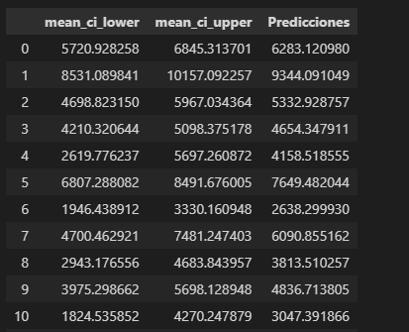
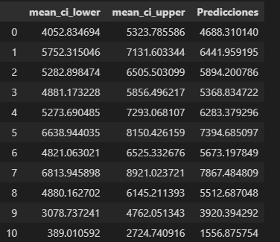
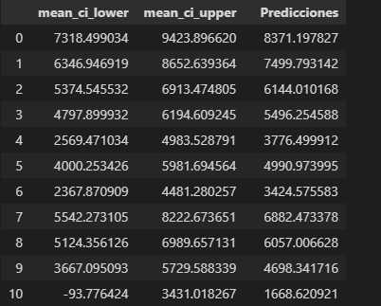
M0 | m1 | m3 | Real | Grupo
0 6283.120980 | 0 4688.310140 | 0 8371.197827 | 0 5983.72 | 0 | 0, | 2, | 6283.120979641884,
1 9344.091049 | 1 6441.959195 | 1 7499.793142 | 1 6664.88 | 1 | 1, | 0, | 6441.959194851224,
2 5332.928757 | 2 5894.200786 | 2 6144.010168 | 2 5302.33 | 0 | 1, | 1, | 5894.200786499656,
3 4654.347911 | 3 5368.834722 | 3 5496.254588 | 3 5339.53 | 1 | 1, | 1, | 5368.834722488653,
4 4158.518555 | 4 6283.379296 | 4 3776.499912 | 4 5720.93 | 1 | 1, | 1, | 6283.379296372528,
5 7649.482044 | 5 7394.685097 | 5 4990.973995 | 5 6197.67 | 1 | 1, | 0, | 7394.685096789966,
6 2638.299930 | 6 5673.197849 | 6 3424.575583 | 6 2002.33 | 0 | 0, | 0, | 2638.299929932371,
7 6090.855162 | 7 7867.484809 | 7 6882.473378 | 7 6404.65 | 0 | 2, | 1, | 6882.473378061666,
8 3813.510257 | 8 5512.687048 | 8 6057.006628 | 8 5488.37 | 1 | 1, | 1, | 5512.687047542306,
9 4836.713805 | 9 3920.394292 | 9 4698.341716 | 9 4862.79 | 0 | 1, | 1, | 3920.394291858189,
10 3047.391866 | 10 1556.875754 | 10 1668.620921 | 10 1871.63 | 2 | 0, | 1, | 3047.391865645739,
11 4999.472208 | 11 2617.015654 | 11 3674.495132 | 11 3813.95 | 2 | 1, | 1, | 2617.0156541495817,
12 1704.132585 | 12 3220.975854 | 12 -24645.790708 | 12 2072.09 | 1 | 1, | 2, | 3220.975853838783,
13 4094.298995 | 13 3601.120543 | 13 4350.963818 | 13 4744.19 | 2 | 1, | 1, | 3601.120543162222,
14 8844.417406 | 14 1758.146134 | 14 4491.375387 | 14 5651.16 | 2 | 1, | 0, | 1758.1461335562635,
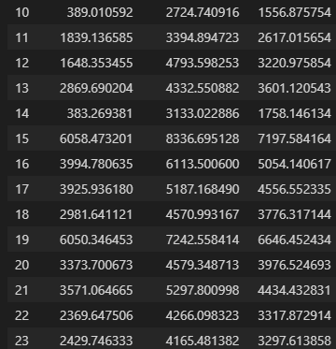
15 2405.211771 | 15 7197.584164 | 15 3587.707038 | 15 5308.14 | 2 | 0, | 1, | 2405.2117705869314,
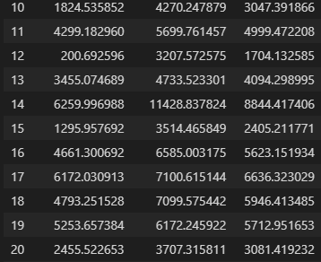
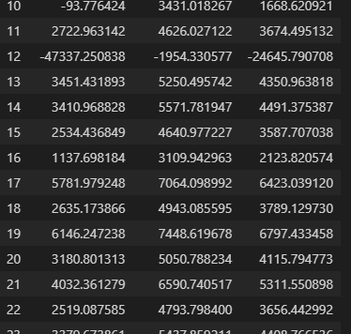
16 5623.151934 | 16 5054.140617 | 16 2123.820574 | 16 2604.65 | 2 | 2, | 2, | 2123.8205735090887,
17 6636.323029 | 17 4556.552335 | 17 6423.039120 | 17 5839.53 | 2 | 2, | 0, | 6423.03912019165,
18 5946.413485 | 18 3776.317144 | 18 3789.129730 | 18 5469.77 | 0 | 1, | 1, | 3776.317143802531,
19 5712.951653 | 19 6646.452434 | 19 6797.433458 | 19 7532.56 | 2 | 0, | 2, | 5712.951653058,
20 3081.419232 | 20 3976.524693 | 20 4115.794773 | 20 4000.00 | 2 | 0, | 0, | 3081.4192318822606,
21 3838.910079 | 21 4434.432831 | 21 5311.550898 | 21 4343.02 | 1 | 0, | 0, | 3838.9100788127107,
22 2135.557908 | 22 3317.872914 | 22 3656.442992 | 22 3627.91 | 2 | 1, | 0, | 3317.872914177482,
23 5246.059487 | 23 3297.613858 | 23 4408.766536 | 23 3720.93 | 1 | 1, | 1, | 3297.613857613469,
24 9100.634822 | 24 6793.526297 | 24 6671.721562 | 24 6325.58 | 2 | 2, | 0, | 6671.72156190587,
25 4267.903654 | 25 1238.762454 | 25 2965.395549 | 25 4081.40 | 0 | 2, | 1, | 2965.395548959379,
26 4787.887444 | 26 1716.639536 | 26 5220.370691 | 26 6613.95 | 2 | 2, | 1, | 5220.37069080706,
27 4816.553891 | 27 3262.406853 | 27 5370.277699 | 27 3906.98 | 1 | 1, | 1, | 3262.4068530625664,
28 5948.350757 | 28 2273.706873 | 28 6481.121615 | 28 2637.21 | 1 | 2, | 1, | 6481.121614766598,
29 5207.303332 | 29 6000.543392 | 29 5858.513766 | 29 5767.44 | 2 | 1, | 1, | 6000.543392119114,
30 3396.216926 | 30 4765.840440 | 30 4637.814129 | 30 3813.95 | 0 | 0, | 0, | 3396.216925919609, | 0.42
31 5038.046703 | 31 3574.844253 | 31 5547.655783 | 31 5860.47 | 2 | 1, | 1, | 3574.84425307496,
32 6676.093247 | 32 6099.432523 | 32 3553.086046 | 32 4651.16 | 2 | 0, | 0, | 6676.093246698234,
33 4920.387671 | 33 6430.321099 | 33 3905.062022 | 33 4958.14 | 0 | 1, | 1, | 6430.321098944056,
34 4921.367548 | 34 4518.292312 | 34 4976.379552 | 34 4988.37 | 2 | 1, | 1, | 4518.292311690049,
35 3888.882468 | 35 3359.201878 | 35 3635.213714 | 35 4290.70 | 0 | 1, | 1, | 3359.201877884334,
36 4595.652000 | 36 3333.140969 | 36 3512.992225 | 36 3377.91 | 1 | 1, | 1, | 3333.1409687075065,
37 3814.012449 | 37 4445.310021 | 37 4148.360879 | 37 4279.07 | 2 | 0, | 0, | 3814.0124492475006,
38 4846.715354 | 38 6069.795234 | 38 5973.676690 | 38 5339.53 | 0 | 1, | 1, | 6069.795234159683,
39 5451.097906 | 39 5739.873553 | 39 1996.581109 | 39 5018.60 | 0 | 1 | 2 | 5739.8735534

Sheet6
