Blad1
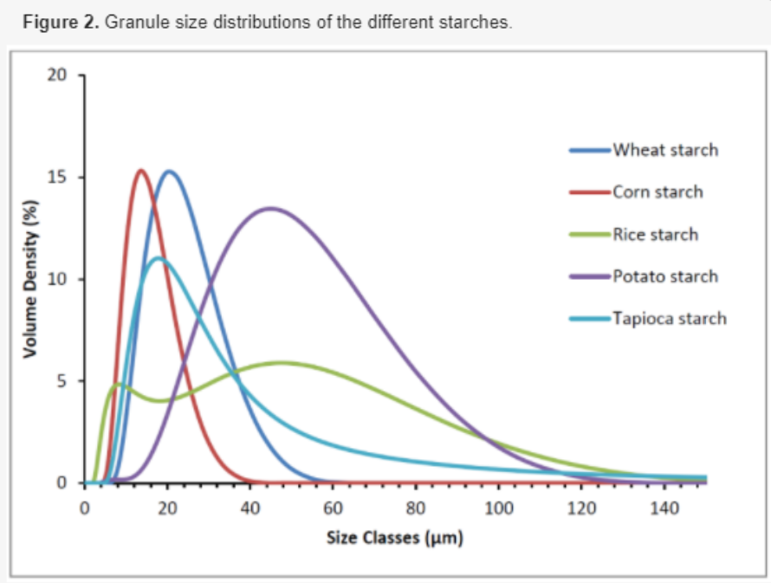
 | Starch
mu | Wheat | Corn | Rice | Potato | Tapioca
2 | 0 | 0 | 0 | 0 | 0
4 | 0 | 0 | 2.5
8 | 1 | 7.5 | 5
12 | 7.5 | 15 | 4.5
16 | 12.5 | 14 | 4.2
20 | 15 | 9.5 | 4.1
30 | 10 | 1.2 | 5
40 | 4.5 | 0 | 5.4
60 | 0 | 0 | 5.5
80 | 0 | 0 | 3.5
90 | 0 | 0 | 1.2
100 | 0 | 0 | 1
120 | 0 | 0 | 0.8

