STEPS
GIVEN a command-line application that accepts user input WHEN I start the application
THEN I am presented with the following options: view all departments, view all roles, view all employees, add a department, add a role, add an employee, and update an employee role
WHEN I choose to view all departments THEN I am presented with a formatted table showing department names and department ids
WHEN I choose to view all roles
THEN I am presented with the job title, role id, the department that role belongs to, and the salary for that role
WHEN I choose to view all employees
THEN I am presented with a formatted table showing employee data, including employee ids, first names, last names, job titles, departments, salaries, and managers that the employees report
to
WHEN I choose to add a department THEN I am prompted to enter the name of the department and that department is added to the database
WHEN I choose to add a role
THEN I am prompted to enter the name, salary, and department for the role and that role is added to the database
WHEN I choose to add an employee
THEN I am prompted to enter the employee’s first name, last name, role, and manager, and that employee is added to the database
WHEN I choose to update an employee role
THEN I am prompted to select an employee to update and their new role and this information is updated in the database

Department |  |  | Role |  | Employee
id | INT |  | id | INT | id | INT
name | VARCHAR(30) |  | title | VARCHAR(30) | first_name | VARCHAR(30)
 |  |  | salary | DECIMAL | last_name | VARCHAR(30)
 |  |  | department_id | INT | role_id | INT
 |  |  |  |  | manager_id | INT

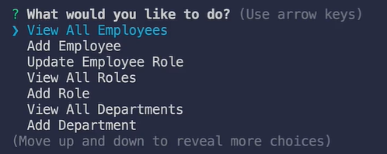

Department
 | Add a new department name

Role
 | Add a new role (name, salary, department)

Employee
 | Add name, last name, role, manager

Employee Role
 | Update employee role

STEPS |  |  |  |  | FUNCTION
1 | Question function |  | What Would you like to do? |  | PROMPT

 | View | Employee
 | Add | Employee
 | View | Role
 | Add | Role
 | View | Department
 | Add | Department

2 | View | Deparment

3 | View | Roles

4 | View | Employees

5 | Add | Department

6 | Add | Role
 |  | Salary | Consequent
 |  | Department Area | Consequent

7 | Add | Employee
 |  | First name
 |  | Last name
 |  | Role
 |  | Manager

8 | Update | Employee
 |  | Employee name
 |  | Role

9 | View | All Employees

