Front-End
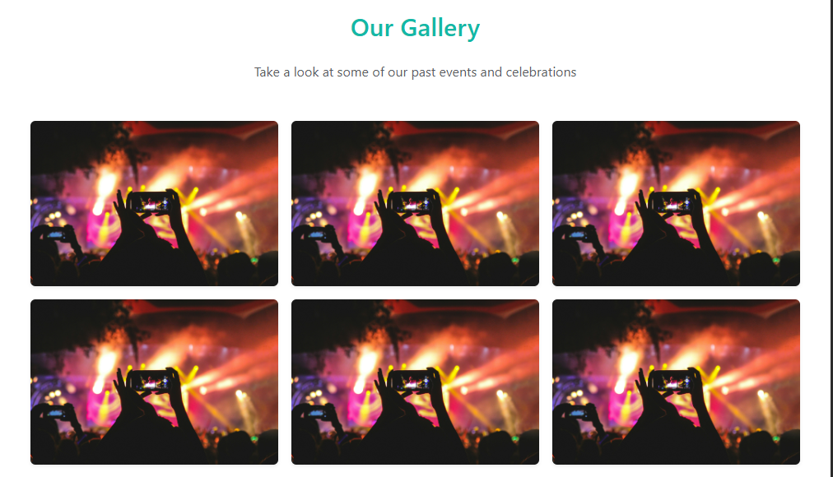
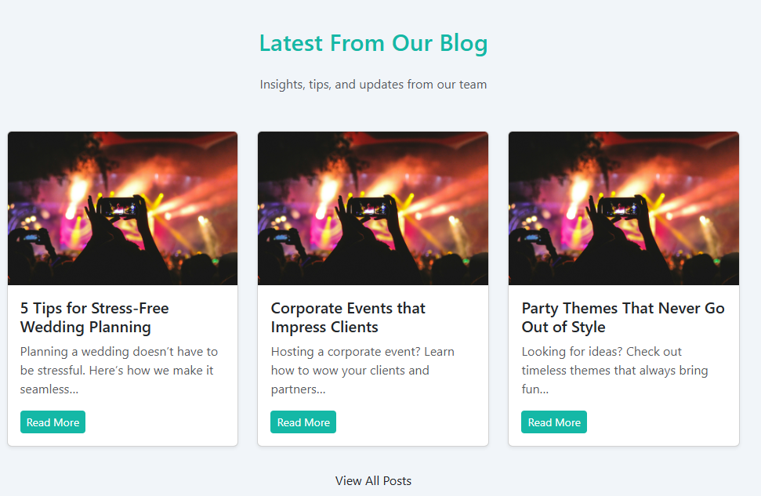
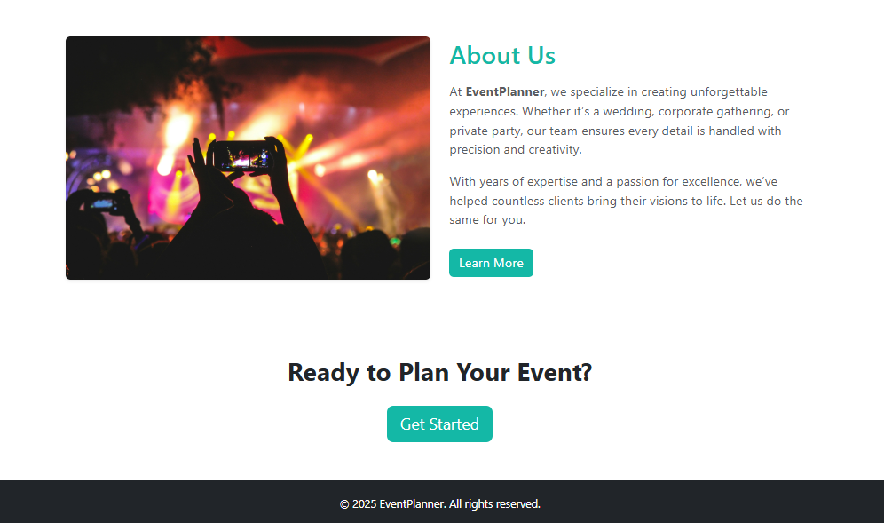
 |  |  |  |  | INDEX.HTML | DASHBOARD.HTML

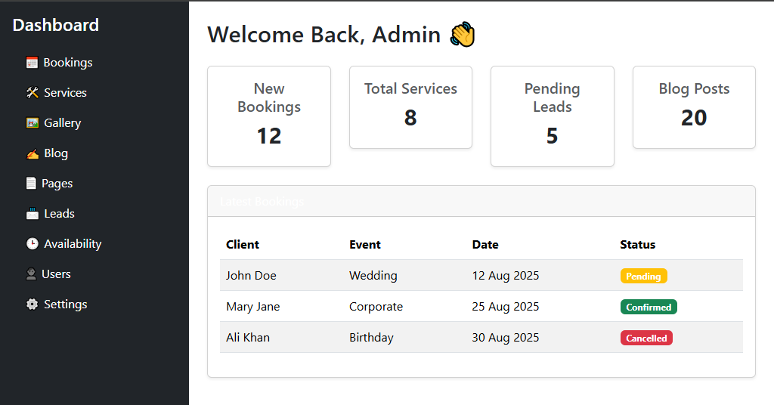

Page Name | Purpose / Description | Key Features | Navigation / Links | Notes / Optional
Home | Overview of business | Hero section, CTA for bookings, banners | Links to Services, Book Now, Gallery | Main entry page
Services | List of services offered | Cards for each service, images, hover effects | Linked from Home, links to Book Now | Include pricing or description
Book Now | Booking events online | Booking form (date, type of event, contact info), confirmation | Linked from Home, Services | Confirmation email optional
Gallery | Showcase past events | Photo gallery, slider, lightbox effect | Linked from Home | Categorize by event type
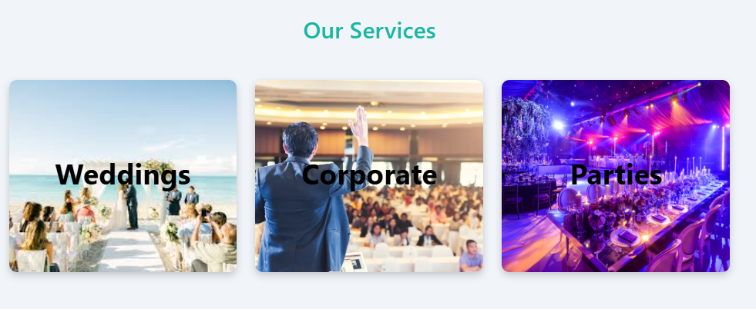
Blog | Share updates & tips | Articles, featured posts, comments section | Linked from Home | Optional search or categories
About | Business profile | Team info, history, mission, social links | Linked from Home | Add certifications or awards
Contact | Contact & inquiries | Contact form, map, phone/email | Linked from Home, Footer | Optional live chat
Privacy Policy & Terms | Legal & compliance | Text pages, links in footer | Linked from Footer | Required by law
Testimonials (Optional) | Customer feedback | Carousel, quotes, ratings | Linked from Home or Services | Builds trust

