Yum Report
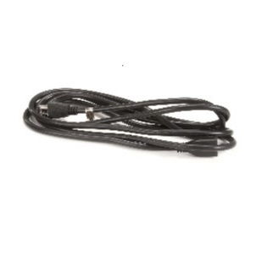
YUM Report by equipment type
PF56C, PF56I, OF56C and OF56I | Closing Stock | Min Level | Max Level | On Order | Order
Inventory Item : 130-120 - Heat or Vent Relay |  | 0 | 0 | #REF! | 0
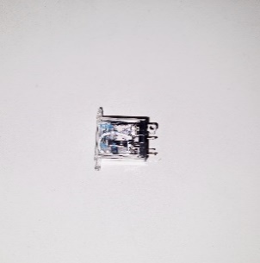
Inventory Item : 120-10034R - Transformer (FAST VC 210) |  | 0 | 0 | #REF! | 0
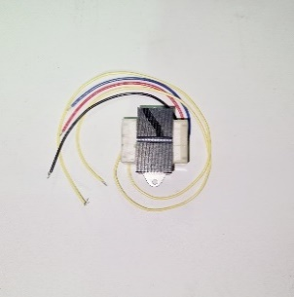
Inventory Item : 130-12003R - Relay |  | 0 | 0 | #REF! | 0

Inventory Item : 140-60020-33 - Probe Thermistor PC Fryer |  | 4 | 7 | #REF! | 0
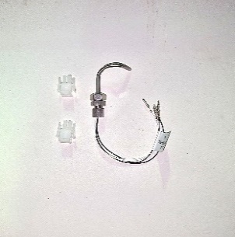
Inventory Item : K99-CEPF56 - VC210 Winston Control Panel |  | 0 | 0 | #REF! | 0
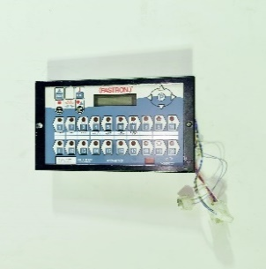
Inventory Item : L0427 - WACO PLUGTOP INDUST 32A 5P 380V |  | 0 | 0 | #REF! | 0
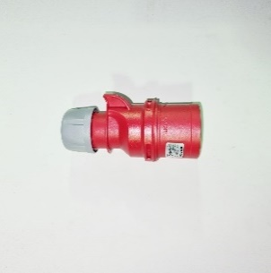
Inventory Item : OF59C - Open Fryer 6 Head (Winston 8000) |  | 0 | 0 | #REF! | 0
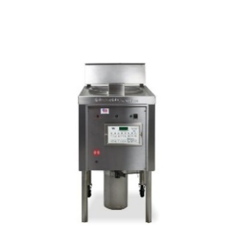
Inventory Item : OF59I - Open Fryer 6 Head |  | 0 | 0 | #REF! | 0

Inventory Item : PF56C - PF56C Pressure Fryer |  | 0 | 0 | #REF! | 0
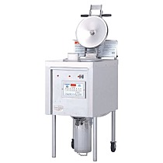
Inventory Item : PS1001 - GLOVES RUBBER |  | 1 | 2 | #REF! | 0
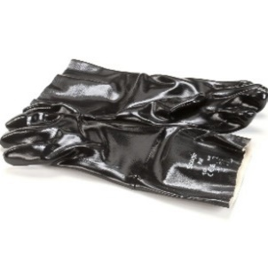
Inventory Item : PS1005 - O- Ring Vent tube fryer |  | 15 | 30 | #REF! | 0
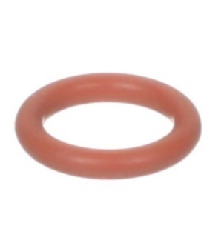
Inventory Item : PS1007 - Relay Electro Mech Intl ASM |  | 5 | 10 | #REF! | 0
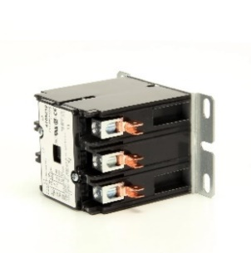
Inventory Item : PS1010 - O-RING LID VALVE FRYER |  | 19 | 38 | #REF! | 0
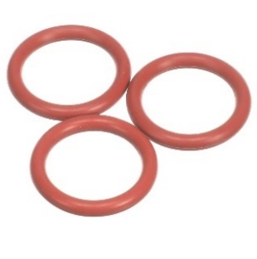
Inventory Item : PS1028 - Spring Lid Valve Fryer |  | 0 | 0 | #REF! | 0
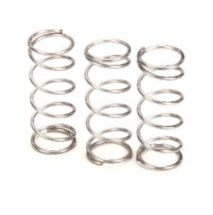
Inventory Item : PS1034 - Heat Plate Long Fryer |  | 1 | 1 | #REF! | 0
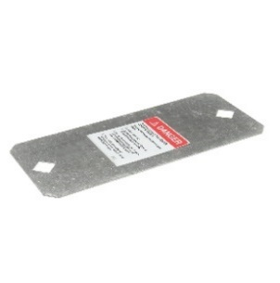
Inventory Item : PS1066 - Drain Valve Asm Fryer |  | 6 | 12 | #REF! | 0
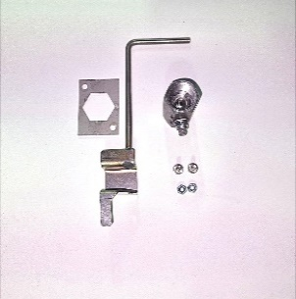
Inventory Item : PS1073 - Weight 6HD 11 9Psi |  | 0 | 0 | #REF! | 0
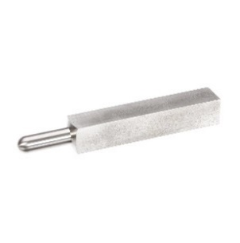
Inventory Item : PS1076 - Ferrule heater Fryer |  | 0 | 0 | #REF! | 0
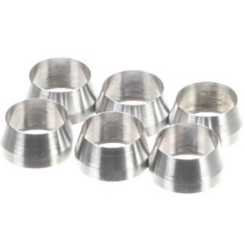
Inventory Item : PS1120 - Brush Teflon White |  | 6 | 11 | #REF! | 0
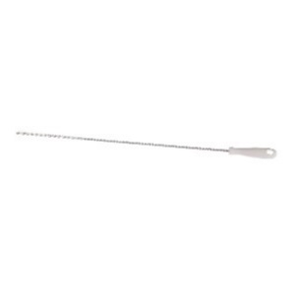
Inventory Item : PS1127 - Valve Lid Fryer |  | 0 | 0 | #REF! | 0
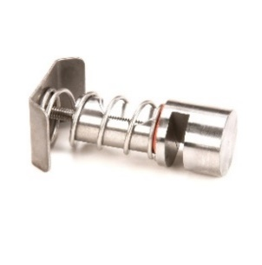
Inventory Item : PS1152 - Muffler Fryer Pressure |  | 0 | 0 | #REF! | 0
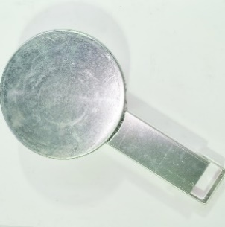
Inventory Item : PS1154 - Hook Drain Fryer |  | 1 | 2 | #REF! | 0
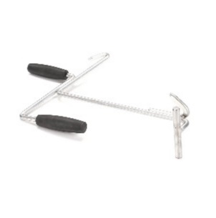
Inventory Item : PS1156 - Vent Back Fryer |  | 0 | 0 | #REF! | 0
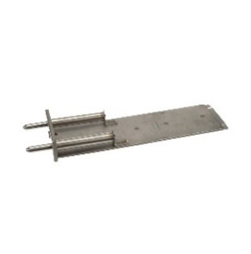
Inventory Item : PS1168 - Handlebar Bottom Lock Fryer |  | 0 | 0 | #REF! | 0
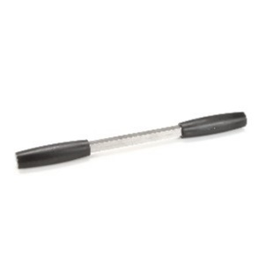
Inventory Item : PS1179 - Plugging Tool Fryer |  | 3 | 5 | #REF! | 0
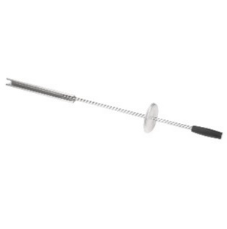
Inventory Item : PS1206 - Collector 14'' Fryer |  | 2 | 4 | #REF! | 0
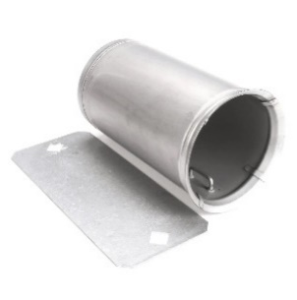
Inventory Item : PS1209 - Displacer Tool - collector oil |  | 1 | 2 | #REF! | 0
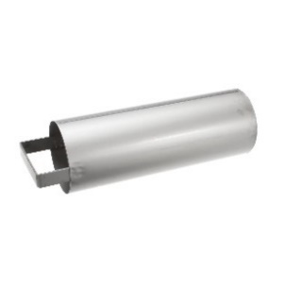
Inventory Item : PS1210 - Panel Danger Label Fryer |  | 0 | 0 | #REF! | 0
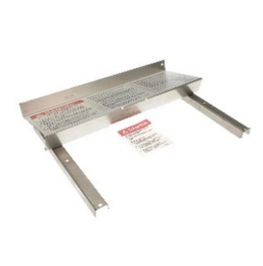
Inventory Item : PS1211 - Drain Valve Extension |  | 0 | 0 | #REF! | 0
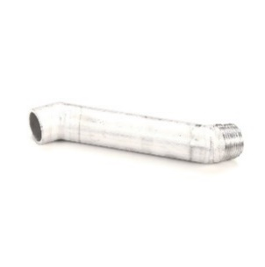
Inventory Item : PS1226 - Wheel 4'' Black Fryer |  | 0 | 0 | #REF! | 0
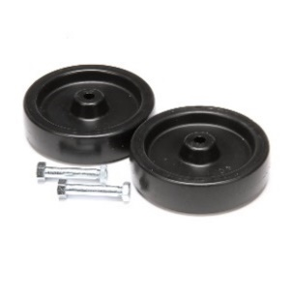
Inventory Item : PS1232 - Nut Flex LCK1/4-20 fryer |  | 0 | 0 | #REF! | 0
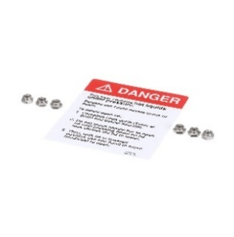
Inventory Item : PS1263 - GROMMET LARGE .328 SQ HOLE 6 |  | 10 | 20 | #REF! | 0
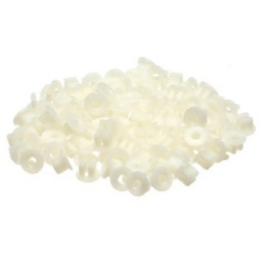
Inventory Item : PS1271 - GROMMET SMALL .275 SQ HOLE 6 |  | 15 | 30 | #REF! | 0
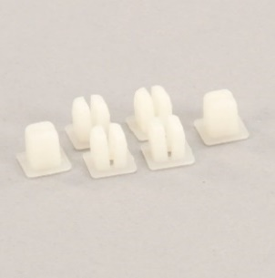
Inventory Item : PS1320 - spring Vent Lid fryer |  | 0 | 0 | #REF! | 0
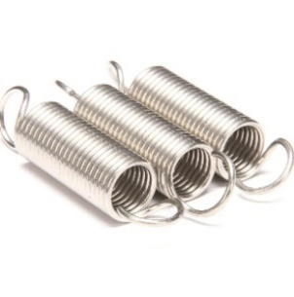
Inventory Item : PS1322 - Vent Tube Lid Fryer |  | 0 | 0 | #REF! | 0
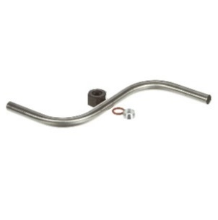
Inventory Item : PS1430 - Heater Holder Bolt fryer |  | 1 | 2 | #REF! | 0
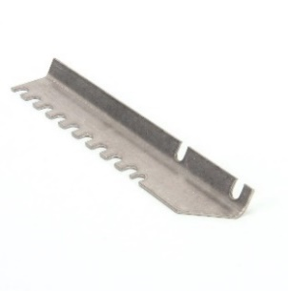
Inventory Item : PS1449 - Lid Lock Press |  | 0 | 0 | #REF! | 0
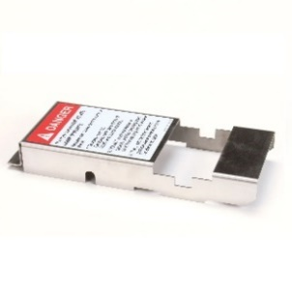
Inventory Item : PS1459 - Lid ASM Bottom Lock |  | 0 | 0 | #REF! | 0
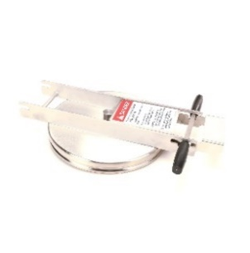
Inventory Item : PS1529 - Switch Toggle Power Fryer |  | 1 | 1 | #REF! | 0
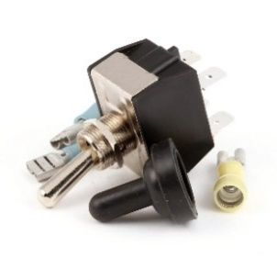
Inventory Item : PS1629 - Drain Pipe |  | 0 | 0 | #REF! | 0
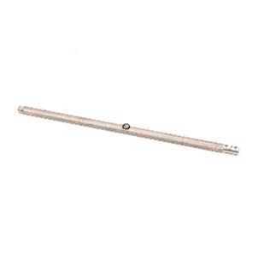
Inventory Item : PS1744 - Probe Shield PC Fryer |  | 0 | 0 | #REF! | 0
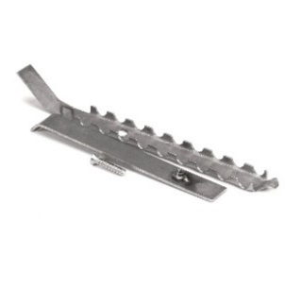
Inventory Item : PS1792 - INSULATION - FRYER 6HD |  | 0 | 0 | #REF! | 0
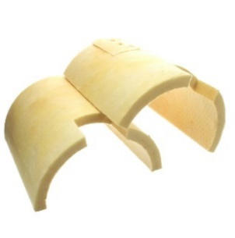

Inventory Item : PS1892 - Gasket Collector Fryer |  | 232 | 463 | #REF! | 0
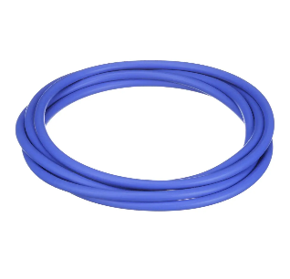
Inventory Item : PS1979 - Spatula |  | 2 | 4 | #REF! | 0
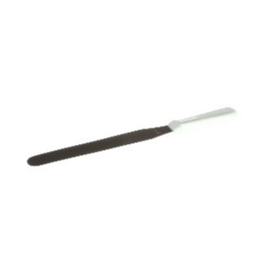
Inventory Item : PS2040 - Probe Thermistor 8CH PC Fryer |  | 0 | 0 | #REF! | 0
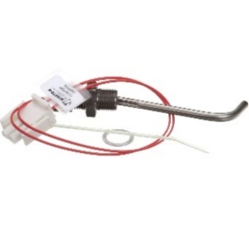
Inventory Item : PS2298 - Lamp Indicator PF56 |  | 3 | 6 | #REF! | 0
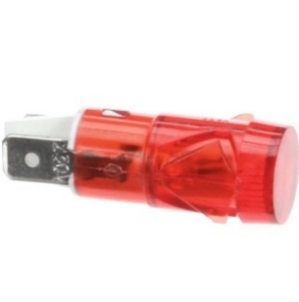
Inventory Item : PS2302 - Switch Interlock PF56 / 46 SM |  | 0 | 0 | #REF! | 0
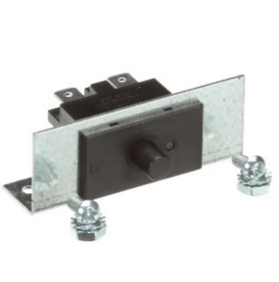
Inventory Item : PS2308 - 3M 5Core 4mm Power Cable |  | 0 | 0 | #REF! | 0
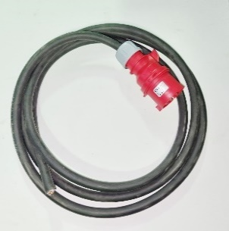
Inventory Item : PS2477 - CB ASM KFC 6HD SERIES |  | 2 | 3 | #REF! | 0
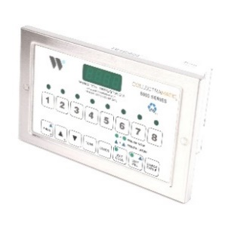
Inventory Item : PS2599 - FUSE/HOLDER ASM VENT SOL FRYER |  | 0 | 0 | #REF! | 0
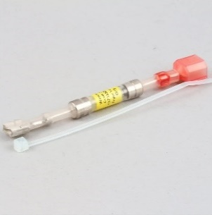
Inventory Item : PS2617 - Hinge Block Kit |  | 0 | 0 | #REF! | 0

Inventory Item : PS2683 - Label Kit Fryer |  | 2 | 3 | #REF! | 0
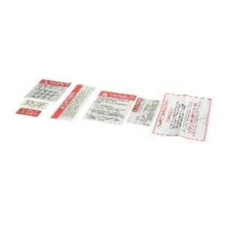
Inventory Item : PS2699 - Block Front ASM Lid Fryer |  | 0 | 0 | #REF! | 0

Inventory Item : PS2717 - Gasket Hinge Block |  | 1 | 1 | #REF! | 0

Inventory Item : PS2718 - Gasket Latch Block |  | 0 | 0 | #REF! | 0

Inventory Item : PS2734 - Solenoid Vent |  | 3 | 6 | #REF! | 0

Inventory Item : PS2809 - Harness Complete PF56 |  | 0 | 0 | #REF! | 0

Inventory Item : PS2837 - Self Wire |  | 25 | 49 | #REF! | 0

Inventory Item : PS2841 - T-Stat HB35 90 - 180 |  | 0 | 0 | #REF! | 0

Inventory Item : PS2845 - Basket Frame 6 HD |  | 1 | 2 | #REF! | 0

Inventory Item : PS2852 - Long Hook |  | 0 | 0 | #REF! | 0

Inventory Item : PS2888 - Heater Element |  | 3 | 6 | #REF! | 0

Inventory Item : PS2939 - T-Stat Hi Limit Retro Fryer |  | 5 | 10 | #REF! | 0

Inventory Item : PS2974 - Handle |  | 0 | 0 | #REF! | 0

Inventory Item : PS2984 - Cover Shelf Filler SS QR |  | 0 | 0 | #REF! | 0

Inventory Item : PS3172 - Conv Pressure to Open Fryer Kit |  | 0 | 0 | #REF! | 0

Inventory Item : PS3189 - Drain Valve Interlock Switch |  | 1 | 2 | #REF! | 0

Inventory Item : SV1033-100 - Grommet Pkt LG & SM SQ Hole |  | 0 | 0 | #REF! | 0

Inventory Item : SV1040 - Relay 240 v 10 amp and Socket |  | 1 | 2 | #REF! | 0

Inventory Item : SV1041 - Switch Toggel |  | 1 | 1 | #REF! | 0


Inventory Item : PS1253 - Shaft Seal kit Pump |  | 0 | 0 | #REF! | 0

Inventory Item : PS1558 - Hose wand 5ft F662 |  | 1 | 1 | #REF! | 0

Inventory Item : F662 - Filter Unit |  | 0 | 0 | #REF! | 0

Inventory Item : PS1213 - O-Ring Hose Nozzle |  | 0 | 0 | #REF! | 0

Inventory Item : PS1253 - Shaft Seal kit Pump |  | 0 | 0 | #REF! | 0

Inventory Item : PS1488 - Filter Paper F662 |  | 0 | 0 | #REF! | 0

Inventory Item : PS1539 - Filter Hose - 60 S/T |  | 1 | 2 | #REF! | 0

Inventory Item : PS1540 - Filter Hose - 7.6'' S/T |  | 2 | 3 | #REF! | 0

Inventory Item : PS1558 - Hose wand 5ft F662 |  | 1 | 1 | #REF! | 0

Inventory Item : PS1562 - Plate Filter F662 |  | 0 | 0 | #REF! | 0

Inventory Item : PS1575 - Nozzle Hose & Wand Barbed S/T |  | 1 | 1 | #REF! | 0

Inventory Item : PS1583 - Filter Tube & Clamp F662 |  | 0 | 0 | #REF! | 0

Inventory Item : PS1743 - Bracket Wheel 4'' F662 |  | 0 | 0 | #REF! | 0

Inventory Item : PS1922 - WAND- S/T HOSE |  | 0 | 0 | #REF! | 0

Inventory Item : PS2055 - Cover Filter Tank |  | 0 | 0 | #REF! | 0

Inventory Item : PS2232 - Caster Swivel F662 |  | 0 | 0 | #REF! | 0

Inventory Item : PS2729 - Pump Motor ASM F662 |  | 0 | 0 | #REF! | 0


CVap Holding Cabinet
Inventory Item : HA4522 - PIZZA HUT HOLDING CABINET |  | 0 | 0 | #REF! | 0

Inventory Item : PS1442 - Gasket Top Door |  | 0 | 0 | #REF! | 0

Inventory Item : PS1446 - Gasket bottom Door |  | 0 | 0 | #REF! | 0

Inventory Item : PS1642 - Probe T Couple water CVap |  | 0 | 0 | #REF! | 0

Inventory Item : PS1654 - Drain Cap MB |  | 0 | 0 | #REF! | 0

Inventory Item : PS1774 - Latch Magnetic Door Cvap |  | 1 | 1 | #REF! | 0

Inventory Item : PS2098 - Motor Cooling Fan 240V |  | 0 | 0 | #REF! | 0

Inventory Item : PS2099 - Heater Air 240V |  | 0 | 0 | #REF! | 0

Inventory Item : PS2100 - Motor Blower 240V |  | 0 | 0 | #REF! | 0

Inventory Item : PS2116 - Hinge Kit Door |  | 0 | 0 | #REF! | 0

Inventory Item : PS2150 - Gasket Door BTM HA4522 |  | 0 | 0 | #REF! | 0

Inventory Item : PS2151 - Gasket Door TOP HA4522 |  | 0 | 0 | #REF! | 0

Inventory Item : PS2177 - Probe Evaporator |  | 0 | 0 | #REF! | 0

Inventory Item : PS2178 - Probe Air cook & Hold |  | 0 | 0 | #REF! | 0

Inventory Item : PS2199 - T-Stat Hi Limit Fan Model |  | 0 | 0 | #REF! | 0

Inventory Item : PS2255 - Probe Air HA Series |  | 0 | 0 | #REF! | 0

Inventory Item : PS2738 - Heater Water HAA 120V |  | 0 | 0 | #REF! | 0

Inventory Item : PS2803 - Cord Power Extension S/F |  | 0 | 0 | #REF! | 0

