07-Visualization
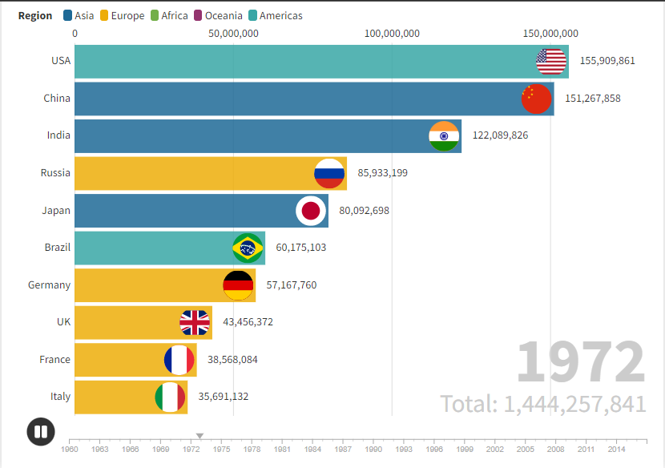
 | Bank_Balance
 | 70000
 | 83050
 | 71600
 | 91240
 | 89290
 | 102910
 | 71260
 | 60810
 | 100060
 | 119110
 | 115250
 | 124300
 | 92850
 | 98900
 | 92450
 | 107500
 | 102550
 | 112600
 | 68550
 | 60100
 | 101350
 | 127950
 | 110050
 | 122100
 | 103650
 | 117700
 | 114850
 | 136500
 | 138150
 | 151800
 | 107750
 | 99300
 | 142530
 | 169130
 | 171230
 | 177830
 | Bank_Balance
 | 70000
 | 83050
 | 71600
 | 91240
 | 89290
 | 102910
 | 71260
 | 60810
 | 100060
 | 119110
 | 115250
 | 124300
 | 92850
 | 98900
 | 92450
 | 107500
 | 102550
 | 112600
 | 68550
 | 60100
 | 101350
 | 127950
 | 110050
 | 122100
 | 103650
 | 117700
 | 114850
 | 136500
 | 138150
 | 151800
 | 107750
 | 99300
 | 142530
 | 169130
 | 171230
 | 177830

Revenue Scatter-Plot
 | Revenue
2022 | 30000
2022 | 39000
2022 | 41000
2022 | 39000
2022 | 43000
2022 | 39000
2022 | 50000
2022 | 80000
2022 | 39000
2022 | 41000
2023 | 30000
2023 | 50000
2023 | 33000
2023 | 39000
2023 | 36000
2023 | 36000
2023 | 36000
2023 | 40000
2023 | 50000
2023 | 80000
2023 | 45000
2023 | 45000
2024 | 30000
2024 | 50000
2024 | 33000
2024 | 40000
2024 | 40000
2024 | 40000
2024 | 40000
2024 | 40000
2024 | 50000
2024 | 82000
2024 | 45000
2024 | 45000
2025 | 45000
2025 | 45000
 | Total
2022 | 441000
2023 | 520000
2024 | 535000
2025 | 90000
Opening Balace Trend
 | Bank_Balance
مارس 22 | 70000
إبريل 22 | 83050
مايو 22 | 71600
يونيو 22 | 91240
يوليو 22 | 89290
أغسطس 22 | 102910
سبتمبر 22 | 71260
أكتوبر 22 | 60810
نوفمبر 22 | 100060
ديسمبر 22 | 119110
يناير 23 | 115250
فبراير 23 | 124300
مارس 23 | 92850
إبريل 23 | 98900
مايو 23 | 92450
يونيو 23 | 107500
يوليو 23 | 102550
أغسطس 23 | 112600
سبتمبر 23 | 68550
أكتوبر 23 | 60100
نوفمبر 23 | 101350
ديسمبر 23 | 127950
يناير 24 | 110050
فبراير 24 | 122100
مارس 24 | 103650
إبريل 24 | 117700
مايو 24 | 114850
يونيو 24 | 136500
يوليو 24 | 138150
أغسطس 24 | 151800
سبتمبر 24 | 107750
أكتوبر 24 | 99300
نوفمبر 24 | 142530
ديسمبر 24 | 169130
يناير 25 | 171230
فبراير 25 | 177830

172061.25

Cost/Revenue Comparative Model
 | Month | Revenue | Balance
 | 0 | 30000 | 83050
 | 0 | 39000 | 71600
 | 0 | 41000 | 91240
 | 0 | 39000 | 89290
 | 0 | 43000 | 102910
 | 0 | 39000 | 71260
 | 0 | 50000 | 60810
 | 0 | 80000 | 100060
 | 0 | 39000 | 119110
 | 0 | 41000 | 115250
 | 0 | 30000 | 124300
 | 0 | 50000 | 92850
 | 0 | 33000 | 98900
 | 0 | 39000 | 92450
 | 0 | 36000 | 107500
 | 0 | 36000 | 102550
 | 0 | 36000 | 112600
 | 0 | 40000 | 68550
 | 0 | 50000 | 60100
 | 0 | 80000 | 101350
 | 0 | 45000 | 127950
 | 0 | 45000 | 110050
 | 0 | 30000 | 122100
 | 0 | 50000 | 103650
 | 0 | 33000 | 117700
 | 0 | 40000 | 114850
 | 0 | 40000 | 136500
 | 0 | 40000 | 138150
 | 0 | 40000 | 151800
 | 0 | 40000 | 107750
 | 0 | 50000 | 99300
 | 0 | 82000 | 142530
 | 0 | 45000 | 169130
 | 0 | 45000 | 171230
 | 0 | 45000 | 177830
 | 0 | 45000 | 184430
QR Codes Analytics
 | Generated | Usage
2016 | 1200 | 620
2017 | 3000 | 523
2018 | 3300 | 490
2019 | 6000 | 340
2020 | 7000 | 280
2021 | 8000 | 270
2022 | 8800 | 245
2025 | 13150 | 0.92857142858

QRODES
Year | Generated | Usage
2016 | 1200 | 620
2017 | 3000 | 523
2018 | 3300 | 490
2019 | 6000 | 340
2020 | 7000 | 280
2021 | 8000 | 270
2022 | 8800 | 245
QR Codes Analytics
2025 | 13150 | 0.92857142858

Problem | We need to analyze the QR Codes data
Analysis
Relationship between year and generation | 0.99298348853
Relationship between year and usage | -0.99520867147
Expected cost growth by 2025 | 49%
Expected usage by 2025 | 0.92857142858

Recommendation | Stop the production of QR codes
 | Remove scanning feature from the books, as it's not a customer behavior

