07-Visualization
3 Years | First_Option
Amount | 70000
Gold Cost | 280500
Mango-Net Profit | 365000
Gold Value | 2420519.3898
Total Profit | 2505019.3898
Growth Margin | 7

Opening Balace Trend
 | Bank_Balance
أغسطس 23 | 112600
إبريل 24 | 117700
مايو 24 | 114850
يونيو 24 | 136500
يوليو 24 | 138150
أغسطس 24 | 151800

 | Total
2022 | 454000
2023 | 533000
2024 | 533000
2025 | 90000
Revenue Scatter-Plot
 | Revenue
2023 | 40000
2024 | 40000
2024 | 40000
2024 | 40000
2024 | 40000
2024 | 40000

Cost/Revenue Comparative Model
 | Month | Revenue | Balance
 | 0 | 40000 | 68550
 | 0 | 40000 | 114850
 | 0 | 40000 | 136500
 | 0 | 40000 | 138150
 | 0 | 40000 | 151800
 | 0 | 40000 | 107750
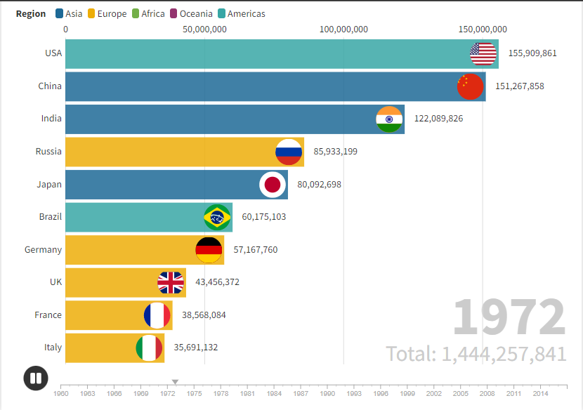
QR Codes Analytics
 | Generated | Usage
2016 | 1200 | 620
2017 | 3000 | 523
2018 | 3300 | 490
2019 | 6000 | 340
2020 | 7000 | 280
2021 | 8000 | 270
2022 | 8800 | 245
2025 | 13150 | 0.92857142858

QRODES
Year | Generated | Usage
2016 | 1200 | 620
2017 | 3000 | 523
2018 | 3300 | 490
2019 | 6000 | 340
2020 | 7000 | 280
2021 | 8000 | 270
2022 | 8800 | 245
QR Codes Analytics
2025 | 13150 | 0.92857142858

Problem | We need to analyze the QR Codes data
Analysis
Relationship between year and generation | 0.99298348853
Relationship between year and usage | -0.99520867147
Expected cost growth by 2025 | 49%
Expected usage by 2025 | 0.92857142858

Recommendation | Stop the production of QR codes
 | Remove scanning feature from the books, as it's not a customer behavior

