Yield Strength
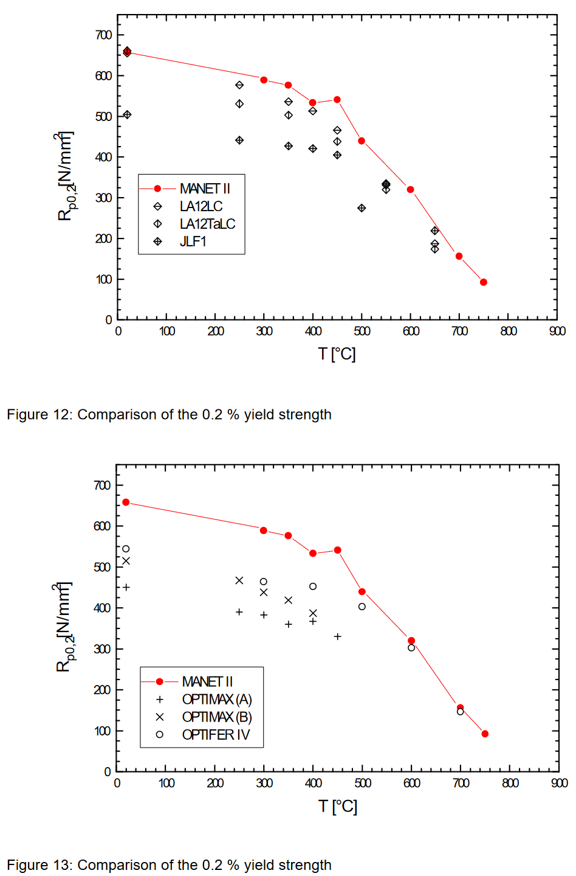
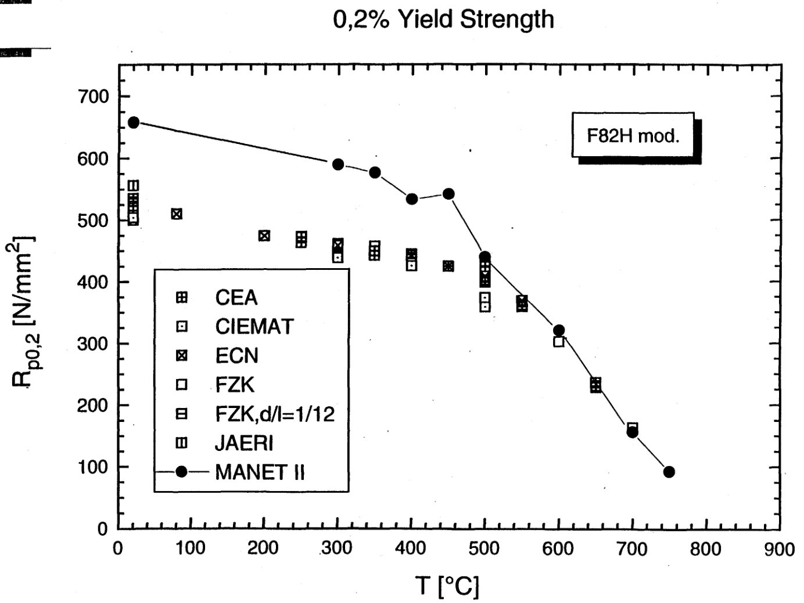
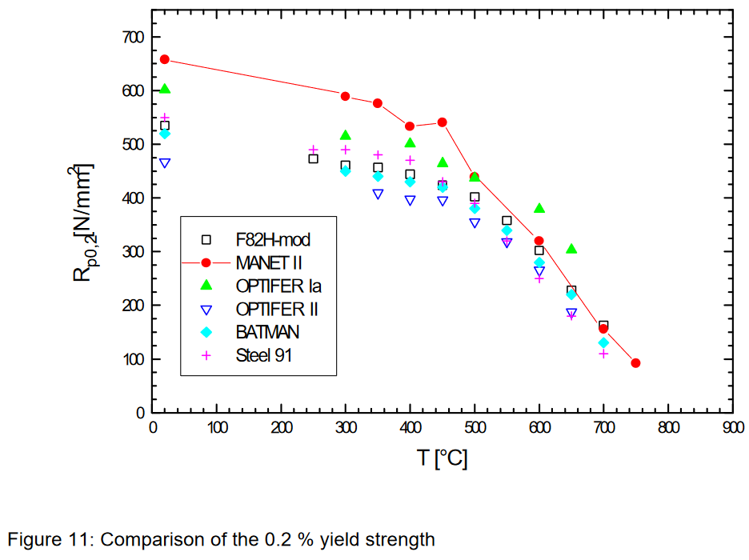
F82H
T_CEA_y (C) | CEA_y (MPa) | T_ECN_y (C) | ECN_y (MPa) | T_CIEMAT_y (C) | CIEMAT_y (MPa) | T_FZK_y (C) | FZK_y (MPa) | T_JAERI_y (C) | JAERI_y (MPa) | T_Tavassoli (C) | Tavassoli_y (MPa)
16.989027309 | 521.84396054 | 19.899852035 | 495.67237419 | 20.420681803 | 502.57453057 | 300.97905461 | 463.71450077 | 17.136248765 | 552.38401715 | 20 | 491
250.69686787 | 472.67934111 | 82.964549999 | 508.10290309 | 301.95875284 | 438.39698634 | 351.61657587 | 458.50778741 | 499.95847372 | 430.91698724 | 100 | 452
250.11871118 | 459.10533769 | 202.77859914 | 474.51284973 | 400.47906623 | 423.88128586 | 401.34542681 | 448.94969128 | 653.49689267 | 226.92126895 | 200 | 432
300.94105124 | 464.7621445 | 302.87592347 | 458.18753993 | 501.03778233 | 373.22586052 | 601.0601139 | 305.29882512 |  |  | 250 | 427
351.73904785 | 445.99030955 | 400.56781314 | 443.0083134 | 499.98317909 | 355.76994114 | 652.53049268 | 228.36537066 |  |  | 300 | 423
499.06081156 | 399.15201007 | 449.64432924 | 425.29698213 |  |  | 700.84922594 | 165.00308057 |  |  | 350 | 417
553.22428871 | 358.00246817 | 501.60817393 | 407.02017484 |  |  |  |  |  |  | 400 | 408
653.60851962 | 237.66777411 | 554.030279 | 365.60770329 |  |  |  |  |  |  | 450 | 392
 |  |  |  |  |  |  |  |  |  | 500 | 367
 |  |  |  |  |  |  |  |  |  | 550 | 332
 |  |  |  |  |  |  |  |  |  | 600 | 282
 |  |  |  |  |  |  |  |  |  | 650 | 217
 |  |  |  |  |  |  |  |  |  | 700 | 134

Ultimate Strength
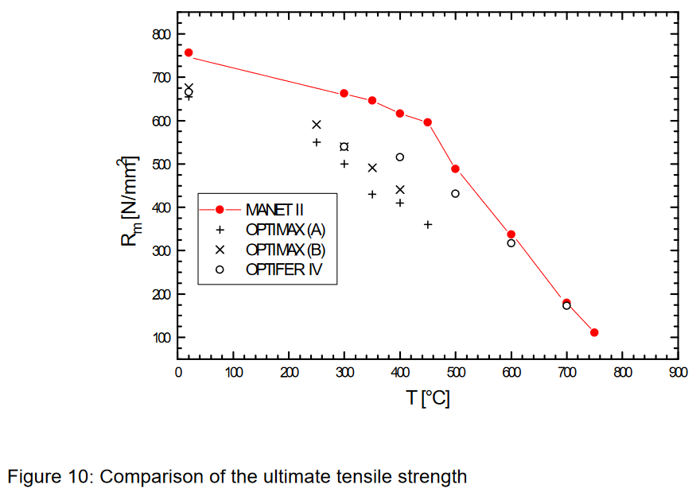
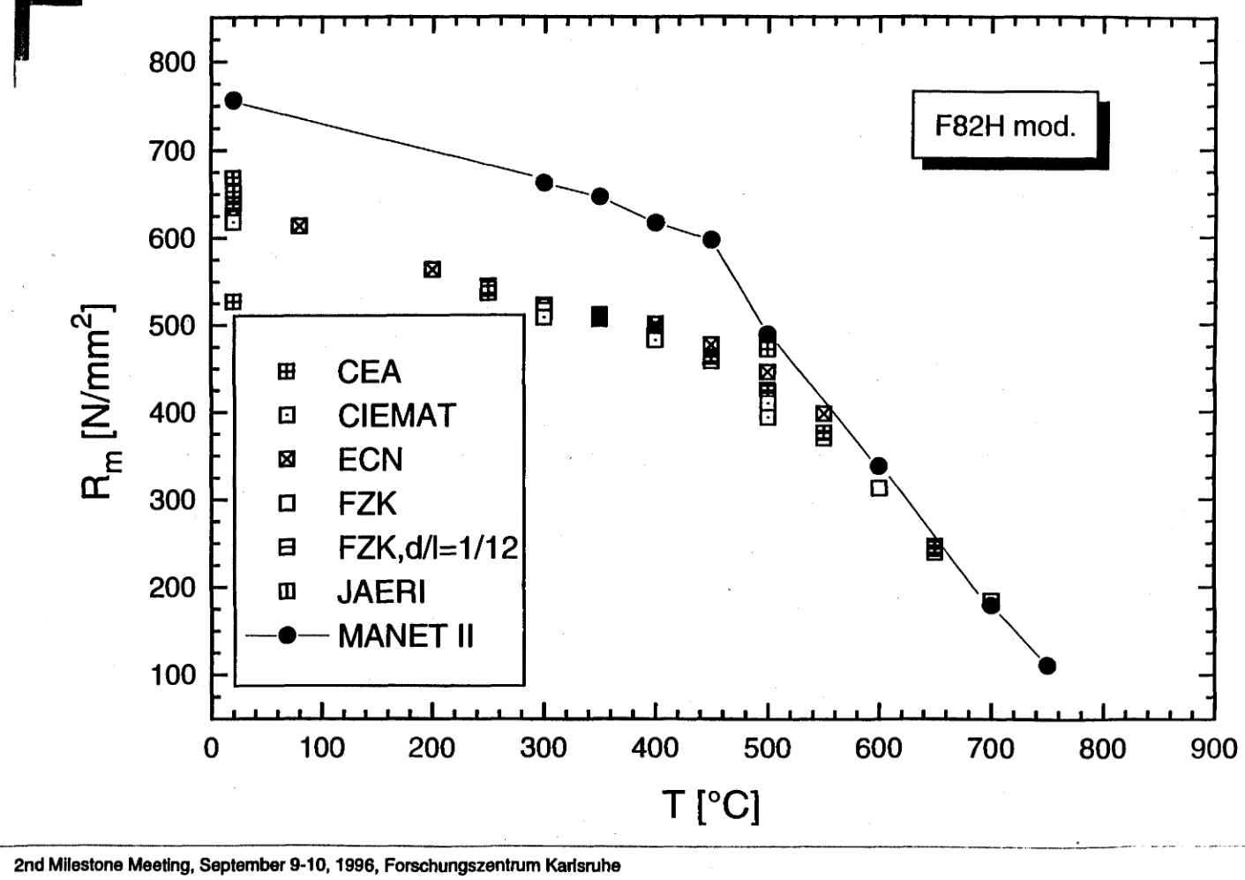
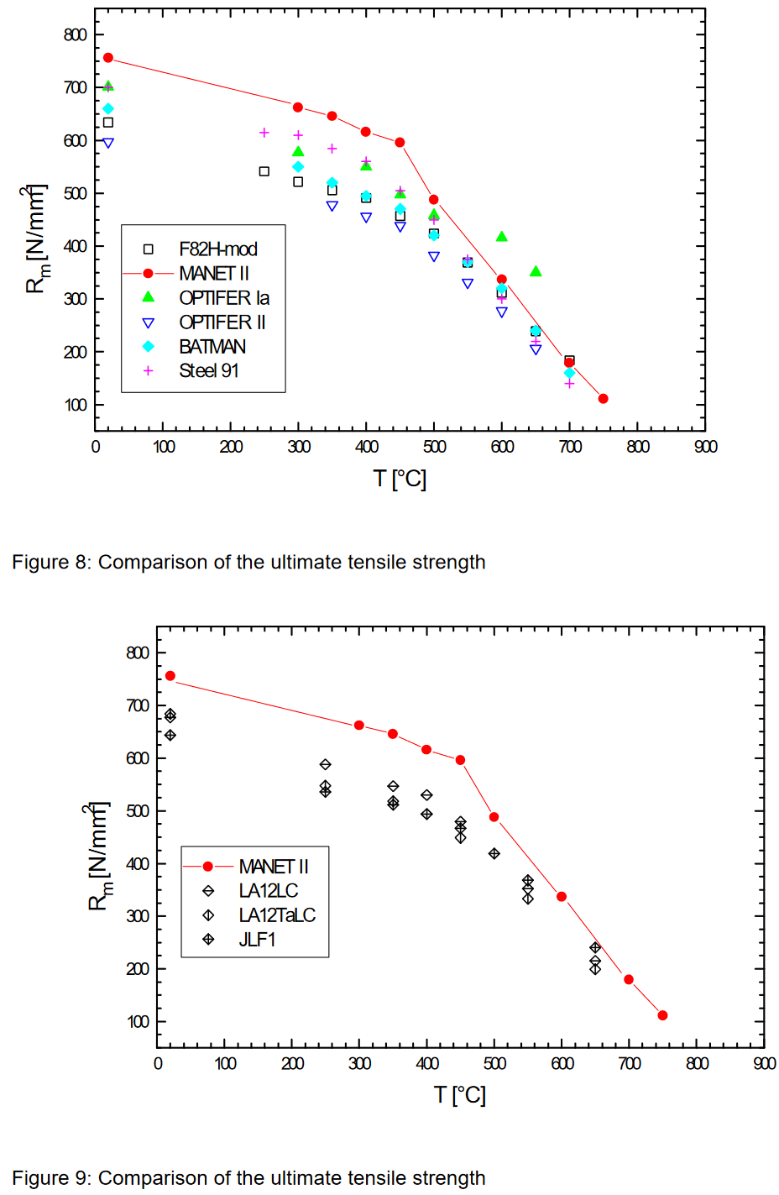
F82H
T_CEA_u (C) | CEA_u (MPa) | T_ECN_u (C) | ECN_u (MPa) | T_CIEMAT_u (C) | CIEMAT_u (MPa) | T_FZK_JAERI_u (C) | FZK_JAERI_u (MPa) | T_Tavassoli (C) | Tavassoli_u (MPa)
19.883689653 | 636.19417555 | 19.470672915 | 625.93073918 | 19.406076437 | 613.07512411 | 19.880717612 | 656.80853389 | 20 | 610
249.64093325 | 529.61110455 | 78.130252216 | 608.81478447 | 300.06674511 | 498.78433715 | 299.02933723 | 516.30149349 | 100 | 563
347.34529236 | 499.31754068 | 200.20725104 | 554.29895822 | 398.91493354 | 467.48372877 | 350.52698634 | 490.57676321 | 200 | 526
450.20234174 | 442.1193121 | 300.26659849 | 514.9047181 | 498.82512218 | 390.71093944 | 448.23125719 | 440.43339754 | 250 | 512
498.85608194 | 412.86526375 | 401.33209481 | 492.92186728 | 499.82633364 | 371.28864125 | 497.70187738 | 459.33045823 | 300 | 499
550.8191398 | 353.49144963 | 450.61477281 | 456.90254158 |  |  | 548.92088774 | 347.00527945 | 350 | 484
648.31514693 | 214.1937517 | 499.87375681 | 431.03683618 |  |  | 600.49936929 | 286.64132188 | 400 | 467
700.29765596 | 146.48450254 | 549.20213038 | 375.43552846 |  |  | 700.80154818 | 153.24248432 | 450 | 444
 |  |  |  |  |  |  |  | 500 | 414
 |  |  |  |  |  |  |  | 550 | 377
 |  |  |  |  |  |  |  | 600 | 329
 |  |  |  |  |  |  |  | 650 | 269
 |  |  |  |  |  |  |  | 700 | 194

Uniform Elongation
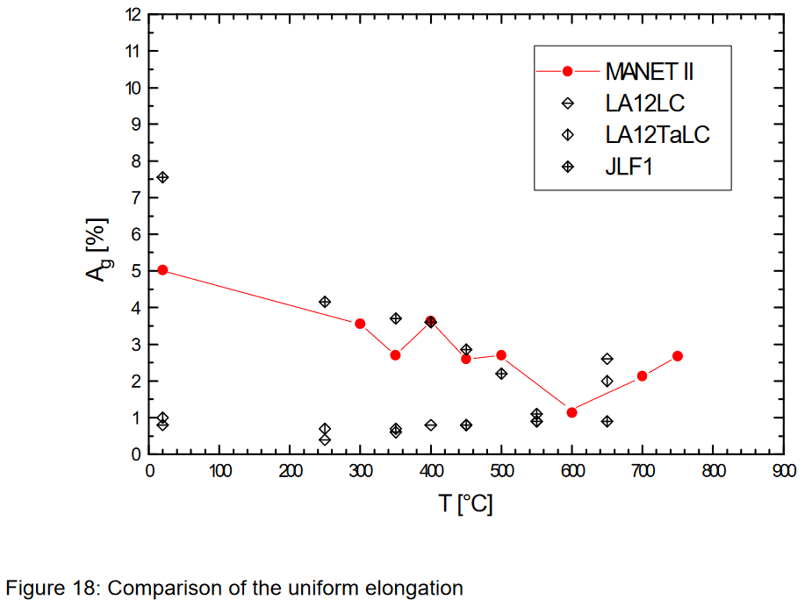
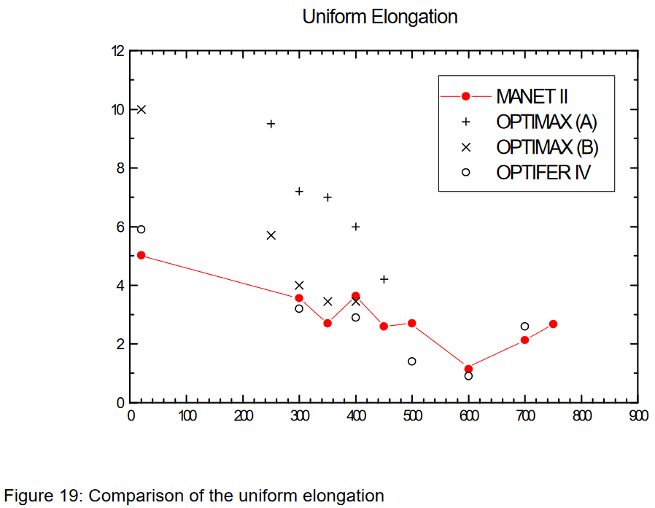
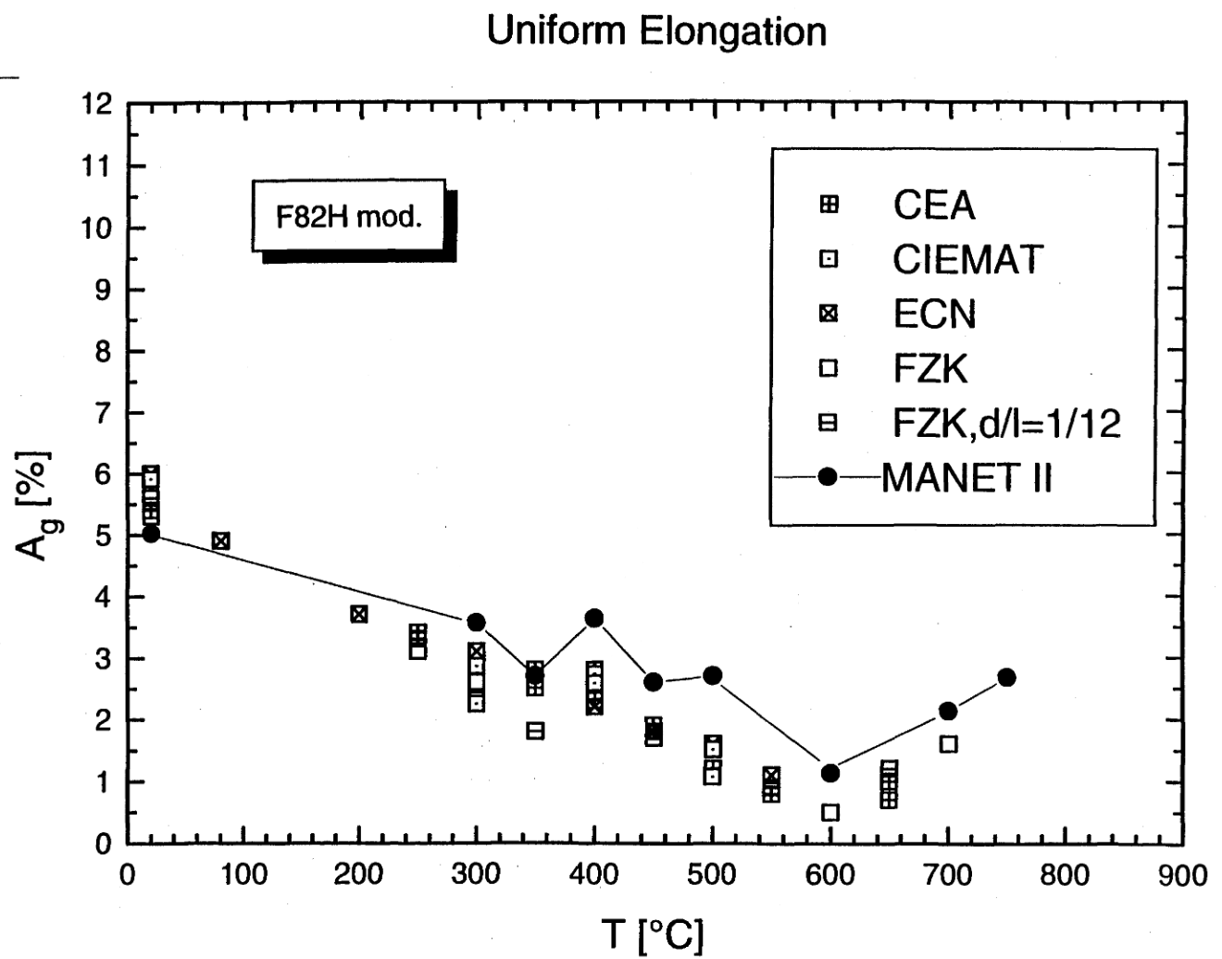
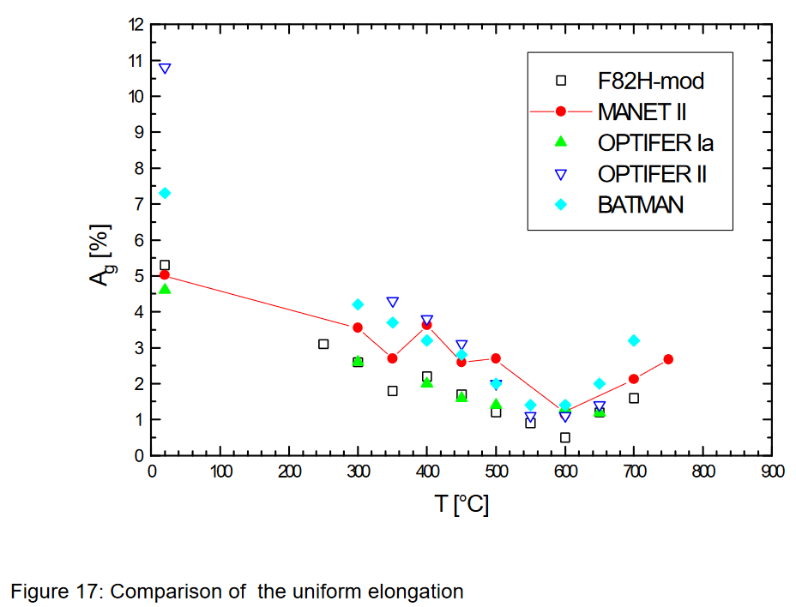
F82H
T_CEA_u (C) | CEA_u | T_ECN_u (C) | ECN_u | T_CIEMAT_u (C) | CIEMAT_u | T_FZK_u (C) | FZK_u
19.114275704 | 5.4810201655 | 18.295773338 | 6.0507803566 | 20.607694921 | 5.9149079343 | 19.396071706 | 5.225153124
17.86326189 | 5.2085049906 | 78.867511415 | 4.8789944354 | 300.07359209 | 2.9437800881 | 249.05520612 | 3.1150269245
250.53721775 | 3.4156120145 | 199.31226214 | 3.7183881458 | 299.65573575 | 2.2443834919 | 300.89208974 | 2.5975413109
347.18904106 | 2.8719109227 | 298.1051832 | 3.1178481323 | 399.45303485 | 2.6298938941 | 601.25205237 | 0.52884578254
349.18399796 | 2.401258606 | 400.17648423 | 2.2060428795 | 397.89832314 | 2.7677811351 | 698.75230636 | 1.5827070938
399.34472745 | 2.8478375405 | 451.47205671 | 1.8227825484 | 499.96667974 | 1.4984249823 | 649.14081073 | 1.2015031674
450.3328058 | 1.9319355474 | 500.58483757 | 1.6262784685 | 500.54240383 | 1.025604986 | 350.65842219 | 1.8290342405
499.99814138 | 1.2761279344 | 550.27895289 | 1.1184729925 |  |  | 18.923952184 | 5.6056856286
552.21387993 | 0.80614887827
650.0566649 | 0.98086863536
649.44116669 | 0.77029343558

Total Elongation
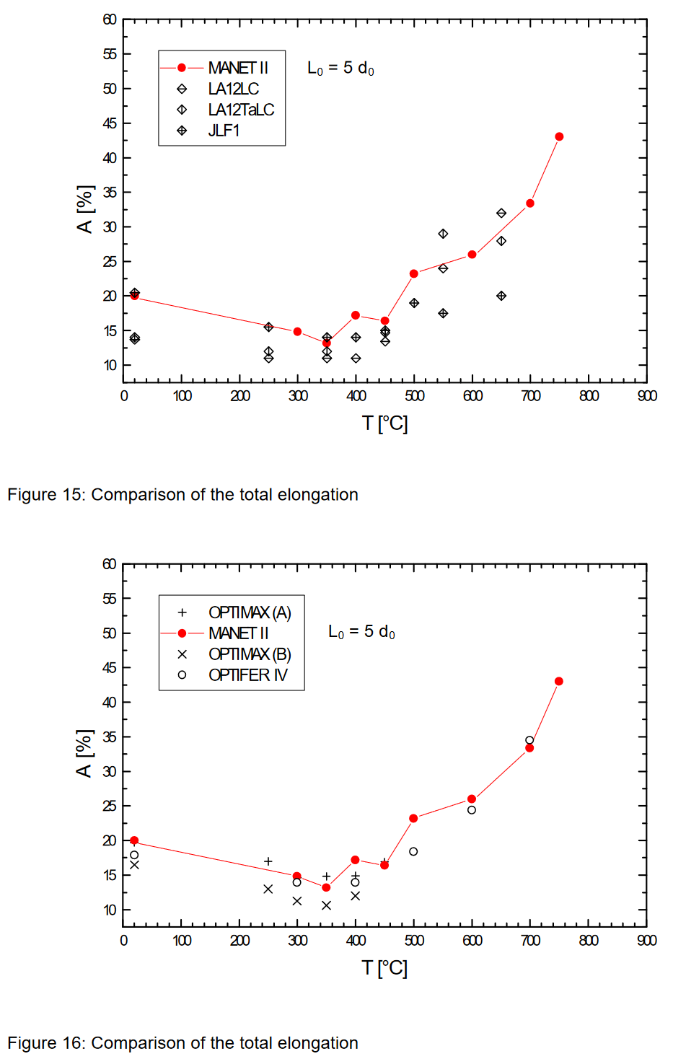
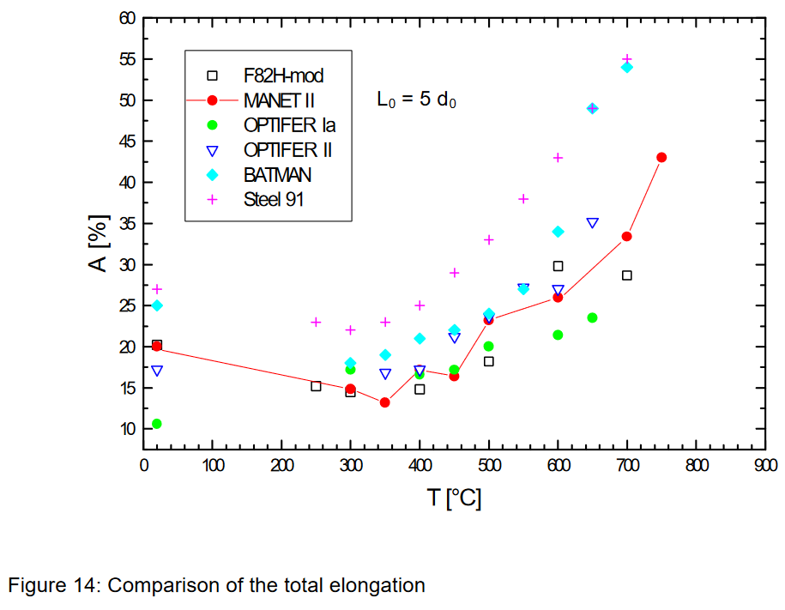
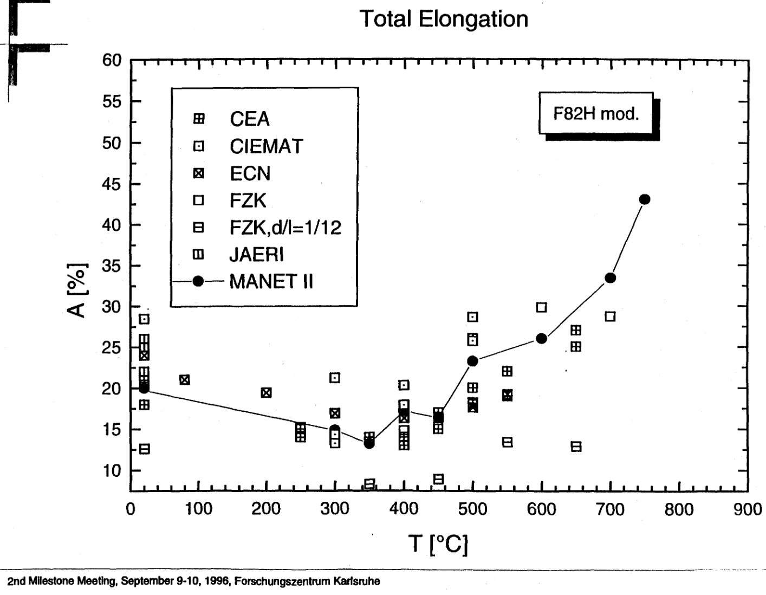
F82H
T_CEA_t (C) | CEA_t | T_ECN_t (C) | ECN_t | T_CIEMAT_t (C) | CIEMAT_t | T_FZK_t (C) | FZK_t | T_JAERI_t (C) | JAERI_t
18.687005797 | 15.220611791 | 17.516061411 | 18.656907852 | 16.638693758 | 23.655058987 | 18.010233413 | 15.136548346 | 16.984993866 | 21.169446946
17.595380005 | 11.840886081 | 77.909968537 | 15.138426483 | 301.64172012 | 15.639511771 | 400.28465565 | 8.632500358 | 19.083341227 | 19.959147219
252.2213378 | 8.4786989052 | 197.76560138 | 13.334048385 | 302.2447656 | 7.6574756011 | 597.74020947 | 25.683928706 | 20.866521852 | 16.279494101
249.17009426 | 7.2652661642 | 301.58995615 | 10.544116829 | 302.90629152 | 6.4000736993 | 698.05019154 | 24.019074544 | 497.61134701 | 21.544135523
349.75275038 | 7.1427636765 | 399.34842814 | 9.8778806137 | 399.72086628 | 14.717388941
399.61637022 | 6.7998435684 | 449.8010446 | 10.0370599 | 400.51456654 | 11.71049966
448.24484936 | 10.919695435 | 501.21777534 | 11.646947673 | 498.98741362 | 20.574656165
449.31958929 | 8.5800215246 | 549.42120506 | 13.15297945 | 498.12349572 | 24.510960617
499.20336847 | 13.913172505
500.23227962 | 12.180098042
547.95296655 | 16.429868691
647.63162238 | 22.329998734
649.16189516 | 19.903701166

HT-9 Creep Strain
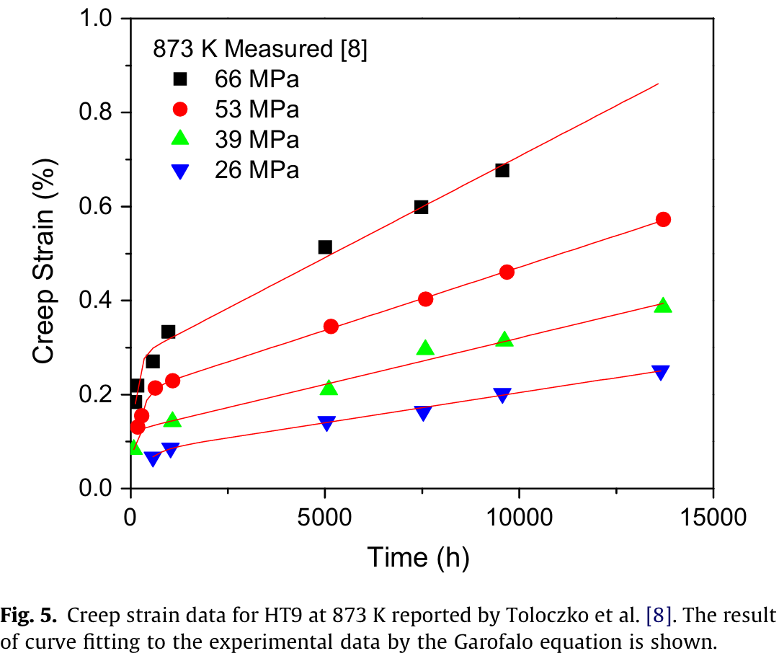
HT-9, Low Stress
Time_HT9s66T873 (h) | Strain_HT9s66T873 | Time_HT9s53T873 (h) | Strain_HT9s53T873 | Time_HT9s39T873 (h) | Strain_HT9s39T873 | Time_HT9s26T873 (h) | Strain_HT9s26T873
0 | 0 | 0 | 0 | 0 | 0 | 0 | 0
61.048564875 | 0.18552301151 | 84.300643061 | 0.12765373043 | 119.93056396 | 0.081211648643 | 567.04421288 | 0.069551384779
190.55880048 | 0.21869422875 | 270.6550387 | 0.15406540569 | 1062.2962613 | 0.1446002717 | 1116.1405986 | 0.090521693046
497.18688837 | 0.26844187501 | 589.88600045 | 0.21239872923 | 5132.5906411 | 0.20688714689 | 5044.8655974 | 0.14709622012
909.8620704 | 0.34062736786 | 1083.368334 | 0.22777410512 | 7520.5815377 | 0.29215907965 | 7505.0512187 | 0.16659014772
4975.4486773 | 0.5149876308 | 5151.3697922 | 0.34856505534 | 9663.6382148 | 0.31060057932 | 9546.8128163 | 0.20977269821
7445.9089377 | 0.59969216849 | 7552.4712987 | 0.40232381481 | 13754.201137 | 0.38642512893 | 13726.554211 | 0.25451400254
9502.6283402 | 0.67174334927 | 9659.9276631 | 0.45940992642
 |  | 13728.145943 | 0.5680885299

T91 Creep Strain
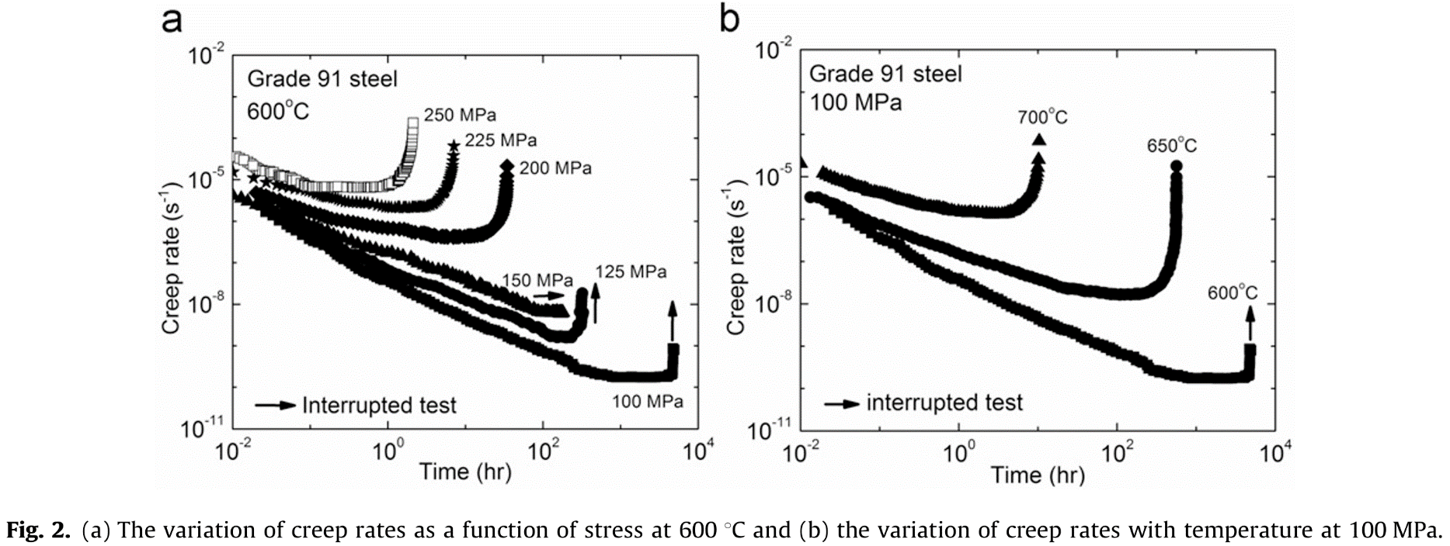
T91
log10(time (h))_T91s100T873 | log10(strain rate)_T91s100T873 | log10(time (h))_T91s125T873 | log10(strain rate)_T91s125T873 | log10(time (h))_T91s150T873 | log10(strain rate)_T91s150T873 | log10(time (h))_T91s200T873 | log10(strain rate)_T91s200T873 | log10(time (h))_T91s225T873 | log10(strain rate)_T91s225T873 | log10(time (h))_T91s250T873 | log10(strain rate)_T91s250T873 | log10(time (h))_T91s100T923 | log10(strain rate)_T91s100T923 | log10(time (h))_T91s100T973 | log10(strain rate)_T91s100T973
-2.013622231 | -5.359214075 | -1.9680249 | -5.145993059 | -1.949433916 | -4.992926834 | -1.962097192 | -4.948187575 | -1.974566789 | -4.688261665 | -1.992587376 | -4.393763794 | -1.904585397 | -5.315930783 | -1.9633563 | -4.679564681
-1.921971759 | -5.402656601 | -1.860381176 | -5.273444993 | -1.848489942 | -5.081457103 | -1.843766289 | -5.104594218 | -1.745781987 | -4.969742849 | -1.920836757 | -4.456413426 | -1.798204761 | -5.445332798 | -1.86119984 | -4.772121444
-1.833977959 | -5.503226933 | -1.729095769 | -5.415692135 | -1.741248474 | -5.187582983 | -1.730332769 | -5.2198092 | -1.527141894 | -4.971481154 | -1.810779107 | -4.510499166 | -1.688024817 | -5.517805907 | -1.724217315 | -4.899891228
-1.711855921 | -5.532574344 | -1.537408208 | -5.611979399 | -1.656112381 | -5.299381628 | -1.6440202 | -5.30280088 | -1.397035772 | -5.011089666 | -1.753458118 | -4.643981706 | -1.566446948 | -5.640259872 | -1.640634758 | -4.987884028
-1.604557055 | -5.718993087 | -1.427112863 | -5.715107009 | -1.523714405 | -5.510980769 | -1.552766638 | -5.381259319 | -1.319023603 | -5.088858104 | -1.624268097 | -4.715956466 | -1.479062855 | -5.762323498 | -1.575626102 | -5.032145466
-1.51650431 | -5.840995386 | -1.303684798 | -5.828077194 | -1.331253175 | -5.641178248 | -1.409722045 | -5.505854774 | -1.189018652 | -5.234544587 | -1.605152643 | -4.75158226 | -1.391678762 | -5.83453638 | -1.485078331 | -5.102810044
-1.439932435 | -5.948637384 | -1.201270014 | -5.926273068 | -1.208276339 | -5.800065859 | -1.244401554 | -5.566611985 | -1.058857345 | -5.216292388 | -1.509406209 | -4.752343495 | -1.308093977 | -5.892462822 | -1.410782724 | -5.142825565
-1.344389512 | -6.020679975 | -1.106786872 | -6.073096694 | -1.075800272 | -5.929786424 | -1.155611947 | -5.640478309 | -0.965200435 | -5.265254635 | -1.42806403 | -4.797332477 | -1.232107809 | -6.021517869 | -1.327200167 | -5.182947101
-1.305975862 | -6.120936904 | -0.928194881 | -6.220589029 | -0.943307472 | -6.041961579 | -1.029801958 | -5.71921149 | -0.876740044 | -5.304532042 | -1.332368345 | -4.851304032 | -1.15612164 | -6.065114499 | -1.227365445 | -5.218902231
-1.206619082 | -6.193003603 | -0.786437662 | -6.406741157 | -0.823471016 | -6.183278681 | -0.899072781 | -5.816273881 | -0.653022998 | -5.441320061 | -1.222395276 | -4.994073638 | -1.049741005 | -6.144665772 | -1.136817675 | -5.311326474
-1.160577716 | -6.293308747 | -0.649900096 | -6.553899138 | -0.694129751 | -6.289580266 | -0.770785754 | -5.885881706 | -0.595778511 | -5.461062235 | -1.155448896 | -5.074421982 | -0.969955529 | -6.166941169 | -1.011443838 | -5.360628946
-1.003934478 | -6.394313022 | -0.550127645 | -6.666681248 | -0.577389052 | -6.366539099 | -0.647409193 | -5.92801534 | -0.777914207 | -5.392109485 | -1.064523616 | -5.110618701 | -0.897768669 | -6.203372893 | -0.872139576 | -5.436202038
-0.942637681 | -6.494714599 | -0.424071178 | -6.77967233 | -0.463811045 | -6.449321302 | -0.519091639 | -5.965615733 | -0.486532044 | -5.539079002 | -0.978334909 | -5.093567039 | -0.779990108 | -6.275932744 | -0.75605269 | -5.489750427
-0.816583897 | -6.566950053 | -0.279625188 | -6.90254778 | -0.378619172 | -6.502635249 | -0.378449948 | -6.021604208 | -0.356343145 | -5.491896448 | -0.887392712 | -5.112026986 | -0.658412239 | -6.391265175 | -0.628357116 | -5.565191
-0.755208508 | -6.695927587 | -0.182476495 | -7.010439949 | -0.277647308 | -6.56192317 | -0.252605072 | -6.063757467 | -0.200254426 | -5.57992916 | -0.82515753 | -5.112521788 | -0.517837828 | -6.499692926 | -0.514591968 | -5.627416751
-0.644351211 | -6.789498577 | -0.04853018 | -7.118624678 | -0.220841571 | -6.585768862 | -0.126760195 | -6.105910725 | -0.07535402 | -5.619496285 | -0.705491403 | -5.131210105 | -0.354467567 | -6.579894765 | -0.431009411 | -5.658834421
-0.548631455 | -6.925837071 | 0.067045188 | -7.197448862 | -0.154564492 | -6.609689856 | -0.008302823 | -6.129715149 | 0.044386656 | -5.610804761 | -0.648035085 | -5.12279846 | -0.236689006 | -6.666697686 | -0.333496427 | -5.690411114
-0.429969608 | -7.083752181 | 0.187872714 | -7.281183884 | -0.069389353 | -6.680549212 | 0.100263841 | -6.171731037 | 0.14325848 | -5.650164945 | -0.56188021 | -5.141220344 | -0.073318745 | -6.775385664 | -0.217409541 | -5.726551771
-0.303935472 | -7.148843646 | 0.282411581 | -7.369578979 | 0.022144637 | -6.704671012 | 0.240936058 | -6.19571208 | 0.242176291 | -5.641307869 | -0.470904181 | -5.124206744 | 0.074854283 | -6.862535553 | -0.124540033 | -5.771131256
-0.238824818 | -7.24926933 | 0.379602069 | -7.43364975 | 0.063153649 | -6.74008814 | 0.344561728 | -6.242261209 | 0.393142069 | -5.642508127 | -0.413481695 | -5.151268645 | 0.226826619 | -6.999579557 | -0.020061836 | -5.794083594
-0.104986134 | -7.378704915 | 0.516232512 | -7.483426846 | 0.145205141 | -6.775831578 | 0.44326821 | -6.270481128 | 0.512891943 | -5.624173152 | -0.332114142 | -5.169652468 | 0.363601722 | -7.058113194 | 0.077451148 | -5.821308354
0.063216566 | -7.522645449 | 0.610799242 | -7.542607675 | 0.296651781 | -6.876460398 | 0.522232523 | -6.293971561 | 0.585845553 | -5.547604972 | -0.255483162 | -5.134787909 | 0.469982357 | -7.144786001 | 0.235329312 | -5.844870281
0.208477176 | -7.645009368 | 0.718489404 | -7.621369167 | 0.384978456 | -6.953193325 | 0.613542778 | -6.312987626 | 0.679704806 | -5.384411278 | -0.183639504 | -5.099885289 | 0.587760918 | -7.181738179 | 0.339807509 | -5.833007156
0.330776046 | -7.738652682 | 0.807799331 | -7.680508202 | 0.489073966 | -7.047597165 | 0.702375995 | -6.341129047 | 0.73713324 | -5.211284415 | -0.097467713 | -5.100570401 | 0.694141553 | -7.261289452 | 0.444285706 | -5.847255628
0.460761577 | -7.85377618 | 0.918071457 | -7.807981033 | 0.56795161 | -7.100860911 | 0.788767061 | -6.341815902 | 0.810279995 | -4.932203747 | -0.020819816 | -5.047969069 | 0.815719422 | -7.326771139 | 0.558050854 | -5.839850451
0.583178337 | -7.99028343 | 0.988963998 | -7.886449965 | 0.67838366 | -7.171921073 | 0.857879915 | -6.342365386 | 0.852174056 | -4.672161653 | 0.05582808 | -4.995367737 | 0.937297291 | -7.385131292 | 0.643955149 | -5.840831094
0.759087344 | -8.162848137 | 1.1098101 | -7.95070881 | 0.769895338 | -7.219436752 | 0.949207614 | -6.343091489 | 0.862833818 | -4.41187123 | 0.094118196 | -5.004540618 | 1.051276544 | -7.50037698 | 0.727537707 | -5.776506237
0.896680942 | -8.270875862 | 1.191211603 | -8.034130375 | 0.861390282 | -7.28449784 | 1.042994907 | -6.352982198 | 0.873475186 | -4.17086771 | 0.11332669 | -4.942614158 | 1.210847497 | -7.544927775 | 0.801833314 | -5.651148303
0.984674742 | -8.371446194 | 1.327814183 | -8.113121736 | 0.968665218 | -7.355532902 | 1.134348772 | -6.32627336 |  |  | 0.170876048 | -4.83665026 | 1.321027441 | -7.667251627 | 0.852911543 | -5.573396594
1.099365546 | -8.472185282 | 1.440779724 | -8.172448846 | 1.06647439 | -7.420644191 | 1.225702636 | -6.299564521 |  |  | 0.218893054 | -4.686268305 | 1.469200468 | -7.683186169 | 0.890059347 | -5.456318464
1.210104955 | -8.522892337 | 1.530103582 | -8.216980748 | 1.189479115 | -7.550289454 | 1.334395768 | -6.20897819 |  |  | 0.276535453 | -4.482752154 | 1.586979029 | -7.698773743 | 0.936494101 | -5.304530886
1.359218718 | -8.659568342 | 1.632546229 | -8.285962357 | 1.293619248 | -7.597905536 | 1.386335072 | -6.099650535 |  |  | 0.329382071 | -4.288066328 | 1.735152057 | -7.750315958 | 0.943459314 | -5.169700474
1.466163918 | -8.717395279 | 1.708686286 | -8.374211172 | 1.388265729 | -7.668840194 | 1.443280783 | -5.917202284 |  |  | 0.315155437 | -4.146057957 | 1.898522318 | -7.794910124 | 0.966676691 | -5.069871053
1.580854722 | -8.818134366 | 1.769088439 | -8.428251293 | 1.473446445 | -7.733851081 | 1.48298753 | -5.693464249 |  |  | 0.334566927 | -3.871290219 | 2.077089813 | -7.81831317 | 0.980607117 | -4.943824019
1.714713054 | -8.95471394 | 1.821628608 | -8.457883502 | 1.574401575 | -7.810684411 | 1.51525008 | -5.510819753 |  |  | 0.358731906 | -3.632034089 | 2.206266299 | -7.791301648 | 1.003824495 | -4.73084434
1.898033648 | -9.048742981 | 1.866283571 | -8.48745302 | 1.659571136 | -7.887392237 | 1.530273665 | -5.286885474 |  |  |  |  | 2.392432411 | -7.743576089 | 1.006146232 | -4.535033858
2.047226004 | -9.213994944 | 1.921428922 | -8.541451347 | 1.710029178 | -7.946278546 | 1.550229522 | -5.067562934 |  |  |  |  | 2.510210972 | -7.645219108 | 1.015433183 | -4.143465902
2.207663451 | -9.307879338 | 1.973941227 | -8.600297822 | 1.807832772 | -8.017238306 | 1.557869964 | -4.82070733 |  |  |  |  | 2.605193682 | -7.446900413
2.375905447 | -9.46610785 | 2.026453532 | -8.659144296 | 1.886699261 | -8.082198991 | 1.567913307 | -4.642458705 |  |  |  |  | 2.643186766 | -7.18383734
2.486860986 | -9.595398787 | 2.0684383 | -8.732514314 | 1.990839394 | -8.129815073 |  |  |  |  |  |  | 2.68117985 | -6.977746545
2.597580747 | -9.638961853 | 2.147271771 | -8.752617407 | 2.063453013 | -8.13039239 |  |  |  |  |  |  | 2.719172934 | -6.714683472
2.708261212 | -9.66823694 | 2.19194531 | -8.762710747 | 2.164458344 | -8.154589492 |  |  |  |  |  |  | 2.741968785 | -6.472811518
2.819000621 | -9.718943996 | 2.244504053 | -8.772866779 | 2.221297549 | -8.143344365 |  |  |  |  |  |  | 2.741968785 | -6.166585526
2.90300373 | -9.755194317 | 2.31022338 | -8.763651121 | 2.278103287 | -8.167190058 |  |  |  |  |  |  | 2.768563943 | -5.853541596
2.990761753 | -9.770036778 | 2.354924781 | -8.744530196 | 2.334953648 | -8.144247992 |  |  |  |  |  |  | 2.757166018 | -5.532942421
3.074666621 | -9.770567153 | 2.381208797 | -8.744739168 | 2.385657119 | -7.945801632 |  |  |  |  |  |  | 2.764764635 | -5.169830893
3.192896209 | -9.771314499 | 2.41279141 | -8.701168536 | 2.411231973 | -7.612639663 |  |  |  |  |  |  | 2.764764635 | -4.806632623
3.299664576 | -9.764845533 | 2.426026294 | -8.603892137 | 2.424139325 | -7.32031658
3.402658381 | -9.772640437 | 2.460283747 | -8.511651961 | 2.443394373 | -6.992952879
3.498004822 | -9.773243135 | 2.473513987 | -8.419244606 | 2.453222702 | -6.618726118
3.60854775 | -9.752510298 | 2.489428355 | -8.268429619 | 2.459826983 | -6.314655893
3.657852826 | -9.652807852 | 2.500113782 | -8.088358571
3.672617054 | -9.474304553 | 2.505505256 | -7.947198083
3.69477322 | -9.2101216 | 2.521438199 | -7.776906919
3.694203424 | -9.002945912 | 2.537306129 | -7.674782373
3.708889059 | -8.795866656 | 2.532174709 | -7.543276385

F82H Creep Strain
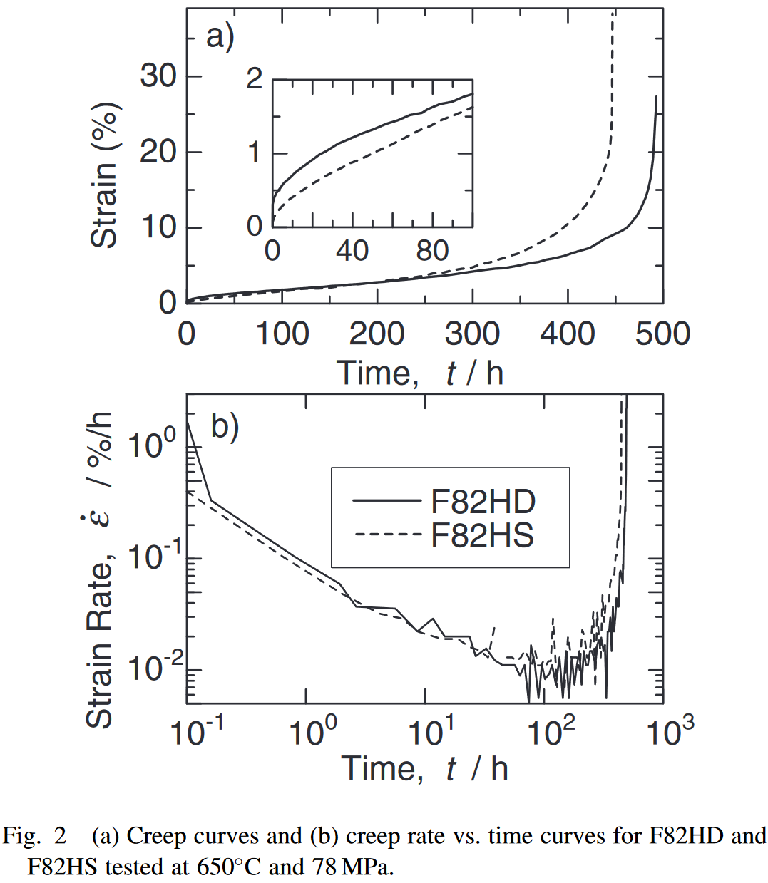
F82H
Time_F82Hs78T873 (h) | Strain rate_F82Hs78T873 | Time_F82Hs60T973 (h) | Strain rate_F82Hs60T973
0 | 0 | 0 | 0
5.5953193924 | 0.74112150773 | 0.976014139 | 0.33984666
22.928182223 | 0.87551561213 | 1.240129469 | 0.463081362
45.128367766 | 1.5668012288 | 1.585082396 | 0.432272687
63.004974859 | 1.5614449421 | 2.098167813 | 0.493890038
79.256435854 | 1.5565755905 | 2.859577472 | 0.61712474
101.99935121 | 2.1779048557 | 4.590257128 | 0.647933416
139.92044131 | 2.0967489956 | 7.113825263 | 0.863594145
163.74577295 | 2.7875476772 | 10.45859125 | 1.325724279
202.20350618 | 3.0551997039 | 16.11205513 | 1.757045738
226.57461098 | 3.4666599149 | 27.41183765 | 2.311601899
267.19819123 | 3.8034567345 | 37.78082515 | 3.297479518
289.40040567 | 4.3551542717 | 52.37720114 | 4.283357138
322.98371504 | 4.5544730643 | 59.53500703 | 5.115191379
358.18202604 | 5.4512453189 | 70.88079906 | 6.686433835
381.46970011 | 5.8630301532 | 78.69031398 | 7.887972184
404.21160101 | 6.5541534582 | 86.31643348 | 9.705684045
422.07197694 | 7.6655018071 | 91.39228252 | 12.07795207
447.51129575 | 9.1235479905 | 98.46130127 | 14.75830685
469.14846251 | 11.280670753 | 101.2615742 | 16.91491414
481.56226577 | 14.417669371 | 101.1464183 | 19.00990408
485.85439632 | 17.277926506 | 105.2563573 | 20.98165932
490.15159912 | 19.789213443 | 103.3478308 | 22.3988584
492.28498379 | 22.091767507
492.25353589 | 24.255382738
491.13054168 | 26.977674911

Fatigue
F82H
log10(Cycles [2N])_eT300 | log10(Strain amplitude)_eT300 | log10(Cycles [2N])_pT300 | log10(Strain amplitude)_pT300 | log10(Cycles [2N])_tT300 | log10(Strain amplitude)_tT300 | log10(Cycles [2N])_H_T300 | log10(Strain amplitude)_H_T300 | log10(Cycles [2N])_H_T573 | log10(Strain amplitude)_H_T573 | log10(Cycles [2N])_H_T673 | log10(Strain amplitude)_H_T673
3.2871329081 | -0.60479502036 | 3.2889151935 | -0.83658124027 | 3.2994609427 | -0.40805593013 | 3.0287458872 | -1.9901911235 | 4.042471881 | -2.207502917 | 3.4270419688 | -1.9842253463
3.6013061126 | -0.66302026761 | 3.604399891 | -1.0653661588 | 3.5863214638 | -0.51426669043 | 3.0748816437 | -1.8195187359 | 4.1219445239 | -2.2130153274 | 3.4846265716 | -1.9785772488
3.8966543476 | -0.67305823365 | 3.9086057484 | -1.0273379045 | 3.9136297756 | -0.48071264515 | 2.9908409229 | -1.8167998927 |  |  | 3.6777717038 | -2.1182572999
4.2010619731 | -0.66126992881 | 3.9097827293 | -1.1804042761 | 3.9096549428 | -0.56378564151 | 3.5321238126 | -2.0848266686 |  |  | 3.7663610203 | -2.1097830908
4.505974019 | -0.71508149752 | 4.2019295762 | -1.3741017113 | 4.2097850833 | -0.59571040888 | 3.7165740101 | -2.2105288129 |  |  | 4.321846668 | -2.2938805401
4.8105161566 | -0.72078649229 | 4.5132376728 | -1.6597196768 | 4.5100497359 | -0.64512847588 | 3.8684723526 | -2.0789186513 |  |  | 4.3838560952 | -2.2882283168
5.4107091815 | -0.77588937724 | 4.8180152066 | -1.6960379459 | 4.8103480165 | -0.69891986777 | 3.987107155 | -2.1543325116 |  |  | 4.6482006746 | -2.3914783452
5.7111419742 | -0.84717406876 | 5.4240595082 | -2.5120993641 | 5.419869456 | -0.76718308107 | 4.0042185389 | -2.2074634101 |  |  | 4.7412457583 | -2.3802027787
 |  | 5.7114917056 | -2.6926566478 | 5.7248151299 | -0.82536797468 | 4.6361329716 | -2.282398688 |  |  | 4.8556723361 | -2.4360401432
 |  |  |  |  |  | 4.4800264045 | -2.3944323538 |  |  | 5.0902189721 | -2.4330242489
 |  |  |  |  |  | 4.6436830217 | -2.3998741658 |  |  | 5.1695873258 | -2.4581250709
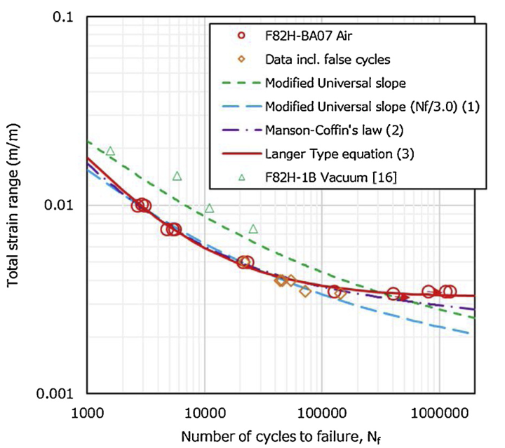
 |  |  |  |  |  |  |  |  |  | 5.6121316514 | -2.4521180366
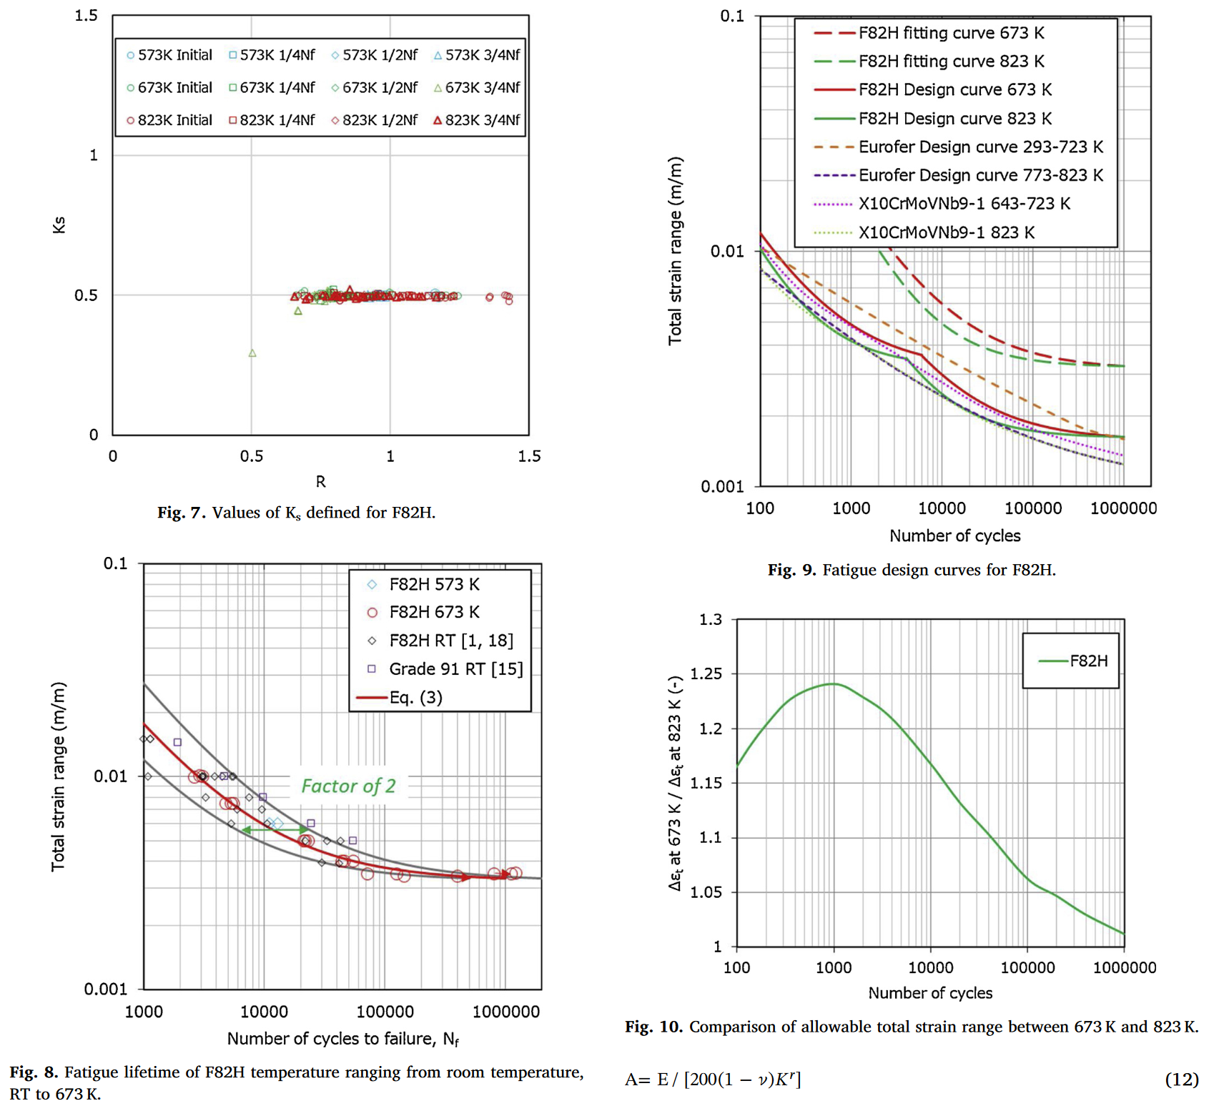
 |  |  |  |  |  |  |  |  |  | 5.9130815962 | -2.446243025
 |  |  |  |  |  |  |  |  |  | 6.0370385651 | -2.4405330418
 |  |  |  |  |  |  |  |  |  | 6.098924221 | -2.4460697451

Toughness
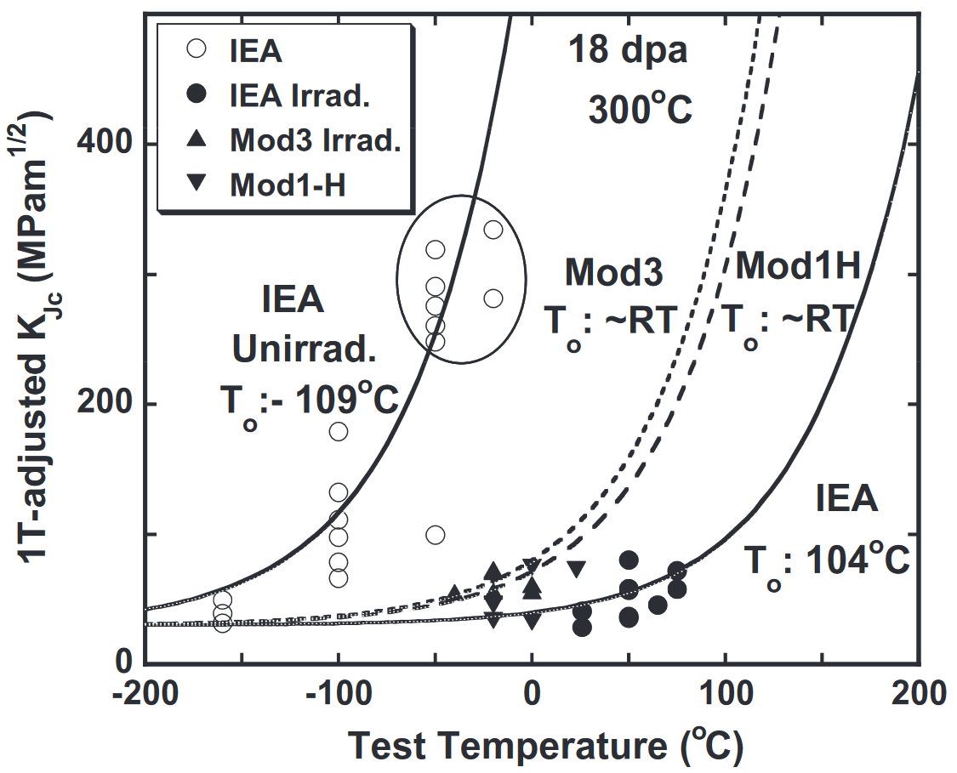
F82H
T_IEA (C) | IEA [MPa m^(1/2)]
-160.5456453 | 48.62756811
-160.1259182 | 38.01517777
-160.1259182 | 30.52454107
-100.1049318 | 65.38717998
-100.1049318 | 76.62313504
-100.1049318 | 97.22238597
-100.1049318 | 110.3310002
-100.1049318 | 130.9302511
-100.1049318 | 178.3709503
-49.73767051 | 97.7680051
-49.73767051 | 246.9565195
-50.15739769 | 260.0657887
-49.73767051 | 275.0464071
-50.15739769 | 290.0283355
-50.15739769 | 318.7424429
-19.93704092 | 279.9936596
-19.93704092 | 333.0523362
100 | 350

Hardness
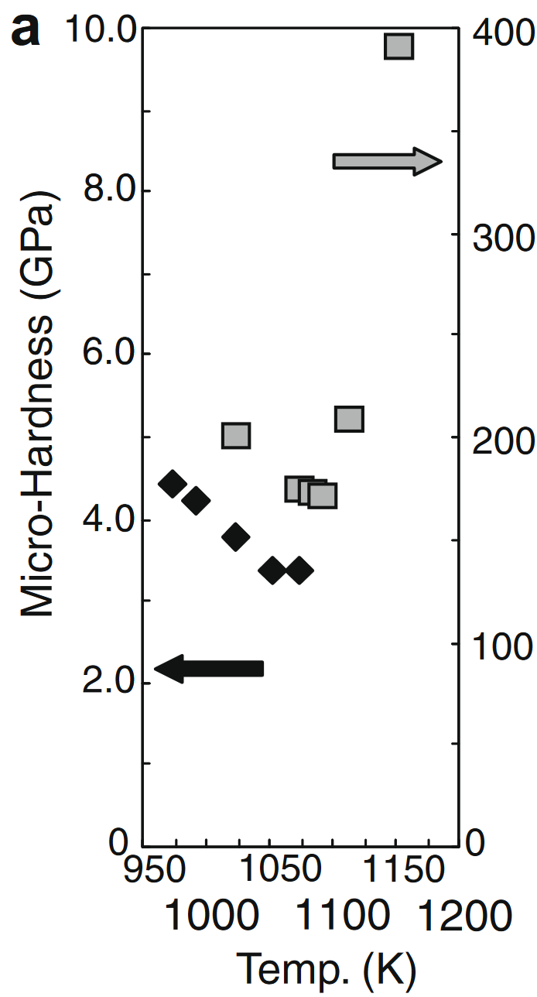
F82H
T_microindentation (K) | microindentation (GPa) | T_Vickers (K) | Vickers
971.67850454 | 4.4167497507 | 1022.6734525 | 200.59820538
991.07123075 | 4.2173479561 | 1073.1029135 | 174.67597208
1022.1079655 | 3.7686939182 | 1083.440763 | 173.47956132
1051.8494903 | 3.369890329 | 1090.5505705 | 171.08673978
1073.1679638 | 3.3599202393 | 1112.454497 | 208.17547358
 |  | 1151.565201 | 390.82751745

