Thermophysical prop.
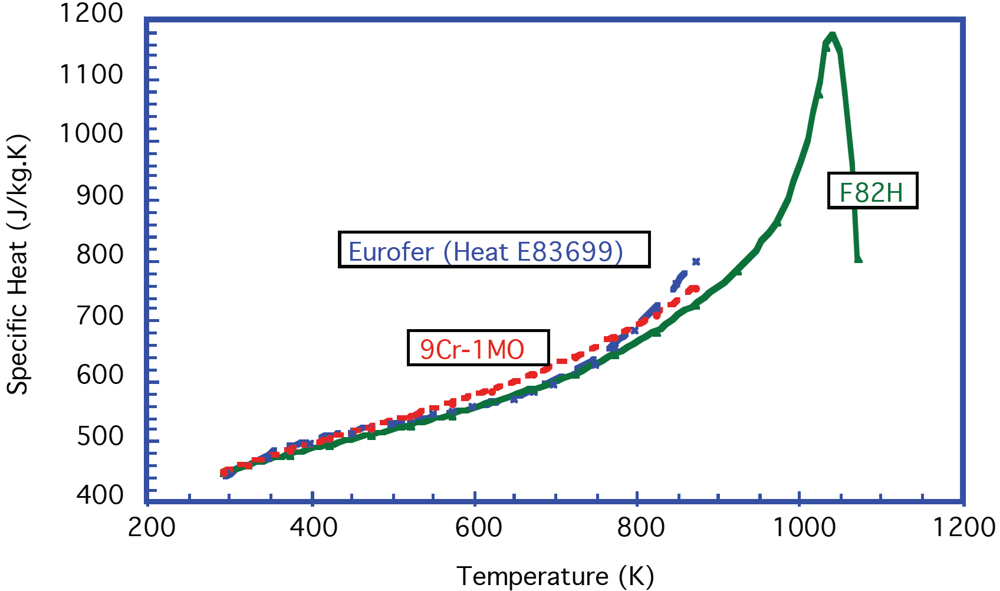
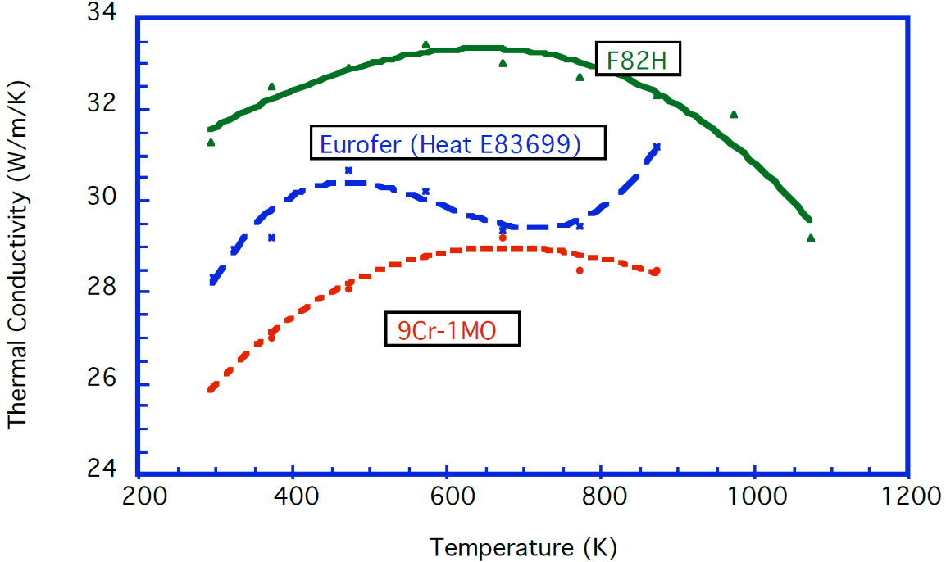
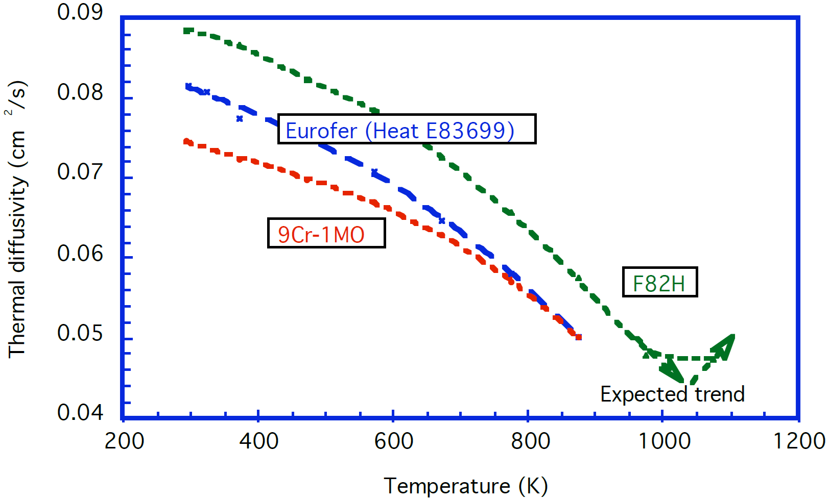
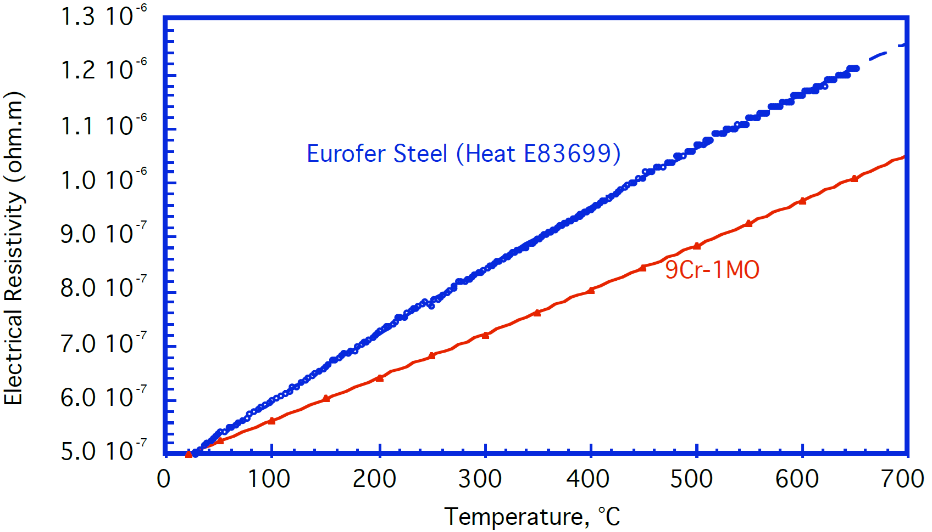
EUROFER97 as-received

Temp. [°C] | Density (ρ) [kg/m3] | Specific Heat (Cp) [J/kg.K] | Thermal Diffusivity (a) [10-6m2/s] | Thermal Conductivity (k) [W/m.K] | Electrical resistivity (Ω) [10E-6ohm.m]
20 | 7750 | 448 | 8.16 | 28.34 | 0.5
50 |  | 462 | 8.08 | 28.94 | 0.54
100 | 7728 | 486 | 7.75 | 29.2 | 0.6
150 |  | 505 |  |  | 0.67
200 | 7699 | 522 | 758 | 30.67 | 0.74
250 |  | 537 |  |  | 0.8
300 | 7666 | 551 | 7.07 | 30.2 | 0.87
350 |  | 566 |  |  | 0.93
400 | 7633 | 584 | 6.48 | 29.33 | 1
450 |  | 612 |  |  | 1.07
500 | 7596 | 655 | 5.8 | 29.45 | 1.13
550 |  | 721 |  |  | 1.2
600 | 7558 | 801 | 5.02 | 31.17 | 1.27
650 |  |  |  |  | 1.33

Tables 2.4.1, 2.5.1, 2.6.1 (copied from article, combined)
values of Diffusivity are calculated from k/ρCp

Equations:
Eq. 2.5.1 | Cp = -139.66 + 3.4777 T + 0.0063847 T^2 + 4.0984 x 10E-6 T^3
Eq. 2.5.2 | k = 5.4308 + 0.13565 T - 0.00023862 T^2+ 1.3393 x 10E-7 T^3
Eq. 2.5.3 | a = 0.089595 – 2.8394 x 10E-5 T + 1.1971 x 10E-8 T^2- 3.5875 x 10E-11 T^3
Eq. 2.6.1 | Ω = 4.6951 x 10E-7 + 1.3288 x 10E-9 θ - 2.8377 x 10E-13 θ^2

YS, UTS
EUROFER97 as-received, yield strength |  |  |  |  |  |  |  |  |  |  |  |  |  |  |  |  | EUROFER97 as-received, ultimate tensile strength
8 mm plate, longit. |  | 14 mm plate, longit. |  | 25 mm plate, longit. |  | Ø100 mm bar, longit. |  | 8 mm plate, transv. |  | 14 mm plate, transv. |  | 25 mm plate, transv. |  | Ø100 mm bar, rad. |  |  | 8 mm plate, longit. |  | 14 mm plate, longit. |  | 25 mm plate, longit. |  | Ø100 mm bar, longit. |  | 8 mm plate, transv. |  | 14 mm plate, transv. |  | 25 mm plate, transv. |  | Ø100 mm bar, rad.
T [°C] | Sy [MPa] | T [°C] | Sy [MPa] | T [°C] | Sy [MPa] | T [°C] | Sy [MPa] | T [°C] | Sy [MPa] | T [°C] | Sy [MPa] | T [°C] | Sy [MPa] | T [°C] | Sy [MPa] |  | T [°C] | Su [MPa] | T [°C] | Su [MPa] | T [°C] | Su [MPa] | T [°C] | Su [MPa] | T [°C] | Su [MPa] | T [°C] | Su [MPa] | T [°C] | Su [MPa] | T [°C] | Su [MPa]
21.3 | 525.5 | 27.1 | 525.5 | 21.3 | 552.8 | 24.2 | 569.2 | 27.9 | 537.0 | 27.9 | 532.6 | 27.9 | 557.3 | 27.9 | 543.4 |  | 21.0 | 659.8 | 21.5 | 663.3 | 22.0 | 679.3 | 24.9 | 627.7 |  |  | 350.3 | 514.3 | 27.3 | 658.7 | 27.3 | 674.0
27.1 | 537.5 | 27.1 | 532.5 | 21.3 | 550.9 | 27.1 | 547.1 | 300.4 | 463.1 | 26.0 | 529.5 | 300.4 | 453.6 | 300.4 | 473.8 |  | 199.9 | 581.1 | 24.9 | 650.7 | 22.0 | 672.5 | 199.9 | 593.0 |  |  | 449.9 | 472.6 | 27.3 | 667.5 | 600.3 | 319.0
27.1 | 549.0 | 21.3 | 537.5 | 27.1 | 557.8 | 25.1 | 514.1 | 300.4 | 456.2 | 28.9 | 559.8 | 300.4 | 487.7 | 601.7 | 304.5 |  | 400.1 | 507.4 | 350.3 | 516.2 | 27.3 | 652.6 | 199.9 | 589.9 |  |  | 500.2 | 404.6 | 300.0 | 541.4
27.1 | 528.7 | 24.2 | 547.1 | 200.0 | 483.1 | 200.0 | 495.1 |  |  | 301.3 | 466.3 |  |  |  |  |  | 550.5 | 429.4 | 400.6 | 498.2 | 27.3 | 648.8 | 300.0 | 520.0 |  |  | 550.5 | 369.4 | 300.0 | 551.7
200.0 | 470.4 | 24.2 | 572.4 | 200.0 | 503.3 | 300.5 | 453.9 |  |  | 301.3 | 469.4 |  |  |  |  |  |  |  | 450.4 | 466.1 | 199.9 | 565.8 | 400.1 | 513.9 |  |  | 600.3 | 268.5
200.0 | 491.9 | 200.0 | 488.8 | 300.5 | 466.6 | 300.5 | 471.0 |  |  | 350.4 | 463.1 |  |  |  |  |  |  |  | 500.2 | 417.6 | 199.9 | 574.6 | 400.1 | 487.5 |  |  | 650.1 | 229.2
300.5 | 481.2 | 299.5 | 453.9 | 300.5 | 486.9 | 300.5 | 479.9 |  |  | 450.5 | 430.2 |  |  |  |  |  |  |  | 500.2 | 395.8 | 300.0 | 534.9 | 500.2 | 445.1 |  |  | 699.9 | 152.0
300.5 | 462.8 | 300.5 | 468.5 | 400.0 | 446.9 | 401.0 | 453.9 |  |  | 501.6 | 381.0 |  |  |  |  |  |  |  | 550.5 | 367.1 | 300.0 | 554.8 | 500.2 | 423.7
300.5 | 450.1 | 350.7 | 455.8 | 400.0 | 464.7 | 500.5 | 384.8 |  |  | 550.7 | 355.1 |  |  |  |  |  |  |  | 600.3 | 322.8 | 400.1 | 506.2 | 500.2 | 404.2
401.0 | 450.1 | 401.0 | 439.3 | 500.5 | 397.5 | 500.5 | 404.5 |  |  | 600.7 | 260.3 |  |  |  |  |  |  |  | 600.3 | 314.0 | 400.1 | 497.4 | 600.3 | 291.5
401.0 | 432.4 | 401.0 | 432.4 | 500.5 | 424.8 | 500.5 | 432.4 |  |  | 650.8 | 216.7 |  |  |  |  |  |  |  | 600.3 | 290.3 | 500.2 | 434.0 | 600.3 | 282.7
500.5 | 410.2 | 401.0 | 440.0 | 550.7 | 359.5 | 601.0 | 277.8 |  |  | 701.8 | 128.8 |  |  |  |  |  |  |  | 600.3 | 275.0 | 500.2 | 431.3 | 699.9 | 162.3
550.7 | 379.1 | 450.2 | 428.6 | 550.7 | 366.5 | 601.0 | 284.1 |  |  |  |  |  |  |  |  |  |  |  | 650.6 | 233.4 | 550.5 | 405.0
 |  | 500.5 | 372.2 | 601.0 | 307.5 | 601.0 | 309.4 |  |  |  |  |  |  |  |  |  |  |  | 700.4 | 171.9 | 550.5 | 398.5
 |  | 500.5 | 392.5 |  |  | 701.4 | 134.6
 |  | 500.5 | 390.6
 |  | 550.7 | 358.9
 |  | 550.7 | 350.0
 |  | 600.0 | 264.5
 |  | 600.0 | 277.1
 |  | 600.0 | 298.7
 |  | 600.0 | 304.4
 |  | 651.2 | 218.8
 |  | 700.5 | 152.9

Equations:
Eq. 3.1.1 | Sy (av) = 559.18 - 0.7267 θ + 2. 3737*10E-3 θ^2 - 3.1452 x10E-6 θ^3
Eq. 3.1.2 | Sy (min) = 0.945*(559.18 - 0.7267 θ + 2. 3737*10E-3 θ^2 - 3.1452 x10E-6 θ^3)
Eq. 3.2.1 | Su (av) = 682.3 - 0.7577 θ + 1.7568 x10E-3 θ^2 - 2.5197 x10E-6 θ^3
Eq. 3.2.2 | Su (min) = 0.928*(682.3 - 0.7577 θ + 1.7568 x10E-3 θ^2 - 2.5197 x10E-6 θ^3)

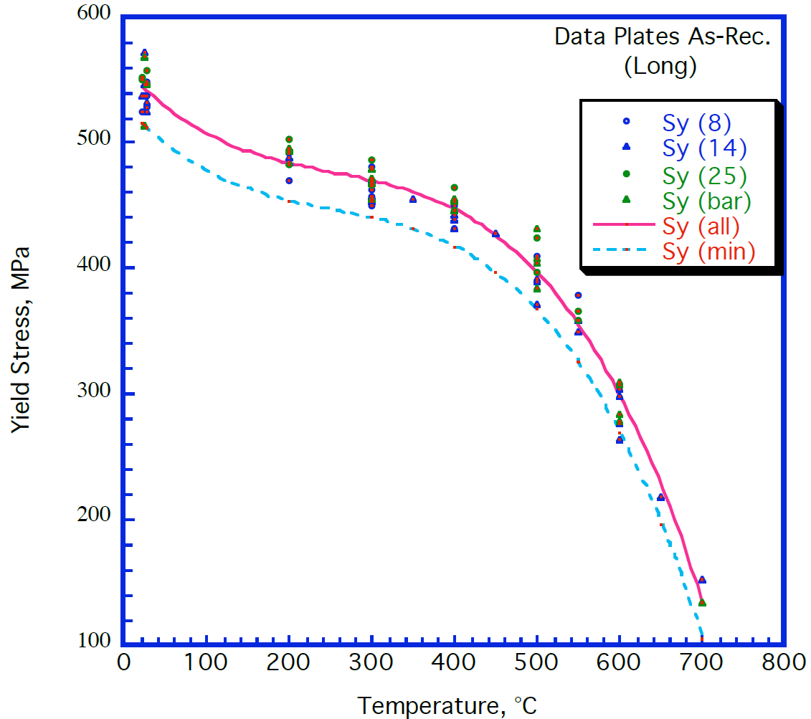
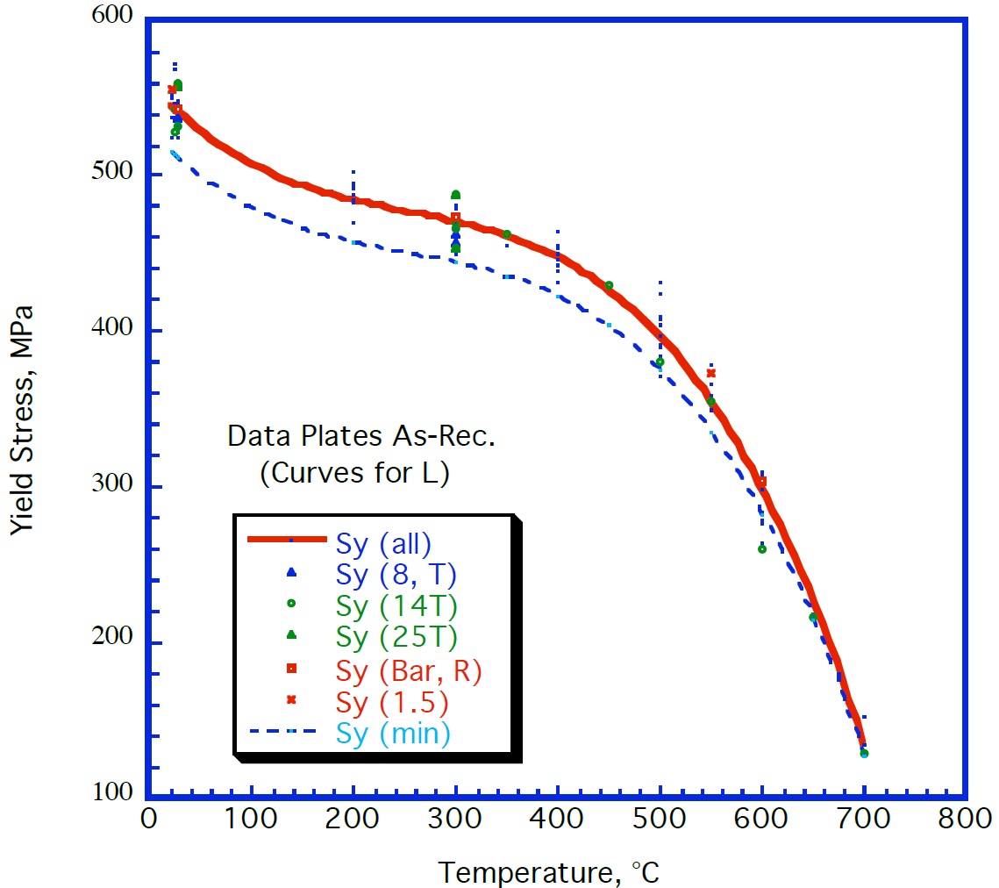
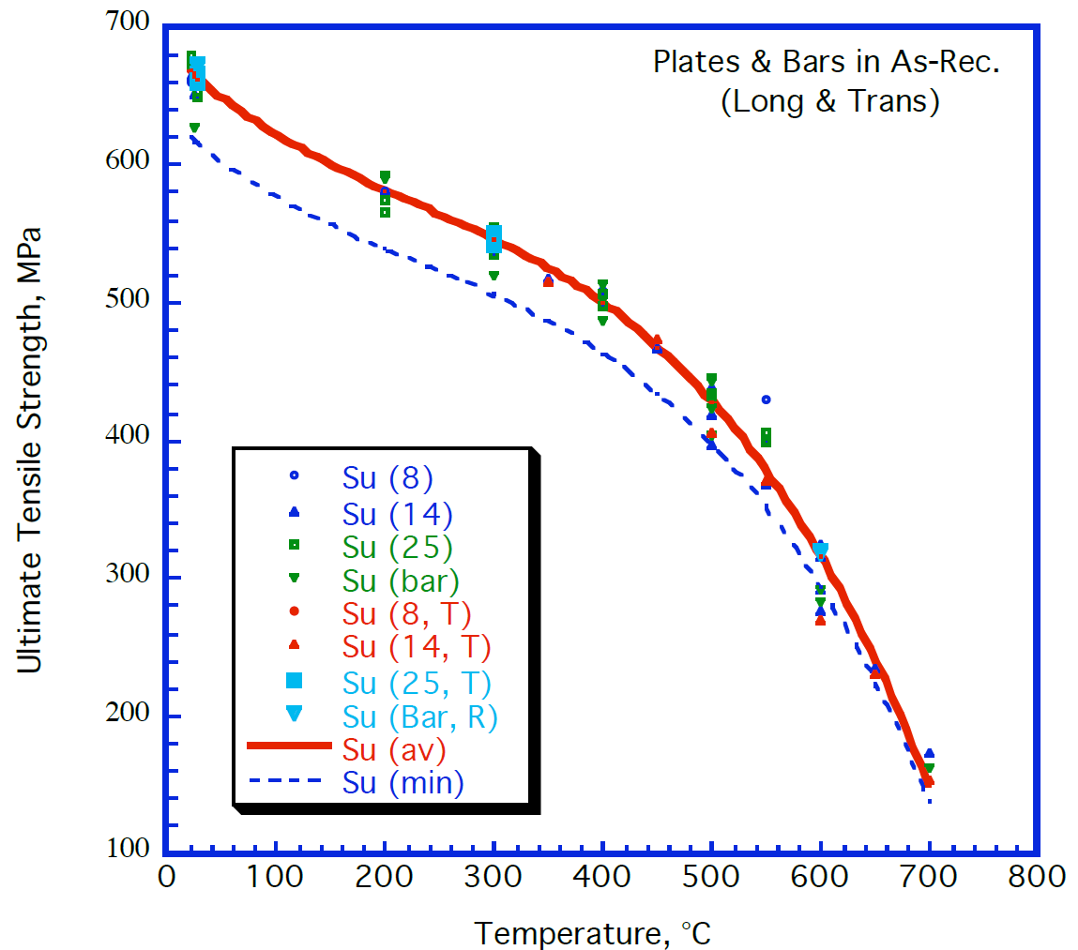
"The mean Sy value at RT (20-27 °C) is 542.42 MPa, with a standard deviation of 14.972 MPa. This information is used to derive the minimum curve, i.e. applying a reduction coefficient of (Sy av – 1.96 x SD) / Sy av = 0.945 to higher temperature results."
"The above equations are valid in the range of 20°C < θ < 700°C."
 |  |  |  |  |  |  |  |  |  |  |  |  |  |  |  | Table 3.1.1 (copied from article)
 |  |  |  |  |  |  |  |  |  |  |  |  |  |  |  | Yield strength, av and min values, plate and bar
 |  |  |  |  |  |  |  |  |  |  |  |  |  |  |  | T [°C] | Sy (av) [MPa] | Sy (min) [MPa]
 |  |  |  |  |  |  |  |  |  |  |  |  |  |  |  | 20 | 546 | 516
 |  |  |  |  |  |  |  |  |  |  |  |  |  |  |  | 100 | 507 | 480
 |  |  |  |  |  |  |  |  |  |  |  |  |  |  |  | 200 | 484 | 457
 |  |  |  |  |  |  |  |  |  |  |  |  |  |  |  | 250 | 477 | 451
 |  |  |  |  |  |  |  |  |  |  |  |  |  |  |  | 300 | 470 | 444
 |  |  |  |  |  |  |  |  |  |  |  |  |  |  |  | 350 | 461 | 436
 |  |  |  |  |  |  |  |  |  |  |  |  |  |  |  | 400 | 447 | 423
 |  |  |  |  |  |  |  |  |  |  |  |  |  |  |  | 450 | 426 | 403
 |  |  |  |  |  |  |  |  |  |  |  |  |  |  |  | 500 | 396 | 375
 |  |  |  |  |  |  |  |  |  |  |  |  |  |  |  | 550 | 354 | 335
 |  |  |  |  |  |  |  |  |  |  |  |  |  |  |  | 600 | 298 | 282
 |  |  |  |  |  |  |  |  |  |  |  |  |  |  |  | 650 | 226 | 214
 |  |  |  |  |  |  |  |  |  |  |  |  |  |  |  | 700 | 135 | 128

 |  |  |  |  |  |  |  |  |  |  |  |  |  |  |  | Table 3.2.1 (copied from article)
 |  |  |  |  |  |  |  |  |  |  |  |  |  |  |  | Tensile strength, av and min values, plate and bar
 |  |  |  |  |  |  |  |  |  |  |  |  |  |  |  | T [°C] | Su (av) [MPa] | Su (min) [MPa]
 |  |  |  |  |  |  |  |  |  |  |  |  |  |  |  | 20 | 668 | 620
 |  |  |  |  |  |  |  |  |  |  |  |  |  |  |  | 100 | 622 | 577
 |  |  |  |  |  |  |  |  |  |  |  |  |  |  |  | 200 | 581 | 539
 |  |  |  |  |  |  |  |  |  |  |  |  |  |  |  | 250 | 563 | 523
 |  |  |  |  |  |  |  |  |  |  |  |  |  |  |  | 300 | 545 | 506
 |  |  |  |  |  |  |  |  |  |  |  |  |  |  |  | 350 | 524 | 487
 |  |  |  |  |  |  |  |  |  |  |  |  |  |  |  | 400 | 499 | 463
 |  |  |  |  |  |  |  |  |  |  |  |  |  |  |  | 450 | 467 | 434
 |  |  |  |  |  |  |  |  |  |  |  |  |  |  |  | 500 | 428 | 397
 |  |  |  |  |  |  |  |  |  |  |  |  |  |  |  | 550 | 378 | 351
 |  |  |  |  |  |  |  |  |  |  |  |  |  |  |  | 600 | 316 | 293
 |  |  |  |  |  |  |  |  |  |  |  |  |  |  |  | 650 | 240 | 223
 |  |  |  |  |  |  |  |  |  |  |  |  |  |  |  | 700 | 148 | 138

UE, TE
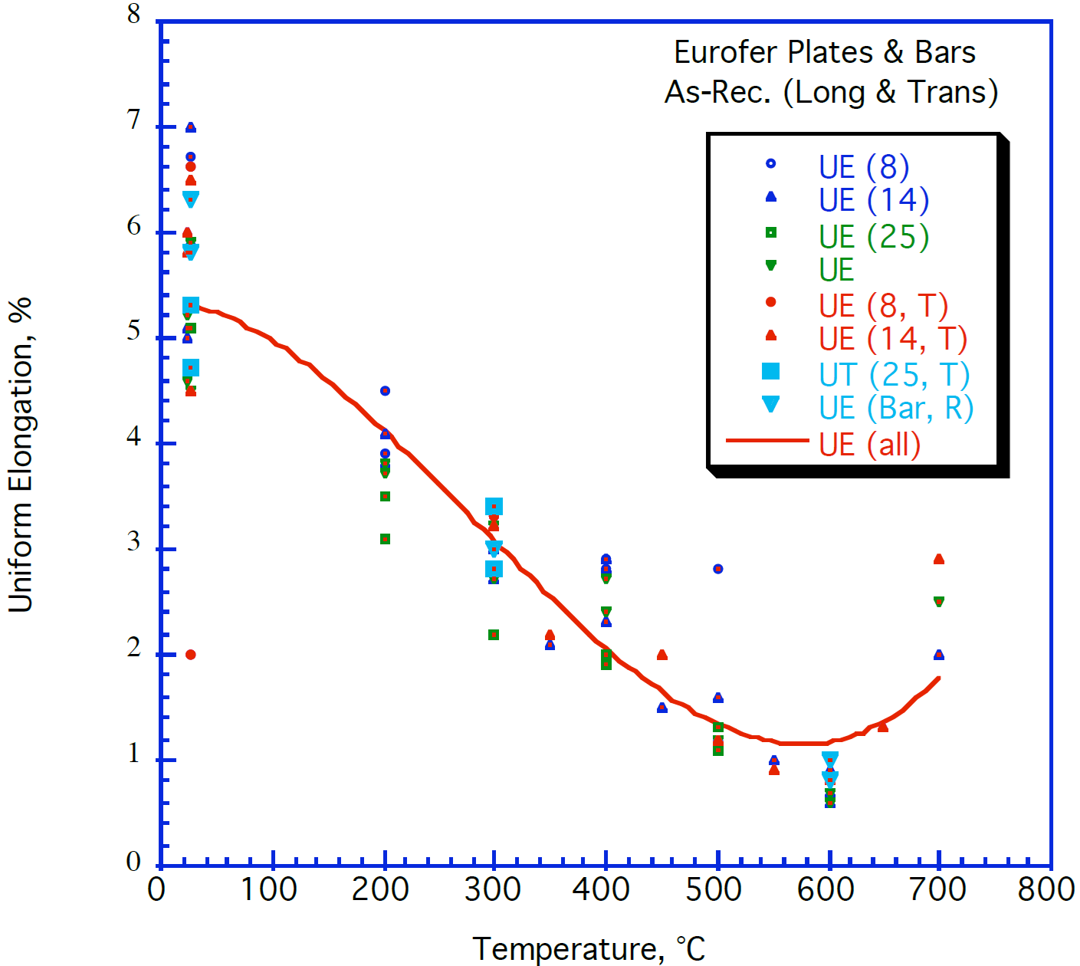
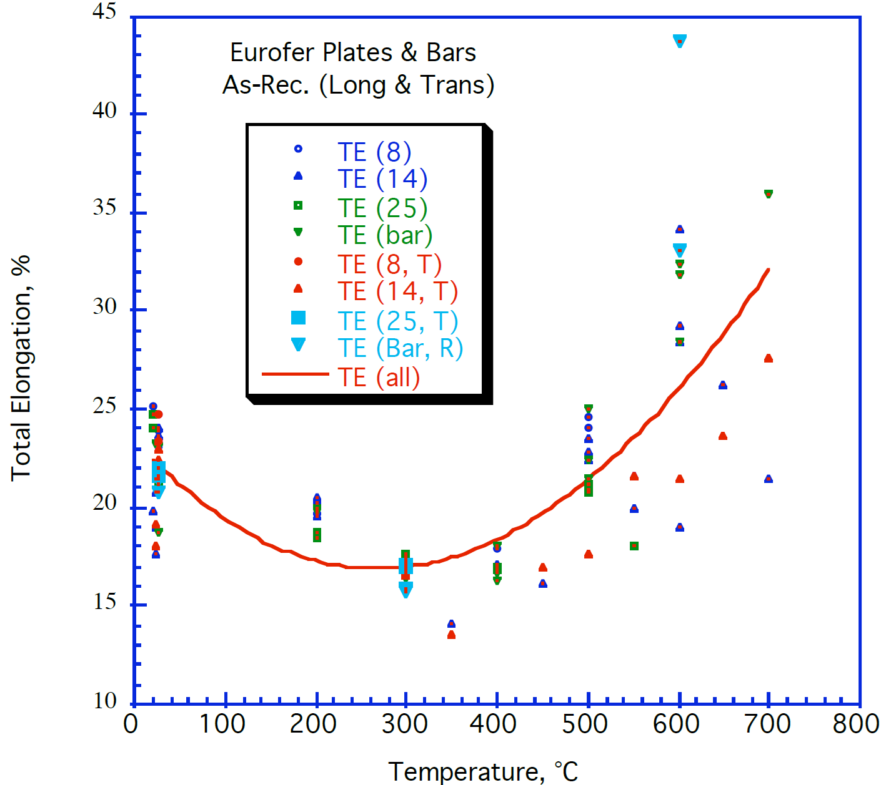
EUROFER97, as-received, uniform elongation |  |  |  |  |  |  |  |  |  |  |  |  |  |  |  | EUROFER97, as-received, total elongation
8 mm plate, long |  | 14 mm plate, long |  | 25 mm plate, long |  | Ø100 mm bar, long |  | 8 mm plate, trans |  | 14 mm plate, trans |  | 25 mm plate, trans |  | Ø100 mm bar, rad |  | 8 mm plate, long |  | 14 mm plate, long |  | 25 mm plate, long |  | Ø100 mm bar, long |  | 8 mm plate, trans |  | 14 mm plate, trans |  | 25 mm plate, trans |  | Ø100 mm bar, rad
T [°C] | UE [%] | T [°C] | UE [%] | T [°C] | UE [%] | T [°C] | UE [%] | T [°C] | UE [%] | T [°C] | UE [%] | T [°C] | UE [%] | T [°C] | UE [%] | T [°C] | TE [%] | T [°C] | TE [%] | T [°C] | TE [%] | T [°C] | TE [%] | T [°C] | TE [%] | T [°C] | TE [%] | T [°C] | TE [%] | T [°C] | TE [%]
25.9 | 6.7 | 25.9 | 7.0 | 25.9 | 5.1 | 23.1 | 4.6 | 25.9 | 2.0 | 25.9 | 4.5 | 25.9 | 5.3 | 25.9 | 5.8 | 20.8 | 25.1 | 20.1 | 19.8 | 20.1 | 24.7 | 23.0 | 23.3 | 25.9 | 23.3 | 23.7 | 17.9 | 26.6 | 22.0 | 25.9 | 20.8
25.9 | 5.9 | 23.1 | 5.1 | 200.4 | 3.1 | 23.1 | 5.2 | 25.9 | 6.6 | 23.8 | 5.8 | 25.9 | 4.7 | 25.9 | 6.3 | 200.5 | 19.6 | 23.7 | 17.6 | 20.1 | 24.0 | 25.9 | 18.7 | 26.6 | 24.7 | 23.7 | 19.1 | 26.6 | 21.6 | 299.0 | 15.9
200.4 | 4.5 | 23.1 | 5.0 | 200.4 | 3.5 | 25.9 | 5.9 | 299.1 | 3.3 | 23.8 | 6.0 | 299.1 | 3.4 | 299.1 | 3.0 | 399.6 | 17.9 | 23.7 | 18.9 | 25.9 | 21.2 | 201.3 | 19.8 |  |  | 26.6 | 22.4 | 299.0 | 17.0 | 600.2 | 33.1
200.4 | 3.9 | 200.4 | 4.1 | 298.4 | 2.2 | 25.9 | 4.5 |  |  | 25.9 | 6.5 | 299.1 | 2.8 | 601.1 | 0.8 | 500.3 | 24.0 | 23.7 | 20.7 | 200.5 | 18.4 | 399.6 | 16.2 |  |  | 26.6 | 22.9 | 299.0 | 16.9 | 600.2 | 43.7
399.3 | 2.9 | 200.4 | 3.8 | 400.0 | 1.9 | 200.4 | 3.7 |  |  | 299.1 | 3.2 |  |  | 601.1 | 1.0 | 500.3 | 24.5 | 25.9 | 23.6 | 200.5 | 18.7 | 399.6 | 18.0 |  |  | 299.0 | 16.5
399.3 | 2.8 | 299.1 | 2.7 | 400.0 | 2.0 | 200.4 | 3.8 |  |  | 349.5 | 2.2 |  |  |  |  |  |  | 25.9 | 24.0 | 298.3 | 17.6 | 500.3 | 21.4 |  |  | 349.3 | 13.5
500.2 | 2.8 | 299.1 | 3.0 | 500.2 | 1.1 | 299.1 | 2.7 |  |  | 450.5 | 2.0 |  |  |  |  |  |  | 201.3 | 19.5 | 399.6 | 16.7 | 500.3 | 22.4 |  |  | 450.0 | 16.9
 |  | 349.5 | 2.1 | 500.2 | 1.3 | 299.1 | 3.2 |  |  | 500.2 | 1.2 |  |  |  |  |  |  | 201.3 | 20.3 | 399.6 | 16.9 | 500.3 | 25.0 |  |  | 500.3 | 17.5
 |  | 400.7 | 2.3 |  |  | 400.0 | 2.4 |  |  | 550.6 | 0.9 |  |  |  |  |  |  | 201.3 | 20.5 | 500.3 | 20.7 | 600.9 | 28.4 |  |  | 550.6 | 21.5
 |  | 400.0 | 2.9 |  |  | 400.0 | 2.7 |  |  | 601.1 | 0.8 |  |  |  |  |  |  | 349.3 | 14.0 | 500.3 | 21.1 | 600.9 | 31.8 |  |  | 600.9 | 21.4
 |  | 449.7 | 1.5 |  |  | 500.2 | 1.2 |  |  | 648.6 | 1.3 |  |  |  |  |  |  | 399.6 | 17.0 | 550.6 | 18.0 | 600.9 | 32.4 |  |  | 648.3 | 23.6
 |  | 500.2 | 1.6 |  |  | 600.4 | 0.6 |  |  | 699.1 | 2.9 |  |  |  |  |  |  | 450.0 | 16.0 |  |  | 698.7 | 35.9 |  |  | 698.7 | 27.5
 |  | 549.9 | 1.0 |  |  | 600.4 | 0.7 |  |  |  |  |  |  |  |  |  |  | 500.3 | 22.4
 |  | 600.4 | 0.6 |  |  | 699.8 | 2.5 |  |  |  |  |  |  |  |  |  |  | 500.3 | 22.8
 |  | 600.4 | 0.7 |  |  |  |  |  |  |  |  |  |  |  |  |  |  | 500.3 | 23.5
 |  | 600.4 | 0.9 |  |  |  |  |  |  |  |  |  |  |  |  |  |  | 550.6 | 19.9
 |  | 699.8 | 2.0 |  |  |  |  |  |  |  |  |  |  |  |  |  |  | 600.9 | 18.9
 |  |  |  |  |  |  |  |  |  |  |  |  |  |  |  |  |  | 600.2 | 28.4
 |  |  |  |  |  |  |  |  |  |  |  |  |  |  |  |  |  | 600.2 | 29.2
 |  |  |  |  |  |  |  |  |  |  |  |  |  |  |  |  |  | 600.2 | 34.1
 |  |  |  |  |  |  |  |  |  |  |  |  |  |  |  |  |  | 648.3 | 26.2
 |  |  |  |  |  |  |  |  |  |  |  |  |  |  |  |  |  | 698.7 | 21.4

RA
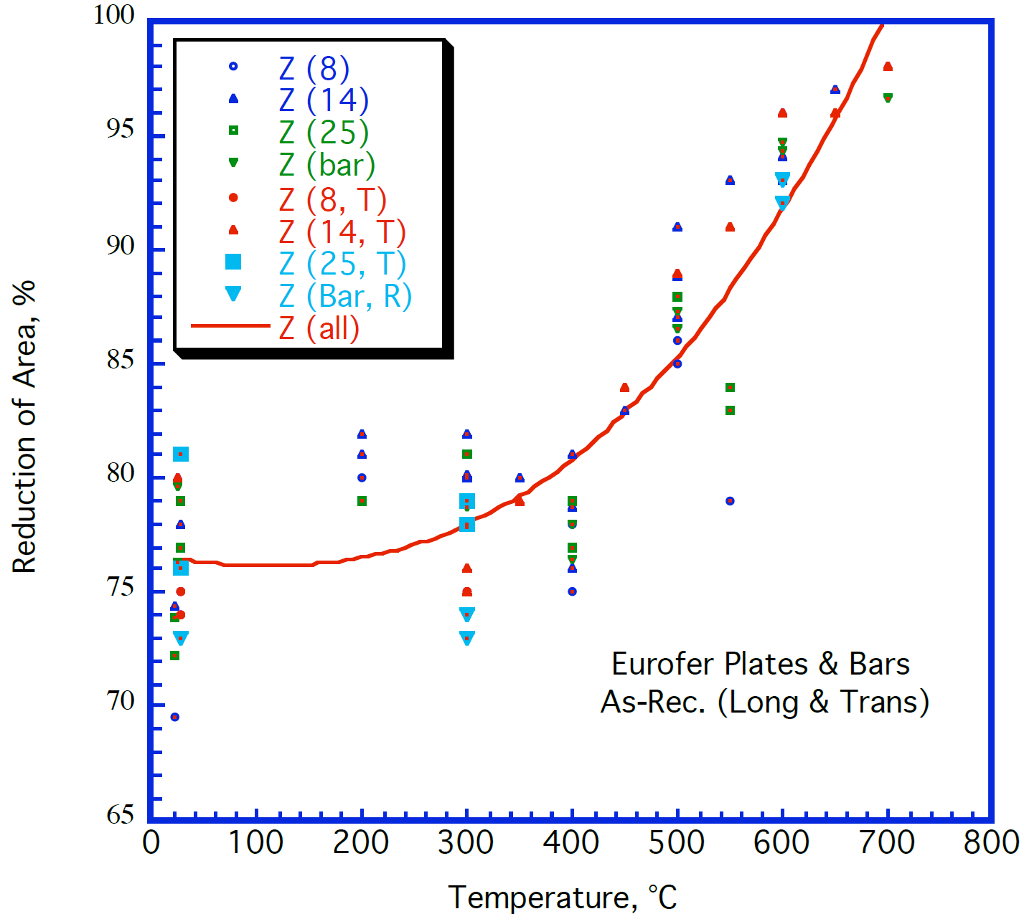
EUROFER97, as-received, reduction of area
8 mm plate, long |  | 14 mm plate, long |  | 25 mm plate, long |  | Ø100 mm bar, long |  | 8 mm plate, trans |  | 14 mm plate, trans |  | 25 mm plate, trans |  | Ø100 mm bar, rad
T [°C] | RA [%] | T [°C] | RA [%] | T [°C] | RA [%] | T [°C] | RA [%] | T [°C] | RA [%] | T [°C] | RA [%] | T [°C] | RA [%] | T [°C] | RA [%]
22.4 | 69.5 | 22.4 | 74.4 | 22.4 | 72.2 | 24.5 | 79.7 | 28.2 | 74.0 | 25.3 | 80.0 | 27.4 | 76.1 | 27.4 | 73.0
200.0 | 80.0 | 27.4 | 78.0 | 22.4 | 73.9 | 299.6 | 78.8 | 28.2 | 75.0 | 300.4 | 75.0 | 27.4 | 81.1 | 300.4 | 73.1
400.0 | 75.0 | 200.0 | 81.0 | 24.5 | 76.3 | 400.0 | 76.4 | 300.4 | 75.0 | 300.4 | 76.0 | 300.4 | 78.0 | 300.4 | 74.1
500.4 | 85.0 | 200.0 | 81.9 | 27.4 | 77.0 | 400.0 | 78.0 |  |  | 350.2 | 79.0 | 300.4 | 79.0 | 600.0 | 92.1
500.4 | 86.0 | 300.4 | 80.0 | 27.4 | 79.0 | 500.4 | 86.5 |  |  | 449.8 | 84.0 |  |  | 600.0 | 93.1
550.2 | 79.0 | 300.4 | 80.1 | 200.0 | 79.0 | 500.4 | 87.3 |  |  | 500.4 | 88.9
 |  | 300.4 | 81.9 | 300.4 | 81.1 | 600.0 | 94.4 |  |  | 550.2 | 91.0
 |  | 350.2 | 80.0 | 400.0 | 77.0 | 600.0 | 94.7 |  |  | 600.0 | 96.0
 |  | 400.0 | 76.1 | 400.0 | 79.0 | 700.4 | 96.7 |  |  | 650.5 | 96.0
 |  | 400.0 | 78.7 | 500.4 | 87.9 |  |  |  |  | 700.4 | 98.1
 |  | 400.0 | 81.1 | 550.2 | 83.0
 |  | 449.8 | 83.0 | 550.2 | 84.0
 |  | 500.4 | 87.0
 |  | 500.4 | 88.9
 |  | 500.4 | 91.0
 |  | 550.2 | 93.1
 |  | 600.0 | 93.0
 |  | 600.0 | 94.1
 |  | 650.5 | 97.1

