Diffusivity
EUROFER97-Mergia

Temp (K) | Thermal Diffusivity Coef. (cm2/s)
295.59585492 | 0.081640711902
322.79792746 | 0.080789766407
373.31606218 | 0.077536151279
472.79792746 | 0.075784204672
573.05699482 | 0.070728587319
673.31606218 | 0.064822024472
772.79792746 | 0.058014460512
873.05699482 | 0.050255839822

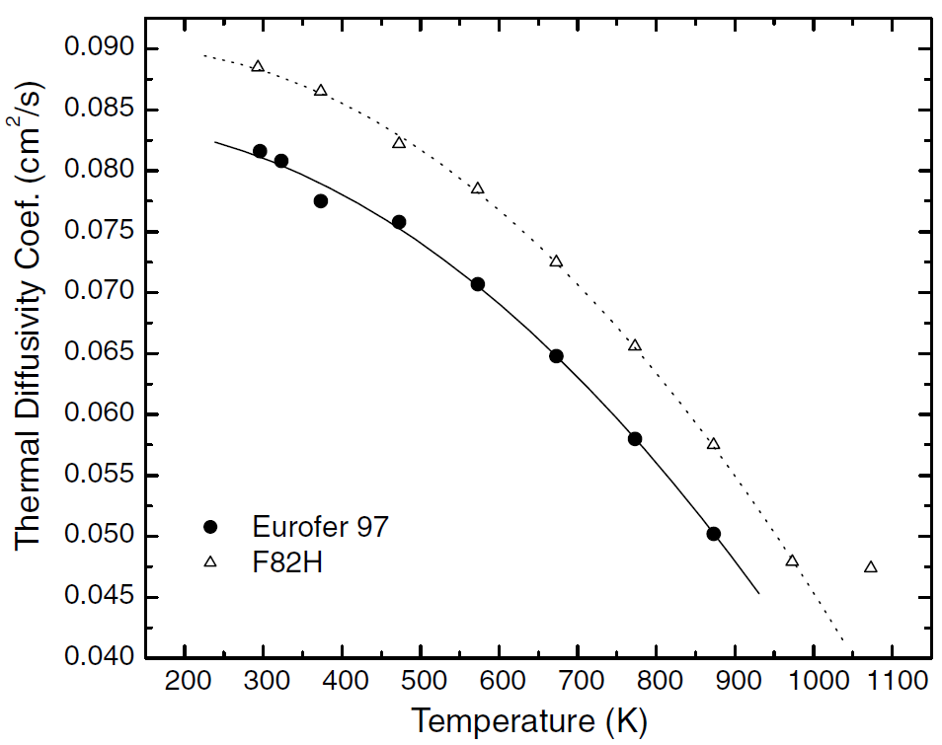

Reference: Figure 3 Mergia, K., and N. Boukos. "Structural, thermal, electrical and magnetic properties of Eurofer 97 steel." Journal of Nuclear Materials 373.1-3 (2008): 1-8.

Mergia&Boukos

Specific Heat
EUROFER97-Mergia |  | EUROFER 97

Temp (K) | Specific Heat (J/kg-K) | Temp(K) | SpecificHeat (J/kg-K)
296.1038961 | 448.39537869 | 293.54795 | 454.68159
322.72727273 | 461.48908858 | 326.42466 | 467.34914
348.05194805 | 475.35301669 | 373 | 488.52065
373.37662338 | 485.36585366 | 425.05479 | 509.65287
398.05194805 | 496.14890886 | 474.36986 | 522.20258
423.37662338 | 504.62130937 | 523.68493 | 543.35445
447.4025974 | 513.86392811 | 573 | 551.60308
472.72727273 | 521.5661104 | 622.31507 | 572.75495
498.05194805 | 530.03851091 | 671.63014 | 585.30466
522.72727273 | 536.97047497 | 723.68493 | 610.73796
548.05194805 | 544.67265725 | 773 | 653.3952
572.72727273 | 550.83440308 | 822.31507 | 721.85889
598.05194805 | 556.99614891 | 871.63014 | 803.22581
622.72727273 | 565.46854942 | 920.94521 | 901.79702
648.05194805 | 573.17073171 | 973 | 1026.15505
673.37662338 | 583.95378691
698.05194805 | 597.04749679
722.72727273 | 611.68164313
747.4025974 | 628.62644416
773.37662338 | 655.58408216
797.4025974 | 687.16302953
822.72727273 | 721.05263158
847.4025974 | 764.18485237
872.72727273 | 801.15532734

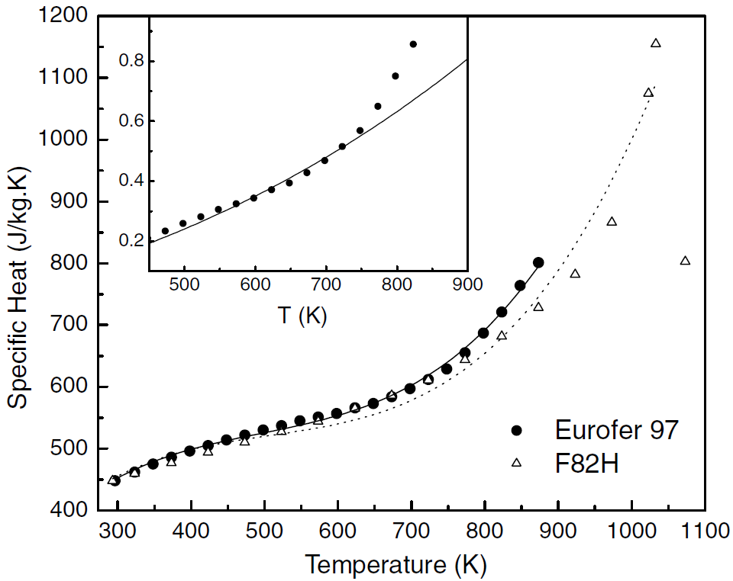
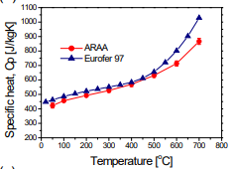

Reference: Figure 4 Mergia, K., and N. Boukos. "Structural, thermal, electrical and magnetic properties of Eurofer 97 steel." Journal of Nuclear Materials 373.1-3 (2008): 1-8. |  | Fig. 1.Chun, Y. B., D. W. Lee, and C. K. Rhee. "Physical, thermal, magnetic and mechanical properties of ARAA." Transactions of the Korean Nuclear Society Spring Meeting, Gyeongju, Korea. 2015.

Mergia&Boukos
 |  |  |  | Temp (C)
 |  |  |  | 20.54795
 |  |  |  | 53.42466
 |  |  |  | 100
 |  |  |  | 152.05479
 |  |  |  | 201.36986
 |  |  |  | 250.68493
 |  |  |  | 300
 |  |  |  | 349.31507
 |  |  |  | 398.63014
 |  |  |  | 450.68493
 |  |  |  | 500
 |  |  |  | 549.31507
 |  |  |  | 598.63014
 |  |  |  | 647.94521
 |  |  |  | 700

Conductivity
EUROFER97-Mergia |  | EUROFER97

Temp (K) | Thermal Conductivity, k (W/m-K) | Temp (K) | ThermalConductivity (W/mK)
295.83333333 | 28.330097087 | 293.54795 | 28.15894
322.61904762 | 28.932038835 | 323.68493 | 28.88742
372.61904762 | 29.194174757 | 375.73973 | 29.74834
473.21428571 | 30.669902913 | 425.05479 | 30.27815
572.61904762 | 30.194174757 | 474.36986 | 30.34437
672.61904762 | 29.330097087 | 526.42466 | 30.21192
772.61904762 | 29.446601942 | 573 | 29.94702
872.61904762 | 31.174757282 | 625.05479 | 29.68212
 |  | 674.36986 | 29.48344
 |  | 723.68493 | 29.35099
 |  | 775.73973 | 29.61589
 |  | 825.05479 | 30.07947
 |  | 874.36986 | 31.13907

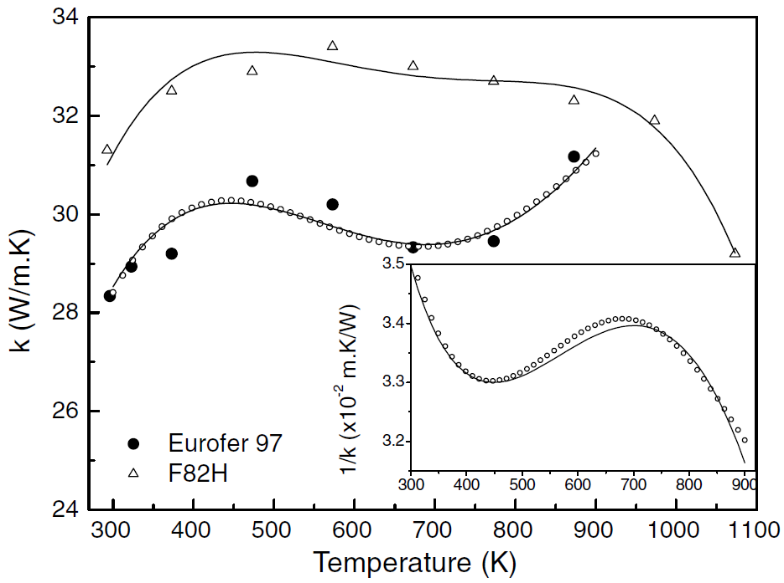
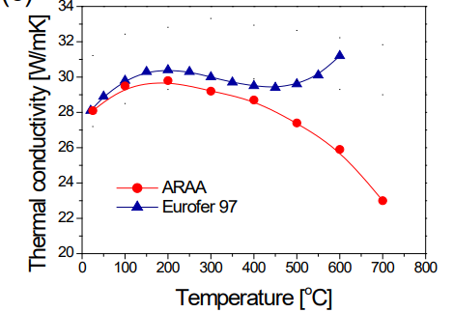

Reference: Figure 5 Mergia, K., and N. Boukos. "Structural, thermal, electrical and magnetic properties of Eurofer 97 steel." Journal of Nuclear Materials 373.1-3 (2008): 1-8. |  | Fig. 1 Chun, Y. B., D. W. Lee, and C. K. Rhee. "Physical, thermal, magnetic and mechanical properties of ARAA." Transactions of the Korean Nuclear Society Spring Meeting, Gyeongju, Korea. 2015.

Mergia&Boukos
 |  | Temp ( C )
 |  | 20.54795
 |  | 50.68493
 |  | 102.73973
 |  | 152.05479
 |  | 201.36986
 |  | 253.42466
 |  | 300
 |  | 352.05479
 |  | 401.36986
 |  | 450.68493
 |  | 502.73973
 |  | 552.05479
 |  | 601.36986

Resistivity
EUROFER97-Mergia

Temp (K) | Electrical Resistivity (x10-8 ohm-m)
303.31797235 | 51.077844311
327.64976959 | 54.550898204
344.23963134 | 56.467065868
365.80645161 | 59.101796407
396.22119816 | 62.814371257
423.31797235 | 66.407185629
450.41474654 | 69.281437126
467.00460829 | 71.437125749
497.41935484 | 75.508982036
523.41013825 | 77.425149701
545.52995392 | 81.137724551
577.05069124 | 84.730538922
601.93548387 | 87.245508982
657.78801843 | 93.473053892
682.11981567 | 96.22754491
708.11059908 | 99.580838323
734.65437788 | 102.5748503
763.41013825 | 105.80838323
783.87096774 | 107.96407186
817.05069124 | 111.19760479
850.23041475 | 114.19161677
883.96313364 | 117.4251497
924.88479263 | 121.37724551

*Important comment about data digitzed for EUROFER97: A subset of the data points were chosen along the least squares fit line. Difficult to discretize all points due to overlap.

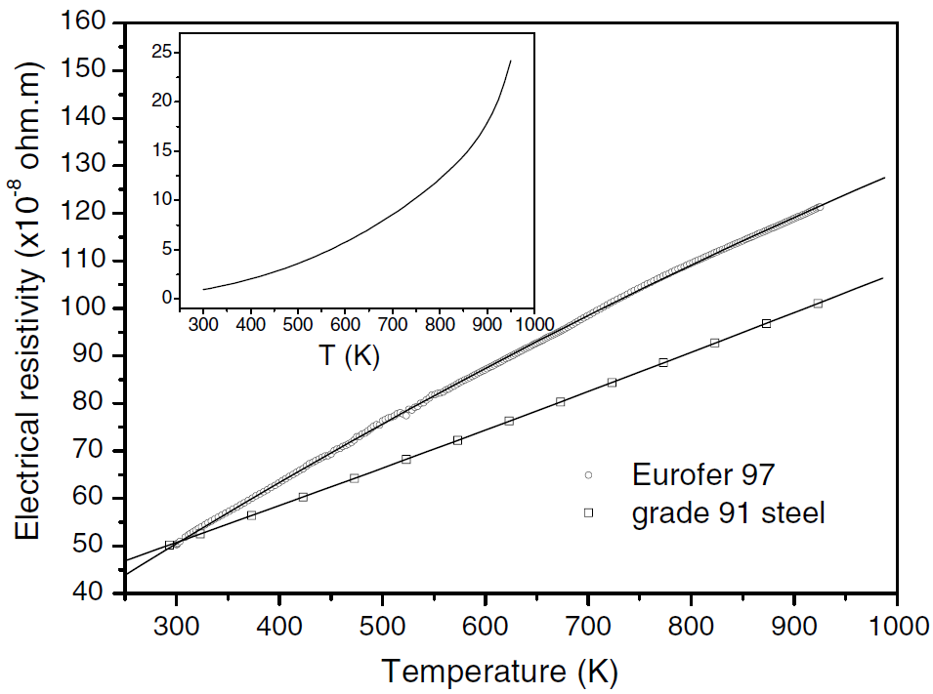

Reference: Figure 6 Mergia, K., and N. Boukos. "Structural, thermal, electrical and magnetic properties of Eurofer 97 steel." Journal of Nuclear Materials 373.1-3 (2008): 1-8.

Mergia&Boukos

CTE
EUROFER97

Temp (°C) | Coefficient of Thermal Expansion
100 | 10.6898734
200 | 11.0443038
300 | 11.3860759
400 | 11.6962025
500 | 11.9873418
600 | 12.2468354
700 | 12.4873418

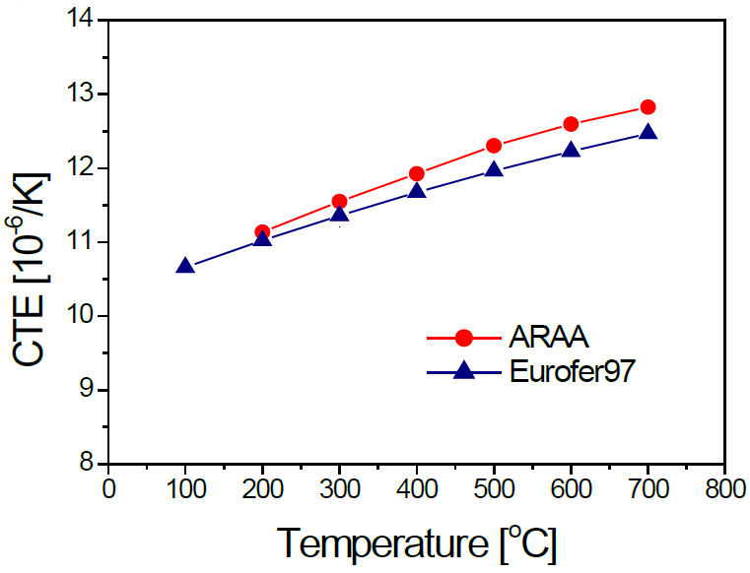

Reference: Fig 1a of Chun, Y. B., D. W. Lee, and C. K. Rhee. "Physical, thermal, magnetic and mechanical properties of ARAA." Transactions of the Korean Nuclear Society Spring Meeting, Gyeongju, Korea. 2015.
Chun ARAA vs Eurofer

Emissivity
EUROFER97 - As-rolled |  | EUROFER97 - Polished |  | EUROFER97 - polished

Temp (K) | Hemispherical Emissivity | Temp (K) | Hemispherical Emissivity | Temp (K) | Normal Emissivity
473.100872 | 0.180080 | 430.136986 | 0.116901 | 423 | 0.0835354
573.225405 | 0.214688 | 524.283935 | 0.128974 | 523 | 0.1009091
672.976339 | 0.245272 | 624.034869 | 0.142656 | 623 | 0.1203030
772.727273 | 0.273843 | 724.906600 | 0.156338 | 723 | 0.1407071
872.851806 | 0.302012 | 820.921544 | 0.176459 | 823 | 0.1629293

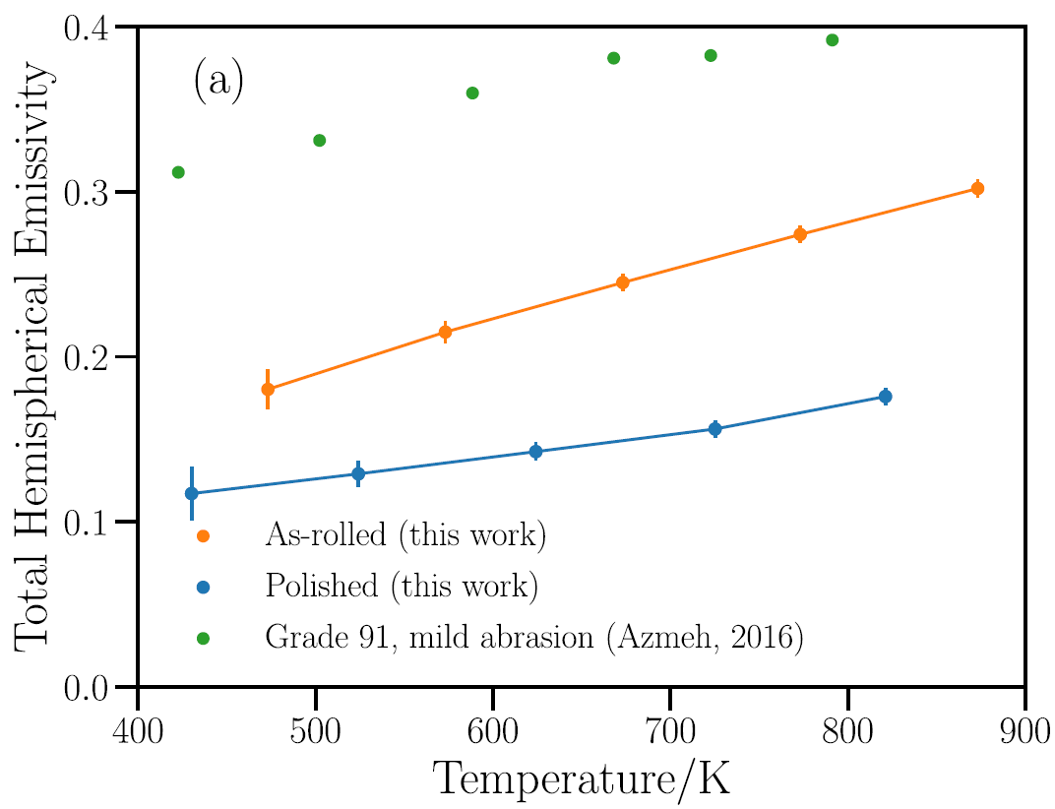
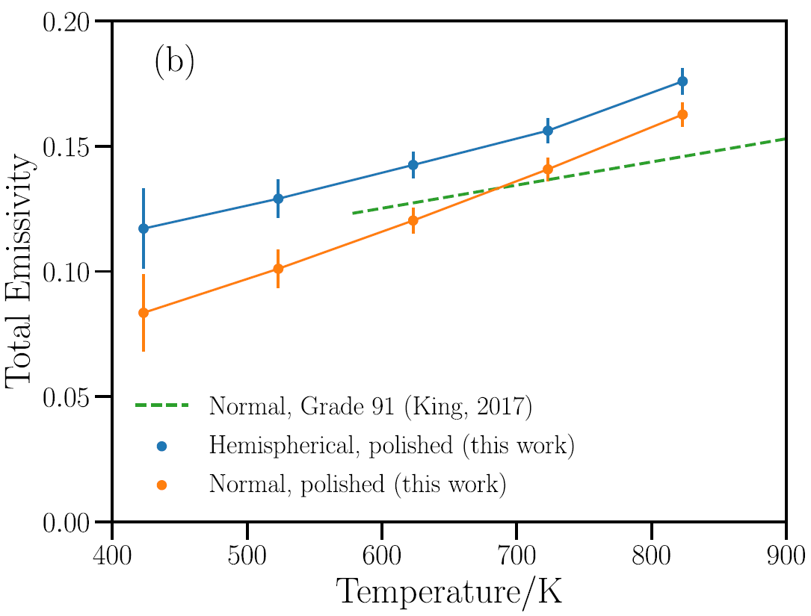
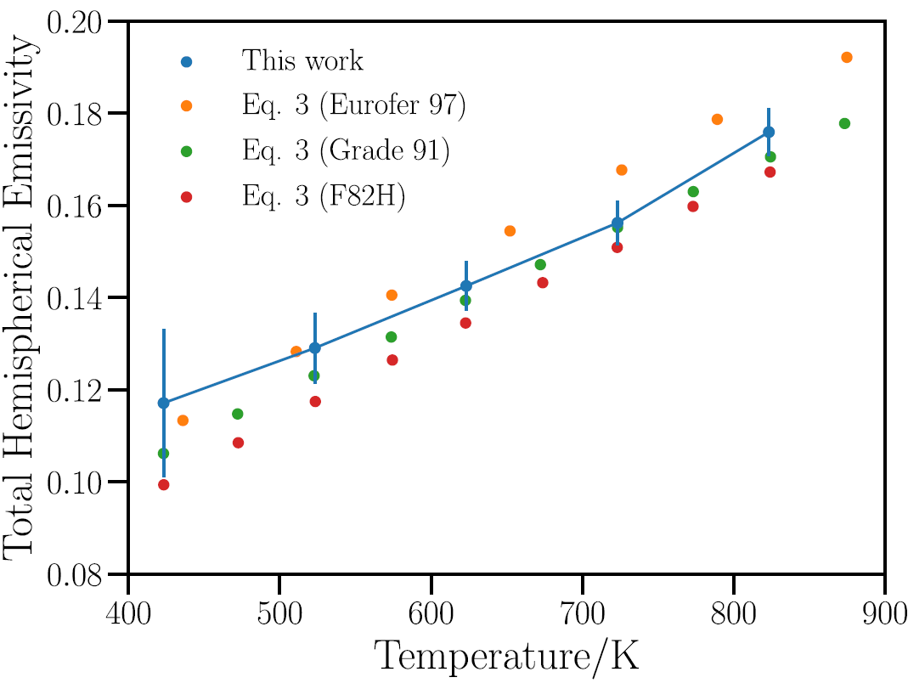

Fig 6a: Echániz, T., de Arrieta, I. G., Gil-Muñoz, A., Fernández-Pereda, J., Fuente, R., Klimenkov, M., & López, G. A. (2021). Infrared emissivity of reduced-activation Eurofer 97 for fusion reactor applications. Journal of Nuclear Materials, 549, 152907. |  | Fig 6b: Echániz, T., de Arrieta, I. G., Gil-Muñoz, A., Fernández-Pereda, J., Fuente, R., Klimenkov, M., & López, G. A. (2021). Infrared emissivity of reduced-activation Eurofer 97 for fusion reactor applications. Journal of Nuclear Materials, 549, 152907. |  |  |  | Fig 7: Echániz, T., de Arrieta, I. G., Gil-Muñoz, A., Fernández-Pereda, J., Fuente, R., Klimenkov, M., & López, G. A. (2021). Infrared emissivity of reduced-activation Eurofer 97 for fusion reactor applications. Journal of Nuclear Materials, 549, 152907.
Echaniz Eurofer Emissivity

Elastic Properties
Eurofer E |  | Eurofer G

Temp (K) | E (Gpa) | Temp (K) | G (Gpa)
374.76697421 | 215.9001789 | 375.65430567 | 83.230300781
412.10995015 | 215.8768047 | 412.45324706 | 81.215235235
474.55401429 | 212.84967109 | 474.3106421 | 82.570938959
540.89825105 | 210.01929942 | 541.76559757 | 80.337481615
603.34231519 | 206.9921658 | 601.96823934 | 79.104579669
668.56250994 | 205.55692002 | 668.85917532 | 77.867491299
732.68797394 | 201.13431165 | 729.06981107 | 75.439365226
793.45330288 | 199.10424476 | 793.71532769 | 76.594120586
858.1214691 | 196.87253175 | 857.25678724 | 76.155941513
 |  | 920.80490844 | 74.721742334
 |  | 979.9101548 | 70.89988585
 |  | 1044.574324 | 69.265784913
 |  | 1108.6838001 | 67.233624801
 |  | 1172.2532385 | 62.612161283
 |  | 1232.462542 | 60.383239232

Figure A3.S18E.2.2.1. Tavassoli, F. "DEMO interim structural design criteria." DISIC, Appendix a material design limit data, CEA/Saclay (2002). |  |  | 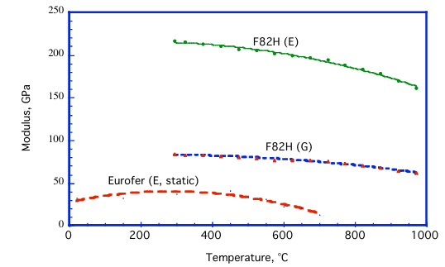

Note: No specific data for Eurofer were found. F82H data are used.

Hardness
Eurofer97 Heat 993391_1040 C |  | Eurofer97 Heat 993402_1040 C |  | Eurofer97 Heat 993391_980 C |  | Eurofer97 Heat 993402_980 C

Tempering Temp (°C) | Hardness | Tempering Temp (°C) | Hardness | Tempering Temp (°C) | Hardness | Tempering Temp (°C) | Hardness
20 | 410.2941176 | 20 | 410.2941176 | 20 | 409.6372549 | 20 | 420.2254902
650 | 310.5392157 | 650 | 309.8039216 | 650 | 305.1666667 | 650 | 300.2254902
700 | 264.7058824 | 700 | 260.0490196 | 700 | 264.5784314 | 700 | 255.04901961
725 | 237.7450980 | 750 | 204.9019608 | 750 | 214.4607843 | 750 | 210.2254902
775 | 204.6568627 | 800 | 195.0980392 | 800 | 199.9901961 | 800 | 199.99019608
825 | 234.8039216 | 825 | 179.6568627 | 825 | 225.0490196 | 825 | 202.81372549
850 | 299.5098039 | 850 | 364.7058824 | 850 | 389.8725490 | 850 | 394.81372549
950 | 410.2941176 | 950 | 414.9509804 | 900 | 405.4019608 | 900 | 410.34313725
1000 | 415.1960784 | 1000 | 419.8529412
1050 | 410.5392157 | 1050 | 417.1568627
1100 | 405.1470588 | 1100 | 414.7058824
1150 | 390.1960784 | 1150 | 394.8529412

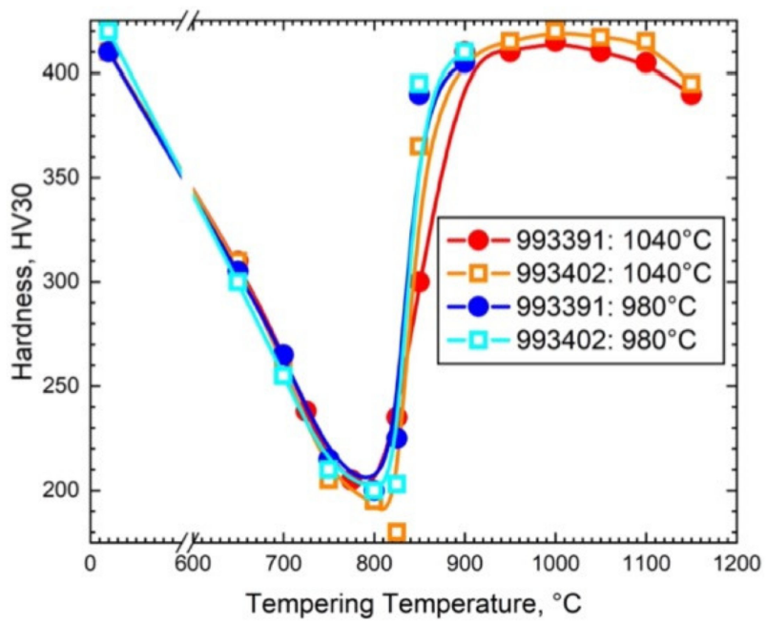

Schäfer, Ludwig, and Helmut Kempe. Zug-und Kerbschlageigenschaften des Stahles EUROFER'97 (Vergleich mit OPTIFER). Forschungszentrum Karlsruhe, 2000.

Strength
EUROFER97 |  | EUROFER97-Sy |  | EUROFER97-Su |  | EUROFER97 ODS-Sy |  | EUROFER97 ODS-Su |  | EUROFER97 E83699 979 °C 1h 51min + 739 °C 3h 42min |  |  | EUROFER97 E83699 979 °C 1h 51min + 739 °C 3h 42min |  |  | EUROFER97 E83699 1075 °C 30min + 750 °C 2h |  |  | EUROFER97 E83699 1075 °C 30min + 750 °C 2h |  |  | EUROFER97 E83698 980 °C 27min + 760 °C 90min |  |  | EUROFER97 E83698 980 °C 27min + 760 °C 90min |  |  | EUROFER97 E83698 1075 °C 30min + 750 °C 2h |  |  | EUROFER97 E83698 1075 °C 30min + 750 °C 2h |  |  | EUROFER97 E83698 950 °C 30min + 750 °C 2h |  |  | EUROFER97 E83698 950 °C 30min + 750 °C 2h |  |  | EUROFER97 E83699 600 °C 1050h |  |  | EUROFER97 E83699 600 °C 1050h |  |  | EUROFER97 E83699 580 °C 3300h |  |  | EUROFER97 E83699 580 °C 3300h |  |  | EUROFER97 E83699 1075 °C + 750 °C + 600 °C 1050h |  |  | EUROFER97 E83699 1075 °C + 750 °C + 600 °C 1050h
0 | 1 | 2 | 3 | 4 | 5 | 6 | 7 | 8 | 9 | 10 | 11 | 12 | 13 | 14 | 15 | 16 | 17 | 18 | 19 | 20 | 21 | 22 | 23 | 24 | 25 | 26 | 27 | 28 | 29 | 30 | 31 | 32 | 33 | 34 | 35 | 36 | 37 | 38 | 39 | 40 | 41 | 42 | 43 | 44 | 45 | 46 | 47 | 48 | 49 | 50 | 51 | 52 | 53 | 54 | 55 | 56 | 57 | 58 | 59 | 60 | 61 | 62 | 63 | 64 | 65 | 66 | 67 | 68 | 69 | 70 | 71 | 72 | 73 | 74 | 75 | 76 | 77 | 78 | 79 | 80 | 81 | 82 | 83 | 84 | 85 | 86 | 87 | 88 | 89 | 90 | 91 | 92 | 93 | 94 | 95 | 96 | 97 | 98 | 99 | 100 | 101 | 102 | 103 | 104 | 105 | 106 | 107 | 108 | 109 | 110 | 111 | 112 | 113 | 114 | 115 | 116 | 117 | 118 | 119 | 120 | 121 | 122 | 123 | 124 | 125 | 126 | 127 | 128 | 129 | 130 | 131 | 132 | 133 | 134 | 135 | 136 | 137 | 138 | 139 | 140 | 141 | 142 | 143 | 144 | 145 | 146
Temp (°C) | Yield Strength (MPa) | Temp (°C) | Yield Strength (MPa) | Temp (°C) | Ultimate Tensile Strength (MPa) | Temp (°C) | Yield Strength (MPa) | Temp (°C) | Ultimate Tensile Strength (MPa) | Temp (°C) | Yield Strength (MPa) |  | Temp (°C) | Tensile Strength (MPa) |  | T [°C] | Yield Strength (MPa) |  | Temp (°C) | Tensile Strength (MPa) |  | Temp (°C) | Yield Strength (MPa) |  | Temp (°C) | Tensile Strength (MPa) |  | Temp (°C) | Yield Strength (MPa) |  | Temp (°C) | Tensile Strength (MPa) |  | Temp (°C) | Yield Strength (MPa) |  | Temp (°C) | Tensile Strength (MPa) |  | Temp (°C) | Yield Strength (MPa) |  | Temp (°C) | Tensile Strength (MPa) |  | Temp (°C) | Yield Strength (MPa) |  | Temp (°C) | Tensile Strength (MPa) |  | Temp (°C) | Yield Strength (MPa) |  | Temp (°C) | Tensile Strength (MPa)
20 | 547.8580991 | 20 | 511.72884 | 20 | 634.60653 | RT | 886 | RT | 1066 | 18.9 | 571.0 |  | 15.0 | 675.9 |  | 18.9 | 518.4 |  | 16.7 | 626.9 |  | 18.9 | 539.2 |  | 14.4 | 650.3 |  | 11.1 | 529.5 |  | 5.0 | 631.0 |  | 17.9 | 495.6 |  | 5.6 | 619.3 |  | 19.4 | 549.3 |  | 18.3 | 662.2 |  | 18.9 | 536.1 |  | 7.8 | 660.8 |  | 28.3 | 509.7 |  | 27.8 | 621.7
50 | 525.3681392 | 100 | 476.2852 | 100 | 593.93268 | 300 | 727 | 300 | 913 | 300.8 | 476.3 |  | 298.0 | 544.9 |  | 300.1 | 456.8 |  | 296.0 | 519.8 |  | 308.3 | 465.2 |  | 294.6 | 530.3 |  | 287.7 | 463.8 |  | 303.5 | 526.8 |  | 301.4 | 435.9 |  | 300.8 | 512.1 |  | 310.0 | 469.1 |  | 298.9 | 531.4 |  | 385.1 | 450.1 |  | 384.9 | 501.0 |  | 298.9 | 438.8 |  | 297.5 | 505.2
100 | 508.7684070 | 150 | 461.81125 | 150 | 570.30981 | 400 | 741 | 400 | 840 | 400.2 | 454.7 |  | 398.2 | 502.4 |  | 400.2 | 443.6 |  | 396.1 | 489.1 |  | 391.3 | 437.3 |  | 405.7 | 494.0 |  | 406.4 | 435.2 |  | 400.2 | 478.0 |  | 400.9 | 410.1 |  | 388.6 | 476.6 |  | 411.9 | 452.9 |  | 411.0 | 498.9 |  | 489.8 | 398.1 |  | 486.0 | 424.6 |  | 398.2 | 421.3 |  | 398.6 | 475.5
150 | 494.8460509 | 200 | 452.56896 | 200 | 551.91572 | 500 | 537 | 500 | 685 | 502.4 | 405.9 |  | 498.3 | 423.6 |  | 502.4 | 389.2 |  | 496.3 | 410.3 |  | 493.5 | 396.9 |  | 507.2 | 415.2 |  | 515.5 | 393.4 |  | 484.6 | 410.3 |  | 504.5 | 376.0 |  | 492.8 | 399.9 |  | 509.8 | 400.9 |  | 509.4 | 419.7 |  |  |  |  |  |  |  | 509.1 | 380.5 |  | 510.1 | 399.2
200 | 486.2784471 | 250 | 445.93818 | 250 | 534.82883 | 600 | 330 | 600 | 428 | 604.6 | 284.0 |  | 598.5 | 292.5 |  | 604.0 | 274.9 |  | 597.8 | 282.0 |  | 617.0 | 277.7 |  | 608.8 | 289.0 |  | 592.3 | 277.7 |  | 608.1 | 279.2 |  | 606.0 | 257.5 |  | 601.9 | 270.2 |  | 613.2 | 284.2 |  | 609.9 | 295.9 |  |  |  |  |  |  |  | 613.2 | 270.1 |  | 609.2 | 282.5
250 | 479.3172691 | 300 | 436.69732 | 300 | 515.12754 | 700 | 163 | 700 | 247 | 703.4 | 132.8 |  | 699.3 | 159.3
300 | 471.8206158 | 350 | 427.45072 | 350 | 495.42626
350 | 462.7175368 | 400 | 410.36382 | 400 | 466.57318
400 | 448.7951807 | 450 | 388.04959 | 450 | 432.49275
450 | 427.3761714 | 500 | 353.96629 | 500 | 389.26197
500 | 397.9250335 | 550 | 310.73839 | 550 | 339.49809
550 | 355.6224900 | 600 | 253.12703 | 600 | 276.65653
600 | 299.9330656 | 650 | 178.52503 | 650 | 199.44013
650 | 228.1793842 | 700 | 81.69784 | 700 | 105.22734
700 | 137.1485944

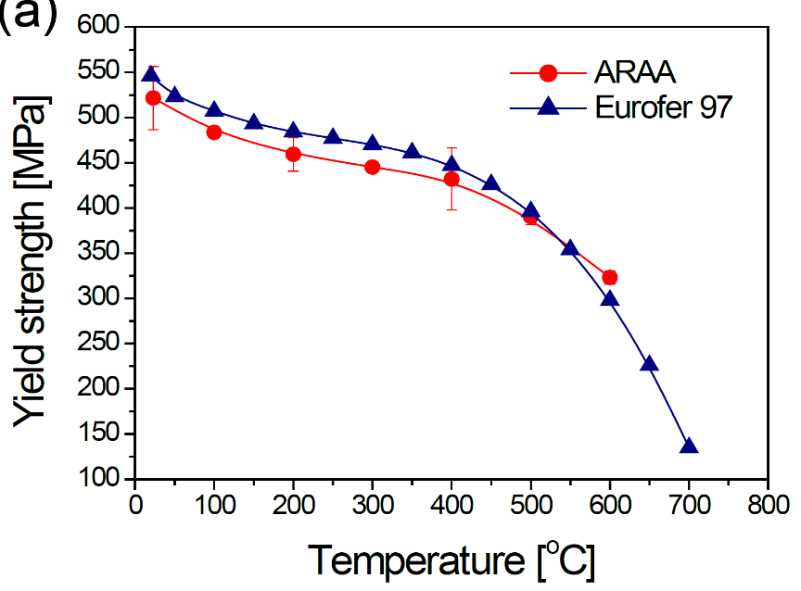
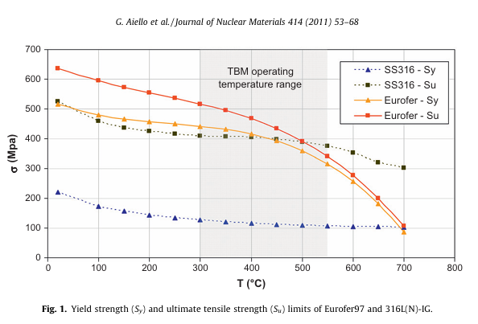
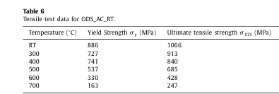

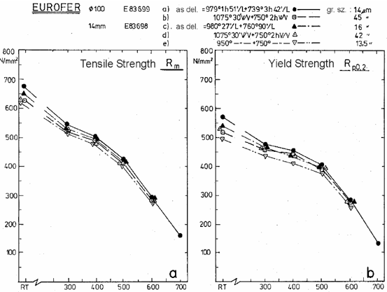
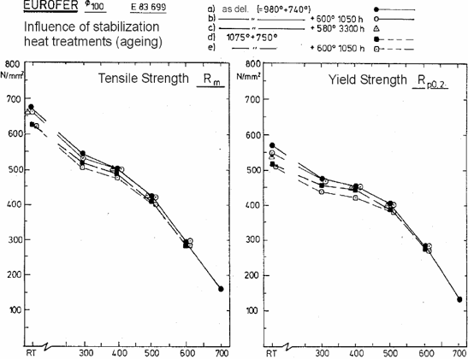

Reference: Fig 3a of Chun, Y. B., D. W. Lee, and C. K. Rhee. "Physical, thermal, magnetic and mechanical properties of ARAA." Transactions of the Korean Nuclear Society Spring Meeting, Gyeongju, Korea. 2015. |  |  | Fig. 1. of Aiello, G., et al. "Assessment of design limits and criteria requirements for Eurofer structures in TBM components." Journal of Nuclear Materials 414.1 (2011): 53-68. |  |  | Table. 6.Das, Aniruddh, et al. "Microstructure and fracture toughness characterization of three 9Cr ODS EUROFER steels with different thermo-mechanical treatments." Journal of Nuclear Materials 542 (2020): 152464. |  |  |  | Fig. 18. Rieth, Michael, et al. "EUROFER 97. Tensile, charpy, creep and structural tests." (2003).
Chun ARAA vs Eurofer

Ductility
EUROFER97 |  | EUROFER97-AsReceived |  | EUROFER97-AsReceived |  | EUROFER97-Aged650C |  | EUROFER97-Aged650C |  | EUROFER97-Aged700C |  | EUROFER97-Aged700C

Temp (°C) | Total Elongation (%) | Temp (°C) | Total Elongation (%) | Temp (°C) | Uniform Elongation (%) | Temp (°C) | Total Elongation (%) | Temp (°C) | Uniform Elongation (%) | Temp (°C) | Total Elongation (%) | Temp (°C) | Uniform Elongation (%)
20 | 22.6382661 | 777.65957447 | 17.345858275 | 778.72340426 | 5.4242478121 | 777.65957447 | 20.911317885 | 780.85106383 | 6.3164029317 | 782.9787234 | 20.634741895 | 780.85106383 | 7.319188447
50 | 21.3303438 | 776.59574468 | 18.738220826 | 443.61702128 | 2.1800114581 | 784.04255319 | 23.866334775 | 440.42553191 | 2.6802188901 | 779.78723404 | 23.641913116 | 779.78723404 | 9.1572334499
100 | 19.6860987 | 444.68085106 | 12.876785397 | 191.4893617 | 0.52648215097 | 450 | 15.051462889 | 347.87234043 | 2.1444516881 | 448.93617021 | 15.2181987 | 443.61702128 | 3.2942175863
150 | 18.1913303 | 348.93617021 | 16.685236769 | 107.44680851 | 3.0022323633 | 348.93617021 | 14.902506964 | 298.93617021 | 1.4577530176 | 348.93617021 | 24.707520891 | 303.19148936 | 2.6849601928
200 | 17.4439462 | 197.87234043 | 21.085955866 |  |  | 297.87234043 | 18.003318912 | 246.80851064 | 0.6584484087 | 301.06382979 | 23.742665797
250 | 17.2197309 | 147.87234043 | 23.46292894 |  |  | 152.12765957 | 28.032754499 | 146.80851064 | 0.78843912365 | 252.12765957 | 21.496078548
300 | 17.2197309 |  |  |  |  | 102.12765957 | 27.958474091 | 97.872340426 | 1.3273671941 | 152.12765957 | 25.414370098
350 | 17.6681614 |  |  |  |  |  |  |  |  | 100 | 30.910330113
400 | 18.4529148
450 | 19.8729447
500 | 21.4798206
550 | 23.6098655
600 | 26.2630792
650 | 28.6547085
700 | 32.2421525

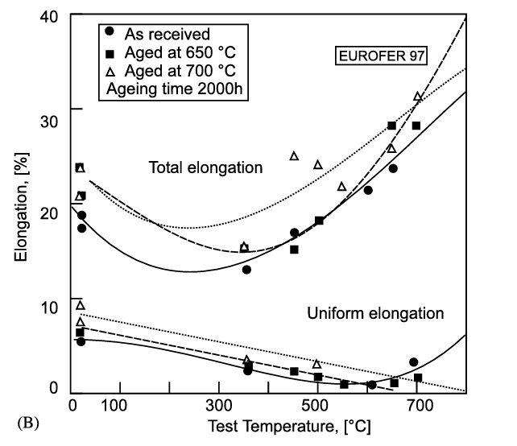

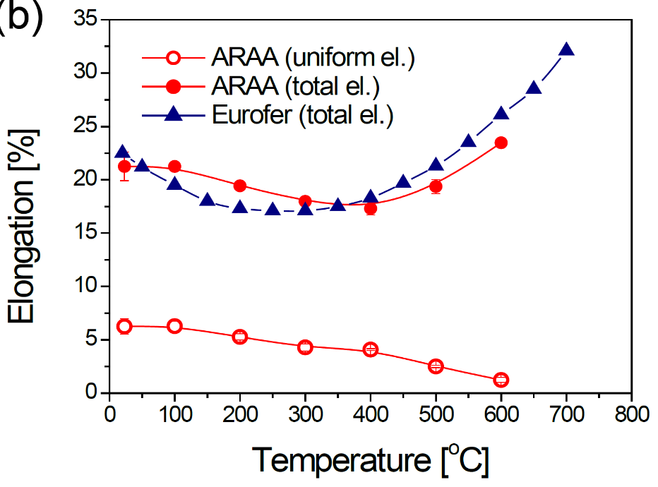

Reference: Fig 3b of Chun, Y. B., D. W. Lee, and C. K. Rhee. "Physical, thermal, magnetic and mechanical properties of ARAA." Transactions of the Korean Nuclear Society Spring Meeting, Gyeongju, Korea. 2015. |  | Fig. 3. Van der Schaaf, B., et al. "The development of EUROFER reduced activation steel." Fusion Engineering and Design 69.1-4 (2003): 197-203.
Chun ARAA vs Eurofer

Toughness
EUROFER97 Solid HIP Joint |  | EUROFER97 Solid HIP Bulk |  | EUROFER97 980C27+760C1.5h |  | EUROFER97 1050C30+750C3h |  | EUROFER97 1075C30+750C2h

Temp (°C) | Energy (J/cm^2) | Temp (°C) | Energy (J/cm^2) | Temp (°C) | Energy (J) | Temp (°C) | Energy (J) | Temp (°C) | Energy (J)
-195.47511312 | 4.5174690305 | -191.85520362 | 5.7543950745 | -100.7473904 | 11.533552043 | -90.459886669 | 31.932001193 | -60.36683567 | 13.222785565
-52.488687783 | 65.876047771 | -53.393665158 | 65.464357244 | -80.466447957 | 74.661497167 | -80.540411572 | 105.43036087 | -45.563972562 | 155.23173278
-22.624434389 | 87.248720421 | -21.719457014 | 102.82434537 | -60.708022666 | 155.1565762 | -60.526096033 | 179.47509693 | -50.393080823 | 164.14076946
-3.6199095023 | 178.68110674 | -3.6199095023 | 171.30405756 | -20.170593498 | 191.58604235 | -40.412764688 | 212.32925738 | -55.696987772 | 170.56606024
20.814479638 | 208.64921 | 20.814479638 | 200.86232475 | -30.303608709 | 206.92036982 | -20.097226364 | 261.06531464 | -40.372203996 | 195.45600954
200.90497738 | 212.29693643 | 202.71493213 | 215.57933388 | -10.436623919 | 242.25469729 | -20.051893826 | 242.20697882 | -30.239188786 | 180.12168208
400 | 208.60655738 | 400 | 215.16393443 | -20.300626305 | 245.67968983 | -0.35609901581 | 248.75633761 | -30.278556517 | 196.49865792
 |  |  |  | 22.743215031 | 239.44169401 | 23.152400835 | 269.22039964 | -20.35192365 | 267.01938562
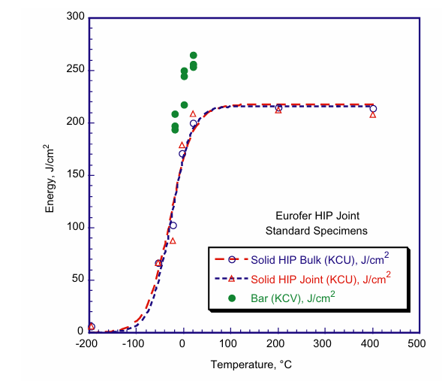
 |  |  |  | 39.774530271 | 254.41455413 | 60.212943633 | 252.03459588 | 0.080524903072 | 267.12078735
 |  |  |  | 59.986877423 | 246.07813898 | 40.011333135 | 255.90456308 | 23.152400835 | 269.22039964
 |  |  |  | 70.293468536 | 258.53623621 |  |  | 39.962421712 | 276.25171488
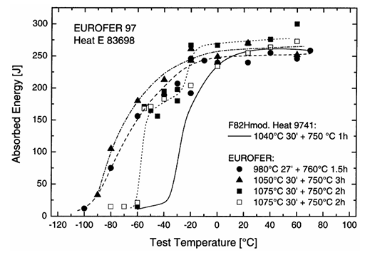
 |  |  |  |  |  |  |  | 60.096033403 | 300.66925142
 |  |  |  |  |  |  |  | 59.741723829 | 248.062034
 |  |  |  |  |  |  |  | -80.320906651 | 14.116313749
 |  |  |  |  |  |  |  | -70.226066209 | 14.662690128
 |  |  |  |  |  |  |  | -60.384730092 | 20.666865494
 |  |  |  |  |  |  |  | -50.168207575 | 170.59349836
 |  |  |  |  |  |  |  | -40.341186997 | 182.55293767
 |  |  |  |  |  |  |  | -19.960035789 | 203.99403519
 |  |  |  |  |  |  |  | -0.078735460781 | 233.37309872
 |  |  |  |  |  |  |  | 23.428571429 | 254.33343275
 |  |  |  |  |  |  |  | 39.994631673 | 262.85237101
 |  |  |  |  |  |  |  | 60.162839248 | 272.87801968

Fig. 8. Tavassoli, A-AF, et al. "Materials design data for reduced activation martensitic steel type EUROFER." Journal of Nuclear Materials 329 (2004): 257-262. |  |  |  | Fig. 3Lindau, R., and M. Schirra. "First results on the characterisation of the reduced-activation-ferritic-martensitic steel EUROFER." Fusion Engineering and design 58 (2001): 781-785.

Creep
EUROFER97-600C |  | EUROFER97-550C |  | EUROFER97-500C |  | EUROFER97-450C |  | EUROFER97-650C

Time (h) | Stress Intensity St (MPa) | Time (h) | Stress Intensity St (MPa) | Time (h) | Stress Intensity St (MPa) | Time (h) | Stress Intensity St (MPa) | Time (h) | Stress Intensity St (MPa)
10 | 123.97806 | 10 | 161.47684 | 10 | 205.79383 | 10 | 250.68169 | 10 | 95.557891688
30 | 113.80448 | 30 | 151.87212 | 30 | 195.62227 | 30 | 239.9406 | 30 | 88.682804291
100 | 103.06742 | 100 | 140.56755 | 100 | 183.74884 | 100 | 229.77239 | 100 | 81.20048343
300 | 92.89384 | 300 | 130.96282 | 300 | 174.14411 | 300 | 218.46245 | 300 | 74.529005773
1000 | 82.72631 | 1000 | 120.22643 | 1000 | 163.97658 | 1000 | 208.29424 | 1000 | 66.64081384
3000 | 73.12159 | 3000 | 111.18989 | 3000 | 154.94004 | 3000 | 200.39541 | 3000 | 60.172496454
10000 | 64.09042 | 10000 | 101.02303 | 10000 | 143.06729 | 10000 | 189.09084 | 10000 | 52.487914261
30000 | 55.05388 | 30000 | 91.98649 | 30000 | 134.59826 | 30000 | 179.48612 | 30000 | 45.612377395
100000 | 44.885 | 100000 | 81.81762 | 100000 | 125.56709 | 100000 | 168.74973 | 100000 | 37.927795202
300000 | 36.98483 | 300000 | 72.21289 | 300000 | 115.39486 | 300000 | 159.71319 | 300000 | 30.849547534

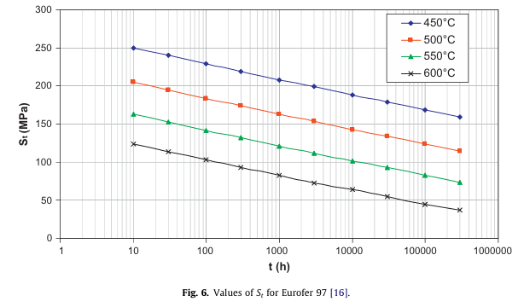
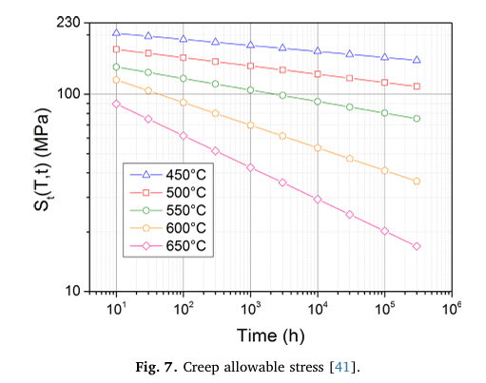

Fig. 6. of Aiello, G., et al. "Assessment of design limits and criteria requirements for Eurofer structures in TBM components." Journal of Nuclear Materials 414.1 (2011): 53-68. |  |  |  |  |  |  |  | Fig. 7. Gaganidze, Ermile, et al. "Development of EUROFER97 database and material property handbook." Fusion Engineering and Design 135 (2018): 9-14.

Fatigue
EUROFER97-Design |  | EUROFER97-Average |  | EUROFER97-RoomTemp |  | EUROFER97-500C |  | EUROFER97-550C |  | EUROFER97-SSTTSpecimens |  | EUROFER97-LargeSpecimens

Number of cycles to failure | Total Strain Range (Δε %) | Number of cycles to failure | Total Strain Range (Δε %) | Number of cycles to failure | Total Strain Range (Δε %) | Number of cycles to failure | Total Strain Range (Δε %) | Number of cycles to failure | Total Strain Range (Δε %) | Number of cycles to failure | Total Strain Range (Δε %) | Number of cycles to failure | Total Strain Range (Δε %)
4.86382 | 4.9923 | 100.27548 | 4.96676 | 649.06276 | 1.80845 | 389.44281 | 1.80583 | 392.51536 | 1.49883 | 583.8839409 | 1.1948529412 | 748.8067453 | 1.8125
9.94513 | 3.33627 | 196.74641 | 3.31912 | 1056.55178 | 1.40437 | 554.66058 | 1.80058 | 563.44722 | 1.49621 | 612.06101462 | 1.1985294118 | 1306.0697973 | 1.6102941176
24.99479 | 1.98115 | 494.47662 | 1.99858 | 1161.03795 | 1.40437 | 680.40031 | 1.40175 | 1073.28911 | 1.00292 | 781.37073765 | 1.1948529412 | 1740.5891761 | 1.5
48.37131 | 1.38035 | 1011.06476 | 1.38289 | 4891.24926 | 1.00554 | 759.532 | 1.40175 | 895.81521 | 1.00292 | 811.30410512 | 1.1948529412 | 1609.1726444 | 1.4117647059
100.27548 | 0.97527 | 1983.76873 | 0.98385 | 5208.6305 | 1.00292 | 1098.89357 | 1.00292 | 2044.46747 | 0.70117 | 636.73919587 | 1 | 1719.0722019 | 1.4191176471
252.01924 | 0.67491 | 4917.63479 | 0.67144 | 4381.65546 | 0.80087 | 1326.98769 | 0.99767 | 3434.28377 | 0.69854 | 768.41217559 | 1 | 1801.7821533 | 1.4191176471
494.47662 | 0.52928 | 9917.80969 | 0.53394 | 5127.40486 | 0.80087 | 1615.06917 | 0.80087 | 16535.98365 | 0.39942 | 944.909371 | 1 | 2016.3309885 | 1.4117647059
50270.61721 | 0.18695 | 20279.11437 | 0.45203 | 19198.9046 | 0.59883 | 2143.1769 | 0.80087 | 20125.85161 | 0.40204 | 1229.3509194 | 1 | 2410.1985516 | 1.4080882353
98633.9179 | 0.16849 | 50966.86645 | 0.37224 | 27559.6081 | 0.60146 | 5007.93523 | 0.60408 |  |  | 1312.9473136 | 1 | 2730.2000973 | 1.2242647059
207303.6408 | 0.15944 | 98633.9179 | 0.34256 | 145821.82377 | 0.39942 | 5374.96235 | 0.60408 |  |  | 1157.7784193 | 0.90441176471 | 2536.6567525 | 1.0183823529
506872.17006 | 0.15089 | 207303.6408 | 0.31969 |  |  | 14242.41439 | 0.39417 |  |  | 1224.9412114 | 0.90441176471 | 1702.9915184 | 0.91911764706
1000000 | 0.14887 | 506872.17006 | 0.30466 |  |  | 18899.50858 | 0.39679 |  |  | 1308.2377436 | 0.90441176471 | 3714.7361417 | 0.91544117647
 |  | 1008287.143 | 0.29436 |  |  |  |  |  |  | 1534.6678876 | 0.90073529412 | 3833.1288776 | 1
 |  |  |  |  |  |  |  |  |  | 1608.5055696 | 0.90073529412 | 5742.0057816 | 1
 |  |  |  |  |  |  |  |  |  | 1254.9298446 | 0.79779411765 | 5976.8256641 | 0.81617647059
 |  |  |  |  |  |  |  |  |  | 1352.9212214 | 0.79779411765 | 6323.5416612 | 0.81617647059
 |  |  |  |  |  |  |  |  |  | 1472.5404276 | 0.80147058824 | 7488.067453 | 0.8125
 |  |  |  |  |  |  |  |  |  | 1528.9516696 | 0.80147058824 | 9563.3983239 | 0.81985294118
 |  |  |  |  |  |  |  |  |  | 1663.9047111 | 0.80147058824 | 12207.160251 | 0.8125
 |  |  |  |  |  |  |  |  |  | 1551.9450875 | 0.69852941176 | 14786.587146 | 0.66176470588
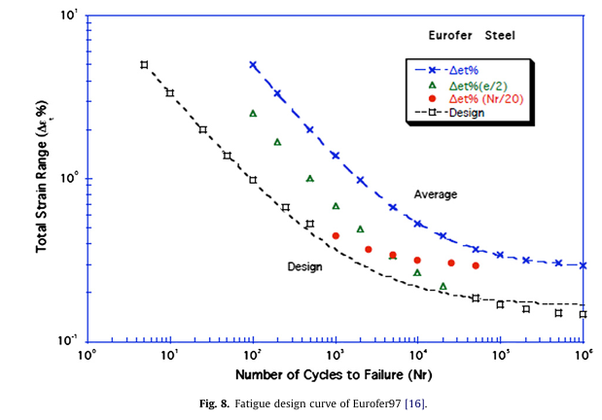
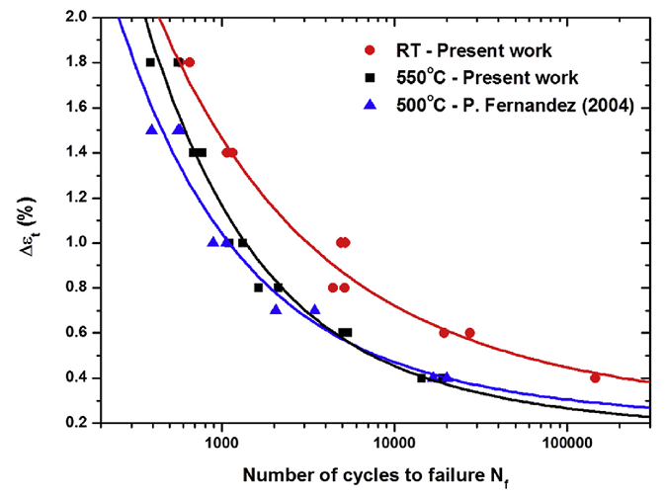
 |  |  |  |  |  |  |  |  |  | 2156.4207066 | 0.69852941176 | 8238.465712 | 0.60294117647
 |  |  |  |  |  |  |  |  |  | 2273.3309523 | 0.60294117647 | 18692.555013 | 0.39705882353
 |  |  |  |  |  |  |  |  |  | 2450.8443255 | 0.60294117647 | 39816.21969 | 0.51102941176
 |  |  |  |  |  |  |  |  |  | 3099.5348132 | 0.59926470588 | 51317.336304 | 0.51102941176
 |  |  |  |  |  |  |  |  |  | 5296.0195527 | 0.59926470588 | 105815.6295 | 0.51102941176
 |  |  |  |  |  |  |  |  |  | 5090.0575081 | 0.54411764706
 |  |  |  |  |  |  |  |  |  | 5324.6432593 | 0.49264705882
 |  |  |  |  |  |  |  |  |  | 7126.579799 | 0.49632352941
 |  |  |  |  |  |  |  |  |  | 8205.5111935 | 0.49632352941
 |  |  |  |  |  |  |  |  |  | 12154.970288 | 0.44852941176
 |  |  |  |  |  |  |  |  |  | 25018.386859 | 0.40073529412

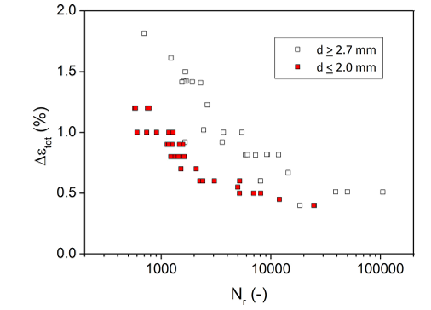

Fig. 8. of Aiello, G., et al. "Assessment of design limits and criteria requirements for Eurofer structures in TBM components." Journal of Nuclear Materials 414.1 (2011): 53-68. |  |  |  | Fig. 3. of Roldán, M., et al. "Deformation behaviour and microstructural evolution of EUROFER97-2 under low cycle fatigue conditions." Materials Characterization 158 (2019): 109943.

 |  |  |  |  |  |  |  |  |  | Fig. 2. Gaganidze, Ermile, et al. "Development of EUROFER97 database and material property handbook." Fusion Engineering and Design 135 (2018): 9-14.

