W_density
W Seydel |  | W Hixson&Winkler |  | W Berthault |  | W Miller&Cezairliyan |  | W Petukhov&Chekhovskoi

Specific enthalpy (KJ/g) | Density (g/cm^3) | Specific enthalpy (KJ/g) | Density (g/cm^3) | Specific enthalpy (KJ/g) | Density (g/cm^3) | Specific enthalpy (KJ/g) | Density (g/cm^3) | Specific enthalpy (KJ/g) | Density (g/cm^3)
0.6154349958 | 17.549166433 | 0.34505813953 | 17.689815074 | 0.24552745867 | 18.456479406 | 0.16088189969 | 18.934512468 | 0.29402843934 | 18.665193331
0.88407467078 | 16.343849818 | 0.39790907817 | 17.540298403 | 0.29838189969 | 18.297012468 | 0.20101919305 | 18.904462034 | 0.30459512468 | 18.645240263
0.91790417484 | 16.234228776 | 0.44657467078 | 17.281349818 | 0.34489002522 | 18.167427851 | 0.23272275147 | 18.834652564 | 0.40180022415 | 18.485552676
0.98133230597 | 16.034908238 | 0.49730666853 | 17.151744186 | 0.39773746147 | 18.027861446 | 0.27710142897 | 18.754829784 | 0.52016671337 | 18.206356823
1.040547072 | 15.805757915 | 0.54380078453 | 17.061960633 | 0.44852899972 | 17.729101289 | 0.31303586439 | 18.665098767 | 0.61950476324 | 17.986957131
1.1040032222 | 15.526835248 | 0.61143177361 | 16.922320678 | 0.49715256374 | 17.589555898 | 0.34684785654 | 18.605229056
1.1695678061 | 15.25785234 | 0.86923507985 | 16.503127627 | 0.54783552816 | 17.599253993 | 0.38277878958 | 18.525448305
1.2266986551 | 14.949110395 | 0.90308559821 | 16.333804987 | 0.59645909218 | 17.459708602 | 0.42716447184 | 18.425724993
1.2880533763 | 14.640347436 | 0.95594704399 | 16.154437518 | 0.61759596526 | 17.409852199 | 0.46943821799 | 18.326012188
1.3536459793 | 14.291762398 | 1.0003957691 | 15.875609414 | 0.86717567946 | 16.353884141 | 0.53916713365 | 18.226162791
1.421347016 | 13.95311712 | 1.0469249089 | 15.6863232 | 0.94750980667 | 16.124628748 | 0.58989562903 | 18.106507425
 |  | 1.1060976464 | 15.576576072 | 1.0024796862 | 15.955201037
 |  | 1.1505428692 | 15.307698235 | 1.0490053236 | 15.775865088
 |  | 1.2013133931 | 15.068639675 | 1.1018807789 | 15.556696554
 |  | 1.2478565424 | 14.839552396 | 1.1484064164 | 15.377360605
 |  | 1.304910339 | 14.749716307 | 1.1970544971 | 15.168163351
 |  | 1.3556878678 | 14.490757215 | 1.2499194452 | 14.978845615
 |  | 1.4001435976 | 14.192028579 | 1.3028019053 | 14.739776548
 |  |  |  | 1.3514569908 | 14.510678762
 |  |  |  | 1.4043359484 | 14.281559961

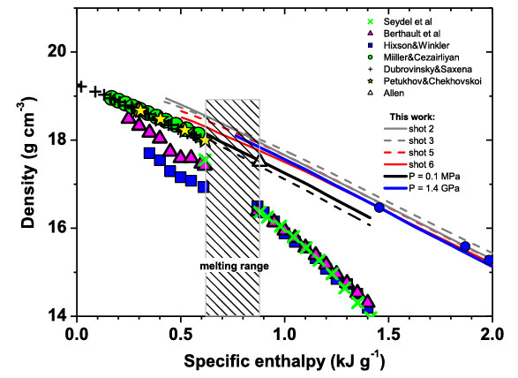

Fig 4. Korobenko, V. N., and A. D. Rakhel. "On the electronic specific heat of liquid tungsten." Journal of Physics: Condensed Matter 26.4 (2014): 045701.

W_diffusivity
W-Fujitsuka |  | W-tanabe |  | W-Touloukian |  | W-Single Crystal

Temp (C) | Thermal Diffusivity Coef. (mm2/s) | Temp (C) | Thermal Diffusivity Coef. (mm2/s) | Temp (C) | Thermal Diffusivity Coef. (mm2/s) | Temp (C) | Thermal Diffusivity Coef. (mm2/s)
28.495028187 | 71.785801104 | 21.243937166 | 64.523597301 | 23.059025085 | 66.418095315 | 26.652158311 | 68.943938324
119.93934273 | 70.036926852 | 142.5214442 | 60.086587102 | 77.507032308 | 63.09514163 | 96.912729925 | 64.829430354
172.59541366 | 65.60894579 | 181.15688703 | 57.555187702 | 119.63837151 | 59.773808559 | 197.01575469 | 58.342574693
207.66550523 | 61.499068147 | 469.46878581 | 48.990936136 | 221.53333256 | 54.391980275 | 293.65066503 | 53.593017468
286.83482468 | 61.172861657 | 552.11548034 | 47.243219466 | 323.48848785 | 51.062775649 | 392.12844525 | 51.685323023
344.71853404 | 55.007350643 | 671.70291826 | 45.174852698 | 427.2124278 | 48.049127762 | 497.63969116 | 49.618808386
450.20199799 | 51.99347124 | 759.63744545 | 43.742229734 | 522.16189936 | 45.826108095 | 592.59842337 | 47.711576973
555.68546193 | 48.979591837 |  |  | 625.90899094 | 43.601930846
643.59220716 | 46.599604107 |  |  | 720.87698381 | 42.010487689
757.91959438 | 45.163508398 |  |  | 826.39286004 | 40.101867179
 |  |  |  | 921.37937421 | 39.142000532
 |  |  |  | 1019.8710454 | 37.70798847
 |  |  |  | 1121.8910253 | 36.589301631

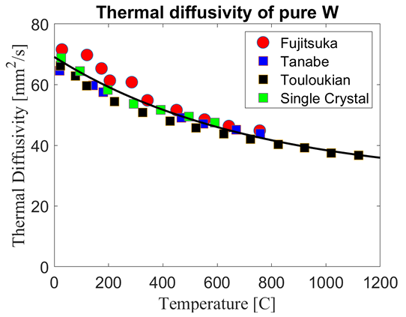

Fig 8. Properties of Tungsten and its Alloys Digital Materials Solutions, Inc.

W_specific_heat
W

Temp (K) | Cp
1261.5832965 | 8.229649488
1352.6121239 | 8.1632982191
1430.4876049 | 8.0971656259
1499.2518766 | 8.0212094451
1602.4146849 | 7.9396938539
1624.6641014 | 7.9193738304
1683.317984 | 7.8585483294
1714.6710402 | 7.8330894258
1783.4428815 | 7.7720957127
1811.7428878 | 7.7117748481
1876.4902542 | 7.6957358229
1912.8745348 | 7.6153304317
1928.0893206 | 7.6898904519
1957.3935533 | 7.6145902984
1998.8519523 | 7.5640257365
2036.2480288 | 7.483603524
2073.6516748 | 7.4181437793
2154.5373115 | 7.3020858302
2226.3117391 | 7.1762042936
2288.982527 | 7.0554616371
2357.708951 | 6.904693118
2401.1682331 | 6.8092075107

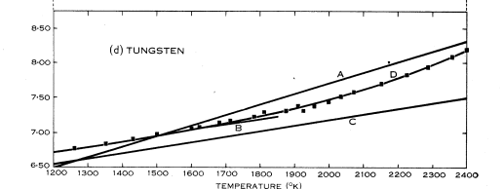

Lowentha, G. C. "The specific heat of metals between 1200 K and 2400 K." Australian Journal of Physics 16.1 (1963): 47-67.

W_conductivity
W Berthault |  | W Miller&Cezairliyan |  | W Hixson&Winkler |  | W Seydel

Joule heat (KJ/g) | Resistivity (mu Omega m) | Joule heat (KJ/g) | Resistivity (mu Omega m) | Joule heat (KJ/g) | Resistivity (mu Omega m) | Joule heat (KJ/g) | Resistivity (mu Omega m)
0.86962426161 | 1.1677242599 | 0.16409855323 | 0.38138432185 | 0.35038212367 | 0.76925550425 | 0.91728469932 | 1.124337222
0.94893764579 | 1.1524935422 | 0.18939066436 | 0.41821575819 | 0.40092968405 | 0.86025944387 | 1.0505368673 | 1.0960617508
1.0028855951 | 1.135113522 | 0.20516901888 | 0.45505406863 | 0.45788390712 | 0.92091193359 | 1.1679006952 | 1.08297117
1.0536531267 | 1.1220710599 | 0.21460028627 | 0.49406459517 | 0.50207979763 | 1.0162557227 | 1.4153362734 | 1.0459426761
1.1044160756 | 1.1111962312 | 0.23038322353 | 0.52873527224 | 0.87579720484 | 1.2479221118 | 1.5358713535 | 1.0328498039
1.1488456856 | 1.0959907184 | 0.25250408245 | 0.56556899994 | 0.91070389273 | 1.23705874 | 1.6627351897 | 1.0262552491
1.1996269654 | 1.0764453562 | 0.26829618518 | 0.59590441027 | 0.95196225049 | 1.2218555186 | 1.789599026 | 1.0196606943
1.2503990798 | 1.0612352608 | 0.28407912244 | 0.63057508734 | 1.0027297821 | 1.2088130565 | 1.9132870273 | 1.0152360643
1.2979953592 | 1.0481950901 | 0.29668622476 | 0.66741568914 | 1.0535156447 | 1.187100061 | 2.0369750287 | 1.0108114342
1.3487674736 | 1.0329849946 | 0.32515875356 | 0.69990956737 | 1.1106302635 | 1.1718853828
1.4058820924 | 1.0177703164 | 0.34410836028 | 0.73674558644 | 1.1550552907 | 1.1588475034
 |  | 0.36307171521 | 0.76707870541 | 1.2026653183 | 1.1393044326
 |  | 0.38518340867 | 0.80824769985 | 1.2566041022 | 1.1262596791
 |  | 0.4104755198 | 0.84507913619 | 1.3010291294 | 1.1132217998
 |  | 0.43577679639 | 0.87757530578 | 1.3613241658 | 1.0936695635
 |  | 0.45472640312 | 0.91441132485 | 1.4184571155 | 1.0697843518
 |  | 0.47368517531 | 0.94691207719
 |  | 0.50215312138 | 0.98157358879
 |  | 0.53061648471 | 1.0184027338
 |  | 0.56225110024 | 1.0552295874
 |  | 0.58755237684 | 1.087725757
 |  | 0.61601574017 | 1.1245549019

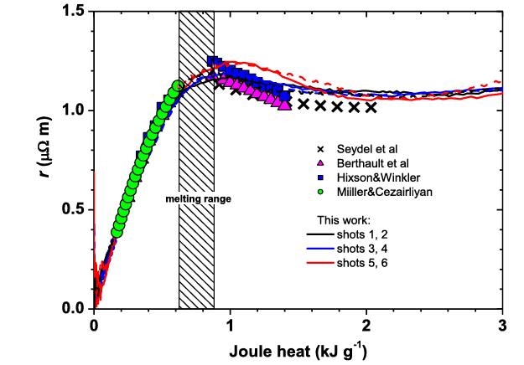

Fig 6. Korobenko, V. N., and A. D. Rakhel. "On the electronic specific heat of liquid tungsten." Journal of Physics: Condensed Matter 26.4 (2014): 045701.

W_resistivity
W Forsythe |  | W Desia

Temp (K) | Electrical Resistivity (x10-8 ohm-m) | Temp (K) | Electrical Resistivity (x10-8 ohm-m)
291.10512129 | 6.9376654282 | 105.1212938 | 0.43405939632
392.18328841 | 10.075641679 | 190.02695418 | 2.6735630509
493.26145553 | 13.213617931 | 238.54447439 | 3.3419538137
598.38274933 | 16.801437556 | 303.23450135 | 4.2331414973
800.53908356 | 24.203516185 | 404.31266846 | 6.920667298
897.57412399 | 28.693450863 | 501.34770889 | 9.6088001748
994.60916442 | 32.057259416 | 602.42587601 | 12.296325976
1103.7735849 | 36.094922416 | 703.50404313 | 14.983851776
1204.851752 | 40.359024793 | 796.49595687 | 17.897816954
1297.8436658 | 44.399116097 | 897.57412399 | 21.035793206
1407.0080863 | 48.662004322 | 1002.6954178 | 24.173162381
1504.0431267 | 53.151939001 | 1095.6873315 | 27.087127559
1605.1212938 | 57.190816153 | 1200.8086253 | 30.224496734
1702.1563342 | 61.455525606 | 1301.8867925 | 33.362472985
1807.277628 | 65.719020908 | 1398.9218329 | 36.726281538
1896.2264151 | 70.435394964 | 1491.9137466 | 39.865471941
2001.3477089 | 74.92411549 | 1597.0350404 | 43.678516792
2106.4690027 | 79.412836017 | 1698.1132075 | 46.591267818
2203.5040431 | 83.67754547 | 1799.1913747 | 49.729244069
2304.5822102 | 88.392098298 | 1896.2264151 | 53.318277847
2397.574124 | 93.107865278 | 1997.3045822 | 56.681479323
2502.6954178 | 97.821811029 | 2195.4177898 | 64.309390253
2595.6873315 | 102.08712756 | 2401.6172507 | 71.03518613
2704.851752 | 107.25091668 | 2603.7735849 | 78.212039533
2801.8867925 | 112.19130181 | 2801.8867925 | 86.065175688
2894.8787062 | 116.90706879 | 3004.0431267 | 93.692479542
3000 | 121.84623977 | 3202.1563342 | 101.5456157
3105.1212938 | 127.01063597 | 3404.3126685 | 99.488234866
3202.1563342 | 131.27534543
3303.2345013 | 136.4403487
3404.3126685 | 141.38012676
3501.3477089 | 146.32051189

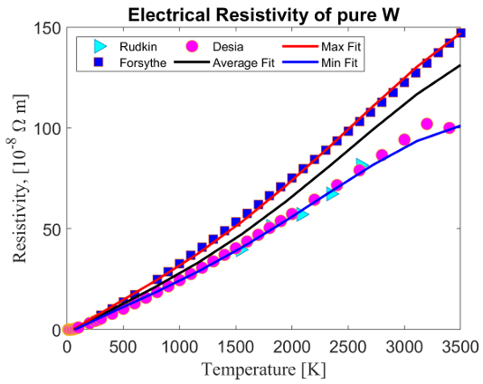

Fig 10. Properties of Tungsten and its Alloys Digital Materials Solutions, Inc.

W_CTE
EUROFER97

Temp (F) | Coefficient of Thermal Expansion
799.64081989 | 2.4231162508
2195.3192395 | 2.7602680356
3619.2836121 | 4.1642678072

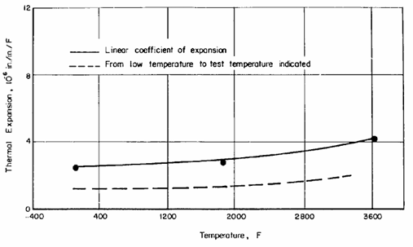

Fig A-1, Schmidt, Frank F. The engineering properties of tungsten and tungsten alloys. Vol. 191. Defense Metals Information Center, Battelle Memorial Institute, 1963.

W_emissivity
W Minissale_short |  | W Minissale_long |  | W Minissale_intermediate |  | W Brodu |  | W Rudkin |  | W Matsumoto |  | W Worthing

Temp (K) | Thermal Emissivity | Temp (K) | Thermal Emissivity | Temp (K) | Thermal Emissivity | Temp (K) | Thermal Emissivity | Temp (K) | Thermal Emissivity | Temp (K) | Thermal Emissivity | Temp (K) | Thermal Emissivity
41.095890411 | 0.027692307692 | 41.095890411 | 0.011538461538 | 45.205479452 | 0.014615384615 | 850.68493151 | 0.065384615385 | 1360.2739726 | 0.27615384615 | 1836.9863014 | 0.23769230769 | 1343.8356164 | 0.19461538462
160.2739726 | 0.043076923077 | 168.49315068 | 0.018461538462 | 156.16438356 | 0.02 | 879.45205479 | 0.08 | 1684.9315068 | 0.31153846154 | 1960.2739726 | 0.25307692308 | 1869.8630137 | 0.26923076923
279.45205479 | 0.066153846154 | 279.45205479 | 0.036153846154 | 275.34246575 | 0.034615384615 | 928.76712329 | 0.10846153846 | 1964.3835616 | 0.33230769231 | 2079.4520548 | 0.26384615385 | 2416.4383562 | 0.31923076923
460.2739726 | 0.1 | 460.2739726 | 0.063076923077 | 464.38356164 | 0.059230769231 | 1031.5068493 | 0.15923076923 | 2247.9452055 | 0.34615384615 | 2165.7534247 | 0.27384615385 | 2950.6849315 | 0.34769230769
595.89041096 | 0.13538461538 | 612.32876712 | 0.082307692308 | 591.78082192 | 0.086153846154 | 1130.1369863 | 0.20153846154 | 2539.7260274 | 0.35538461538 | 2264.3835616 | 0.28307692308 | 3489.0410959 | 0.37076923077
731.50684932 | 0.16307692308 | 706.84931507 | 0.11230769231 | 731.50684932 | 0.10923076923 | 1158.9041096 | 0.22153846154 | 2810.9589041 | 0.35692307692 | 2350.6849315 | 0.28846153846
 |  |  |  |  |  | 1241.0958904 | 0.24769230769 |  |  | 2445.2054795 | 0.29769230769
 |  |  |  |  |  | 1343.8356164 | 0.25923076923 |  |  | 2539.7260274 | 0.30230769231
 |  |  |  |  |  | 1343.8356164 | 0.27538461538 |  |  | 2679.4520548 | 0.30923076923
 |  |  |  |  |  | 1426.0273973 | 0.28384615385 |  |  | 2786.3013699 | 0.31615384615
 |  |  |  |  |  | 1557.5342466 | 0.28923076923 |  |  | 2913.6986301 | 0.32153846154
 |  |  |  |  |  | 1594.5205479 | 0.27692307692 |  |  | 3073.9726027 | 0.33076923077
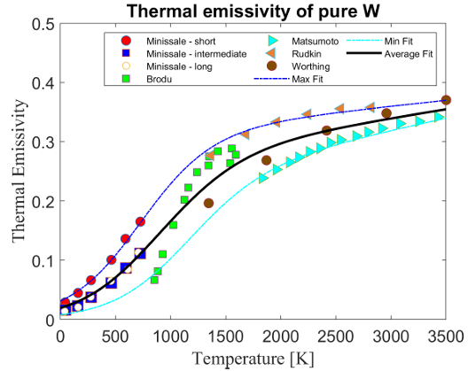
 |  |  |  |  |  | 1532.8767123 | 0.26230769231 |  |  | 3242.4657534 | 0.33384615385
 |  |  |  |  |  |  |  |  |  | 3419.1780822 | 0.34076923077

Fig 9. Properties of Tungsten and its Alloys Digital Materials Solutions, Inc.

W_elastic
W-Rolled Tungsten sheet

Number of cycles to failure | Max Stress (1000 PSI)
21340.122382 | 158.99280046
24831.602327 | 159.20844494
101861.27929 | 150.97273953
176464.96047 | 150.83768574
1453224.3336 | 129.07709737
3684240.7465 | 130.98257023
4364834.9569 | 119.83860835
6923317.7911 | 121.3227281
7841494.9785 | 114.65541306
10802434.05 | 116.22969133

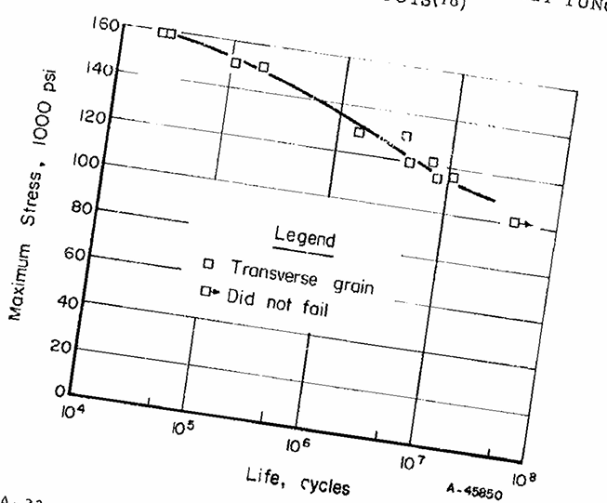

Fig A-23, Schmidt, Frank F. The engineering properties of tungsten and tungsten alloys. Vol. 191. Defense Metals Information Center, Battelle Memorial Institute, 1963.

W_hardness
W

Temp (C) | Hardness (VHN)
1200.4080919 | 472.84372908
1300.4383013 | 446.40308525
1398.9571574 | 442.18295589
1499.1869962 | 373.18133236
1599.562582 | 373.10642718

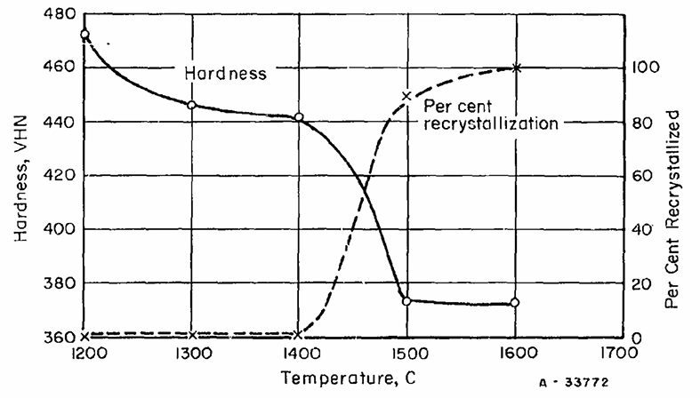

Fig A-25, Schmidt, Frank F. The engineering properties of tungsten and tungsten alloys. Vol. 191. Defense Metals Information Center, Battelle Memorial Institute, 1963.

W_Yield_Strength
W Plansee |  | W Drury |  | W Streichen |  | W Shen |  | W Skoro ASTM06 |  | W Skoro ASTM03

Temp (K) | Yield Strength (MPa) | Temp (K) | Yield Strength (MPa) | Temp (K) | Yield Strength (MPa) | Temp (K) | Yield Strength (MPa) | Temp (K) | Yield Strength (MPa) | Temp (K) | Yield Strength (MPa)
469.58174905 | 1219.2471174 | 287.07224335 | 1377.4127485 | 321.29277567 | 1286.0188878 | 319.39163498 | 1395.7711212 | 1718.6311787 | 90.688274753 | 1965.7794677 | 54.60524282
498.09885932 | 1179.6709326 | 811.78707224 | 890.67436397 | 473.38403042 | 908.27923583 | 469.58174905 | 1072.905654 | 1773.7642586 | 87.751553371 | 2017.1102662 | 51.660793224
526.61596958 | 1146.1923089 | 1100.7604563 | 696.13975702 | 663.49809886 | 713.54369532 | 657.79467681 | 847.67844447 | 1826.9961977 | 78.713406906 | 2076.0456274 | 51.780580543
551.33079848 | 1106.6083959 | 1380.2281369 | 474.14680516 | 865.01901141 | 576.75816872 | 861.21673004 | 671.26263563 | 1929.6577947 | 72.824507713 | 2133.0798479 | 45.79894278
577.94676806 | 1079.223469 | 1642.5855513 | 239.92395437 | 1083.6501901 | 485.7391264 | 1083.6501901 | 577.20254104 | 2024.7148289 | 66.920152091 | 2235.7414449 | 39.910043587
600.76045627 | 1045.733253 | 1920.1520913 | 66.707626202 | 1258.5551331 | 434.26535596 |  |  | 2121.6730038 | 48.824538626 | 2296.5779468 | 36.984914526
623.57414449 | 1012.2430369 | 2201.5209125 | 39.84048966 |  |  |  |  | 2332.6996198 | 43.155893536 | 2378.3269962 | 34.102290643
663.49809886 | 975.73881727 |  |  |  |  |  |  | 2235.7414449 | 42.958824075 | 2477.1863118 | 34.303224211
676.80608365 | 942.22928066 |  |  |  |  |  |  | 2439.1634981 | 34.225942069
703.42205323 | 905.6980123
731.9391635 | 875.26816903
781.36882129 | 802.19790411
806.08365019 | 780.90667409
908.74524715 | 710.99338465
958.17490494 | 692.80116851
1062.7376426 | 628.98930415
1134.9809886 | 583.4044329
1190.1140684 | 549.97990664
1268.0608365 | 489.16272528
1288.973384 | 455.66864509
1342.2053232 | 388.70366936
1403.0418251 | 291.26634517
1429.6577947 | 260.83263779
1479.0874525 | 206.0550558
1557.0342205 | 142.18909394
1583.6501901 | 120.90172803
1807.9847909 | 72.57720486
1946.7680608 | 60.664162725
1711.026616 | 182.13623296
2114.0684411 | 54.906643173
2309.8859316 | 43.109524251

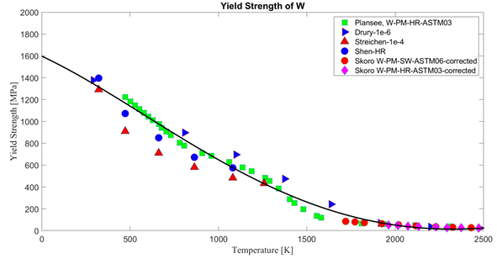

Fig 14. Properties of Tungsten and its Alloys Digital Materials Solutions, Inc.

Fig 14. Properties of Tungsten and its Alloys Digital Materials Solutions, Inc.

W_Ultimate Strength
W Nogami |  | W k-doped WRe fit

Temp (K) | Ultimate Strength (MPa) | Temp (K) | Ultimate Strength (MPa)
-3.5897435897 | 859.53654189 | 87.948717949 | 1118.0035651
86.153846154 | 900.53475936 | 213.58974359 | 870.23172906
208.20512821 | 757.93226381 | 335.64102564 | 850.62388592
330.25641026 | 631.37254902 | 472.05128205 | 848.84135472
464.87179487 | 538.68092692 | 592.30769231 | 772.19251337
590.51282051 | 583.24420677 | 725.12820513 | 720.49910873
721.53846154 | 540.46345811 | 856.15384615 | 736.54188948
863.33333333 | 519.07308378 | 1112.8205128 | 667.02317291
1105.6410256 | 486.98752228 | 1365.8974359 | 629.59001783
1371.2820513 | 429.94652406

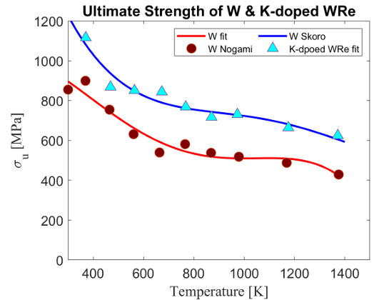

Fig 13. Properties of Tungsten and its Alloys Digital Materials Solutions, Inc.

W_ductility
W-CFETR |  | W-IGP

Temp (C) | Flexural Strain (%) | Temp (C) | Flexural Strain (%)
200 | 0.47056401811 | 200 | 0.26307122273
250 | 0.89296006587 | 300 | 0.53725813092
300 | 4.4796212433 | 350.78125 | 3.3978103129
325 | 6.1432688349 | 400.78125 | 5.8432611157
350.78125 | 13.720576883 | 450 | 8.8073281186
375.78125 | 17.355406031 | 474.21875 | 15.03570142
 |  | 500 | 15.247015233
 |  | 525 | 14.265129683

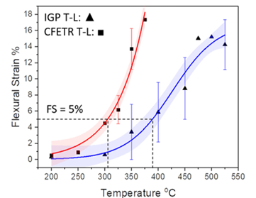

Fig 4. Yin, Chao, et al. "Ductile to brittle transition in ITER specification tungsten assessed by combined fracture toughness and bending tests analysis." Materials Science and Engineering: A 750 (2019): 20-30.

W_toughness
W-CFETR |  | W-CFETR

Temp (C) | Fracture Toughness (MPa·m ^1/2) | Temp (C) | Fracture Toughness (MPa·m ^1/2)
23.819643352 | 9.1561181435 | 21.996116887 | 8.4848484848
101.28430195 | 10 | 102.28808769 | 8.4848484848
200.86852074 | 12.869198312 | 201.55324535 | 8.3164983165
304.44423912 | 25.52742616 | 301.10840768 | 18.080808081
353.04444239 | 29.4092827 | 401.91206469 | 20.606060606
380.04250208 | 35.991561181 | 452.14677185 | 41.144781145
404.54587453 | 33.122362869 | 501.92926835 | 46.195286195
454.77224429 | 38.523206751 | 551.71668018 | 51.414141414
504.05617666 | 35.316455696 | 601.45493868 | 54.949494949
555.89023376 | 42.067510549
604.49043703 | 45.949367089

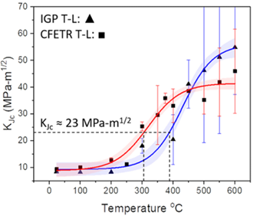

Fig 4. Yin, Chao, et al. "Ductile to brittle transition in ITER specification tungsten assessed by combined fracture toughness and bending tests analysis." Materials Science and Engineering: A 750 (2019): 20-30.

W_creep
W-5Re 1year |  | W-5Re 3year |  | W-5Re 10year |  | W-5Re 2/3 yield |  | W-5Re 1/3 ultimate |  | W 1year |  | W 3year |  | W 10year |  | W 1/3 ultimate |  | W 2/3 yield

Temp (C) | Stress (MPa) | Temp (C) | Stress (MPa) | Temp (C) | Stress (MPa) | Temp (C) | Stress (MPa) | Temp (C) | Stress (MPa) | Temp (C) | Stress (MPa) | Temp (C) | Stress (MPa) | Temp (C) | Stress (MPa) | Temp (C) | Stress (MPa) | Temp (C) | Stress (MPa)
147.320953 | 4.8080808081 | 144.11358238 | 4.7878787879 | 140.90549197 | 4.7474747475 | 134.95213417 | 7.6565656566 | 137.09637947 | 7.8383838384 | 152.73133143 | 2.5489922514 | 149.64798558 | 2.6244392453 | 146.2856039 | 2.6614651527 | 9.1502285947 | 18.394363476 | 31.712421387 | 12.924080792
155.48693587 | 4 | 152.27956525 | 3.9797979798 | 148.71518031 | 3.9393939394 | 163.72921615 | 5.3333333333 | 164.42453034 | 4.8484848485 | 165.35126317 | 2.0174290068 | 161.70984567 | 2.0160338277 | 158.06735496 | 2.0529524137 | 30.56622808 | 13.843181867 | 40.766060658 | 9.7091588143
165.78420787 | 3.0101010101 | 161.86496797 | 3.0101010101 | 158.65687756 | 2.9696969697 | 192.87338948 | 3.3131313131 | 193.21816742 | 2.9898989899 | 175.16688489 | 1.5997338428 | 171.52332096 | 1.6749661937 | 167.60286763 | 1.6351499281 | 40.403314087 | 12.659211402 | 53.690785379 | 8.296486295
175.01907435 | 2.202020202 | 170.74353991 | 2.202020202 | 166.82214065 | 2.1414141414 | 221.6979774 | 2.3232323232 | 220.24976607 | 1.6767676768 |  |  |  |  |  |  | 53.056515486 | 10.939921441 | 63.534310674 | 6.8826332396
 |  |  |  |  |  |  |  |  |  |  |  |  |  |  |  | 63.716757174 | 10.369293181 | 74.482173904 | 6.0439159458
 |  |  |  |  |  |  |  |  |  |  |  |  |  |  |  | 74.657107901 | 9.7987722424 | 99.722037391 | 4.9807894567
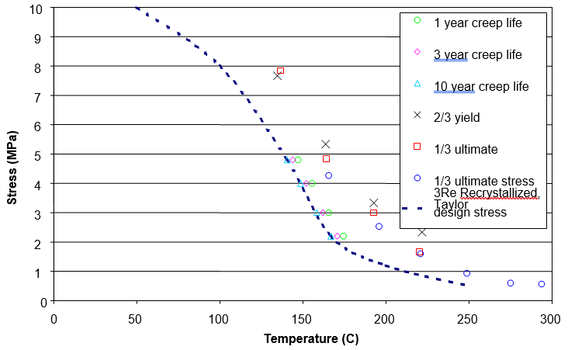
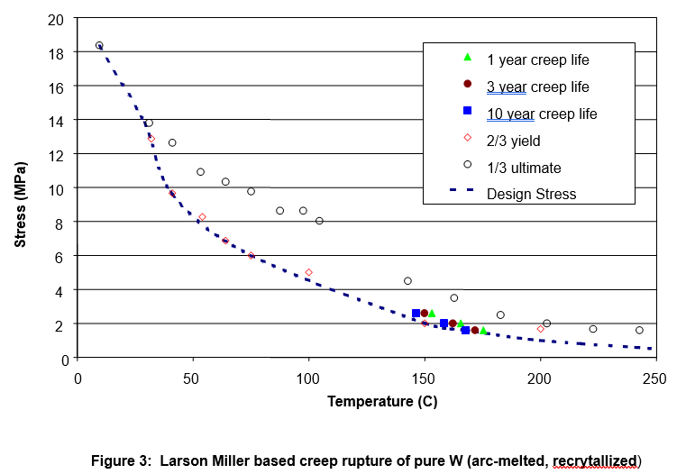
 |  |  |  |  |  |  |  |  |  |  |  |  |  |  |  | 87.014102041 | 8.6540814355 | 149.66515701 | 2.0114190045
 |  |  |  |  |  |  |  |  |  |  |  |  |  |  |  | 97.375990041 | 8.7346798601 | 199.81326064 | 1.7241194273
 |  |  |  |  |  |  |  |  |  |  |  |  |  |  |  | 104.39696066 | 8.0860288909
 |  |  |  |  |  |  |  |  |  |  |  |  |  |  |  | 142.8706347 | 4.5758655477
 |  |  |  |  |  |  |  |  |  |  |  |  |  |  |  | 162.50617098 | 3.5872201593
 |  |  |  |  |  |  |  |  |  |  |  |  |  |  |  | 182.70299856 | 2.5604756488
 |  |  |  |  |  |  |  |  |  |  |  |  |  |  |  | 202.88372792 | 2.108437614
 |  |  |  |  |  |  |  |  |  |  |  |  |  |  |  | 222.78112859 | 1.771233553
 |  |  |  |  |  |  |  |  |  |  |  |  |  |  |  | 242.67208998 | 1.6639120823

Fig5. Design Window for Tungsten Alloys For the APEX Evolve Study |  |  |  |  |  |  |  |  |  | Fig 3. Design Window for Tungsten Alloys For the APEX Evolve Study

W_fatigue
W RLU |  | W RLP |  | W FU |  | W FP |  | W 280C RLP |  | W 280 FU |  | W 280 FP |  | W 480 FP

Cycles to failure (N) | Stress (Mpa) | Cycles to failure (N) | Stress (Mpa) | Cycles to failure (N) | Stress (Mpa) | Cycles to failure (N) | Stress (Mpa) | Cycles to failure (N) | Stress (Mpa) | Cycles to failure (N) | Stress (Mpa) | Cycles to failure (N) | Stress (Mpa) | Cycles to failure (N) | Stress (Mpa)
1.0026100636 | 318.10307737 | 135.53420787 | 288.75064362 | 1.0233632939 | 212.57115047 | 68632.290321 | 187.3449149 | 12.187518851 | 264.4929465 | 556.18328843 | 311.40537663 | 86.005420205 | 221.87520233 | 1.0021805779 | 222.46868908
1.0074578811 | 160.9742765 | 318.90452266 | 263.53851471 | 4055.6836546 | 225.42231815 | 98642.625401 | 171.44670856 | 25.304241188 | 301.68837989 | 3259.0624123 | 324.06103202 | 230.22326745 | 217.13989742 | 441.26843352 | 272.76219525
48.115249239 | 349.11657039 | 668.89202319 | 275.36518617 | 38814.940149 | 213.53393005 | 244986.86982 | 186.57962857 | 48.912041878 | 263.84730485 | 124042.20596 | 257.73798819 | 2023915.6323 | 246.31606587 | 1498.7266684 | 179.5973642
70.987484274 | 336.9742624 | 3867.9956902 | 313.12695289 | 95022.035588 | 201.46039202 | 285848.11938 | 156.5818151 | 2024418.5656 | 250.92008431 | 2057123.1544 | 297.879274 | 1995206.1306 | 231.58500529 | 1669.9974015 | 184.64739693
73.756951479 | 323.84625151 | 65376.460072 | 251.59722663 | 463243.87633 | 202.14456506 | 201164.17776 | 141.99376486 | 2028496.934 | 288.21263371 | 2027338.0442 | 277.62339129 | 2020950.8681 | 219.15235704 | 30805.894904 | 197.15018452
303.5245807 | 311.84324679 | 125382.01838 | 289.67815654 | 692334.74966 | 188.59688102 | 375170.98831 | 142.07840482 | 2027136.5658 | 275.78178391 | 2026784.0266 | 272.558971 | 1992629.96 | 207.64410937 | 313637.72053 | 196.38045019
47992.330563 | 299.86669206 | 246609.60497 | 313.69121931 | 1981968.9629 | 189.20875741 | 1975557.6603 | 126.8255782 | 1969153.207 | 238.03242955 | 2023111.1989 | 238.94963635 | 2045756.659 | 195.20966268 | 1989908.7838 | 182.32200793
58390.312936 | 325.69069736 | 644215.37269 | 301.62649795 | 1980762.245 | 177.48259591 | 2002888.7504 | 141.3677818 |  |  | 2018692.527 | 198.43427404 | 2067936.1416 | 145.02406319 | 1988623.7035 | 170.35155997
197743.55143 | 311.78505681 | 579524.21085 | 264.08867447 | 1983321.3599 | 202.3420583 | 2004548.4015 | 157.31536145 |  |  | 1986154.7273 | 147.33146775
253239.59042 | 324.48281456 | 1993639.4927 | 302.24895434 |  |  | 2032280.5675 | 171.85756505
263651.90567 | 350.28565987 | 1992377.1316 | 290.05374638
1946085.2131 | 337.4239122 | 1991018.5597 | 276.92044549
1993493.7948 | 300.84181496 | 1964040.8256 | 264.25442773
2018121.0198 | 287.24123095 | 1962749.3904 | 251.5901733
439755.0313 | 200.26132589 | 1961506.5887 | 239.39496533
456911.39556 | 187.13331499
119874.20649 | 174.75648377
1952448.4321 | 150.27613788
1975365.1608 | 124.94939236
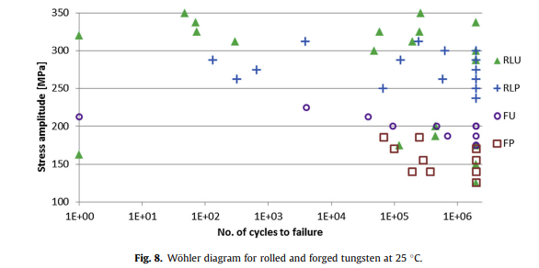
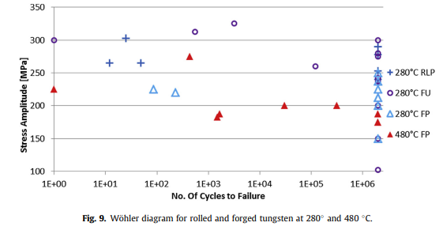

Fig 8. Habainy, Jemila, et al. "Fatigue behavior of rolled and forged tungsten at 25, 280 and 480 C." Journal of Nuclear Materials 465 (2015): 438-447. |  |  |  |  |  |  |  | Fig 9. Habainy, Jemila, et al. "Fatigue behavior of rolled and forged tungsten at 25, 280 and 480 C." Journal of Nuclear Materials 465 (2015): 438-447.

