YS & TS
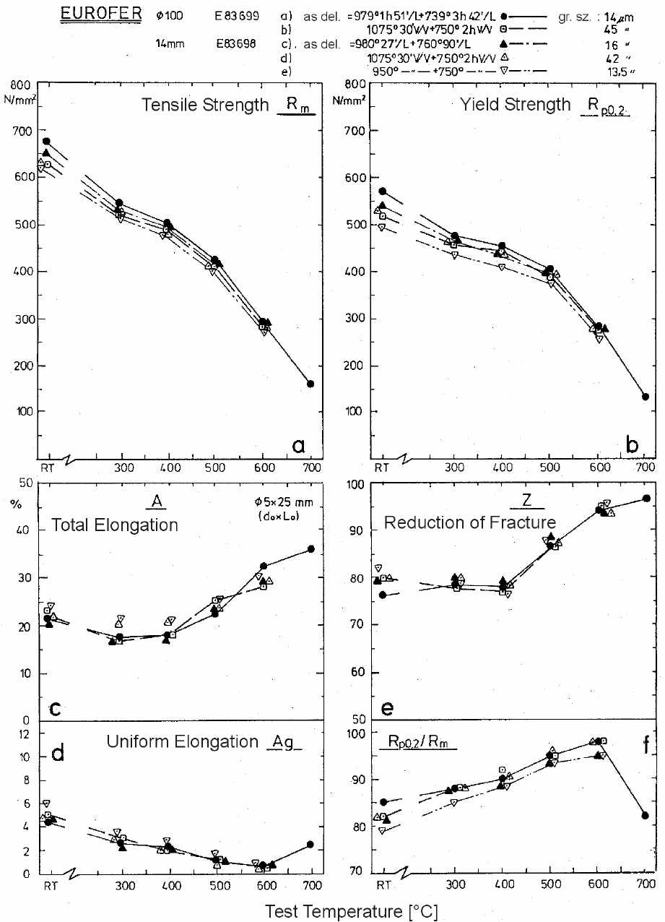
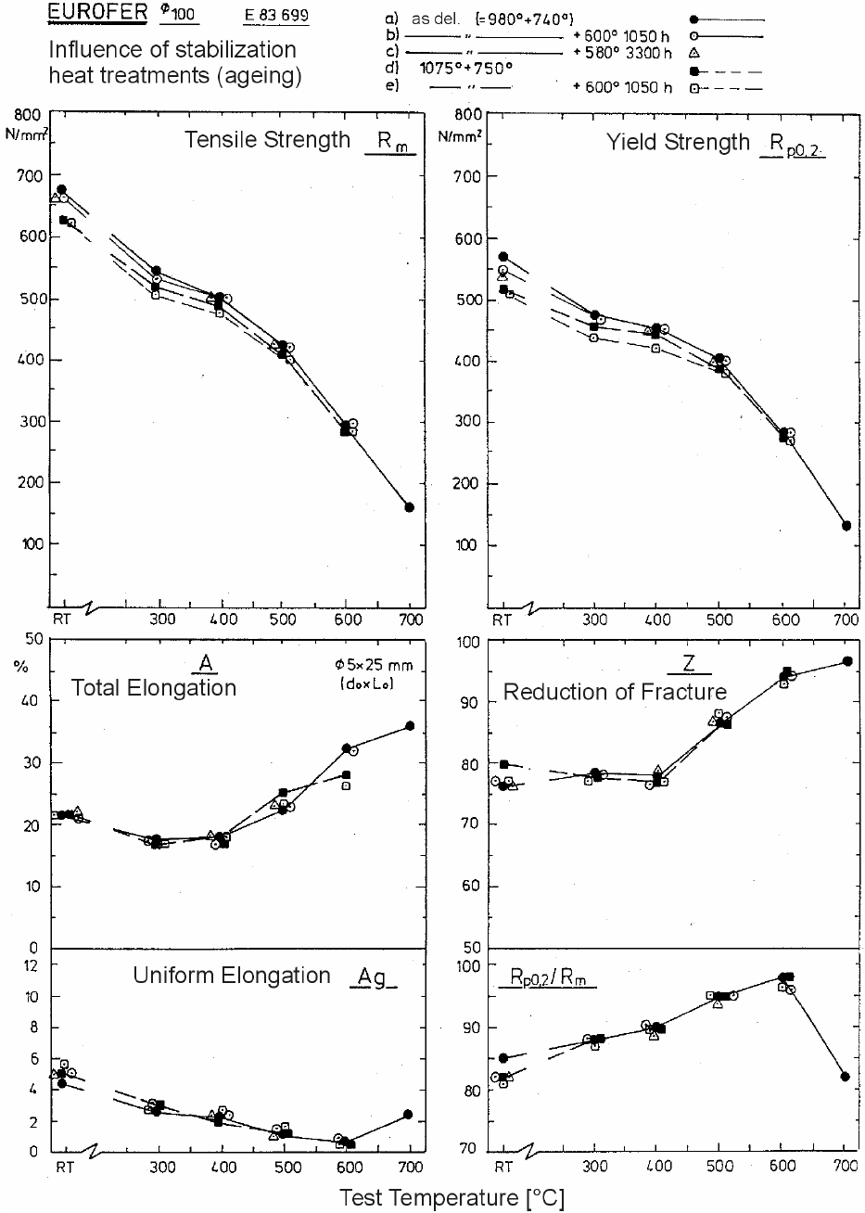
EUROFER97, Ø100 (E83699) |  |  |  | EUROFER97, 14 mm (E83698) |  |  |  |  |  | EUROFER97, Ø100 (E83699), aged
As-del. (979 °C 1h 51min + 739 °C 3h 42min) |  | 1075 °C 30min + 750 °C 2h |  | As-del. (980 °C 27min + 760 °C 90min) |  | 1075 °C 30min + 750 °C 2h |  | 950 °C 30min + 750 °C 2h |  | As-del. + 600 °C 1050h |  | As-del. + 580 °C 3300h |  | 1075 °C + 750 °C + 600 °C 1050h |  | (digitized from figures)
T [°C] | Y.S. [MPa] | T [°C] | Y.S. [MPa] | T [°C] | Y.S. [MPa] | T [°C] | Y.S. [MPa] | T [°C] | Y.S. [MPa] | T [°C] | Y.S. [MPa] | T [°C] | Y.S. [MPa] | T [°C] | Y.S. [MPa]
18.9 | 571.0 | 18.9 | 518.4 | 18.9 | 539.2 | 11.1 | 529.5 | 17.9 | 495.6 | 19.4 | 549.3 | 18.9 | 536.1 | 28.3 | 509.7
300.8 | 476.3 | 300.1 | 456.8 | 308.3 | 465.2 | 287.7 | 463.8 | 301.4 | 435.9 | 310.0 | 469.1 | 385.1 | 450.1 | 298.9 | 438.8
400.2 | 454.7 | 400.2 | 443.6 | 391.3 | 437.3 | 406.4 | 435.2 | 400.9 | 410.1 | 411.9 | 452.9 | 489.8 | 398.1 | 398.2 | 421.3
502.4 | 405.9 | 502.4 | 389.2 | 493.5 | 396.9 | 515.5 | 393.4 | 504.5 | 376.0 | 509.8 | 400.9 |  |  | 509.1 | 380.5
604.6 | 284.0 | 604.0 | 274.9 | 617.0 | 277.7 | 592.3 | 277.7 | 606.0 | 257.5 | 613.2 | 284.2 |  |  | 613.2 | 270.1
703.4 | 132.8

T [°C] | T.S. [MPa] | T [°C] | T.S. [MPa] | T [°C] | T.S. [MPa] | T [°C] | T.S. [MPa] | T [°C] | T.S. [MPa] | T [°C] | T.S. [MPa] | T [°C] | T.S. [MPa] | T [°C] | T.S. [MPa]
15.0 | 675.9 | 16.7 | 626.9 | 14.4 | 650.3 | 5.0 | 631.0 | 5.6 | 619.3 | 18.3 | 662.2 | 7.8 | 660.8 | 27.8 | 621.7
298.0 | 544.9 | 296.0 | 519.8 | 294.6 | 530.3 | 303.5 | 526.8 | 300.8 | 512.1 | 298.9 | 531.4 | 384.9 | 501.0 | 297.5 | 505.2
398.2 | 502.4 | 396.1 | 489.1 | 405.7 | 494.0 | 400.2 | 478.0 | 388.6 | 476.6 | 411.0 | 498.9 | 486.0 | 424.6 | 398.6 | 475.5
498.3 | 423.6 | 496.3 | 410.3 | 507.2 | 415.2 | 484.6 | 410.3 | 492.8 | 399.9 | 509.4 | 419.7 |  |  | 510.1 | 399.2
598.5 | 292.5 | 597.8 | 282.0 | 608.8 | 289.0 | 608.1 | 279.2 | 601.9 | 270.2 | 609.9 | 295.9 |  |  | 609.2 | 282.5
699.3 | 159.3

Tables 6, 7, 8 (copied from article):
EUROFER97, Ø100 (E83699) |  |  |  | EUROFER97, 14 mm (E83698) |  |  |  |  |  | EUROFER97, Ø100 (E83699), aged
As-del. (979 °C 1h 51min + 739 °C 3h 42min) |  | 1075 °C 30min + 750 °C 2h |  | As-del. (980 °C 27min + 760 °C 90min) |  | 1075 °C 30min + 750 °C 2h |  | 950 °C 30min + 750 °C 2h |  | As-del. + 600 °C 1050h |  | As-del. + 580 °C 3300h |  | 1075 °C + 750 °C + 600 °C 1050h
T [°C] | Y.S. [MPa] | T [°C] | Y.S. [MPa] | T [°C] | Y.S. [MPa] | T [°C] | Y.S. [MPa] | T [°C] | Y.S. [MPa] | T [°C] | Y.S. [MPa] | T [°C] | Y.S. [MPa] | T [°C] | Y.S. [MPa]
RT | 568.0 | RT | 513.0 | RT | 537.0 | RT | 519.0 | RT | 495.0 | RT | 547.0 | RT | 541.0 | RT | 506.0
300.0 | 479.0 | 300.0 | 456.0 | 300.0 | 469.0 | 300.0 | 460.0 | 300.0 | 432.0 | 300.0 | 472.0 | 400.0 | 450.0 | 300.0 | 436.0
400.0 | 453.0 | 400.0 | 447.0 | 400.0 | 442.0 | 400.0 | 434.0 | 400.0 | 417.0 | 400.0 | 454.0 | 500.0 | 399.0 | 400.0 | 420.0
500.0 | 404.0 | 500.0 | 384.0 | 500.0 | 392.0 | 500.0 | 391.0 | 500.0 | 374.0 | 500.0 | 401.0 |  |  | 500.0 | 378.0
600.0 | 284.0 | 600.0 | 278.0 | 600.0 | 277.0 | 600.0 | 284.0 | 600.0 | 265.0 | 600.0 | 283.0 |  |  | 600.0 | 274.0
700.0 | 133.0

T [°C] | T.S. [MPa] | T [°C] | T.S. [MPa] | T [°C] | T.S. [MPa] | T [°C] | T.S. [MPa] | T [°C] | T.S. [MPa] | T [°C] | T.S. [MPa] | T [°C] | T.S. [MPa] | T [°C] | T.S. [MPa]
RT | 671.0 | RT | 627.0 | RT | 652.0 | RT | 630.0 | RT | 624.0 | RT | 666.0 | RT | 660.0 | RT | 624.0
300.0 | 544.0 | 300.0 | 519.0 | 300.0 | 536.0 | 300.0 | 521.0 | 300.0 | 511.0 | 300.0 | 537.0 | 400.0 | 503.0 | 300.0 | 503.0
400.0 | 503.0 | 400.0 | 487.0 | 400.0 | 497.0 | 400.0 | 481.0 | 400.0 | 474.0 | 400.0 | 503.0 | 500.0 | 425.0 | 400.0 | 468.0
500.0 | 424.0 | 500.0 | 404.0 | 500.0 | 419.0 | 500.0 | 409.0 | 500.0 | 399.0 | 500.0 | 422.0 |  |  | 500.0 | 400.0
600.0 | 291.0 | 600.0 | 284.0 | 600.0 | 292.0 | 600.0 | 290.0 | 600.0 | 280.0 | 600.0 | 296.0 |  |  | 600.0 | 284.0
700.0 | 163.0

RA & EL
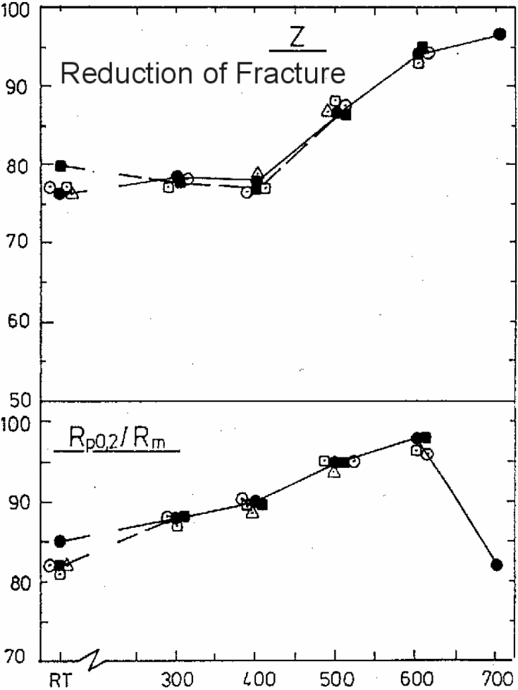
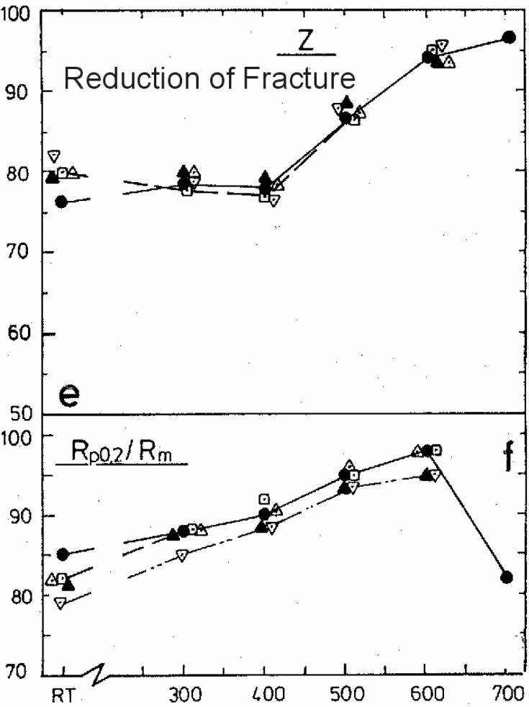
EUROFER97, Ø100 (E83699) |  |  |  | EUROFER97, 14 mm (E83698) |  |  |  |  |  | EUROFER97, Ø100 (E83699), aged
As-del. (979 °C 1h 51min + 739 °C 3h 42min) |  | 1075 °C 30min + 750 °C 2h |  | As-del. (980 °C 27min + 760 °C 90min) |  | 1075 °C 30min + 750 °C 2h |  | 950 °C 30min + 750 °C 2h |  | As-del. + 600 °C 1050h |  | As-del. + 580 °C 3300h |  | 1075 °C + 750 °C + 600 °C 1050h
T [°C] | Z [%] | T [°C] | Z [%] | T [°C] | Z [%] | T [°C] | Z [%] | T [°C] | Z [%] | T [°C] | Z [%] | T [°C] | Z [%] | T [°C] | Z [%]

T [°C] | A [%] | T [°C] | A [%] | T [°C] | A [%] | T [°C] | A [%] | T [°C] | A [%] | T [°C] | A [%] | T [°C] | A [%] | T [°C] | A [%]

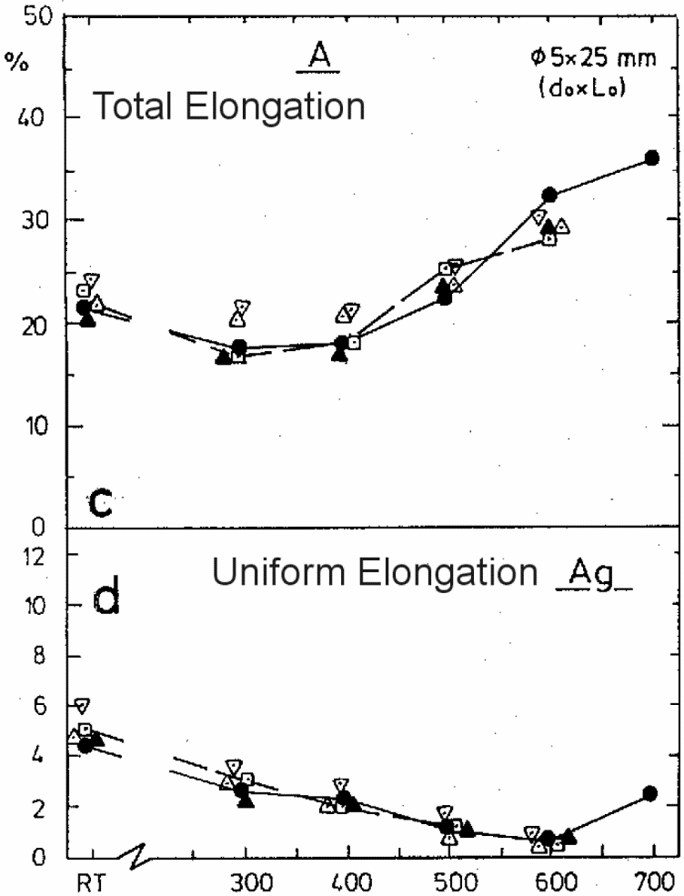
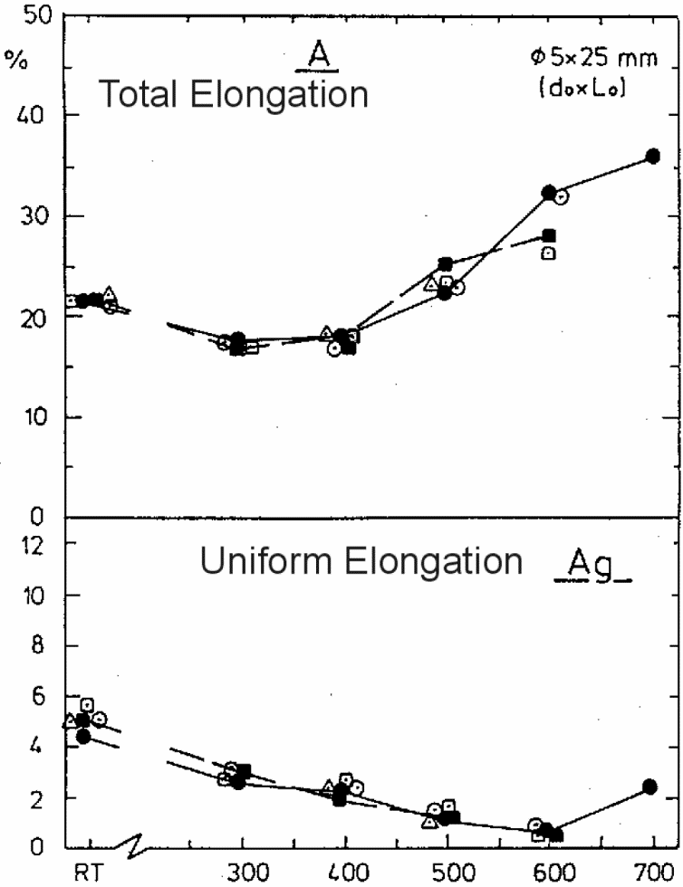
Tables 6, 7, 8 (copied from article):
EUROFER97, Ø100 (E83699) |  |  |  | EUROFER97, 14 mm (E83698) |  |  |  |  |  | EUROFER97, Ø100 (E83699), aged
As-del. (979 °C 1h 51min + 739 °C 3h 42min) |  | 1075 °C 30min + 750 °C 2h |  | As-del. (980 °C 27min + 760 °C 90min) |  | 1075 °C 30min + 750 °C 2h |  | 950 °C 30min + 750 °C 2h |  | As-del. + 600 °C 1050h |  | As-del. + 580 °C 3300h |  | 1075 °C + 750 °C + 600 °C 1050h
T [°C] | Z [%] | T [°C] | Z [%] | T [°C] | Z [%] | T [°C] | Z [%] | T [°C] | Z [%] | T [°C] | Z [%] | T [°C] | Z [%] | T [°C] | Z [%]
RT | 76.3 | RT |  | RT | 79.9 | RT |  | RT |  | RT |  | RT |  | RT
300.0 | 78.8 | 300.0 |  | 300.0 | 80.1 | 300.0 |  | 300.0 |  | 300.0 |  | 300.0 |  | 300.0
400.0 | 78.0 | 400.0 |  | 400.0 | 78.8 | 400.0 |  | 400.0 |  | 400.0 |  | 400.0 |  | 400.0
500.0 | 87.3 | 500.0 |  | 500.0 | 88.8 | 500.0 |  | 500.0 |  | 500.0 |  | 500.0 |  | 500.0
600.0 | 94.3 | 600.0 |  | 600.0 | 94.1 | 600.0 |  | 600.0 |  | 600.0 |  | 600.0 |  | 600.0
700.0 | 96.6 |  |  |  |  | 700.0 |  | 700.0 |  | 700.0 |  | 700.0 |  | 700.0

T [°C] | A [%] | T [°C] | A [%] | T [°C] | A [%] | T [°C] | A [%] | T [°C] | A [%] | T [°C] | A [%] | T [°C] | A [%] | T [°C] | A [%]
RT | 21.4 | RT |  | RT | 20.8 | RT |  | RT |  | RT |  | RT |  | RT
300.0 | 17.5 | 300.0 |  | 300.0 | 16.8 | 300.0 |  | 300.0 |  | 300.0 |  | 300.0 |  | 300.0
400.0 | 18.0 | 400.0 |  | 400.0 | 16.8 | 400.0 |  | 400.0 |  | 400.0 |  | 400.0 |  | 400.0
500.0 | 22.4 | 500.0 |  | 500.0 | 23.5 | 500.0 |  | 500.0 |  | 500.0 |  | 500.0 |  | 500.0
600.0 | 32.4 | 600.0 |  | 600.0 | 29.3 | 600.0 |  | 600.0 |  | 600.0 |  | 600.0 |  | 600.0
700.0 | 36.0 | 700.0 |  |  |  | 700.0 |  | 700.0 |  | 700.0 |  | 700.0 |  | 700.0

Impact & fracture toughness
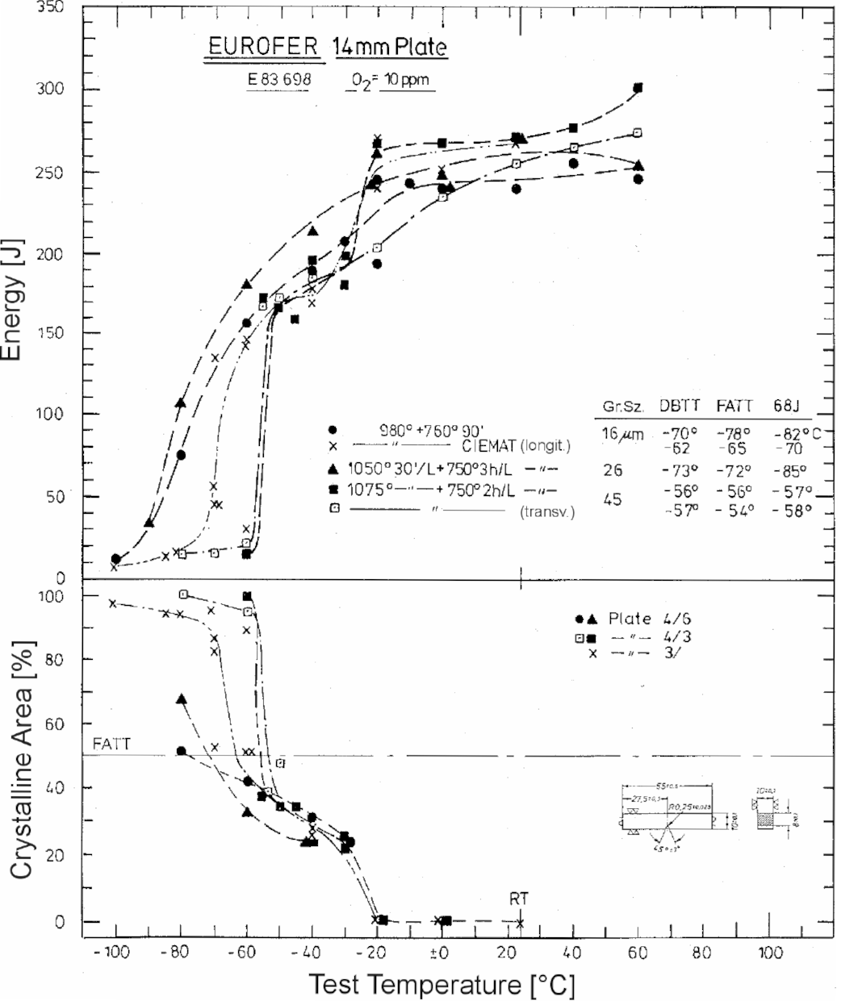
EUROFER97, heat 83698, 14 mm plate
980 °C + 760 °C 90 min |  | 980 °C + 760 °C 90 min longit.* |  | 1050 °C 30 min/L + 750 °C 3 h/L longit. |  | 1075 °C 30 min/L + 750 °C 2 h/L longit. |  | 1075 °C 30 min/L + 750 °C 2 h/L transv. |  | (digitized from figure) | * CIEMAT results in the figure say longitudinal, but in Fernandez et al. 2001 they are reported as transverse orientation.
T [°C] | E [J] | T [°C] | E [J] | T [°C] | E [J] | T [°C] | E [J] | T [°C] | E [J]
-99.6 | 12.7 | -100.4 | 7.6 | -89.5 | 34.5 | -59.8 | 15.7 | -79.3 | 15.7
-79.6 | 76.1 | -84.4 | 13.7 | -79.8 | 108.1 | -54.7 | 172.0 | -69.4 | 15.7
-59.5 | 156.8 | -81.4 | 16.7 | -59.8 | 180.1 | -50.2 | 165.9 | -59.8 | 22.3
-39.5 | 188.7 | -69.7 | 45.7 | -39.5 | 213.1 | -44.8 | 159.3 | -54.7 | 166.9
-29.6 | 206.5 | -69.7 | 56.8 | -21.5 | 241.0 | -39.5 | 195.3 | -49.7 | 172.0
-19.7 | 193.3 | -69.4 | 135.5 | -20.0 | 260.3 | -29.9 | 180.1 | -39.5 | 184.2
-19.7 | 244.5 | -68.2 | 45.2 | 0.0 | 247.1 | -29.4 | 197.9 | -19.7 | 202.9
-9.9 | 242.5 | -59.8 | 30.9 | 2.6 | 239.5 | -19.7 | 266.4 | 0.3 | 233.9
0.0 | 239.0 | -60.1 | 142.6 | 24.4 | 268.9 | 0.0 | 266.9 | 22.6 | 254.2
22.8 | 239.0 | -59.5 | 146.1 | 59.9 | 253.2 | 22.6 | 270.4 | 40.3 | 264.3
40.1 | 254.7 | -39.8 | 169.5 |  |  | 40.1 | 276.5 | 59.6 | 273.5
59.9 | 245.1 | -39.8 | 178.1 |  |  | 59.9 | 300.4
 |  | -19.7 | 240.0
 |  | -19.7 | 269.4
 |  | 0.0 | 251.1
 |  | 22.6 | 266.9

DBTT [°C] | FATT [°C] | DBTT [°C] | FATT [°C] | DBTT [°C] | FATT [°C] | DBTT [°C] | FATT [°C] | DBTT [°C] | FATT [°C]
-70 | -78 | -62 | -65 | -73 | -72 | -56 | -56 | -57 | -54

Tables 4a and 4b, 14 mm plate (copied from article):
980 °C + 760 °C 90 min transv. |  | 1050 °C 30 min/L + 750 °C 3 h/L transv. |  | 1075 °C 30 min/L + 750 °C 2 h/L transv. |  | 1075 °C 30 min/L + 750 °C 2 h/L longit.
T [°C] | E [J] | T [°C] | E [J] | T [°C] | E [J] | T [°C] | E [J]
-100 | 12 | -90 | 33 | -60 | 15 | -80 | 15
-80 | 75 | -80 | 105 | -55 | 171 | -70 | 15
-60 | 156 | -60 | 180 | -50 | 165 | -60 | 21
-40 | 189 | -40 | 213 | -45 | 156 | -55 | 168
-30 | 207 | -20 | 261 | -40 | 195 | -50 | 171
-20 | 246 | -20 | 243 | -30 | 198 | -40 | 183
-20 | 192 | 0 | 249 | -30 | 180 | -20 | 204
-10 | 243 | 0 | 240 | -20 | 267 | 0 | 234
0 | 240 | RT | 270 | 0 | 267 | RT | 255
RT | 240 | 60 | 252 | RT | 270 | 40 | 264
40 | 255 |  |  | 40 | 276 | 60 | 273
60 | 246 |  |  | 60 | 300

DBTT [°C] | FATT [°C] | DBTT [°C] | FATT [°C] | DBTT [°C] | FATT [°C] | DBTT [°C] | FATT [°C]
-70 | -78 | -73 | -72 | -56 | -56 | -57 | -54

Tables 5a and 5b, Ø100 mm bar (copied from article):
980 °C + 740 °C 90 min longit. |  | 980 °C + 740 °C 90 min transv.
T [°C] | E [J] | T [°C] | E [J]
RT | 246 | +60° | 219
 | 265 | RT | 207
 | 246 |  | 225
 | 249 |  | 228
 | 246 |  | 237
 | Ø251 |  | 210
+-0° | 246 |  | Ø222
 | 249 | +-0°C | 213
 | 258 |  | 235
 | 252 |  | 219
 | 258 |  | 204
 | Ø253 |  | 228
-20° | 231 |  | Ø220
 | 252 | -10° | 192
 | 210 |  | 174
 | 207 |  | 237
 | 189 |  | 222
 | Ø218 |  | 207
-35° | 210 |  | Ø207
 | 195 | -20° | 168
 | 231 |  | 186
 | Ø212 |  | 189
-40° | 186 |  | 165
 | 219 |  | 174
 | 213 |  | Ø177
 | 192 | -30° | 168
 | 210 |  | 141
 | Ø204 |  | 147
-50° | 183 |  | 171
 | 168 |  | 159
 | 171 |  | Ø157
 | 186 | -40° | 150
 | Ø177 |  | 135
-60° | 168 |  | 153
 | 168 |  | 153
 | 111 |  | 153
 | 183 |  | Ø148
 | 162
 | Ø159

Creep properties
Tables 9, 10, 11, 12, 13 (copied from article):
 |  |  |  |  |  |  |  |  |  |  |  |  |  |  |  | as-delivered | * test not finished at the time of reporting
Creep Rupture Tests |  |  |  |  |  |  |  |  |  |  |  |  |  |  |  | heat treated
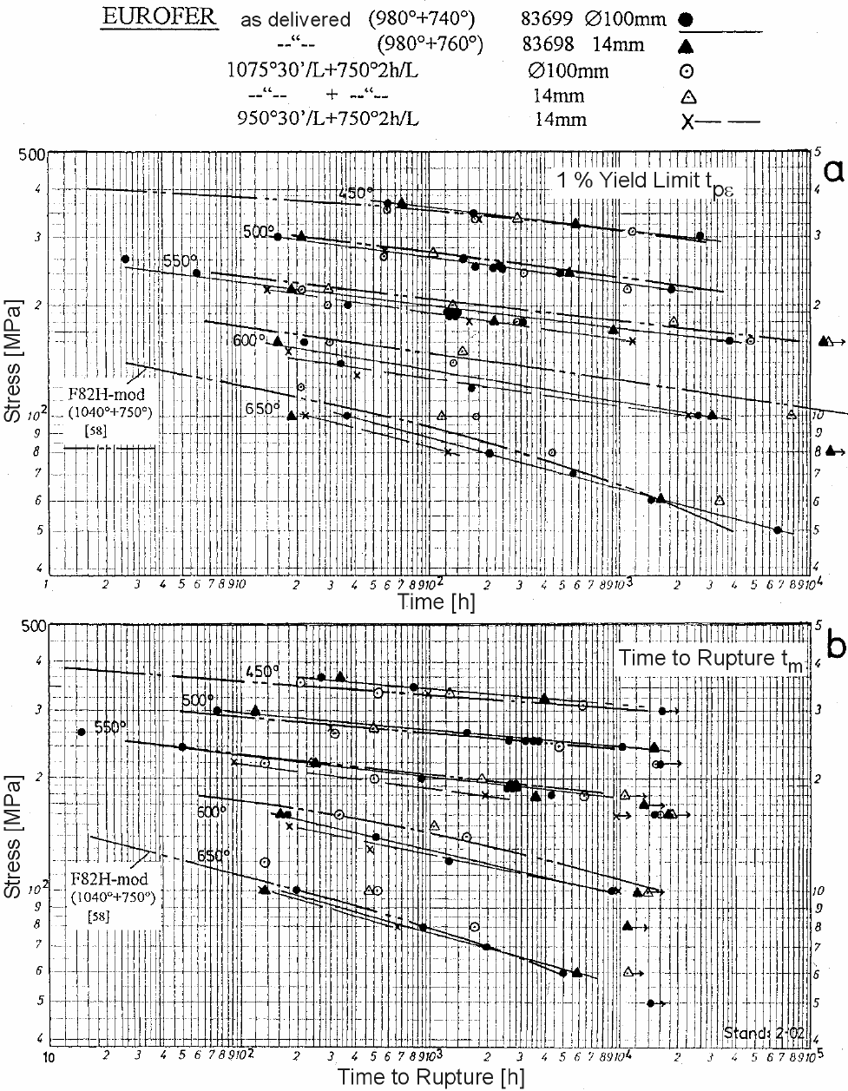
ZSV-No. = Test in Vacuum |  |  |  |  |  |  |  |  |  |  |  |  |  |  |  | aged

Table | Alloy, Heat, Condition | Test No. | T [°C] | S_0 [MPa] | t_m [h] | e_0 [%] | t_ef0.1% [h] | t_ef0.2% [h] | t_ef0.5% [h] | t_ef1% [h] | t_ef2% [h] | t_ef5% [h] | Spec. d0 x L0 [mm] | A_u [%] | Z_u [%] | e_pmin(abs) [x10^-6/h]
9 | EUROFER-Ø100 | 3968 | 450 | 360 | 265 | 0.26 | 0.5 | 3 | 19 | 60 | 144 | 245 | 5x25 | 24.0 | 84.1 | 113
 | E83699 | 3970 |  | 340 | 811 | 0.22 | 2 | 7 | 48 | 168 | 419 | 736 | 5x25 | 26.8 | 78.8 | 38
 | as delivered | 3986 |  | 300 |  | 0.20 | 6 | 42 | 565 | 2570 |  |  | 8x50 |  |  | 1.2*
 | (=980°C+740°C) | 3967 | 500 | 300 | 76 | 0.22 | 0.4 | 1.2 | 5.8 | 16 | 48 | 67 | 5x25 | 26.8 | 89.6 | 442
 |  | 3969 |  | 260 | 1587 | 0.20 | 1 | 4 | 37 | 150 | 485 | 1292 | 5x25 | 30.8 | 87.1 | 28
 |  | 4021 |  | 250 | 3419 | 0.16 | 1 | 6 | 55 | 233 | 861 | 2765 | 8x50 | 21.4 | 88.7 | 13
 |  | 4025 |  | 250 | 3730 | 0.18 | 1 | 6 | 53 | 235 | 868 | 3034 | 8x50 | 24.4 | 90.3 | 12
 |  | 4039 |  | 250 | 3153 | 0.17 | 2 | 7.5 | 52 | 216 | 803 | 2537 | 8x50 | 22.2 | 88.7 | 14
 |  | 4040 |  | 250 | 2539 | 0.16 | 2 | 5 | 46 | 173 | 610 | 1973 | 8x50 | 22.6 | 90.5 | 19
 |  | 3974 |  | 240 | 10222 | 0.16 | 2 | 12 | 111 | 480 | 2190 | 8955 | 8x50 | 20.0 | 95.0 | 3.4
 |  | 3989 |  | 220 |  | 0.28 | 3 | 25 | 285 | 1830 |  |  | 8x50 |  |  | 0.3*
 |  | 3965 | 550 | 260 | 15 | 0.16 |  | 0.2 | 1 | 2.6 | 7 | 13 | 5x25 | 34.4 | 91.0 | 2400
 |  | 3966 |  | 240 | 50 | 0.16 | 0.2 | 0.4 | 1.8 | 6 | 18 | 42 | 5x25 | 28.8 | 91.0 | 850
 |  | ZSV2745 |  | 200 | 895 | 0.16 | 0.25 | 1 | 7 | 36 | 184 | 856 | 5x25 | 31.6 | 91.1 | 46
 |  | 4013 |  | 190 | 2760 | 0.14 | 0.75 | 3.5 | 26 | 130 | 656 | 2294 | 8x50 | 22.0 | 91.0 | 15
 |  | 4022 |  | 190 | 2641 | 0.14 | 0.75 | 3 | 27 | 129 | 660 | 2255 | 8x50 | 21.8 | 90.3 | 15
 |  | 4036 |  | 190 | 2650 | 0.14 | 1 | 4 | 31 | 143 | 713 | 2362 | 8x50 | 19.8 | 92.5 | 14
 |  | 4037 |  | 190 | 2691 | 0.14 | 0.5 | 3 | 27 | 129 | 669 | 2282 | 8x50 | 21.6 | 90.3 | 15
 |  | 4041 |  | 190 | 2523 | 0.14 | 0.5 | 3 | 27 | 131 | 663 | 2218 | 8x50 | 20.4 | 88.7 | 13
 |  | ZSV2735 |  | 180 | 4372 | 0.12 | 1.5 | 7 | 70 | 306 | 1393 | 3685 | 8x50 | 23.8 | 90.3 | 9
 |  | 3988 |  | 160 |  | 0.12 | 3 | 25 | 360 | 3720 |  |  | 8x50 |  |  | 0.5*
 |  | 3997 | 600 | 160 | 172 | 0.14 | 0.3 | 1 | 6.5 | 22 | 64 | 139 | 5x25 | 32.8 | 92.2 | 230
 |  | ZSV2742 |  | 140 | 512 | 0.12 | 0.5 | 1 | 5 | 34 | 170 | 400 | 5x25 | 33.6 | 92.2 | 69
 |  | ZSV2746 |  | 120 | 1251 | 0.12 | 0.25 | 1 | 17 | 166 | 548 | 1050 | 5x25 | 30.4 | 93.3 | 24
 |  | ZSV2737 |  | 100 | 8920 | 0.06 | 2.5 | 17 | 560 | 2530 | 5615 |  | 8x50 | 24.4 | 91.8 | 2.2
 |  | 3972 | 650 | 100 | 197 | 0.12 | 0.25 | 1 | 9 | 36 | 88 | 157 | 5x25 | 50.4 | 96.0 | 175
 |  | ZSV2736 |  | 80 | 926 | 0.12 | 0.5 | 2.5 | 55 | 208 | 469 | 785 | 5x25 | 37.6 | 95.2 | 25
 |  | ZSV2780 |  | 70 | 1963 | 0.16 | 1 | 17 | 185 | 552 | 1104 | 1699 | 8x50 | 42.8 | 96.0 | 14
 |  | ZSV2775 |  | 60 | 4971 | 0.04 | 10 | 72 | 500 | 1440 | 2918 | 4447 | 8x50 | 32.6 | 95.6 | 5.1
 |  | ZSV2763 |  | 50 |  | 0.06 | 33 | 350 | 2845 | 6505 | 12312 |  | 8x50 |  |  | 1.2
10 | EUROFER-14mm | 3390 | 450 | 360 | 335 | 0.24 | 1 | 4 | 21 | 71 | 172 | 302 | 5×25 | 24.4 | 84.1 | 94
 | E83698 | 4003 |  | 320 | 3953 | 0.22 | 2.5 | 13 | 129 | 576 | 1723 | 3508 | 8×50 | 23.4 | 85.9 | 9
 | as delivered | 3992 | 500 | 300 | 120 | 0.32 | 0.25 | 1.25 | 6.5 | 21 | 53 | 100 | 5×25 | 29.6 | 88.5 | 292
 | (=980°C+760°C) | 3996 |  | 240 | 14802 | 0.16 | 3 | 14 | 120 | 547 | 2686 | 12023 | 8×50 | 22.8 | 89.8 | 2.7
 |  | 3987 | 550 | 220 | 248 | 0.04 | 0.2 | 1 | 5 | 19 | 61 | 184 | 5×25 | 32.4 | 89.8 | 216
 |  | 4005 |  | 180 | 3520 | 0.16 | 1 | 4.5 | 40 | 215 | 1100 | 3177 | 8×50 | 18.0 | 90.3 | 10
 |  | 4015 |  | 170 |  | 0.12 | 2 | 7.5 | 103 | 905 | 6050 |  | 8×50 |  |  | 1.7
 |  | 4002 |  | 160 |  | 0.12 | 18 | 165 | 4070 |  |  |  | 8×50 |  |  | 0.35*
 |  | 3991 | 600 | 160 | 162 | 0.12 | 0.15 | 0.5 | 3.5 | 16 | 57 | 130 | 5×25 | 40.8 | 91.0 | 240
 |  | ZSV2762 |  | 100 | 12068 | 0.10 | 1 | 12 | 505 | 3070 | 7489 | 11563 | 8×50 | 22.8 | 90.3 | 1.8
 |  | ZSV2772 |  | 80 |  | 0.08 | 7 | 148 | 6170 |  |  |  | 8×50 |  |  | 0.3*
 |  | ZSV2756 | 650 | 100 | 138 | 0.16 | 0.2 | 0.5 | 3 | 19 | 58 | 112 | 5×25 | 35.6 | 96.0 | 233
 |  | ZSV2766 |  | 60 | 5787 | 0.06 | 2 | 30 | 465 | 1604 | 3477 | 5284 | 8×50 | 29.0 | 94.5 | 4.6
11 | EUROFER-Ø100 | 3979 | 450 | 350 | 210 | 0.16 | 0.75 | 3.5 | 20 | 60 | 125 | 195 | 5×25 | 26.4 | 80.6 | 124
 | E83699 | ZSV2752 |  | 330 | 550 | 0.24 | 3 | 10 | 58 | 173 | 348 |  |  | 24.0 | 87.0 | 44
 | 1075 °C 30' V/V | 3983 |  | 310 | 6197 | 0.16 | 6 | 32 | 275 | 1130 | 3140 | 5878 |  | 21.2 | 75.1 | 5
 | +750 °C 2h V/V | ZSV2743 | 500 | 260 | 315 | 0.20 | 0.5 | 2 | 14 | 57 | 155 | 284 |  | 26.8 | 84.1 | 97
 |  | ZSV2750 |  | 240 | 4752 | 0.20 | 0.5 | 4 | 65 | 306 | 1310 | 4010 |  | 28.8 | 89.8 | 7.6
 |  | ZSV2748 |  | 220 |  | 0.16 | 1.5 | 8 | 180 | 1080 | 8790 |  |  |  |  | 0.7*
 |  | 3981 | 550 | 220 | 135 | 0.16 | 0.25 | 1.3 | 6.5 | 21 | 58 | 119 |  | 29.6 | 85.6 | 277
 |  | ZSV2739 |  | 200 | 501 | 0.16 | 0.25 | 0.75 | 5 | 29 | 144 | 483 |  | 26.4 | 91.1 | 70
 |  | ZSV2747 |  | 180 | 6399 | 0.16 | 0.75 | 3 | 36 | 285 | 2240 | 5880 |  | 28.8 | 89.8 | 4.1
 |  | ZSV2753 |  | 160 |  | 0.12 | 3 | 18 | 240 | 4810 |  |  |  |  |  | 0.3*
 |  | 3980 | 600 | 160 | 332 | 0.12 | 0.25 | 0.6 | 5.5 | 30 | 129 | 327 |  | 30.0 | 88.4 | 105
 |  | ZSV2740 |  | 140 | 1556 | 0.12 | 0.25 | 0.75 | 11 | 132 | 755 | 1448 |  | 26.0 | 91.0 | 15
 |  | ZSV2751 | 650 | 120 | 135 | 0.12 | 0.1 | 0.3 | 3.5 | 21 | 63 | 118 |  | 34.8 | 91.0 | 220
 |  | 3973 |  | 100 | 529 | 0.08 | 0.25 | 4 | 57 | 178 | 340 | 493 |  | 29.2 | 95.2 | 47
 |  | ZSV2741 |  | 80 | 1709 | 0.08 | 0.5 | 2 | 106 | 443 | 960 | 1480 |  | 40.8 | 94.3 | 16
12 | EUROFER-14mm | 4007 | 450 | 330 | 1258 | 0.36 | 2 | 11 | 78 | 288 | 701 | 1165 | 5x25 | 24.0 | 82.4 | 23
 | E83698 | 4019 | 500 | 270 | 492 | 0.20 | 1 | 5.5 | 34 | 106 | 255 | 450 |  | 30.0 | 89.8 | 63
 | 1075 °C 30' V/V | 4009 | 550 | 220 | 243 | 0.12 | 0.5 | 1 | 9 | 30 | 94 | 213 |  | 29.2 | 87.1 | 152
 | +750 °C 2h V/V | 4000 |  | 200 | 1862 | 0.18 | 1 | 4 | 31 | 133 | 598 | 1675 |  | 24.8 | 88.5 | 18
 |  | 4018 |  | 180 |  | 0.14 | 4 | 18 | 180 | 1829 | 10670 |  |  |  |  | 1.1
 |  | 3995 |  | 160 |  | 0.06 | 60 | 238 | 3560 |  |  |  |  |  |  | 0.2*
 |  | 4017 | 600 | 150 | 1047 | 0.14 | 0.5 | 3 | 25 | 148 | 515 | 943 |  | 27.6 | 92.2 | 26
 |  | ZSV2774 |  | 100 |  | 0.08 | 3 | 50 | 2200 | 7720 |  |  |  |  |  | 0.7*
 |  | ZSV2769 | 650 | 100 | 462 | 0.12 | 0.25 | 1.5 | 25 | 114 | 257 | 412 |  | 33.6 | 93.3 | 56
 |  | ZSV2770 |  | 60 |  | 0.08 | 0.5 | 50 | 1040 | 3300 | 7110 | 10697 |  |  |  | 2.2
 | EUROFER-14mm | 4016 | 450 | 330 | 997 | 0.26 | 1.5 | 6 | 47 | 177 | 475 | 876 |  | 25.6 | 84.1 | 32
 | E83698 | 4012 | 500 | 270 | 301 | 0.16 | 0.5 | 2.5 | 16 | 59 | 148 | 268 |  | 27.2 | 85.6 | 107
 | 950 °C 30' V/V | 4008 | 550 | 220 | 92 | 0.16 | 0.25 | 1 | 4.5 | 14 | 38 | 80 |  | 31.2 | 88.5 | 436
 | +750 °C 2h V/V | 4014 |  | 180 | 1976 | 0.08 | 1.25 | 6 | 39 | 166 | 640 | 1682 |  | 28.0 | 88.5 | 20
 |  | 4023 |  | 160 |  | 0.12 | 3 | 18 | 168 | 1175 | 7170 |  |  |  |  | 1.4
 |  | 4010 | 600 | 150 | 189 | 0.12 | 0.25 | 0.75 | 4.5 | 18 | 63 | 150 |  | 36.8 | 93.4 | 212
 |  | ZSV2771 |  | 130 | 481 | 0.12 | 0.25 | 1 | 7.5 | 42 | 173 | 384 |  | 41.6 | 95.2 | 71
 |  | ZSV2767 |  | 100 | 9972 | 0.12 | 0.5 | 4 | 216 | 2230 | 6325 | 9418 |  | 28.0 | 94.3 | 2.2
 |  | 4011 | 650 | 100 | 138 | 0.08 | 0.15 | 0.5 | 4.5 | 22 | 60 | 111 |  | 39.6 | 92.2 | 242
 |  | ZSV2781 |  | 80 | 664 | 0.08 | 0.25 | 1 | 18 | 125 | 332 | 558 |  | 47.2 | 96.1 | 44
13 | EUROFER-Ø100 | ZSV2764 | 450 | 310 | 7106 | 0.20 | 1.5 | 10 | 138 | 845 | 2940 | 6327 | 5x25 | 25.2 | 88.5 | 5
 | E83699 | 4027 | 500 | 260 | 1988 | 0.16 | 1 | 4 | 40 | 199 | 690 | 1723 |  | 28.0 | 87.1 | 20
 | as delivered | 4006 | 550 | 220 | 299 | 0.12 | 0.25 | 1.5 | 8 | 31 | 106 | 250 |  | 34.8 | 89.8 | 128
 | + 580 °C 3300 h | ZSV2782 |  | 200 | 1054 | 0.16 | 0.25 | 0.5 | 10 | 69 | 312 | 858 |  | 30.0 | 92.2 | 36
 |  | ZSV2779 |  | 180 | 3488 | 0.04 | 1.5 | 13 | 235 | 1030 | 2505 | 3439 |  | 29.6 | 87.2 | 5.5
 |  | ZSV2777 | 600 | 120 | 1827 | 0.12 | 0.5 | 3 | 53 | 292 | 838 | 1542 |  | 32.8 | 93.3 | 18
 |  | ZSV2765 | 650 | 80 | 879 | 0.12 | 0.5 | 2 | 19 | 120 | 380 | 728 |  | 40.0 | 94.3 | 36
 | EUROFER-Ø100 | ZSV2757 | 450 | 350 | 402 | 0.32 | 0.5 | 2.5 | 19 | 70 | 187 | 355 | 5×25 | 31.2 | 87.2 | 83
 | E83699 | 4001 |  | 310 |  | 0.34 | 2 | 12 | 195 | 1340 | 5680 |  |  |  |  | 2.1
 | as delivered | 3985 | 500 | 280 | 370 | 0.20 | 0.5 | 2 | 13 | 49 | 148 | 319 |  | 30.8 | 85.7 | 100
 | + 600 °C 1050 h | ZSV2758 |  | 260 | 1712 | 0.24 | 0.5 | 2 | 26 | 139 | 553 | 1449 |  | 30.4 | 89.7 | 22
 |  | 3998 |  | 220 |  | 0.14 | 12 | 76 | 860 | 6310 |  |  |  |  |  | 0.3*
 |  | 4004 | 550 | 220 | 273 | 0.16 | 0.5 | 1 | 7.5 | 29 | 96 | 227 |  | 36.4 | 88.5 | 145
 |  | 3984 |  | 200 | 1092 | 0.20 | 0.75 | 4 | 32 | 129 | 415 | 934 |  | 24.0 | 89.8 | 35
 |  | ZSV2755 |  | 180 | 3624 | 0.12 | 0.5 | 2.5 | 37 | 230 | 1088 | 3035 |  | 28.8 | 93.3 | 11
 |  | 4026 |  | 160 |  | 0.12 | 14 | 65 | 670 | 4250 |  |  |  |  |  | 0.9*
 |  | ZSV2754 | 600 | 140 | 358 | 0.16 | 0.5 | 1 | 8 | 44 | 137 | 290 |  | 34.4 | 94.3 | 103
 |  | ZSV2773 |  | 130 | 826 | 0.12 | 0.5 | 2 | 21 | 108 | 340 | 682 |  | 33.6 | 93.3 | 41
 |  | ZSV2761 |  | 120 | 1991 | 0.12 | 0.5 | 2.5 | 50 | 307 | 918 | 1685 |  | 33.2 | 92.3 | 15
 |  | 3994 | 650 | 100 | 187 | 0.12 | 0.5 | 2.3 | 14 | 41 | 87 | 151 |  | 49.6 | 94.3 | 190
 |  | ZSV2759 |  | 80 | 585 | 0.08 | 0.25 | 2 | 27 | 114 | 282 | 486 |  | 40.4 | 94.3 | 52
 |  | ZSV2760 |  | 60 | 4047 | 0.08 | 1 | 9 | 220 | 1000 | 2340 | 3618 |  | 50.8 | 96.0 | 6.7
 | EUROFER-Ø100 | 3999 | 550 | 200 | 1357 | 0.12 | 1 | 4 | 35 | 170 | 625 | 1260 | 5×25 | 28.8 | 87.1 | 23
 | E83699 | 3993 |  | 180 | 6798 | 0.12 | 1.5 | 7 | 70 | 500 | 2565 | 6546 |  | 27.6 | 88.5 | 4.3
 | 1075 °C | ZSV2776 | 600 | 140 | 1840 | 0.16 | 0.5 | 1.5 | 35 | 365 | 1085 | 1769 |  | 24.4 | 92.3 | 12
 | + 600 °C 1050 h | ZSV2778 | 650 | 100 | 361 | 0.08 | 1.5 | 16 | 100 | 210 | 308 | 357 |  | 33.6 | 95.1 | 34
 |  | ZSV2768 |  | 80 | 2148 | 0.12 | 1 | 22 | 290 | 780 | 1427 | 1990 |  | 35.2 | 92.2 | 10

