Figure 3
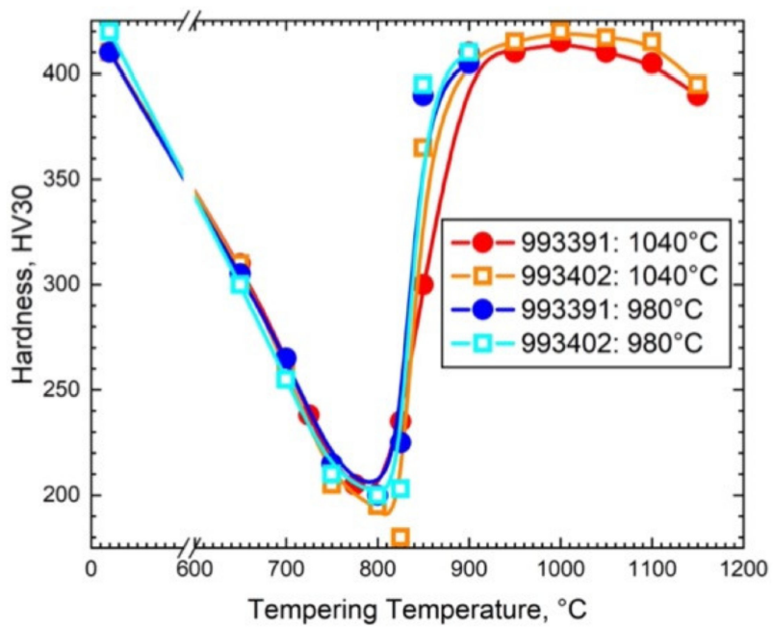
Hardness, HV30 |  | Hardness, HV30 |  | Hardness, HV30 |  | Hardness, HV30
Heat 993391 @ 1040 C |  | Heat 993402 @ 1040 C |  | Heat 993391 @ 980 C |  | Heat 993402 @ 980 C
Tempering Temp (°C) | Hardness | Tempering Temp (°C) | Hardness | Tempering Temp (°C) | Hardness | Tempering Temp (°C) | Hardness
20 | 410.2941176 | 20 | 410.2941176 | 20 | 409.6372549 | 20 | 420.2254902
650 | 310.5392157 | 650 | 309.8039216 | 650 | 305.1666667 | 650 | 300.2254902
700 | 264.7058824 | 700 | 260.0490196 | 700 | 264.5784314 | 700 | 255.04901961
725 | 237.7450980 | 750 | 204.9019608 | 750 | 214.4607843 | 750 | 210.2254902
775 | 204.6568627 | 800 | 195.0980392 | 800 | 199.9901961 | 800 | 199.99019608
825 | 234.8039216 | 825 | 179.6568627 | 825 | 225.0490196 | 825 | 202.81372549
850 | 299.5098039 | 850 | 364.7058824 | 850 | 389.8725490 | 850 | 394.81372549
950 | 410.2941176 | 950 | 414.9509804 | 900 | 405.4019608 | 900 | 410.34313725
1000 | 415.1960784 | 1000 | 419.8529412
1050 | 410.5392157 | 1050 | 417.1568627
1100 | 405.1470588 | 1100 | 414.7058824
1150 | 390.1960784 | 1150 | 394.8529412

Figure 4a
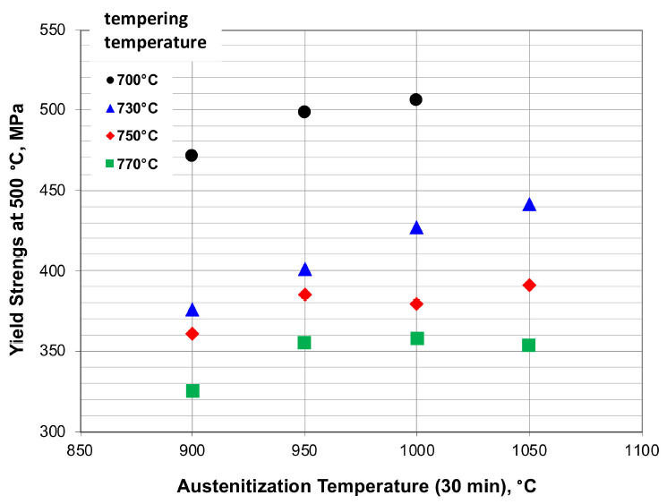
Tempering Temp = 700 C |  | Tempering Temp = 730 C |  | Tempering Temp = 750 C |  | Tempering Temp = 770 C
Austenitization Temp (°C) | Yield Strength at 500 C (MPa) | Austenitization Temp (°C) | Yield Strength at 500 C (MPa) | Austenitization Temp (°C) | Yield Strength at 500 C (MPa) | Austenitization Temp (°C) | Yield Strength at 500 C (MPa)
900 | 471.20899783 | 900 | 375.56293041 | 900 | 360.8157394 | 900 | 325.4207820
950 | 498.03427419 | 950 | 400.28061571 | 950 | 384.69157756 | 950 | 354.7758472
1000 | 505.47922708 | 1000 | 425.84354612 | 1000 | 378.65338438 | 1000 | 357.5851192
 |  | 1050 | 439.60787423 | 1050 | 390.31012142 | 1050 | 353.2314697

Figure 4b
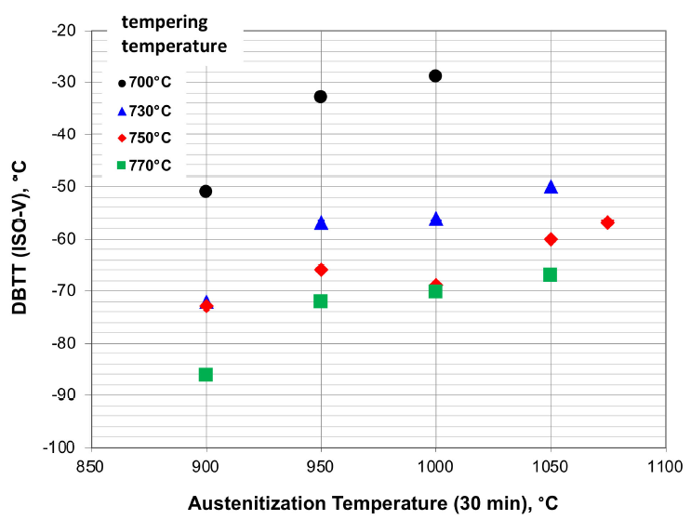
Tempering Temp = 700 C |  | Tempering Temp = 730 C |  | Tempering Temp = 750 C |  | Tempering Temp = 770 C
Austenitization Temp (°C) | DBTT (ISO-V) (°C) | Austenitization Temp (°C) | DBTT (ISO-V) (°C) | Austenitization Temp (°C) | DBTT (ISO-V) (°C) | Austenitization Temp (°C) | DBTT (ISO-V) (°C)
900 | -50.9549795 | 900 | -72.5648022 | 900 | -72.8922237 | 900 | -86.2346521
950 | -32.7830832 | 950 | -57.2578445 | 950 | -66.0982265 | 950 | -72.1555252
1000 | -28.8540246 | 1000 | -56.3574352 | 1000 | -69.0450205 | 1000 | -70.1909959
 |  | 1050 | -50.2182810 | 1050 | -60.2046385 | 1050 | -66.9986357
 |  |  |  | 1075 | -57.0122783

Figure 6a
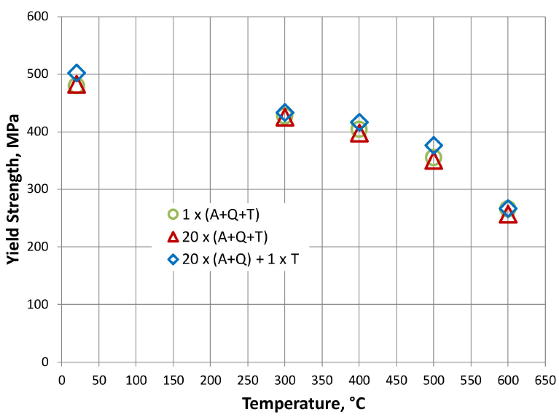
1 x (A+Q+T) |  | 20 x (A+Q+T) |  | 20 x (A+Q) + 1 x T
Temp (°C) | Yield Strength (MPa) | Temp (°C) | Yield Strength (MPa) | Temp (°C) | Yield Strength (MPa)
20 | 480.3863299 | 20 | 478.60326895 | 20 | 502.37741456
300 | 428.0832095 | 300 | 422.73402675 | 300 | 433.43239227
400 | 403.1203566 | 400 | 393.61069837 | 400 | 416.1961367
500 | 354.3833581 | 500 | 347.25111441 | 500 | 375.78008915
600 | 267.0133730 | 600 | 253.34323923 | 600 | 266.41901932

Figure 6b
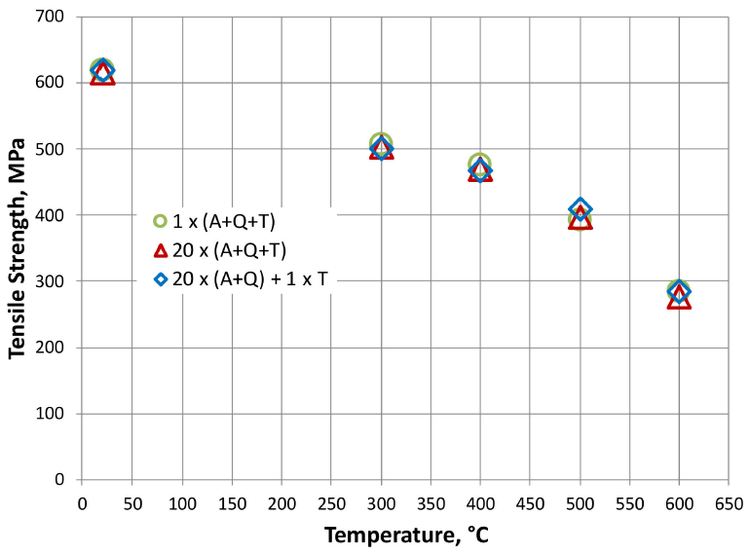
1 x (A+Q+T) |  | 20 x (A+Q+T) |  | 20 x (A+Q) + 1 x T
Temp (°C) | Tensile Strength (MPa) | Temp (°C) | Tensile Strength (MPa) | Temp (°C) | Tensile Strength (MPa)
20 | 619.1781852 | 20 | 609.5754208 | 20 | 619.1781852
300 | 506.34556052 | 300 | 497.4286671 | 300 | 499.4868500
400 | 476.04304809 | 400 | 464.3826705 | 400 | 466.4408533
500 | 391.55501324 | 500 | 392.2408843 | 500 | 408.0153489
600 | 284.43608183 | 600 | 270.7180910 | 600 | 284.4349425

Figure 6c
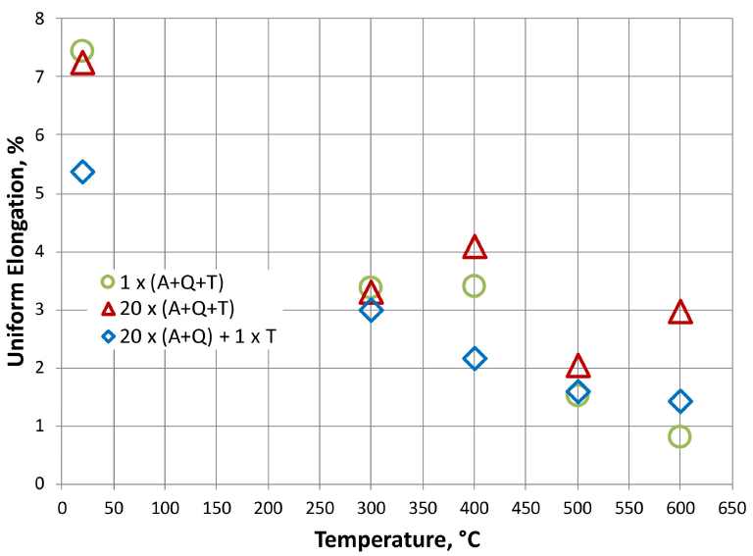
1 x (A+Q+T) |  | 20 x (A+Q+T) |  | 20 x (A+Q) + 1 x T
Temp (°C) | Uniform Elongation (%) | Temp (°C) | Uniform Elongation (%) | Temp (°C) | Uniform Elongation (%)
20 | 7.4461914 | 20 | 7.1955323 | 20 | 5.3626342
300 | 3.3690922 | 300 | 3.2280937 | 300 | 2.9852739
400 | 3.3911530 | 400 | 4.0177848 | 400 | 2.1535488
500 | 1.5098258 | 500 | 1.9719668 | 500 | 1.5803156
600 | 0.7956194 | 600 | 2.8948361 | 600 | 1.4065791

Figure 6d
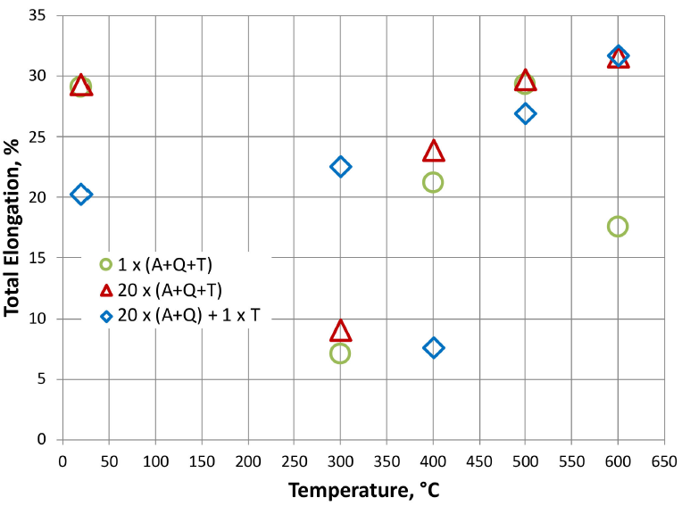
1 x (A+Q+T) |  | 20 x (A+Q+T) |  | 20 x (A+Q) + 1 x T
Temp (°C) | Total Elongation (%) | Temp (°C) | Total Elongation (%) | Temp (°C) | Total Elongation (%)
20 | 29.0778689 | 20 | 29.0437158 | 20 | 20.2322404
300 | 7.1174863 | 300 | 8.7909836 | 300 | 22.5204918
400 | 21.1885246 | 400 | 23.6816940 | 400 | 7.5956284
500 | 29.2827869 | 500 | 29.4877049 | 500 | 26.8579235
600 | 17.5683060 | 600 | 31.3319672 | 600 | 31.6734973

Figure 7
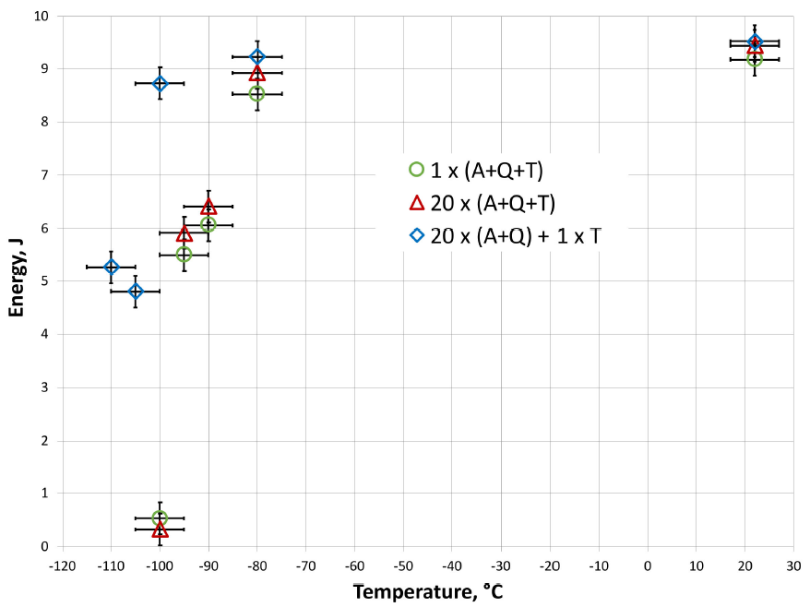
1 x (A+Q+T) |  | 20 x (A+Q+T) |  | 20 x (A+Q) + 1 x T
Temp (°C) | Charpy Impact Energy (J) | Temp (°C) | Charpy Impact Energy (J) | Temp (°C) | Charpy Impact Energy (J)
-100 | 0.5023474 | -100 | 0.2863850 | -110 | 5.2441315
-95 | 5.4882629 | -95 | 5.8732394 | -105 | 4.7934272
-90 | 6.0516432 | -90 | 6.3802817 | -100 | 8.7183099
-80 | 8.5211268 | -80 | 8.9061033 | -80 | 9.2159624
22 | 9.1784038 | 22 | 9.3943662 | 22 | 9.5070423

