Diffusivity
EUROFER97-Mergia

Temp (K) | Thermal Diffusivity Coef. (cm2/s)
295.59585492 | 0.081640711902
322.79792746 | 0.080789766407
373.31606218 | 0.077536151279
472.79792746 | 0.075784204672
573.05699482 | 0.070728587319
673.31606218 | 0.064822024472
772.79792746 | 0.058014460512
873.05699482 | 0.050255839822

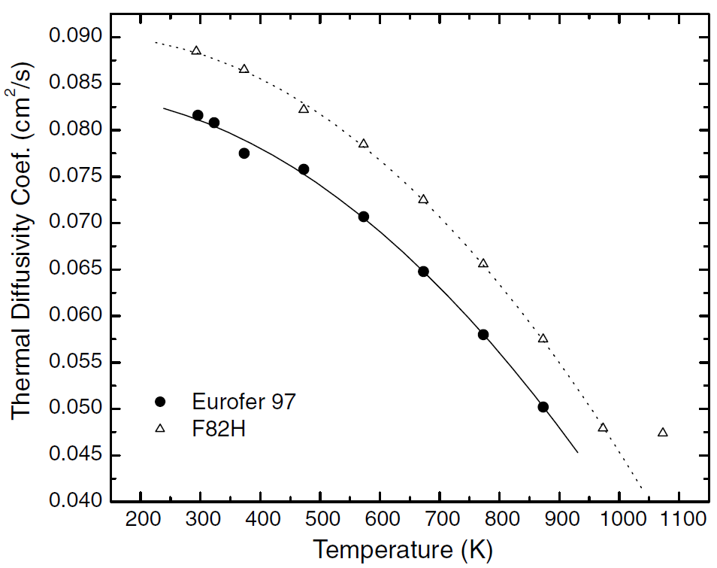

Reference: Figure 3 Mergia, K., and N. Boukos. "Structural, thermal, electrical and magnetic properties of Eurofer 97 steel." Journal of Nuclear Materials 373.1-3 (2008): 1-8.

Mergia&Boukos

Specific Heat
Mergia2008

Temp (K) | Specific Heat (J/kg-K)
296.1038961 | 448.39537869
322.72727273 | 461.48908858
348.05194805 | 475.35301669
373.37662338 | 485.36585366
398.05194805 | 496.14890886
423.37662338 | 504.62130937
447.4025974 | 513.86392811
472.72727273 | 521.5661104
498.05194805 | 530.03851091
522.72727273 | 536.97047497
548.05194805 | 544.67265725
572.72727273 | 550.83440308
598.05194805 | 556.99614891
622.72727273 | 565.46854942
648.05194805 | 573.17073171
673.37662338 | 583.95378691
698.05194805 | 597.04749679
722.72727273 | 611.68164313
747.4025974 | 628.62644416
773.37662338 | 655.58408216
797.4025974 | 687.16302953
822.72727273 | 721.05263158
847.4025974 | 764.18485237
872.72727273 | 801.15532734

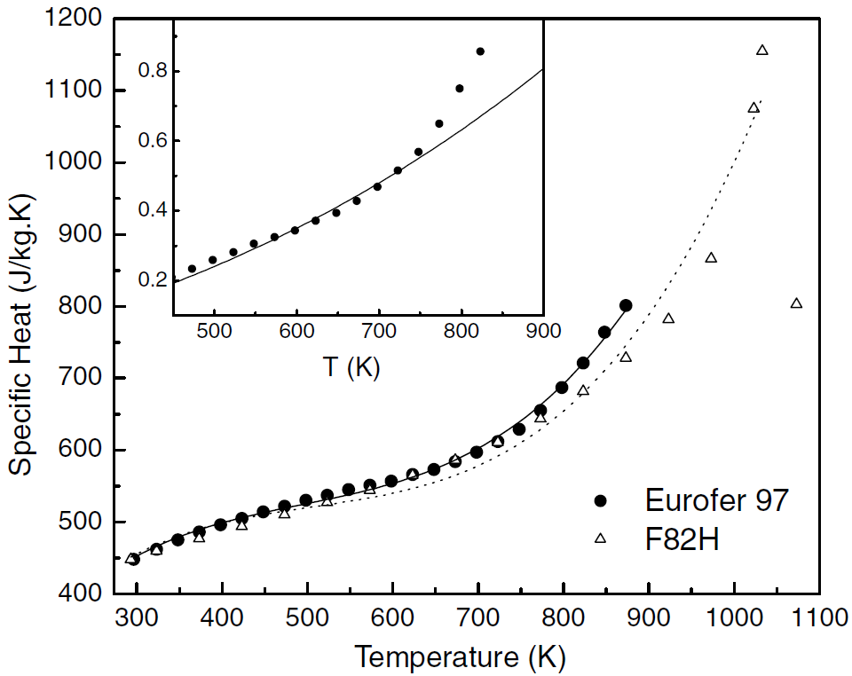

Reference: Figure 4 Mergia, K., and N. Boukos. "Structural, thermal, electrical and magnetic properties of Eurofer 97 steel." Journal of Nuclear Materials 373.1-3 (2008): 1-8. |  | Fig. 1.Chun, Y. B., D. W. Lee, and C. K. Rhee. "Physical, thermal, magnetic and mechanical properties of ARAA." Transactions of the Korean Nuclear Society Spring Meeting, Gyeongju, Korea. 2015.

Mergia&Boukos |  |  | Chun2015
 |  |  |  | Temp (C)
 |  |  |  | 20.54795
 |  |  |  | 53.42466
 |  |  |  | 100
 |  |  |  | 152.05479
 |  |  |  | 201.36986
 |  |  |  | 250.68493
 |  |  |  | 300
 |  |  |  | 349.31507
 |  |  |  | 398.63014
 |  |  |  | 450.68493
 |  |  |  | 500
 |  |  |  | 549.31507
 |  |  |  | 598.63014
 |  |  |  | 647.94521
 |  |  |  | 700

Conductivity
Mergia2008

Temp (K) | Thermal Conductivity, k (W/m-K)
295.83333333 | 28.330097087
322.61904762 | 28.932038835
372.61904762 | 29.194174757
473.21428571 | 30.669902913
572.61904762 | 30.194174757
672.61904762 | 29.330097087
772.61904762 | 29.446601942
872.61904762 | 31.174757282

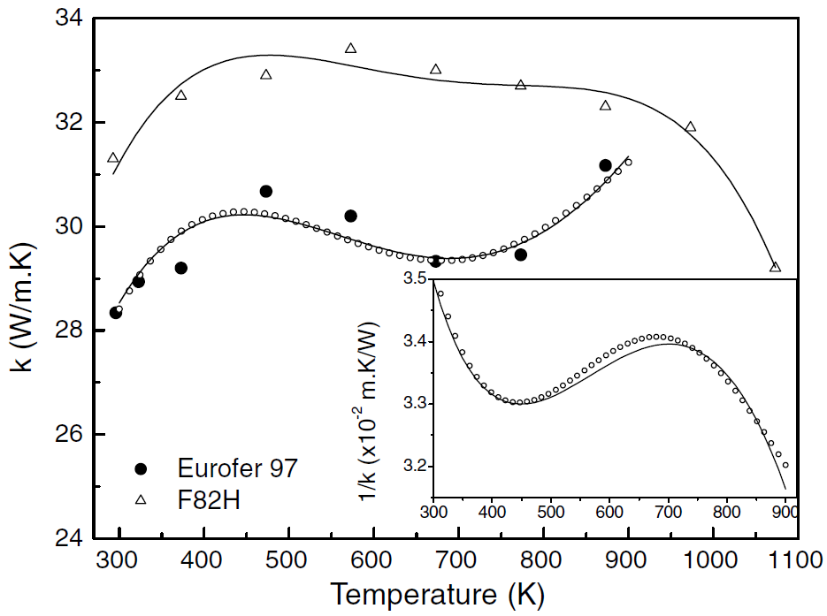

Reference: Figure 5 Mergia, K., and N. Boukos. "Structural, thermal, electrical and magnetic properties of Eurofer 97 steel." Journal of Nuclear Materials 373.1-3 (2008): 1-8.

Mergia&Boukos |  |  | Chun2015
 |  | Temp ( C )
 |  | 20.54795
 |  | 50.68493
 |  | 102.73973
 |  | 152.05479
 |  | 201.36986
 |  | 253.42466
 |  | 300
 |  | 352.05479
 |  | 401.36986
 |  | 450.68493
 |  | 502.73973
 |  | 552.05479
 |  | 601.36986

Resistivity
EUROFER97-Mergia

Temp (K) | Electrical Resistivity (x10-8 ohm-m)
303.31797235 | 51.077844311
327.64976959 | 54.550898204
344.23963134 | 56.467065868
365.80645161 | 59.101796407
396.22119816 | 62.814371257
423.31797235 | 66.407185629
450.41474654 | 69.281437126
467.00460829 | 71.437125749
497.41935484 | 75.508982036
523.41013825 | 77.425149701
545.52995392 | 81.137724551
577.05069124 | 84.730538922
601.93548387 | 87.245508982
657.78801843 | 93.473053892
682.11981567 | 96.22754491
708.11059908 | 99.580838323
734.65437788 | 102.5748503
763.41013825 | 105.80838323
783.87096774 | 107.96407186
817.05069124 | 111.19760479
850.23041475 | 114.19161677
883.96313364 | 117.4251497
924.88479263 | 121.37724551

*Important comment about data digitzed for EUROFER97: A subset of the data points were chosen along the least squares fit line. Difficult to discretize all points due to overlap.
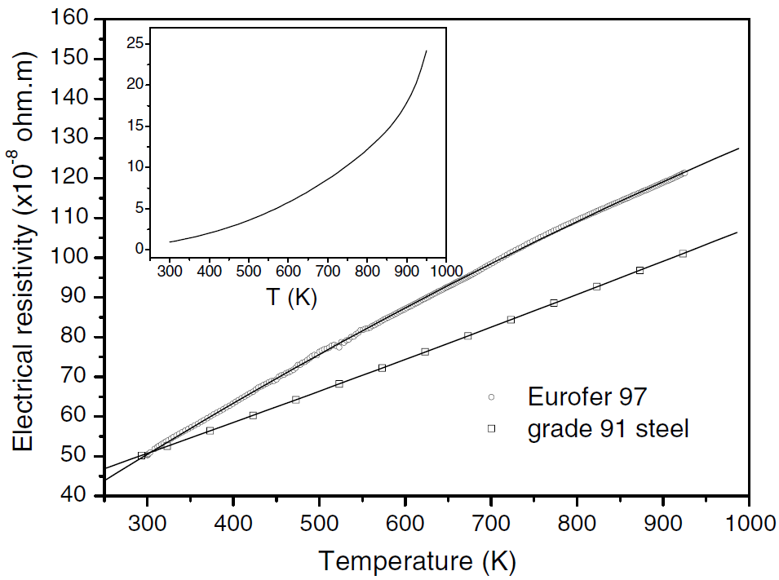

Reference: Figure 6 Mergia, K., and N. Boukos. "Structural, thermal, electrical and magnetic properties of Eurofer 97 steel." Journal of Nuclear Materials 373.1-3 (2008): 1-8.

Mergia&Boukos

CTE
F82H (JAERI data)

T (K) | Coefficient of Thermal Expansion (10-6/K)
373 | 10.7
473 | 11
573 | 11.2
673 | 11.7
773 | 12
873 | 12.3
973 | 12.5
1073 | 12.6
1173 | 10
1273 | 10.7

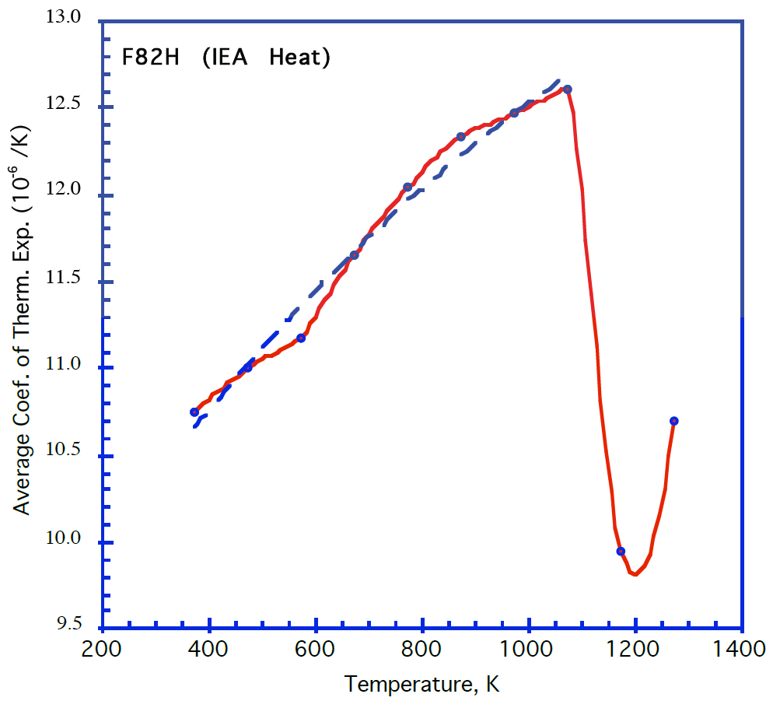

Reference: Tavassoli, F. et al 2004, "Fusion demo interim structural design criteria (DISDC) - Appendix A, Material design limit data", fig. A3.S18E.2.1.1.

NOTE: No specific data for Eurofer available, so F82H data is used instead

Emissivity
Echaniz2021 - As-rolled |  | Echaniz2021 - Polished |  | Echaniz2021 - polished

Temp (K) | Hemispherical Emissivity | Temp (K) | Hemispherical Emissivity | Temp (K) | Normal Emissivity
473.100872 | 0.180080 | 430.136986 | 0.116901 | 423 | 0.0835354
573.225405 | 0.214688 | 524.283935 | 0.128974 | 523 | 0.1009091
672.976339 | 0.245272 | 624.034869 | 0.142656 | 623 | 0.1203030
772.727273 | 0.273843 | 724.906600 | 0.156338 | 723 | 0.1407071
872.851806 | 0.302012 | 820.921544 | 0.176459 | 823 | 0.1629293

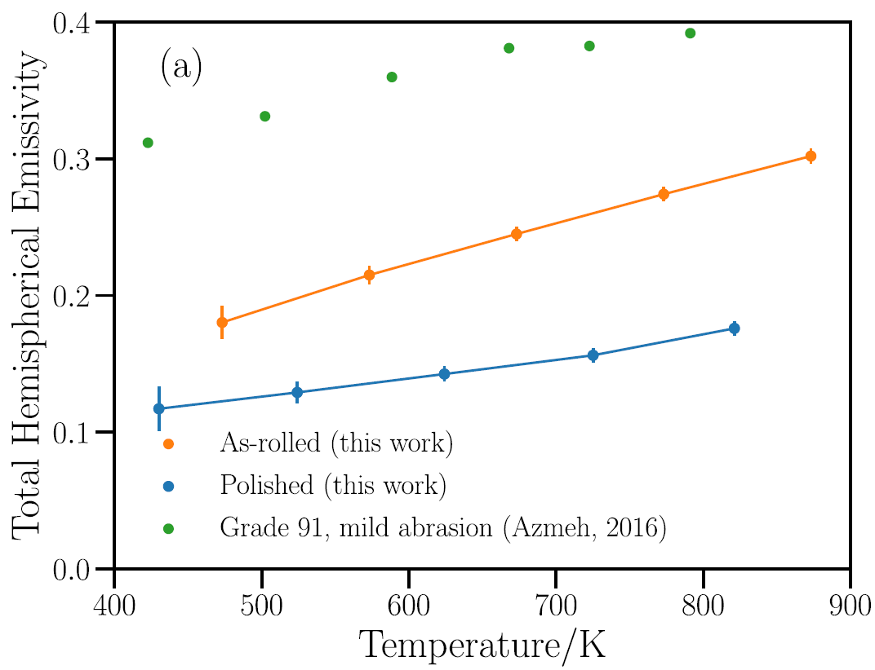
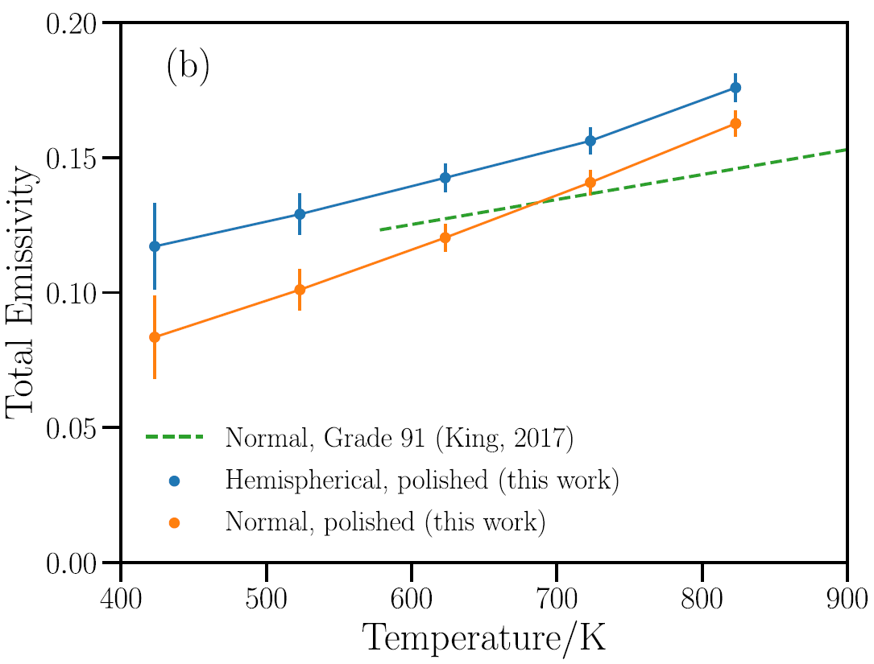
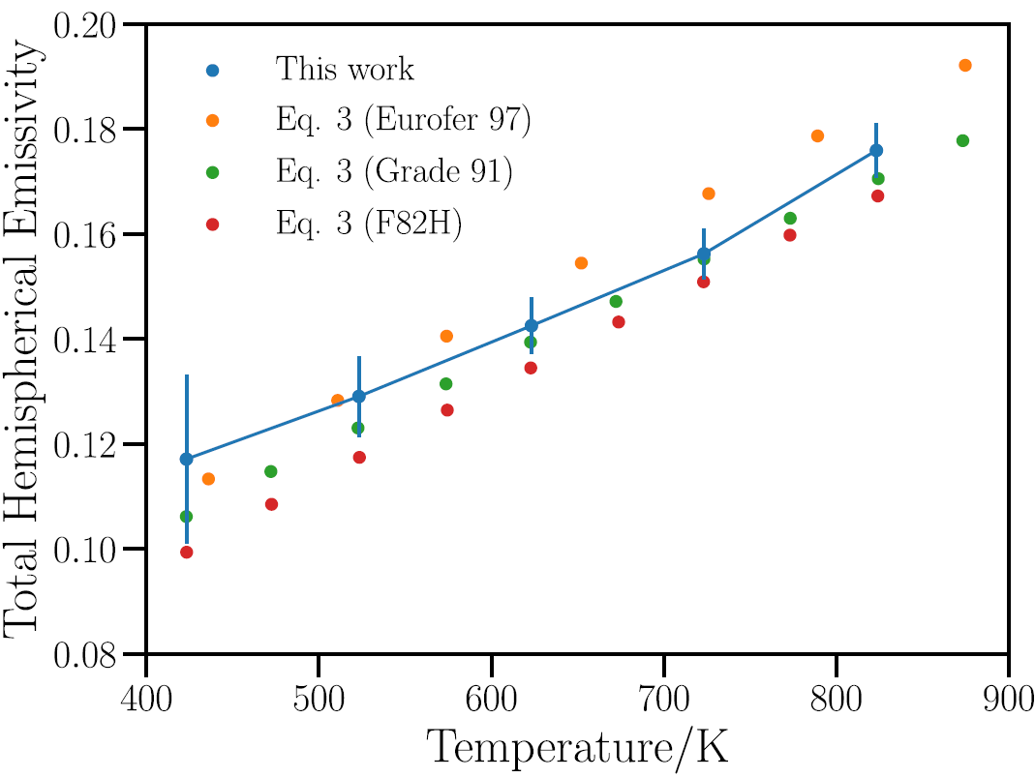

Fig 6a: Echániz, T., de Arrieta, I. G., Gil-Muñoz, A., Fernández-Pereda, J., Fuente, R., Klimenkov, M., & López, G. A. (2021). Infrared emissivity of reduced-activation Eurofer 97 for fusion reactor applications. Journal of Nuclear Materials, 549, 152907. |  | Fig 6b: Echániz, T., de Arrieta, I. G., Gil-Muñoz, A., Fernández-Pereda, J., Fuente, R., Klimenkov, M., & López, G. A. (2021). Infrared emissivity of reduced-activation Eurofer 97 for fusion reactor applications. Journal of Nuclear Materials, 549, 152907. |  |  |  | Fig 7: Echániz, T., de Arrieta, I. G., Gil-Muñoz, A., Fernández-Pereda, J., Fuente, R., Klimenkov, M., & López, G. A. (2021). Infrared emissivity of reduced-activation Eurofer 97 for fusion reactor applications. Journal of Nuclear Materials, 549, 152907.
Echaniz Eurofer Emissivity
 |  |  | Echaniz2021

Elastic Properties
Tavassoli2002 |  |  | Tavassoli2002

Temp (K) | E (Gpa) |  | Temp (K) | G (Gpa)
374.76697421 | 215.9001789 |  | 375.65430567 | 83.230300781
412.10995015 | 215.8768047 |  | 412.45324706 | 81.215235235
474.55401429 | 212.84967109 |  | 474.3106421 | 82.570938959
540.89825105 | 210.01929942 |  | 541.76559757 | 80.337481615
603.34231519 | 206.9921658 |  | 601.96823934 | 79.104579669
668.56250994 | 205.55692002 |  | 668.85917532 | 77.867491299
732.68797394 | 201.13431165 |  | 729.06981107 | 75.439365226
793.45330288 | 199.10424476 |  | 793.71532769 | 76.594120586
858.1214691 | 196.87253175 |  | 857.25678724 | 76.155941513
 |  |  | 920.80490844 | 74.721742334
 |  |  | 979.9101548 | 70.89988585
 |  |  | 1044.574324 | 69.265784913
 |  |  | 1108.6838001 | 67.233624801
 |  |  | 1172.2532385 | 62.612161283
 |  |  | 1232.462542 | 60.383239232

Figure A3.S18E.2.2.1. Tavassoli, F. "DEMO interim structural design criteria." DISIC, Appendix a material design limit data, CEA/Saclay (2002). |  |  |  | 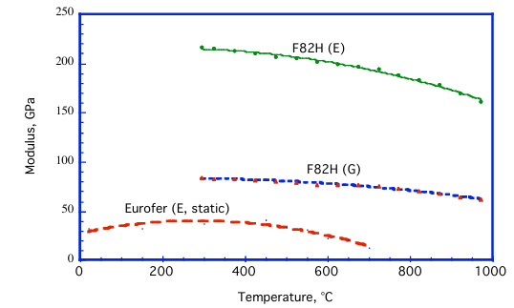

 |  | Tavassoli2002
Note: No specific data for Eurofer were found. F82H data are used.

Hardness
Schaefer2000-Heat 993391_1040 C |  | Schaefer2000- Heat 993402_1040 C |  | Schaefer2000- Heat 993391_980 C |  | Schaefer2000-Heat 993402_980 C

Tempering Temp (°C) | Hardness | Tempering Temp (°C) | Hardness | Tempering Temp (°C) | Hardness | Tempering Temp (°C) | Hardness
20 | 410.2941176 | 20 | 410.2941176 | 20 | 409.6372549 | 20 | 420.2254902
650 | 310.5392157 | 650 | 309.8039216 | 650 | 305.1666667 | 650 | 300.2254902
700 | 264.7058824 | 700 | 260.0490196 | 700 | 264.5784314 | 700 | 255.04901961
725 | 237.7450980 | 750 | 204.9019608 | 750 | 214.4607843 | 750 | 210.2254902
775 | 204.6568627 | 800 | 195.0980392 | 800 | 199.9901961 | 800 | 199.99019608
825 | 234.8039216 | 825 | 179.6568627 | 825 | 225.0490196 | 825 | 202.81372549
850 | 299.5098039 | 850 | 364.7058824 | 850 | 389.8725490 | 850 | 394.81372549
950 | 410.2941176 | 950 | 414.9509804 | 900 | 405.4019608 | 900 | 410.34313725
1000 | 415.1960784 | 1000 | 419.8529412
1050 | 410.5392157 | 1050 | 417.1568627
1100 | 405.1470588 | 1100 | 414.7058824
1150 | 390.1960784 | 1150 | 394.8529412

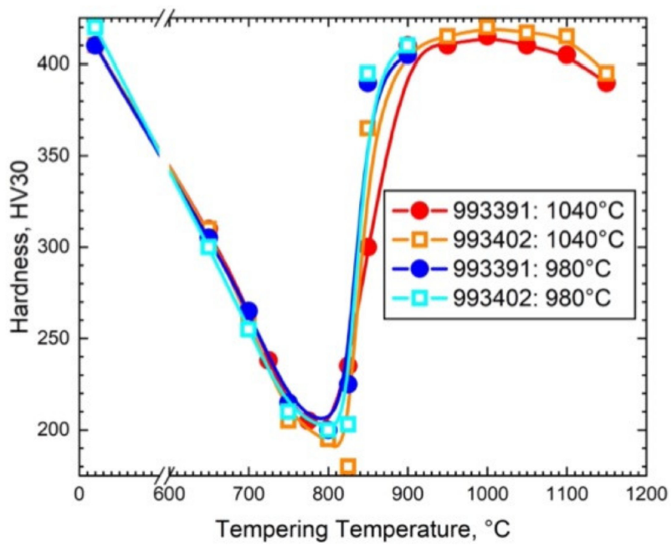

Schäfer, Ludwig, and Helmut Kempe. Zug-und Kerbschlageigenschaften des Stahles EUROFER'97 (Vergleich mit OPTIFER). Forschungszentrum Karlsruhe, 2000.

 | Schaefer2000

 |  |  |  |  |  |  |  | Ref: Rieth et al 2003, "EUROFER97 - tensile, charpy, creep and structural tests", figure 10.

Hardness_SH
Schaefer2000-Heat 993391_1040 C |  | Schaefer2000- Heat 993402_1040 C |  | Schaefer2000- Heat 993391_980 C |  | Schaefer2000-Heat 993402_980 C |  | Eurofer97 Heat 83699 Tau 1040 °C_ |  | Eurofer97 Heat 83699 Tau 980 °C_

Tempering Temp (°C) | Hardness | Tempering Temp (°C) | Hardness | Tempering Temp (°C) | Hardness | Tempering Temp (°C) | Hardness | Tempering Temp (°C) | Hardness (HV30) | Tempering Temp (°C) | Hardness (HV30)
20 | 410.2941176 | 20 | 410.2941176 | 20 | 409.6372549 | 20 | 420.2254902 | 20.0 | 413.4 | 20.0 | 425.0
650 | 310.5392157 | 650 | 309.8039216 | 650 | 305.1666667 | 650 | 300.2254902 | 294.6 | 419.8 | 297.6 | 424.2
700 | 264.7058824 | 700 | 260.0490196 | 700 | 264.5784314 | 700 | 255.04901961 | 395.2 | 421.0 | 397.2 | 425.4
725 | 237.7450980 | 750 | 204.9019608 | 750 | 214.4607843 | 750 | 210.2254902 | 494.8 | 423.8 | 495.8 | 427.7
775 | 204.6568627 | 800 | 195.0980392 | 800 | 199.9901961 | 800 | 199.99019608 | 520.4 | 436.5 | 521.4 | 441.3
825 | 234.8039216 | 825 | 179.6568627 | 825 | 225.0490196 | 825 | 202.81372549 | 549.0 | 436.1 | 554.9 | 438.9
850 | 299.5098039 | 850 | 364.7058824 | 850 | 389.8725490 | 850 | 394.81372549 | 592.4 | 360.2 | 603.2 | 361.4
950 | 410.2941176 | 950 | 414.9509804 | 900 | 405.4019608 | 900 | 410.34313725 | 651.5 | 297.8 | 656.5 | 295.8
1000 | 415.1960784 | 1000 | 419.8529412 |  |  |  |  | 695.9 | 263.6 | 698.9 | 261.3
1050 | 410.5392157 | 1050 | 417.1568627 |  |  |  |  | 750.1 | 210.4 | 754.1 | 217.5
1100 | 405.1470588 | 1100 | 414.7058824 |  |  |  |  | 804.4 | 193.7 | 793.5 | 192.1
1150 | 390.1960784 | 1150 | 394.8529412 |  |  |  |  | 849.7 | 307.0 | 849.7 | 344.7
 |  |  |  |  |  |  |  | 874.4 | 412.3 | 875.4 | 415.4

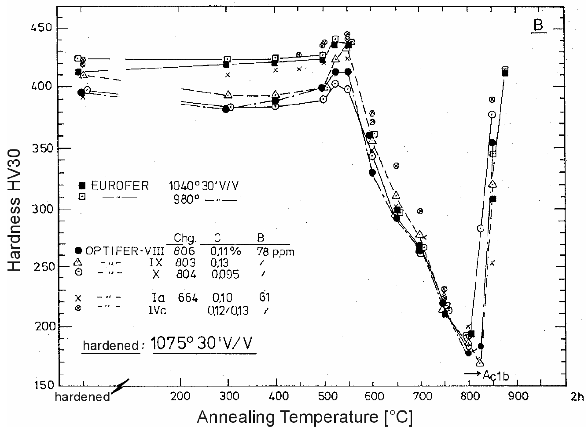

Schäfer, Ludwig, and Helmut Kempe. Zug-und Kerbschlageigenschaften des Stahles EUROFER'97 (Vergleich mit OPTIFER). Forschungszentrum Karlsruhe, 2000.

 | Schaefer2000

 |  |  |  |  |  |  |  | Ref: Rieth et al 2003, "EUROFER97 - tensile, charpy, creep and structural tests", figure 10.

Yield Strength
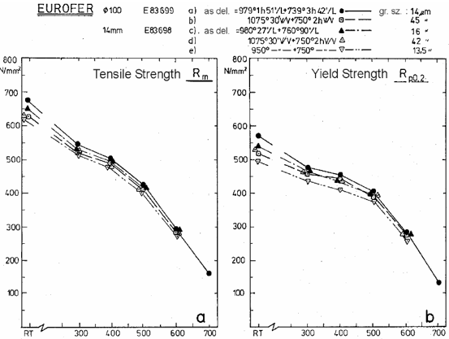
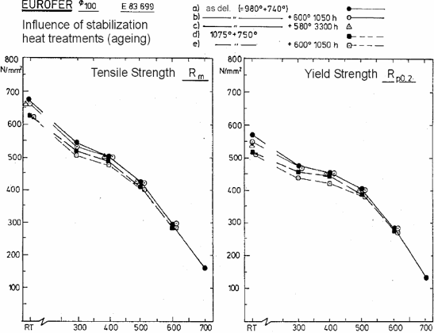
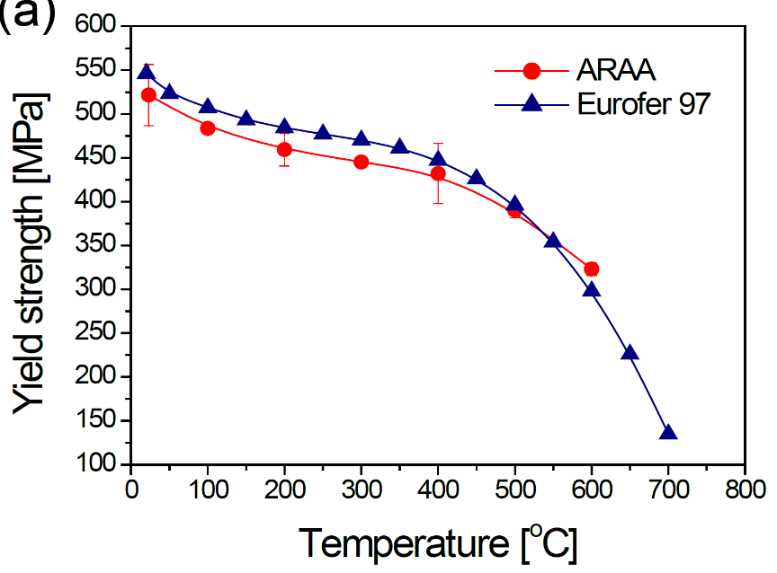
Chun2015 |  | Aillo2011 |  | Rieth2003(979C 2h+739C 4h) |  | Rieth2003(1075C 0.5h+750C 2h) |  | Rieth2003( 980 °C 27min + 760 °C 90min) |  | Rieth2003( 1075 °C 30min + 750 °C 2h) |  | Rieth2003(950 °C 30min + 750 °C 2h) |  | Rieth2003( 600 °C 1050h) |  | Rieth2003( 580 °C 3300h) |  | Rieth2003(1075 °C + 750 °C + 600 °C 1050h)

Temp (°C) | Yield Strength (MPa) | Temp (°C) | Yield Strength (MPa) | Temp (°C) | Yield Strength (MPa) | T [°C] | Yield Strength (MPa) | Temp (°C) | Yield Strength (MPa) | Temp (°C) | Yield Strength (MPa) | Temp (°C) | Yield Strength (MPa) | Temp (°C) | Yield Strength (MPa) | Temp (°C) | Yield Strength (MPa) | Temp (°C) | Yield Strength (MPa)
20 | 547.8580991 | 20 | 511.72884 | 18.9 | 571.0 | 18.9 | 518.4 | 18.9 | 539.2 | 11.1 | 529.5 | 17.9 | 495.6 | 19.4 | 549.3 | 18.9 | 536.1 | 28.3 | 509.7
50 | 525.3681392 | 100 | 476.2852 | 300.8 | 476.3 | 300.1 | 456.8 | 308.3 | 465.2 | 287.7 | 463.8 | 301.4 | 435.9 | 310.0 | 469.1 | 385.1 | 450.1 | 298.9 | 438.8
100 | 508.7684070 | 150 | 461.81125 | 400.2 | 454.7 | 400.2 | 443.6 | 391.3 | 437.3 | 406.4 | 435.2 | 400.9 | 410.1 | 411.9 | 452.9 | 489.8 | 398.1 | 398.2 | 421.3
150 | 494.8460509 | 200 | 452.56896 | 502.4 | 405.9 | 502.4 | 389.2 | 493.5 | 396.9 | 515.5 | 393.4 | 504.5 | 376.0 | 509.8 | 400.9 |  |  | 509.1 | 380.5
200 | 486.2784471 | 250 | 445.93818 | 604.6 | 284.0 | 604.0 | 274.9 | 617.0 | 277.7 | 592.3 | 277.7 | 606.0 | 257.5 | 613.2 | 284.2 |  |  | 613.2 | 270.1
250 | 479.3172691 | 300 | 436.69732 | 703.4 | 132.8
300 | 471.8206158 | 350 | 427.45072
350 | 462.7175368 | 400 | 410.36382
400 | 448.7951807 | 450 | 388.04959
450 | 427.3761714 | 500 | 353.96629
500 | 397.9250335 | 550 | 310.73839
550 | 355.6224900 | 600 | 253.12703
600 | 299.9330656 | 650 | 178.52503
650 | 228.1793842 | 700 | 81.69784
700 | 137.1485944

Chun2015 |  | Ailloo2011 |  |  | Rienth2003

Reference: Fig 3a of Chun, Y. B., D. W. Lee, and C. K. Rhee. "Physical, thermal, magnetic and mechanical properties of ARAA." Transactions of the Korean Nuclear Society Spring Meeting, Gyeongju, Korea. 2015. |  | Fig. 1. of Aiello, G., et al. "Assessment of design limits and criteria requirements for Eurofer structures in TBM components." Journal of Nuclear Materials 414.1 (2011): 53-68. |  | Fig. 18. Rieth, Michael, et al. "EUROFER 97. Tensile, charpy, creep and structural tests." (2003).
Chun ARAA vs Eurofer

Yield Strength_SH
EUROFER97 E83699, Ø100 mm bar, as-delivered |  | EUROFER97 E83699, Ø100 mm bar, 1075 °C + 750 °C |  | EUROFER97 E83698, 14 mm plate, as-delivered |  | EUROFER97 E83698, 14 mm plate, 1075 °C + 750 °C |  | EUROFER97 E83698, 14 mm plate, 950 °C + 750 °C |  | EUROFER97 E83698, 8 mm plate, as-delivered, longitudinal |  | EUROFER97 E83698, 14 mm plate, as-delivered, longitudinal |  | EUROFER97 E83698, 25 mm plate, as-delivered, longitudinal |  | EUROFER97 E83699, Ø100 mm bar, as-delivered, longitudinal |  | EUROFER97 E83698, 8 mm plate, as-delivered, transverse |  | EUROFER97 E83698, 14 mm plate, as-delivered, transverse |  | EUROFER97 E83698, 25 mm plate, as-delivered, transverse |  | EUROFER97 E83699, Ø100 mm bar, as-delivered, radial |  | EUROFER97, as-received, transverse |  | EUROFER97 E83699, Ø100 mm bar, as-delivered, aged 600 °C 1050h |  | EUROFER97 E83699, Ø100 mm bar, as-delivered, aged 580 °C 3300h |  | EUROFER97 E83699, Ø100 mm bar, 1075 °C + 750 °C, aged 600 °C 1050h |  | EUROFER97, aged 400 °C 12000 h, transverse |  | EUROFER97, aged 550 °C 12000 h, transverse |  | EUROFER97, aged 650 °C 2000 h, transverse |  | EUROFER97, aged 700 °C 2000 h, transverse |  | EUROFER97, aged 650 °C 12000 h, transverse |  | EUROFER97, aged 700 °C 12000 h, transverse |  | EUROFER97, yield strength limit

T (°C) | Yield Strength (MPa) | T (°C) | Yield Strength (MPa) | T (°C) | Yield Strength (MPa) | T (°C) | Yield Strength (MPa) | T (°C) | Yield Strength (MPa) | T (°C) | Yield Strength (MPa) | T (°C) | Yield Strength (MPa) | T (°C) | Yield Strength (MPa) | T (°C) | Yield Strength (MPa) | T (°C) | Yield Strength (MPa) | T (°C) | Yield Strength (MPa) | T (°C) | Yield Strength (MPa) | T (°C) | Yield Strength (MPa) | T (°C) | Yield Strength (MPa) | T (°C) | Yield Strength (MPa) | T (°C) | Yield Strength (MPa) | T (°C) | Yield Strength (MPa) | T (°C) | Yield Strength (MPa) | T (°C) | Yield Strength (MPa) | T (°C) | Yield Strength (MPa) | T (°C) | Yield Strength (MPa) | T (°C) | Yield Strength (MPa) | T (°C) | Yield Strength (MPa) | T (°C) | Yield Strength (MPa)
18.9 | 568.0 | 18.9 | 513.0 | 18.9 | 537.0 | 11.1 | 519.0 | 17.9 | 495.0 | 21.3 | 525.5 | 27.1 | 525.5 | 21.3 | 552.8 | 24.2 | 569.2 | 27.9 | 537.0 | 27.9 | 532.6 | 27.9 | 557.3 | 27.9 | 543.4 | 20.3 | 541.8 | 19.4 | 547.0 | 18.9 | 541.0 | 28.3 | 506.0 | 20.0 | 546.3 | 20.0 | 545.3 | 19.9 | 509.6 | 20.3 | 443.4 | 20.3 | 473.1 | 20.3 | 325.9 | 20 | 511.7
300.0 | 479.0 | 300.0 | 456.0 | 300.0 | 469.0 | 300.0 | 460.0 | 300.0 | 432.0 | 27.1 | 537.5 | 27.1 | 532.5 | 21.3 | 550.9 | 27.1 | 547.1 | 300.4 | 463.1 | 26.0 | 529.5 | 300.4 | 453.6 | 300.4 | 473.8 | 350.2 | 462.2 | 300.0 | 472.0 | 400.0 | 450.0 | 300.0 | 436.0 | 350.0 | 466.0 | 20.0 | 532.4 | 350.2 | 445.9 | 350.2 | 378.3 | 20.3 | 479.2 | 20.3 | 306.7 | 100 | 476.3
400.0 | 453.0 | 400.0 | 447.0 | 400.0 | 442.0 | 400.0 | 434.0 | 400.0 | 417.0 | 27.1 | 549.0 | 21.3 | 537.5 | 27.1 | 557.8 | 25.1 | 514.1 | 300.4 | 456.2 | 28.9 | 559.8 | 300.4 | 487.7 | 601.7 | 304.5 | 400.0 | 430.5 | 400.0 | 454.0 | 500.0 | 399.0 | 400.0 | 420.0 | 400.0 | 445.6 | 350.0 | 452.8 | 450.0 | 406.9 | 450.0 | 319.3 | 350.2 | 358.8 | 350.2 | 253.5 | 150 | 461.8
500.0 | 404.0 | 500.0 | 384.0 | 500.0 | 392.0 | 500.0 | 391.0 | 500.0 | 374.0 | 27.1 | 528.7 | 24.2 | 547.1 | 200.0 | 483.1 | 200.0 | 495.1 |  |  | 301.3 | 466.3 |  |  |  |  | 450.0 | 429.3 | 500.0 | 401.0 |  |  | 500.0 | 378.0 | 500.0 | 411.0 | 450.0 | 423.5 | 500.1 | 395.3 | 500.1 | 303.8 | 450.0 | 350.5 | 450.0 | 247.7 | 200 | 452.6
600.0 | 284.0 | 600.0 | 278.0 | 600.0 | 277.0 | 600.0 | 284.0 | 600.0 | 265.0 | 200.0 | 470.4 | 24.2 | 572.4 | 200.0 | 503.3 | 300.5 | 453.9 |  |  | 301.3 | 469.4 |  |  |  |  | 500.0 | 379.8 | 600.0 | 283.0 |  |  | 600.0 | 274.0 | 550.0 | 297.0 | 500.0 | 407.8 | 550.2 | 330.2 | 550.2 | 297.6 | 500.1 | 353.0 | 500.1 | 230.0 | 250 | 445.9
700.0 | 133.0 |  |  |  |  |  |  |  |  | 200.0 | 491.9 | 200.0 | 488.8 | 300.5 | 466.6 | 300.5 | 471.0 |  |  | 350.4 | 463.1 |  |  |  |  | 550.0 | 355.3 |  |  |  |  |  |  | 650.0 | 262.7 | 550.0 | 347.4 | 649.9 | 215.2 | 649.9 | 188.8 | 550.2 | 276.7 | 550.2 | 210.5 | 300 | 436.7
 |  |  |  |  |  |  |  |  |  | 300.5 | 481.2 | 299.5 | 453.9 | 300.5 | 486.9 | 300.5 | 479.9 |  |  | 450.5 | 430.2 |  |  |  |  | 600.0 | 258.7 |  |  |  |  |  |  | 700.0 | 175.3 | 650.0 | 217.4 | 700.0 | 142.5 | 700.0 | 113.9 | 649.9 | 209.0 | 649.9 | 156.6 | 350 | 427.5
 |  |  |  |  |  |  |  |  |  | 300.5 | 462.8 | 300.5 | 468.5 | 400.0 | 446.9 | 401.0 | 453.9 |  |  | 501.6 | 381.0 |  |  |  |  | 650.0 | 214.3 |  |  |  |  |  |  | 700.0 | 163.3 | 700.0 | 176.8 |  |  |  |  | 700.0 | 156.6 | 700.0 | 115.7 | 400 | 410.4
 |  |  |  |  |  |  |  |  |  | 300.5 | 450.1 | 350.7 | 455.8 | 400.0 | 464.7 | 500.5 | 384.8 |  |  | 550.7 | 355.1 |  |  |  |  | 700.0 | 129.0 |  |  |  |  |  |  |  |  |  |  |  |  |  |  |  |  |  |  | 450 | 388.0
 |  |  |  |  |  |  |  |  |  | 401.0 | 450.1 | 401.0 | 439.3 | 500.5 | 397.5 | 500.5 | 404.5 |  |  | 600.7 | 260.3 |  |  |  |  |  |  |  |  |  |  |  |  |  |  |  |  |  |  |  |  |  |  |  |  | 500 | 354.0
 |  |  |  |  |  |  |  |  |  | 401.0 | 432.4 | 401.0 | 432.4 | 500.5 | 424.8 | 500.5 | 432.4 |  |  | 650.8 | 216.7 |  |  |  |  |  |  |  |  |  |  |  |  |  |  |  |  |  |  |  |  |  |  |  |  | 550 | 310.7
 |  |  |  |  |  |  |  |  |  | 500.5 | 410.2 | 401.0 | 440.0 | 550.7 | 359.5 | 601.0 | 277.8 |  |  | 701.8 | 128.8 |  |  |  |  |  |  |  |  |  |  |  |  |  |  |  |  |  |  |  |  |  |  |  |  | 600 | 253.1
 |  |  |  |  |  |  |  |  |  | 550.7 | 379.1 | 450.2 | 428.6 | 550.7 | 366.5 | 601.0 | 284.1 |  |  |  |  |  |  |  |  |  |  |  |  |  |  |  |  |  |  |  |  |  |  |  |  |  |  |  |  | 650 | 178.5
 |  |  |  |  |  |  |  |  |  |  |  | 500.5 | 372.2 | 601.0 | 307.5 | 601.0 | 309.4 |  |  |  |  |  |  |  |  |  |  |  |  |  |  |  |  |  |  |  |  |  |  |  |  |  |  |  |  | 700 | 81.7
 |  |  |  |  |  |  |  |  |  |  |  | 500.5 | 392.5 |  |  | 701.4 | 134.6
 |  |  |  |  |  |  |  |  |  |  |  | 500.5 | 390.6
 |  |  |  |  |  |  |  |  |  |  |  | 550.7 | 358.9
 |  |  |  |  |  |  |  |  |  |  |  | 550.7 | 350.0
 |  |  |  |  |  |  |  |  |  |  |  | 600.0 | 264.5
 |  |  |  |  |  |  |  |  |  |  |  | 600.0 | 277.1
 |  |  |  |  |  |  |  |  |  |  |  | 600.0 | 298.7
 |  |  |  |  |  |  |  |  |  |  |  | 600.0 | 304.4
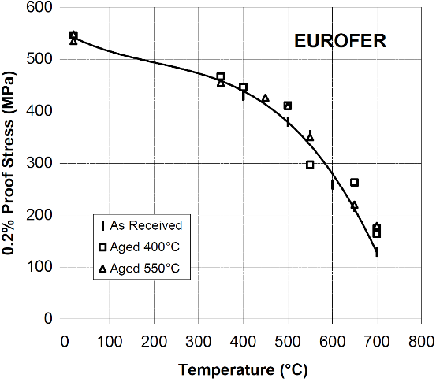
 |  |  |  |  |  |  |  |  |  |  |  | 651.2 | 218.8
 |  |  |  |  |  |  |  |  |  |  |  | 700.5 | 152.9

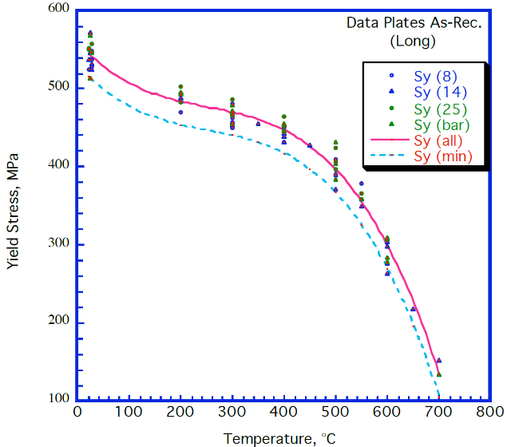
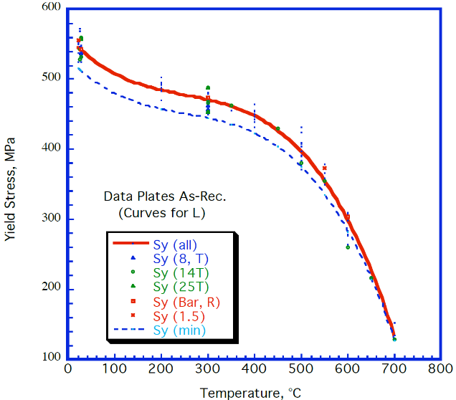
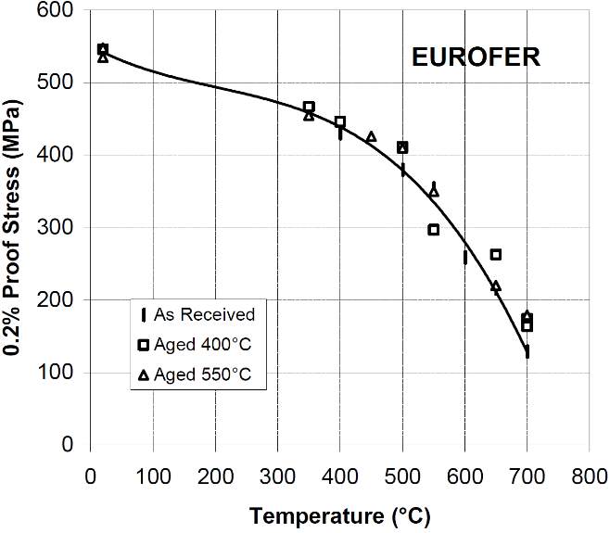
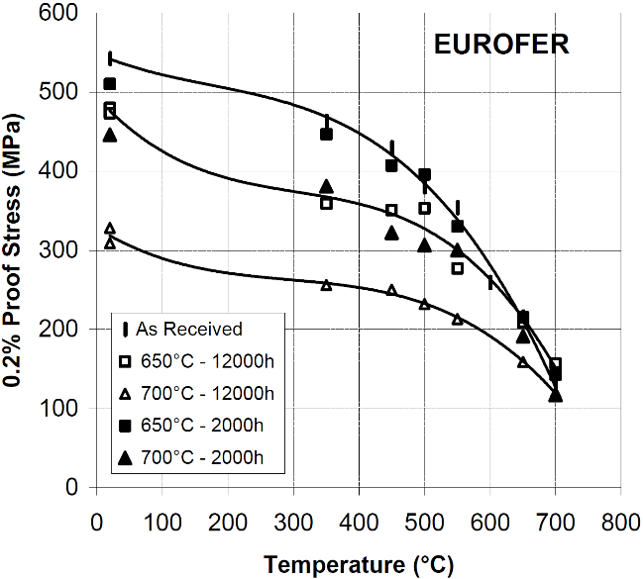
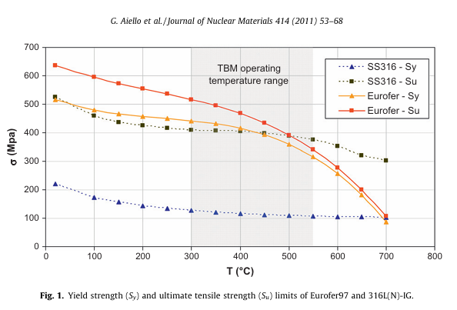

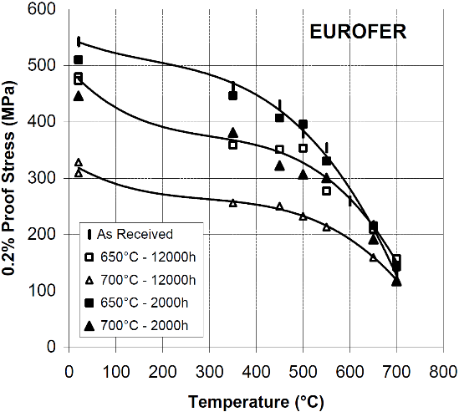

Fig. 18. Rieth, Michael, et al. "EUROFER 97. Tensile, charpy, creep and structural tests." (2003). Above data is copied from tables, not digitized from figures (except for the RT temperature value). |  |  |  |  |  |  |  |  |  | Tavassoli, F. 2004, "DEMO interim structural design criteria." DISIC, Appendix a material design limit data |  |  |  |  |  |  |  |  |  |  |  |  |  |  |  | Alamo, A. 2002, "RAFM steels - Metallurgical and mechanical characterization of EUROFER97- Thermal ageing behaviour" |  | Fig. 18. Rieth, Michael, et al. "EUROFER 97. Tensile, charpy, creep and structural tests." (2003). Above data is copied from tables, not digitized from figures (except for the RT temperature value). |  |  |  |  |  | Alamo, A. 2002, "RAFM steels - Metallurgical and mechanical characterization of EUROFER97- Thermal ageing behaviour" |  |  |  |  |  |  |  |  |  |  |  | Fig. 1. of Aiello, G., et al. "Assessment of design limits and criteria requirements for Eurofer structures in TBM components." JNM 414.1 (2011): 53-68.

As-delivered = normalized and tempered (Ø100 bar: 979 °C 1h 51min + 739 °C 3h 42min; 14 mm plate: 980 °C 27min + 760 °C 90min) |  |  |  |  |  |  |  |  |  |  |  |  |  |  |  |  |  |  |  |  |  |  |  |  |  |  |  |  |  |  |  |  |  |  |  |  |  |  |  |  |  |  |  |  |  | NOTE: these are design limits, not measured data. This data set should not be used in the calculation of average or minimum curves or in any other data analysis. Presented only for comparison.

Ultimate Strength_SH
EUROFER97 E83699, Ø100 mm bar, as-received |  | EUROFER97 E83699, Ø100 mm bar, as-delivered |  | EUROFER97 E83699, Ø100 mm bar, 1075 °C + 750 °C |  | EUROFER97 E83698, 14 mm plate, as-delivered |  | EUROFER97 E83698, 14 mm plate, 1075 °C + 750 °C |  | EUROFER97 E83698, 14 mm plate, 950 °C + 750 °C |  | EUROFER97 E83698, 8 mm plate, as-delivered, longitudinal |  | EUROFER97 E83698, 14 mm plate, as-delivered, longitudinal |  | EUROFER97 E83698, 25 mm plate, as-delivered, longitudinal |  | EUROFER97 E83699, Ø100 mm bar, as-delivered, longitudinal |  | EUROFER97 E83698, 14 mm plate, as-delivered, transverse |  | EUROFER97 E83698, 25 mm plate, as-delivered, transverse |  | EUROFER97 E83699, Ø100 mm bar, as-delivered, radial |  | EUROFER97, as-received, transverse |  | EUROFER97 E83699, Ø100 mm bar, as-delivered, aged 600 °C 1050h |  | EUROFER97 E83699, Ø100 mm bar, as-delivered, aged 580 °C 3300h |  | EUROFER97 E83699, Ø100 mm bar, 1075 °C + 750 °C, aged 600 °C 1050h |  | EUROFER97, aged 400 °C 12000 h, transverse |  | EUROFER97, aged 550 °C 12000 h, transverse |  | EUROFER97, aged 650 °C 2000 h, transverse |  | EUROFER97, aged 700 °C 2000 h, transverse |  | EUROFER97, aged 650 °C 12000 h, transverse |  | EUROFER97, aged 700 °C 12000 h, transverse |  | EUROFER97, ultimate tensile strength limit

T (°C) | Tensile Strength (MPa) | T (°C) | Tensile Strength (MPa) | T (°C) | Tensile Strength (MPa) | T (°C) | Tensile Strength (MPa) | T (°C) | Tensile Strength (MPa) | T (°C) | Tensile Strength (MPa) | T (°C) | Tensile Strength (MPa) | T (°C) | Tensile Strength (MPa) | T (°C) | Tensile Strength (MPa) | T (°C) | Tensile Strength (MPa) | T (°C) | Tensile Strength (MPa) | T (°C) | Tensile Strength (MPa) | T (°C) | Tensile Strength (MPa) | T (°C) | Tensile Strength (MPa) | T (°C) | Tensile Strength (MPa) | T (°C) | Tensile Strength (MPa) | T (°C) | Tensile Strength (MPa) | T (°C) | Tensile Strength (MPa) | T (°C) | Tensile Strength (MPa) | T (°C) | Tensile Strength (MPa) | T (°C) | Tensile Strength (MPa) | T (°C) | Tensile Strength (MPa) | T (°C) | Tensile Strength (MPa) | T (°C) | Tensile Strength (MPa)
15.1 | 671.8 | 15.0 | 671.0 | 16.7 | 627.0 | 14.4 | 652.0 | 5.0 | 630.0 | 5.6 | 624.0 | 21.0 | 659.8 | 21.5 | 663.3 | 22.0 | 679.3 | 24.9 | 627.7 | 350.3 | 514.3 | 27.3 | 658.7 | 27.3 | 674.0 | 20.9 | 661.0 | 18.3 | 666.0 | 7.8 | 660.0 | 27.8 | 624.0 | 20.1 | 678.7 | 20.1 | 661.5 | 20.2 | 656.3 | 20.2 | 572.9 | 20.2 | 604.7 | 20.2 | 481.6 | 20 | 634.6
294.7 | 545.7 | 300.0 | 544.0 | 300.0 | 519.0 | 300.0 | 536.0 | 300.0 | 521.0 | 300.0 | 511.0 | 199.9 | 581.1 | 24.9 | 650.7 | 22.0 | 672.5 | 199.9 | 593.0 | 449.9 | 472.6 | 27.3 | 667.5 | 600.3 | 319.0 | 400.0 | 475.4 | 300.0 | 537.0 | 400.0 | 503.0 | 300.0 | 503.0 | 350.0 | 532.0 | 20.1 | 670.8 | 350.0 | 502.7 | 350.0 | 437.5 | 20.2 | 609.5 | 20.2 | 485.2 | 100 | 593.9
395.5 | 504.8 | 400.0 | 503.0 | 400.0 | 487.0 | 400.0 | 497.0 | 400.0 | 481.0 | 400.0 | 474.0 | 400.1 | 507.4 | 350.3 | 516.2 | 27.3 | 652.6 | 199.9 | 589.9 | 500.2 | 404.6 | 300.0 | 541.4 |  |  | 499.9 | 405.3 | 400.0 | 503.0 | 500.0 | 425.0 | 400.0 | 468.0 | 400.0 | 498.1 | 350.0 | 511.1 | 449.9 | 453.0 | 450.3 | 373.2 | 350.0 | 424.8 | 350.0 | 337.5 | 150 | 570.3
494.7 | 425.6 | 500.0 | 424.0 | 500.0 | 404.0 | 500.0 | 419.0 | 500.0 | 409.0 | 500.0 | 399.0 | 550.5 | 429.4 | 400.6 | 498.2 | 27.3 | 648.8 | 300.0 | 520.0 | 550.5 | 369.4 | 300.0 | 551.7 |  |  | 600.3 | 271.7 | 500.0 | 422.0 |  |  | 500.0 | 400.0 | 499.9 | 443.9 | 450.0 | 468.0 | 500.2 | 418.9 | 499.8 | 331.9 | 450.3 | 396.7 | 449.9 | 325.6 | 200 | 551.9
596.1 | 293.3 | 600.0 | 291.0 | 600.0 | 284.0 | 600.0 | 292.0 | 600.0 | 290.0 | 600.0 | 280.0 |  |  | 450.4 | 466.1 | 199.9 | 565.8 | 400.1 | 513.9 | 600.3 | 268.5 |  |  |  |  | 699.8 | 154.8 | 600.0 | 296.0 |  |  | 600.0 | 284.0 | 549.9 | 305.6 | 499.9 | 443.9 | 550.2 | 349.0 | 550.2 | 313.7 | 499.8 | 384.3 | 499.8 | 293.4 | 250 | 534.8
697.5 | 165.7 | 700.0 | 163.0 |  |  |  |  |  |  |  |  |  |  | 500.2 | 417.6 | 199.9 | 574.6 | 400.1 | 487.5 | 650.1 | 229.2 |  |  |  |  |  |  |  |  |  |  |  |  | 650.2 | 265.7 | 550.3 | 362.2 | 650.1 | 223.9 | 650.1 | 196.9 | 550.2 | 287.5 | 550.2 | 234.7 | 300 | 515.1
 |  |  |  |  |  |  |  |  |  |  |  |  |  | 500.2 | 395.8 | 300.0 | 534.9 | 500.2 | 445.1 | 699.9 | 152.0 |  |  |  |  |  |  |  |  |  |  |  |  | 699.8 | 190.0 | 650.2 | 226.2 | 700.0 | 157.2 | 700.0 | 127.9 | 700.0 | 170.3 | 650.1 | 161.2 | 350 | 495.4
 |  |  |  |  |  |  |  |  |  |  |  |  |  | 550.5 | 367.1 | 300.0 | 554.8 | 500.2 | 423.7 |  |  |  |  |  |  |  |  |  |  |  |  |  |  | 699.8 | 181.2 | 699.8 | 191.9 |  |  |  |  |  |  | 700.0 | 123.1 | 400 | 466.6
 |  |  |  |  |  |  |  |  |  |  |  |  |  | 600.3 | 322.8 | 400.1 | 506.2 | 500.2 | 404.2 |  |  |  |  |  |  |  |  |  |  |  |  |  |  |  |  |  |  |  |  |  |  |  |  |  |  | 450 | 432.5
 |  |  |  |  |  |  |  |  |  |  |  |  |  | 600.3 | 314.0 | 400.1 | 497.4 | 600.3 | 291.5 |  |  |  |  |  |  |  |  |  |  |  |  |  |  |  |  |  |  |  |  |  |  |  |  |  |  | 500 | 389.3
 |  |  |  |  |  |  |  |  |  |  |  |  |  | 600.3 | 290.3 | 500.2 | 434.0 | 600.3 | 282.7 |  |  |  |  |  |  |  |  |  |  |  |  |  |  |  |  |  |  |  |  |  |  |  |  |  |  | 550 | 339.5
 |  |  |  |  |  |  |  |  |  |  |  |  |  | 600.3 | 275.0 | 500.2 | 431.3 | 699.9 | 162.3 |  |  |  |  |  |  |  |  |  |  |  |  |  |  |  |  |  |  |  |  |  |  |  |  |  |  | 600 | 276.7
 |  |  |  |  |  |  |  |  |  |  |  |  |  | 650.6 | 233.4 | 550.5 | 405.0 |  |  |  |  |  |  |  |  |  |  |  |  |  |  |  |  |  |  |  |  |  |  |  |  |  |  |  |  | 650 | 199.4
 |  |  |  |  |  |  |  |  |  |  |  |  |  | 700.4 | 171.9 | 550.5 | 398.5 |  |  |  |  |  |  |  |  |  |  |  |  |  |  |  |  |  |  |  |  |  |  |  |  |  |  |  |  | 700 | 105.2

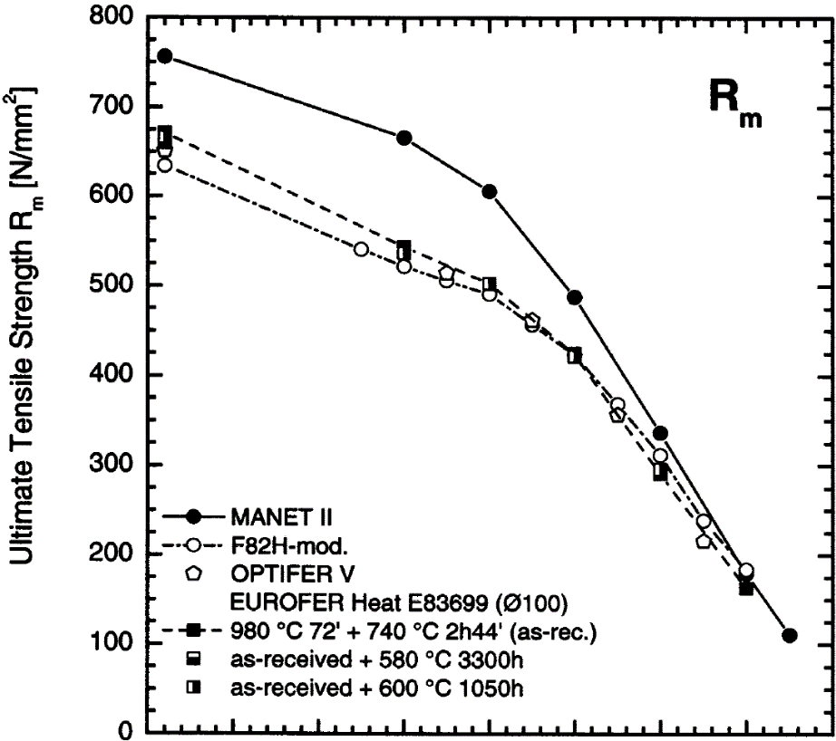

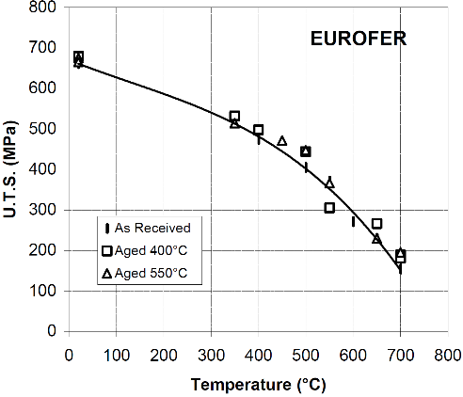

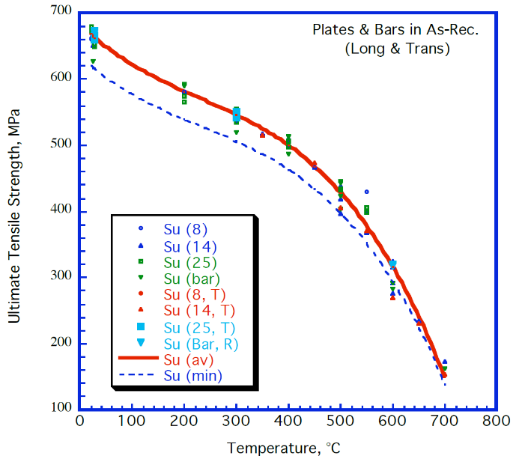

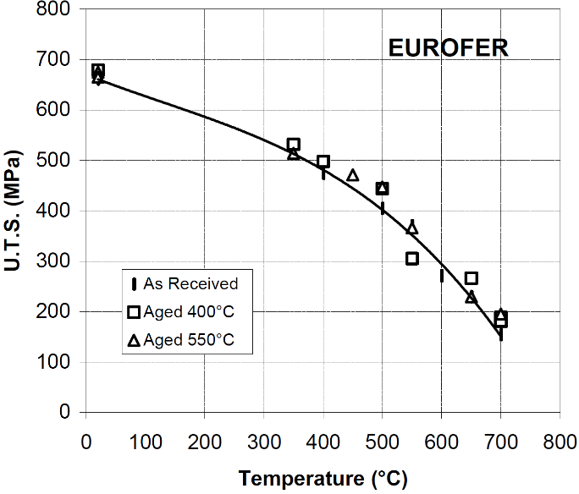
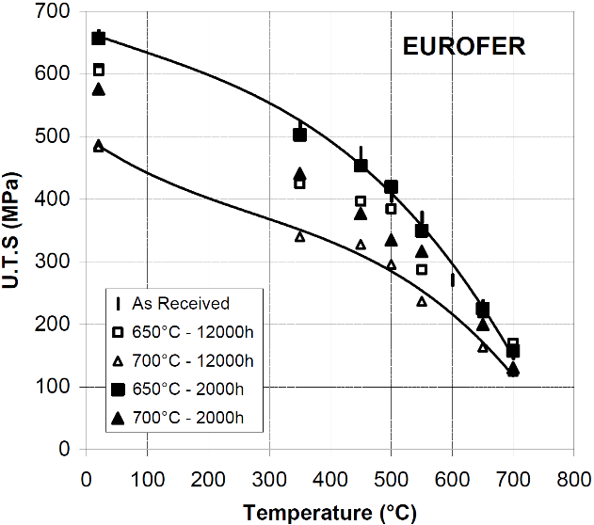

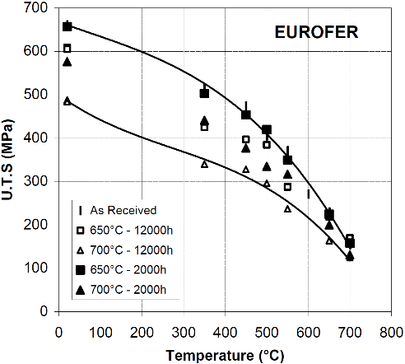

Lindau, R. 2001, "First results on the characterisation of the reduced-activation-ferritic-martensitic steel EUROFER" |  | Fig. 18. Rieth, Michael, et al. "EUROFER 97. Tensile, charpy, creep and structural tests." (2003). Above data is copied from tables, not digitized from figures (except for the RT temperature value). |  |  |  |  |  |  |  |  |  | Tavassoli, F. 2004, "DEMO interim structural design criteria." DISIC, Appendix a material design limit data |  |  |  |  |  |  |  |  |  |  |  |  |  | Alamo, A. 2002, "RAFM steels - Metallurgical and mechanical characterization of EUROFER97- Thermal ageing behaviour" |  | Fig. 18. Rieth, Michael, et al. "EUROFER 97. Tensile, charpy, creep and structural tests." (2003). Above data is copied from tables, not digitized from figures (except for the RT temperature value). |  |  |  |  |  | Alamo, A. 2002, "RAFM steels - Metallurgical and mechanical characterization of EUROFER97- Thermal ageing behaviour" |  |  |  |  |  |  |  |  |  |  |  | Fig. 1. of Aiello, G., et al. "Assessment of design limits and criteria requirements for Eurofer structures in TBM components." Journal of Nuclear Materials 414.1 (2011): 53-68.

 |  |  |  |  |  |  |  |  |  |  |  |  |  |  |  |  |  |  |  |  |  |  |  |  |  |  |  |  |  |  |  |  |  |  |  |  |  |  |  |  |  |  |  |  |  | NOTE: these are design limits, not measured data. This data set should not be used in the calculation of average or minimum curves or in any other data analysis. Presented only for comparison.

Total Elongation
Chun2015 |  | Schaaf2003AR |  | Schaaf2003-Aged650C |  | Schaaf2003-Aged700C

Temp (°C) | Total Elongation (%) | Temp (°C) | Total Elongation (%) | Temp (°C) | Total Elongation (%) | Temp (°C) | Total Elongation (%)
20 | 22.6382661 | 21.830283308 | 18.801321215 | 14.314363579 | 23.998083032 | 13.864057907 | 23.723221998
50 | 21.3303438 | 21.04383868 | 17.399352019 | 17.657004346 | 20.863668583 | 16.239796977 | 20.533938651
100 | 19.6860987 | 353.85454959 | 12.989006133 | 350.15367309 | 15.161263477 | 347.19036045 | 15.464018114
150 | 18.1913303 | 447.82447118 | 16.964188861 | 449.04916869 | 15.09462876 | 443.35757284 | 24.854749517
200 | 17.4439462 | 596.78893554 | 21.317771841 | 502.21771359 | 18.194893634 | 498.03807343 | 23.941090548
250 | 17.2197309 | 646.64329764 | 23.703650561 | 645.0613688 | 28.239919418 | 543.64717462 | 21.653929927
300 | 17.2197309 |  |  | 693.29496528 | 28.179253703 | 643.45901716 | 25.655915768
350 | 17.6681614
400 | 18.4529148
450 | 19.8729447
500 | 21.4798206
550 | 23.6098655
600 | 26.2630792
650 | 28.6547085
700 | 32.2421525

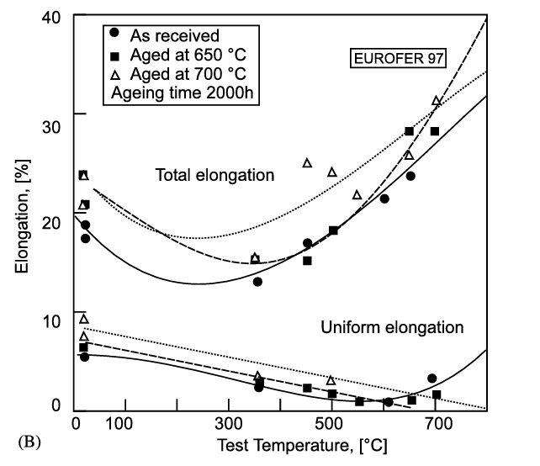

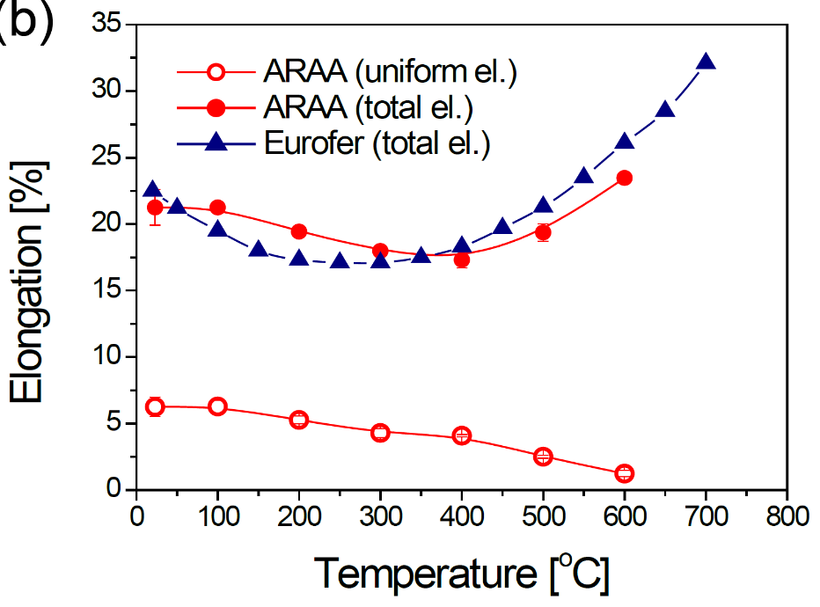

Reference: Fig 3b of Chun, Y. B., D. W. Lee, and C. K. Rhee. "Physical, thermal, magnetic and mechanical properties of ARAA." Transactions of the Korean Nuclear Society Spring Meeting, Gyeongju, Korea. 2015. |  | Fig. 3. Van der Schaaf, B., et al. "The development of EUROFER reduced activation steel." Fusion Engineering and Design 69.1-4 (2003): 197-203.
Chun2015 |  |  |  | Van der Schaaf2003

Total Elongation_SH
EUROFER97, E83698, 8 mm plate, as-delivered, longitudinal |  | EUROFER97, E83698, 14 mm plate, as-delivered, longitudinal |  | EUROFER97, E83698, 25 mm plate, as-delivered, longitudinal |  | EUROFER97, E83699, Ø100 mm bar, as-delivered, longitudinal |  | EUROFER97, E83698, 8 mm plate, as-delivered, transverse |  | EUROFER97, E83698, 14 mm plate, as-delivered, transverse |  | EUROFER97, E83698, 25 mm plate, as-delivered, transverse |  | EUROFER97, E83699, Ø100 mm bar, as-delivered, radial |  | EUROFER97, as-received, transverse |  | EUROFER97 E83699, Ø100 mm bar, as-received |  | EUROFER97 E83699, Ø100 mm bar, as-delivered |  | EUROFER97 E83699, Ø100 mm bar, 1075 °C 30min + 750 °C 2h |  | EUROFER97 E83698, 14 mm plate, as-delivered |  | EUROFER97 E83698, 14 mm plate, 1075 °C 30min + 750 °C 2h |  | EUROFER97 E83698, 14 mm plate, 950 °C 30min + 750 °C 2h |  | EUROFER97 E83699, Ø100 mm bar, as-delivered + aged 600 °C 1050h |  | EUROFER97 E83699, Ø100 mm bar, as-delivered + aged 580 °C 3300h |  | EUROFER97 E83699, Ø100 mm bar, 1075 °C + 750 °C + aged 600 °C 1050h |  | EUROFER97, aged 400 °C 12000 h, transverse |  | EUROFER97, aged 550 °C 12000 h, transverse |  | EUROFER97, aged 650 °C 2000 h, transverse |  | EUROFER97, aged 700 °C 2000 h, transverse |  | EUROFER97, aged 650 °C 12000 h, transverse |  | EUROFER97, aged 700 °C 12000 h, transverse

Temp [°C] | Total elongation [%] | Temp [°C] | Total elongation [%] | Temp [°C] | Total elongation [%] | Temp [°C] | Total elongation [%] | Temp [°C] | Total elongation [%] | Temp [°C] | Total elongation [%] | Temp [°C] | Total elongation [%] | Temp [°C] | Total elongation [%] | T [°C] | Total elongation [%] | T [°C] | Total elongation [%] | T [°C] | Total elongation [%] | T [°C] | Total elongation [%] | T [°C] | Total elongation [%] | T [°C] | Total elongation [%] | T [°C] | Total elongation [%] | T [°C] | Total elongation [%] | T [°C] | Total elongation [%] | T [°C] | Total elongation [%] | T [°C] | Total elongation [%] | T [°C] | Total elongation [%] | T [°C] | Total elongation [%] | T [°C] | Total elongation [%] | T [°C] | Total elongation [%] | T [°C] | Total elongation [%]
20.8 | 25.1 | 20.1 | 19.8 | 20.1 | 24.7 | 23.0 | 23.3 | 25.9 | 23.3 | 23.7 | 17.9 | 26.6 | 22.0 | 25.9 | 20.8 | 19.9 | 19.1 | 24.1 | 21.6 | RT | 21.4 | RT | 23.2 | RT | 20.8 | RT | 23.0 | RT | 24.0 | RT | 21.4 | RT | 22.2 | RT | 22.0 | 19.9 | 20.6 | 19.9 | 19.6 | 20.2 | 23.3 | 20.2 | 22.8 | 20.2 | 21.7 | 20.2 | 30.6
200.5 | 19.6 | 23.7 | 17.6 | 20.1 | 24.0 | 25.9 | 18.7 | 26.6 | 24.7 | 23.7 | 19.1 | 26.6 | 21.6 | 299.0 | 15.9 | 350.1 | 13.5 | 302.6 | 17.5 | 300.0 | 17.5 | 300.0 | 16.4 | 300.0 | 16.8 | 300.0 | 20.5 | 300.0 | 21.1 | 300.0 | 17.3 | 400.0 | 18.0 | 300.0 | 16.8 | 349.9 | 15.3 | 19.9 | 18.5 | 350.0 | 15.6 | 350.0 | 15.8 | 20.2 | 21.4 | 20.2 | 29.4
399.6 | 17.9 | 23.7 | 18.9 | 25.9 | 21.2 | 201.3 | 19.8 |  |  | 26.6 | 22.4 | 299.0 | 17.0 | 600.2 | 33.1 | 400.2 | 17.0 | 402.9 | 18.0 | 400.0 | 18.0 | 400.0 | 16.7 | 400.0 | 16.8 | 400.0 | 20.5 | 400.0 | 20.9 | 400.0 | 17.5 | 500.0 | 23.4 | 400.0 | 18.4 | 400.0 | 15.0 | 349.9 | 13.4 | 450.1 | 15.4 | 450.1 | 24.7 | 350.0 | 14.8 | 350.0 | 20.8
500.3 | 24.0 | 23.7 | 20.7 | 200.5 | 18.4 | 399.6 | 16.2 |  |  | 26.6 | 22.9 | 299.0 | 16.9 | 600.2 | 43.7 | 450.1 | 17.0 | 503.1 | 22.5 | 500.0 | 22.4 | 500.0 | 25.0 | 500.0 | 23.5 | 500.0 | 23.2 | 500.0 | 25.0 | 500.0 | 23.8 |  |  | 500.0 | 23.2 | 500.2 | 18.1 | 450.2 | 16.3 | 500.1 | 17.9 | 500.2 | 24.3 | 450.1 | 18.1 | 450.1 | 23.9
500.3 | 24.5 | 25.9 | 23.6 | 200.5 | 18.7 | 399.6 | 18.0 |  |  | 299.0 | 16.5 |  |  |  |  | 500.2 | 17.7 | 605.9 | 32.5 | 600.0 | 32.4 | 600.0 | 28.4 | 600.0 | 29.3 | 600.0 | 29.4 | 600.0 | 30.2 | 600.0 | 32.7 |  |  | 600.0 | 26.4 | 550.0 | 21.5 | 499.9 | 16.0 | 550.0 | 17.8 | 550.3 | 21.3 | 500.2 | 16.2 | 500.2 | 22.8
 |  | 25.9 | 24.0 | 298.3 | 17.6 | 500.3 | 21.4 |  |  | 349.3 | 13.5 |  |  |  |  | 549.9 | 21.6 | 706.6 | 36.1 | 700.0 | 36.0 |  |  |  |  |  |  |  |  |  |  |  |  |  |  | 650.0 | 22.1 | 550.1 | 17.6 | 649.9 | 28.2 | 649.9 | 25.5 | 550.3 | 20.7 | 549.9 | 23.5
 |  | 201.3 | 19.5 | 399.6 | 16.7 | 500.3 | 22.4 |  |  | 450.0 | 16.9 |  |  |  |  | 600.2 | 21.4 |  |  |  |  |  |  |  |  |  |  |  |  |  |  |  |  |  |  |  |  | 650.0 | 21.7 | 699.9 | 28.0 | 699.9 | 31.6 | 649.9 | 22.5 | 649.9 | 27.5
 |  | 201.3 | 20.3 | 399.6 | 16.9 | 500.3 | 25.0 |  |  | 500.3 | 17.5 |  |  |  |  | 650.0 | 23.7 |  |  |  |  |  |  |  |  |  |  |  |  |  |  |  |  |  |  |  |  | 700.2 | 33.9 |  |  |  |  | 700.0 | 41.5 | 700.1 | 45.2
 |  | 201.3 | 20.5 | 500.3 | 20.7 | 600.9 | 28.4 |  |  | 550.6 | 21.5 |  |  |  |  | 700.2 | 27.6
 |  | 349.3 | 14.0 | 500.3 | 21.1 | 600.9 | 31.8 |  |  | 600.9 | 21.4
 |  | 399.6 | 17.0 | 550.6 | 18.0 | 600.9 | 32.4 |  |  | 648.3 | 23.6
 |  | 450.0 | 16.0 |  |  | 698.7 | 35.9 |  |  | 698.7 | 27.5
 |  | 500.3 | 22.4
 |  | 500.3 | 22.8
 |  | 500.3 | 23.5
 |  | 550.6 | 19.9
 |  | 600.9 | 18.9
 |  | 600.2 | 28.4
 |  | 600.2 | 29.2
 |  | 600.2 | 34.1
 |  | 648.3 | 26.2
 |  | 698.7 | 21.4
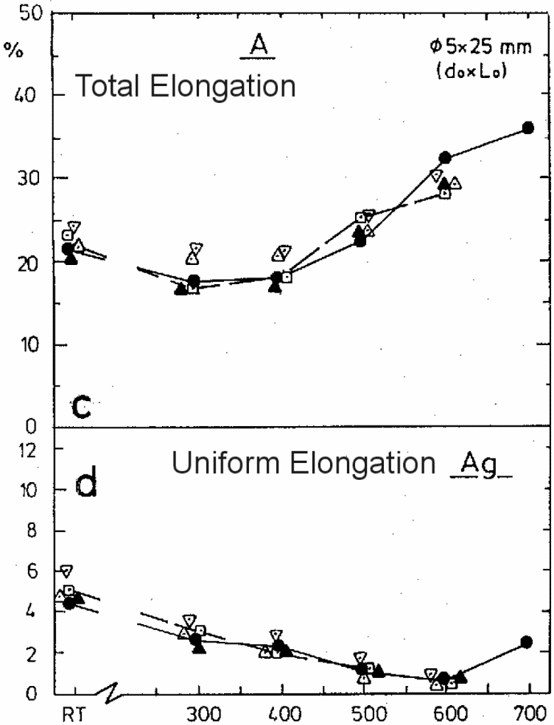
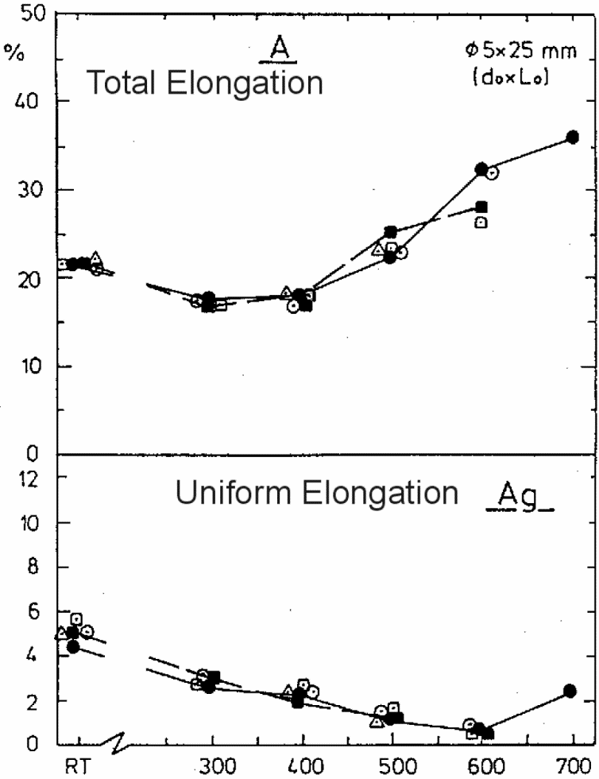
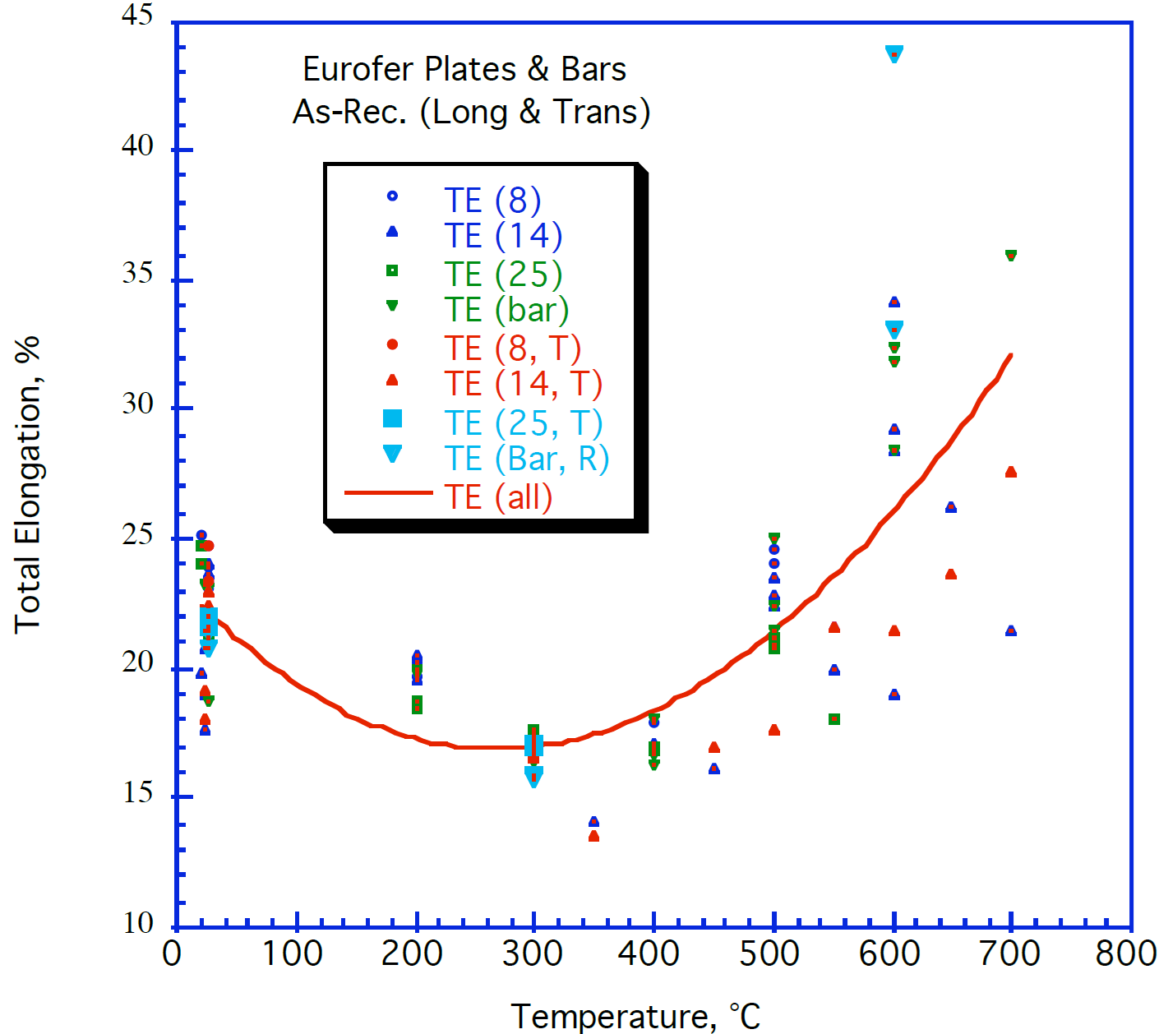
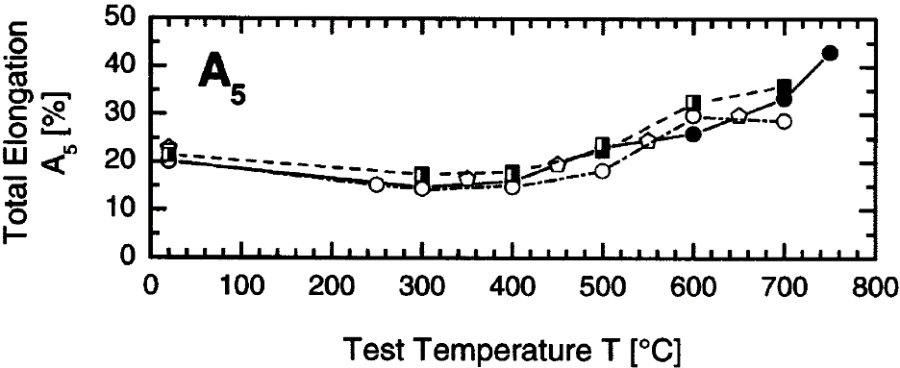

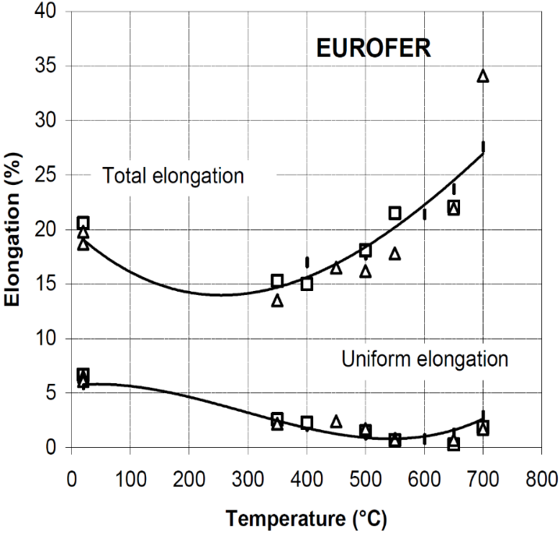
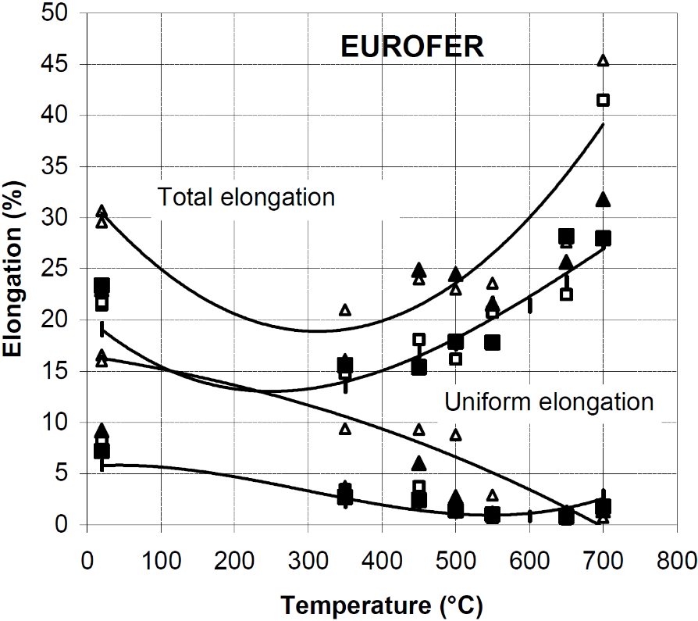

Tavassoli, F. 2004, "DEMO interim structural design criteria." DISIC, Appendix a material design limit data |  |  |  |  |  |  |  |  |  |  |  |  |  |  |  | Alamo, A. 2002, "RAFM steels - Metallurgical and mechanical characterization of EUROFER97- Thermal ageing behaviour" |  | Lindau, R. 2001, "First results on the characterisation of the reduced-activation-ferritic-martensitic steel EUROFER" |  | Rieth, M. et al. 2003, "EUROFER97 Tensile, Charpy, Creep and Structural Tests", Wissenschaftliche Berichte (Scientific Reports) FZKA 6911, Forschungszentrum Karlsruhe (KIT). Fig. 18 |  |  |  |  |  |  |  |  |  | Rieth, M. et al. 2003, "EUROFER97 Tensile, Charpy, Creep and Structural Tests", Wissenschaftliche Berichte (Scientific Reports) FZKA 6911, Forschungszentrum Karlsruhe (KIT). Fig. 22 |  |  |  |  |  | Alamo, A. 2002, "RAFM steels - Metallurgical and mechanical characterization of EUROFER97- Thermal ageing behaviour"

Uniform Elongation_SH
EUROFER97, as-received, transverse |  |  | EUROFER97 E83699, Ø100 mm bar, as-delivered |  | EUROFER97 E83699, Ø100 mm bar, 1075 °C 30min + 750 °C 2h |  | EUROFER97 E83698, 14 mm plate, as-delivered |  | EUROFER97 E83698, 14 mm plate, 1075 °C 30min + 750 °C 2h |  | EUROFER97 E83698, 14 mm plate, 950 °C 30min + 750 °C 2h |  |  | EUROFER97 E83699, Ø100 mm bar, as-delivered + aged 600 °C 1050h |  | EUROFER97 E83699, Ø100 mm bar, as-delivered + aged 580 °C 3300h |  | EUROFER97 E83699, Ø100 mm bar, 1075 °C + 750 °C + aged 600 °C 1050h |  |  | EUROFER97, aged 400 °C 12000 h, transverse |  | EUROFER97, aged 550 °C 12000 h, transverse |  | EUROFER97, aged 650 °C 2000 h, transverse |  | EUROFER97, aged 700 °C 2000 h, transverse |  | EUROFER97, aged 650 °C 12000 h, transverse |  | EUROFER97, aged 700 °C 12000 h, transverse
0 | 1 | 2 | 3 | 4 | 5 | 6 | 7 | 8 | 9 | 10 | 11 | 12 | 13 | 14 | 15 | 16 | 17 | 18 | 19 | 20 | 21 | 22 | 23 | 24 | 25 | 26 | 27 | 28 | 29 | 30 | 31 | 32
T [°C] | Uniform elongation [%] |  | T [°C] | Uniform elongation [%] | T [°C] | Uniform elongation [%] | T [°C] | Uniform elongation [%] | T [°C] | Uniform elongation [%] | T [°C] | Uniform elongation [%] |  | T [°C] | Uniform elongation [%] | T [°C] | Uniform elongation [%] | T [°C] | Uniform elongation [%] |  | T [°C] | Uniform elongation [%] | T [°C] | Uniform elongation [%] | T [°C] | Uniform elongation [%] | T [°C] | Uniform elongation [%] | T [°C] | Uniform elongation [%] | T [°C] | Uniform elongation [%]
20.0 | 5.8 |  | RT | 4.59 | RT | 5.16 | RT | 4.97 | RT | 5.00 | RT | 6.08 |  | RT | 5.14 | RT | 5.35 | RT | 5.68 |  | 20.0 | 6.6 | 19.5 | 6.0 | 19.9 | 7.3 | 19.9 | 9.1 | 19.9 | 8.2 | 19.9 | 16.4
400.5 | 2.0 |  | 300.0 | 2.70 | 300.0 | 2.78 | 300.0 | 2.70 | 300.0 | 2.51 | 300.0 | 3.60 |  | 300.0 | 3.03 | 400.0 | 2.44 | 300.0 | 2.77 |  | 350.0 | 2.5 | 350.0 | 2.0 | 350.0 | 2.7 | 350.0 | 3.7 | 350.0 | 3.6 | 19.9 | 15.8
500.0 | 1.1 |  | 400.0 | 2.36 | 400.0 | 2.03 | 400.0 | 2.32 | 400.0 | 2.23 | 400.0 | 2.88 |  | 400.0 | 2.67 | 500.0 | 1.10 | 400.0 | 2.77 |  | 400.3 | 2.3 | 450.2 | 2.2 | 450.2 | 2.5 | 449.9 | 5.9 | 450.3 | 3.7 | 350.0 | 9.2
600.5 | 0.7 |  | 500.0 | 1.20 | 500.0 | 1.26 | 500.0 | 1.19 | 500.0 | 0.91 | 500.0 | 1.39 |  | 500.0 | 1.44 |  |  | 500.0 | 1.46 |  | 499.8 | 1.5 | 500.1 | 1.5 | 500.0 | 1.4 | 499.7 | 2.7 | 549.9 | 0.7 | 449.9 | 9.2
650.5 | 1.3 |  | 600.0 | 0.84 | 600.0 | 0.79 | 600.0 | 0.91 | 600.0 | 0.61 | 600.0 | 0.90 |  | 600.0 | 0.92 |  |  | 600.0 | 0.65 |  | 550.0 | 0.7 | 550.0 | 0.5 | 550.0 | 1.0 | 700.0 | 1.4 |  |  | 500.1 | 8.6
700.0 | 2.8 |  | 700.0 | 2.50 |  |  |  |  |  |  |  |  |  |  |  |  |  |  |  |  | 650.2 | 0.3 | 650.2 | 0.5 | 650.1 | 0.8 |  |  |  |  | 549.9 | 2.8
 |  |  |  |  |  |  |  |  |  |  |  |  |  |  |  |  |  |  |  |  | 700.1 | 1.9 | 700.1 | 1.5 | 699.9 | 1.8 |  |  |  |  | 700.0 | 0.5

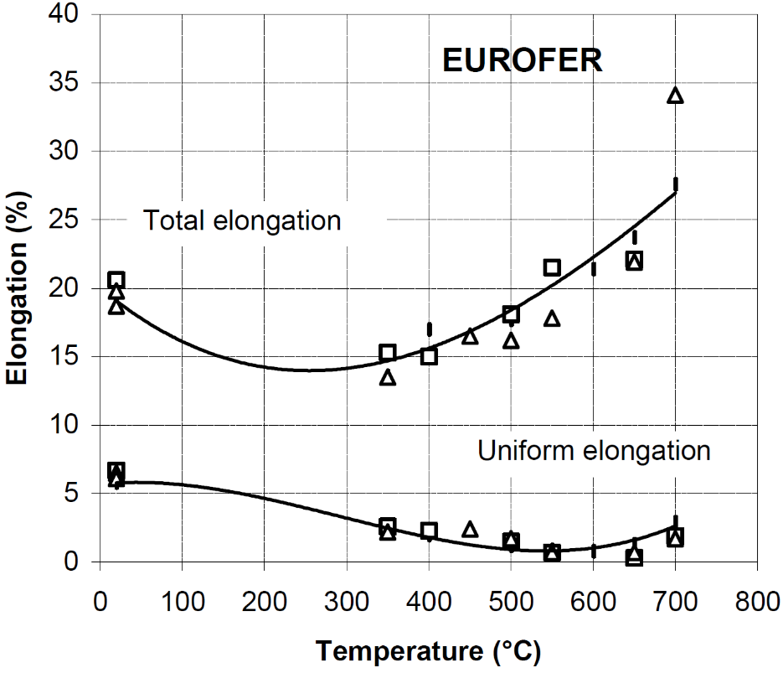

Alamo, A. 2002, "RAFM steels - Metallurgical and mechanical characterization of EUROFER97- Thermal ageing behaviour" |  |  | Rieth, M. et al. 2003, "EUROFER97 Tensile, Charpy, Creep and Structural Tests", Wissenschaftliche Berichte (Scientific Reports) FZKA 6911, Forschungszentrum Karlsruhe (KIT). Fig. 18 |  |  |  |  |  |  |  |  |  |  | Rieth, M. et al. 2003, "EUROFER97 Tensile, Charpy, Creep and Structural Tests", Wissenschaftliche Berichte (Scientific Reports) FZKA 6911, Forschungszentrum Karlsruhe (KIT). Fig. 22 |  |  |  |  |  |  | Alamo, A. 2002, "RAFM steels - Metallurgical and mechanical characterization of EUROFER97- Thermal ageing behaviour"

Toughness
EUROFER97 Solid HIP Joint |  | EUROFER97 Solid HIP Bulk |  | EUROFER97 980C27+760C1.5h |  | EUROFER97 1050C30+750C3h |  | EUROFER97 1075C30+750C2h

Temp (°C) | Energy (J/cm^2) | Temp (°C) | Energy (J/cm^2) | Temp (°C) | Energy (J) | Temp (°C) | Energy (J) | Temp (°C) | Energy (J)
-195.47511312 | 4.5174690305 | -191.85520362 | 5.7543950745 | -100.7473904 | 11.533552043 | -90.459886669 | 31.932001193 | -60.36683567 | 13.222785565
-52.488687783 | 65.876047771 | -53.393665158 | 65.464357244 | -80.466447957 | 74.661497167 | -80.540411572 | 105.43036087 | -45.563972562 | 155.23173278
-22.624434389 | 87.248720421 | -21.719457014 | 102.82434537 | -60.708022666 | 155.1565762 | -60.526096033 | 179.47509693 | -50.393080823 | 164.14076946
-3.6199095023 | 178.68110674 | -3.6199095023 | 171.30405756 | -20.170593498 | 191.58604235 | -40.412764688 | 212.32925738 | -55.696987772 | 170.56606024
20.814479638 | 208.64921 | 20.814479638 | 200.86232475 | -30.303608709 | 206.92036982 | -20.097226364 | 261.06531464 | -40.372203996 | 195.45600954
200.90497738 | 212.29693643 | 202.71493213 | 215.57933388 | -10.436623919 | 242.25469729 | -20.051893826 | 242.20697882 | -30.239188786 | 180.12168208
400 | 208.60655738 | 400 | 215.16393443 | -20.300626305 | 245.67968983 | -0.35609901581 | 248.75633761 | -30.278556517 | 196.49865792
 |  |  |  | 22.743215031 | 239.44169401 | 23.152400835 | 269.22039964 | -20.35192365 | 267.01938562
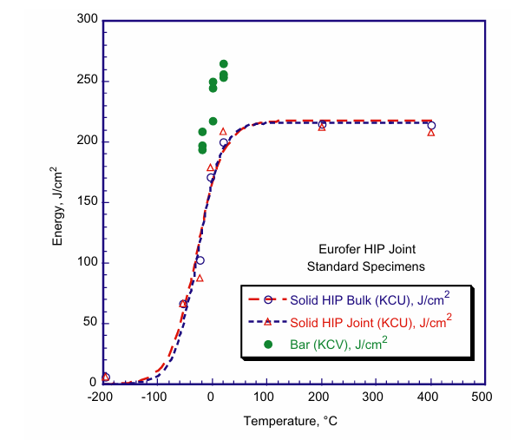
 |  |  |  | 39.774530271 | 254.41455413 | 60.212943633 | 252.03459588 | 0.080524903072 | 267.12078735
 |  |  |  | 59.986877423 | 246.07813898 | 40.011333135 | 255.90456308 | 23.152400835 | 269.22039964
 |  |  |  | 70.293468536 | 258.53623621 |  |  | 39.962421712 | 276.25171488
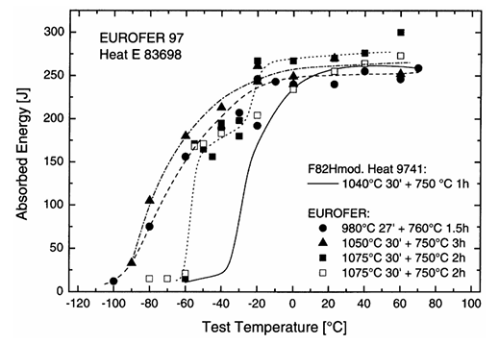
 |  |  |  |  |  |  |  | 60.096033403 | 300.66925142
 |  |  |  |  |  |  |  | 59.741723829 | 248.062034
 |  |  |  |  |  |  |  | -80.320906651 | 14.116313749
 |  |  |  |  |  |  |  | -70.226066209 | 14.662690128
 |  |  |  |  |  |  |  | -60.384730092 | 20.666865494
 |  |  |  |  |  |  |  | -50.168207575 | 170.59349836
 |  |  |  |  |  |  |  | -40.341186997 | 182.55293767
 |  |  |  |  |  |  |  | -19.960035789 | 203.99403519
 |  |  |  |  |  |  |  | -0.078735460781 | 233.37309872
 |  |  |  |  |  |  |  | 23.428571429 | 254.33343275
 |  |  |  |  |  |  |  | 39.994631673 | 262.85237101
 |  |  |  |  |  |  |  | 60.162839248 | 272.87801968

Fig. 8. Tavassoli, A-AF, et al. "Materials design data for reduced activation martensitic steel type EUROFER." Journal of Nuclear Materials 329 (2004): 257-262. |  |  |  | Fig. 3Lindau, R., and M. Schirra. "First results on the characterisation of the reduced-activation-ferritic-martensitic steel EUROFER." Fusion Engineering and design 58 (2001): 781-785.

Toughness_SH
EUROFER97, as-received |  | EUROFER97 (980 °C + 760 °C) transv. |  | EUROFER97 (1050 °C + 750 °C) transv. |  | EUROFER97 (1075 °C + 750 °C) transv. |  | EUROFER97 (1075 °C + 750 °C) longit. |  | EUROFER97, aged 500 °C 5000 h |  | EUROFER97 Solid HIP Joint |  | EUROFER97 Solid HIP Bulk

T (°C) | E (J) | T [°C] | E [J] | T [°C] | E [J] | T [°C] | E [J] | T [°C] | E [J] | T (°C) | E (J) | T (°C) | E (J/cm^2) | T (°C) | E (J/cm^2)
-100.0 | 10.3 | -100.1 | 12.3 | -90.0 | 33.3 | -60.0 | 15.3 | -80.0 | 15.3 | -99.9 | 7.2 | -195.5 | 4.5 | -191.9 | 5.8
-80.1 | 14.3 | -79.9 | 75.6 | -79.7 | 105.3 | -54.6 | 170.9 | -69.9 | 15.5 | -79.9 | 42.5 | -52.5 | 65.9 | -53.4 | 65.5
-70.0 | 47.8 | -59.6 | 156.5 | -59.5 | 180.3 | -49.7 | 164.9 | -60.0 | 21.5 | -79.9 | 77.8 | -22.6 | 87.2 | -21.7 | 102.8
-70.0 | 55.9 | -39.6 | 189.2 | -39.4 | 213.3 | -44.6 | 156.3 | -54.6 | 168.2 | -70.0 | 7.6 | -3.6 | 178.7 | -3.6 | 171.3
-70.0 | 135.9 | -29.5 | 207.2 | -19.2 | 243.2 | -39.6 | 194.9 | -49.6 | 171.4 | -70.0 | 23.3 | 20.8 | 208.6 | 20.8 | 200.9
-60.0 | 25.0 | -19.5 | 192.3 | -19.2 | 261.3 | -29.6 | 198.2 | -39.5 | 183.2 | -60.0 | 117.6 | 200.9 | 212.3 | 202.7 | 215.6
-60.0 | 142.6 | -19.3 | 246.8 | 0.8 | 240.2 | -29.6 | 180.3 | -19.5 | 204.3 | -60.0 | 122.5 | 400.0 | 208.6 | 400.0 | 215.2
-60.0 | 145.8 | -9.2 | 243.3 | 0.8 | 249.9 | -19.2 | 267.4 | 0.8 | 234.3 | -40.1 | 165.4
-40.1 | 167.7 | 0.7 | 240.4 | 23.8 | 270.2 | 0.8 | 267.2 | 23.7 | 255.5 | -20.1 | 251.7
-40.1 | 178.9 | 23.6 | 240.3 | 60.7 | 252.5 | 23.8 | 270.8 | 40.7 | 264.7 | -0.1 | 235.2
-20.1 | 242.8 | 40.7 | 255.5 |  |  | 40.7 | 276.7 | 60.8 | 273.5 | 25.1 | 229.8
-20.1 | 268.3 | 60.6 | 246.3 |  |  | 60.8 | 300.4 |  |  | 25.1 | 238.8
-0.1 | 250.9 | 70.6 | 259.2
24.9 | 267.4

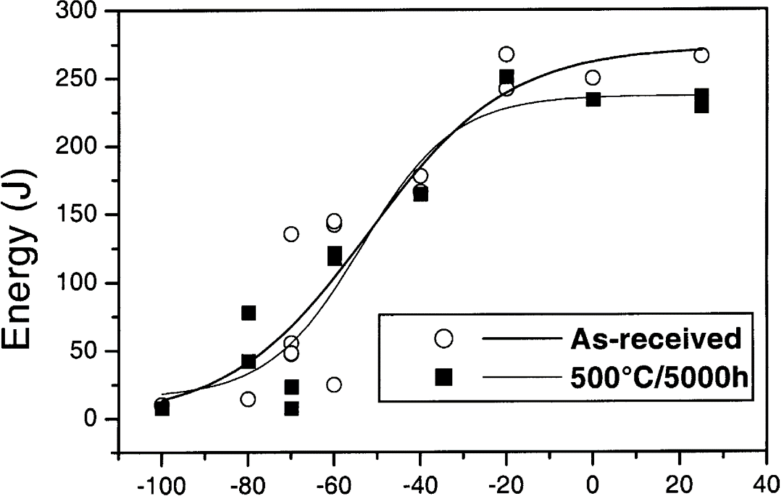

Fernandez, P. et al. "Metallurgical properties of reduced activation martensitic steel Eurofer'97 in the as-received condition and after thermal ageing" (2002) |  | Fig. 3Lindau, R., and M. Schirra. "First results on the characterisation of the reduced-activation-ferritic-martensitic steel EUROFER." Fusion Engineering and design 58 (2001): 781-785. |  |  |  |  |  |  |  | Fernandez, P. et al. "Metallurgical properties of reduced activation martensitic steel Eurofer'97 in the as-received condition and after thermal ageing" (2002) |  | Fig. 8. Tavassoli, A-AF, et al. "Materials design data for reduced activation martensitic steel type EUROFER." Journal of Nuclear Materials 329 (2004): 257-262.

Creep
EUROFER97-600C |  | EUROFER97-550C |  | EUROFER97-500C |  | EUROFER97-450C |  | EUROFER97-650C

Time (h) | Stress Intensity St (MPa) | Time (h) | Stress Intensity St (MPa) | Time (h) | Stress Intensity St (MPa) | Time (h) | Stress Intensity St (MPa) | Time (h) | Stress Intensity St (MPa)
10 | 123.97806 | 10 | 161.47684 | 10 | 205.79383 | 10 | 250.68169 | 10 | 95.557891688
30 | 113.80448 | 30 | 151.87212 | 30 | 195.62227 | 30 | 239.9406 | 30 | 88.682804291
100 | 103.06742 | 100 | 140.56755 | 100 | 183.74884 | 100 | 229.77239 | 100 | 81.20048343
300 | 92.89384 | 300 | 130.96282 | 300 | 174.14411 | 300 | 218.46245 | 300 | 74.529005773
1000 | 82.72631 | 1000 | 120.22643 | 1000 | 163.97658 | 1000 | 208.29424 | 1000 | 66.64081384
3000 | 73.12159 | 3000 | 111.18989 | 3000 | 154.94004 | 3000 | 200.39541 | 3000 | 60.172496454
10000 | 64.09042 | 10000 | 101.02303 | 10000 | 143.06729 | 10000 | 189.09084 | 10000 | 52.487914261
30000 | 55.05388 | 30000 | 91.98649 | 30000 | 134.59826 | 30000 | 179.48612 | 30000 | 45.612377395
100000 | 44.885 | 100000 | 81.81762 | 100000 | 125.56709 | 100000 | 168.74973 | 100000 | 37.927795202
300000 | 36.98483 | 300000 | 72.21289 | 300000 | 115.39486 | 300000 | 159.71319 | 300000 | 30.849547534

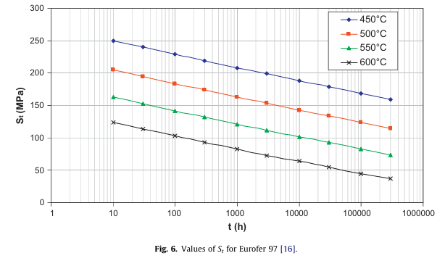
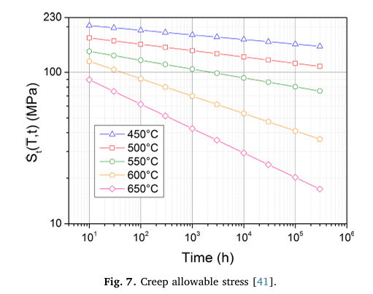

Fig. 6. of Aiello, G., et al. "Assessment of design limits and criteria requirements for Eurofer structures in TBM components." Journal of Nuclear Materials 414.1 (2011): 53-68. |  |  |  |  |  |  |  | Fig. 7. Gaganidze, Ermile, et al. "Development of EUROFER97 database and material property handbook." Fusion Engineering and Design 135 (2018): 9-14.

Fatigue
EUROFER97-Design |  | EUROFER97-Average |  | EUROFER97-RoomTemp |  | EUROFER97-500C |  | EUROFER97-550C |  | EUROFER97-SSTTSpecimens |  | EUROFER97-LargeSpecimens

Number of cycles to failure | Total Strain Range (Δε %) | Number of cycles to failure | Total Strain Range (Δε %) | Number of cycles to failure | Total Strain Range (Δε %) | Number of cycles to failure | Total Strain Range (Δε %) | Number of cycles to failure | Total Strain Range (Δε %) | Number of cycles to failure | Total Strain Range (Δε %) | Number of cycles to failure | Total Strain Range (Δε %)
4.86382 | 4.9923 | 100.27548 | 4.96676 | 649.06276 | 1.80845 | 389.44281 | 1.80583 | 392.51536 | 1.49883 | 583.8839409 | 1.1948529412 | 748.8067453 | 1.8125
9.94513 | 3.33627 | 196.74641 | 3.31912 | 1056.55178 | 1.40437 | 554.66058 | 1.80058 | 563.44722 | 1.49621 | 612.06101462 | 1.1985294118 | 1306.0697973 | 1.6102941176
24.99479 | 1.98115 | 494.47662 | 1.99858 | 1161.03795 | 1.40437 | 680.40031 | 1.40175 | 1073.28911 | 1.00292 | 781.37073765 | 1.1948529412 | 1740.5891761 | 1.5
48.37131 | 1.38035 | 1011.06476 | 1.38289 | 4891.24926 | 1.00554 | 759.532 | 1.40175 | 895.81521 | 1.00292 | 811.30410512 | 1.1948529412 | 1609.1726444 | 1.4117647059
100.27548 | 0.97527 | 1983.76873 | 0.98385 | 5208.6305 | 1.00292 | 1098.89357 | 1.00292 | 2044.46747 | 0.70117 | 636.73919587 | 1 | 1719.0722019 | 1.4191176471
252.01924 | 0.67491 | 4917.63479 | 0.67144 | 4381.65546 | 0.80087 | 1326.98769 | 0.99767 | 3434.28377 | 0.69854 | 768.41217559 | 1 | 1801.7821533 | 1.4191176471
494.47662 | 0.52928 | 9917.80969 | 0.53394 | 5127.40486 | 0.80087 | 1615.06917 | 0.80087 | 16535.98365 | 0.39942 | 944.909371 | 1 | 2016.3309885 | 1.4117647059
50270.61721 | 0.18695 | 20279.11437 | 0.45203 | 19198.9046 | 0.59883 | 2143.1769 | 0.80087 | 20125.85161 | 0.40204 | 1229.3509194 | 1 | 2410.1985516 | 1.4080882353
98633.9179 | 0.16849 | 50966.86645 | 0.37224 | 27559.6081 | 0.60146 | 5007.93523 | 0.60408 |  |  | 1312.9473136 | 1 | 2730.2000973 | 1.2242647059
207303.6408 | 0.15944 | 98633.9179 | 0.34256 | 145821.82377 | 0.39942 | 5374.96235 | 0.60408 |  |  | 1157.7784193 | 0.90441176471 | 2536.6567525 | 1.0183823529
506872.17006 | 0.15089 | 207303.6408 | 0.31969 |  |  | 14242.41439 | 0.39417 |  |  | 1224.9412114 | 0.90441176471 | 1702.9915184 | 0.91911764706
1000000 | 0.14887 | 506872.17006 | 0.30466 |  |  | 18899.50858 | 0.39679 |  |  | 1308.2377436 | 0.90441176471 | 3714.7361417 | 0.91544117647
 |  | 1008287.143 | 0.29436 |  |  |  |  |  |  | 1534.6678876 | 0.90073529412 | 3833.1288776 | 1
 |  |  |  |  |  |  |  |  |  | 1608.5055696 | 0.90073529412 | 5742.0057816 | 1
 |  |  |  |  |  |  |  |  |  | 1254.9298446 | 0.79779411765 | 5976.8256641 | 0.81617647059
 |  |  |  |  |  |  |  |  |  | 1352.9212214 | 0.79779411765 | 6323.5416612 | 0.81617647059
 |  |  |  |  |  |  |  |  |  | 1472.5404276 | 0.80147058824 | 7488.067453 | 0.8125
 |  |  |  |  |  |  |  |  |  | 1528.9516696 | 0.80147058824 | 9563.3983239 | 0.81985294118
 |  |  |  |  |  |  |  |  |  | 1663.9047111 | 0.80147058824 | 12207.160251 | 0.8125
 |  |  |  |  |  |  |  |  |  | 1551.9450875 | 0.69852941176 | 14786.587146 | 0.66176470588
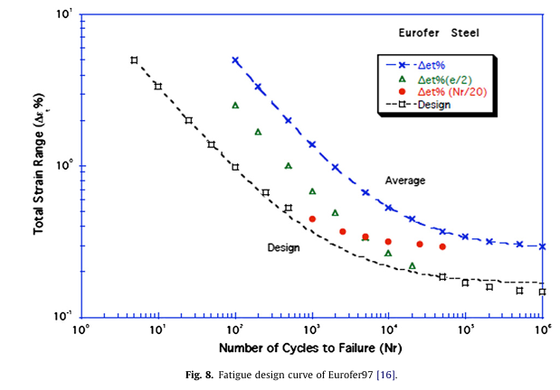
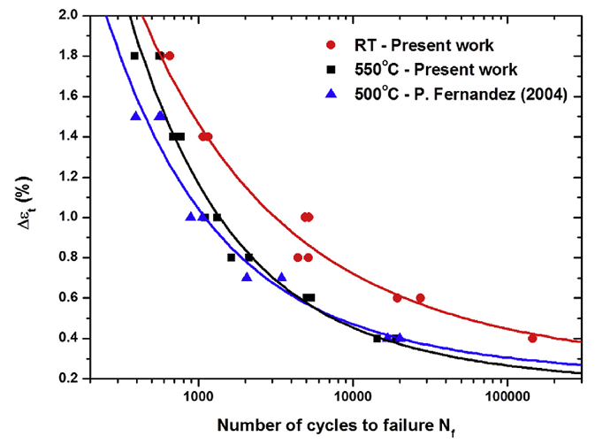
 |  |  |  |  |  |  |  |  |  | 2156.4207066 | 0.69852941176 | 8238.465712 | 0.60294117647
 |  |  |  |  |  |  |  |  |  | 2273.3309523 | 0.60294117647 | 18692.555013 | 0.39705882353
 |  |  |  |  |  |  |  |  |  | 2450.8443255 | 0.60294117647 | 39816.21969 | 0.51102941176
 |  |  |  |  |  |  |  |  |  | 3099.5348132 | 0.59926470588 | 51317.336304 | 0.51102941176
 |  |  |  |  |  |  |  |  |  | 5296.0195527 | 0.59926470588 | 105815.6295 | 0.51102941176
 |  |  |  |  |  |  |  |  |  | 5090.0575081 | 0.54411764706
 |  |  |  |  |  |  |  |  |  | 5324.6432593 | 0.49264705882
 |  |  |  |  |  |  |  |  |  | 7126.579799 | 0.49632352941
 |  |  |  |  |  |  |  |  |  | 8205.5111935 | 0.49632352941
 |  |  |  |  |  |  |  |  |  | 12154.970288 | 0.44852941176
 |  |  |  |  |  |  |  |  |  | 25018.386859 | 0.40073529412

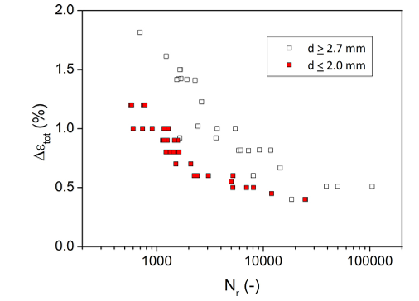

Fig. 8. of Aiello, G., et al. "Assessment of design limits and criteria requirements for Eurofer structures in TBM components." Journal of Nuclear Materials 414.1 (2011): 53-68. |  |  |  | Fig. 3. of Roldán, M., et al. "Deformation behaviour and microstructural evolution of EUROFER97-2 under low cycle fatigue conditions." Materials Characterization 158 (2019): 109943.

 |  |  |  |  |  |  |  |  |  | Fig. 2. Gaganidze, Ermile, et al. "Development of EUROFER97 database and material property handbook." Fusion Engineering and Design 135 (2018): 9-14.

