Diffusivity
EUROFER97, E83699, Ø100 mm bar, as-delivered

Temp (K) | Thermal Diffusivity Coef. (cm2/s)
295.6 | 0.082
322.8 | 0.081
373.3 | 0.078
472.8 | 0.076
573.1 | 0.071
673.3 | 0.065
772.8 | 0.058
873.1 | 0.050

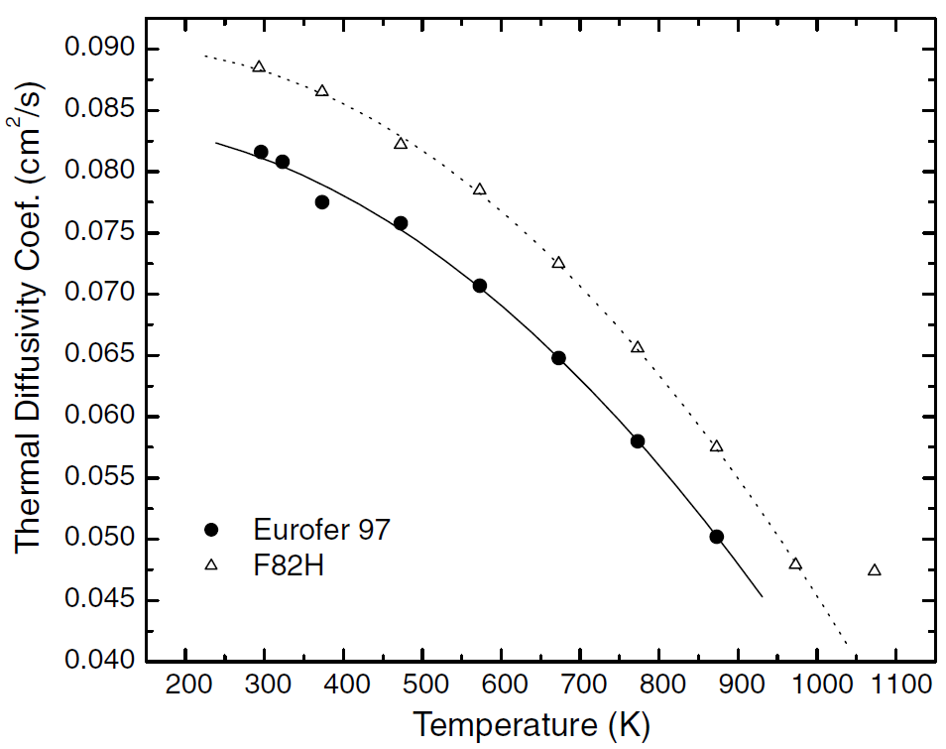

Reference: Figure 3 Mergia, K., and N. Boukos. "Structural, thermal, electrical and magnetic properties of Eurofer 97 steel." Journal of Nuclear Materials 373.1-3 (2008): 1-8.

Mergia&Boukos

Specific Heat
EUROFER97, E83699, Ø100 mm bar, as-delivered

Temp (K) | Specific Heat (J/kg-K)
296.1 | 448.4
322.7 | 461.5
348.1 | 475.4
373.4 | 485.4
398.1 | 496.1
423.4 | 504.6
447.4 | 513.9
472.7 | 521.6
498.1 | 530.0
522.7 | 537.0
548.1 | 544.7
572.7 | 550.8
598.1 | 557.0
622.7 | 565.5
648.1 | 573.2
673.4 | 584.0
698.1 | 597.0
722.7 | 611.7
747.4 | 628.6
773.4 | 655.6
797.4 | 687.2
822.7 | 721.1
847.4 | 764.2
872.7 | 801.2

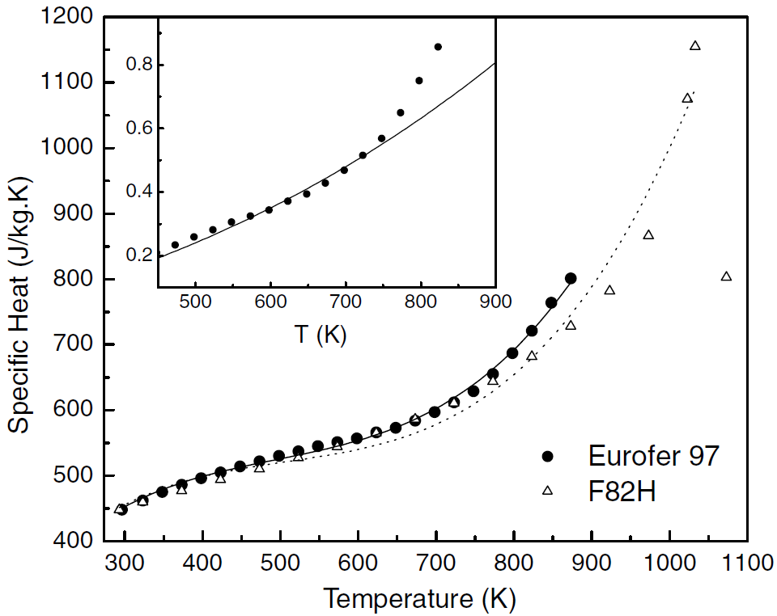

Reference: Figure 4 Mergia, K., and N. Boukos. "Structural, thermal, electrical and magnetic properties of Eurofer 97 steel." Journal of Nuclear Materials 373.1-3 (2008): 1-8.

Mergia&Boukos

Conductivity
EUROFER97

Temp (K) | Thermal Conductivity, k (W/m*K)
295.8 | 28.33
322.6 | 28.93
372.6 | 29.19
473.2 | 30.67
572.6 | 30.19
672.6 | 29.33
772.6 | 29.45
872.6 | 31.17

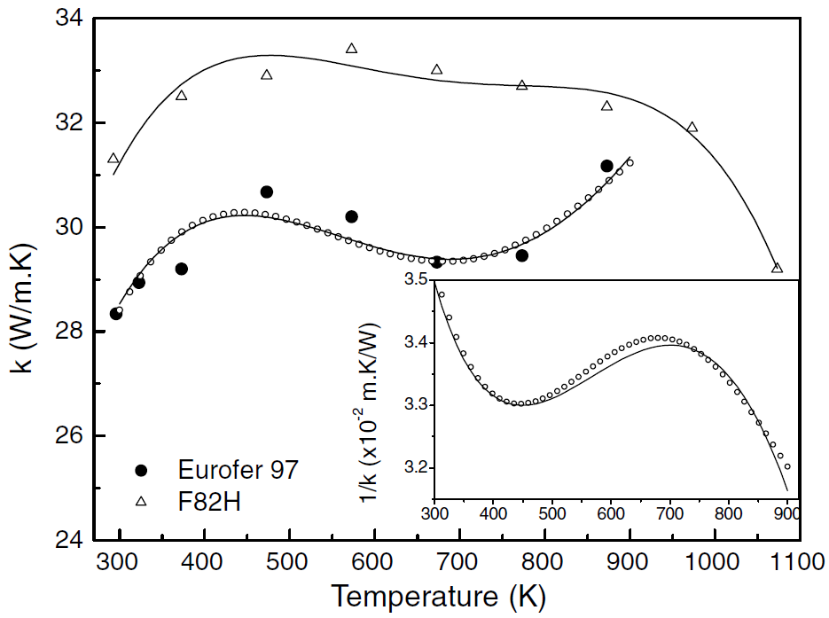

Reference: Figure 5 Mergia, K., and N. Boukos. "Structural, thermal, electrical and magnetic properties of Eurofer 97 steel." Journal of Nuclear Materials 373.1-3 (2008): 1-8.

Mergia&Boukos

Resistivity
EUROFER97, E83699, Ø100 mm bar, as-delivered

Temp (K) | Electrical Resistivity (x10-8 ohm-m)
303.3 | 51.08
327.6 | 54.55
344.2 | 56.47
365.8 | 59.10
396.2 | 62.81
423.3 | 66.41
450.4 | 69.28
467.0 | 71.44
497.4 | 75.51
523.4 | 77.43
545.5 | 81.14
577.1 | 84.73
601.9 | 87.25
657.8 | 93.47
682.1 | 96.23
708.1 | 99.58
734.7 | 102.57
763.4 | 105.81
783.9 | 107.96
817.1 | 111.20
850.2 | 114.19
884.0 | 117.43
924.9 | 121.38

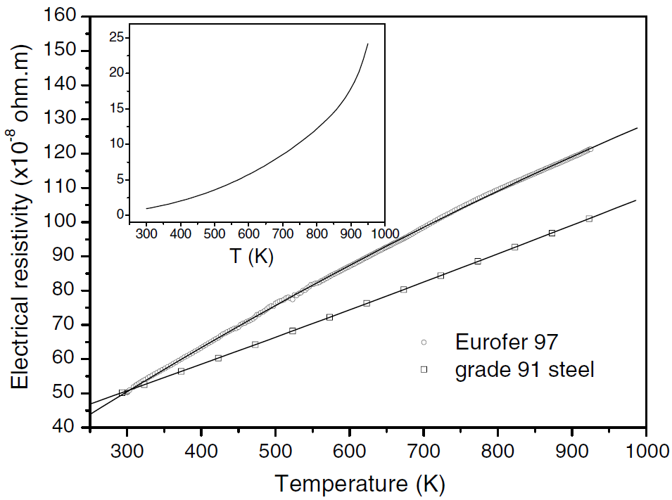
*Important comment about data digitzed for EUROFER97: A subset of the data points were chosen along the least squares fit line. Difficult to discretize all points due to overlap.

Ref: Figure 6 Mergia, K., and N. Boukos. "Structural, thermal, electrical and magnetic properties of Eurofer 97 steel." Journal of Nuclear Materials 373.1-3 (2008): 1-8.

Mergia&Boukos

CTE
F82H (JAERI data)

T (K) | Coefficient of Thermal Expansion (10-6/K)
373 | 10.7
473 | 11
573 | 11.2
673 | 11.7
773 | 12
873 | 12.3
973 | 12.5
1073 | 12.6
1173 | 10
1273 | 10.7

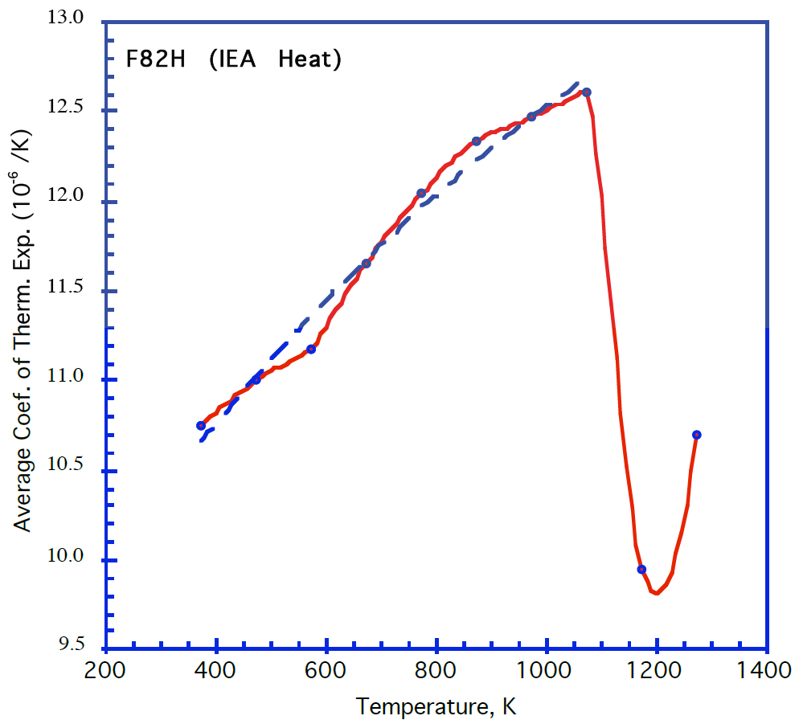

Reference: Tavassoli, F. et al 2004, "Fusion demo interim structural design criteria (DISDC) - Appendix A, Material design limit data", fig. A3.S18E.2.1.1.

NOTE: No specific data for Eurofer available, so F82H data is used instead

Emissivity
EUROFER97 - As-rolled |  | EUROFER97 - Polished |  | EUROFER97 - polished

Temp (K) | Hemispherical Emissivity | Temp (K) | Hemispherical Emissivity | Temp (K) | Normal Emissivity
473.1 | 0.180 | 430.1 | 0.117 | 423 | 0.084
573.2 | 0.215 | 524.3 | 0.129 | 523 | 0.101
673.0 | 0.245 | 624.0 | 0.143 | 623 | 0.120
772.7 | 0.274 | 724.9 | 0.156 | 723 | 0.141
872.9 | 0.302 | 820.9 | 0.176 | 823 | 0.163

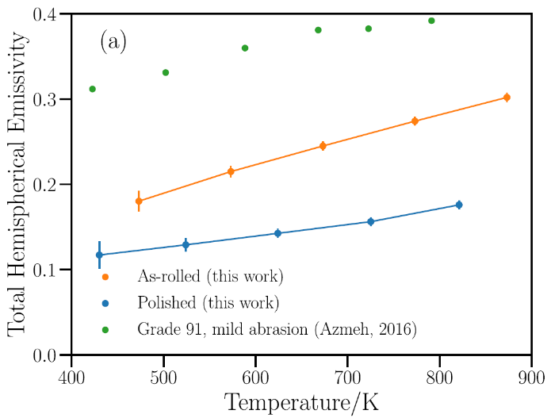
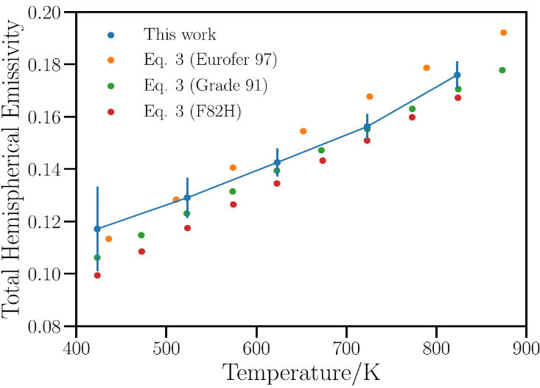

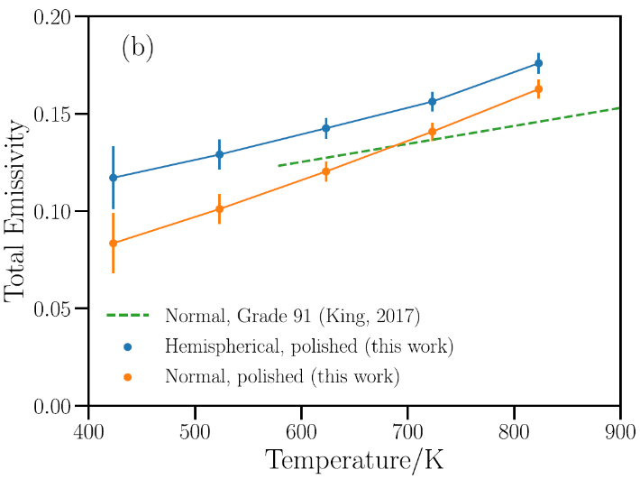

Fig 6a: Echániz, T., de Arrieta, I. G., Gil-Muñoz, A., Fernández-Pereda, J., Fuente, R., Klimenkov, M., & López, G. A. (2021). Infrared emissivity of reduced-activation Eurofer 97 for fusion reactor applications. Journal of Nuclear Materials, 549, 152907. |  | Fig 6b: Echániz, T., de Arrieta, I. G., Gil-Muñoz, A., Fernández-Pereda, J., Fuente, R., Klimenkov, M., & López, G. A. (2021). Infrared emissivity of reduced-activation Eurofer 97 for fusion reactor applications. Journal of Nuclear Materials, 549, 152907. |  | Fig 7: Echániz, T., de Arrieta, I. G., Gil-Muñoz, A., Fernández-Pereda, J., Fuente, R., Klimenkov, M., & López, G. A. (2021). Infrared emissivity of reduced-activation Eurofer 97 for fusion reactor applications. Journal of Nuclear Materials, 549, 152907.
Echaniz Eurofer Emissivity

Elastic Properties
F82H, E |  | F82H, G

Temp (K) | E (Gpa) | Temp (K) | G (Gpa)
374.8 | 215.9 | 375.7 | 83.2
412.1 | 215.9 | 412.5 | 81.2
474.6 | 212.8 | 474.3 | 82.6
540.9 | 210.0 | 541.8 | 80.3
603.3 | 207.0 | 602.0 | 79.1
668.6 | 205.6 | 668.9 | 77.9
732.7 | 201.1 | 729.1 | 75.4
793.5 | 199.1 | 793.7 | 76.6
858.1 | 196.9 | 857.3 | 76.2
 |  | 920.8 | 74.7
 |  | 979.9 | 70.9
 |  | 1044.6 | 69.3
 |  | 1108.7 | 67.2
 |  | 1172.3 | 62.6
 |  | 1232.5 | 60.4

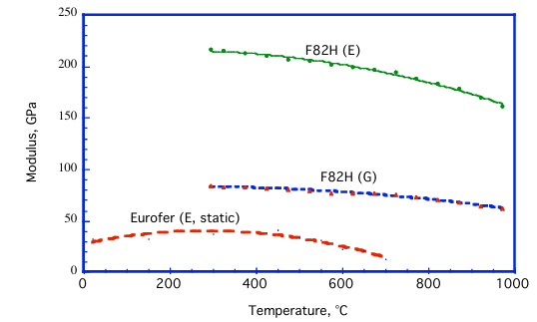

Figure A3.S18E.2.2.1. Tavassoli, F. "DEMO interim structural design criteria." DISIC, Appendix a material design limit data, CEA/Saclay (2002).

Note: No specific data for Eurofer were found. F82H data are used.

Hardness
Eurofer97 Heat 993391, 25 mm plate, T_au 1040 °C |  | Eurofer97 Heat 993402, 25 mm plate, T_au 1040 °C |  | Eurofer97 Heat 993391, 25 mm plate, T_au 980 °C |  | Eurofer97 Heat 993402, 25 mm plate, T_au 980 °C |  | Eurofer97 Heat 83699, Ø100 mm bar, T_au 1040 °C |  | Eurofer97 Heat 83699, Ø100 mm bar, T_au 980 °C

Tempering Temp (°C) | Hardness (HV30) | Tempering Temp (°C) | Hardness (HV30) | Tempering Temp (°C) | Hardness (HV30) | Tempering Temp (°C) | Hardness (HV30) | Tempering Temp (°C) | Hardness (HV30) | Tempering Temp (°C) | Hardness (HV30)
20 | 410 | 20 | 410 | 20 | 410 | 20 | 420 | hardened | 413.4 | hardened | 425.0
650 | 311 | 650 | 310 | 650 | 305 | 650 | 300 | 294.6 | 419.8 | 297.6 | 424.2
700 | 265 | 700 | 260 | 700 | 265 | 700 | 255 | 395.2 | 421.0 | 397.2 | 425.4
725 | 238 | 750 | 205 | 750 | 214 | 750 | 210 | 494.8 | 423.8 | 495.8 | 427.7
775 | 205 | 800 | 195 | 800 | 200 | 800 | 200 | 520.4 | 436.5 | 521.4 | 441.3
825 | 235 | 825 | 180 | 825 | 225 | 825 | 203 | 549.0 | 436.1 | 554.9 | 438.9
850 | 300 | 850 | 365 | 850 | 390 | 850 | 395 | 592.4 | 360.2 | 603.2 | 361.4
950 | 410 | 950 | 415 | 900 | 405 | 900 | 410 | 651.5 | 297.8 | 656.5 | 295.8
1000 | 415 | 1000 | 420 |  |  |  |  | 695.9 | 263.6 | 698.9 | 261.3
1050 | 411 | 1050 | 417 |  |  |  |  | 750.1 | 210.4 | 754.1 | 217.5
1100 | 405 | 1100 | 415 |  |  |  |  | 804.4 | 193.7 | 793.5 | 192.1
1150 | 390 | 1150 | 395 |  |  |  |  | 849.7 | 307.0 | 849.7 | 344.7
 |  |  |  |  |  |  |  | 874.4 | 412.3 | 875.4 | 415.4

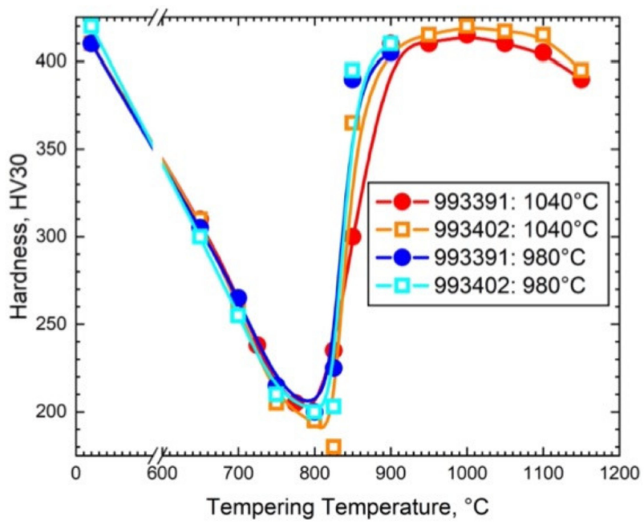
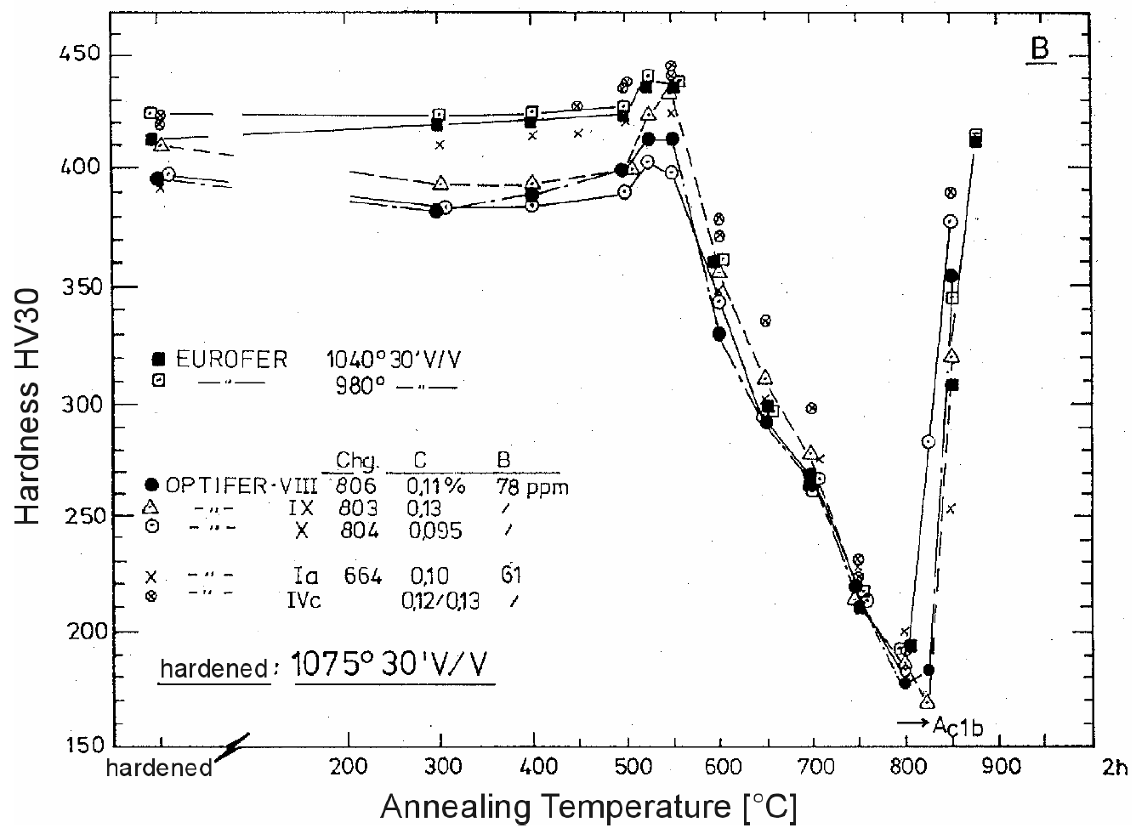

Ref: Rieth et al 2021, "Technological processes for steel applications in nuclear fusion", figure 3. |  |  |  |  |  |  |  | Ref: Rieth et al 2003, "EUROFER97 - tensile, charpy, creep and structural tests", figure 10.

NOTE: This data can be used for explaining the hardening behavior of EUROFER97. Generally the target hardness values are in the range of 200-240 HV, and hardness measurements (along with tensile tests) can be used to ensure material compliance with the specification (proper heat treatment and the resulting mechanical properties).

Yield Strength
EUROFER97 E83699, Ø100 mm bar, as-delivered |  | EUROFER97 E83699, Ø100 mm bar, 1075 °C + 750 °C |  | EUROFER97 E83698, 14 mm plate, as-delivered |  | EUROFER97 E83698, 14 mm plate, 1075 °C + 750 °C |  | EUROFER97 E83698, 14 mm plate, 950 °C + 750 °C |  |  | EUROFER97 E83698, 8 mm plate, as-delivered, longitudinal |  | EUROFER97 E83698, 14 mm plate, as-delivered, longitudinal |  | EUROFER97 E83698, 25 mm plate, as-delivered, longitudinal |  | EUROFER97 E83699, Ø100 mm bar, as-delivered, longitudinal |  | EUROFER97 E83698, 8 mm plate, as-delivered, transverse |  | EUROFER97 E83698, 14 mm plate, as-delivered, transverse |  | EUROFER97 E83698, 25 mm plate, as-delivered, transverse |  | EUROFER97 E83699, Ø100 mm bar, as-delivered, radial |  |  | EUROFER97, as-received, transverse |  |  | EUROFER97 E83699, Ø100 mm bar, as-delivered, aged 600 °C 1050h |  | EUROFER97 E83699, Ø100 mm bar, as-delivered, aged 580 °C 3300h |  | EUROFER97 E83699, Ø100 mm bar, 1075 °C + 750 °C, aged 600 °C 1050h |  |  | EUROFER97, aged 400 °C 12000 h, transverse |  | EUROFER97, aged 550 °C 12000 h, transverse |  | EUROFER97, aged 650 °C 2000 h, transverse |  | EUROFER97, aged 700 °C 2000 h, transverse |  | EUROFER97, aged 650 °C 12000 h, transverse |  | EUROFER97, aged 700 °C 12000 h, transverse |  |  | EUROFER97, yield strength limit
0 | 1 | 2 | 3 | 4 | 5 | 6 | 7 | 8 | 9 | 10 | 11 | 12 | 13 | 14 | 15 | 16 | 17 | 18 | 19 | 20 | 21 | 22 | 23 | 24 | 25 | 26 | 27 | 28 | 29 | 30 | 31 | 32 | 33 | 34 | 35 | 36 | 37 | 38 | 39 | 40 | 41 | 42 | 43 | 44 | 45 | 46 | 47 | 48 | 49 | 50 | 51 | 52
T (°C) | Yield Strength (MPa) | T (°C) | Yield Strength (MPa) | T (°C) | Yield Strength (MPa) | T (°C) | Yield Strength (MPa) | T (°C) | Yield Strength (MPa) |  | T (°C) | Yield Strength (MPa) | T (°C) | Yield Strength (MPa) | T (°C) | Yield Strength (MPa) | T (°C) | Yield Strength (MPa) | T (°C) | Yield Strength (MPa) | T (°C) | Yield Strength (MPa) | T (°C) | Yield Strength (MPa) | T (°C) | Yield Strength (MPa) |  | T (°C) | Yield Strength (MPa) |  | T (°C) | Yield Strength (MPa) | T (°C) | Yield Strength (MPa) | T (°C) | Yield Strength (MPa) |  | T (°C) | Yield Strength (MPa) | T (°C) | Yield Strength (MPa) | T (°C) | Yield Strength (MPa) | T (°C) | Yield Strength (MPa) | T (°C) | Yield Strength (MPa) | T (°C) | Yield Strength (MPa) |  | T (°C) | Yield Strength (MPa)
18.9 | 568.0 | 18.9 | 513.0 | 18.9 | 537.0 | 11.1 | 519.0 | 17.9 | 495.0 |  | 21.3 | 525.5 | 27.1 | 525.5 | 21.3 | 552.8 | 24.2 | 569.2 | 27.9 | 537.0 | 27.9 | 532.6 | 27.9 | 557.3 | 27.9 | 543.4 |  | 20.3 | 541.8 |  | 19.4 | 547.0 | 18.9 | 541.0 | 28.3 | 506.0 |  | 20.0 | 546.3 | 20.0 | 545.3 | 19.9 | 509.6 | 20.3 | 443.4 | 20.3 | 473.1 | 20.3 | 325.9 |  | 20 | 511.7
300.0 | 479.0 | 300.0 | 456.0 | 300.0 | 469.0 | 300.0 | 460.0 | 300.0 | 432.0 |  | 27.1 | 537.5 | 27.1 | 532.5 | 21.3 | 550.9 | 27.1 | 547.1 | 300.4 | 463.1 | 26.0 | 529.5 | 300.4 | 453.6 | 300.4 | 473.8 |  | 350.2 | 462.2 |  | 300.0 | 472.0 | 400.0 | 450.0 | 300.0 | 436.0 |  | 350.0 | 466.0 | 20.0 | 532.4 | 350.2 | 445.9 | 350.2 | 378.3 | 20.3 | 479.2 | 20.3 | 306.7 |  | 100 | 476.3
400.0 | 453.0 | 400.0 | 447.0 | 400.0 | 442.0 | 400.0 | 434.0 | 400.0 | 417.0 |  | 27.1 | 549.0 | 21.3 | 537.5 | 27.1 | 557.8 | 25.1 | 514.1 | 300.4 | 456.2 | 28.9 | 559.8 | 300.4 | 487.7 | 601.7 | 304.5 |  | 400.0 | 430.5 |  | 400.0 | 454.0 | 500.0 | 399.0 | 400.0 | 420.0 |  | 400.0 | 445.6 | 350.0 | 452.8 | 450.0 | 406.9 | 450.0 | 319.3 | 350.2 | 358.8 | 350.2 | 253.5 |  | 150 | 461.8
500.0 | 404.0 | 500.0 | 384.0 | 500.0 | 392.0 | 500.0 | 391.0 | 500.0 | 374.0 |  | 27.1 | 528.7 | 24.2 | 547.1 | 200.0 | 483.1 | 200.0 | 495.1 |  |  | 301.3 | 466.3 |  |  |  |  |  | 450.0 | 429.3 |  | 500.0 | 401.0 |  |  | 500.0 | 378.0 |  | 500.0 | 411.0 | 450.0 | 423.5 | 500.1 | 395.3 | 500.1 | 303.8 | 450.0 | 350.5 | 450.0 | 247.7 |  | 200 | 452.6
600.0 | 284.0 | 600.0 | 278.0 | 600.0 | 277.0 | 600.0 | 284.0 | 600.0 | 265.0 |  | 200.0 | 470.4 | 24.2 | 572.4 | 200.0 | 503.3 | 300.5 | 453.9 |  |  | 301.3 | 469.4 |  |  |  |  |  | 500.0 | 379.8 |  | 600.0 | 283.0 |  |  | 600.0 | 274.0 |  | 550.0 | 297.0 | 500.0 | 407.8 | 550.2 | 330.2 | 550.2 | 297.6 | 500.1 | 353.0 | 500.1 | 230.0 |  | 250 | 445.9
700.0 | 133.0 |  |  |  |  |  |  |  |  |  | 200.0 | 491.9 | 200.0 | 488.8 | 300.5 | 466.6 | 300.5 | 471.0 |  |  | 350.4 | 463.1 |  |  |  |  |  | 550.0 | 355.3 |  |  |  |  |  |  |  |  | 650.0 | 262.7 | 550.0 | 347.4 | 649.9 | 215.2 | 649.9 | 188.8 | 550.2 | 276.7 | 550.2 | 210.5 |  | 300 | 436.7
 |  |  |  |  |  |  |  |  |  |  | 300.5 | 481.2 | 299.5 | 453.9 | 300.5 | 486.9 | 300.5 | 479.9 |  |  | 450.5 | 430.2 |  |  |  |  |  | 600.0 | 258.7 |  |  |  |  |  |  |  |  | 700.0 | 175.3 | 650.0 | 217.4 | 700.0 | 142.5 | 700.0 | 113.9 | 649.9 | 209.0 | 649.9 | 156.6 |  | 350 | 427.5
 |  |  |  |  |  |  |  |  |  |  | 300.5 | 462.8 | 300.5 | 468.5 | 400.0 | 446.9 | 401.0 | 453.9 |  |  | 501.6 | 381.0 |  |  |  |  |  | 650.0 | 214.3 |  |  |  |  |  |  |  |  | 700.0 | 163.3 | 700.0 | 176.8 |  |  |  |  | 700.0 | 156.6 | 700.0 | 115.7 |  | 400 | 410.4
 |  |  |  |  |  |  |  |  |  |  | 300.5 | 450.1 | 350.7 | 455.8 | 400.0 | 464.7 | 500.5 | 384.8 |  |  | 550.7 | 355.1 |  |  |  |  |  | 700.0 | 129.0 |  |  |  |  |  |  |  |  |  |  |  |  |  |  |  |  |  |  |  |  |  | 450 | 388.0
 |  |  |  |  |  |  |  |  |  |  | 401.0 | 450.1 | 401.0 | 439.3 | 500.5 | 397.5 | 500.5 | 404.5 |  |  | 600.7 | 260.3 |  |  |  |  |  |  |  |  |  |  |  |  |  |  |  |  |  |  |  |  |  |  |  |  |  |  |  |  | 500 | 354.0
 |  |  |  |  |  |  |  |  |  |  | 401.0 | 432.4 | 401.0 | 432.4 | 500.5 | 424.8 | 500.5 | 432.4 |  |  | 650.8 | 216.7 |  |  |  |  |  |  |  |  |  |  |  |  |  |  |  |  |  |  |  |  |  |  |  |  |  |  |  |  | 550 | 310.7
 |  |  |  |  |  |  |  |  |  |  | 500.5 | 410.2 | 401.0 | 440.0 | 550.7 | 359.5 | 601.0 | 277.8 |  |  | 701.8 | 128.8 |  |  |  |  |  |  |  |  |  |  |  |  |  |  |  |  |  |  |  |  |  |  |  |  |  |  |  |  | 600 | 253.1
 |  |  |  |  |  |  |  |  |  |  | 550.7 | 379.1 | 450.2 | 428.6 | 550.7 | 366.5 | 601.0 | 284.1 |  |  |  |  |  |  |  |  |  |  |  |  |  |  |  |  |  |  |  |  |  |  |  |  |  |  |  |  |  |  |  |  | 650 | 178.5
 |  |  |  |  |  |  |  |  |  |  |  |  | 500.5 | 372.2 | 601.0 | 307.5 | 601.0 | 309.4 |  |  |  |  |  |  |  |  |  |  |  |  |  |  |  |  |  |  |  |  |  |  |  |  |  |  |  |  |  |  |  |  | 700 | 81.7
 |  |  |  |  |  |  |  |  |  |  |  |  | 500.5 | 392.5 |  |  | 701.4 | 134.6
 |  |  |  |  |  |  |  |  |  |  |  |  | 500.5 | 390.6
 |  |  |  |  |  |  |  |  |  |  |  |  | 550.7 | 358.9
 |  |  |  |  |  |  |  |  |  |  |  |  | 550.7 | 350.0
 |  |  |  |  |  |  |  |  |  |  |  |  | 600.0 | 264.5
 |  |  |  |  |  |  |  |  |  |  |  |  | 600.0 | 277.1
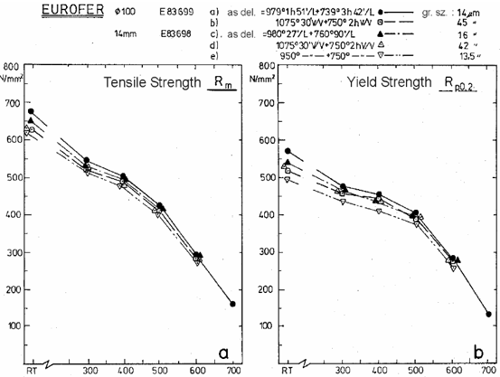
 |  |  |  |  |  |  |  |  |  |  |  |  | 600.0 | 298.7
 |  |  |  |  |  |  |  |  |  |  |  |  | 600.0 | 304.4
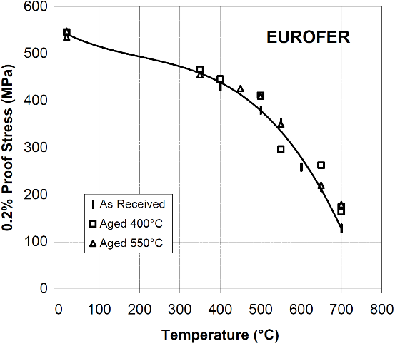
 |  |  |  |  |  |  |  |  |  |  |  |  | 651.2 | 218.8
 |  |  |  |  |  |  |  |  |  |  |  |  | 700.5 | 152.9

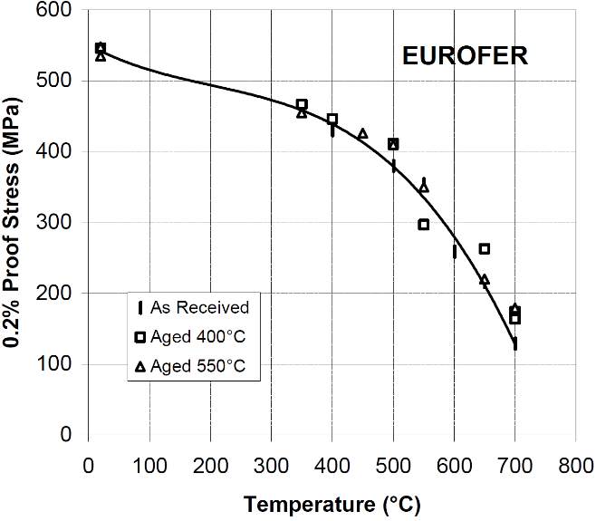
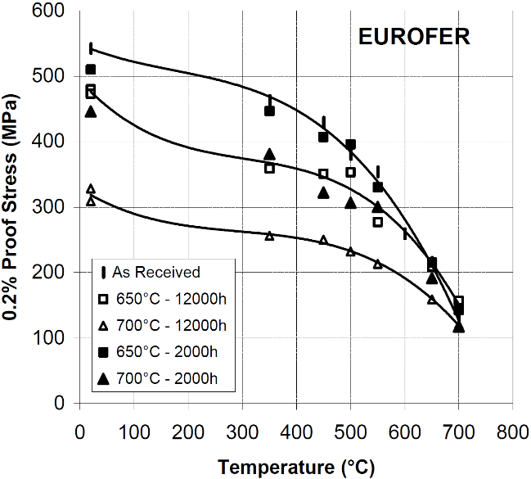
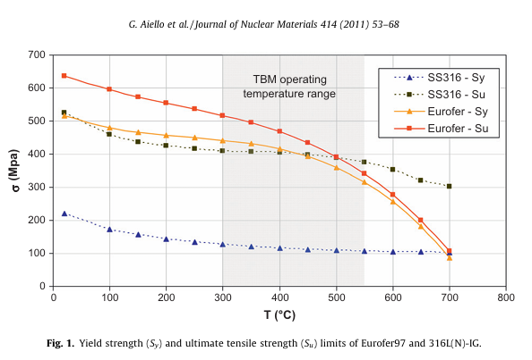
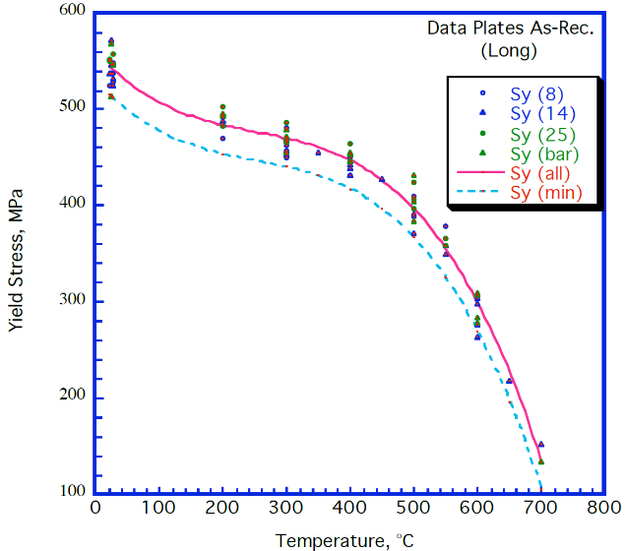
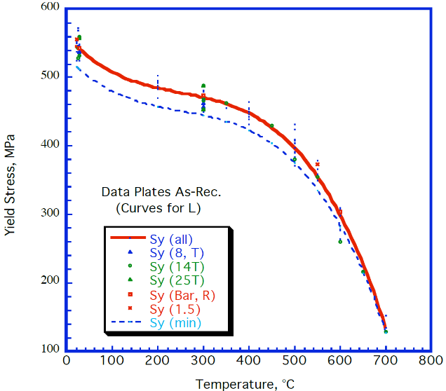
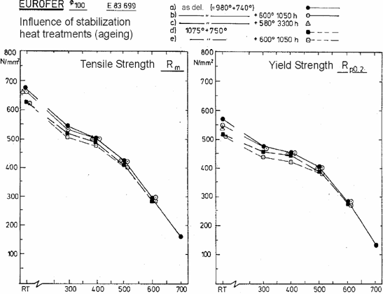
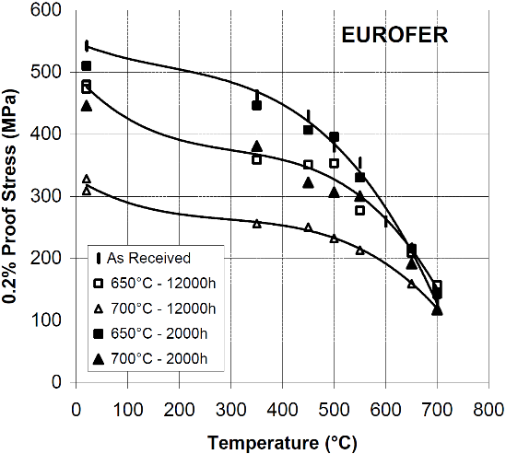

Fig. 18. Rieth, Michael, et al. "EUROFER 97. Tensile, charpy, creep and structural tests." (2003). Above data is copied from tables, not digitized from figures (except for the RT temperature value). |  |  |  |  |  |  |  |  |  |  | Tavassoli, F. 2004, "DEMO interim structural design criteria." DISIC, Appendix a material design limit data |  |  |  |  |  |  |  |  |  |  |  |  |  |  |  |  | Alamo, A. 2002, "RAFM steels - Metallurgical and mechanical characterization of EUROFER97- Thermal ageing behaviour" |  |  | Fig. 18. Rieth, Michael, et al. "EUROFER 97. Tensile, charpy, creep and structural tests." (2003). Above data is copied from tables, not digitized from figures (except for the RT temperature value). |  |  |  |  |  |  | Alamo, A. 2002, "RAFM steels - Metallurgical and mechanical characterization of EUROFER97- Thermal ageing behaviour" |  |  |  |  |  |  |  |  |  |  |  |  | Fig. 1. of Aiello, G., et al. "Assessment of design limits and criteria requirements for Eurofer structures in TBM components." JNM 414.1 (2011): 53-68.

As-delivered = normalized and tempered (Ø100 bar: 979 °C 1h 51min + 739 °C 3h 42min; 14 mm plate: 980 °C 27min + 760 °C 90min) |  |  |  |  |  |  |  |  |  |  |  |  |  |  |  |  |  |  |  |  |  |  |  |  |  |  |  |  |  |  |  |  |  |  |  |  |  |  |  |  |  |  |  |  |  |  |  |  |  |  | NOTE: these are design limits, not measured data. This data set should not be used in the calculation of average or minimum curves or in any other data analysis. Presented only for comparison.

Tensile Strength
EUROFER97 E83699, Ø100 mm bar, as-received |  |  | EUROFER97 E83699, Ø100 mm bar, as-delivered |  | EUROFER97 E83699, Ø100 mm bar, 1075 °C + 750 °C |  | EUROFER97 E83698, 14 mm plate, as-delivered |  | EUROFER97 E83698, 14 mm plate, 1075 °C + 750 °C |  | EUROFER97 E83698, 14 mm plate, 950 °C + 750 °C |  |  | EUROFER97 E83698, 8 mm plate, as-delivered, longitudinal |  | EUROFER97 E83698, 14 mm plate, as-delivered, longitudinal |  | EUROFER97 E83698, 25 mm plate, as-delivered, longitudinal |  | EUROFER97 E83699, Ø100 mm bar, as-delivered, longitudinal |  | EUROFER97 E83698, 14 mm plate, as-delivered, transverse |  | EUROFER97 E83698, 25 mm plate, as-delivered, transverse |  | EUROFER97 E83699, Ø100 mm bar, as-delivered, radial |  |  | EUROFER97, as-received, transverse |  |  | EUROFER97 E83699, Ø100 mm bar, as-delivered, aged 600 °C 1050h |  | EUROFER97 E83699, Ø100 mm bar, as-delivered, aged 580 °C 3300h |  | EUROFER97 E83699, Ø100 mm bar, 1075 °C + 750 °C, aged 600 °C 1050h |  |  | EUROFER97, aged 400 °C 12000 h, transverse |  | EUROFER97, aged 550 °C 12000 h, transverse |  | EUROFER97, aged 650 °C 2000 h, transverse |  | EUROFER97, aged 700 °C 2000 h, transverse |  | EUROFER97, aged 650 °C 12000 h, transverse |  | EUROFER97, aged 700 °C 12000 h, transverse |  |  | EUROFER97, ultimate tensile strength limit
0 | 1 | 2 | 3 | 4 | 5 | 6 | 7 | 8 | 9 | 10 | 11 | 12 | 13 | 14 | 15 | 16 | 17 | 18 | 19 | 20 | 21 | 22 | 23 | 24 | 25 | 26 | 27 | 28 | 29 | 30 | 31 | 32 | 33 | 34 | 35 | 36 | 37 | 38 | 39 | 40 | 41 | 42 | 43 | 44 | 45 | 46 | 47 | 48 | 49 | 50 | 51 | 52 | 53 | 54
T (°C) | Tensile Strength (MPa) |  | T (°C) | Tensile Strength (MPa) | T (°C) | Tensile Strength (MPa) | T (°C) | Tensile Strength (MPa) | T (°C) | Tensile Strength (MPa) | T (°C) | Tensile Strength (MPa) |  | T (°C) | Tensile Strength (MPa) | T (°C) | Tensile Strength (MPa) | T (°C) | Tensile Strength (MPa) | T (°C) | Tensile Strength (MPa) | T (°C) | Tensile Strength (MPa) | T (°C) | Tensile Strength (MPa) | T (°C) | Tensile Strength (MPa) |  | T (°C) | Tensile Strength (MPa) |  | T (°C) | Tensile Strength (MPa) | T (°C) | Tensile Strength (MPa) | T (°C) | Tensile Strength (MPa) |  | T (°C) | Tensile Strength (MPa) | T (°C) | Tensile Strength (MPa) | T (°C) | Tensile Strength (MPa) | T (°C) | Tensile Strength (MPa) | T (°C) | Tensile Strength (MPa) | T (°C) | Tensile Strength (MPa) |  | T (°C) | Tensile Strength (MPa)
15.1 | 671.8 |  | 15.0 | 671.0 | 16.7 | 627.0 | 14.4 | 652.0 | 5.0 | 630.0 | 5.6 | 624.0 |  | 21.0 | 659.8 | 21.5 | 663.3 | 22.0 | 679.3 | 24.9 | 627.7 | 350.3 | 514.3 | 27.3 | 658.7 | 27.3 | 674.0 |  | 20.9 | 661.0 |  | 18.3 | 666.0 | 7.8 | 660.0 | 27.8 | 624.0 |  | 20.1 | 678.7 | 20.1 | 661.5 | 20.2 | 656.3 | 20.2 | 572.9 | 20.2 | 604.7 | 20.2 | 481.6 |  | 20 | 634.6
294.7 | 545.7 |  | 300.0 | 544.0 | 300.0 | 519.0 | 300.0 | 536.0 | 300.0 | 521.0 | 300.0 | 511.0 |  | 199.9 | 581.1 | 24.9 | 650.7 | 22.0 | 672.5 | 199.9 | 593.0 | 449.9 | 472.6 | 27.3 | 667.5 | 600.3 | 319.0 |  | 400.0 | 475.4 |  | 300.0 | 537.0 | 400.0 | 503.0 | 300.0 | 503.0 |  | 350.0 | 532.0 | 20.1 | 670.8 | 350.0 | 502.7 | 350.0 | 437.5 | 20.2 | 609.5 | 20.2 | 485.2 |  | 100 | 593.9
395.5 | 504.8 |  | 400.0 | 503.0 | 400.0 | 487.0 | 400.0 | 497.0 | 400.0 | 481.0 | 400.0 | 474.0 |  | 400.1 | 507.4 | 350.3 | 516.2 | 27.3 | 652.6 | 199.9 | 589.9 | 500.2 | 404.6 | 300.0 | 541.4 |  |  |  | 499.9 | 405.3 |  | 400.0 | 503.0 | 500.0 | 425.0 | 400.0 | 468.0 |  | 400.0 | 498.1 | 350.0 | 511.1 | 449.9 | 453.0 | 450.3 | 373.2 | 350.0 | 424.8 | 350.0 | 337.5 |  | 150 | 570.3
494.7 | 425.6 |  | 500.0 | 424.0 | 500.0 | 404.0 | 500.0 | 419.0 | 500.0 | 409.0 | 500.0 | 399.0 |  | 550.5 | 429.4 | 400.6 | 498.2 | 27.3 | 648.8 | 300.0 | 520.0 | 550.5 | 369.4 | 300.0 | 551.7 |  |  |  | 600.3 | 271.7 |  | 500.0 | 422.0 |  |  | 500.0 | 400.0 |  | 499.9 | 443.9 | 450.0 | 468.0 | 500.2 | 418.9 | 499.8 | 331.9 | 450.3 | 396.7 | 449.9 | 325.6 |  | 200 | 551.9
596.1 | 293.3 |  | 600.0 | 291.0 | 600.0 | 284.0 | 600.0 | 292.0 | 600.0 | 290.0 | 600.0 | 280.0 |  |  |  | 450.4 | 466.1 | 199.9 | 565.8 | 400.1 | 513.9 | 600.3 | 268.5 |  |  |  |  |  | 699.8 | 154.8 |  | 600.0 | 296.0 |  |  | 600.0 | 284.0 |  | 549.9 | 305.6 | 499.9 | 443.9 | 550.2 | 349.0 | 550.2 | 313.7 | 499.8 | 384.3 | 499.8 | 293.4 |  | 250 | 534.8
697.5 | 165.7 |  | 700.0 | 163.0 |  |  |  |  |  |  |  |  |  |  |  | 500.2 | 417.6 | 199.9 | 574.6 | 400.1 | 487.5 | 650.1 | 229.2 |  |  |  |  |  |  |  |  |  |  |  |  |  |  |  | 650.2 | 265.7 | 550.3 | 362.2 | 650.1 | 223.9 | 650.1 | 196.9 | 550.2 | 287.5 | 550.2 | 234.7 |  | 300 | 515.1
 |  |  |  |  |  |  |  |  |  |  |  |  |  |  |  | 500.2 | 395.8 | 300.0 | 534.9 | 500.2 | 445.1 | 699.9 | 152.0 |  |  |  |  |  |  |  |  |  |  |  |  |  |  |  | 699.8 | 190.0 | 650.2 | 226.2 | 700.0 | 157.2 | 700.0 | 127.9 | 700.0 | 170.3 | 650.1 | 161.2 |  | 350 | 495.4
 |  |  |  |  |  |  |  |  |  |  |  |  |  |  |  | 550.5 | 367.1 | 300.0 | 554.8 | 500.2 | 423.7 |  |  |  |  |  |  |  |  |  |  |  |  |  |  |  |  |  | 699.8 | 181.2 | 699.8 | 191.9 |  |  |  |  |  |  | 700.0 | 123.1 |  | 400 | 466.6
 |  |  |  |  |  |  |  |  |  |  |  |  |  |  |  | 600.3 | 322.8 | 400.1 | 506.2 | 500.2 | 404.2 |  |  |  |  |  |  |  |  |  |  |  |  |  |  |  |  |  |  |  |  |  |  |  |  |  |  |  |  |  |  | 450 | 432.5
 |  |  |  |  |  |  |  |  |  |  |  |  |  |  |  | 600.3 | 314.0 | 400.1 | 497.4 | 600.3 | 291.5 |  |  |  |  |  |  |  |  |  |  |  |  |  |  |  |  |  |  |  |  |  |  |  |  |  |  |  |  |  |  | 500 | 389.3
 |  |  |  |  |  |  |  |  |  |  |  |  |  |  |  | 600.3 | 290.3 | 500.2 | 434.0 | 600.3 | 282.7 |  |  |  |  |  |  |  |  |  |  |  |  |  |  |  |  |  |  |  |  |  |  |  |  |  |  |  |  |  |  | 550 | 339.5
 |  |  |  |  |  |  |  |  |  |  |  |  |  |  |  | 600.3 | 275.0 | 500.2 | 431.3 | 699.9 | 162.3 |  |  |  |  |  |  |  |  |  |  |  |  |  |  |  |  |  |  |  |  |  |  |  |  |  |  |  |  |  |  | 600 | 276.7
 |  |  |  |  |  |  |  |  |  |  |  |  |  |  |  | 650.6 | 233.4 | 550.5 | 405.0 |  |  |  |  |  |  |  |  |  |  |  |  |  |  |  |  |  |  |  |  |  |  |  |  |  |  |  |  |  |  |  |  | 650 | 199.4
 |  |  |  |  |  |  |  |  |  |  |  |  |  |  |  | 700.4 | 171.9 | 550.5 | 398.5 |  |  |  |  |  |  |  |  |  |  |  |  |  |  |  |  |  |  |  |  |  |  |  |  |  |  |  |  |  |  |  |  | 700 | 105.2

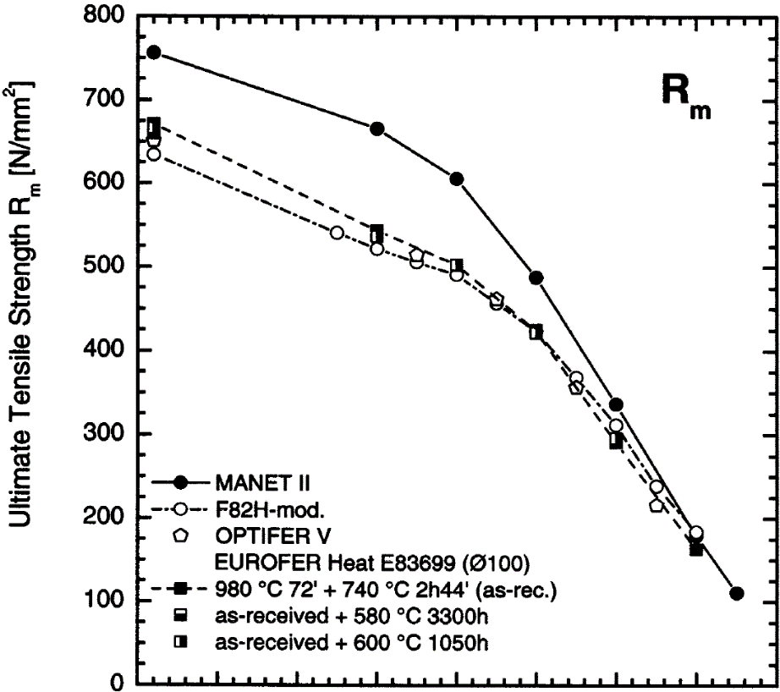

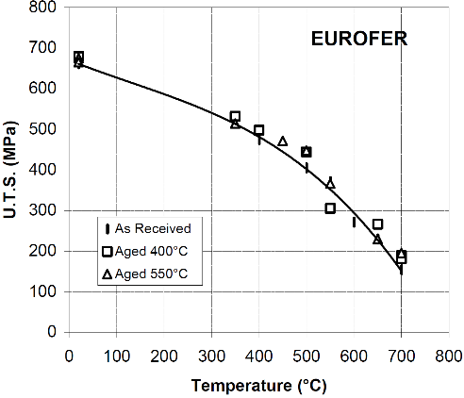

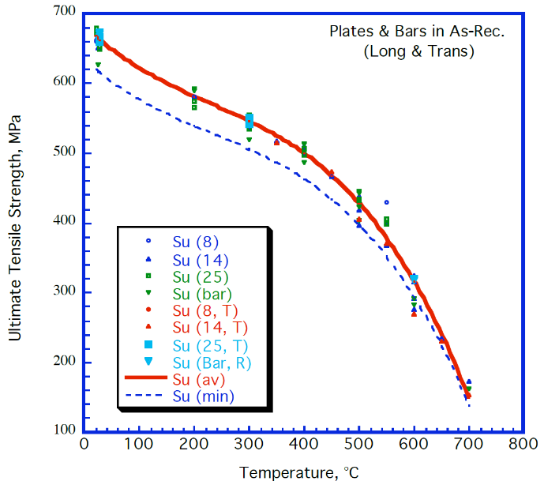

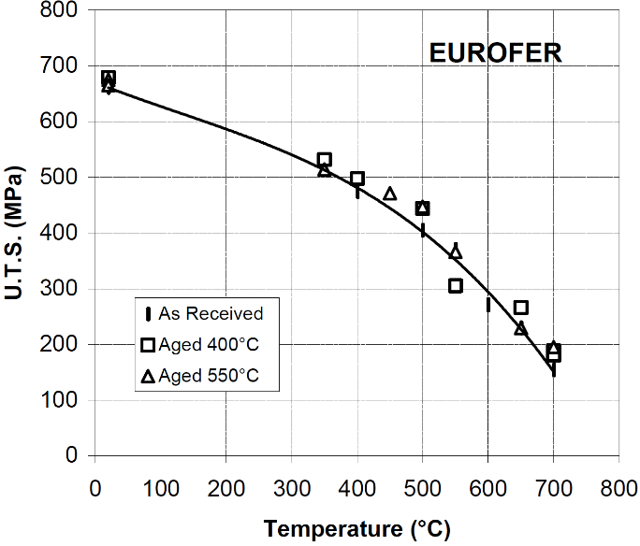
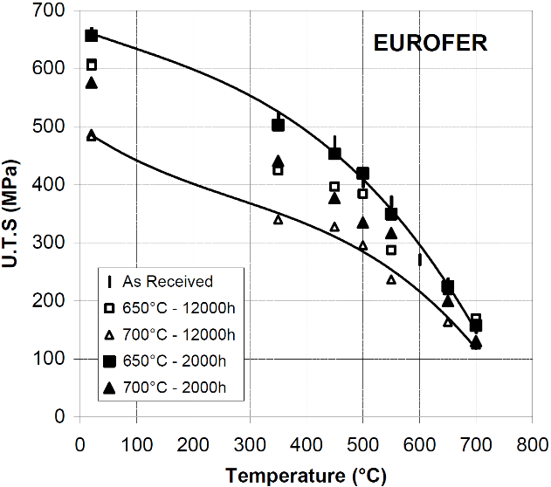

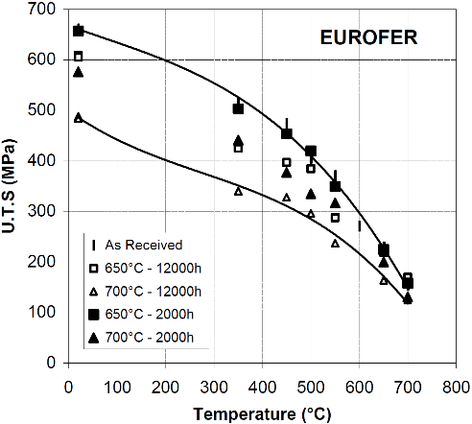

Lindau, R. 2001, "First results on the characterisation of the reduced-activation-ferritic-martensitic steel EUROFER" |  |  | Fig. 18. Rieth, Michael, et al. "EUROFER 97. Tensile, charpy, creep and structural tests." (2003). Above data is copied from tables, not digitized from figures (except for the RT temperature value). |  |  |  |  |  |  |  |  |  |  | Tavassoli, F. 2004, "DEMO interim structural design criteria." DISIC, Appendix a material design limit data |  |  |  |  |  |  |  |  |  |  |  |  |  |  | Alamo, A. 2002, "RAFM steels - Metallurgical and mechanical characterization of EUROFER97- Thermal ageing behaviour" |  |  | Fig. 18. Rieth, Michael, et al. "EUROFER 97. Tensile, charpy, creep and structural tests." (2003). Above data is copied from tables, not digitized from figures (except for the RT temperature value). |  |  |  |  |  |  | Alamo, A. 2002, "RAFM steels - Metallurgical and mechanical characterization of EUROFER97- Thermal ageing behaviour" |  |  |  |  |  |  |  |  |  |  |  |  | Fig. 1. of Aiello, G., et al. "Assessment of design limits and criteria requirements for Eurofer structures in TBM components." Journal of Nuclear Materials 414.1 (2011): 53-68.

 |  |  |  |  |  |  |  |  |  |  |  |  |  |  |  |  |  |  |  |  |  |  |  |  |  |  |  |  |  |  |  |  |  |  |  |  |  |  |  |  |  |  |  |  |  |  |  |  |  |  |  | NOTE: these are design limits, not measured data. This data set should not be used in the calculation of average or minimum curves or in any other data analysis. Presented only for comparison.

Total Elongation
EUROFER97, E83698, 8 mm plate, as-delivered, longitudinal |  | EUROFER97, E83698, 14 mm plate, as-delivered, longitudinal |  | EUROFER97, E83698, 25 mm plate, as-delivered, longitudinal |  | EUROFER97, E83699, Ø100 mm bar, as-delivered, longitudinal |  | EUROFER97, E83698, 8 mm plate, as-delivered, transverse |  | EUROFER97, E83698, 14 mm plate, as-delivered, transverse |  | EUROFER97, E83698, 25 mm plate, as-delivered, transverse |  | EUROFER97, E83699, Ø100 mm bar, as-delivered, radial |  |  | EUROFER97, as-received, transverse |  |  | EUROFER97 E83699, Ø100 mm bar, as-received |  |  | EUROFER97 E83699, Ø100 mm bar, as-delivered |  | EUROFER97 E83699, Ø100 mm bar, 1075 °C 30min + 750 °C 2h |  | EUROFER97 E83698, 14 mm plate, as-delivered |  | EUROFER97 E83698, 14 mm plate, 1075 °C 30min + 750 °C 2h |  | EUROFER97 E83698, 14 mm plate, 950 °C 30min + 750 °C 2h |  |  | EUROFER97 E83699, Ø100 mm bar, as-delivered + aged 600 °C 1050h |  | EUROFER97 E83699, Ø100 mm bar, as-delivered + aged 580 °C 3300h |  | EUROFER97 E83699, Ø100 mm bar, 1075 °C + 750 °C + aged 600 °C 1050h |  |  | EUROFER97, aged 400 °C 12000 h, transverse |  | EUROFER97, aged 550 °C 12000 h, transverse |  | EUROFER97, aged 650 °C 2000 h, transverse |  | EUROFER97, aged 700 °C 2000 h, transverse |  | EUROFER97, aged 650 °C 12000 h, transverse |  | EUROFER97, aged 700 °C 12000 h, transverse
0 | 1 | 2 | 3 | 4 | 5 | 6 | 7 | 8 | 9 | 10 | 11 | 12 | 13 | 14 | 15 | 16 | 17 | 18 | 19 | 20 | 21 | 22 | 23 | 24 | 25 | 26 | 27 | 28 | 29 | 30 | 31 | 32 | 33 | 34 | 35 | 36 | 37 | 38 | 39 | 40 | 41 | 42 | 43 | 44 | 45 | 46 | 47 | 48 | 49 | 50 | 51 | 52
Temp [°C] | Total elongation [%] | Temp [°C] | Total elongation [%] | Temp [°C] | Total elongation [%] | Temp [°C] | Total elongation [%] | Temp [°C] | Total elongation [%] | Temp [°C] | Total elongation [%] | Temp [°C] | Total elongation [%] | Temp [°C] | Total elongation [%] |  | T [°C] | Total elongation [%] |  | T [°C] | Total elongation [%] |  | T [°C] | Total elongation [%] | T [°C] | Total elongation [%] | T [°C] | Total elongation [%] | T [°C] | Total elongation [%] | T [°C] | Total elongation [%] |  | T [°C] | Total elongation [%] | T [°C] | Total elongation [%] | T [°C] | Total elongation [%] |  | T [°C] | Total elongation [%] | T [°C] | Total elongation [%] | T [°C] | Total elongation [%] | T [°C] | Total elongation [%] | T [°C] | Total elongation [%] | T [°C] | Total elongation [%]
20.8 | 25.1 | 20.1 | 19.8 | 20.1 | 24.7 | 23.0 | 23.3 | 25.9 | 23.3 | 23.7 | 17.9 | 26.6 | 22.0 | 25.9 | 20.8 |  | 19.9 | 19.1 |  | 24.1 | 21.6 |  | RT | 21.4 | RT | 23.2 | RT | 20.8 | RT | 23.0 | RT | 24.0 |  | RT | 21.4 | RT | 22.2 | RT | 22.0 |  | 19.9 | 20.6 | 19.9 | 19.6 | 20.2 | 23.3 | 20.2 | 22.8 | 20.2 | 21.7 | 20.2 | 30.6
200.5 | 19.6 | 23.7 | 17.6 | 20.1 | 24.0 | 25.9 | 18.7 | 26.6 | 24.7 | 23.7 | 19.1 | 26.6 | 21.6 | 299.0 | 15.9 |  | 350.1 | 13.5 |  | 302.6 | 17.5 |  | 300.0 | 17.5 | 300.0 | 16.4 | 300.0 | 16.8 | 300.0 | 20.5 | 300.0 | 21.1 |  | 300.0 | 17.3 | 400.0 | 18.0 | 300.0 | 16.8 |  | 349.9 | 15.3 | 19.9 | 18.5 | 350.0 | 15.6 | 350.0 | 15.8 | 20.2 | 21.4 | 20.2 | 29.4
399.6 | 17.9 | 23.7 | 18.9 | 25.9 | 21.2 | 201.3 | 19.8 |  |  | 26.6 | 22.4 | 299.0 | 17.0 | 600.2 | 33.1 |  | 400.2 | 17.0 |  | 402.9 | 18.0 |  | 400.0 | 18.0 | 400.0 | 16.7 | 400.0 | 16.8 | 400.0 | 20.5 | 400.0 | 20.9 |  | 400.0 | 17.5 | 500.0 | 23.4 | 400.0 | 18.4 |  | 400.0 | 15.0 | 349.9 | 13.4 | 450.1 | 15.4 | 450.1 | 24.7 | 350.0 | 14.8 | 350.0 | 20.8
500.3 | 24.0 | 23.7 | 20.7 | 200.5 | 18.4 | 399.6 | 16.2 |  |  | 26.6 | 22.9 | 299.0 | 16.9 | 600.2 | 43.7 |  | 450.1 | 17.0 |  | 503.1 | 22.5 |  | 500.0 | 22.4 | 500.0 | 25.0 | 500.0 | 23.5 | 500.0 | 23.2 | 500.0 | 25.0 |  | 500.0 | 23.8 |  |  | 500.0 | 23.2 |  | 500.2 | 18.1 | 450.2 | 16.3 | 500.1 | 17.9 | 500.2 | 24.3 | 450.1 | 18.1 | 450.1 | 23.9
500.3 | 24.5 | 25.9 | 23.6 | 200.5 | 18.7 | 399.6 | 18.0 |  |  | 299.0 | 16.5 |  |  |  |  |  | 500.2 | 17.7 |  | 605.9 | 32.5 |  | 600.0 | 32.4 | 600.0 | 28.4 | 600.0 | 29.3 | 600.0 | 29.4 | 600.0 | 30.2 |  | 600.0 | 32.7 |  |  | 600.0 | 26.4 |  | 550.0 | 21.5 | 499.9 | 16.0 | 550.0 | 17.8 | 550.3 | 21.3 | 500.2 | 16.2 | 500.2 | 22.8
 |  | 25.9 | 24.0 | 298.3 | 17.6 | 500.3 | 21.4 |  |  | 349.3 | 13.5 |  |  |  |  |  | 549.9 | 21.6 |  | 706.6 | 36.1 |  | 700.0 | 36.0 |  |  |  |  |  |  |  |  |  |  |  |  |  |  |  |  | 650.0 | 22.1 | 550.1 | 17.6 | 649.9 | 28.2 | 649.9 | 25.5 | 550.3 | 20.7 | 549.9 | 23.5
 |  | 201.3 | 19.5 | 399.6 | 16.7 | 500.3 | 22.4 |  |  | 450.0 | 16.9 |  |  |  |  |  | 600.2 | 21.4 |  |  |  |  |  |  |  |  |  |  |  |  |  |  |  |  |  |  |  |  |  |  |  |  | 650.0 | 21.7 | 699.9 | 28.0 | 699.9 | 31.6 | 649.9 | 22.5 | 649.9 | 27.5
 |  | 201.3 | 20.3 | 399.6 | 16.9 | 500.3 | 25.0 |  |  | 500.3 | 17.5 |  |  |  |  |  | 650.0 | 23.7 |  |  |  |  |  |  |  |  |  |  |  |  |  |  |  |  |  |  |  |  |  |  |  |  | 700.2 | 33.9 |  |  |  |  | 700.0 | 41.5 | 700.1 | 45.2
 |  | 201.3 | 20.5 | 500.3 | 20.7 | 600.9 | 28.4 |  |  | 550.6 | 21.5 |  |  |  |  |  | 700.2 | 27.6
 |  | 349.3 | 14.0 | 500.3 | 21.1 | 600.9 | 31.8 |  |  | 600.9 | 21.4
 |  | 399.6 | 17.0 | 550.6 | 18.0 | 600.9 | 32.4 |  |  | 648.3 | 23.6
 |  | 450.0 | 16.0 |  |  | 698.7 | 35.9 |  |  | 698.7 | 27.5
 |  | 500.3 | 22.4
 |  | 500.3 | 22.8
 |  | 500.3 | 23.5
 |  | 550.6 | 19.9
 |  | 600.9 | 18.9
 |  | 600.2 | 28.4
 |  | 600.2 | 29.2
 |  | 600.2 | 34.1
 |  | 648.3 | 26.2
 |  | 698.7 | 21.4
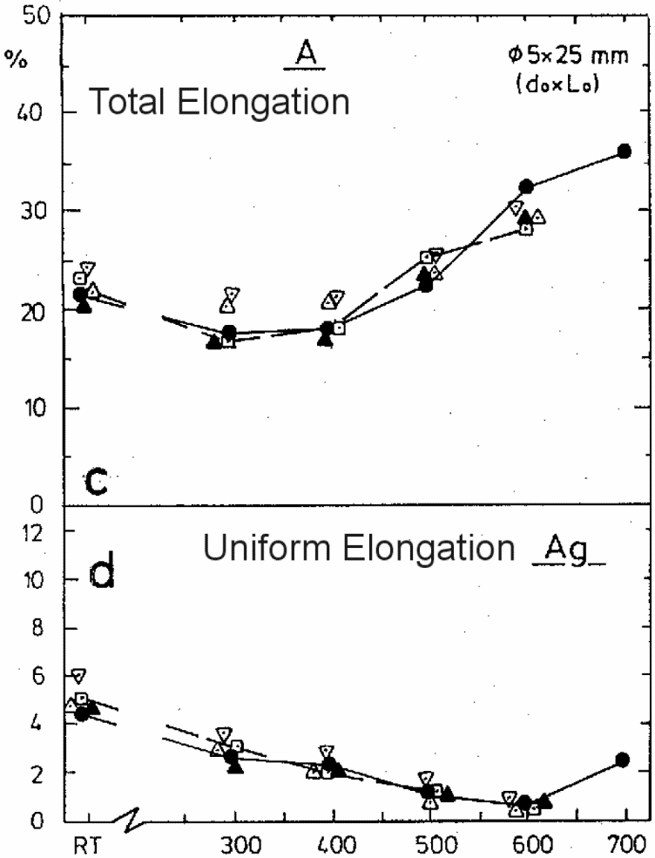
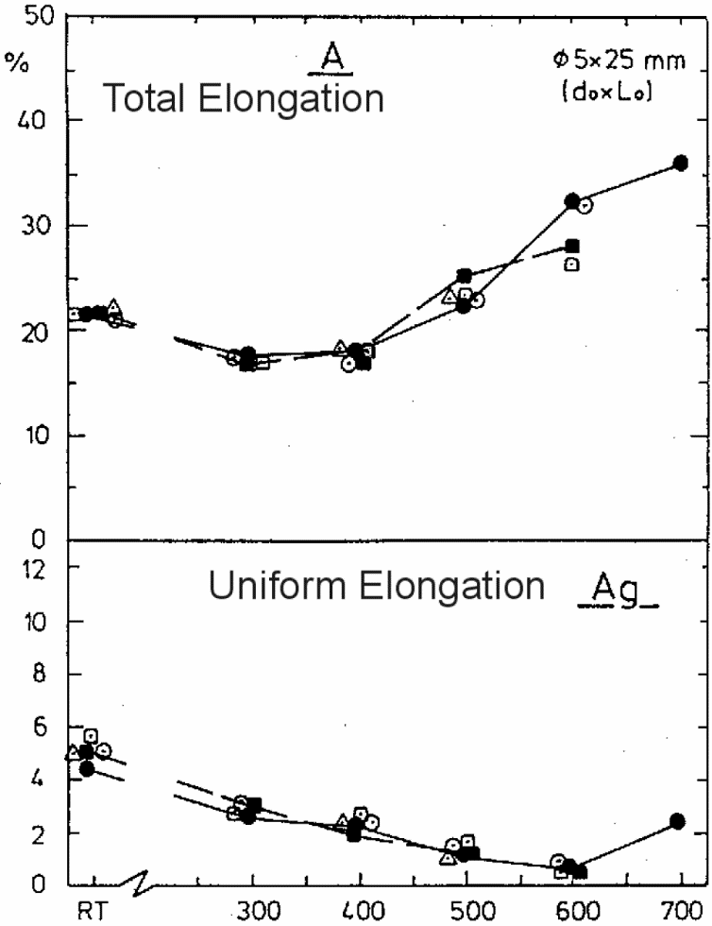
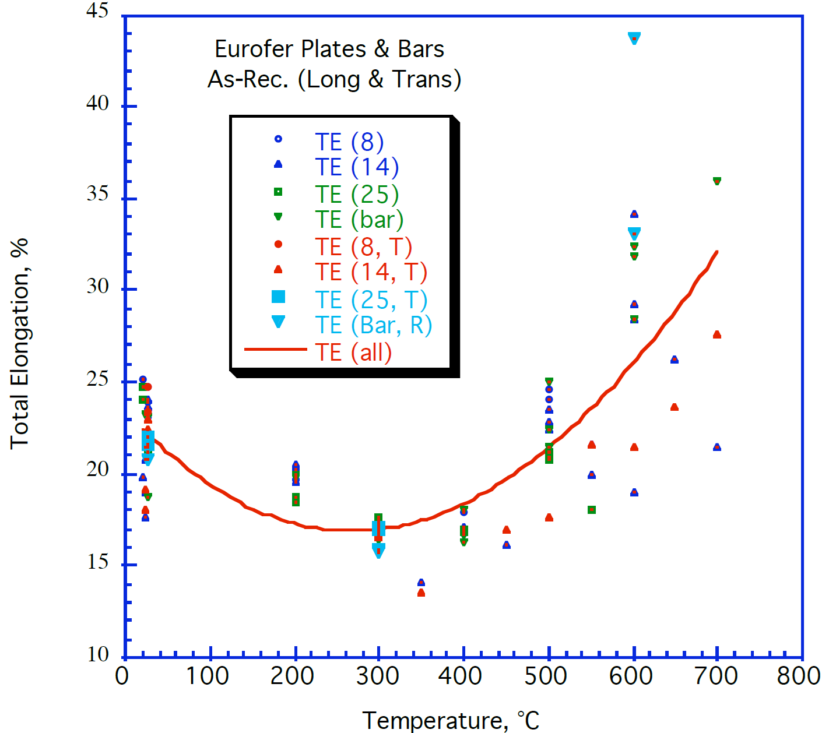
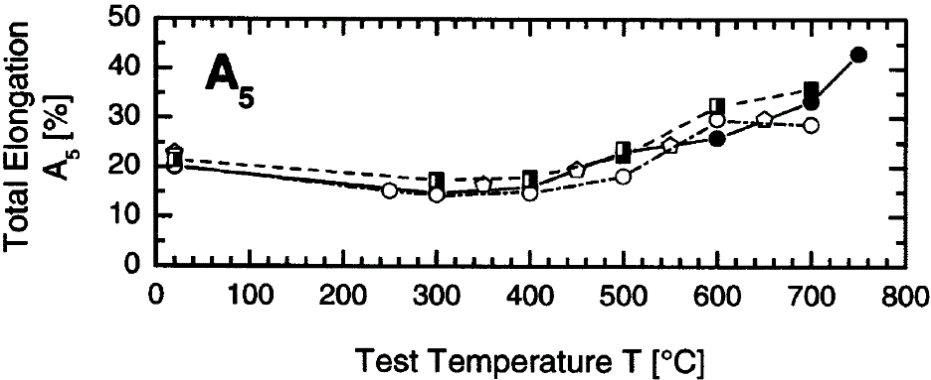

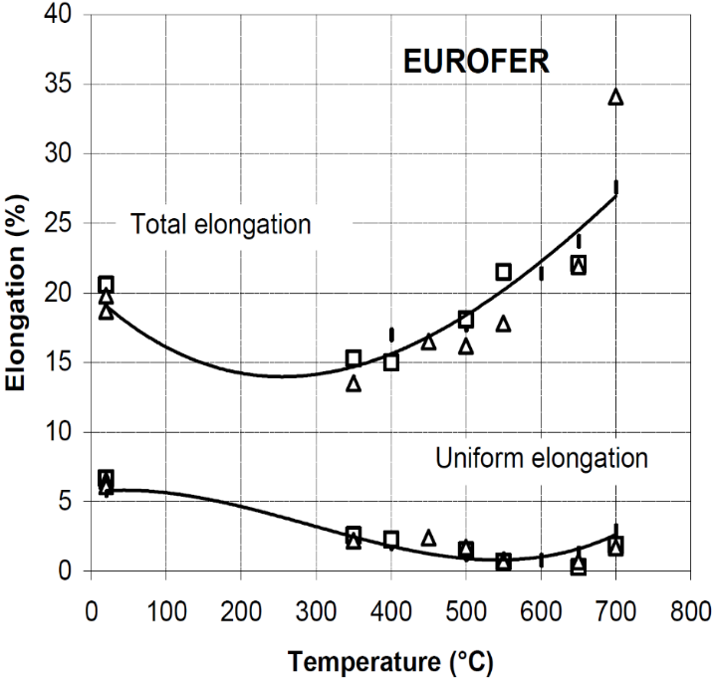
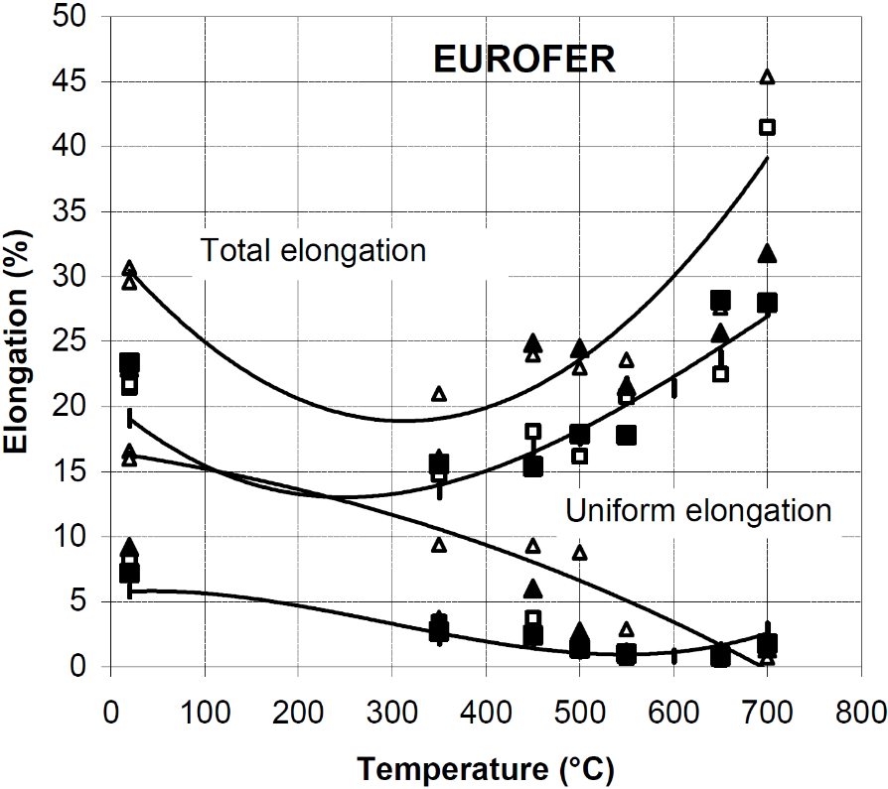

Tavassoli, F. 2004, "DEMO interim structural design criteria." DISIC, Appendix a material design limit data |  |  |  |  |  |  |  |  |  |  |  |  |  |  |  |  | Alamo, A. 2002, "RAFM steels - Metallurgical and mechanical characterization of EUROFER97- Thermal ageing behaviour" |  |  | Lindau, R. 2001, "First results on the characterisation of the reduced-activation-ferritic-martensitic steel EUROFER" |  |  | Rieth, M. et al. 2003, "EUROFER97 Tensile, Charpy, Creep and Structural Tests", Wissenschaftliche Berichte (Scientific Reports) FZKA 6911, Forschungszentrum Karlsruhe (KIT). Fig. 18 |  |  |  |  |  |  |  |  |  |  | Rieth, M. et al. 2003, "EUROFER97 Tensile, Charpy, Creep and Structural Tests", Wissenschaftliche Berichte (Scientific Reports) FZKA 6911, Forschungszentrum Karlsruhe (KIT). Fig. 22 |  |  |  |  |  |  | Alamo, A. 2002, "RAFM steels - Metallurgical and mechanical characterization of EUROFER97- Thermal ageing behaviour"

Uniform Elongation
EUROFER97, as-received, transverse |  |  | EUROFER97 E83699, Ø100 mm bar, as-delivered |  | EUROFER97 E83699, Ø100 mm bar, 1075 °C 30min + 750 °C 2h |  | EUROFER97 E83698, 14 mm plate, as-delivered |  | EUROFER97 E83698, 14 mm plate, 1075 °C 30min + 750 °C 2h |  | EUROFER97 E83698, 14 mm plate, 950 °C 30min + 750 °C 2h |  |  | EUROFER97 E83699, Ø100 mm bar, as-delivered + aged 600 °C 1050h |  | EUROFER97 E83699, Ø100 mm bar, as-delivered + aged 580 °C 3300h |  | EUROFER97 E83699, Ø100 mm bar, 1075 °C + 750 °C + aged 600 °C 1050h |  |  | EUROFER97, aged 400 °C 12000 h, transverse |  | EUROFER97, aged 550 °C 12000 h, transverse |  | EUROFER97, aged 650 °C 2000 h, transverse |  | EUROFER97, aged 700 °C 2000 h, transverse |  | EUROFER97, aged 650 °C 12000 h, transverse |  | EUROFER97, aged 700 °C 12000 h, transverse
0 | 1 | 2 | 3 | 4 | 5 | 6 | 7 | 8 | 9 | 10 | 11 | 12 | 13 | 14 | 15 | 16 | 17 | 18 | 19 | 20 | 21 | 22 | 23 | 24 | 25 | 26 | 27 | 28 | 29 | 30 | 31 | 32
T [°C] | Uniform elongation [%] |  | T [°C] | Uniform elongation [%] | T [°C] | Uniform elongation [%] | T [°C] | Uniform elongation [%] | T [°C] | Uniform elongation [%] | T [°C] | Uniform elongation [%] |  | T [°C] | Uniform elongation [%] | T [°C] | Uniform elongation [%] | T [°C] | Uniform elongation [%] |  | T [°C] | Uniform elongation [%] | T [°C] | Uniform elongation [%] | T [°C] | Uniform elongation [%] | T [°C] | Uniform elongation [%] | T [°C] | Uniform elongation [%] | T [°C] | Uniform elongation [%]
20.0 | 5.8 |  | RT | 4.59 | RT | 5.16 | RT | 4.97 | RT | 5.00 | RT | 6.08 |  | RT | 5.14 | RT | 5.35 | RT | 5.68 |  | 20.0 | 6.6 | 19.5 | 6.0 | 19.9 | 7.3 | 19.9 | 9.1 | 19.9 | 8.2 | 19.9 | 16.4
400.5 | 2.0 |  | 300.0 | 2.70 | 300.0 | 2.78 | 300.0 | 2.70 | 300.0 | 2.51 | 300.0 | 3.60 |  | 300.0 | 3.03 | 400.0 | 2.44 | 300.0 | 2.77 |  | 350.0 | 2.5 | 350.0 | 2.0 | 350.0 | 2.7 | 350.0 | 3.7 | 350.0 | 3.6 | 19.9 | 15.8
500.0 | 1.1 |  | 400.0 | 2.36 | 400.0 | 2.03 | 400.0 | 2.32 | 400.0 | 2.23 | 400.0 | 2.88 |  | 400.0 | 2.67 | 500.0 | 1.10 | 400.0 | 2.77 |  | 400.3 | 2.3 | 450.2 | 2.2 | 450.2 | 2.5 | 449.9 | 5.9 | 450.3 | 3.7 | 350.0 | 9.2
600.5 | 0.7 |  | 500.0 | 1.20 | 500.0 | 1.26 | 500.0 | 1.19 | 500.0 | 0.91 | 500.0 | 1.39 |  | 500.0 | 1.44 |  |  | 500.0 | 1.46 |  | 499.8 | 1.5 | 500.1 | 1.5 | 500.0 | 1.4 | 499.7 | 2.7 | 549.9 | 0.7 | 449.9 | 9.2
650.5 | 1.3 |  | 600.0 | 0.84 | 600.0 | 0.79 | 600.0 | 0.91 | 600.0 | 0.61 | 600.0 | 0.90 |  | 600.0 | 0.92 |  |  | 600.0 | 0.65 |  | 550.0 | 0.7 | 550.0 | 0.5 | 550.0 | 1.0 | 700.0 | 1.4 |  |  | 500.1 | 8.6
700.0 | 2.8 |  | 700.0 | 2.50 |  |  |  |  |  |  |  |  |  |  |  |  |  |  |  |  | 650.2 | 0.3 | 650.2 | 0.5 | 650.1 | 0.8 |  |  |  |  | 549.9 | 2.8
 |  |  |  |  |  |  |  |  |  |  |  |  |  |  |  |  |  |  |  |  | 700.1 | 1.9 | 700.1 | 1.5 | 699.9 | 1.8 |  |  |  |  | 700.0 | 0.5

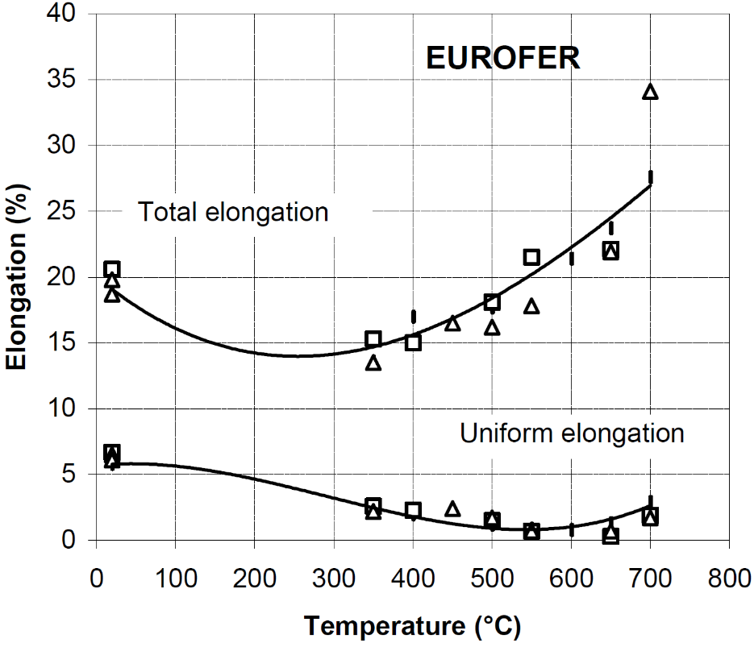

Alamo, A. 2002, "RAFM steels - Metallurgical and mechanical characterization of EUROFER97- Thermal ageing behaviour" |  |  | Rieth, M. et al. 2003, "EUROFER97 Tensile, Charpy, Creep and Structural Tests", Wissenschaftliche Berichte (Scientific Reports) FZKA 6911, Forschungszentrum Karlsruhe (KIT). Fig. 18 |  |  |  |  |  |  |  |  |  |  | Rieth, M. et al. 2003, "EUROFER97 Tensile, Charpy, Creep and Structural Tests", Wissenschaftliche Berichte (Scientific Reports) FZKA 6911, Forschungszentrum Karlsruhe (KIT). Fig. 22 |  |  |  |  |  |  | Alamo, A. 2002, "RAFM steels - Metallurgical and mechanical characterization of EUROFER97- Thermal ageing behaviour"

Creep
EUROFER97-600C |  | EUROFER97-550C |  | EUROFER97-500C |  | EUROFER97-450C |  | EUROFER97-650C |  | EUROFER Heat E83699 (980 °C, 72 min + 740 °C, 2 h 44 min) |  | EUROFER Heat E83699 (1075 °C, 30 min + 750 °C, 2 h) |  | EUROFER Heat E83698 (980 °C, 27 min + 760 °C, 2 h)

Time (h) | Allowable stress St (MPa) | Time (h) | Allowable stress St (MPa) | Time (h) | Allowable stress St (MPa) | Time (h) | Allowable stress St (MPa) | Time (h) | Allowable stress St (MPa) | Larson-Miller parameter P=Tk*(30+log tm)*10-3 | S [MPa] | Larson-Miller parameter P=Tk*(30+log tm)*10-3 | S [MPa] | Larson-Miller parameter P=Tk*(30+log tm)*10-3 | S [MPa]
10 | 123.97806 | 10 | 161.47684 | 10 | 205.79383 | 10 | 250.68169 | 10 | 95.557891688 | 23.5 | 358.1 | 23.4 | 348.2 | 23.6 | 356.4
30 | 113.80448 | 30 | 151.87212 | 30 | 195.62227 | 30 | 239.9406 | 30 | 88.682804291 | 23.8 | 337.1 | 23.7 | 327.8 | 24.8 | 296.0
100 | 103.06742 | 100 | 140.56755 | 100 | 183.74884 | 100 | 229.77239 | 100 | 81.20048343 | 24.7 | 296.0 | 25.2 | 257.5 | 26.7 | 215.8
300 | 92.89384 | 300 | 130.96282 | 300 | 174.14411 | 300 | 218.46245 | 300 | 74.529005773 | 25.7 | 256.3 | 26.5 | 216.8 | 28.1 | 156.6
1000 | 82.72631 | 1000 | 120.22643 | 1000 | 163.97658 | 1000 | 208.29424 | 1000 | 66.64081384 | 26.1 | 235.7 | 26.9 | 196.6 | 29.7 | 97.5
3000 | 73.12159 | 3000 | 111.18989 | 3000 | 154.94004 | 3000 | 200.39541 | 3000 | 60.172496454 | 27.2 | 196.6 | 28.4 | 156.6
10000 | 64.09042 | 10000 | 101.02303 | 10000 | 143.06729 | 10000 | 189.09084 | 10000 | 52.487914261 | 27.7 | 175.9 | 29.0 | 136.8
30000 | 55.05388 | 30000 | 91.98649 | 30000 | 134.59826 | 30000 | 179.48612 | 30000 | 45.612377395 | 28.2 | 155.9 | 29.7 | 116.8
100000 | 44.885 | 100000 | 81.81762 | 100000 | 125.56709 | 100000 | 168.74973 | 100000 | 37.927795202 | 28.6 | 136.2 | 30.2 | 97.0
300000 | 36.98483 | 300000 | 72.21289 | 300000 | 115.39486 | 300000 | 159.71319 | 300000 | 30.849547534 | 28.9 | 117.4 | 30.7 | 77.6
 |  |  |  |  |  |  |  |  |  | 29.8 | 97.5
 |  |  |  |  |  |  |  |  |  | 30.5 | 77.6

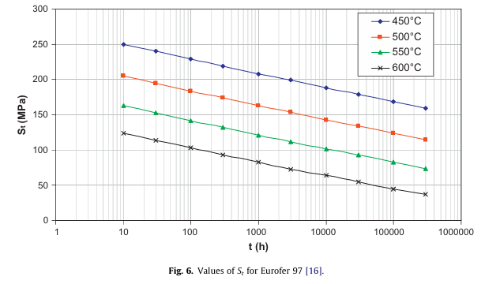

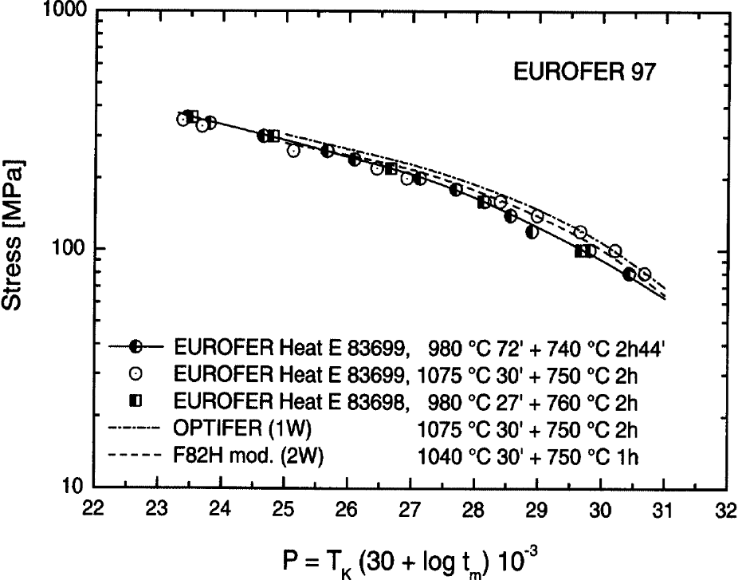

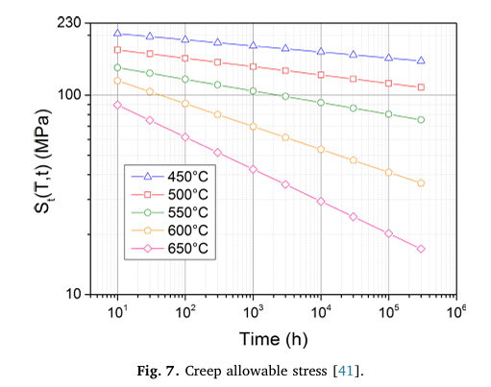

Fig. 6. of Aiello, G., et al. "Assessment of design limits and criteria requirements for Eurofer structures in TBM components." Journal of Nuclear Materials 414.1 (2011): 53-68. |  |  |  |  |  |  |  | Fig. 7. Gaganidze, Ermile, et al. "Development of EUROFER97 database and material property handbook." Fusion Engineering and Design 135 (2018): 9-14. |  | Lindau, R. 2001, "First results on the characterisation of the reduced-activation-ferritic-martensitic steel EUROFER"

Fatigue
EUROFER97-Average |  | EUROFER97-Design (ε/2, N/20) |  | EUROFER97-RT |  | EUROFER97-500 °C |  | EUROFER97-550 °C |  | EUROFER97-SSTT Specimens |  | EUROFER97-Large Specimens

Nf (-) | Δεt (%) | Nf (-) | Δεt (%) | Nf (-) | Δεt (%) | Nf (-) | Δεt (%) | Nf (-) | Δεt (%) | Nf (-) | Δεt (%) | Nf (-) | Δεt (%)
100 | 4.97 | 5 | 4.99 | 649 | 1.81 | 389 | 1.81 | 393 | 1.50 | 584 | 1.19 | 749 | 1.81
197 | 3.32 | 10 | 3.34 | 1057 | 1.40 | 555 | 1.80 | 563 | 1.50 | 612 | 1.20 | 1306 | 1.61
494 | 2.00 | 25 | 1.98 | 1161 | 1.40 | 680 | 1.40 | 1073 | 1.00 | 781 | 1.19 | 1741 | 1.50
1011 | 1.38 | 48 | 1.38 | 4891 | 1.01 | 760 | 1.40 | 896 | 1.00 | 811 | 1.19 | 1609 | 1.41
1984 | 0.98 | 100 | 0.98 | 5209 | 1.00 | 1099 | 1.00 | 2044 | 0.70 | 637 | 1.00 | 1719 | 1.42
4918 | 0.67 | 252 | 0.67 | 4382 | 0.80 | 1327 | 1.00 | 3434 | 0.70 | 768 | 1.00 | 1802 | 1.42
9918 | 0.53 | 494 | 0.53 | 5127 | 0.80 | 1615 | 0.80 | 16536 | 0.40 | 945 | 1.00 | 2016 | 1.41
20279 | 0.45 | 50271 | 0.19 | 19199 | 0.60 | 2143 | 0.80 | 20126 | 0.40 | 1229 | 1.00 | 2410 | 1.41
50967 | 0.37 | 98634 | 0.17 | 27560 | 0.60 | 5008 | 0.60 |  |  | 1313 | 1.00 | 2730 | 1.22
98634 | 0.34 | 207304 | 0.16 | 145822 | 0.40 | 5375 | 0.60 |  |  | 1158 | 0.90 | 2537 | 1.02
207304 | 0.32 | 506872 | 0.15 |  |  | 14242 | 0.39 |  |  | 1225 | 0.90 | 1703 | 0.92
506872 | 0.30 | 1000000 | 0.15 |  |  | 18900 | 0.40 |  |  | 1308 | 0.90 | 3715 | 0.92
1008287 | 0.29 |  |  |  |  |  |  |  |  | 1535 | 0.90 | 3833 | 1.00
 |  |  |  |  |  |  |  |  |  | 1609 | 0.90 | 5742 | 1.00
 |  |  |  |  |  |  |  |  |  | 1255 | 0.80 | 5977 | 0.82
 |  |  |  |  |  |  |  |  |  | 1353 | 0.80 | 6324 | 0.82
 |  |  |  |  |  |  |  |  |  | 1473 | 0.80 | 7488 | 0.81
 |  |  |  |  |  |  |  |  |  | 1529 | 0.80 | 9563 | 0.82
 |  |  |  |  |  |  |  |  |  | 1664 | 0.80 | 12207 | 0.81
 |  |  |  |  |  |  |  |  |  | 1552 | 0.70 | 14787 | 0.66
 |  |  |  |  |  |  |  |  |  | 2156 | 0.70 | 8238 | 0.60
 |  |  |  |  |  |  |  |  |  | 2273 | 0.60 | 18693 | 0.40
 |  |  |  |  |  |  |  |  |  | 2451 | 0.60 | 39816 | 0.51
 |  |  |  |  |  |  |  |  |  | 3100 | 0.60 | 51317 | 0.51
 |  |  |  |  |  |  |  |  |  | 5296 | 0.60 | 105816 | 0.51
 |  |  |  |  |  |  |  |  |  | 5090 | 0.54
 |  |  |  |  |  |  |  |  |  | 5325 | 0.49
 |  |  |  |  |  |  |  |  |  | 7127 | 0.50
 |  |  |  |  |  |  |  |  |  | 8206 | 0.50
 |  |  |  |  |  |  |  |  |  | 12155 | 0.45
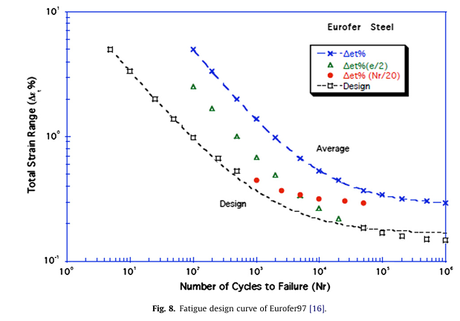
 |  |  |  |  |  |  |  |  |  | 25018 | 0.40
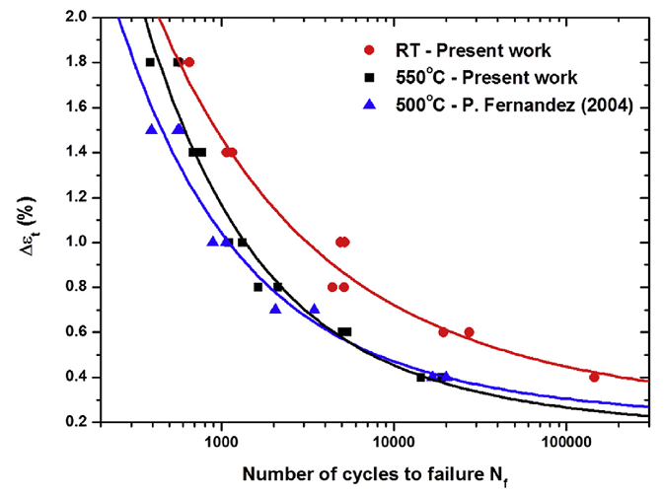
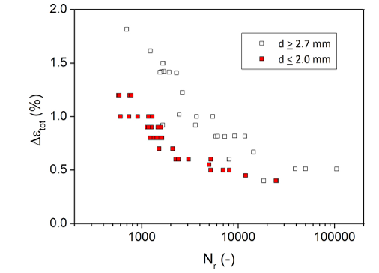

Fig. 8. of Aiello, G., et al. "Assessment of design limits and criteria requirements for Eurofer structures in TBM components." Journal of Nuclear Materials 414.1 (2011): 53-68. |  |  |  | Fig. 3. of Roldán, M., et al. "Deformation behaviour and microstructural evolution of EUROFER97-2 under low cycle fatigue conditions." Materials Characterization 158 (2019): 109943. |  |  |  |  |  | Fig. 2. Gaganidze, Ermile, et al. "Development of EUROFER97 database and material property handbook." Fusion Engineering and Design 135 (2018): 9-14.

