W_diffusivity
W-Fujitsuka |  | W-tanabe |  | W-Touloukian |  | W-Single Crystal

Temp (C) | Thermal Diffusivity Coef. (mm2/s) | Temp (C) | Thermal Diffusivity Coef. (mm2/s) | Temp (C) | Thermal Diffusivity Coef. (mm2/s) | Temp (C) | Thermal Diffusivity Coef. (mm2/s)
28.201282303 | 71.58607064 | 20.588268967 | 64.556553472 | 23.30282032 | 66.200865485 | 26.069031816 | 68.796319427
120.53790515 | 69.786949461 | 142.50090027 | 59.774810145 | 78.707602812 | 62.819626462 | 95.101017961 | 64.39735328
173.97132692 | 65.3414351 | 179.90580159 | 57.56250859 | 120.01508988 | 59.687661392 | 196.35281579 | 58.208600724
204.68691442 | 61.333514184 | 467.84024343 | 49.052184233 | 221.45014563 | 54.367031922 | 293.02700046 | 53.633559503
285.31760267 | 60.804963339 | 549.34085256 | 47.16756188 | 325.73937656 | 50.866130203 | 391.67097189 | 51.749178513
343.12144593 | 54.843398341 | 670.09718677 | 45.166693454 | 426.27973576 | 47.99215805 | 495.29840869 | 49.429797272
450.0936665 | 51.627290298 | 758.25342701 | 43.927734893 | 522.13109289 | 45.745003681 | 591.25366877 | 47.493850384
553.40221842 | 48.508589889 |  |  | 623.62905699 | 43.812208348
642.80009391 | 46.366667938 |  |  | 722.30895997 | 42.004553008
756.40198316 | 44.863604933 |  |  | 824.7517143 | 40.322820134
 |  |  |  | 921.56417124 | 39.205055592
 |  |  |  | 1020.2452392 | 37.460137922
 |  |  |  | 1120.8252074 | 36.719246522

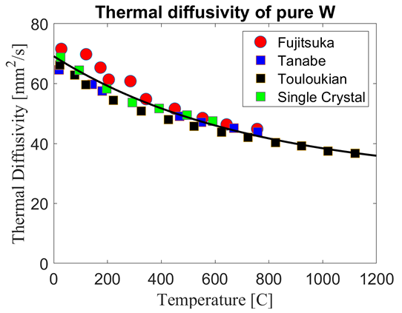

Fig 8. Properties of Tungsten and its Alloys Digital Materials Solutions, Inc.

W_specific_heat
W

Temp (K) | Cp
1260.8629443 | 6.7748306918
1350.5180197 | 6.8496416955
1432.2946153 | 6.9145443295
1500.2573524 | 6.9890017498
1600.7537754 | 7.0688794421
1623.4128427 | 7.0888086853
1680.5390539 | 7.15330952
1714.0346471 | 7.1831953488
1782.0214922 | 7.2332032843
1810.5484359 | 7.3021279289
1874.620149 | 7.3227321948
1910.0492003 | 7.3917693431
1926.878964 | 7.3235840092
1956.391923 | 7.3925247257
1999.7187405 | 7.4519106559
2035.1477918 | 7.5209478043
2072.5536954 | 7.5851271996
2153.2767734 | 7.718472319
2224.1541623 | 7.8369870279
2288.1342652 | 7.950499336
2357.0010507 | 8.1081010766
2400.2892955 | 8.2066061825

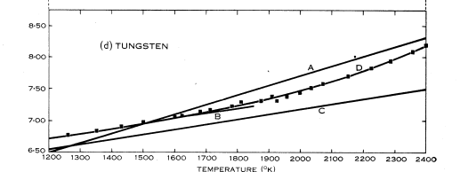

Lowentha, G. C. "The specific heat of metals between 1200 K and 2400 K." Australian Journal of Physics 16.1 (1963): 47-67.

W_conductivity
W Pure |  | W K-doped |  | W 1%Re |  | W 3%Re |  | W K-doped 3%Re |  | W K-doped Rod

Temp (C) | Thermal Conductivity (W/m k) | Temp (C) | Thermal Conductivity (W/m k) | Temp (C) | Thermal Conductivity (W/m k) | Temp (C) | Thermal Conductivity (W/m k) | Temp (C) | Thermal Conductivity (W/m k) | Temp (C) | Thermal Conductivity (W/m k)
34.348089278 | 175.56626506 | 32.567221886 | 167.6626506 | 32.161059147 | 147.61445783 | 26.552889028 | 110.79518072 | 31.458085177 | 112.91566265 | 21.350881647 | 174.02409639
105.68042022 | 176.53012048 | 98.900626818 | 161.87951807 | 96.881529359 | 142.21686747 | 99.474722228 | 110.21686747 | 99.564546679 | 114.65060241 | 97.408759837 | 168.24096386
204.22174923 | 160.53012048 | 200.85919041 | 154.55421687 | 201.89412431 | 125.63855422 | 196.66087364 | 107.3253012 | 198.40659233 | 113.4939759 | 200.76546055 | 149.92771084
302.82165941 | 147.42168675 | 301.13842729 | 144.3373494 | 302.23584777 | 118.5060241 | 300.34172346 | 105.01204819 | 303.68866064 | 110.21686747 | 297.80711175 | 139.90361446
401.56606979 | 141.44578313 | 399.87112144 | 137.78313253 | 402.72207143 | 118.5060241 | 402.48384136 | 106.74698795 | 400.94510945 | 110.79518072 | 399.78910781 | 133.73493976
501.98199606 | 137.97590361 | 503.56368749 | 136.04819277 | 503.20048427 | 118.12048193 | 502.98178126 | 107.3253012 | 504.68844584 | 111.56626506 | 501.7828201 | 128.14457831
602.36277362 | 132.77108434 | 602.34324657 | 131.80722892 | 603.64765382 | 116.19277108 | 600.2147976 | 106.74698795 | 603.55001855 | 111.37349398 | 600.56237918 | 123.90361446
704.35648591 | 127.18072289 | 701.13842729 | 128.3373494 | 700.8923864 | 116.19277108 | 700.69321044 | 106.36144578 | 700.78303489 | 110.79518072 | 699.36927613 | 121.01204819
801.48405616 | 121.39759036 | 799.92189178 | 124.28915663 | 802.9954502 | 116 | 801.19115034 | 106.93975904 | 798.02776747 | 110.79518072 | 803.03840972 | 118.12048193
901.91560407 | 118.69879518 | 901.962469 | 121.01204819 | 901.86092832 | 116 | 901.66565777 | 106.36144578 | 903.32545742 | 108.28915663 | 901.89607701 | 117.73493976
1002.4369764 | 120.43373494 | 1002.499463 | 123.51807229 | 1002.3510574 | 116.19277108 | 1003.8507352 | 110.21686747 | 1000.6482982 | 112.14457831 | 1003.99133 | 117.15662651
1081.8456972 | 120.04819277 | 1080.256195 | 121.59036145 | 1081.7793052 | 116.77108434 | 1080.1077893 | 114.26506024 | 1080.0726406 | 112.53012048 | 1083.3844291 | 116

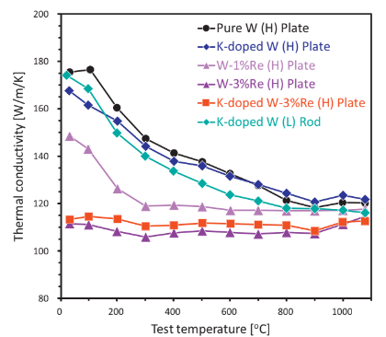

Nogami2021-- Mechanical properties of tungsten-Recent research on modified tungsten materials in Japan

W_resistivity
W Forsythe |  | W Desia |  | W Rudkin

Temp (K) | Electrical Resistivity (x10-8 ohm-m) | Temp (K) | Electrical Resistivity (x10-8 ohm-m) | Temp (K) | Electrical Resistivity (x10-8 ohm-m)
300 | 7.18 | 10 | 0.000137 | 1540.61 | 39.63
400 | 10.26 | 15 | 0.000567 | 1810.32 | 51.19
500 | 13.66 | 20 | 0.00196 | 2079.63 | 57.1
600 | 17.23 | 30 | 0.0133 | 2345.26 | 67.27
800 | 24.8 | 40 | 0.0543 | 2610.41 | 81.49
900 | 28.75 | 50 | 0.141
1000 | 32.73 | 60 | 0.266
1100 | 36.84 | 70 | 0.422
1200 | 40.8 | 80 | 0.606
1300 | 44.9 | 90 | 0.809
1400 | 49.1 | 100 | 1.02
1500 | 53.35 | 200 | 3.18
1600 | 57.6 | 250 | 4.3
1700 | 61.95 | 273 | 4.82
1800 | 66.35 | 300 | 5.44
1900 | 70.75 | 400 | 7.83
2000 | 75.2 | 500 | 10.35
2100 | 79.8 | 600 | 13
2200 | 84.4 | 700 | 15.76
2300 | 89 | 800 | 18.61
2400 | 93.65 | 900 | 21.53
2500 | 98.4 | 1000 | 24.51
2600 | 103.2 | 1100 | 27.57
2700 | 107.8 | 1200 | 30.68
2800 | 112.7 | 1300 | 33.84
2900 | 117.5 | 1400 | 37.07
3000 | 122.5 | 1500 | 40.33
3100 | 127.4 | 1600 | 43.65
3200 | 132.2 | 1700 | 47.01
3300 | 137.3 | 1800 | 50.41
3400 | 142.2 | 1900 | 53.85
3500 | 147.2 | 2000 | 57.33
3655 | 155 | 2200 | 64.41
 |  | 2400 | 71.63
 |  | 2600 | 79
 |  | 2800 | 86.51
 |  | 3000 | 94.18
 |  | 3200 | 102
 |  | 3400 | 100
 |  | 3600 | 118.3
 |  | 3660 | 120.8

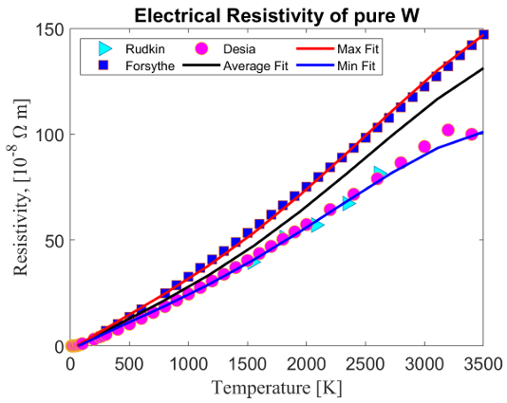

Fig 10. Properties of Tungsten and its Alloys Digital Materials Solutions, Inc.

W_CTE
EUROFER97

Temp (F) | Coefficient of Thermal Expansion
799.64081989 | 2.4231162508
2195.3192395 | 2.7602680356
3619.2836121 | 4.1642678072

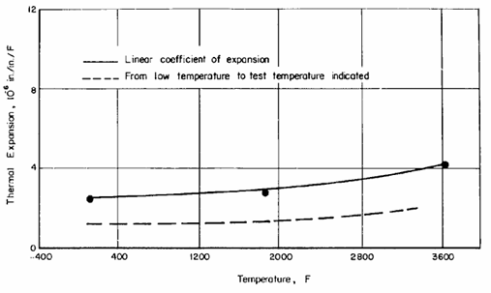

Fig A-1, Schmidt, Frank F. The engineering properties of tungsten and tungsten alloys. Vol. 191. Defense Metals Information Center, Battelle Memorial Institute, 1963.

W_emissivity
W Minissale_short |  | W Minissale_long |  | W Minissale_intermediate |  | W Brodu |  | W Rudkin |  | W Matsumoto |  | W Worthing

Temp (K) | Thermal Emissivity | Temp (K) | Thermal Emissivity | Temp (K) | Thermal Emissivity | Temp (K) | Thermal Emissivity | Temp (K) | Thermal Emissivity | Temp (K) | Thermal Emissivity | Temp (K) | Thermal Emissivity
42.44 | 0.02905 | 38.4 | 0.01385 | 43.07 | 0.01643 | 853.44 | 0.06718 | 1364 | 0.27669 | 1833.14 | 0.23873 | 1345.01 | 0.19629
158.9 | 0.04481 | 160.25 | 0.02073 | 156.92 | 0.02264 | 884.53 | 0.08141 | 1683.16 | 0.31258 | 1959.11 | 0.25306 | 1869.29 | 0.26863
276.74 | 0.06636 | 273.45 | 0.03824 | 277.69 | 0.03753 | 925.21 | 0.11031 | 1961.84 | 0.33309 | 2079.38 | 0.26529 | 2416 | 0.31879
461.49 | 0.10078 | 457.42 | 0.06514 | 460.21 | 0.06141 | 1024.28 | 0.15948 | 2244.5 | 0.34633 | 2163.37 | 0.27372 | 2958.98 | 0.34808
589.35 | 0.13616 | 610.29 | 0.08453 | 593.49 | 0.08716 | 1125.4 | 0.20176 | 2542.71 | 0.35573 | 2258.82 | 0.28299 | 3500.04 | 0.37027
724.59 | 0.16511 | 706.32 | 0.1133 | 721.15 | 0.11167 | 1160.33 | 0.22246 | 2819.71 | 0.35787 | 2354.32 | 0.2889
 |  |  |  |  |  | 1240.15 | 0.24877 |  |  | 2447.86 | 0.29859
 |  |  |  |  |  | 1343.66 | 0.25999 |  |  | 2541.46 | 0.30323
 |  |  |  |  |  | 1349.31 | 0.27551 |  |  | 2682.83 | 0.30955
 |  |  |  |  |  | 1427.43 | 0.28414 |  |  | 2789.79 | 0.3163
 |  |  |  |  |  | 1554.49 | 0.28889 |  |  | 2915.87 | 0.32262
 |  |  |  |  |  | 1591.8 | 0.2781 |  |  | 3080.16 | 0.33063
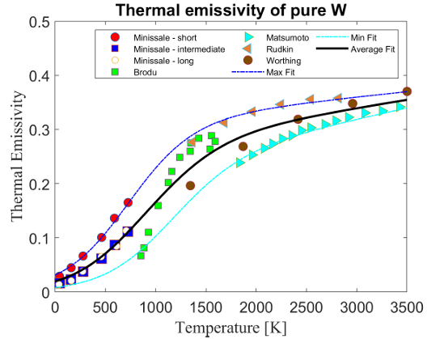
 |  |  |  |  |  | 1541.14 | 0.2643 |  |  | 3252.15 | 0.33443
 |  |  |  |  |  |  |  |  |  | 3424.09 | 0.34202

Fig 9. Properties of Tungsten and its Alloys Digital Materials Solutions, Inc.

W_hardness
W

Temp (C) | Hardness (VHN)
1200.4080919 | 472.84372908
1300.4383013 | 446.40308525
1398.9571574 | 442.18295589
1499.1869962 | 373.18133236
1599.562582 | 373.10642718

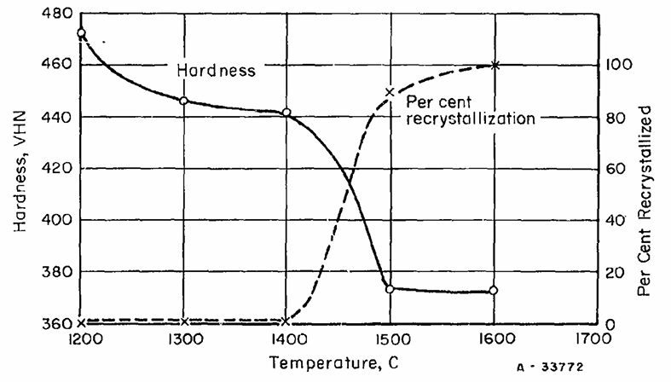

Fig A-25, Schmidt, Frank F. The engineering properties of tungsten and tungsten alloys. Vol. 191. Defense Metals Information Center, Battelle Memorial Institute, 1963.

W_Yield_Strength
W Plansee |  | W Drury |  | W Streichen |  | W Shen |  | W Skoro SW |  | W Skoro HR

Temp (K) | Yield Strength (MPa) | Temp (K) | Yield Strength (MPa) | Temp (K) | Yield Strength (MPa) | Temp (K) | Yield Strength (MPa) | Temp (K) | Yield Strength (MPa) | Temp (K) | Yield Strength (MPa)
472 | 1222.05 | 291.35985312 | 1377.4649635 | 321.95960832 | 1290.8960244 | 471.0864635 | 668.82918895 | 1719.5562616 | 85.38173776 | 1962.1945788 | 51.98632687
501 | 1182.21 | 808.49571603 | 897.39179639 | 471.89840881 | 909.97151083 | 523.71763992 | 605.79338089 | 1772.4074274 | 80.58165633 | 2015.2094101 | 46.93492428
527 | 1147.42 | 1099.1933905 | 696.24769083 | 661.61689106 | 710.69773494 | 574.47759893 | 510.29781419 | 1825.2585931 | 73.24819859 | 2072.0243803 | 42.33081753
552 | 1113.33 | 1374.5911873 | 474.35838857 | 863.5752754 | 580.62827463 | 623.0655181 | 473.58192822 | 1924.3545289 | 63.91470692 | 2132.6253548 | 37.31938637
578 | 1079.23 | 1637.749082 | 242.10284241 | 1080.8335373 | 483.41773167 | 673.01988487 | 472.42248724 | 2018.4956678 | 54.44787965 | 2231.1785841 | 33.81009083
603 | 1044.44 | 1916.2068543 | 70.39471793 | 1258.3121175 | 432.98661176 | 722.1023765 | 435.70277725 | 2117.5916036 | 44.31437441 | 2292.5307019 | 28.35092896
628 | 1010.34 | 2200.7845777 | 35.390110946 |  |  | 471.13999969 | 652.59166161 | 2229.9003308 | 36.31423869 | 2373.6837913 | 27.6513384
664 | 976.25 | 2479.2423501 | 24.621417862 |  |  | 521.86426791 | 567.92111314 | 2325.6930687 | 31.24748607 | 2473.0043174 | 24.67102102
679 | 942.15 |  |  |  |  | 572.64462165 | 466.23982175 | 2429.7438012 | 27.24741821 | 2573.097525 | 22.54525142
705 | 907.36 |  |  |  |  | 621.16880726 | 448.85432547 | 2527.188138 | 23.11401476
730 | 873.96 |  |  |  |  | 672.07662814 | 458.51225469 | 2621.329277 | 20.58063845
781 | 805.77 |  |  |  |  | 671.21749971 | 419.08590774 | 2667.574047 | 19.64728928
806 | 779.33 |  |  |  |  | 722.55870881 | 447.29718706
959 | 684.74 |  |  |  |  | 771.99555905 | 453.10051038
908 | 710.47 |  |  |  |  | 774.05542781 | 428.34231552
959 | 684.74 |  |  |  |  | 723.10936679 | 430.28262011
1060 | 628.41
1136 | 579.02
1187 | 544.94
1264 | 483.72
1289 | 455.2
1340 | 386.31
1403 | 287.5
1429 | 253.4
1480 | 195.65
1556 | 135.83
1581 | 119.83
1810 | 67.04
1937 | 59.45
2114 | 50.49
2317 | 40.15

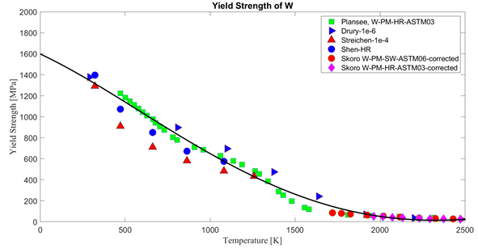

Fig 14. Properties of Tungsten and its Alloys Digital Materials Solutions, Inc.

Fig 14. Properties of Tungsten and its Alloys Digital Materials Solutions, Inc.

W_Ultimate Strength
W Nogami |  | W k-doped WRe fit

Temp (K) | Ultimate Strength (MPa) | Temp (K) | Ultimate Strength (MPa)
300.27140719 | 855.09579129 | 301.27458864 | 1222.0561727
369.25531277 | 899.23546992 | 370.62818562 | 1115.5187431
464.92871414 | 754.35822061 | 468.93190553 | 868.25946094
560.65977209 | 631.46734585 | 564.17310741 | 850.70605805
663.72090281 | 539.37496699 | 672.879543 | 843.55944235
765.32140622 | 581.39580804 | 767.96917355 | 768.20684113
868.50973545 | 537.67222101 | 870.450821 | 716.58449814
979.01210662 | 518.15295392 | 973.10347198 | 730.1715071
1169.2249348 | 487.83328232 | 1175.7206501 | 663.97166707
1375.0758423 | 428.97087595 | 1372.2995893 | 624.43357462
 |  | 1571.14303 | 516.72799094
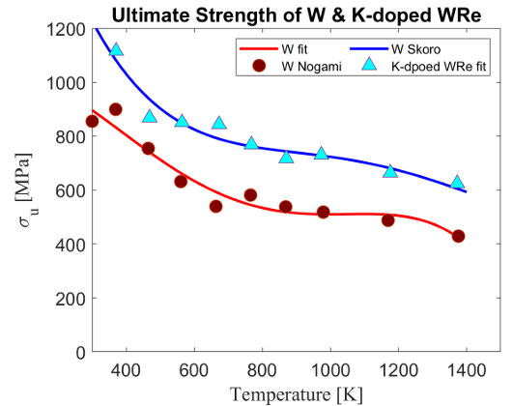

Fig 13. Properties of Tungsten and its Alloys Digital Materials Solutions, Inc.

W_Total_Elongation
W Nogami |  | W K-doped WRe Nogami |  | W HR-EP |  | W HR-AM |  | W Forge

Temp (K) | Total Elongation (%) | Temp (K) | Total Elongation (%) | Temp (K) | Total Elongation (%) | Temp (K) | Total Elongation (%) | Temp (K) | Total Elongation (%)
356.24990317 | 0 | 288.0194893 | 19.164391141 | 298.43089888 | 0.11673282648 | 297.30730337 | 0.17674762834 | 422.58820225 | 1.4192289578
464.34949291 | 16.997835076 | 354.97207858 | 6.3145556846 | 422.58820225 | 0.16174392787 | 473.71179775 | 2.1915494853 | 423.15 | 0.28143712575
568.54186856 | 21.712476878 | 442.80307907 | 14.925112025 | 472.58820225 | 0.095875664402 | 472.58820225 | 3.3892888381 | 472.58820225 | 1.1737199758
657.10538787 | 14.084180867 | 537.10582456 | 21.097883457 | 523.15 | 11.646706587 | 522.58820225 | 13.143779856 | 523.15 | 0.02994011976
762.60016822 | 13.243073156 | 627.49115294 | 15.086792448 | 573.15 | 18.766467066 | 571.46460674 | 31.101998251 | 523.71179775 | 1.6466393057
862.88532979 | 10.619602222 | 726.49281068 | 16.385144541 | 623.71179775 | 29.658615354 | 572.02640449 | 34.095942946 | 573.15 | 0.5628742515
1165.0432192 | 10.773615712 | 823.52146173 | 11.310388738 | 673.71179775 | 29.59274709 | 622.58820225 | 31.275516383 | 573.71179775 | 3.975980623
1372.1255658 | 16.293677812 | 920.80747927 | 11.296813105 | 722.58820225 | 35.63479782 | 622.58820225 | 28.760546323 | 623.71179775 | 5.2873578685
1562.2766514 | 61.802712722 | 1107.2302575 | 13.14532349 | 774.27359551 | 36.227410348 | 623.15 | 25.407185629 | 623.71179775 | 13.610711162
 |  | 1288.7110552 | 15.08824972 |  |  | 672.58820225 | 31.808450515 | 673.15 | 14.682634731
 |  | 1478.7462236 | 23.122186788 |  |  | 672.58820225 | 30.311444527 | 723.15 | 13
 |  |  |  |  |  | 723.15 | 29.706586826 | 722.58820225 | 16.473121173
 |  |  |  |  |  | 722.02640449 | 27.431272287 | 774.83539326 | 17.544708336
 |  |  |  |  |  | 772.02640449 | 32.574984862 | 773.71179775 | 23.413106372
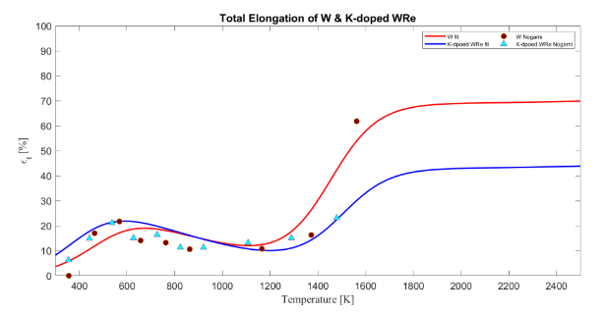
 |  |  |  |  |  | 772.58820225 | 31.856354706 | 724.27359551 | 22.520823521
 |  |  |  |  |  |  |  | 672.58820225 | 22.467133149

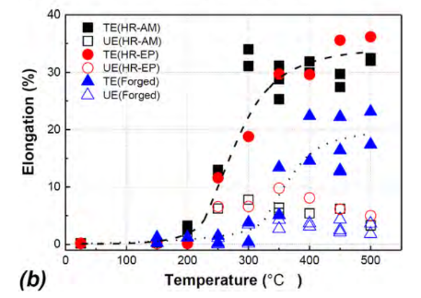

T. Shen, Y. Dai, Y. Lee, Microstructure and tensile properties of tungsten at elevated temperatures,
S. Nogami, A. Hasegawa, M. Fukuda, M. Rieth, J. Reiser, G. Pintsuk, Mechanical properties of tungsten:

W_Uniform_Elongation
W Nogami |  | W K-doped WRe Nogami |  | W HR-EP |  | W HR-AM |  | W Forge

Temp (K) | Uniform Elongation (%) | Temp (K) | Uniform Elongation (%) | Temp (K) | Uniform Elongation (%) | Temp (K) | Uniform Elongation (%) | Temp (K) | Uniform Elongation (%)
367.83559215 | 0 | 305.87941859 | 13.924410573 | 523.15 | 6.5568862275 | 523.15 | 6.2574850299 | 522.58820225 | 1.4072529099
472.52664297 | 2.6954942339 | 372.48239152 | 7.2539846855 | 573.15 | 6.6706586826 | 473.15 | 2.1317365269 | 573.15 | 3.4371257485
566.72252648 | 4.9837281968 | 475.67681193 | 10.654593962 | 623.15 | 9.7784431138 | 572.58820225 | 7.8084505147 | 623.15 | 2.6526946108
677.66211738 | 3.8853758946 | 579.5004229 | 8.4747162205 | 673.15 | 8.2155688623 | 623.15 | 6.6047904192 | 623.15 | 4.0898203593
767.52730195 | 1.5056125732 | 673.08557921 | 4.5945338412 | 722.58820225 | 6.3533606943 | 623.15 | 5.5269461078 | 673.15 | 3.8443113772
861.25238394 | 1.2310244977 | 764.35515849 | 6.1204482601 | 773.71179775 | 5.1496333176 | 672.02640449 | 5.4013321671 | 673.15 | 3.125748503
975.78284281 | 0.77337770509 | 877.93668054 | 3.0250218676 |  |  | 722.58820225 | 6.3533606943 | 723.15 | 4.2574850299
1178.9715542 | 0.81914238435 | 973.7288122 | 2.1530707711 |  |  | 773.15 | 3.2934131737 | 723.15 | 2.5209580838
1373.5025681 | 1.0022011014 | 1163.9390424 | 1.935082997 |  |  |  |  | 723.71179775 | 2.1616093655
1567.3384808 | 25.76089258 | 1369.0384246 | 1.7170952229 |  |  |  |  | 773.15 | 3.6526946108
 |  | 1577.3263713 | 0.84514412642 |  |  |  |  | 774.27359551 | 1.6765121443
 |  |  |  |  |  |  |  | 572.02640449 | 0.083966897665

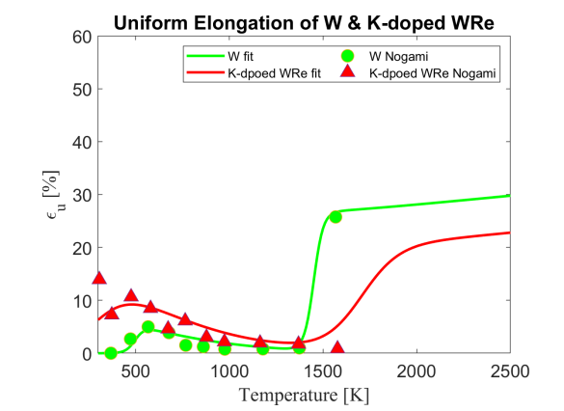

T. Shen, Y. Dai, Y. Lee, Microstructure and tensile properties of tungsten at elevated temperatures,
S. Nogami, A. Hasegawa, M. Fukuda, M. Rieth, J. Reiser, G. Pintsuk, Mechanical properties of tungsten:

W_Grain
W S-direction |  | W T-direction

Temp (K) | Grain Orientation Factor | Temp (K) | Grain Orientation Factor
297.7201409 | 0.230971308 | 305.7420807 | 0.607742804
568.0981837 | 0.768359895 | 373.3503064 | 0.653002433
681.7301893 | 0.997315999 | 575.2419969 | 1.029599496
774.2001359 | 1.015773569 | 778.5998081 | 1.089186812
983.5122796 | 1.030507437 | 975.3267514 | 1.113279732
1173.597899 | 0.885279142 | 1178.53462 | 1.081029444
1576.495538 | 0.97398703 | 1381.575883 | 0.955372541
 |  | 1565.940749 | 0.949798447
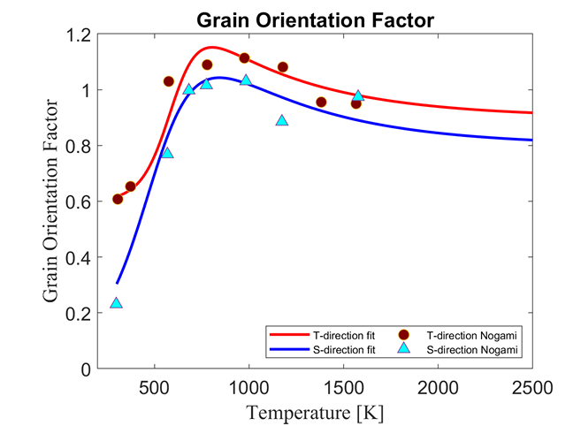

Nogami2021-- Mechanical properties of tungsten-Recent research on modified tungsten materials in Japan.pdf

W_ductility
W-CFETR |  | W-IGP

Temp (C) | Flexural Strain (%) | Temp (C) | Flexural Strain (%)
200 | 0.47056401811 | 200 | 0.26307122273
250 | 0.89296006587 | 300 | 0.53725813092
300 | 4.4796212433 | 350.78125 | 3.3978103129
325 | 6.1432688349 | 400.78125 | 5.8432611157
350.78125 | 13.720576883 | 450 | 8.8073281186
375.78125 | 17.355406031 | 474.21875 | 15.03570142
 |  | 500 | 15.247015233
 |  | 525 | 14.265129683

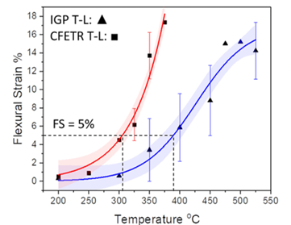

Fig 4. Yin, Chao, et al. "Ductile to brittle transition in ITER specification tungsten assessed by combined fracture toughness and bending tests analysis." Materials Science and Engineering: A 750 (2019): 20-30.

W_toughness
W-CFETR |  | W-CFETR |  | GumschSingleCrystal |  | Gumbsch 100 |  | FaleschiniSintered W |  | FaleschiniSintered WL10 |  | FaleschiniSintered WVM 1 |  | Rupp type I |  | Rupp Type II |  | Rupp Type III |  | Gaganidze trans |  | Gaganidze inter

Temp (C) | Fracture Toughness (MPa·m ^1/2) | Temp (C) | Fracture Toughness (MPa·m ^1/2) | Temp (K) | Fracture Toughness (MPa·m ^1/2) | Temp (K) | Fracture Toughness (MPa·m ^1/2) | Temp (K) | Fracture Toughness (MPa·m ^1/2) | Temp (K) | Fracture Toughness (MPa·m ^1/2) | Temp (K) | Fracture Toughness (MPa·m ^1/2) | Temp (K) | Fracture Toughness (MPa·m ^1/2) | Temp (K) | Fracture Toughness (MPa·m ^1/2) | Temp (K) | Fracture Toughness (MPa·m ^1/2) | Temp (K) | Fracture Toughness (MPa·m ^1/2) | Temp (K) | Fracture Toughness (MPa·m ^1/2)
23.819643352 | 9.1561181435 | 21.996116887 | 8.4848484848 | 75.23 | 2.10 | 72.14 | 3.30 | 70.06 | 5.50 | 69.58 | 5.03 | 235.52 | 4.71 | 239.13 | 8.45 | 239.19 | 8.08 | 53.58 | 14.52 | 295.67 | 14.17 | 295.08 | 6.97
101.28430195 | 10 | 102.28808769 | 8.4848484848 | 171.69 | 3.33 | 294.46 | 8.59 | 236.46 | 6.17 | 235.03 | 4.27 | 423.36 | 16.68 | 663.29 | 13.96 | 431.06 | 10.17 | 127.32 | 13.65 | 372.08 | 15.43 | 372.38 | 6.58
200.86852074 | 12.869198312 | 201.55324535 | 8.3164983165 | 186.04 | 4.04 | 350.80 | 9.80 | 423.20 | 10.59 | 423.58 | 12.81 | 616.58 | 42.60 | 721.12 | 16.23 | 588.67 | 13.51 | 245.99 | 13.42 | 473.22 | 18.45 | 468.46 | 8.15
304.44423912 | 25.52742616 | 301.10840768 | 18.080808081 | 184.88 | 4.64 | 376.03 | 12.49 | 613.40 | 26.18 | 616.11 | 32.78 |  |  | 776.47 | 20.22 | 666.48 | 14.59 | 323.61 | 15.59 | 471.33 | 15.06 | 527.05 | 10.44
353.04444239 | 29.4092827 | 401.91206469 | 20.606060606 | 211.74 | 5.00 | 422.88 | 14.18 |  |  |  |  |  |  |  |  | 752.34 | 13.49 | 427.30 | 19.53 | 294.78 | 15.29 | 575.14 | 14.13
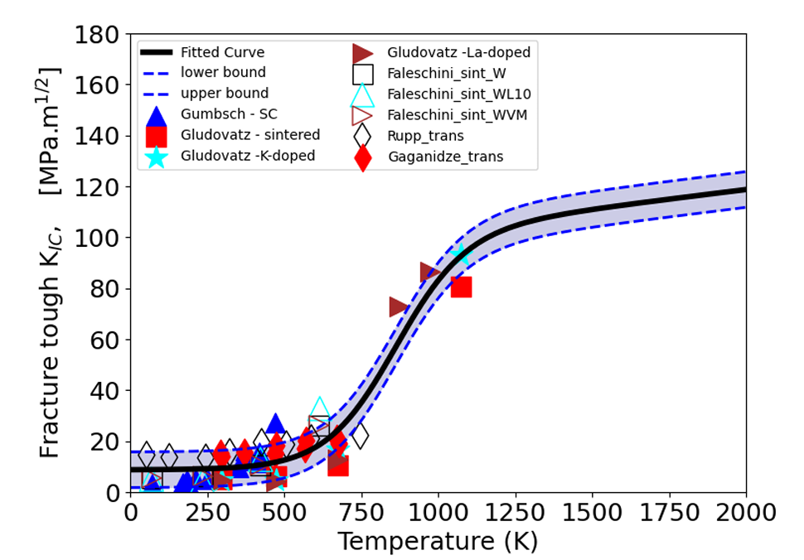
380.04250208 | 35.991561181 | 452.14677185 | 41.144781145 | 251.86 | 5.09 | 419.41 | 15.46 |  |  |  |  |  |  |  |  | 830.43 | 19.41 | 507.63 | 18.63 | 572.51 | 20.36 | 670.82 | 18.47
404.54587453 | 33.122362869 | 501.92926835 | 46.195286195 | 296.85 | 6.08 | 469.54 | 27.15 |  |  |  |  |  |  |  |  | 808.82 | 17.27 | 588.52 | 21.01 | 568.34 | 17.30
454.77224429 | 38.523206751 | 551.71668018 | 51.414141414 | 375.07 | 16.36 | 581.70 | 25.01 |  |  |  |  |  |  |  |  |  |  | 747.58 | 22.20 | 671.32 | 20.87
504.05617666 | 35.316455696 | 601.45493868 | 54.949494949 | 420.73 | 11.80 |  |  |  |  |  |  |  |  |  |  |  |  |  |  | 675.86 | 18.96
555.89023376 | 42.067510549 |  |  | 421.15 | 10.94
604.49043703 | 45.949367089 |  |  | 497.40 | 7.78

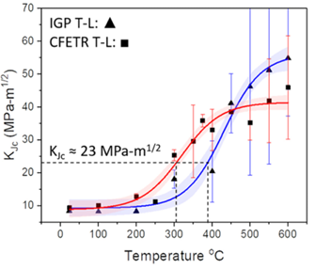

Fig 4. Yin, Chao, et al. "Ductile to brittle transition in ITER specification tungsten assessed by combined fracture toughness and bending tests analysis." Materials Science and Engineering: A 750 (2019): 20-30.

W_creep
W-5Re 1year |  | W-5Re 3year |  | W-5Re 10year |  | W-5Re 2/3 yield |  | W-5Re 1/3 ultimate |  | W 1year |  | W 3year |  | W 10year |  | W 1/3 ultimate |  | W 2/3 yield |  | W Conway |  | W Klopp |  | W Green |  | W Harris |  | W epsdot Conway |  | W epsdot Klopp1 |  | W epsdot Klopp2 |  | W epsdot Green |  | W epsdot Harris |  | W epsdot King

Temp (C) | Stress (MPa) | Temp (C) | Stress (MPa) | Temp (C) | Stress (MPa) | Temp (C) | Stress (MPa) | Temp (C) | Stress (MPa) | Temp (C) | Stress (MPa) | Temp (C) | Stress (MPa) | Temp (C) | Stress (MPa) | Temp (C) | Stress (MPa) | Temp (C) | Stress (MPa) | Stress (Log10(MPa)) | P_lm | Stress (Log10(MPa)) | P_lm | Stress (Log10(MPa)) | P_lm | Stress (Log10(MPa)) | P_lm | sigma | epsdot | sigma | epsdot | sigma | epsdot | sigma | epsdot | sigma | epsdot | sigma | epsdot
147.320953 | 4.8080808081 | 144.11358238 | 4.7878787879 | 140.90549197 | 4.7474747475 | 134.95213417 | 7.6565656566 | 137.09637947 | 7.8383838384 | 152.73133143 | 2.5489922514 | 149.64798558 | 2.6244392453 | 146.2856039 | 2.6614651527 | 9.1502285947 | 18.394363476 | 31.712421387 | 12.924080792 | 0.12396719567 | 52.843117772 | 1.1363980574 | 40.473453054 | 1.0976358797 | 40.492697487 | 2.320095639 | 22.200867682 | -2.2554436652 | -10.937191787 | -1.3530047256 | -7.8791312333 | -1.652447714 | -7.1899149535 | -1.3823822719 | -9.4134016125 | -0.35493693171 | -2.8531478579 | -1.2494879892 | -7.0849463858
155.48693587 | 4 | 152.27956525 | 3.9797979798 | 148.71518031 | 3.9393939394 | 163.72921615 | 5.3333333333 | 164.42453034 | 4.8484848485 | 165.35126317 | 2.0174290068 | 161.70984567 | 2.0160338277 | 158.06735496 | 2.0529524137 | 30.56622808 | 13.843181867 | 40.766060658 | 9.7091588143 | 0.2877754645 | 50.691083639 | 1.1700670259 | 41.492416788 | 1.0878815 | 38.76517984 | 2.3869979049 | 21.678808144 | -2.1174796616 | -10.048204341 | -1.3152584836 | -7.4305635631 | -1.3187443849 | -7.4655034173 | -1.3377344756 | -9.1816272719 | -0.22019493136 | -2.4328787721 | -1.1683601157 | -6.5134696477
165.78420787 | 3.0101010101 | 161.86496797 | 3.0101010101 | 158.65687756 | 2.9696969697 | 192.87338948 | 3.3131313131 | 193.21816742 | 2.9898989899 | 175.16688489 | 1.5997338428 | 171.52332096 | 1.6749661937 | 167.60286763 | 1.6351499281 | 40.403314087 | 12.659211402 | 53.690785379 | 8.296486295 | 0.2942596096 | 49.204888878 | 1.2061253489 | 40.368705152 | 1.113846671 | 38.813535414 | 2.4441527434 | 21.01481392 | -2.086901218 | -10.125919617 | -1.2636805347 | -7.2210779346 | -1.1989059941 | -6.7000227793 | -1.3010124104 | -9.1510217913 | -0.20787161374 | -2.3966555265 | -1.1092864659 | -6.0738399078
175.01907435 | 2.202020202 | 170.74353991 | 2.202020202 | 166.82214065 | 2.1414141414 | 221.6979774 | 2.3232323232 | 220.24976607 | 1.6767676768 |  |  |  |  |  |  | 53.056515486 | 10.939921441 | 63.534310674 | 6.8826332396 | 0.37530461032 | 49.12918471 | 1.2330535476 | 41.13286255 | 1.1467678433 | 39.10846222 | 2.5407964857 | 19.096907609 | -2.073589075 | -9.448629089 | -1.2505589306 | -7.0908695434 | -1.1429857235 | -6.3575932539 | -1.2703663255 | -8.9732934474 | -0.19384940473 | -2.1641992028 | -0.95844682889 | -5.1131451131
 |  |  |  |  |  |  |  |  |  |  |  |  |  |  |  | 63.716757174 | 10.369293181 | 74.482173904 | 6.0439159458 | 0.27270531239 | 44.998266822 | 1.2153810452 | 39.399080714 | 1.1448572496 | 37.792042902 |  |  | -2.0211922547 | -9.6620393808 | -1.2031139282 | -7.0334018555 | -1.0733834121 | -5.9749466425 | -1.2511108707 | -8.8883374379 | -0.18478829753 | -2.0552593804 | -0.88369962433 | -4.5038750763
 |  |  |  |  |  |  |  |  |  |  |  |  |  |  |  | 74.657107901 | 9.7987722424 | 99.722037391 | 4.9807894567 | 0.31450690938 | 43.854092258 | 1.3237583244 | 37.507339879 | 1.1898518439 | 37.790287587 |  |  | -2.025456653 | -9.294256177 | -1.1540144811 | -6.9107824911 | -1.0254521716 | -5.68287667 | -1.2545351655 | -8.6406174558 | -0.093635995213 | -1.9253084869 | -0.8056085937 | -4.6052482635
 |  |  |  |  |  |  |  |  |  |  |  |  |  |  |  | 87.014102041 | 8.6540814355 | 149.66515701 | 2.0114190045 | 0.44540629767 | 45.73508972 | 1.3263744059 | 37.022606143 | 1.2156977435 | 36.966470636 |  |  | -2.0624267797 | -9.5687567437 | -1.1539321809 | -1.1539321809 | -1.0526134039 | -5.0672840532 | -1.2108607442 | -8.7494031056 | -0.042639596705 | -1.569645466 | -0.80826056209 | -3.9574976522
 |  |  |  |  |  |  |  |  |  |  |  |  |  |  |  | 97.375990041 | 8.7346798601 | 199.81326064 | 1.7241194273 | 0.47323641459 | 47.021632761 | 1.3894062729 | 36.994640232 | 1.2198553664 | 35.732095453 |  |  | -2.0299570388 | -9.7336079621 | -1.108179608 | -6.7664089717 | -0.98073859196 | -4.7048341802 | -1.1800590095 | -8.0376015111 | -0.026988400794 | -1.3808159109 | -0.70163200563 | -3.6126569968
 |  |  |  |  |  |  |  |  |  |  |  |  |  |  |  | 104.39696066 | 8.0860288909 |  |  | 0.42329894463 | 51.430535609 | 1.5457520221 | 32.805404324 | 1.2423729172 | 35.879322563 |  |  | -1.9519529368 | -9.8659924366 | -1.1129509086 | -6.3029481331 | -0.96945840489 | -5.0882635255 | -1.1119092269 | -8.1466240193 | 0.27981719361 | 0.77495971107 | -0.67599570024 | -3.3739386048
 |  |  |  |  |  |  |  |  |  |  |  |  |  |  |  | 142.8706347 | 4.5758655477 |  |  | 0.47082950567 | 50.340544397 | 1.5210945822 | 29.031340546 | 1.2925771987 | 36.009013394 |  |  | -1.9694831204 | -9.4462534522 | -1.0729224192 | -6.4409117342 |  |  | -1.0245152684 | -8.2093914782 | 0.3061690752 | 1.0654447209 | -0.53515913404 | -2.6206705329
 |  |  |  |  |  |  |  |  |  |  |  |  |  |  |  | 162.50617098 | 3.5872201593 |  |  | 0.5069542201 | 49.523032388 | 1.555864049 | 28.290283147 | 1.3245025669 | 35.349521005 |  |  | -1.9257158037 | -9.1011493173 | -0.99019701504 | -5.9782976379 |  |  | -1.0794359491 | -7.6980058724 | 0.32673053329 | 1.2033472524 | -0.51445197101 | -2.2372668299
 |  |  |  |  |  |  |  |  |  |  |  |  |  |  |  | 182.70299856 | 2.5604756488 |  |  | 0.56691117696 | 48.650183794 | 1.7028546908 | 34.151142795 | 1.3996402088 | 34.309850848 |  |  | -1.9351120684 | -9.4630397748 | -0.97948216384 | -5.6887671646 |  |  | -1.0497474486 | -7.8066561747 | 0.35971486997 | 1.719091599 | -0.4403379766 | -1.3638698131
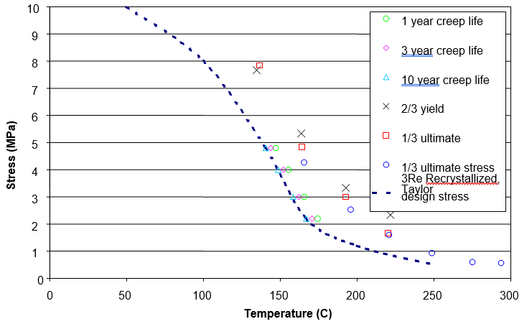
 |  |  |  |  |  |  |  |  |  |  |  |  |  |  |  | 202.88372792 | 2.108437614 |  |  | 0.55974749183 | 45.077746897 |  |  | 1.4247333479 | 34.308871922 |  |  | -1.9026639061 | -9.7019324321 | -0.94519675026 | -5.8918428747 |  |  | -1.0216898869 | -7.5127995725 |  |  | -0.37994475716 | -1.2701253878
 |  |  |  |  |  |  |  |  |  |  |  |  |  |  |  | 222.78112859 | 1.771233553 |  |  | 0.55375812032 | 43.119334018 |  |  | 1.5483357084 | 33.333135767 |  |  | -1.853175873 | -8.855045824 | -0.94101737797 | -5.5805265924 |  |  | -0.9037152615 | -7.6223042565 |  |  | -0.37015245092 | -1.7858846731
 |  |  |  |  |  |  |  |  |  |  |  |  |  |  |  | 242.67208998 | 1.6639120823 |  |  | 0.59188425206 | 42.990897341 |  |  | 1.6163643214 | 30.927880573 |  |  | -1.8262446295 | -8.8964406977 | -0.90672563361 | -5.7618798014 |  |  | -0.78106550375 | -6.6869253116 |  |  | -0.29369713679 | -0.18932226638
 |  |  |  |  |  |  |  |  |  |  |  |  |  |  |  |  |  |  |  | 0.59648602383 | 41.775631542 |  |  | 1.7018448239 | 29.591595807 |  |  | -1.77322011 | -8.6666020451 | -0.90823658062 | -5.3346547853 |  |  |  |  |  |  | -0.25022556503 | 0.32592156201
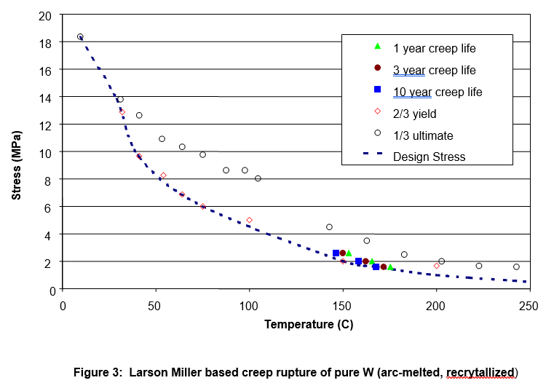
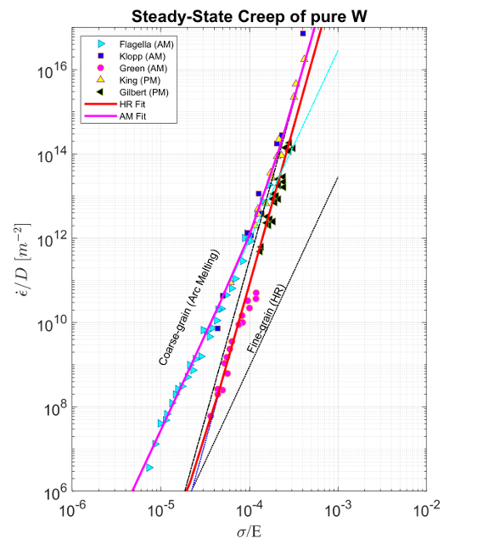
 |  |  |  |  |  |  |  |  |  |  |  |  |  |  |  |  |  |  |  | 0.67760046654 | 42.207721915 |  |  |  |  |  |  | -1.7602513946 | -8.7983571449 | -0.86985620519 | -5.5160475617 |  |  |  |  |  |  | -0.15124593054 | 1.2305209022
 |  |  |  |  |  |  |  |  |  |  |  |  |  |  |  |  |  |  |  | 0.87243856572 | 37.466725156 |  |  |  |  |  |  | -1.7266679601 | -8.3297517099 | -0.86894351723 | -5.190217958
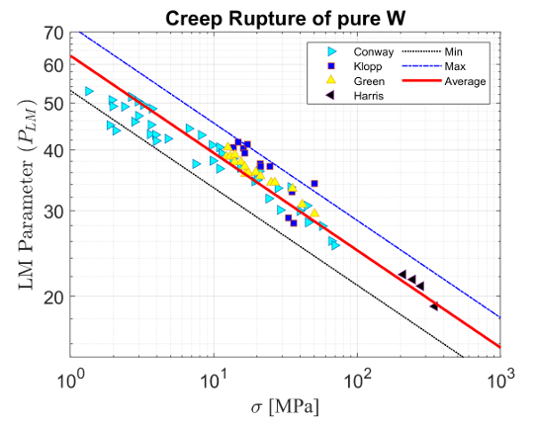
 |  |  |  |  |  |  |  |  |  |  |  |  |  |  |  |  |  |  |  | 0.82473811982 | 44.287577671 |  |  |  |  |  |  | -1.6431133726 | -8.5444583963 | -0.83627878424 | -5.3425920052
 |  |  |  |  |  |  |  |  |  |  |  |  |  |  |  |  |  |  |  | 0.91037745209 | 42.942201146 |  |  |  |  |  |  | -1.6272495335 | -8.3060332745 | -0.82962724097 | -4.9661319599
 |  |  |  |  |  |  |  |  |  |  |  |  |  |  |  |  |  |  |  | 0.99234715598 | 38.024205768 |  |  |  |  |  |  | -1.5603511978 | -8.2902269782 | -0.80186253447 | -5.0967360251
 |  |  |  |  |  |  |  |  |  |  |  |  |  |  |  |  |  |  |  | 0.98709097296 | 40.943798486 |  |  |  |  |  |  | -1.5035576229 | -7.8794341058 | -0.79928485042 | -4.6695505764
 |  |  |  |  |  |  |  |  |  |  |  |  |  |  |  |  |  |  |  | 1.0390150852 | 36.624152133 |  |  |  |  |  |  | -1.5545417695 | -7.4840519227 | -0.93270294888 | -5.1099515358
 |  |  |  |  |  |  |  |  |  |  |  |  |  |  |  |  |  |  |  | 1.038740877 | 40.526923183 |  |  |  |  |  |  | -1.4264226574 | -7.8061389254 | -0.97766522896 | -5.0660712921
 |  |  |  |  |  |  |  |  |  |  |  |  |  |  |  |  |  |  |  | 1.0539336938 | 39.373940617 |  |  |  |  |  |  | -1.4486365876 | -7.5179842105 | -0.82526849648 | -4.0393448119
 |  |  |  |  |  |  |  |  |  |  |  |  |  |  |  |  |  |  |  | 1.1313591713 | 38.38754743 |  |  |  |  |  |  | -1.3965747117 | -7.4033121386 | -0.79244338364 | -3.6414154968
 |  |  |  |  |  |  |  |  |  |  |  |  |  |  |  |  |  |  |  | 1.1828430795 | 36.756827942 |  |  |  |  |  |  | -1.3408420827 | -7.4449857354 | -0.77208252853 | -3.9240058487
 |  |  |  |  |  |  |  |  |  |  |  |  |  |  |  |  |  |  |  | 1.2835258274 | 34.509581194 |  |  |  |  |  |  | -1.2458604481 | -6.7054884347 | -0.74738192128 | -3.3449765559
 |  |  |  |  |  |  |  |  |  |  |  |  |  |  |  |  |  |  |  | 1.3013272995 | 34.708634305 |  |  |  |  |  |  | -1.2782918271 | -6.4090079915 | -0.71723367477 | -3.7145518741
 |  |  |  |  |  |  |  |  |  |  |  |  |  |  |  |  |  |  |  | 1.3152614901 | 36.167784541 |  |  |  |  |  |  | -1.2326999232 | -6.1790974104 | -0.66398228872 | -3.3747470657
 |  |  |  |  |  |  |  |  |  |  |  |  |  |  |  |  |  |  |  | 1.445765696 | 33.396957667 |  |  |  |  |  |  | -1.1872398883 | -6.4016622896 | -0.62541832058 | -2.926187309
 |  |  |  |  |  |  |  |  |  |  |  |  |  |  |  |  |  |  |  | 1.3817217902 | 31.801475512 |  |  |  |  |  |  | -1.1863563661 | -6.5579809851
 |  |  |  |  |  |  |  |  |  |  |  |  |  |  |  |  |  |  |  | 1.5354675075 | 33.562475427 |  |  |  |  |  |  | -1.0533089503 | -5.9093474102
 |  |  |  |  |  |  |  |  |  |  |  |  |  |  |  |  |  |  |  | 1.4614764618 | 30.123557538 |  |  |  |  |  |  | -1.0227309299 | -6.1893562182
 |  |  |  |  |  |  |  |  |  |  |  |  |  |  |  |  |  |  |  | 1.5988033047 | 29.9799134 |  |  |  |  |  |  | -0.98707595352 | -4.9885812024
 |  |  |  |  |  |  |  |  |  |  |  |  |  |  |  |  |  |  |  | 1.6489991696 | 30.746215085 |  |  |  |  |  |  | -0.90262106046 | -5.3020187984
 |  |  |  |  |  |  |  |  |  |  |  |  |  |  |  |  |  |  |  | 1.6567589473 | 28.410402231 |  |  |  |  |  |  | -0.87187385683 | -4.4364154366
 |  |  |  |  |  |  |  |  |  |  |  |  |  |  |  |  |  |  |  | 1.7544516698 | 27.930269926 |  |  |  |  |  |  | -0.77000988717 | -4.0551566172
 |  |  |  |  |  |  |  |  |  |  |  |  |  |  |  |  |  |  |  | 1.8196302304 | 26.007077419 |  |  |  |  |  |  | -0.6927813782 | -3.5644466473
 |  |  |  |  |  |  |  |  |  |  |  |  |  |  |  |  |  |  |  | 1.8429883589 | 25.483749439

Fig5. Design Window for Tungsten Alloys For the APEX Evolve Study |  |  |  |  |  |  |  |  |  | Fig 3. Design Window for Tungsten Alloys For the APEX Evolve Study |  |  |  |  |  |  |  |  |  | Webb2019-- An overview of creep in tungsten and it salloys |  |  |  |  |  |  |  | Webb2019-- An overview of creep in tungsten and it salloys
 |  |  |  |  |  |  |  |  |  |  |  |  |  |  |  |  |  |  |  | Klopp1964--EFFECTS OF GRAIN SIZE ON THE TENSILE AND CREEP PROPERTIES OF ARC-MELTED AND ELECTRON- BEAM-MELTED TUNGSTEN AT 2250° TO 41 40' F
 |  |  |  |  |  |  |  |  |  |  |  |  |  |  |  |  |  |  |  | Klopp1964--Effects OF PUJRITY ALTD STERUCTURE ON RErCR STALt TA-FrOi, GRAIN GROWTHN, DUCTILITY, TENSILE AND CREEP PR OPERTIES 01F ARQ-MELTE]D TUNG STENI

W_fatigue
W RLU |  | W RLP |  | W FU |  | W FP |  | W 280C RLP |  | W 280 FU |  | W 280 FP |  | W 480 FP |  | W eps1088_AR |  | W eps1088_R |  | W Schmunk1505 |  | W eps300_RLU |  | W eps300_FU |  | W eps300_RLP |  | W eps300_FP

Cycles to failure (N) | Stress (Mpa) | Cycles to failure (N) | Stress (Mpa) | Cycles to failure (N) | Stress (Mpa) | Cycles to failure (N) | Stress (Mpa) | Cycles to failure (N) | Stress (Mpa) | Cycles to failure (N) | Stress (Mpa) | Cycles to failure (N) | Stress (Mpa) | Cycles to failure (N) | Stress (Mpa) | Cycles to failure (Log10(N)) | Strain (%) | Cycles to failure (Log10(N)) | Strain (%) | Cycles to failure (Log10(N)) | Strain (%) | Cycles to failure (Log10(N)) | Strain (%) | Cycles to failure (Log10(N)) | Strain (%) | Cycles to failure (Log10(N)) | Strain (%) | Cycles to failure (Log10(N)) | Strain (%)
1.0026100636 | 318.10307737 | 135.53420787 | 288.75064362 | 1.0233632939 | 212.57115047 | 68632.290321 | 187.3449149 | 12.187518851 | 264.4929465 | 556.18328843 | 311.40537663 | 86.005420205 | 221.87520233 | 1.0021805779 | 222.46868908 | 2.0567132321 | 0.93192624248 | 1.4121451145 | 0.71819002046 | 2.3406635136 | 0.6092364864 | 1.0019318989 | 319.85009702 | 1.0009901224 | 212.6759256 | 2.7657150018 | 288.36720312 | 5.0275470608 | 184.85551755
1.0074578811 | 160.9742765 | 318.90452266 | 263.53851471 | 4055.6836546 | 225.42231815 | 98642.625401 | 171.44670856 | 25.304241188 | 301.68837989 | 3259.0624123 | 324.06103202 | 230.22326745 | 217.13989742 | 441.26843352 | 272.76219525 | 2.6629885789 | 0.50899431833 | 2.2047289131 | 0.29196725095 | 3.1107253642 | 0.21076881021 | 0.99175026948 | 161.18066678 | 3.999784571 | 225.48418338 | 3.0840412773 | 263.8973537 | 5.1702097706 | 169.87189132
48.115249239 | 349.11657039 | 668.89202319 | 275.36518617 | 38814.940149 | 213.53393005 | 244986.86982 | 186.57962857 | 48.912041878 | 263.84730485 | 124042.20596 | 257.73798819 | 2023915.6323 | 246.31606587 | 1498.7266684 | 179.5973642 | 2.7680962583 | 0.49663793079 | 2.7020905644 | 0.029127906988 | 3.7372507603 | -0.14638823381 | 2.394989594 | 349.81580243 | 4.8256781275 | 212.17090518 | 3.3389707137 | 274.86721337 | 5.409401676 | 139.91073041
70.987484274 | 336.9742624 | 3867.9956902 | 313.12695289 | 95022.035588 | 201.46039202 | 285848.11938 | 156.5818151 | 2024418.5656 | 250.92008431 | 2057123.1544 | 297.879274 | 1995206.1306 | 231.58500529 | 1669.9974015 | 184.64739693 | 4.0197862013 | -0.3028859013 | 3.0053545268 | -0.13015473989 | 4.6709502144 | -0.52795741447 | 2.5464473752 | 335.71129656 | 5.1375279971 | 200.68606585 | 3.9873751663 | 313.29392053 | 5.5501402222 | 155.95728782
73.756951479 | 323.84625151 | 65376.460072 | 251.59722663 | 463243.87633 | 202.14456506 | 201164.17776 | 141.99376486 | 2028496.934 | 288.21263371 | 2027338.0442 | 277.62339129 | 2020950.8681 | 219.15235704 | 30805.894904 | 197.15018452 | 4.6527348486 | -0.19612500279 | 4.0303413136 | -0.2879931424 |  |  | 2.5661183219 | 324.26503719 | 5.7218839089 | 200.38883575 | 5.0171391729 | 250.43787775 | 5.6400750482 | 140.54048305
303.5245807 | 311.84324679 | 125382.01838 | 289.67815654 | 692334.74966 | 188.59688102 | 375170.98831 | 142.07840482 | 2027136.5658 | 275.78178391 | 2026784.0266 | 272.558971 | 1992629.96 | 207.64410937 | 313637.72053 | 196.38045019 | 4.6984566891 | -0.15302372828 | 4.5360730175 | -0.60732432331 |  |  | 3.0624887113 | 311.2153404 | 5.8711545252 | 187.38497079 | 5.2437379595 | 287.37978812 | 5.5020728753 | 185.89321221
47992.330563 | 299.86669206 | 246609.60497 | 313.69121931 | 1981968.9629 | 189.20875741 | 1975557.6603 | 126.8255782 | 1969153.207 | 238.03242955 | 2023111.1989 | 238.94963635 | 2045756.659 | 195.20966268 | 1989908.7838 | 182.32200793 |  |  | 4.7532020274 | -0.4966032989 |  |  | 4.9011169431 | 297.10812716 | 6.2469446409 | 202.30013935 | 5.4878108588 | 312.8757292 | 6.2466526322 | 169.06954411
58390.312936 | 325.69069736 | 644215.37269 | 301.62649795 | 1980762.245 | 177.48259591 | 2002888.7504 | 141.3677818 |  |  | 2018692.527 | 198.43427404 | 2067936.1416 | 145.02406319 | 1988623.7035 | 170.35155997 |  |  |  |  |  |  | 4.9716631619 | 325.26782617 | 6.2534017085 | 187.11442759 | 5.797121606 | 262.43876035 | 6.2553200706 | 155.42403344
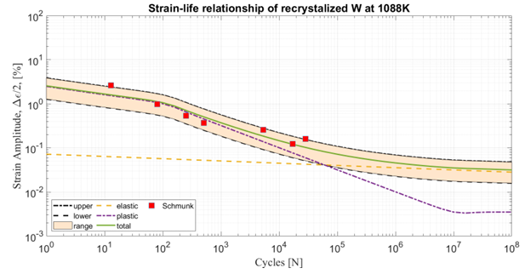
197743.55143 | 311.78505681 | 579524.21085 | 264.08867447 | 1983321.3599 | 202.3420583 | 2004548.4015 | 157.31536145 |  |  | 1986154.7273 | 147.33146775 |  |  |  |  |  |  |  |  |  |  | 5.3867313547 | 310.02816047 | 6.2489074812 | 175.67135905 | 5.8326035693 | 300.28618791 | 6.2507929681 | 140.23977206
253239.59042 | 324.48281456 | 1993639.4927 | 302.24895434 |  |  | 2032280.5675 | 171.85756505 |  |  |  |  |  |  |  |  |  |  |  |  |  |  | 5.512066923 | 323.21583623 |  |  | 6.2499904275 | 298.91065267 | 6.248458832 | 124.61508026
263651.90567 | 350.28565987 | 1992377.1316 | 290.05374638 |  |  |  |  |  |  |  |  |  |  |  |  |  |  |  |  |  |  | 5.5276864901 | 350.72257661 |  |  | 6.2542835362 | 287.46642383
1946085.2131 | 337.4239122 | 1991018.5597 | 276.92044549 |  |  |  |  |  |  |  |  |  |  |  |  |  |  |  |  |  |  | 5.2361418644 | 172.94417141 |  |  | 6.2541791093 | 275.5826348
1993493.7948 | 300.84181496 | 1964040.8256 | 264.25442773 |  |  |  |  |  |  |  |  |  |  |  |  |  |  |  |  |  |  | 5.7041564641 | 183.00561314 |  |  | 6.2628484815 | 262.1571943
2018121.0198 | 287.24123095 | 1962749.3904 | 251.5901733 |  |  |  |  |  |  |  |  |  |  |  |  |  |  |  |  |  |  | 5.7064847987 | 197.97009444 |  |  | 6.256147751 | 249.614065
439755.0313 | 200.26132589 | 1961506.5887 | 239.39496533 |  |  |  |  |  |  |  |  |  |  |  |  |  |  |  |  |  |  | 6.2484414275 | 122.63444876 |  |  | 6.2428642538 | 237.95208659
456911.39556 | 187.13331499 |  |  |  |  |  |  |  |  |  |  |  |  |  |  |  |  |  |  |  |  | 6.2420675147 | 147.2831777
119874.20649 | 174.75648377 |  |  |  |  |  |  |  |  |  |  |  |  |  |  |  |  |  |  |  |  | 6.2554670419 | 172.14936615
1952448.4321 | 150.27613788 |  |  |  |  |  |  |  |  |  |  |  |  |  |  |  |  |  |  |  |  | 6.2498898682 | 287.46700398
1975365.1608 | 124.94939236 |  |  |  |  |  |  |  |  |  |  |  |  |  |  |  |  |  |  |  |  | 6.2587603591 | 296.92886087
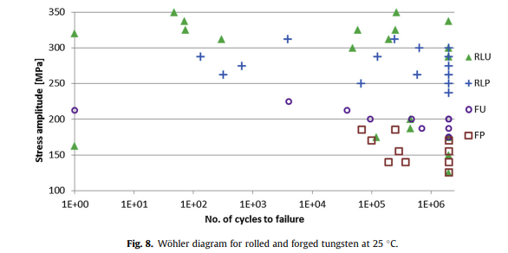
 |  |  |  |  |  |  |  |  |  |  |  |  |  |  |  |  |  |  |  |  |  | 6.2371304397 | 335.44404088
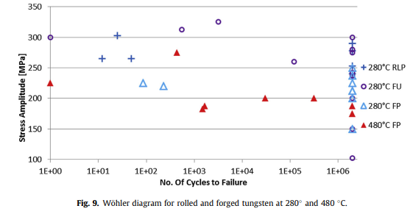
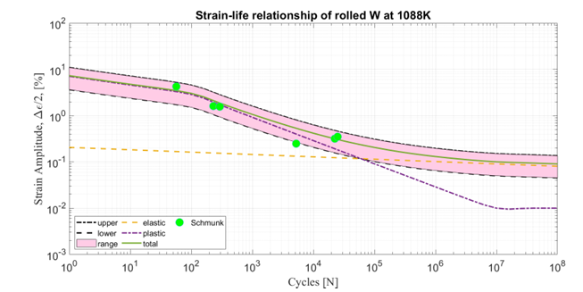
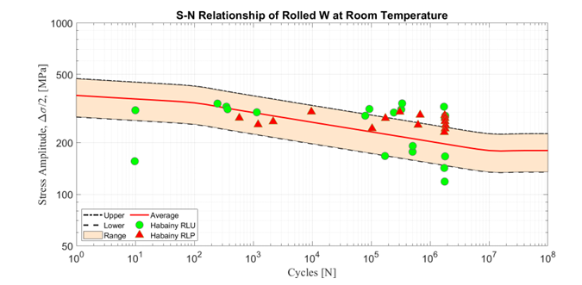

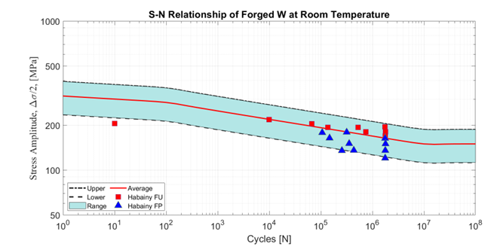
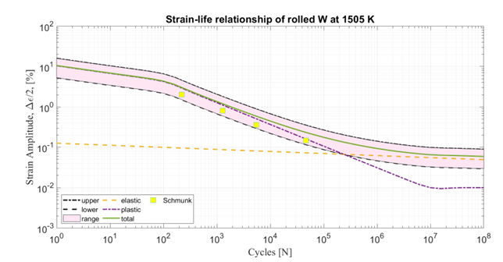
Fig 8. Habainy, Jemila, et al. "Fatigue behavior of rolled and forged tungsten at 25, 280 and 480 C." Journal of Nuclear Materials 465 (2015): 438-447. |  |  |  |  |  |  |  | Fig 9. Habainy, Jemila, et al. "Fatigue behavior of rolled and forged tungsten at 25, 280 and 480 C." Journal of Nuclear Materials 465 (2015): 438-447.

 |  |  |  |  |  |  |  |  |  |  |  |  |  |  |  | Foster1963--TENSILE PROPERTIES AND SHEET-BENDING FATIGUE PROPERTIES OF SOME REFRACTORY METALS AT ROOM TEMPERATURE.pdf |  |  |  |  |  | Habainy2015--Fatigue behavior of rolled and forged tungsten at 25, 280 and 480 C.pdf
 |  |  |  |  |  |  |  |  |  |  |  |  |  |  |  | Schmunk1981--TENSILE AND LOW-CYCLE FATIGUE MEASUeEMENTS ON CROSS-ROLLED TUNtiSTEN
 |  |  |  |  |  |  |  |  |  |  |  |  |  |  |  | Schmunk1984--TENSILE AND LOW-CYCLE FATIGUE MEASUeEMENTS ON CROSS-ROLLED TUNGSTEN AT 1505K

