Input Constraint
Back To Cover
File Name | item.sv, driver.sv

Explanation | create random RISCV instructions, which belong to extension I, M, A
 | toogle other input

 | * Extension I

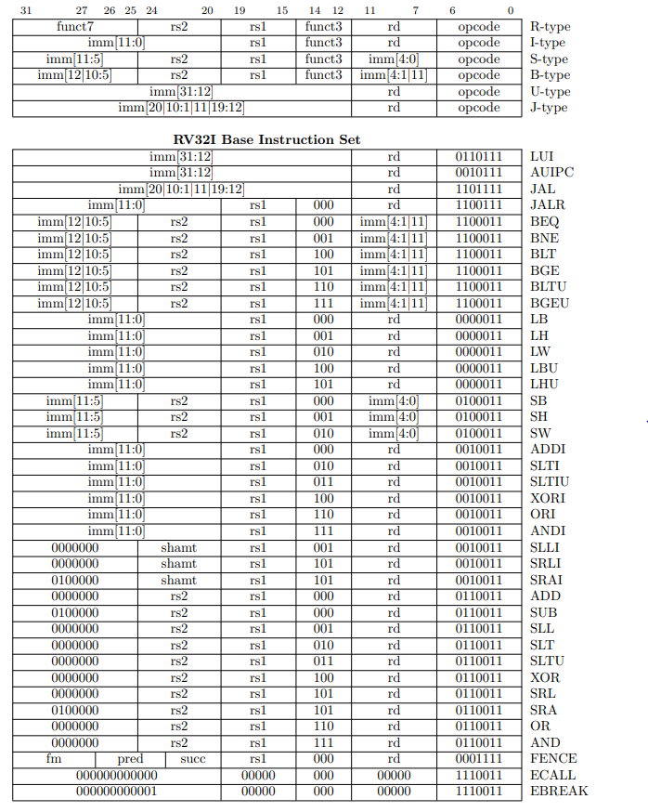
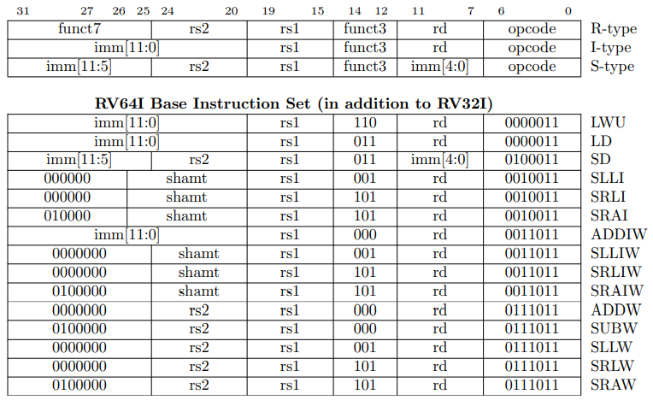

 | * Extension M
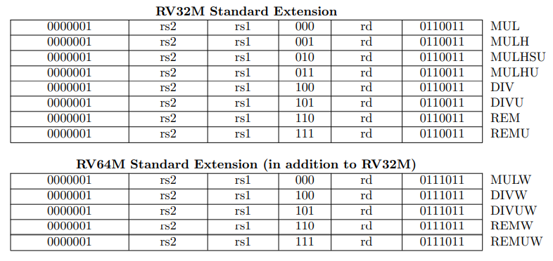

 | * Extension A
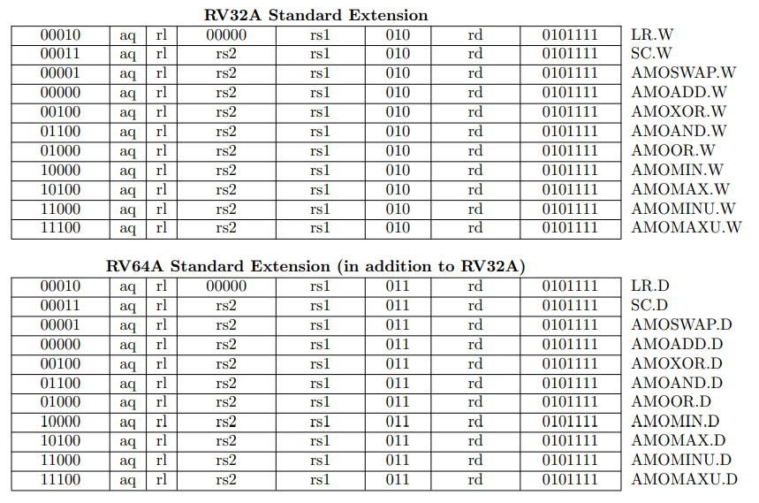

 | mapping item from driver to virtual interface

 | virtual task drive_item(item m_item);
 | @(posedge vif.clk);
 | if (m_item.extension == RV32I) begin
 | case(m_item.RV32I_type)
 | RV32I_RType: vif_cb_instr_temp = { m_item.RV32I_RType_funct7,
 | m_item.rs2,
 | m_item.rs1,
 | m_item.RV32I_RType_funct3,
 | m_item.rd,
 | m_item.RV32I_RType_opcode};
 | RV32I_IType: vif_cb_instr_temp = { m_item.RV32I_IType_imm,
 | m_item.RV32I_IType_rs1,
 | m_item.RV32I_IType_funct3,
 | m_item.RV32I_IType_rd,
 | m_item.RV32I_IType_opcode};
 | RV32I_SType: vif_cb_instr_temp = { m_item.RV32I_SType_imm[11:5],
 | m_item.rs2,
 | m_item.rs1,
 | m_item.RV32I_SType_funct3,
 | m_item.RV32I_SType_imm[4:0],
 | m_item.RV32I_SType_opcode};
 | RV32I_BType: vif_cb_instr_temp = { m_item.RV32I_BType_imm[12],
 | m_item.RV32I_BType_imm[10:5],
 | m_item.rs2,
 | m_item.rs1,
 | m_item.RV32I_BType_funct3,
 | m_item.RV32I_BType_imm[4:1],
 | m_item.RV32I_BType_imm[11],
 | m_item.RV32I_BType_opcode};
 | RV32I_UType: vif_cb_instr_temp = { m_item.RV32I_UType_imm,
 | m_item.rd,
 | m_item.RV32I_UType_opcode};
 | RV32I_JType: vif_cb_instr_temp = { m_item.RV32I_JType_imm,
 | m_item.rd,
 | m_item.RV32I_JType_opcode};
 | endcase
 | end
 | else if (m_item.extension == RV64I) begin
 | case(m_item.RV64I_type)
 | RV64I_RType: begin
 | case(m_item.RV64I_RType_types)
 | RV64I_RType_I: vif_cb_instr_temp = {m_item.RV64I_RType_funct7_I,
 | m_item.RV64I_RType_shamt_I,
 | m_item.rs1,
 | m_item.RV64I_RType_funct3,
 | m_item.rd,
 | m_item.RV64I_RType_opcode};
 | RV64I_RType_W: vif_cb_instr_temp = {m_item.RV64I_RType_funct7_W,
 | m_item.RV64I_RType_shamt_W,
 | m_item.rs1,
 | m_item.RV64I_RType_funct3,
 | m_item.rd,
 | m_item.RV64I_RType_opcode};
 | endcase
 | end
 | RV64I_IType: vif_cb_instr_temp = { m_item.RV64I_IType_imm,
 | m_item.rs1,
 | m_item.RV64I_IType_funct3,
 | m_item.rd,
 | m_item.RV64I_IType_opcode};
 | RV64I_SType: vif_cb_instr_temp = { m_item.RV64I_SType_imm[11:5],
 | m_item.rs2,
 | m_item.rs1,
 | m_item.RV64I_SType_funct3,
 | m_item.RV64I_SType_imm[4:0],
 | m_item.RV64I_SType_opcode};
 | endcase
 | end
 | else if (m_item.extension == RV32M) begin
 | vif_cb_instr_temp = { m_item.RV32M_funct7,
 | m_item.rs2,
 | m_item.rs1,
 | m_item.RV32M_funct3,
 | m_item.rd,
 | m_item.RV32M_opcode};
 | end
 | else if (m_item.extension == RV64M) begin
 | vif_cb_instr_temp = { m_item.RV64M_funct7,
 | m_item.rs2,
 | m_item.rs1,
 | m_item.RV64M_funct3,
 | m_item.rd,
 | m_item.RV64M_opcode};
 | end
 | else if (m_item.extension == RV32A) begin
 | vif_cb_instr_temp = { m_item.RV32A_funct7,
 | m_item.RV32A_aq_rl,
 | m_item.RV32A_rs2,
 | m_item.rs1,
 | m_item.RV32A_funct3,
 | m_item.rd,
 | m_item.RV32A_opcode};
 | end
 | else if (m_item.extension == RV64A) begin
 | vif_cb_instr_temp = { m_item.RV64A_funct7,
 | m_item.RV64A_aq_rl,
 | m_item.RV64A_rs2,
 | m_item.rs1,
 | m_item.RV64A_funct3,
 | m_item.rd,
 | m_item.RV64A_opcode};
 | end

 | // sending generated instruction from sequencer to virtual interface
 | vif.cb.instr <= vif_cb_instr_temp;
 | // sending other inputs to virtual interface
 | vif.cb.io_enq_uop_is_sfb <= m_item.io_enq_uop_is_sfb;
 | vif.cb.io_interrupt_cause <= m_item.io_interrupt_cause;
 | vif.cb.io_interrupt <= 1'b0;//m_item.io_interrupt;
 | vif.cb.io_csr_decode_fp_illegal <= 1'b0;//m_item.io_csr_decode_fp_illegal;
 | vif.cb.io_csr_decode_read_illegal <= 1'b0;//m_item.io_csr_decode_read_illegal;
 | vif.cb.io_csr_decode_write_illegal <= 1'b0;//m_item.io_csr_decode_write_illegal;
 | vif.cb.io_csr_decode_write_flush <= 1'b0;//m_item.io_csr_decode_write_flush;
 | vif.cb.io_csr_decode_system_illegal <= 1'b0;//m_item.io_csr_decode_system_illegal;
 | vif.cb.io_enq_uop_xcpt_pf_if <= 1'b0;//m_item.io_enq_uop_xcpt_pf_if;
 | vif.cb.io_enq_uop_xcpt_ae_if <= 1'b0;//m_item.io_enq_uop_xcpt_ae_if;
 | vif.cb.io_enq_uop_bp_debug_if <= 1'b0;//m_item.io_enq_uop_bp_debug_if;
 | vif.cb.io_enq_uop_bp_xcpt_if <= 1'b0;//m_item.io_enq_uop_bp_xcpt_if;
 | vif.cb.true_random_instr <= m_item.true_random_instr;

