richness
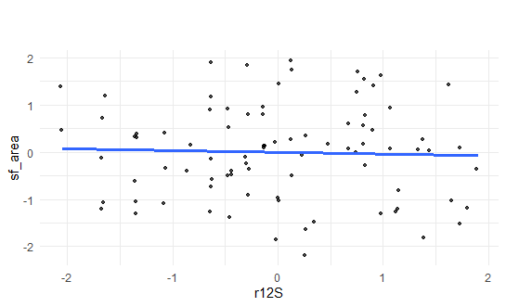
variables | estimates | errors
Successional age | 0.285 | 0.103
Canopy closure | 0.396 | 0.105
Canopy closure:Planted PCoA 2 | 0.488 | 0.133
Dry tailings:Old-growth forest area | 0.43 | 0.199
Dry tailings:Planted PCoA 2 | -0.626 | 0.173
Washing plant:Old-growth forest area | 0.454 | 0.191
Soil2(pH&clay axis):Planted richness | 0.426 | 0.106

