Statistics
UNIT TEST REPORT

Project Name | Automated Essay Scoring System |  | Creator |  | GiangPTH
Project Code | AESS |  | Reviewer/Approver
Document Code | AESS_Test Report_v1.0 |  | Issue Date |  | 2025-03-24
Notes

No | Function code | Passed | Failed | Untested | N | A | B | Total Test Cases
1 | Function1 | 3 | 0 | 3 | 2 | 1 | 0 | 3
2 | Function2 | 9 | 0 | 0 | 1 | 8 | 0 | 9
3 | Function3 | 7 | 0 | 0 | 1 | 6 | 0 | 7
4 | Function4 | 8 | 0 | 0 | 1 | 7 | 0 | 8
5 | Function5 | 10 | 0 | 0 | 3 | 4 | 3 | 10
6 | Function6 | 0 | 0 | 5 | 0 | 4 | 1 | 5
7 | Function7 | 9 | 0 | 9 | 4 | 4 | 1 | 9
8 | Function8 | 4 | 0 | 0 | 2 | 2 | 0 | 4
9 | Function9 | 4 | 0 | 0 | 1 | 3 | 0 | 4
10 | Function10
 | Sub total | 54 | 0 | 17 | 15 | 39 | 5 | 59

 | Test coverage |  | 91.53 | %
 | Test successful coverage |  | 91.53 | %
 | Normal case |  | 25.42 | %
 | Abnormal case |  | 66.10 | %
 | Boundary case |  | 8.47 | %

Passed Percent
Test Type

GetComplainByStudentId
Function Code |  | 9 |  | Function Name |  |  |  | GetComplainByStudentId
Created By |  |  |  | Executed By |  |  |  | GiangPTH
Lines of code |  | 18 |  | Lack of test cases |  |  |  | -3.2
Test requirement
Passed |  | Failed |  | Untested |  |  |  | N/A/B |  |  | Total Test Cases
5 |  | 0 |  | 0 |  |  |  | 2 | 3 | 0 | 5

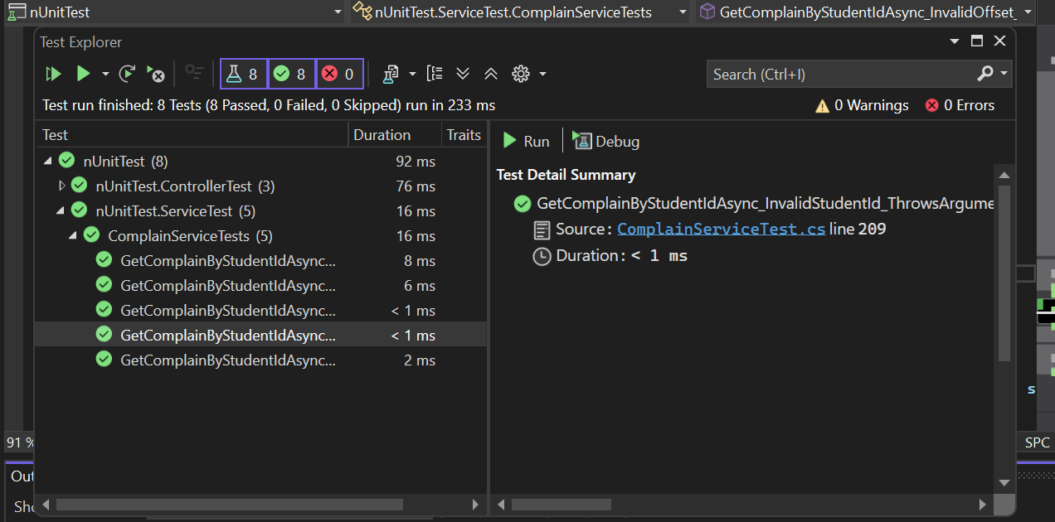
 |  |  |  | UTCID02 | UTCID03 | UTCID04 | UTCID05
Condition | Precondition
 |  |  | Can connect with server | O | O | O | O
 |  |  | Login with role teacher | O | O | O | O

 | DataInput
 |  | studentId | 1 |  | O | O | O
 |  |  | 0(studentId doesn't exsit) | O
 |  | offset | 0 | O |  | O | O
 |  |  | -1 |  | O
 |  | limit | 10 | O | O |  | O
 |  |  | -1 |  |  | O
 |  | direction | asc | O | O | O
 |  |  | desc |  |  |  | O
 |  | sortBy | Id | O | O | O | O

Confirm | Return |  | List complain |  |  |  | O
 |  |  | Exception | O | O | O

 | Exception
 |  |  | ArgumentException | O | O | O
 | Log message
 |  |  | "Complains retrieved successfully." |  |  |  | O
 |  |  | "Invalid StudentId provided." | O
 |  |  | "Offset is invalid" |  | O
 |  |  | "Limit is invalid" |  |  | O
Result | Type(N : Normal, A : Abnormal, B : Boundary) |  |  | A | A | A | N
 | Passed/Failed |  |  | P | P | P | P
 | Executed Date |  |  | 20/03/2025 | 20/03/2025 | 20/03/2025 | 20/03/2025
 | Defect ID

AddEssayAssignedByTeacherAsync
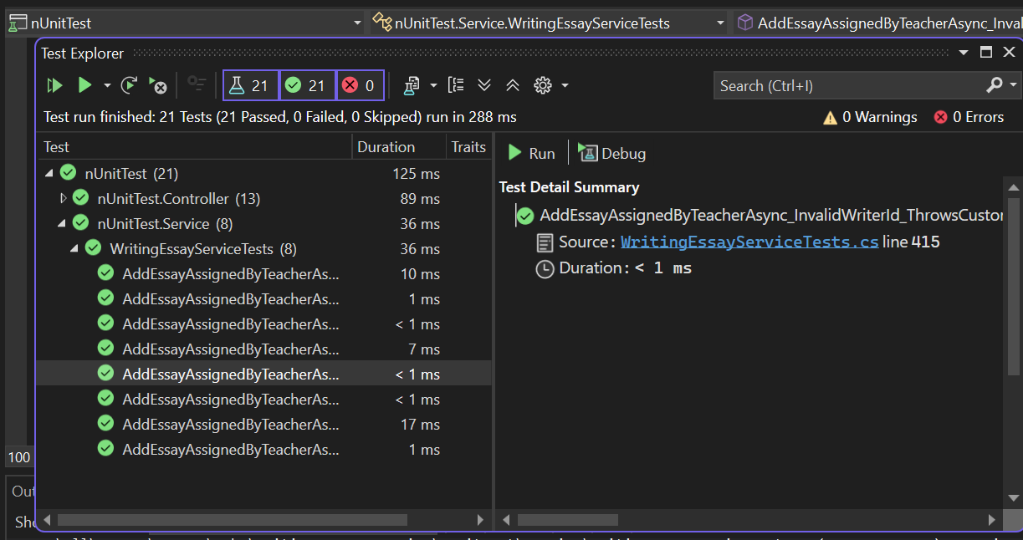
Function Code |  | Function4 |  | Function Name |  |  |  |  |  | AddEssayAssignedByTeacherAsync
Created By |  | DungHA |  | Executed By |  |  |  |  |  | GiangPTH
Lines of code |  | 151 |  | Lack of test cases |  |  |  |  |  | -6.49
Test requirement
Passed |  | Failed |  | Untested |  |  |  |  |  | N/A/B |  |  | Total Test Cases
8 |  | 0 |  | 0 |  |  |  |  |  | 1 | 7 | 0 | 8

 |  |  |  | UTCID02 | UTCID03 | UTCID04 | UTCID05 | UTCID06 | UTCID07 | UTCID08
Condition | Precondition
 |  |  | Can connect with server | O | O | O | O | O | O | O
 |  |  | Login with role teacher | O | O | O | O | O | O | O

 | AddEssayAssignedByTeacherRequestDTO
 |  | ClassId | 1 | O | O | O | O | O | O | O
 |  |  | 0(classId does not exist)
 |  | WritingEssayTaskId | 1 |  | O | O | O | O | O | O
 |  |  | 0(Writing Essay Task Id does not exist) | O
 |  | WriterId | 1 |  |  | O | O | O | O | O
 |  |  | 0(WriterId doesn't exsit) |  | O
 |  | WrittenContext | "Sample essay content" | O | O | O |  | O | O | O
 |  |  | "" or null |  |  |  | O
 |  | WrittenDate | "18/11/2025" | O | O |  | O | O | O | O
 |  |  | "18/04/2025"
 |  |  | "25-03-2025" or"30/02/2025" |  |  | O
 |  | TimeDate | DurationTimeRemainingInSeconds > WrittenTimeInSecond |  |  |  |  |  |  | O
 |  |  | DurationTimeRemainingInSeconds < WrittenTimeInSecond | O | O | O | O | O | O
 |  | SaveData | Success |  |  |  |  |  | O
 |  |  | Failed | O | O | O | O | O |  | O
 | TeacherNotAssigned
 |  | TeacherTaskAssigment | not null | O | O | O | O |  | O | O
 |  |  | null |  |  |  |  | O

Confirm | Return
 |  |  | WritingPaperResponseDTO |  |  |  |  |  | O
 |  |  | Exception | O | O | O | O | O |  | O
 | Exception
 |  |  | CustomException | O | O | O | O | O |  | O
 | Log message |  | "Essay added successfully" |  |  |  |  |  | O
 |  |  | "Invalid class id"
 |  |  | "Content can't be null or empty"" |  |  |  | O
 |  |  | "Invalid worbook essay task id" | O
 |  |  | "Invalid writer id" |  | O
 |  |  | "Invalid date format" |  |  | O
 |  |  | "Invalid time date" |  |  |  |  |  |  | O
 |  |  | "Teacher not assigned" |  |  |  |  | O

Result | Type(N : Normal, A : Abnormal, B : Boundary) |  |  | A | A | A | A | A | N | A
 | Passed/Failed |  |  | P | P | P | P | P | P | P
 | Executed Date |  |  | 20/03/2025 | 20/03/2025 | 20/03/2025 | 20/03/2025 | 20/03/2025 | 20/03/2025 | 20/03/2025
 | Defect ID

