Authenticate
Feature | Authentication
Number of TCs | 18
Testing Round | Passed | Failed | Pending | N/A
Round 1 | 15 | 1 | 0 | 0
Round 2 | 15 | 1 | 0 | 0
Round 3 | 15 | 1 | 0 | 0

Test Case ID | Test Case Description | Test Case Procedure | Expected Results | Pre-conditions | Round 1 | Test date | Tester | Round 2 | Test date | Tester | Round 3 | Test date | Tester | Image
Register
[Authent - 1] | Test registration with valid input : - First Name - Last Name - Email - Password - Confirm Password | 1. Enter https://aes-system.io.vn/ to go to website Location in the right corner of the screen: 2.Guest user clicks on the "Login" button 3. Guest user clicks on link "Don't have an account? Register" 4. Website displays the registration form. 5. Guest user enter the following valid information: - First Name: Huong - Last Name: Giang - Email: giangpth4@gmail.com - Password: Giang61124 - Confirm Password: Giang61124 6. Click "Register" button 7.Redirect to "Send OTP" screen , enter OTP | - User is successfully registered, redirected to the login page, and user details are stored in the database. -If the user fails to register, a message stating registration failed will appear. | Server must be work Guest user is not logged in and wants to create an account. | Failed | 2025-03-20 | GiangPTH | Failed | 2025-03-21 | GiangPTH | Failed | 2025-03-22 | GiangPTH | 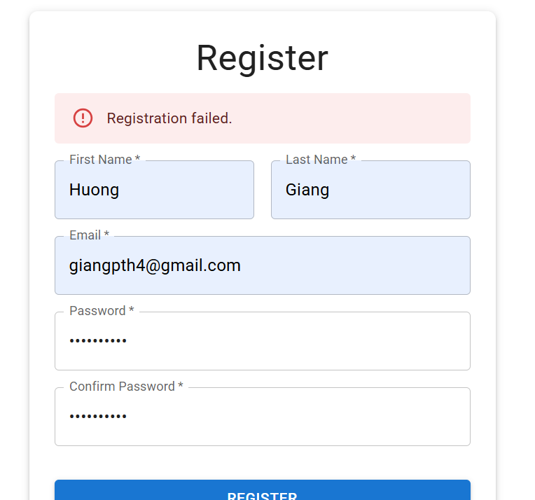
[Authent - 2] | Test registration with invalid email format - First Name - Last Name - Email - Password - Confirm Password | 1. Enter https://aes-system.io.vn/ to go to website Location in the right corner of the screen: 2.Guest user clicks on the "Login" button 3. Guest user clicks on link "Don't have an account? Register" 4. Website displays the registration form. 5. Guest user enter invalid email form (e.g., giangpth4.com). 6. Click "Register" button 7. Website displays an error message for invaild email format 8. Guest user corrects the mail format and resubmits the form. | Guest user is not logged in and wants to create an account. | Server must be work Guest user is not logged in and wants to create an account. | Passed | 2025-03-20 | GiangPTH | Passed | 2025-03-21 | GiangPTH | Passed | 2025-03-22 | GiangPTH | 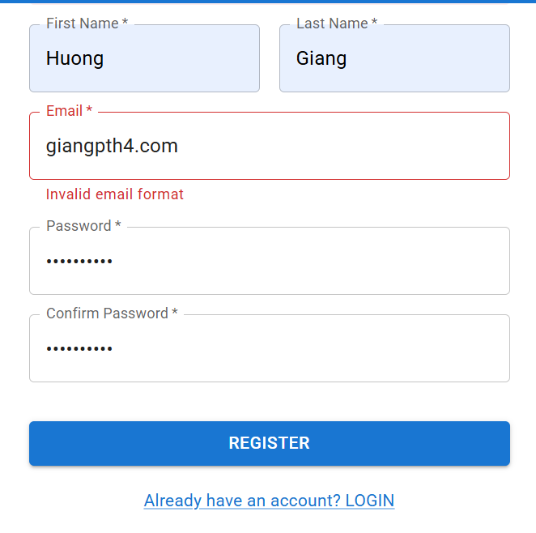
[Authent - 3] | Test registration with empty required fields - First Name - Last Name - Email - Password - Confirm Password | 1. Enter https://aes-system.io.vn/ to go to website Location in the right corner of the screen: 2.Guest user clicks on the "Login" button 3. Guest user clicks on link "Don't have an account? Register" 4. Website displays the registration form. 5. Guest user leaves - First Name: empty - Last Name: empty - Email: empty - Password: empty - Confirm Password: empty 6. Click "Register" button 7. Website displays an error message for invaild email format 8. Guest user corrects the mail format and resubmits the form. | System displays an error message for the empty fields and prevents registration until corrected. | Server must be work Guest user is not logged in and wants to create an account. | Passed | 2025-03-20 | GiangPTH | Passed | 2025-03-21 | GiangPTH | Passed | 2025-03-22 | GiangPTH | 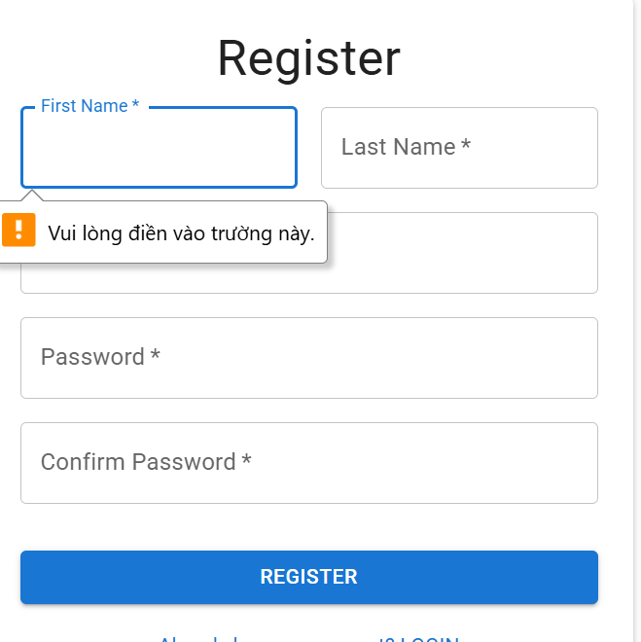
[Authent - 4] | Test registration with password must be shorter than 6 characters, no uppercase letters | 1. Enter https://aes-system.io.vn/ to go to website Location in the right corner of the screen: 2.Guest user clicks on the "Login" button 3. Guest user clicks on link "Don't have an account? Register" 4. Website displays the registration form. 5. 3. Guest user enters a Password shorter than 8 characters (e.g., pass12). 6. Click "Register" button 7. Website displays an error message indicating "Password must be at least 6 characters, including one uppercase letter and one lowercase letter' 8. Guest user corrects the Password and resubmits the form. | Displays an error message indicating "Password must be at least 6 characters, including one uppercase letter and one lowercase letter' | 1.Server must be work 2..Account must be in system | Passed | 2025-03-20 | GiangPTH | Passed | 2025-03-21 | GiangPTH | Passed | 2025-03-22 | GiangPTH | 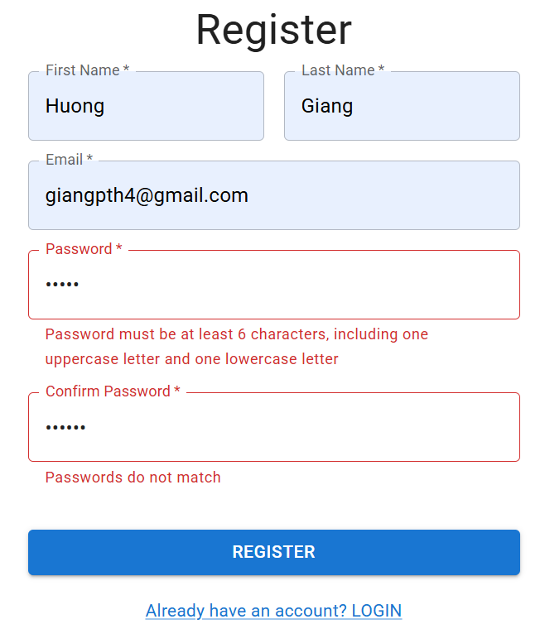
Login by account
[Authent - 5] | View "Login" form | 1. Enter "https://aes-system.io.vn/" to go to website | Location in the right corner of the screen: - Click on "Login" button - Show "Login" view form | 1.Server must be work 2..Account must be in system | Passed | 2025-03-20 | GiangPTH | Passed | 2025-03-21 | GiangPTH | Passed | 2025-03-22 | GiangPTH | 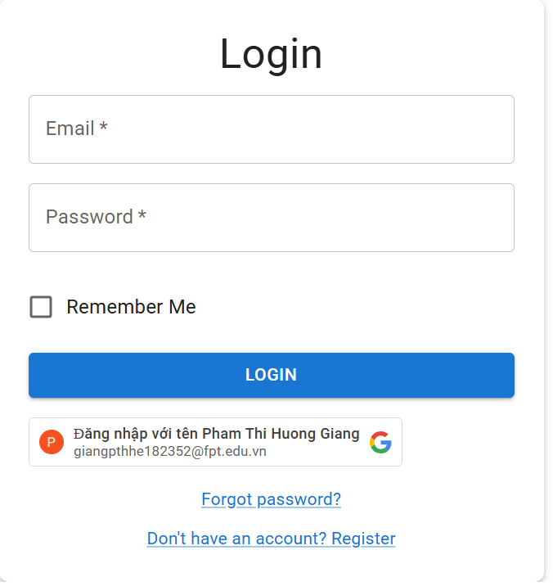
[Authent - 6] | Check if the user can successfully log in with a valid email and password. | 1. Enter "https://aes-system.io.vn//" to go to website 2. "Location in the right corner of the screen: - Click on "Login" button 3.Fill in information including: - Email: giangpthhe182352@gmail.com - Password: Giang6112004 4. Click "Login" button | System displays message "Login successfully!" | 1.Server must be work 2..Account must be in system | Passed | 2025-03-20 | GiangPTH | Passed | 2025-03-21 | GiangPTH | Passed | 2025-03-22 | GiangPTH | 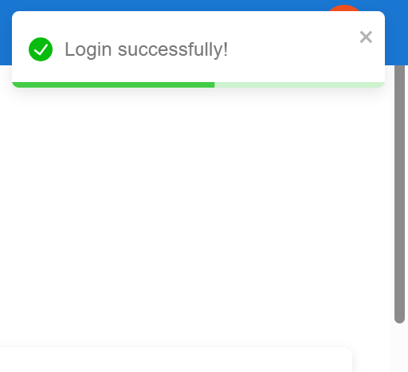
[Authent - 7] | Check if the website handles an incorrect password. | 1. Enter "https://aes-system.io.vn/" to go to website 2. "Location in the right corner of the screen: - Click on "Login" button 3.Fill in information including: - Email: giangpthhe182352@fpt.edu.vn - Password: ngocanh080217 4. Click "Login" button | System displays an error message "Login failed: Erorr: Email or password is incorrect!". | 1.Server must be work 2..Account must be in system | Passed | 2025-03-20 | GiangPTH | Passed | 2025-03-21 | GiangPTH | Passed | 2025-03-22 | GiangPTH | 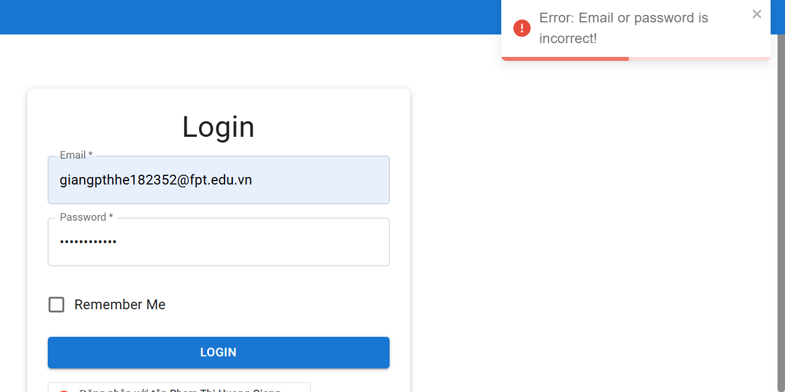
[Authent - 8] | Check if the website handles an unregistered email address. | 1. Enter "https://aes-system.io.vn/" to go to website 2. "Location in the right corner of the screen: - Click on "Login" button 3.Enter an unregistered email address (not linked to any account) - Email: nanhnanh1507@gmail.com - Password: Giang6112004. 4. Enter any password. 5. Click "Login" button | Displays an error message indicating "Login failed: Error: Email not found: nanhnanh07@gmail.com | 1.Server must be work 2..Account must be in system | Passed | 2025-03-20 | GiangPTH | Passed | 2025-03-21 | GiangPTH | Passed | 2025-03-22 | GiangPTH | 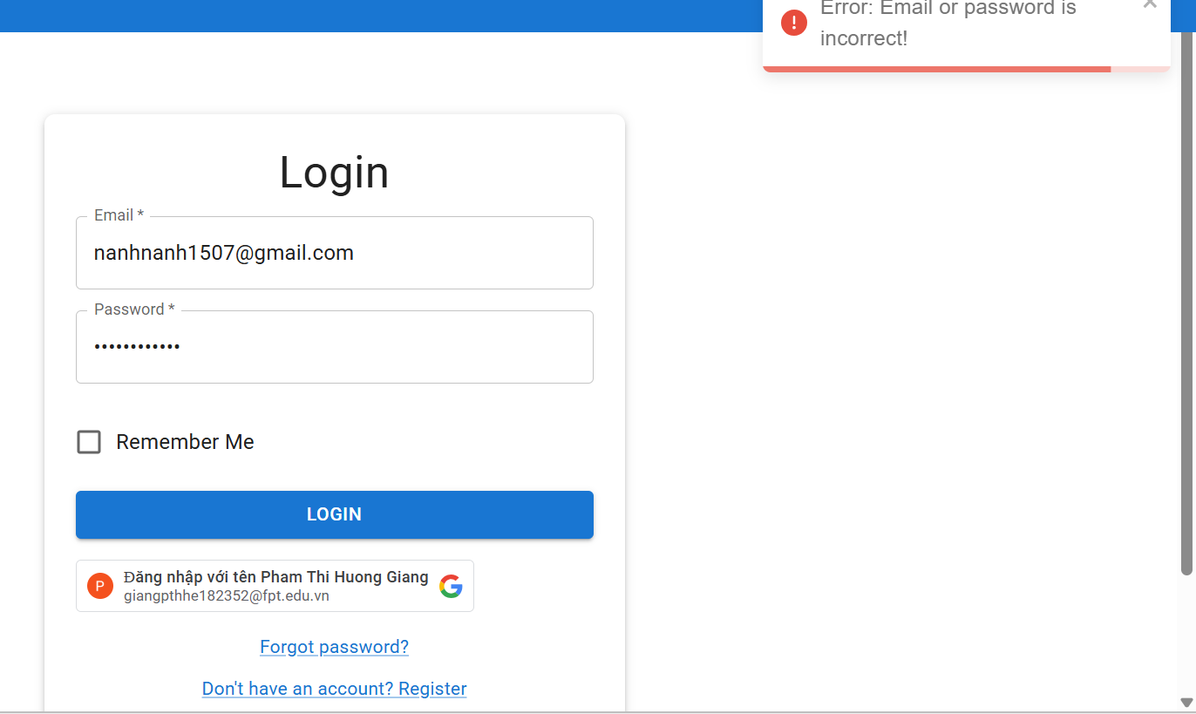
Login by google
[Authent - 9] | Check if the user can successfully log in using a valid Google account. | 1. Enter "https://aes-system.io.vn/" to go to website 2. "Location in the right corner of the screen: - Click on "Login" button 3. Click on the "Login with Google" button. 4. The system redirects to Google’s login page. 5. Enter a valid Google account email and password. 6. Click the "Sign In" button on Google’s login page. 7. The system redirects back to the application, showing the user's dashboard or homepage | The user is logged in successfully and sees their dashboard | 1.Server must be work 2..Account must be in system | Passed | 2025-03-20 | GiangPTH | Passed | 2025-03-21 | GiangPTH | Passed | 2025-03-22 | GiangPTH
[Authent - 10] | Check if the system handles invalid Google credentials. | 1. Enter "https://aes-system.io.vn/" to go to website 2. "Location in the right corner of the screen: - Click on "Login" button 3. Click on the "Login with Google" button. 4. The system redirects to Google’s login page. 5. Enter an incorrect Google email or password. 6. Click the "Sign In" button. | Google displays an error message stating that the email or password is incorrect, and the user remains on Google’s login page. | 1.Server must be work 2..Account must be in system | Passed | 2025-03-20 | GiangPTH | Passed | 2025-03-21 | GiangPTH | Passed | 2025-03-22 | GiangPTH | 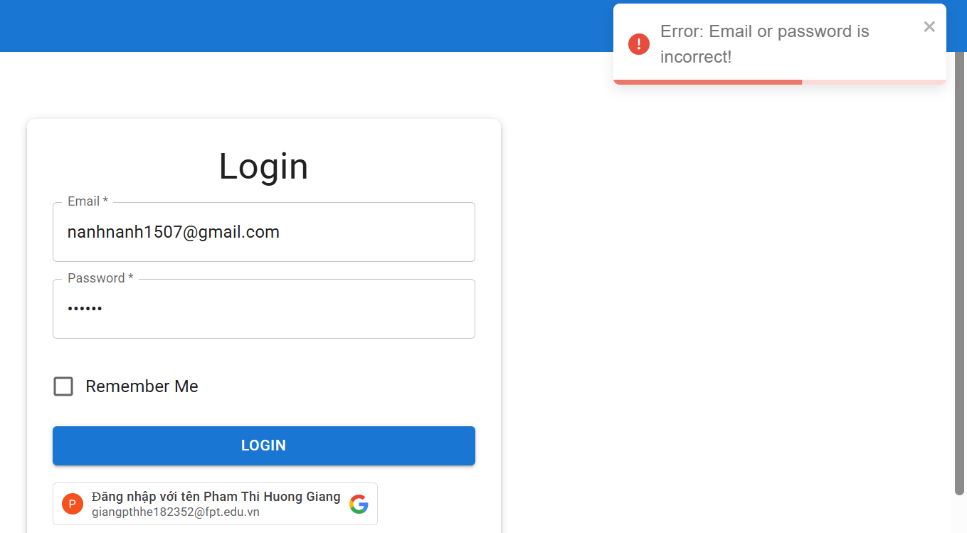
Login by google
[Authent - 12] | Check if the user can successfully log in using a valid Google account. | 1. Enter "https://aes-system.io.vn/" to go to website 2. "Location in the right corner of the screen: - Click on "Login" button 3. Click on the "Login with Google" button. 4. The system redirects to Google’s login page. 5. Enter a valid Google account email and password. 6. Click the "Sign In" button on Google’s login page. 7. The system redirects back to the application, showing the user's dashboard or homepage | The user is logged in successfully and sees their dashboard | 1.Server must be work 2..Account must be in system | Passed | 2025-03-20 | GiangPTH | Passed | 2025-03-21 | GiangPTH | Passed | 2025-03-22 | GiangPTH
[Authent - 13] | Check if the system handles invalid Google credentials. | 1. Enter "https://aes-system.io.vn/" to go to website 2. "Location in the right corner of the screen: - Click on "Login" button 3. Click on the "Login with Google" button. 4. The system redirects to Google’s login page. 5. Enter an incorrect Google email or password. 6. Click the "Sign In" button. | Google displays an error message stating that the email or password is incorrect, and the user remains on Google’s login page. | 1.Server must be work 2..Account must be in system | Passed | 2025-03-20 | GiangPTH | Passed | 2025-03-21 | GiangPTH | Passed | 2025-03-22 | GiangPTH | 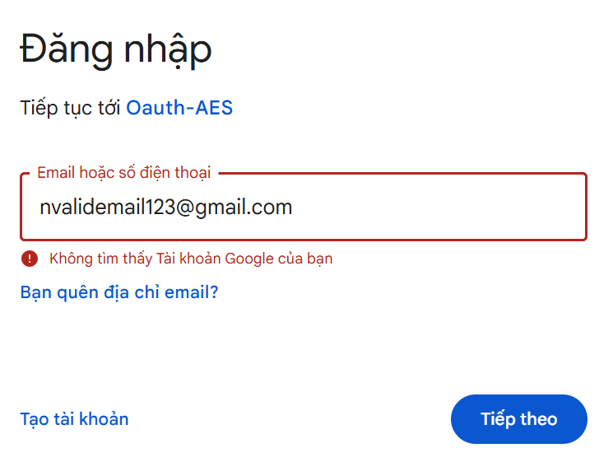 | 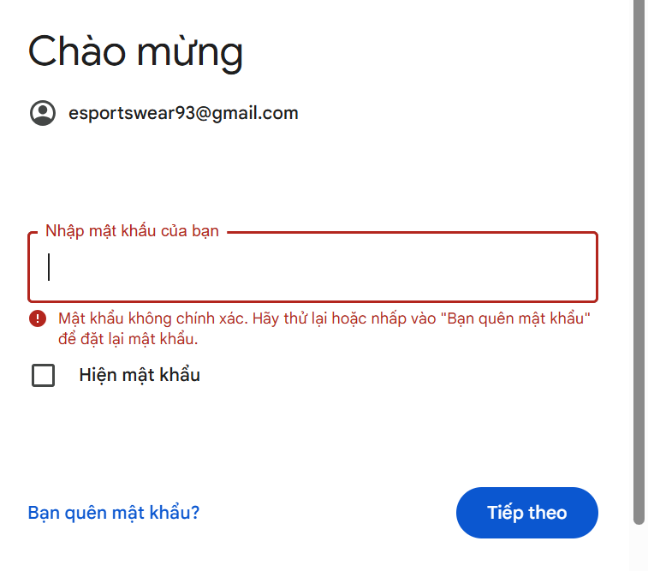
[Authent - 14] | Verify system handling of expired Google login session | 1. Enter "https://aes-system.io.vn/" to go to website 2. "Location in the right corner of the screen: - Click on "Login" button 3. Click on the "Login with Google" button. 4. The system redirects to Google’s login page. 5. Enter an incorrect Google email or password. 6. Wait until the Google session expires. 7. Click the "Sign In" button. | The system redirects the user to the login page, requiring them to reauthenticate via Google. | 1.Server must be work 2..Account must be in system | Passed | 2025-03-20 | GiangPTH | Passed | 2025-03-21 | GiangPTH | Passed | 2025-03-22 | GiangPTH | Không có ảnh
Forgot Password
[Authent - 15] | Verify if the user can request a password reset by entering a valid registered email address. | 1. Enter "https://aes-system.io.vn/" to go to website Location in the right corner of the screen: 2.Guest user clicks on the "Login" button 3. Guest user clicks on link "Forgot password" 4. The system displays a form asking the user to enter their registered email address 5. The user enters their email address and clicks the "Submit" button. 6.The system sends a OTP reset email containing a link to the user's registered email address 7. Redirect to "Send OTP" screen 8.The user opens the email and receives the OTP 9. The user input OTP , click on "Confirm OTP" button. 10. Website displays the Chang Password form. 11. Click on ""Save" button | System displays message "Your password has been reset successfully!" | 1.Server must be work 2..Account must be in system | Passed | 2025-03-20 | GiangPTH | Passed | 2025-03-21 | GiangPTH | Passed | 2025-03-22 | GiangPTH
[Authent - 16] | Enter non-existent email | 1. Enter "https://aes-system.io.vn/" to go to website Location in the right corner of the screen: 2.Guest user clicks on the "Login" button 3. Guest user clicks on link "Forgot password" 4. User enters an email that is not registered in the system (e.g., nanhnanh07@gmail.com). 5.Clicks the "Submit" button. | Displays an error message indicating "Login failed: Error: Email not found: nanhnanh07@gmail.com | 1.Server must be work 2..Account must be in system | Passed | 2025-03-20 | GiangPTH | Passed | 2025-03-21 | GiangPTH | Passed | 2025-03-22 | GiangPTH | 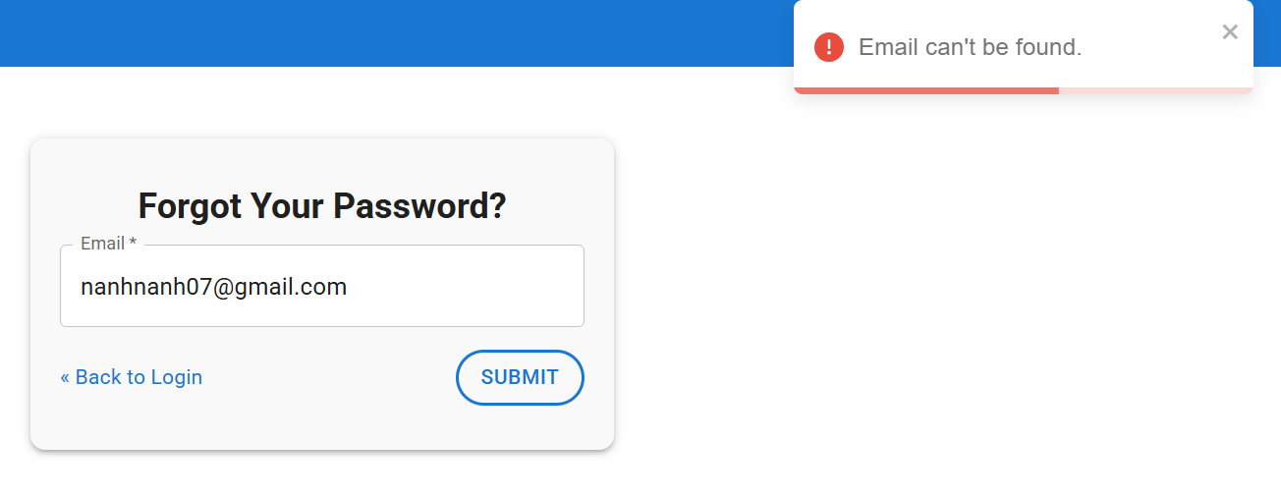
Forgot Password
[Authent - 17] | Check if the user can successfully log out from the website. | 1. Enter "https://aes-system.io.vn/" to go to website 2. Guest user login with system. 3.Click the avatar icon in top-right of website. 4. Click "Logout" button | 1.User is logged out and redirected login page. No user-specific data is accessible until the user logs in again. 2. Show messeage "Logout successfully!" | 1.Server must be work 2..Account must be in system | Passed | 2025-03-20 | GiangPTH | Passed | 2025-03-21 | GiangPTH | Passed | 2025-03-22 | GiangPTH

Main flow of Student Managemen
Feature | Main flow of Student Management
Test requirement | Perform the functionalities of role Examiner
Number of TCs | 34
Testing Round | Passed | Failed | Pending | N/A
Round 1 | 30 | 4 | 0 | 0
Round 2 | 34 | 0 | 0 | 0
Round 3 | 34 | 0 | 0 | 0

Test Case ID | Test Case Description | Test Case Procedure | Expected Results | Pre-conditions | Round 1 | Test date | Tester | Round 2 | Test date | Tester | Round 3 | Test date | Tester | Image
View Dashboard
[Student - 1] | A logged-in user successfully logs out of the system. | 1. Log in to the system with valid credentials. 2. Click on the Logout button. 3. Verify that the user is redirected to the Login page. | User is redirected to the Login page. | The user must be logged in to the system. | Passed | 2025-03-16 | QuynhDT | Passed | 2025-03-20 | QuynhDT | Passed | 2025-03-22 | QuynhDT | 
[Student - 2] | Verify that the user can successfully update their profile details. | 1. Update valid fields (e.g., name, phone number, profile picture). 2. Click Save Changes. | 1. Success message: "Profile updated successfully!" 2. The new information is displayed on the Profile page. | User is logged in and navigates to the Edit Profile page. | Passed | 2025-03-16 | QuynhDT | Passed | 2025-03-20 | QuynhDT | Passed | 2025-03-22 | QuynhDT | 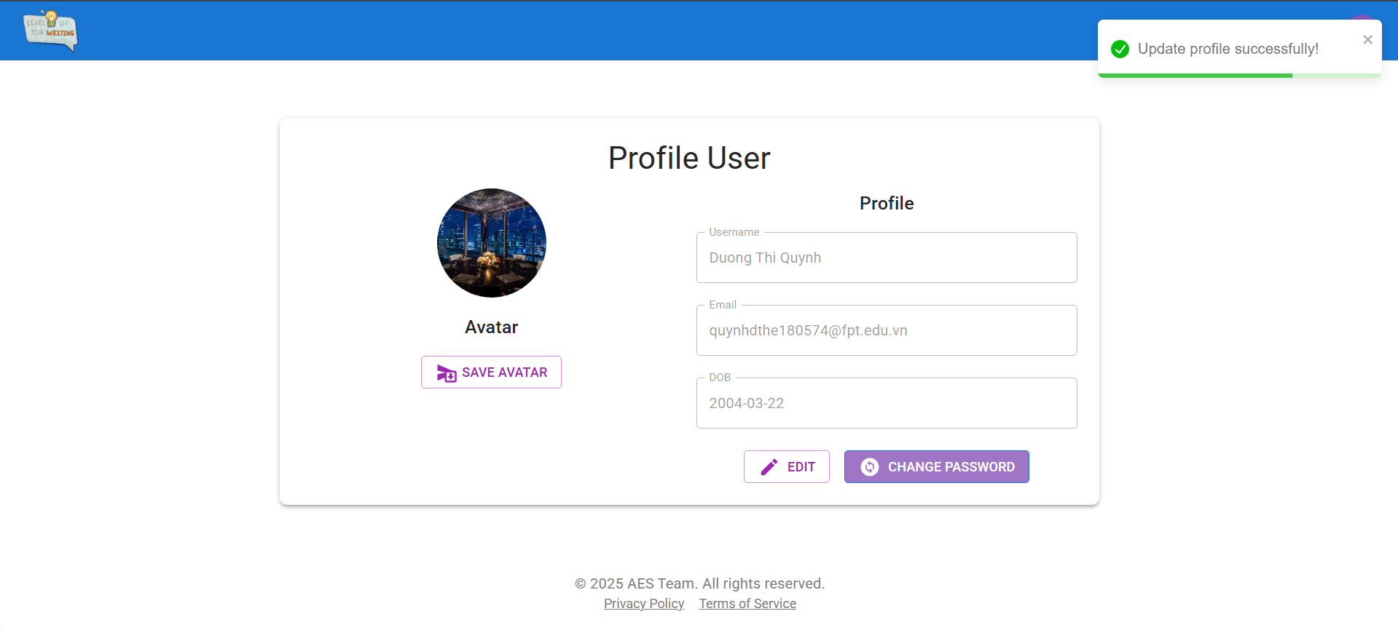
[Student - 3] | Ensure that the system prevents users from uploading an invalid file type for the profile picture. | 1. Click Upload Profile Picture. 2. Select an invalid file type (e.g., .exe, .pdf, .txt). 3. Click Save Changes. | Error message: "Invalid file format. Please upload a .jpg or .png image." | User is logged in and on the Edit Profile page. | Passed | 2025-03-16 | QuynhDT | Passed | 2025-03-20 | QuynhDT | Passed | 2025-03-22 | QuynhDT | 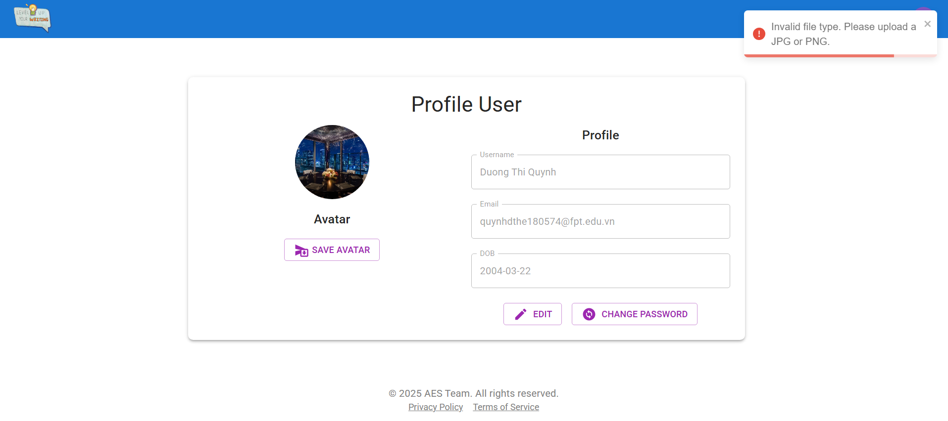
[Student - 4] | Verify that a user can successfully change their password. | 1. Enter a new valid password. 2. Confirm the new password. 3. Click Save Changes. | Success message: "Password updated successfully." | User is logged in and on the Change Password page. | Passed | 2025-03-16 | QuynhDT | Passed | 2025-03-20 | QuynhDT | Passed | 2025-03-22 | QuynhDT | 
[Student - 6] | Verify Display of Writing Statistics | 1. Enter "https://aes-system.io.vn/"to go to website 2. Login in the system with student role 3.Click "Dashboard" on the left menu. 4. View the "Student Dashboard" section. 5. Observe the displayed statistics.. | The system displays the total numbers for "Submitted," "Saved Drafts," "Graded," and "Ungraded," along with two charts: "Weekly Writing Performance" and "Submission." |  | Passed | 2025-03-16 | QuynhDT | Passed | 2025-03-20 | QuynhDT | Passed | 2025-03-22 | QuynhDT | 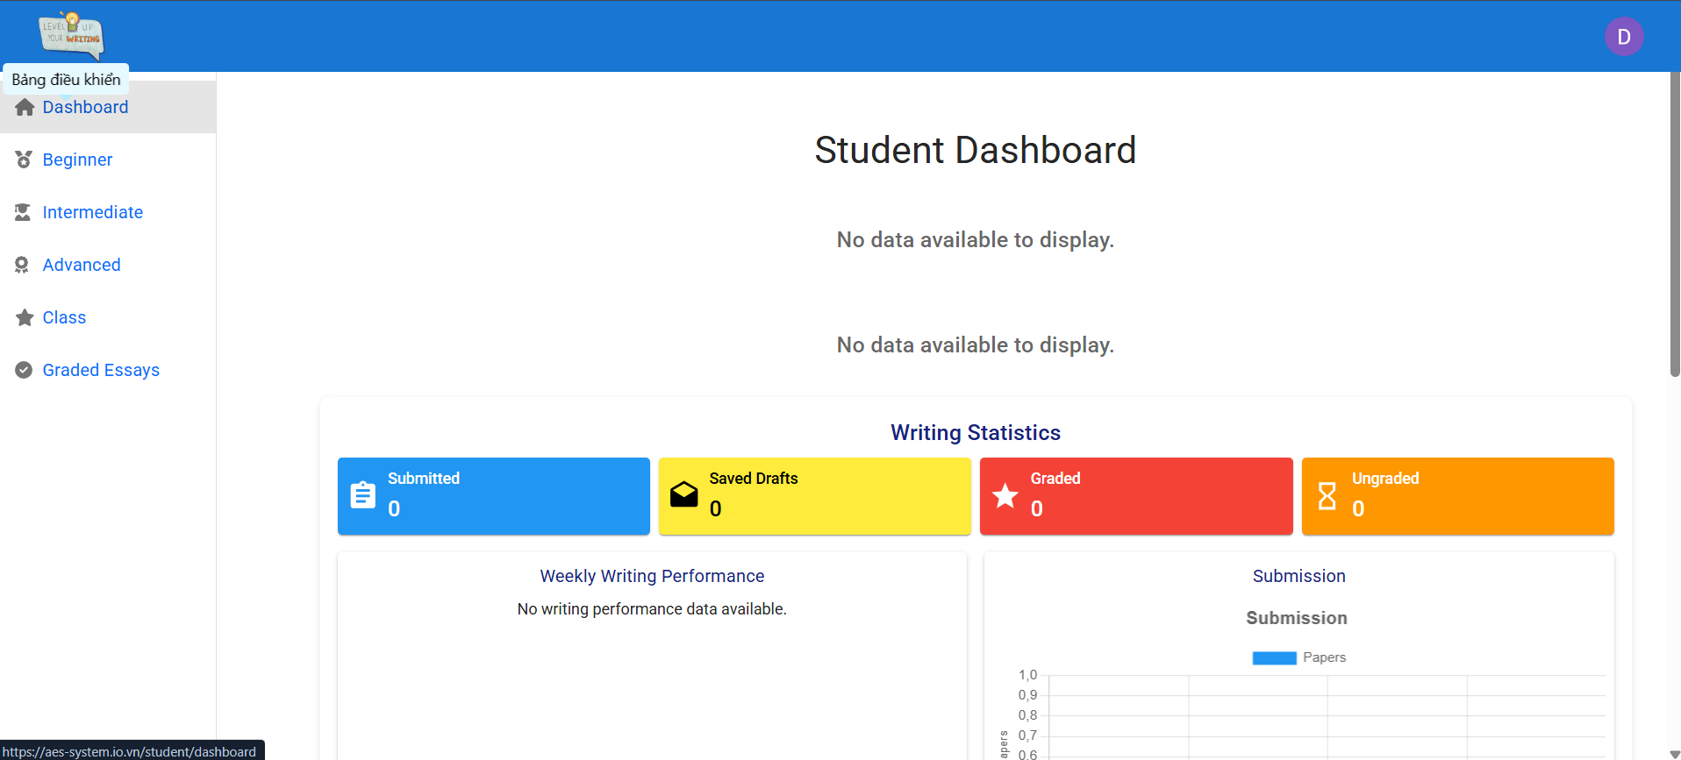
Essay Task
[Student - 7] | View Essay Task for beginner | 1. Enter "https://aes-system.io.vn/" to go to website 2. Login with role student 3. User go to "Beginner" screen in side bar. 4. The system displays the filtered list of tasks, including: - Task Name - Word limit - Duration - Task Description - Status (Not Started, Save draft, Completed) 5.The student selects a task to view more details | System display "View Essay Task"for beginner page |  | Passed | 2025-03-16 | QuynhDT | Passed | 2025-03-20 | QuynhDT | Passed | 2025-03-22 | QuynhDT
[Student - 8] | View Essay Task for Intermediate | 1. Enter "https://aes-system.io.vn/" to go to website 2. Login with role student 3. User go to "Intermediate" screen in side bar 4. The system displays the filtered list of tasks, including: - Task Id - Task Name - Word limit - Duration - Task Description - Status (Not Started, Save draft, Completed) 5.The student selects a task to view more details | System display "View Essay Task" for Intermediate page | 1. Server must be work 2. User has logged in as a account before. | Passed | 2025-03-16 | QuynhDT | Passed | 2025-03-20 | QuynhDT | Passed | 2025-03-22 | QuynhDT
[Student - 9] | View Essay Task for Advanced | 1. Enter "https://aes-system.io.vn/" to go to website 2. Login with role student 3. User go to "Advance" screen in side bar. 4. The system displays the filtered list of tasks, including: - Task Id - Task Name - Word limit - Time limit - Task Description - Status (Not Started, Save draft, Completed) 5.The student selects a task to view more details | System display "View Essay Task" for Advanced page | 1. Server must be work 2. User has logged in as a account before. | Passed | 2025-03-16 | QuynhDT | Passed | 2025-03-20 | QuynhDT | Passed | 2025-03-22 | QuynhDT
Writing Essay Task
[Student - 10] | Test Writing Essay successfully | 1. Enter "https://aes-system.io.vn/" to go to website 2. Login in the system with student role 3. Select task on Beginner, Intermediate, Advance tab in the left menu 4. In the middle of the screen will appear Time Reaminng and heart 5. There will be a box to write the assignment 6. Click on the Submit button 7. In the right corner will appear the topic | Show messeage"Essay submitted successfully!" |  | Passed | 2025-03-16 | QuynhDT | Passed | 2025-03-20 | QuynhDT | Passed | 2025-03-22 | QuynhDT
[Student - 11] | Test Writing Essay save draft | 1. Enter "https://aes-system.io.vn/" to go to website 2. Login in the system with student role 3. Select task on Beginner, Intermediate, Advance tab in the left menu. 4. In the middle of the screen will appear Time Reaminng and heart 5. There will be a box to write the assignment 6. Click on the Save Draft 7. In the right corner will appear the topic | Show messeage"Draft saved successfully!" |  | Passed | 2025-03-16 | QuynhDT | Passed | 2025-03-20 | QuynhDT | Passed | 2025-03-22 | QuynhDT
[Student - 12] | Test Writing Essay back essay task | 1. Enter "https://aes-system.io.vn/"to go to website 2. Login in the system with student role 3. Select task on Beginner, Intermediate, Advance tab in the left menu. 4. In the middle of the screen will appear Time Reaminng and heart 5. There will be a box to write the assignment 6. Click on the Back 4. In the right corner will appear the topic | Show message "Do you want dave draft or submit !" |  | Passed | 2025-03-16 | QuynhDT | Passed | 2025-03-20 | QuynhDT | Passed | 2025-03-22 | QuynhDT
Search
[Student - 11] | Verify search functionality | Enter a valid keyword and click "Search" | Display a relevant list of results | System is operational | Passed | 22/03/2025 | YenPH | Passed | 23/03/2025 | YenPH | Passed | 24/03/2025 | YenPH
 | Verify accurate display | Enter a keyword with multiple results | Display the correct and complete list | System is operational
 | Verify performance | Enter a keyword when the database is large | Results return within 2 seconds | System is operational
 | Verify stability | Perform continuous searches for 5 minutes | System does not freeze or crash | System is operational
 | Verify case insensitivity | Enter a keyword in uppercase and lowercase | Same results are displayed | System is operational
 | Verify no search suggestions | Enter a keyword and observe the UI | No search suggestions are displayed | System is operational
Class
[Student - 14] | View list class | 1. Enter "https://aes-system.io.vn//" to go to website 2. Login the system with Student role. 3. Click on Class tab in the left menu | Show toast "Status updated successfully!" |  | Passed | 2025-03-16 | YenPH | Passed | 2025-03-20 | YenPH | Passed | 2025-03-20 | YenPH
[Student - 15] | View class detail | 1. Enter "https://aes-system.io.vn//" to go to website 2. Login the system with Student role. 3.Click on Class tab in the left menu. 4. Select class in my class list | Show toast "Status updated successfully!" |  | Passed | 2025-03-16 | YenPH | Passed | 2025-03-20 | YenPH | Passed | 2025-03-20 | YenPH
[Student - 16] | Verify list of tasks in a selected class | 1. Enter "https://aes-system.io.vn//" to go to website 2. Login the system with Student role. 3.Click on Class tab in the left menu. 4. Select class in my class list 5. Click "Task" in the class detail | Show toast "Status updated successfully!" |  | Passed | 2025-03-16 | YenPH | Passed | 2025-03-20 | YenPH | Passed | 2025-03-20 | YenPH
[Student - 17] | Verify expired tasks are marked correctly | 1. Enter "https://aes-system.io.vn//" to go to website 2. Login the system with Student role. 3.Click on Class tab in the left menu. 4. Select class in my class list 5. Click "Task" in the class detail 6. Check the "Assigned Tasks" section for tasks with a due date in the past. | Tasks with a due date earlier than the current date are marked as "Expired." |  | Passed | 2025-03-16 | YenPH | Passed | 2025-03-20 | YenPH | Passed | 2025-03-20 | YenPH
[Student - 18] | Verify submitted tasks are marked correctly | 1. Enter "https://aes-system.io.vn//" to go to website 2. Login the system with Student role. 3.Click on Class tab in the left menu. 4. Select class in my class list 5. Click "Task" in the class detail 6. Check the "Assigned Tasks" section for tasks marked as "Submitted." | Tasks that have been successfully submitted by the student are marked as "Submitted." |  | Passed | 2025-03-16 | YenPH | Passed | 2025-03-20 | YenPH | Passed | 2025-03-20 | YenPH
[Student - 19] | Check if the user can navigate back to the class list from a class details page. | 1. Enter "https://aes-system.io.vn//" to go to website 2. Login the system with Student role. 3.Click on Class tab in the left menu. 4. Select class in my class list 5. Click "Task" in the class detail 6. Click the "Back to Class List" button. | The system navigates back to the class list. |  | Passed | 2025-03-16 | YenPH | Passed | 2025-03-20 | YenPH | Passed | 2025-03-20 | YenPH
[Student - 20] | Check if the user can navigate back to the class list from a class details page. | 1. Enter "https://aes-system.io.vn//" to go to website 2. Login the system with Student role. 3.Click on Class tab in the left menu. 4. Select class in my class list 5. Click "student" in the class detail | The system displays the list of all class members, including their names and email addresses. |  | Passed | 2025-03-16 | YenPH | Passed | 2025-03-20 | YenPH | Passed | 2025-03-20 | YenPH
[Student - 21] | Check if the system displays the correct total count of class members. | 1. Enter "https://aes-system.io.vn//" to go to website 2. Login the system with Student role. 3.Click on Class tab in the left menu. 4. Select class in my class list 5. Click "Student" in the class detail 6. Check the total number of students displayed at the top (e.g., "7 Students"). | The total number of students displayed matches the number of entries in the list. |  | Passed | 2025-03-16 | YenPH | Passed | 10/19 | YenPH | Passed | 2025-03-20 | YenPH
[Student - 22] | Check if all email addresses in the class member list follow a valid email format. | 1. Enter "https://aes-system.io.vn//" to go to website 2. Login the system with Student role. 3.Click on Class tab in the left menu. 4. Select class in my class list 5. Click "Student" in the class detail 6. Observe the email addresses displayed. | All email addresses follow a valid format (e.g., name@gmail.com). |  | Passed | 2025-03-16 | YenPH | Passed | 2025-03-20 | YenPH | Passed | 2025-03-20 | YenPH
Assigned Task
[Student - 23] | Actor click on " Download" to download dat file of student | - Actor login to E360 - Click on "Examiner Page" button - Click on "View Submit File Dat Of Student" link - Click on any student to download dat file of student | Download dat file of student list to .zip file | 1. Server must be work 2. User has logged in as a account before. | Passed | 2025-03-16 | YenPH | Passed | 2025-03-20 | YenPH | Passed | 2025-03-20 | YenPH
[Student - 23] | Test writing essay in class successful | 1. Enter "https://aes-system.io.vn/" to go to website 2. Login the system with Student role. 3.Click on Class tab in the left menu. 4. Select class in my class list. 5. Click "Start Task" button. 6. There will be a box to write the assignment 7. Click "Submit essay" button | System displays a message: "Essay submitted successfully!" | 1. Server must be work 2. User has logged in as a account before. | Failed | 2025-03-16 | YenPH | Passed | 2025-03-20 | YenPH | Passed | 2025-03-20 | YenPH
[Student - 23] | Test writing essay in class save draft | 1. Enter "https://aes-system.io.vn/" to go to website 2. Login the system with Student role. 3.Click on Class tab in the left menu. 4. Select class in my class list. 5. Click "Start Task" button. 6. There will be a box to write the assignment 7. Click "Save draft" button | System displays a message: "Draft saved successfully!" | 1. Server must be work 2. User has logged in as a account before. | Failed | 2025-03-16 | YenPH | Passed | 2025-03-20 | YenPH | Passed | 2025-03-20 | YenPH
Graded Essay
[Student - 24] | View "Graded Essays" | 1. Enter "https://aes-system.io.vn/" to go to website 2. Login the system with Student role. 3. Select task on Graded Essays tab in the left menu | The system displays the "Graded Essay" | 1. Server must be work 2. User has logged in as a account before. | Passed | 2025-03-16 | YenPH | Passed | 2025-03-20 | YenPH | Passed | 2025-03-20 | YenPH
[Student - 25] | Test create "Report Graded Essays" | 1. Enter "https://aes-system.io.vn/" to go to website 2. Login the system with Student role. 3. Select task on Graded Essays tab in the left menu 4. Select Essays in the list Graded Essays 5. Click Button "Report" 6. Enter message to send report 7. Send Report | The system displays show message "Report successfully!" | 1. Server must be work 2. User has logged in as a account before. | Passed | 2025-03-16 | YenPH | Passed | 2025-03-20 | YenPH | Passed | 2025-03-20 | YenPH
[Student - 26] | Verify Graded Essay Details | 1. Enter "https://aes-system.io.vn/" to go to website 2. Login the system with Student role. 3. Select task on Graded Essays tab in the left menu 4. Observe the details for each essay, including the title, teacher name, submission date, assigned date, status, and scores. | The system displays the essay title, teacher name, and scores, are displayed accurately. | 1. Server must be work 2. User has logged in as a account before. | Passed | 2025-03-16 | YenPH | Passed | 2025-03-20 | YenPH | Passed | 2025-03-20 | YenPH
[Student - 27] | Check if the system correctly displays the "Resolved" or "No Complaint" status for each essay. | 1. Enter "https://aes-system.io.vn/" to go to website 2. Login the system with Student role. 3. Select task on Graded Essays tab in the left menu 4. Select Essays in the list Graded Essays 5. Observe the status column for each essay. 6.Essays with no complaints are marked as "No Complaint," and resolved complaints are marked as "Resolved." | Essays with no complaints are marked as "No Complaint," and resolved complaints are marked as "Resolved." | 1. Server must be work 2. User has logged in as a account before. | Passed | 2025-03-16 | YenPH | Passed | 2025-03-20 | YenPH | Passed | 2025-03-20 | YenPH
[Student - 28] | Check if the system correctly displays the "Resolved" or "No Complaint" status for each essay. | 1. Enter "https://aes-system.io.vn/" to go to website 2. Login the system with Student role. 3. Select task on Graded Essays tab in the left menu 4. Select Essays in the list Graded Essays 5. Observe the status column for each essay. 6.Essays with no complaints are marked as "No Complaint," and resolved complaints are marked as "Resolved." | Essays with no complaints are marked as "No Complaint," and resolved complaints are marked as "Resolved." | 1. Server must be work 2. User has logged in as a account before. | Passed | 2025-03-16 | YenPH | Passed | 2025-03-20 | YenPH | Passed | 2025-03-20 | YenPH
[Student - 29] | Check if the system displays detailed feedback for each graded essay. | 1. Enter "https://aes-system.io.vn/" to go to website 2. Login the system with Student role. 3. Select task on Graded Essays tab in the left menu 4. Select Essays in the list Graded Essays (eg., Solutions for Homelessness - Artificial Intelligence) 5. Review the feedback summary displayed for the essay. | The system displays feedback categories (e.g., Capitalization, Style, Miscellaneous) | 1. Server must be work 2. User has logged in as a account before. | Passed | 2025-03-16 | YenPH | Passed | 2025-03-20 | YenPH | Passed | 2025-03-20 | YenPH
[Student - 30] | Check if the system prevents submission of an empty report. | 1. Enter "https://aes-system.io.vn/" to go to website 2. Login the system with Student role. 3. Select task on Graded Essays tab in the left menu 4. Select Essays in the list Graded Essays 5. Click the "Report" button without entering any message. 6. Send Report | The system displays an error message "Message cannot be empty." | 1. Server must be work 2. User has logged in as a account before. | Failed | 2025-03-16 | YenPH | Passed | 2025-03-20 | YenPH | Passed | 2025-03-20 | YenPH
[Student - 31] | Verify Score Breakdown Display | 1. Enter "https://aes-system.io.vn/" to go to website 2. Login the system with Student role. 3. Select task on Graded Essays tab in the left menu 4. Select Essays in the list Graded Essays 5. Observe the scores foe each essay 6. The system displays a detailed breakdown of scores for each essay(e.g.,Total Attempts: 1 | Class Attempts: 0 | Non-Class Attempts: 1 Average Score: 3.5 | Highest Score: 3.5 | Lowest Score: 3.5) | The system displays a detailed breakdown of scores for each essay(e.g.,Total Attempts: 1 | Class Attempts: 0 | Non-Class Attempts: 1 Average Score: 3.5 | Highest Score: 3.5 | Lowest Score: 3.5) | 1. Server must be work 2. User has logged in as a account before. | Failed | 2025-03-16 | YenPH | Passed | 10/27 | YenPH | Passed | 2025-03-20 | YenPH

Main flow of Teacher Managemen
Feature | Teacher Management
Test requirement | Perform the functionalities of role Teacher
Number of TCs | 42
Testing Round | Passed | Failed | Pending | N/A
Round 1 | 31 | 10 | 0 | 0
Round 2 | 31 | 10 | 0 | 0
Round 3 | 31 | 10 | 0 | 0

Test Case ID | Test Case Description | Test Case Procedure | Expected Results | Pre-conditions
Test Case ID | Test Case Description | Test Case Procedure | Expected Results | Pre-conditions | Round 1 | Test date | Tester | Round 2 | Test date | Tester | Round 3 | Test date | Tester | Note
Dashboard Teacher |  |  |  |  |  |  |  |  |  |  |  |  |  | Note | Passed | Failed | Total
[Dashboard - 1] | View "Dashboard " | 1. Enter "https://aes-system.io.vn/" to go to website 2. Login the system with Teacher role. 3. Click Dashboard in the left menu | The system displays the "Dashboard " | 1. Server must be work 2. User has logged in as a account before. | Passed | 03/19 | NganNTB | Passed | 03/20 | NganNTB | Passed | 03/21 | NganNTB | 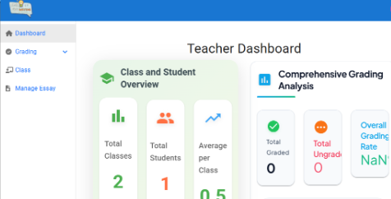 | 10 | 1 | 19
[Dashboard - 2] | Check if the "Class and Student Overview" section displays correct data. | 1. Enter "https://aes-system.io.vn/" to go to website 2. Login the system with Teacher role. 3. Click Dashboard in the left menu 4. Observe the data for "Total Classes," "Total Students," and "Average per Class." | The system accurately displays the number of classes, total students, and the average number of students per class. | 1. Server must be work 2. User has logged in as a account before. | Passed | 03/19 | NganNTB | Passed | 03/20 | NganNTB | Passed | 03/22 | NganNTB | 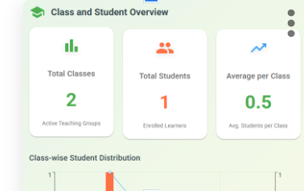
[Dashboard - 3] | Check if the "Class-wise Student Distribution" chart displays correct data. | 1. Enter "https://aes-system.io.vn/" to go to website 2. Login the system with Teacher role. 3. Click Dashboard in the left menu 4. View the "Class-wise Student Distribution" chart. 5.Verify the number of students in each class against the database. | The chart accurately reflects the number of students per class. | 1. Server must be work 2. User has logged in as a account before. | Passed | 03/19 | NganNTB | Passed | 03/20 | NganNTB | Passed | 03/22 | NganNTB | 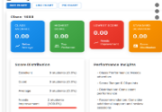
[Dashboard - 4] | Check if the dashboard updates data in real-time after changes. | 1. Enter "https://aes-system.io.vn/" to go to website 2. Login the system with Teacher role. 3. Add or update a class, student. 4. Refresh the dashboard. 5.Verify if the updated data is reflected.. | The dashboard updates data in real-time. | 1. Server must be work 2. User has logged in as a account before. | Passed | 03/19 | NganNTB | Passed | 03/20 | NganNTB | Passed | 03/22 | NganNTB | 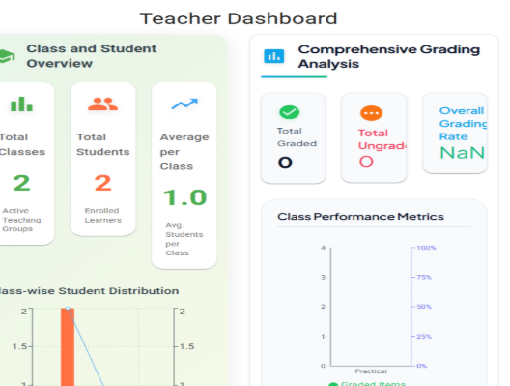
[Dashboard - 5] | Verify that the dropdown list displays all available classes correctly. | 1. Enter "https://aes-system.io.vn/" to go to website 2. Login the system with Teacher role. 3. Click Dashboard in the left menu 4.Click on the dropdown to display the list of classes. | Displays a list of all classes, | 1. Server must be work 2. User has logged in as a account before. | Passed | 03/19 | NganNTB | Passed | 03/20 | NganNTB | Passed | 03/22 | NganNTB | 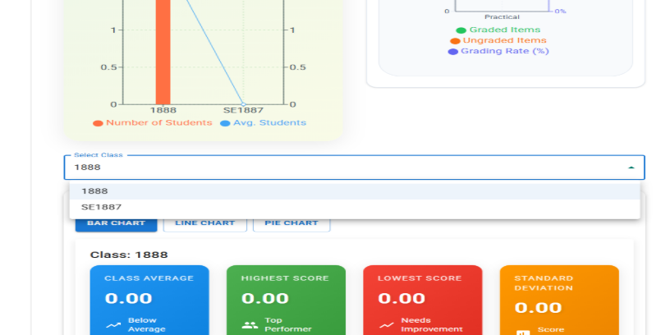
[Dashboard - 6] | Verify that selecting a class from the dropdown updates the displayed data. | 1. Enter "https://aes-system.io.vn/" to go to website 2. Login the system with Teacher role. 3. Click Dashboard in the left menu 3. Click on the dropdown and select a specific class(e.g., SE1713) 4.Observe the displayed data below the dropdown. | The system updates the displayed data to correspond with the selected class. | 1. Server must be work 2. User has logged in as a account before. | Passed | 03/19 | NganNTB | Passed | 03/20 | NganNTB | Passed | 03/22 | NganNTB | 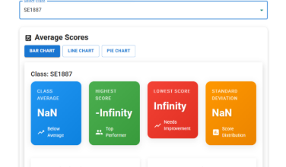
[Dashboard - 7] | Check if toggling between "Bar Chart," "Line Chart," and "Pie Chart" works as expected. | 1. Enter "https://aes-system.io.vn/" to go to website 2. Login the system with Teacher role. 3. Click Dashboard in the left menu 3. Click on the dropdown and select a specific class(e.g., SE1713) 4. Click on each chart type (Bar Chart, Line Chart, Pie Chart). 5. Verify the displayed chart changes accordingly. | The system displays the corresponding chart type without errors. | 1. Server must be work 2. User has logged in as a account before. | Passed | 03/19 | NganNTB | Passed | 03/20 | NganNTB | Passed | 03/22 | NganNTB | 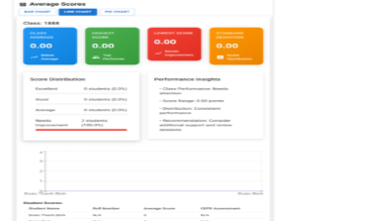
[Dashboard - 8] | Check if the "Score Distribution" chart displays the correct data. | 1. Enter "https://aes-system.io.vn/" to go to website 2. Login the system with Teacher role. 3. Click Dashboard in the left menu 3. Click on the dropdown and select a specific class(e.g., SE1713) 4. View the "Score Distribution" chart. 5. Verify the number of students in each category (Excellent, Good, Average, Needs Improvement) against database records. | The chart accurately represents the score distribution. | 1. Server must be work 2. User has logged in as a account before. | Passed | 03/19 | NganNTB | Passed | 03/20 | NganNTB | Passed | 03/22 | NganNTB | 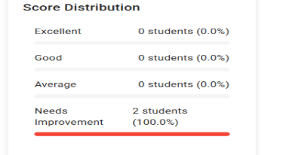
[Dashboard - 9] | Check if the "Average Scores" section displays correctly for the selected class. | 1. Enter "https://aes-system.io.vn/" to go to website 2. Login the system with Teacher role. 3. Click Dashboard in the left menu 3. Click on the dropdown and select a specific class(e.g., SE1713) 4.Observe the "Average Scores" section. | The system displays "Class Average," "Highest Score," "Lowest Score," "Standard Deviation," "Score Distribution," and "Performance Insights" correctly. | 1. Server must be work 2. User has logged in as a account before. | Failed | 03/19 | NganNTB | Failed | 03/20 | NganNTB | Failed | 03/22 | NganNTB | Can't score
Grading Assignments
[Grading Assignments - 1] | View "Grade Assignments" | 1. Enter "https://aes-system.io.vn//" to go to website 2. Login the system with Teacher role. 3. Click on "Grading"tab in the left menu. 4. Click on "Grade Assignments" | System display "Grade Assignments" page | 1. Server must be work 2. User has logged in as a account before. | Failed | 03/20 | NganNTB | Failed | 03/21 | NganNTB | Failed | 03/22 | NganNTB
[Grading Assignments - 2] | Test "Grade Assignments" successfully | 1. Enter "https://aes-system.io.vn/" to go to website 2. Login the system with Teacher role. 3. Click on "Grading"tab in the left menu. 4. Click on "Grade Assignments" 5. Select the task the teacher wants to grade. 6. Displays the task students have done 7. Select 1 or many words on the task. 8. Show propup feedback error. 9.Select category, mistakes, input feedback and click button "Save feedback" . 10.Select "Rubirc Criteria". 11. Click "Check grammar" button. 11.Click button "Complete Grading Process" | System display "Grading completed successfully" | 1. Server must be work 2. User has logged in as a account before. | Failed | 03/19 | NganNTB | Failed | 03/21 | NganNTB | Failed | 03/22 | NganNTB | Error: MANUALGRADING
Check Grammar
[Check Grammar - 1] | Test check check grammar | 1. Enter "https://aes-system.io.vn/" to go to website 2. Login the system with Teacher role. 3. Click on "Grading"tab in the left menu. 4. Click on "Grading history" or "Grade Assignments" 5. Click "Check Grammar" | The system displays show message "Grammar check successfully!" | 1. Server must be work 2. User has logged in as a account before. | Failed | 03/19 | NganNTB | Failed | 03/21 | NganNTB | Failed | 03/22 | NganNTB | Error: MANUALGRADING
Grading History
[Grading History - 1] | View grading history | 1. Enter "https://aes-system.io.vn/" to go to website 2. Login the system with Teacher role. 3. Click on "Grading"tab in the left menu. 4. Click on "Grading history" | System display grading history page | 1. Server must be work 2. User has logged in as a account before. | Failed | 03/19 | NganNTB | Failed | 03/21 | NganNTB | Failed | 03/20 | NganNTB
Update Grading History
[Update Grading History - 1] | Update grading history | 1. Enter "https://aes-system.io.vn/" to go to website 2. Login the system with Teacher role. 3. Click on "Grading"tab in the left menu. 4. Click on "Grading history" 5. Select task on Graded History tab in the left menu 6. Select Essays in the list Graded History 7. Update article errors, mistakes, grading criteria to update 8. Button Update Grading | The system displays show message "Update grading successfully!" | 1. Server must be work 2. User has logged in as a account before. | Failed | 03/19 | NganNTB | Failed | 03/21 | NganNTB | Failed | 03/20 | NganNTB | Error: MANUALGRADING
[Update Grading History - 2] | Verify Back Button Navigation | 1. Enter "https://aes-system.io.vn/" to go to website 2. Login the system with Teacher role. 3. Click on "Grading"tab in the left menu. 4. Click on "Grading history" 5. Select task on Graded History tab in the left menu 6. Select Essays in the list Graded History 7. Click the "Back" button at the top-left corner. | The system navigates back to the "Grading History" list | 1. Server must be work 2. User has logged in as a account before. | Failed | 03/19 | NganNTB | Failed | 03/21 | NganNTB | Failed | 03/20 | NganNTB | Error: MANUALGRADING
Class Management
[Class Management - 1] | Verify Display of Class List | 1. Enter "https://aes-system.io.vn/" to go to website 2. Login the system with Teacher role. 3. Click on Class tab in the left menu 4.Observe the list of classes displayed. | The system displays all the classes with their names, status (e.g., "Active"), the number of tasks, and the number of students. | 1. Server must be work 2. User has logged in as a account before. | Passed | 03/19 | NganNTB | Passed | 03/21 | NganNTB | Passed | 03/20 | NganNTB
[Class Management - 2] | Verify Class Detail View | 1. Enter "https://aes-system.io.vn/" to go to website 2. Login the system with Teacher role. 3.Click on Class tab in the left menu. 4. Select class in my class list | The system displays the my classes | 1. Server must be work 2. User has logged in as a account before. | Passed | 03/19 | NganNTB | Passed | 03/21 | NganNTB | Passed | 03/23 | NganNTB
Add Class
[Add Class -1] | Test add class with empty required fields - Class Name | 1. Enter "https://aes-system.io.vn/" to go to website 2. Login the system with Teacher role. 3. Click on Class tab in the left menu. 4.Click on " Add class" button. 5. Show propup: - Class name: empty 6. Click "Add class" button | The system displays message "Class name is required and cannot be empty or just spaces." | 1. Server must be work 2. User has logged in as a account before. | Failed | 03/19 | NganNTB | Failed | 03/21 | NganNTB | Failed | 03/26 | NganNTB
[Add Classs - 2] | Verify input when user enters correct data | 1. Enter "https://aes-system.io.vn/" to go to website 2. Login the system with Teacher role. 3. Click on Class tab in the left menu. 4.Click on " Add class" button. 5. Show propup: - Class name: SE1712 6. Click "Add class" button | The system displays message Class added successfully!" | 1. Server must be work 2. User has logged in as a account before. | Failed | 03/19 | NganNTB | Failed | 03/23 | NganNTB | Failed | 03/26 | NganNTB
Update Class
[Update Class -1] | Test update class with empty required fields - Class Name | 1. Enter "https://aes-system.io.vn/" to go to website 2. Login the system with Teacher role. 3. Click on Class tab in the left menu. 4. three dots in the right corner next to class name 5. Click icon "Edit" button 6. Show propup: - Class name: empty 7. Display message "Class name cannot be empty" | Display message "Class name cannot be empty" | 1. Server must be work 2. User has logged in as a account before. | Passed | 03/19 | HieuNM | Passed | 03/21 | HieuNM | Passed | 03/23 | HieuNM
Update Class - 2] | Verify input when user enters correct data | 1. Enter "https://aes-system.io.vn/" to go to website 2. Login the system with Teacher role. 3. Click on Class tab in the left menu. 4. three dots in the right corner next to class name 5. Click icon "Edit" button 6. Show propup: - Class name: HE181441 7. Click the "Save" button. | The system displays message " Class name update successfully!" | 1. Server must be work 2. User has logged in as a account before. | Passed | 03/19 | HieuNM | Passed | 03/21 | HieuNM | Passed | 03/23 | HieuNM
Update Class - 3] | Verify Duplicate Class Name Handling | 1. Enter "https://aes-system.io.vn/" to go to website 2. Login the system with Teacher role. 3. Click on Class tab in the left menu. 4. three dots in the right corner next to class name 5. Click icon "Edit" button 6. Enter a class name that already exists (e.g., "SE1877"). 7. Click the "Save" button. | Class name already exists | 1. Server must be work 2. User has logged in as a account before. | Failed | 03/19 | HieuNM | Failed | 03/21 | HieuNM | Failed | 03/23 | HieuNM
Manage Essay
[Manage Essay - 1] | View manage essay | 1. Enter "https://aes-system.io.vn/" to go to website 2. Login the system with Teacher role. 3. Click on "Manage Essay"tab in the left menu. 4. Click icon "Edit" button | The system displays the list workbooks | 1. Server must be work 2. User has logged in as a account before. | Passed | 03/19 | HieuNM | Passed | 03/21 | HieuNM | Passed | 03/23 | HieuNM
Delete Class
[Delete Class -1] | Verify the Delete function when the actor click on "Delete" link | 1. Enter "https://aes-system.io.vn/" to go to website 2. Login the system with Teacher role. 3. Click on Class tab in the left menu. 4. three dots in the right corner next to class name 5. Click icon "Delete" button 6. Show propup: Are you sure you want to delete the class "SE1877"? 8. Click "Delete" button | After pressing the delete link, the selected essay task will be deleted | 1. Server must be work 2. User has logged in as a account before. | Passed | 03/19 | HieuNM | Passed | 03/21 | HieuNM | Passed | 03/23 | HieuNM
Add Essay Task
[Add Essay Task - 1] | Test create add essay task user enters correct data - Task Name: String - World Count Limit: int - Duration Limit: int - Task Plain Content: String | 1. Enter "https://aes-system.io.vn/" to go to website 2. Login the system with Teacher role. 3. Click on "Manage Essay"tab in the left menu. 4. Select Essays in the List Workbooks 5. Click the "Edit" button in the Action column 6. Navigate to the Manage Essay Task page 7. Click the "Add Essay Task" Button 8. Fill in: - Task Name: - World Count Limit: - Duration Limit: - Task Plain Content: 9. Click button Create | The system displays show message "Create essay successfully!" | 1. Server must be work 2. User has logged in as a account before. | Passed | 03/19 | HieuNM | Passed | 03/21 | HieuNM | Passed | 03/23 | HieuNM
[Add Essay Task - 2] | Test create add essay task" user leaves 1 field or all fields blank - Task Name: empty - World Count Limit: - Duration Limit: - Task Plain Content: | 1. Enter "https://aes-system.io.vn/" to go to website 2. Login the system with Teacher role. 3. Click on "Manage Essay"tab in the left menu. 4. Select Essays in the List Workbooks 5. Click the "Edit" button in the Action column 6. Navigate to the Manage Essay Task page 7. Click the "Add Essay Task" Button 8. Fill in: - Task Name: empty - World Count Limit: - Duration Limit: - Task Plain Content: 9. Click button Create | 1. The system displays show toast message "An error occurred: undefined" | 1. Server must be work 2. User has logged in as a account before. | Passed | 03/19 | HieuNM | Passed | 03/21 | HieuNM | Passed | 03/23 | HieuNM
[Add Essay Task - 3] | Test create add essay task with empty Task Name. - Task Name: empty | 1. Enter "https://aes-system.io.vn/" to go to website 2. Login the system with Teacher role. 3. Click on "Manage Essay"tab in the left menu. 4. Select Essays in the List Workbooks 5. Click the "Edit" button in the Action column 6. Navigate to the Manage Essay Task page 7. Click the "Add Essay Task" Button 8. Fill in: - Task Name: empty 9. Click button Create | 1. The system displays show toast message "An error occurred: undefined" | 1. Server must be work 2. User has logged in as a account before. | Passed | 03/19 | HieuNM | Passed | 03/21 | HieuNM | Passed | 03/23 | HieuNM
[Add Essay Task - 4] | Test create add essay task with empty world count limit. - World Count Limite: empty | 1. Enter "https://aes-system.io.vn/" to go to website 2. Login the system with Teacher role. 3. Click on "Manage Essay"tab in the left menu. 4. Select Essays in the List Workbooks 5. Click the "Edit" button in the Action column 6. Navigate to the Manage Essay Task page 7. Click the "Add Essay Task" Button 8. Fill in: - World Count Limit: empty 9. Click button Create | 1. The system displays show toast message "An error occurred: undefined" | 1. Server must be work 2. User has logged in as a account before. | Passed | 03/19 | HieuNM | Passed | 03/21 | HieuNM | Passed | 03/23 | HieuNM
[Add Essay Task - 5] | Test create add essay task with empty duration limit. - Duration Limit: empty | 1. Enter "https://aes-system.io.vn/" to go to website 2. Login the system with Teacher role. 3. Click on "Manage Essay"tab in the left menu. 4. Select Essays in the List Workbooks 5. Click the "Edit" button in the Action column 6. Navigate to the Manage Essay Task page 7. Click the "Add Essay Task" Button 8. Fill in: - Duration Limit: empty 9. Click button Create | 1. The system displays show toast message "An error occurred: undefined" | 1. Server must be work 2. User has logged in as a account before. | Passed | 03/19 | HieuNM | Passed | 03/21 | HieuNM | Passed | 03/23 | HieuNM
[Add Essay Task - 6] | Test create add essay task with empty task plain content. - Task Plain Content: empty | 1. Enter "https://aes-system.io.vn//" to go to website 2. Login the system with Teacher role. 3. Click on "Manage Essay"tab in the left menu. 4. Select Essays in the List Workbooks 5. Click the "Edit" button in the Action column 6. Navigate to the Manage Essay Task page 7. Click the "Add Essay Task" Button 8. Fill in: - Task Plain Content: empty 9. Click button Create | 1. The system displays show toast message "An error occurred: undefined" | 1. Server must be work 2. User has logged in as a account before. | Passed | 03/19 | HieuNM | Passed | 03/21 | HieuNM | Passed | 03/23 | HieuNM
[Add Essay Task - 7] | Test create add essay task with invalid input type. - Word Count Limit | 1. Enter "https://aes-system.io.vn/" to go to website 2. Login the system with Teacher role. 3. Click on "Manage Essay"tab in the left menu. 4. Select Essays in the List Workbooks 5. Click the "Edit" button in the Action column 6. Navigate to the Manage Essay Task page 7. Click the "Add Essay Task" Button 8. Fill in: - Word Count Limit: abc 9. Click button Create | 1. The system displays show toast message "An error occurred: undefined" | 1. Server must be work 2. User has logged in as a account before. | Passed | 03/19 | HieuNM | Passed | 03/21 | HieuNM | Passed | 03/23 | HieuNM
[Add Essay Task - 8] | Test create add essay task with invalid input type. - Duration Limit | 1. Enter "https://aes-system.io.vn/" to go to website 2. Login the system with Teacher role. 3. Click on "Manage Essay"tab in the left menu. 4. Select Essays in the List Workbooks 5. Click the "Edit" button in the Action column 6. Navigate to the Manage Essay Task page 7. Click the "Add Essay Task" Button 8. Fill in: - Duration Limit: abc 9. Click button Create | 1. The system displays show toast message "An error occurred: undefined" | 1. Server must be work 2. User has logged in as a account before. | Passed | 03/19 | HieuNM | Passed | 03/21 | HieuNM | Passed | 03/23 | HieuNM
Update Essay Task
[Update Essay Task - 1] | Test update update essay task user enters correct data - Task Name: String - World Count Limit: int - Duration Limit: int - Task Plain Content: String | 1. Enter "https://aes-system.io.vn/" to go to website 2. Login the system with Teacher role. 3. Click on "Manage Essay"tab in the left menu. 4. Select Essays in the List Workbooks 5. Click the "Edit" button in the Action column 6. Navigate to the Manage Essay Task page 7. Click the "Update Essay" icon in the Actions column 8. Fill in: - Task Name: - World Count Limit: - Duration Limit: - Task Plain Content: 9. Click button Update | The system displays show message "Update essay successfully!" | 1. Server must be work 2. User has logged in as a account before. | Passed | 03/19 | HieuNM | Passed | 03/21 | HieuNM | Passed | 03/23 | HieuNM
[Update Essay Task - 2] | Test update "Update Essay Task" The user enters special characters in the Task Name or Plain Content field of the task (!@#$%^&*...) | 1. Enter "https://aes-system.io.vn/" to go to website 2. Login the system with Teacher role. 3. Click on "Manage Essay"tab in the left menu. 4. Select Essays in the List Workbooks 5. Click the "Edit" button in the Action column 6. Navigate to the Manage Essay Task page 7. Click the "Update Essay" icon in the Actions column 8. Fill in: - Task Name: - World Count Limit: - Duration Limit: - Task Plain Content: 9. Click button Update | The system displays show message "Update essay successfully!" | 1. Server must be work 2. User has logged in as a account before. | Passed | 03/19 | HieuNM | Passed | 03/21 | HieuNM | Passed | 03/23 | HieuNM
[Update Essay Task - 3] | Test update essay task with empty Task Name. - Task Name: empty | 1. Enter "https://aes-system.io.vn/" to go to website 2. Login the system with Teacher role. 3. Click on "Manage Essay"tab in the left menu. 4. Select Essays in the List Workbooks 5. Click the "Edit" button in the Action column 6. Navigate to the Manage Essay Task page 7. Click the "Update Essay" icon in the Actions column 8. Fill in: - Task Name: - World Count Limit: - Duration Limit: - Task Plain Content: 9. Click button Update | 1. The system displays show toast message "An error occurred: undefined" | 1. Server must be work 2. User has logged in as a account before. | Passed | 03/19 | HieuNM | Passed | 03/21 | HieuNM | Passed | 03/23 | HieuNM
[Update Essay Task - 4] | Testupdate essay task with empty world count limit. - World Count Limite: empty | 1. Enter "https://aes-system.io.vn/" to go to website 2. Login the system with Teacher role. 3. Click on "Manage Essay"tab in the left menu. 4. Select Essays in the List Workbooks 5. Click the "Edit" button in the Action column 6. Navigate to the Manage Essay Task page 7. Click the "Update Essay" icon in the Actions column 8. Fill in: - World Count Limit: empty 9. Click button Create | 1. The system displays show toast message "An error occurred: undefined" | 1. Server must be work 2. User has logged in as a account before. | Passed | 03/19 | HieuNM | Passed | 03/21 | HieuNM | Passed | 03/23 | HieuNM
[Update Essay Task - 5] | Test update essay task with empty duration limit. - Duration Limit: empty | 1. Enter "https://aes-system.io.vn/" to go to website 2. Login the system with Teacher role. 3. Click on "Manage Essay"tab in the left menu. 4. Select Essays in the List Workbooks 5. Click the "Edit" button in the Action column 6. Navigate to the Manage Essay Task page 7. Click the "Update Essay" icon in the Actions column 8. Fill in: - Duration Limit: empty 9. Click button Create | 1. The system displays show toast message "An error occurred: undefined" | 1. Server must be work 2. User has logged in as a account before. | Passed | 03/19 | HieuNM | Passed | 03/21 | HieuNM | Passed | 03/23 | HieuNM
[Update Essay Task - 6] | Test update essay task with empty task plain content. - Task Plain Content: empty | 1. Enter "https://aes-system.io.vn/" to go to website 2. Login the system with Teacher role. 3. Click on "Manage Essay"tab in the left menu. 4. Select Essays in the List Workbooks 5. Click the "Edit" button in the Action column 6. Navigate to the Manage Essay Task page 7. Click the "Update Essay" icon in the Actions column 8. Fill in: - Task Plain Content: empty 9. Click button Create | 1. The system displays show toast message "An error occurred: undefined" | 1. Server must be work 2. User has logged in as a account before. | Passed | 03/19 | HieuNM | Passed | 03/21 | HieuNM | Passed | 03/23 | HieuNM
[Update Essay Task - 7] | Test update essay task with invalid input type. - Word Count Limit | 1. Enter "https://aes-system.io.vn/" to go to website 2. Login the system with Teacher role. 3. Click on "Manage Essay"tab in the left menu. 4. Select Essays in the List Workbooks 5. Click the "Edit" button in the Action column 6. Navigate to the Manage Essay Task page 7. Click the "Update Essay" icon in the Actions column 8. Fill in: - Word Count Limit: abc 9. Click button Create | 1. The system displays show toast message "An error occurred: undefined" | 1. Server must be work 2. User has logged in as a account before. | Passed | 03/19 | HieuNM | Passed | 03/21 | HieuNM | Passed | 03/23 | HieuNM
[Update Essay Task - 8] | Test update essay task with invalid input type. - Duration Limit | 1. Enter "https://aes-system.io.vn/" to go to website 2. Login the system with Teacher role. 3. Click on "Manage Essay"tab in the left menu. 4. Select Essays in the List Workbooks 5. Click the "Edit" button in the Action column 6. Navigate to the Manage Essay Task page 7. Click the "Update Essay" icon in the Actions column 8. Fill in: - Duration Limit: abc 9. Click button Create | 1. The system displays show toast message "An error occurred: undefined" | 1. Server must be work 2. User has logged in as a account before. | Passed | 03/19 | HieuNM | Passed | 03/21 | HieuNM | Passed | 03/23 | HieuNM
Delete Essay Task
[Delete Essay Task - 1] | Verify the Delete function when the actor click on "Delete" link | 1. Enter "https://aes-system.io.vn/" to go to website 2. Login the system with Teacher role. 3. Click on "Manage Essay"tab in the left menu. 4. Select Essays in the List Workbooks 5. Click the "Edit" button in the Action column 6. Navigate to the Manage Essay Task page 7. Click the "Delete Essay" icon in the Actions column 8.Show propup: "Are you sure you want to delete this essay task?" 9. Click button Delete | After pressing the delete link, the selected essay task will be deleted | 1. Server must be work 2. User has logged in as a account before. | Passed | 03/19 | HieuNM | Passed | 03/21 | HieuNM | Passed | 03/23 | HieuNM

