Sheet1
Age | Usual Gait Speed (m/s) |  |  | Rapid Gait Speed (m/s) |  |  | Chair Stands (# in 30s) |  |  | 6-Minute Walk (yards) |  |  | Single Leg Stance (s)‡
 | Total | Men | Women | Total | Men | Women | Total | Men | Women | Total | Men | Women | Total | Men | Women
30–39 (n = 85) | 1.4 (0.3) | 1.4 (0.3) | 1.4 (0.3) | 2.1 (0.4) | 2.1 (0.4) | 2.0 (0.4) | 19.5 (5.5) | 19.1 (5.1) | 19.8 (5.8) | 679.7 (105.8) | 701.9 (70.3) | 653.6 (118.7) | 57.4 (9.0) | 58.8 (7.0) | 56.4 (10.1)
40–49 (n = 100) | 1.4 (0.2) | 1.4 (0.2) | 1.3 (0.2) | 2.0 (0.4) | 2.1 (0.4) | 2.0 (0.3) | 19.4 (5.7) | 20.0 (6.1) | 18.8 (5.2) | 680.7 (109.7) | 707.0 (101.5) | 657.4 (112.4) | 55.1 (13.8) | 55.5 (14.0) | 54.7 (13.8)
50–59 (n = 104) | 1.4 (0.3) | 1.4 (0.3) | 1.3 (0.3) | 2.1 (0.5) | 2.2 (0.5) | 1.9 (0.4) | 17.2* (4.6) | 17.4 (4.5) | 16.9 (4.7) | 654.7 (110.1) | 673.1 (113.9) | 636.7 (104.1) | 44.8* (19.4) | 42.2 (20.3) | 47.6 (18.3)
60–69 (n = 194) | 1.3 (0.3) | 1.3 (0.2) | 1.3 (0.3) | 1.9 (0.4) | 2.0 (0.4) | 1.8 (0.4) | 15.8 (4.5) | 16.4 (4.4) | 15.2 (4.6) | 634.0 (116.8) | 667.3 (110.9) | 601.0 (113.5) | 39.2 (20.6) | 40.4 (20.2) | 37.9 (21.0) | Female:
70–79 (n = 198) | 1.2* (0.2) | 1.2 (0.3) | 1.1 (0.2) | 1.7* (0.4) | 1.8 (0.4) | 1.6 (0.3) | 14.1* (4.9) | 14.9 (4.9) | 13.3 (4.7) | 554.9* (110.6) | 581.8 (106.5) | 527.4 (108.4) | 26.4* (19.8) | 27.2 (19.8) | 25.6 (19.9) | -1.5862809978196097x^0 * 4.956497463635916x^1 * -3.904608209985346x^2 * 1.6469159787971468x^3 * -0.40160119541985706x^4 * 0.05652660579418489x^5 * -0.004259420651991851x^6 * 0.00013277564955672591x^7
80–90+ (n = 91) | 1.1* (0.2) | 1.1 (0.2) | 1.0 (0.2) | 1.5* (0.4) | 1.6 (0.5) | 1.4 (0.3) | 10.9* (4.8) | 11.8 (4.4) | 10.4 (4.9) | 470.9* (131.7) | 508.4 (139.8) | 451.8 (124.3) | 12.1* (13.2) | 13.6 (17.2) | 11.3 (10.7)
% Difference over 50 years† |  |  |  |  |  |  |  |  |  |  |  |  |  |  |  | Male
 | 23.6% | 22.7% | 23.5% | 27.0% | 23.7% | 28.3% | 44.1% | 37.9% | 47.3% | 30.7% | 27.6% | 30.9% | 76.1% | 76.8% | 79.9% | -3.055535127157064x^0 * 8.560203405248146x^1 * -7.25225294980678x^2 * 3.208049704700914x^3 * -0.8031059372543998x^4 * 0.11431569965805355x^5 * -0.00861872554794703x^6 * 0.00026693015907715257x^7

https://academic.oup.com/biomedgerontology/article/72/4/572/2629941
https://content.iospress.com/articles/occupational-ergonomics/oer250
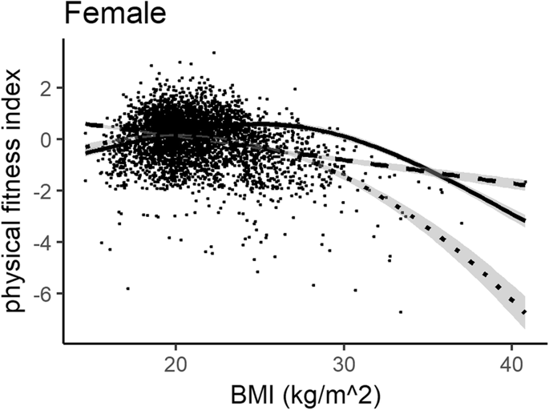
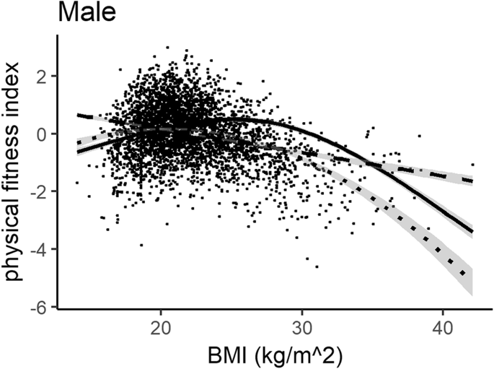

https://bmcpublichealth.biomedcentral.com/articles/10.1186/s12889-020-08517-8

 |  | Male: | 0.40021467028401847x^0 * 0.050036898844165074x^1 * -0.0010396607505878297x^2
 |  | Female: | 0.3578829726695962x^0 * 0.05844523061769345x^1 * -0.0012201516544647953x^2

