Sheet1
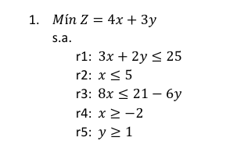
Replanteamiento para no-negatividad:
x’ = x + 2 | x = x’ – 2
y’ = y – 1 | y = y’ + 1

Z = 4(x’ - 2) + 3 (y’ + 1) = 4x’ - 8 + 3y’ + 3 = 4x’ + 3y’ – 5
R1 | 3x + 2y = 3(x’ - 2) + 2 (y’ + 1) = 3x’ - 6 + 2y’ + 2 <= 25
 | 3x’ + 2y’ <= 29

R2 | x = x’ – 2 <= 5
 | x’ <= 7
R3 | 8(x’ - 2) = 8x’ - 16 <= 21 - 6(y’ + 1) = 21 - 6y’ – 6
 | 8x’ + 6y’ <= 21 + 16 – 6
 | 8x’ + 6y’ <= 31

Variables de holgura:
R1 | 3x’ + 2y’ + h1 = 29
R2 | x’ + h2 = 7
R3 | 8x’ + 6y’ + h3 = 31

Iteración 1
Cj | 4 | 3
 | x’ | y’ | h1 | h2 | h3
h1 | 3 | 2 | 1 | 0 | 0 | 29
h2 | 1 | 0 | 0 | 1 | 0 | 7
h3 | 8 | 6 | 0 | 0 | 1 | 31
Zj | 0 | 0 | 0 | 0 | 0 | 0
Cj – Zj | 4 | 3 | 0 | 0 | 0
No hay fila negativa. Acaban las iteraciones.
x’ | 0
y’ | 0
h1 | 29
h2 | 7
h3 | 31
Z | Z = 4x’ + 3y’ - 5 = 4(0) + 3(0) - 5 = -5
Mín Z | -5

