Sheet1
productID | productName | description | category | sku | stock | cost | price | image | weight
 | cap | cool hat for a person | clothes | 12345 | 46 | 10 | 25 | 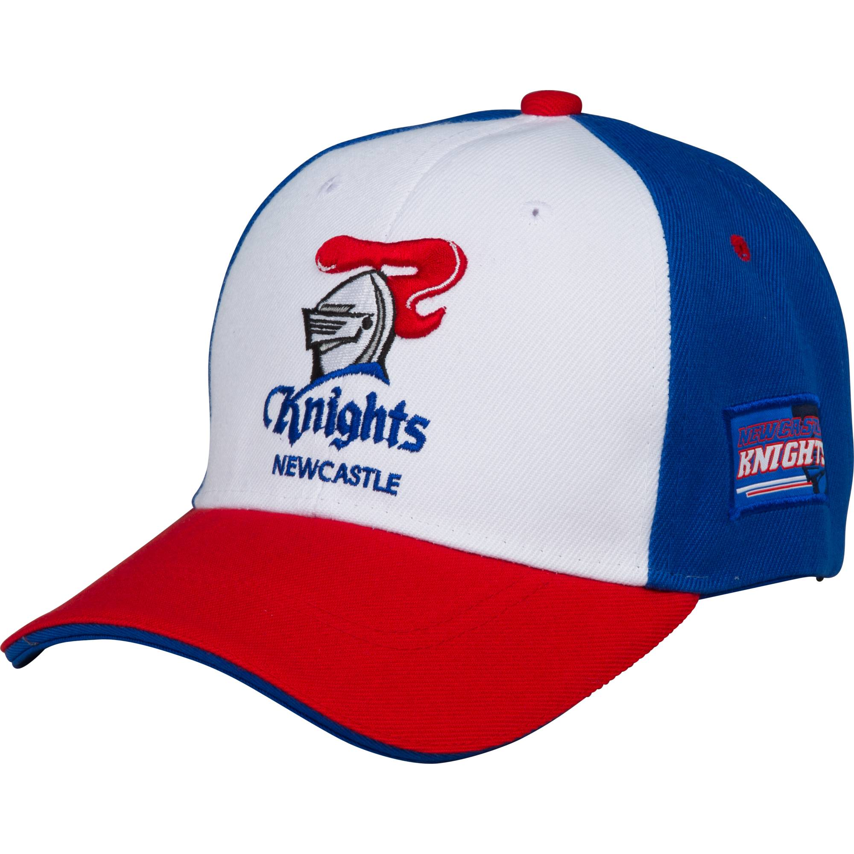 | 1.5
 | shirt | shirt with logo | clothes | 67895 | 98 | 20 | 45 | 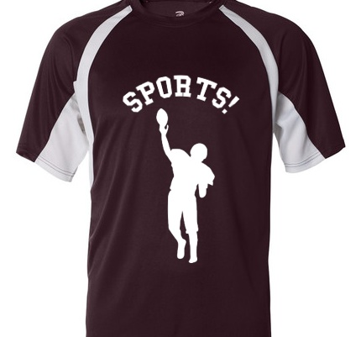 | 2.5
 | sneakers | running shoes | apparel | 97483 | 34 | 75 | 150 |  | 5.4
 | basketball | orange ball | equipment | 37593 | 25 | 35 | 35 |  | 3.2
 | coffee mug | mug with sports team | apparel | 19384 | 15 | 25 | 30 |  | 2.3
 | bracelet | bracelet with team logo | apparel | 28444 | 10 | 10 | 15 |  | 0.5
 | sport shorts | dark sport shorts | clothes | 28476 | 35 | 30 | 50 | 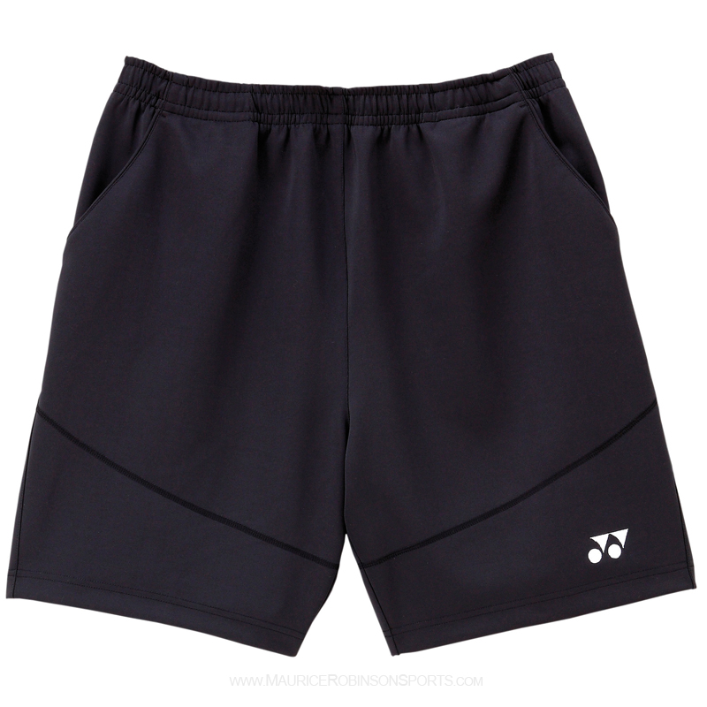 | 2.6
 | baseball bat | wooden baseball bat | equipment | 83648 | 43 | 34 | 45 |  | 3.9
 | sweater | pink sweater | clothes | 47587 | 24 | 85 | 68 | 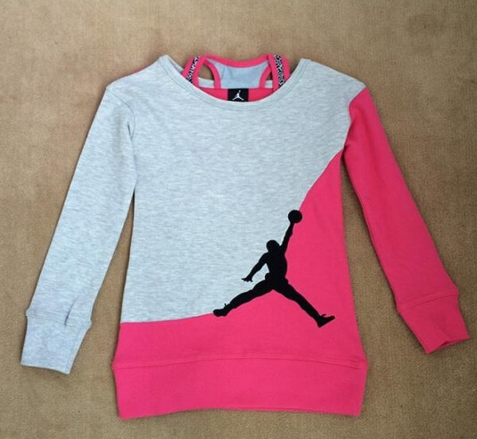 | 3.2
 | watch | watch with sports logo | apparel | 33467 | 23 | 54 | 57 |  | 2.5

