INFO
V01_003d | Cylinder with spherical end caps |  | Ellipsoid |  | Super-Ellipsoid 1 ("egg") |  | Super-Ellipsoid 2 ("egg")

rx1 | (2,364 mm) |  | 2,740 mm |  | 1,980 mm |  | 1,980 mm
mx1 | --- |  | 4 |  | 2 |  | 2
ry1 | 540 mm |  | 540 mm |  | 540 mm |  | 540 mm
my1 | --- |  | 2 |  | 2 |  | 2

rx2 | --- |  | --- |  | 4,920 mm |  | 5,120 mm
mx2 | --- |  | --- |  | 2 |  | 2
ry2 | --- |  | --- |  | 540 mm |  | 540 mm
my2 | --- |  | --- |  | 1.6 |  | 1.4

Material | Aluminium | CFRP Q110-UD-268-34-05/ITS55-24k t.ply = 0.261mm | Aluminium | CFRP Q110-UD-268-34-05/ITS55-24k t.ply = 0.261mm | Aluminium | CFRP Q110-UD-268-34-05/ITS55-24k t.ply = 0.261mm | Aluminium | CFRP Q110-UD-268-34-05/ITS55-24k t.ply = 0.261mm

Thickness | 1.50 mm | 2.10 mm | 1.50 mm | 2.10 mm | 1.50 mm | 2.10 mm | 1.50 mm | 2.10 mm
Layup | --- | [60°, -30°, -60°, 30°, 60°, -30°, -60°, 30°] | --- | [60°, -30°, -60°, 30°, 60°, -30°, -60°, 30°] | --- | [60°, -30°, -60°, 30°, 60°, -30°, -60°, 30°] | --- | [60°, -30°, -60°, 30°, 60°, -30°, -60°, 30°]

Volume | 4.001E+09 mm³ |  | 4.016E+09 mm³ |  | 4.023E+09 mm³ |  | 4.016E+09 mm³
Mass | 67.59 kg | 50.89 kg | 70.09 kg | 52.78 kg | 75.92 kg | 57.16 kg | 76.38 kg | 57.51 kg
Mass vs. Vol H2 | 16.89 kg/m³ | 12.72 kg/m³ | 17.45 kg/m³ | 13.14 kg/m³ | 18.87 kg/m³ | 14.21 kg/m³ | 19.02 kg/m³ | 14.32 kg/m³

Load UL = 2 x LL | Internal pressure 8 bar = 0.8 MPa | Internal pressure 8 bar = 0.8 MPa | Internal pressure 8 bar = 0.8 MPa | Internal pressure 8 bar = 0.8 MPa | Internal pressure 8 bar = 0.8 MPa | Internal pressure 8 bar = 0.8 MPa | Internal pressure 8 bar = 0.8 MPa | Internal pressure 8 bar = 0.8 MPa
 | Geom. non-linear static 10 load steps | Geom. non-linear static 10 load steps | Geom. non-linear static 10 load steps | Geom. non-linear static 10 load steps | Geom. non-linear static 10 load steps | Geom. non-linear static 10 load steps | Geom. non-linear static 10 load steps | Geom. non-linear static 10 load steps

Deformation axial x-amount | 3.92 mm | 1.57 mm | 2.58 mm | 0.88 mm | 3.10 mm | 0.69 mm | 3.14 mm | 0.67 mm
 | 0.083% | 0.033% | 0.047% | 0.016% | 0.045% | 0.010% | 0.044% | 0.009%

Deformation radial yz-plane | 1.84 mm | 2.27 mm | 1.84 mm | 2.27 mm | 1.81 mm | 2.24 mm | 1.81 mm | 2.24 mm
 | 0.341% | 0.420% | 0.341% | 0.420% | 0.335% | 0.415% | 0.335% | 0.415%

max Stress (v-Mises) | 250.80 MPa | --- | 251.20 MPa | --- | 249.10 MPa | --- | 249.00 MPa | ---

min RF Puck X | --- | 5.53 | --- | 5.53 | --- | 5.58 | --- | 5.58

min RF Puck A | --- | 1.04 | --- | 1.04 | --- | 1.05 | --- | 1.05

Drag wing tip tank | 502.10 N |  | 349.51 N |  | 320.59 N |  | 326.88 N |  | Cruise Flight at 5000m AoA 4° Velocity 495.16kmh
Drag vehicle w/o tank | 15,779 N |  | 15,779 N |  | 15,779 N |  | 15,779 N
Drag increase | 3.2% |  | 2.2% |  | 2.0% |  | 2.1%

Structural mass vs. Inner volume [kg/m³]
 | Aluminium | CFRP
Cylinder with spherical end caps | 16.89 kg/m³ | 12.72 kg/m³
Ellipsoid | 17.45 kg/m³ | 13.14 kg/m³
Super-Ellipsoid 1 ("egg") | 18.87 kg/m³ | 14.21 kg/m³
Super-Ellipsoid 2 ("egg") | 19.02 kg/m³ | 14.32 kg/m³

Change in Length [mm]
 | Aluminium | CFRP
Cylinder with spherical end caps | 3.92 mm | 1.57 mm
Ellipsoid | 2.58 mm | 0.88 mm
Super-Ellipsoid 1 ("egg") | 3.10 mm | 0.69 mm
Super-Ellipsoid 2 ("egg") | 3.14 mm | 0.67 mm
Change in Radius [mm]
 | Aluminium | CFRP
Cylinder with spherical end caps | 1.84 mm | 2.27 mm
Ellipsoid | 1.84 mm | 2.27 mm
Super-Ellipsoid 1 ("egg") | 1.81 mm | 2.24 mm
Super-Ellipsoid 2 ("egg") | 1.81 mm | 2.24 mm

Change in Length [%]
 | Aluminium | CFRP
Cylinder with spherical end caps | 0.083% | 0.033%
Ellipsoid | 0.047% | 0.016%
Super-Ellipsoid 1 ("egg") | 0.045% | 0.010%
Super-Ellipsoid 2 ("egg") | 0.044% | 0.009%
Change in Radius [%]
 | Aluminium | CFRP
Cylinder with spherical end caps | 0.341% | 0.420%
Ellipsoid | 0.341% | 0.420%
Super-Ellipsoid 1 ("egg") | 0.335% | 0.415%
Super-Ellipsoid 2 ("egg") | 0.335% | 0.415%

Drag [N]
 | Aluminium | CFRP
Cylinder with spherical end caps | 502.10 N | 502.10 N
Ellipsoid | 349.51 N | 349.51 N
Super-Ellipsoid 1 ("egg") | 320.59 N | 320.59 N
Super-Ellipsoid 2 ("egg") | 326.88 N | 326.88 N
Drag increase [%]
 | Aluminium | CFRP
Cylinder with spherical end caps | 3.2% | 3.2%
Ellipsoid | 2.2% | 2.2%
Super-Ellipsoid 1 ("egg") | 2.0% | 2.0%
Super-Ellipsoid 2 ("egg") | 2.1% | 2.1%

ry540_rx1_1980_rx2_4920_my2 (2)
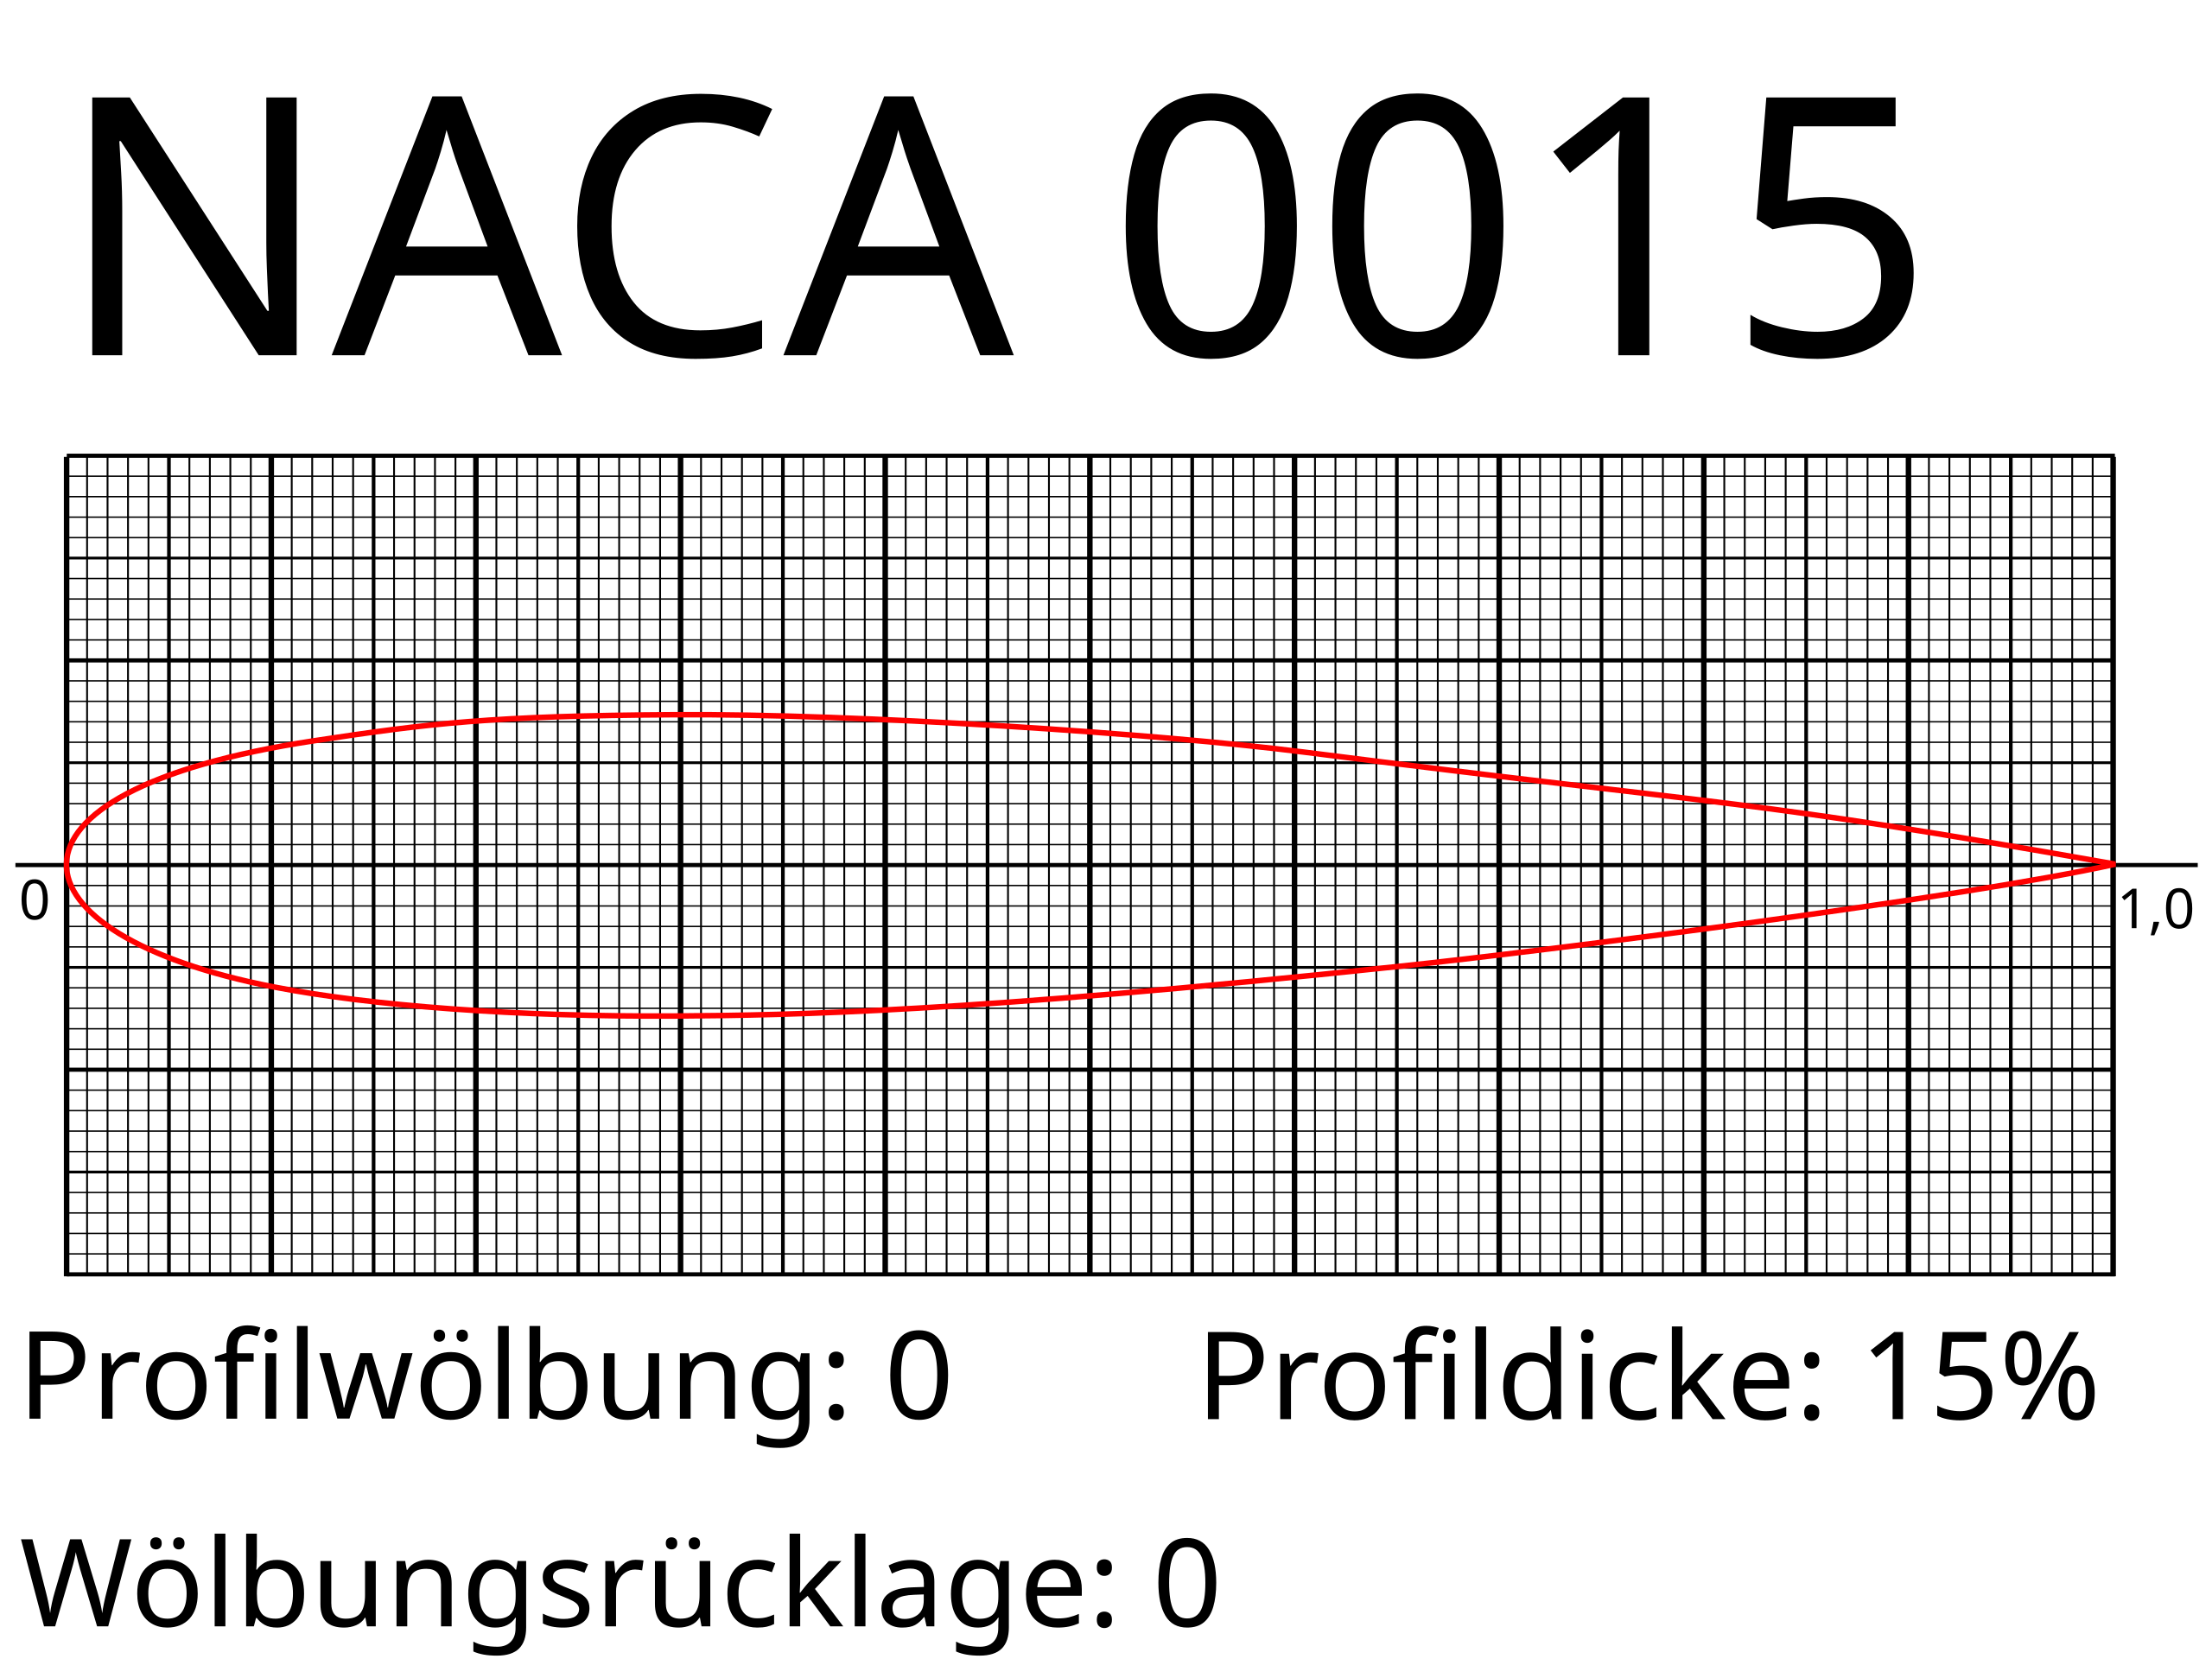

Superellipsoid

r x |  | 2740 | mm | m x | 4 | r x2
r y |  | 540 | mm | m y | 2 | r y2

Volumen: | 4.0161E+09 |  | mm3

