C1.1
Back to contents
 | Chart 1.1: Contributions to the changes in borrowing forecast and 2023-24 outturn
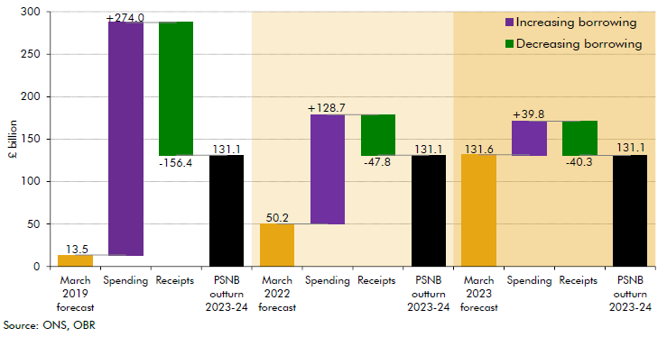

 | March 2019 forecast | Spending | Receipts | PSNB outturn 2023-24 | March 2022 forecast | Spending | Receipts | PSNB outturn 2023-24 | March 2023 forecast | Spending | Receipts | PSNB outturn 2023-24
 | 13.5 | 274.0 | -156.4 | 131.1 | 50.2 | 128.7 | -47.8 | 131.1 | 131.6 | 39.8 | -40.3 | 131.1

C2.1
Back to contents
 | Chart 2.1: One-year ahead OBR forecasts for annual GDP growth
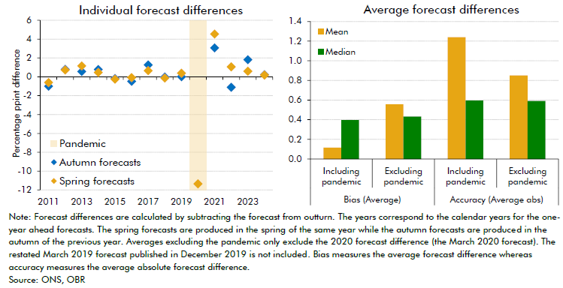

 | Individual forecast differences |  |  |  | Average forecast differences
 |  | Autumn forecasts | Spring forecasts |  | Bias (Average) |  | Accuracy (Average abs)
 | 2011 | -1.0 | -0.6 |  | Including pandemic | Excluding pandemic | Including pandemic | Excluding pandemic
 | 2012 | 0.8 | 0.7 | Mean | 0.1 | 0.6 | 1.2 | 0.9
 | 2013 | 0.6 | 1.2 | Median | 0.4 | 0.4 | 0.6 | 0.6
 | 2014 | 0.8 | 0.5
 | 2015 | -0.2 | -0.3
 | 2016 | -0.5 | -0.1
 | 2017 | 1.3 | 0.6
 | 2018 | 0.0 | -0.1
 | 2019 | 0.0 | 0.4
 | 2020 |  | -11.4
 | 2021 | 3.1 | 4.5
 | 2022 | -1.1 | 1.1
 | 2023 | 1.8 | 0.6
 | 2024 | 0.2 | 0.2

C2.2
Back to contents
 | Chart 2.2: Five-year ahead OBR forecasts for annual GDP growth
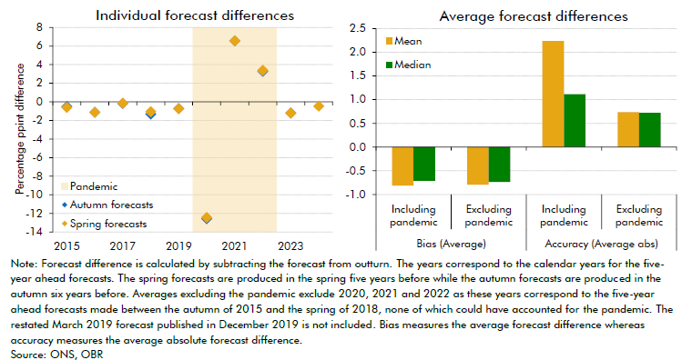

 | Individual forecast differences |  |  |  | Average forecast differences
 |  | Autumn forecasts | Spring forecasts |  | Bias (Average) |  | Accuracy (Average abs)
 | 2015 | -0.5 | -0.6 |  | Including pandemic | Excluding pandemic | Including pandemic | Excluding pandemic
 | 2016 | -1.1 | -1.1 | Mean | -0.8 | -0.8 | 2.2 | 0.7
 | 2017 | -0.2 | -0.1 | Median | -0.7 | -0.7 | 1.1 | 0.7
 | 2018 | -1.3 | -1.0
 | 2019 | -0.7 | -0.7
 | 2020 | -12.6 | -12.4
 | 2021 | 6.6 | 6.6
 | 2022 | 3.3 | 3.4
 | 2023 | -1.2 | -1.2
 | 2024 |  | -0.5

C2.3
Back to contents
 | Chart 2.3: One-year ahead OBR forecasts for CPI inflation
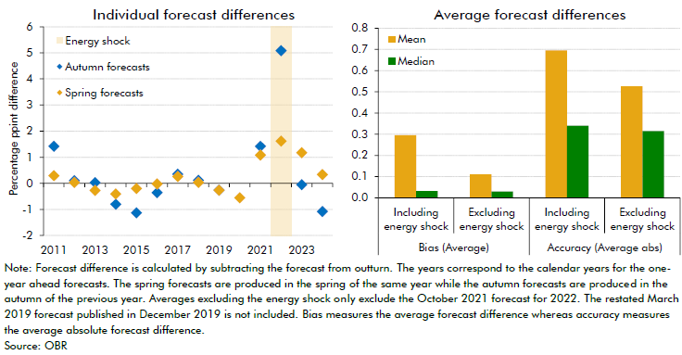

 | Individual forecast differences |  |  |  | Average forecast differences
 |  | Autumn forecasts | Spring forecasts |  | Bias (Average) |  | Accuracy (Average abs)
 | 2011 | 1.4 | 0.3 |  | Including energy shock | Excluding energy shock | Including energy shock | Excluding energy shock
 | 2012 | 0.1 | 0.0 | Mean | 0.3 | 0.1 | 0.7 | 0.5
 | 2013 | 0.0 | -0.3 | Median | 0.0 | 0.0 | 0.3 | 0.3
 | 2014 | -0.8 | -0.4
 | 2015 | -1.1 | -0.2
 | 2016 | -0.4 | 0.0
 | 2017 | 0.3 | 0.3
 | 2018 | 0.1 | 0.0
 | 2019 | -0.3 | -0.3
 | 2020 |  | -0.6
 | 2021 | 1.4 | 1.1
 | 2022 | 5.1 | 1.6
 | 2023 | -0.1 | 1.2
 | 2024 | -1.1 | 0.3

C3.2
Back to contents
 | Chart 3.2: Quarterly real GDP level
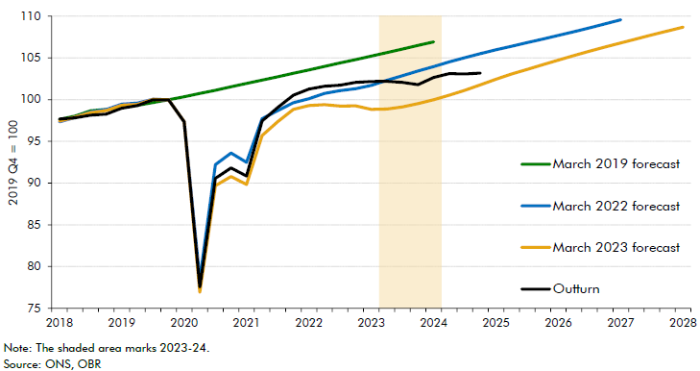

 |  | March 2019 forecast | March 2022 forecast | March 2023 forecast | Outturn
 | 2018 Q1 | 97.6 | 97.3 | 97.4 | 97.7
 | 2018 Q2 | 98.0 | 97.9 | 97.9 | 97.8
 | 2018 Q3 | 98.7 | 98.5 | 98.4 | 98.1
 | 2018 Q4 | 98.8 | 98.8 | 98.7 | 98.3
 | 2019 Q1 | 99.0 | 99.5 | 99.3 | 99.0
 | 2019 Q2 | 99.3 | 99.6 | 99.4 | 99.3
 | 2019 Q3 | 99.7 | 100.0 | 100.0 | 100.0
 | 2019 Q4 | 100.0 | 100.0 | 100.0 | 100.0
 | 2020 Q1 | 100.3 | 97.4 | 97.4 | 97.3
 | 2020 Q2 | 100.7 | 78.4 | 76.9 | 77.6
 | 2020 Q3 | 101.1 | 92.2 | 89.7 | 90.6
 | 2020 Q4 | 101.5 | 93.6 | 90.8 | 91.8
 | 2021 Q1 | 101.9 | 92.5 | 89.8 | 90.9
 | 2021 Q2 | 102.3 | 97.7 | 95.7 | 97.4
 | 2021 Q3 | 102.8 | 98.7 | 97.4 | 99.1
 | 2021 Q4 | 103.2 | 99.6 | 98.8 | 100.5
 | 2022 Q1 | 103.6 | 100.1 | 99.3 | 101.3
 | 2022 Q2 | 104.0 | 100.7 | 99.4 | 101.6
 | 2022 Q3 | 104.4 | 101.1 | 99.2 | 101.7
 | 2022 Q4 | 104.8 | 101.3 | 99.2 | 102.1
 | 2023 Q1 | 105.2 | 101.7 | 98.8 | 102.2
 | 2023 Q2 | 105.6 | 102.3 | 98.9 | 102.2
 | 2023 Q3 | 106.1 | 102.9 | 99.1 | 102.1
 | 2023 Q4 | 106.5 | 103.4 | 99.5 | 101.8
 | 2024 Q1 | 106.9 | 104.0 | 100.0 | 102.7
 | 2024 Q2 |  | 104.5 | 100.5 | 103.1
 | 2024 Q3 |  | 105.0 | 101.1 | 103.1
 | 2024 Q4 |  | 105.5 | 101.8 | 103.2
 | 2025 Q1 |  | 106.0 | 102.5
 | 2025 Q2 |  | 106.4 | 103.1
 | 2025 Q3 |  | 106.8 | 103.6
 | 2025 Q4 |  | 107.3 | 104.2
 | 2026 Q1 |  | 107.7 | 104.7
 | 2026 Q2 |  | 108.2 | 105.3
 | 2026 Q3 |  | 108.6 | 105.8
 | 2026 Q4 |  | 109.1 | 106.3
 | 2027 Q1 |  | 109.6 | 106.8
 | 2027 Q2 |  |  | 107.3
 | 2027 Q3 |  |  | 107.8
 | 2027 Q4 |  |  | 108.2
 | 2028 Q1 |  |  | 108.7

C3.1
Back to contents
 | Chart 3.1: Bank rate and oil prices
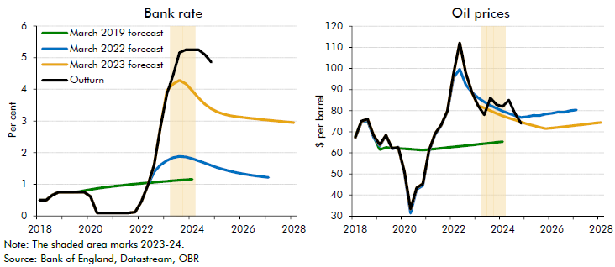

 | Bank Rate | March 2019 forecast | March 2022 forecast | March 2023 forecast | Outturn | Oil prices | March 2019 forecast | March 2022 forecast | March 2023 forecast | Outturn
 | 2018 Q1 | 0.5 | 0.5 | 0.5 | 0.5 | 2018 Q1 | 67.7 | 67.0 | 67.2 | 67.2
 | 2018 Q2 | 0.5 | 0.5 | 0.5 | 0.5 | 2018 Q2 | 74.5 | 74.5 | 74.9 | 75.0
 | 2018 Q3 | 0.7 | 0.7 | 0.7 | 0.7 | 2018 Q3 | 75.2 | 75.5 | 76.1 | 76.1
 | 2018 Q4 | 0.8 | 0.8 | 0.8 | 0.8 | 2018 Q4 | 67.7 | 67.4 | 68.3 | 68.2
 | 2019 Q1 | 0.8 | 0.8 | 0.8 | 0.8 | 2019 Q1 | 61.5 | 63.3 | 63.8 | 63.9
 | 2019 Q2 | 0.8 | 0.8 | 0.8 | 0.8 | 2019 Q2 | 62.6 | 68.3 | 68.4 | 68.4
 | 2019 Q3 | 0.8 | 0.8 | 0.8 | 0.8 | 2019 Q3 | 62.4 | 61.9 | 62.1 | 62.1
 | 2019 Q4 | 0.8 | 0.8 | 0.8 | 0.8 | 2019 Q4 | 62.1 | 62.7 | 62.6 | 62.6
 | 2020 Q1 | 0.8 | 0.6 | 0.6 | 0.6 | 2020 Q1 | 61.9 | 50.5 | 51.2 | 51.2
 | 2020 Q2 | 0.9 | 0.1 | 0.1 | 0.1 | 2020 Q2 | 61.8 | 31.4 | 33.4 | 33.4
 | 2020 Q3 | 0.9 | 0.1 | 0.1 | 0.1 | 2020 Q3 | 61.5 | 42.7 | 43.4 | 43.4
 | 2020 Q4 | 0.9 | 0.1 | 0.1 | 0.1 | 2020 Q4 | 61.3 | 44.5 | 45.3 | 45.3
 | 2021 Q1 | 0.9 | 0.1 | 0.1 | 0.1 | 2021 Q1 | 61.6 | 60.6 | 61.1 | 61.1
 | 2021 Q2 | 1.0 | 0.1 | 0.1 | 0.1 | 2021 Q2 | 61.9 | 68.6 | 69.1 | 69.1
 | 2021 Q3 | 1.0 | 0.1 | 0.1 | 0.1 | 2021 Q3 | 62.2 | 73.0 | 73.2 | 73.3
 | 2021 Q4 | 1.0 | 0.1 | 0.1 | 0.1 | 2021 Q4 | 62.5 | 79.5 | 79.8 | 79.8
 | 2022 Q1 | 1.0 | 0.5 | 0.5 | 0.5 | 2022 Q1 | 62.8 | 95.6 | 97.4 | 97.6
 | 2022 Q2 | 1.0 | 1.0 | 1.0 | 1.0 | 2022 Q2 | 63.1 | 99.6 | 112.0 | 112.1
 | 2022 Q3 | 1.1 | 1.4 | 1.6 | 1.6 | 2022 Q3 | 63.4 | 92.3 | 97.8 | 97.8
 | 2022 Q4 | 1.1 | 1.6 | 2.8 | 2.8 | 2022 Q4 | 63.7 | 88.6 | 88.5 | 88.8
 | 2023 Q1 | 1.1 | 1.7 | 4.0 | 3.9 | 2023 Q1 | 64.0 | 86.1 | 82.3 | 82.3
 | 2023 Q2 | 1.1 | 1.8 | 4.2 | 4.5 | 2023 Q2 | 64.3 | 84.1 | 81.3 | 78.0
 | 2023 Q3 | 1.1 | 1.9 | 4.3 | 5.2 | 2023 Q3 | 64.7 | 82.4 | 80.0 | 86.1
 | 2023 Q4 | 1.1 | 1.9 | 4.2 | 5.3 | 2023 Q4 | 65.0 | 81.1 | 78.7 | 82.8
 | 2024 Q1 | 1.2 | 1.8 | 4.0 | 5.3 | 2024 Q1 | 65.3 | 79.8 | 77.5 | 81.9
 | 2024 Q2 |  | 1.7 | 3.7 | 5.3 | 2024 Q2 |  | 78.6 | 76.5 | 85.0
 | 2024 Q3 |  | 1.7 | 3.5 | 5.1 | 2024 Q3 |  | 77.7 | 75.6 | 78.7
 | 2024 Q4 |  | 1.6 | 3.4 | 4.9 | 2024 Q4 |  | 76.8 | 74.6 | 74.0
 | 2025 Q1 |  | 1.5 | 3.3 |  | 2025 Q1 |  | 77.2 | 73.7
 | 2025 Q2 |  | 1.5 | 3.2 |  | 2025 Q2 |  | 77.7 | 72.9
 | 2025 Q3 |  | 1.4 | 3.2 |  | 2025 Q3 |  | 77.7 | 72.2
 | 2025 Q4 |  | 1.4 | 3.1 |  | 2025 Q4 |  | 78.4 | 71.4
 | 2026 Q1 |  | 1.3 | 3.1 |  | 2026 Q1 |  | 78.8 | 71.8
 | 2026 Q2 |  | 1.3 | 3.1 |  | 2026 Q2 |  | 79.3 | 72.1
 | 2026 Q3 |  | 1.3 | 3.1 |  | 2026 Q3 |  | 79.3 | 72.4
 | 2026 Q4 |  | 1.2 | 3.0 |  | 2026 Q4 |  | 80.0 | 72.7
 | 2027 Q1 |  | 1.2 | 3.0 |  | 2027 Q1 |  | 80.4 | 73.1
 | 2027 Q2 |  |  | 3.0 |  | 2027 Q2 |  |  | 73.4
 | 2027 Q3 |  |  | 3.0 |  | 2027 Q3 |  |  | 73.7
 | 2027 Q4 |  |  | 3.0 |  | 2027 Q4 |  |  | 74.1
 | 2028 Q1 |  |  | 3.0 |  | 2028 Q1 |  |  | 74.4

C3.3
Back to contents
 | Chart 3.3: CPI inflation rate and level
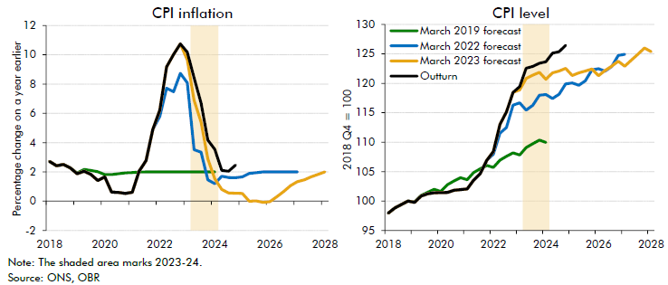

 | CPI inflation | March 2019 forecast | March 2022 forecast | March 2023 forecast | Outturn | CPI level | March 2019 forecast | March 2022 forecast | March 2023 forecast | Outturn
 | 2018 Q1 | 2.7 | 2.7 | 2.7 | 2.7 | 2018 Q1 | 97.9 | 97.9 | 97.9 | 97.9
 | 2018 Q2 | 2.4 | 2.4 | 2.4 | 2.4 | 2018 Q2 | 98.8 | 98.8 | 98.8 | 98.8
 | 2018 Q3 | 2.5 | 2.5 | 2.5 | 2.5 | 2018 Q3 | 99.4 | 99.4 | 99.4 | 99.4
 | 2018 Q4 | 2.3 | 2.3 | 2.3 | 2.3 | 2018 Q4 | 100.0 | 100.0 | 100.0 | 100.0
 | 2019 Q1 | 1.9 | 1.9 | 1.9 | 1.9 | 2019 Q1 | 99.8 | 99.8 | 99.8 | 99.8
 | 2019 Q2 | 2.2 | 2.0 | 2.0 | 2.0 | 2019 Q2 | 101.0 | 100.8 | 100.8 | 100.8
 | 2019 Q3 | 2.1 | 1.8 | 1.8 | 1.8 | 2019 Q3 | 101.5 | 101.2 | 101.2 | 101.2
 | 2019 Q4 | 2.0 | 1.4 | 1.4 | 1.4 | 2019 Q4 | 102.0 | 101.4 | 101.4 | 101.4
 | 2020 Q1 | 1.8 | 1.7 | 1.7 | 1.7 | 2020 Q1 | 101.6 | 101.4 | 101.4 | 101.4
 | 2020 Q2 | 1.8 | 0.6 | 0.6 | 0.6 | 2020 Q2 | 102.8 | 101.5 | 101.5 | 101.5
 | 2020 Q3 | 1.9 | 0.6 | 0.6 | 0.6 | 2020 Q3 | 103.4 | 101.8 | 101.8 | 101.8
 | 2020 Q4 | 1.9 | 0.5 | 0.5 | 0.5 | 2020 Q4 | 104.0 | 102.0 | 102.0 | 102.0
 | 2021 Q1 | 2.0 | 0.6 | 0.6 | 0.6 | 2021 Q1 | 103.6 | 102.1 | 102.1 | 102.1
 | 2021 Q2 | 2.0 | 2.1 | 2.1 | 2.1 | 2021 Q2 | 104.8 | 103.5 | 103.5 | 103.5
 | 2021 Q3 | 2.0 | 2.8 | 2.8 | 2.8 | 2021 Q3 | 105.5 | 104.7 | 104.7 | 104.7
 | 2021 Q4 | 2.0 | 4.9 | 4.9 | 4.9 | 2021 Q4 | 106.1 | 107.0 | 107.0 | 107.0
 | 2022 Q1 | 2.0 | 5.8 | 6.2 | 6.2 | 2022 Q1 | 105.7 | 108.0 | 108.4 | 108.4
 | 2022 Q2 | 2.0 | 7.7 | 9.2 | 9.2 | 2022 Q2 | 106.9 | 111.5 | 113.0 | 113.0
 | 2022 Q3 | 2.0 | 7.5 | 10.0 | 10.0 | 2022 Q3 | 107.6 | 112.5 | 115.1 | 115.1
 | 2022 Q4 | 2.0 | 8.7 | 10.7 | 10.7 | 2022 Q4 | 108.2 | 116.3 | 118.5 | 118.5
 | 2023 Q1 | 2.0 | 8.1 | 9.7 | 10.2 | 2023 Q1 | 107.8 | 116.7 | 118.9 | 119.4
 | 2023 Q2 | 2.0 | 3.5 | 6.9 | 8.4 | 2023 Q2 | 109.1 | 115.5 | 120.8 | 122.6
 | 2023 Q3 | 2.0 | 3.4 | 5.4 | 6.7 | 2023 Q3 | 109.7 | 116.3 | 121.4 | 122.9
 | 2023 Q4 | 2.0 | 1.5 | 2.9 | 4.2 | 2023 Q4 | 110.3 | 118.0 | 121.9 | 123.4
 | 2024 Q1 | 2.0 | 1.2 | 1.5 | 3.5 | 2024 Q1 | 110.0 | 118.1 | 120.7 | 123.7
 | 2024 Q2 |  | 1.7 | 0.8 | 2.1 | 2024 Q2 |  | 117.4 | 121.8 | 125.1
 | 2024 Q3 |  | 1.6 | 0.6 | 2.0 | 2024 Q3 |  | 118.1 | 122.1 | 125.4
 | 2024 Q4 |  | 1.6 | 0.5 | 2.5 | 2024 Q4 |  | 119.9 | 122.5 | 126.4
 | 2025 Q1 |  | 1.7 | 0.5 |  | 2025 Q1 |  | 120.1 | 121.3
 | 2025 Q2 |  | 1.9 | 0.0 |  | 2025 Q2 |  | 119.7 | 121.8
 | 2025 Q3 |  | 1.9 | 0.0 |  | 2025 Q3 |  | 120.4 | 122.1
 | 2025 Q4 |  | 2.0 | -0.1 |  | 2025 Q4 |  | 122.3 | 122.4
 | 2026 Q1 |  | 2.0 | 0.0 |  | 2026 Q1 |  | 122.5 | 121.3
 | 2026 Q2 |  | 2.0 | 0.3 |  | 2026 Q2 |  | 122.1 | 122.2
 | 2026 Q3 |  | 2.0 | 0.7 |  | 2026 Q3 |  | 122.8 | 122.9
 | 2026 Q4 |  | 2.0 | 1.1 |  | 2026 Q4 |  | 124.7 | 123.7
 | 2027 Q1 |  | 2.0 | 1.3 |  | 2027 Q1 |  | 124.9 | 122.9
 | 2027 Q2 |  |  | 1.5 |  | 2027 Q2 |  |  | 123.9
 | 2027 Q3 |  |  | 1.7 |  | 2027 Q3 |  |  | 124.9
 | 2027 Q4 |  |  | 1.8 |  | 2027 Q4 |  |  | 126.0
 | 2028 Q1 |  |  | 2.0 |  | 2028 Q1 |  |  | 125.4

C3.4
Back to contents
 | Chart 3.4: Employment rate
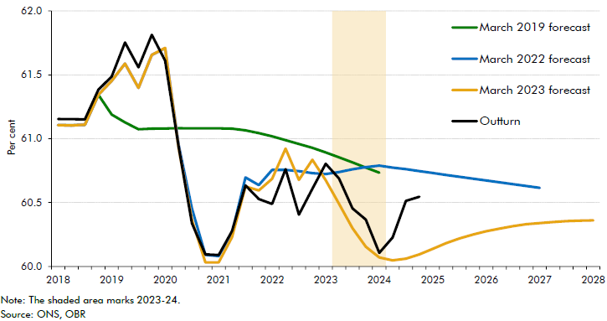

 |  | March 2019 forecast | March 2022 forecast | March 2023 forecast | Outturn
 | 2018 Q1 | 61.1 | 61.1 | 61.1 | 61.2
 | 2018 Q2 | 61.1 | 61.1 | 61.1 | 61.2
 | 2018 Q3 | 61.1 | 61.1 | 61.1 | 61.2
 | 2018 Q4 | 61.3 | 61.3 | 61.3 | 61.4
 | 2019 Q1 | 61.2 | 61.5 | 61.5 | 61.5
 | 2019 Q2 | 61.1 | 61.6 | 61.6 | 61.8
 | 2019 Q3 | 61.1 | 61.4 | 61.4 | 61.6
 | 2019 Q4 | 61.1 | 61.7 | 61.7 | 61.8
 | 2020 Q1 | 61.1 | 61.7 | 61.7 | 61.6
 | 2020 Q2 | 61.1 | 61.0 | 60.9 | 60.9
 | 2020 Q3 | 61.1 | 60.5 | 60.4 | 60.3
 | 2020 Q4 | 61.1 | 60.1 | 60.0 | 60.1
 | 2021 Q1 | 61.1 | 60.1 | 60.0 | 60.1
 | 2021 Q2 | 61.1 | 60.3 | 60.2 | 60.3
 | 2021 Q3 | 61.1 | 60.7 | 60.6 | 60.6
 | 2021 Q4 | 61.0 | 60.6 | 60.6 | 60.5
 | 2022 Q1 | 61.0 | 60.8 | 60.7 | 60.5
 | 2022 Q2 | 61.0 | 60.8 | 60.9 | 60.8
 | 2022 Q3 | 61.0 | 60.7 | 60.7 | 60.4
 | 2022 Q4 | 60.9 | 60.7 | 60.8 | 60.6
 | 2023 Q1 | 60.9 | 60.7 | 60.7 | 60.8
 | 2023 Q2 | 60.9 | 60.7 | 60.5 | 60.7
 | 2023 Q3 | 60.8 | 60.8 | 60.3 | 60.5
 | 2023 Q4 | 60.8 | 60.8 | 60.2 | 60.4
 | 2024 Q1 | 60.7 | 60.8 | 60.1 | 60.1
 | 2024 Q2 |  | 60.8 | 60.0 | 60.2
 | 2024 Q3 |  | 60.8 | 60.1 | 60.5
 | 2024 Q4 |  | 60.7 | 60.1 | 60.5
 | 2025 Q1 |  | 60.7 | 60.1
 | 2025 Q2 |  | 60.7 | 60.2
 | 2025 Q3 |  | 60.7 | 60.2
 | 2025 Q4 |  | 60.7 | 60.2
 | 2026 Q1 |  | 60.7 | 60.3
 | 2026 Q2 |  | 60.7 | 60.3
 | 2026 Q3 |  | 60.6 | 60.3
 | 2026 Q4 |  | 60.6 | 60.3
 | 2027 Q1 |  | 60.6 | 60.3
 | 2027 Q2 |  |  | 60.3
 | 2027 Q3 |  |  | 60.4
 | 2027 Q4 |  |  | 60.4
 | 2028 Q1 |  |  | 60.4

C3.5
Back to contents
 | Chart 3.5: Nominal GDP level
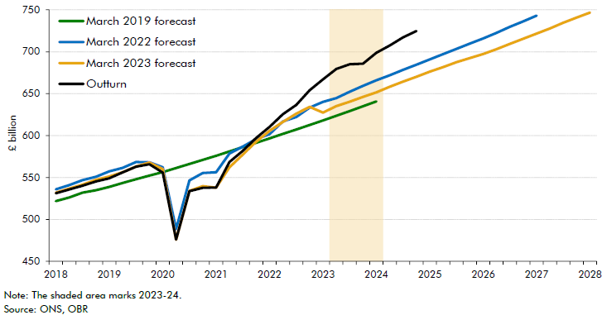

 |  | March 2019 forecast | March 2022 forecast | March 2023 forecast | Outturn
 | 2018 Q1 | 521.8 | 535.9 | 531.9 | 531.1
 | 2018 Q2 | 526.1 | 540.9 | 536.8 | 535.7
 | 2018 Q3 | 531.9 | 546.8 | 541.5 | 540.2
 | 2018 Q4 | 534.9 | 550.8 | 547.3 | 545.3
 | 2019 Q1 | 538.8 | 557.2 | 551.1 | 549.1
 | 2019 Q2 | 543.5 | 561.5 | 556.3 | 556.1
 | 2019 Q3 | 548.0 | 568.4 | 563.2 | 563.0
 | 2019 Q4 | 552.2 | 568.1 | 567.7 | 565.8
 | 2020 Q1 | 556.4 | 562.2 | 559.9 | 555.9
 | 2020 Q2 | 561.2 | 488.6 | 475.9 | 476.2
 | 2020 Q3 | 566.1 | 546.5 | 534.2 | 533.8
 | 2020 Q4 | 571.0 | 555.3 | 539.7 | 537.6
 | 2021 Q1 | 575.9 | 556.3 | 537.9 | 538.0
 | 2021 Q2 | 581.1 | 578.6 | 562.2 | 568.5
 | 2021 Q3 | 586.3 | 586.9 | 577.4 | 581.8
 | 2021 Q4 | 591.4 | 595.9 | 592.7 | 597.1
 | 2022 Q1 | 596.6 | 601.7 | 605.5 | 610.3
 | 2022 Q2 | 602.0 | 616.8 | 616.3 | 625.5
 | 2022 Q3 | 607.3 | 622.2 | 626.1 | 636.6
 | 2022 Q4 | 612.6 | 633.3 | 634.2 | 654.1
 | 2023 Q1 | 618.0 | 640.3 | 627.4 | 667.1
 | 2023 Q2 | 623.6 | 644.7 | 635.1 | 679.4
 | 2023 Q3 | 629.3 | 652.3 | 640.3 | 685.0
 | 2023 Q4 | 635.0 | 659.4 | 646.2 | 685.7
 | 2024 Q1 | 640.7 | 666.0 | 651.6 | 698.8
 | 2024 Q2 |  | 671.9 | 658.2 | 707.4
 | 2024 Q3 |  | 678.4 | 664.3 | 717.1
 | 2024 Q4 |  | 684.6 | 670.0 | 724.7
 | 2025 Q1 |  | 690.8 | 676.2
 | 2025 Q2 |  | 697.1 | 681.7
 | 2025 Q3 |  | 703.5 | 687.6
 | 2025 Q4 |  | 709.6 | 692.5
 | 2026 Q1 |  | 715.9 | 697.3
 | 2026 Q2 |  | 722.4 | 703.1
 | 2026 Q3 |  | 729.7 | 709.4
 | 2026 Q4 |  | 736.2 | 715.4
 | 2027 Q1 |  | 743.0 | 721.6
 | 2027 Q2 |  |  | 727.8
 | 2027 Q3 |  |  | 734.5
 | 2027 Q4 |  |  | 740.8
 | 2028 Q1 |  |  | 746.7

C3.6
Back to contents
 | Chart 3.6: Borrowing as a share of GDP
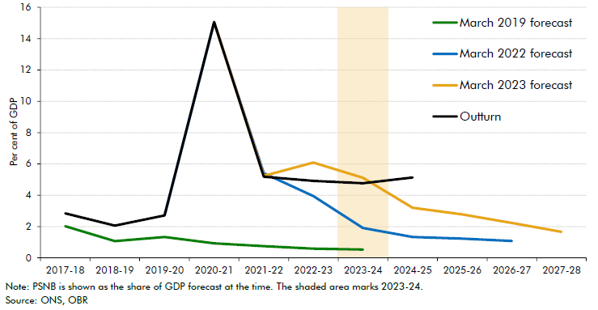

 | Year | March 2019 forecast | March 2022 forecast | March 2023 forecast | Outturn
 | 2017-18 | 2.0 |  |  | 2.8
 | 2018-19 | 1.1 |  |  | 2.1
 | 2019-20 | 1.3 | 2.7 |  | 2.7
 | 2020-21 | 0.9 | 15.0 | 15.1 | 15.1
 | 2021-22 | 0.7 | 5.4 | 5.2 | 5.2
 | 2022-23 | 0.6 | 3.9 | 6.1 | 4.9
 | 2023-24 | 0.5 | 1.9 | 5.1 | 4.8
 | 2024-25 |  | 1.3 | 3.2 | 5.1
 | 2025-26 |  | 1.2 | 2.8
 | 2026-27 |  | 1.1 | 2.2
 | 2027-28 |  |  | 1.7

C3.8
Back to contents
 | Chart 3.8: Receipts as a share of GDP
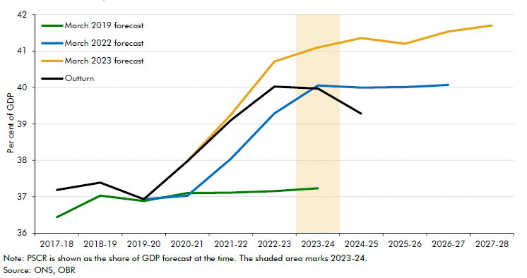

 | Year | March 2019 forecast | March 2022 forecast | March 2023 forecast | Outturn
 | 2017-18 | 36.4 |  |  | 37.2
 | 2018-19 | 37.0 |  |  | 37.4
 | 2019-20 | 36.9 | 36.9 |  | 36.9
 | 2020-21 | 37.1 | 37.0 | 38.0 | 38.0
 | 2021-22 | 37.1 | 38.0 | 39.3 | 39.1
 | 2022-23 | 37.2 | 39.3 | 40.7 | 40.0
 | 2023-24 | 37.2 | 40.1 | 41.1 | 40.0
 | 2024-25 |  | 40.0 | 41.4 | 39.3
 | 2025-26 |  | 40.0 | 41.2
 | 2026-27 |  | 40.1 | 41.5
 | 2027-28 |  |  | 41.7

C3.9
Back to contents
 | Chart 3.9: Contributions to the forecast difference for PSCR by tax and determinant
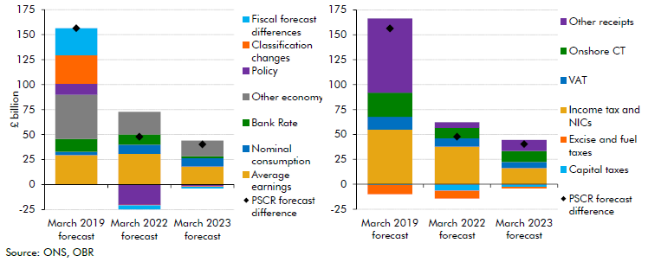

 | Date | March 2019 forecast | March 2022 forecast | March 2023 forecast | Date | March 2019 forecast | March 2022 forecast | March 2023 forecast
 | Fiscal forecast differences | 26.9 | -4.1 | -1.5 | Other receipts | 74.6 | 5.5 | 11.1
 | Classification changes | 28.5 | -0.5 | -0.6 | Onshore CT | 24.4 | 10.4 | 11.0
 | Policy | 11.1 | -20.4 | -1.6 | VAT | 12.8 | 8.4 | 6.2
 | Other economy | 44.2 | 22.6 | 15.6 | Income tax and NICs | 54.8 | 37.9 | 16.2
 | Bank Rate | 12.9 | 10.4 | 2.0 | Excise and fuel taxes | -9.3 | -7.9 | -1.5
 | Nominal consumption | 3.4 | 9.1 | 8.5 | Capital taxes | -0.8 | -6.5 | -2.6
 | Average earnings | 29.4 | 30.7 | 18.0 | PSCR forecast difference | 156.4 | 47.8 | 40.3
 | PSCR forecast difference | 156.4 | 47.8 | 40.3

C3.10
Back to contents
 | Chart 3.10: Spending as a share of GDP
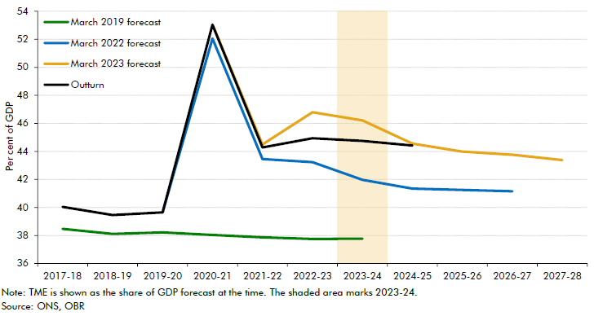

 | Year | March 2019 forecast | March 2022 forecast | March 2023 forecast | Outturn
 | 2017-18 | 38.5 |  |  | 40.0
 | 2018-19 | 38.1 |  |  | 39.5
 | 2019-20 | 38.2 | 39.6 |  | 39.6
 | 2020-21 | 38.0 | 52.1 | 53.0 | 53.0
 | 2021-22 | 37.9 | 43.4 | 44.5 | 44.3
 | 2022-23 | 37.7 | 43.2 | 46.8 | 44.9
 | 2023-24 | 37.8 | 42.0 | 46.2 | 44.7
 | 2024-25 |  | 41.3 | 44.6 | 44.4
 | 2025-26 |  | 41.2 | 44.0
 | 2026-27 |  | 41.1 | 43.8
 | 2027-28 |  |  | 43.4

C3.11
Back to contents
 | Chart 3.11: Contributions to overall forecast differences for TME
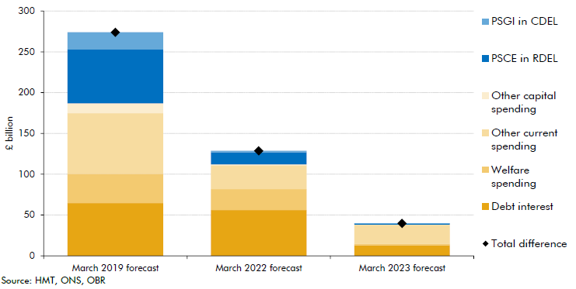

 | Heading | March 2019 forecast | March 2022 forecast | March 2023 forecast
 | PSGI in CDEL | 21.2 | 1.9 | 0.5
 | PSCE in RDEL | 65.9 | 14.7 | 1.0
 | Other current spending | 74.4 | 29.2 | 23.1
 | Other capital spending | 12.1 | 1.0 | 0.4
 | Welfare spending | 35.9 | 25.6 | 1.8
 | Debt interest | 64.6 | 56.3 | 12.9
 | Total difference | 274.0 | 128.7 | 39.8

C3.A
Back to contents
 | Chart A: Sources of difference in the March 2023 forecast for other current spending in 2023-24
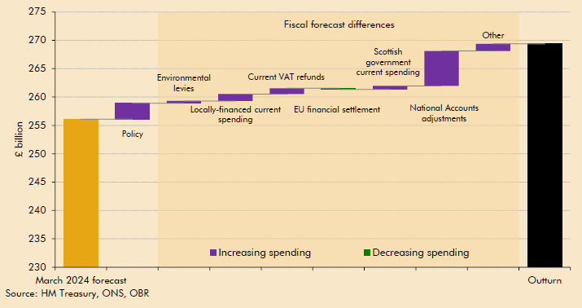

 | March 2023 forecast | Classification changes | Policy changes | Environmental levies fiscal forecasting | Locally-financed current spending | Current VAT refunds fiscal forecasting | EU financial settlement fiscal forecasting | Scottish Government current expenditure fiscal forecasting | National Accounts adjustments | Other | Outturn
 | 245.4 | 6.8 | 0.4 | 4.0 | 2.0 | 1.9 | 1.2 | 1.1 | 4.1 | 1.7 | 268.5

 | Correction notice: Due to the correction of a spreadsheet error, Chart A (Box 3.1) contains corrected values for the impacts of classification in explaining successive forecast and outturn differences for environmental levies. This change affects the explanation but not the level of the overall difference between forecast and outturn. It affects the split of the other current spending difference reported in Chart A (Box 3.1). Following this correction: • In March 2023, £6.8 billion of the other current spending difference between outturn and forecast is due to classification changes and £16.0 billion due to fiscal forecast differences. • In paragraph 1.12, the contribution from classification changes is £20.5 billion and £14.4 billion from fiscal forecast differences. • In paragraph 3.29, the classification changes explain £40.4 billion spending than forecast (the rest of the numbers in this paragraph are not impacted) • In paragraph 3.30, the reported fiscal forecast difference between the March 2023 forecast and outturn across other current spending should be £16.0 billion. • Box 3.1 should report a £6.8 billion classification effect and a £4.0 billion underestimate of environmental levies. • In Chart A of Box 3.1, the difference due to classification is £6.8 billion and the difference due to fiscal forecast is £16.0 billion. This does not affect our conclusion in Box 3.1 that there are still large one-year ahead fiscal forecast differences for spending concentrated in National Accounts adjustments and locally-financed current spending.

C3.B
Back to contents
 | Chart B: Preliminary analysis of sources of difference in the March 2024 forecast for other current spending in 2024-25
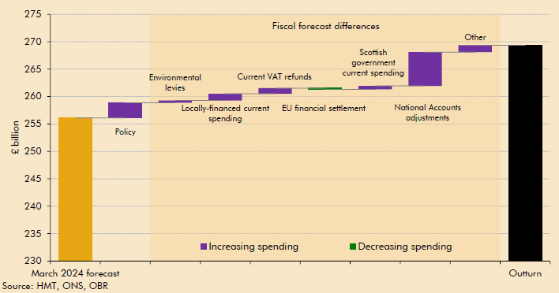

 | March 2024 forecast | Policy | Environmental levies | Locally-financed current spending | Current VAT refunds | EU financial settlement | Scottish government current spending | National Accounts adjustments | Other | Outturn
 | 256.1 | 2.8 | 0.4 | 1.2 | 1.0 | -0.2 | 0.6 | 6.1 | 1.3 | 269.4

C3.12
Back to contents
 | Chart 3.12: Debt as a share of GDP
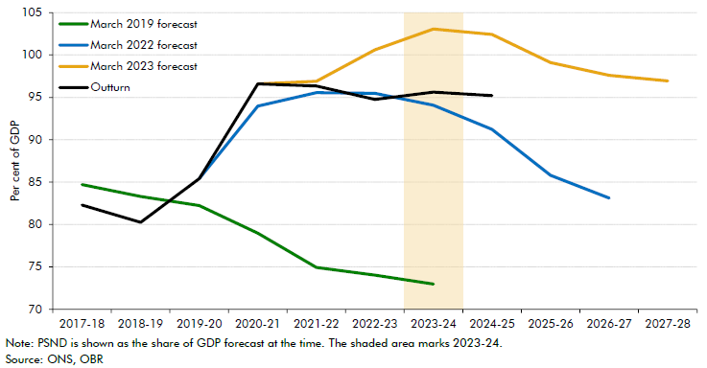

 | Year | March 2019 forecast | March 2022 forecast | March 2023 forecast | Outturn
 | 2017-18 | 84.7 |  |  | 82.3
 | 2018-19 | 83.3 |  |  | 80.2
 | 2019-20 | 82.2 | 85.4 |  | 85.4
 | 2020-21 | 79.0 | 94.0 | 96.6 | 96.6
 | 2021-22 | 74.9 | 95.6 | 96.9 | 96.4
 | 2022-23 | 74.0 | 95.5 | 100.6 | 94.8
 | 2023-24 | 73.0 | 94.1 | 103.1 | 95.6
 | 2024-25 |  | 91.2 | 102.4 | 95.2
 | 2025-26 |  | 85.8 | 99.1
 | 2026-27 |  | 83.1 | 97.6
 | 2027-28 |  |  | 96.9

C3.13
Back to contents
 | Chart 3.13: Contributions to the changes in debt forecasts and 2023-24 outturn
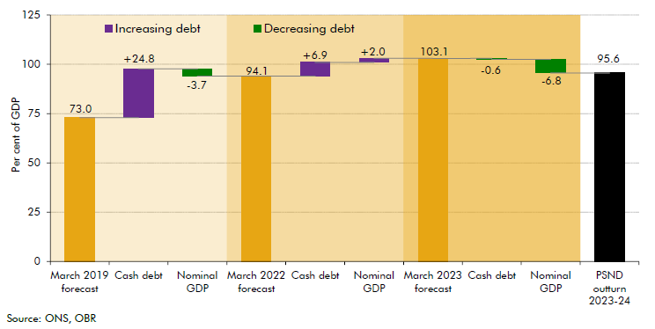

 | March 2019 forecast | Cash debt | Nominal GDP | March 2022 forecast | Cash debt | Nominal GDP | March 2023 forecast | Cash debt | Nominal GDP | PSND outturn 2023-24
 | 73.0 | 24.8 | -3.7 | 94.1 | 6.9 | 2.0 | 103.1 | -0.6 | -6.8 | 95.6

