Dashboard
Profit by Market & Cookie Type
 | Snickerdoodle
India | $87,013
United Kingdom | $85,143
Malaysia | $68,060
United States | $64,548
Philippines | $62,360
% of Total Units Sold by Country
 | Total
India | 23.70%
United Kingdom | 23.19%
Malaysia | 18.54%
United States | 17.58%
Philippines | 16.99%
Performance Dashboard

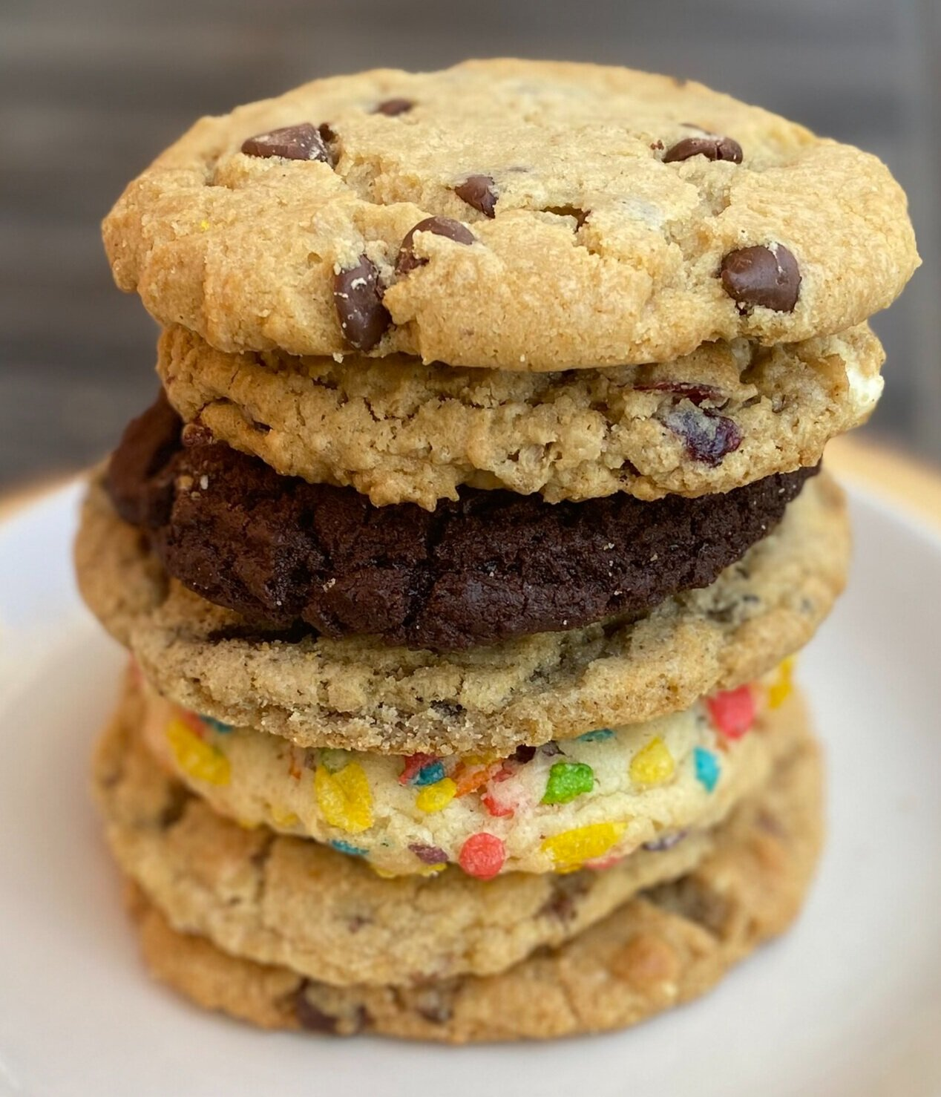

Profit by Month
 | Total
Sep | $124,813
Oct | $228,276
Nov | $160,228
Dec | $136,338
Jan | $171,318
Feb | $135,968
Mar | $129,483
Apr | $196,766
May | $126,857
Jun | $250,815
Jul | $173,934
Aug | $153,357
Sep | $140,966
Oct | $256,211
Nov | $129,609
Dec | $248,427
Units Sold Each Month
 | Total
Sep | 50,601.00
Oct | 95,622.00
Nov | 65,481.00
Dec | 52,970.00
Jan | 67,841.00
Feb | 55,115.00
Mar | 53,420.00
Apr | 78,893.00
May | 51,771.00
Jun | 103,302.00
Jul | 69,355.00
Aug | 60,705.00
Sep | 57,280.00
Oct | 105,482.00
Nov | 55,650.00
Dec | 102,336.00

Units Sold Each Month
Units sold each month
Row Labels | Sum of Units Sold
2019 | 264,674.00
Sep | 50,601.00
Oct | 95,622.00
Nov | 65,481.00
Dec | 52,970.00
2020 | 861,150.00
Jan | 67,841.00
Feb | 55,115.00
Mar | 53,420.00
Apr | 78,893.00
May | 51,771.00
Jun | 103,302.00
Jul | 69,355.00
Aug | 60,705.00
Sep | 57,280.00
Oct | 105,482.00
Nov | 55,650.00
Dec | 102,336.00
Grand Total | 1,125,824.00

Profit by Month
Profit by month
Row Labels | Sum of Profit
2019 | $649,654
Sep | $124,813
Oct | $228,276
Nov | $160,228
Dec | $136,338
2020 | $2,113,710
Jan | $171,318
Feb | $135,968
Mar | $129,483
Apr | $196,766
May | $126,857
Jun | $250,815
Jul | $173,934
Aug | $153,357
Sep | $140,966
Oct | $256,211
Nov | $129,609
Dec | $248,427
Grand Total | $2,763,364

Profit by Country and Cookie
Sum of Profit | Column Labels
Row Labels | Snickerdoodle | Grand Total
India | $87,013 | $87,013
United Kingdom | $85,143 | $85,143
Malaysia | $68,060 | $68,060
United States | $64,548 | $64,548
Philippines | $62,360 | $62,360
Grand Total | $367,123 | $367,123
Profit by Market & Cookie Type

Proportion of the Units Sold
% of total units sold by Country
Row Labels | Proportion of Units Sold
India | 23.70%
United Kingdom | 23.19%
Malaysia | 18.54%
United States | 17.58%
Philippines | 16.99%
Grand Total | 100.00%

