150 bands
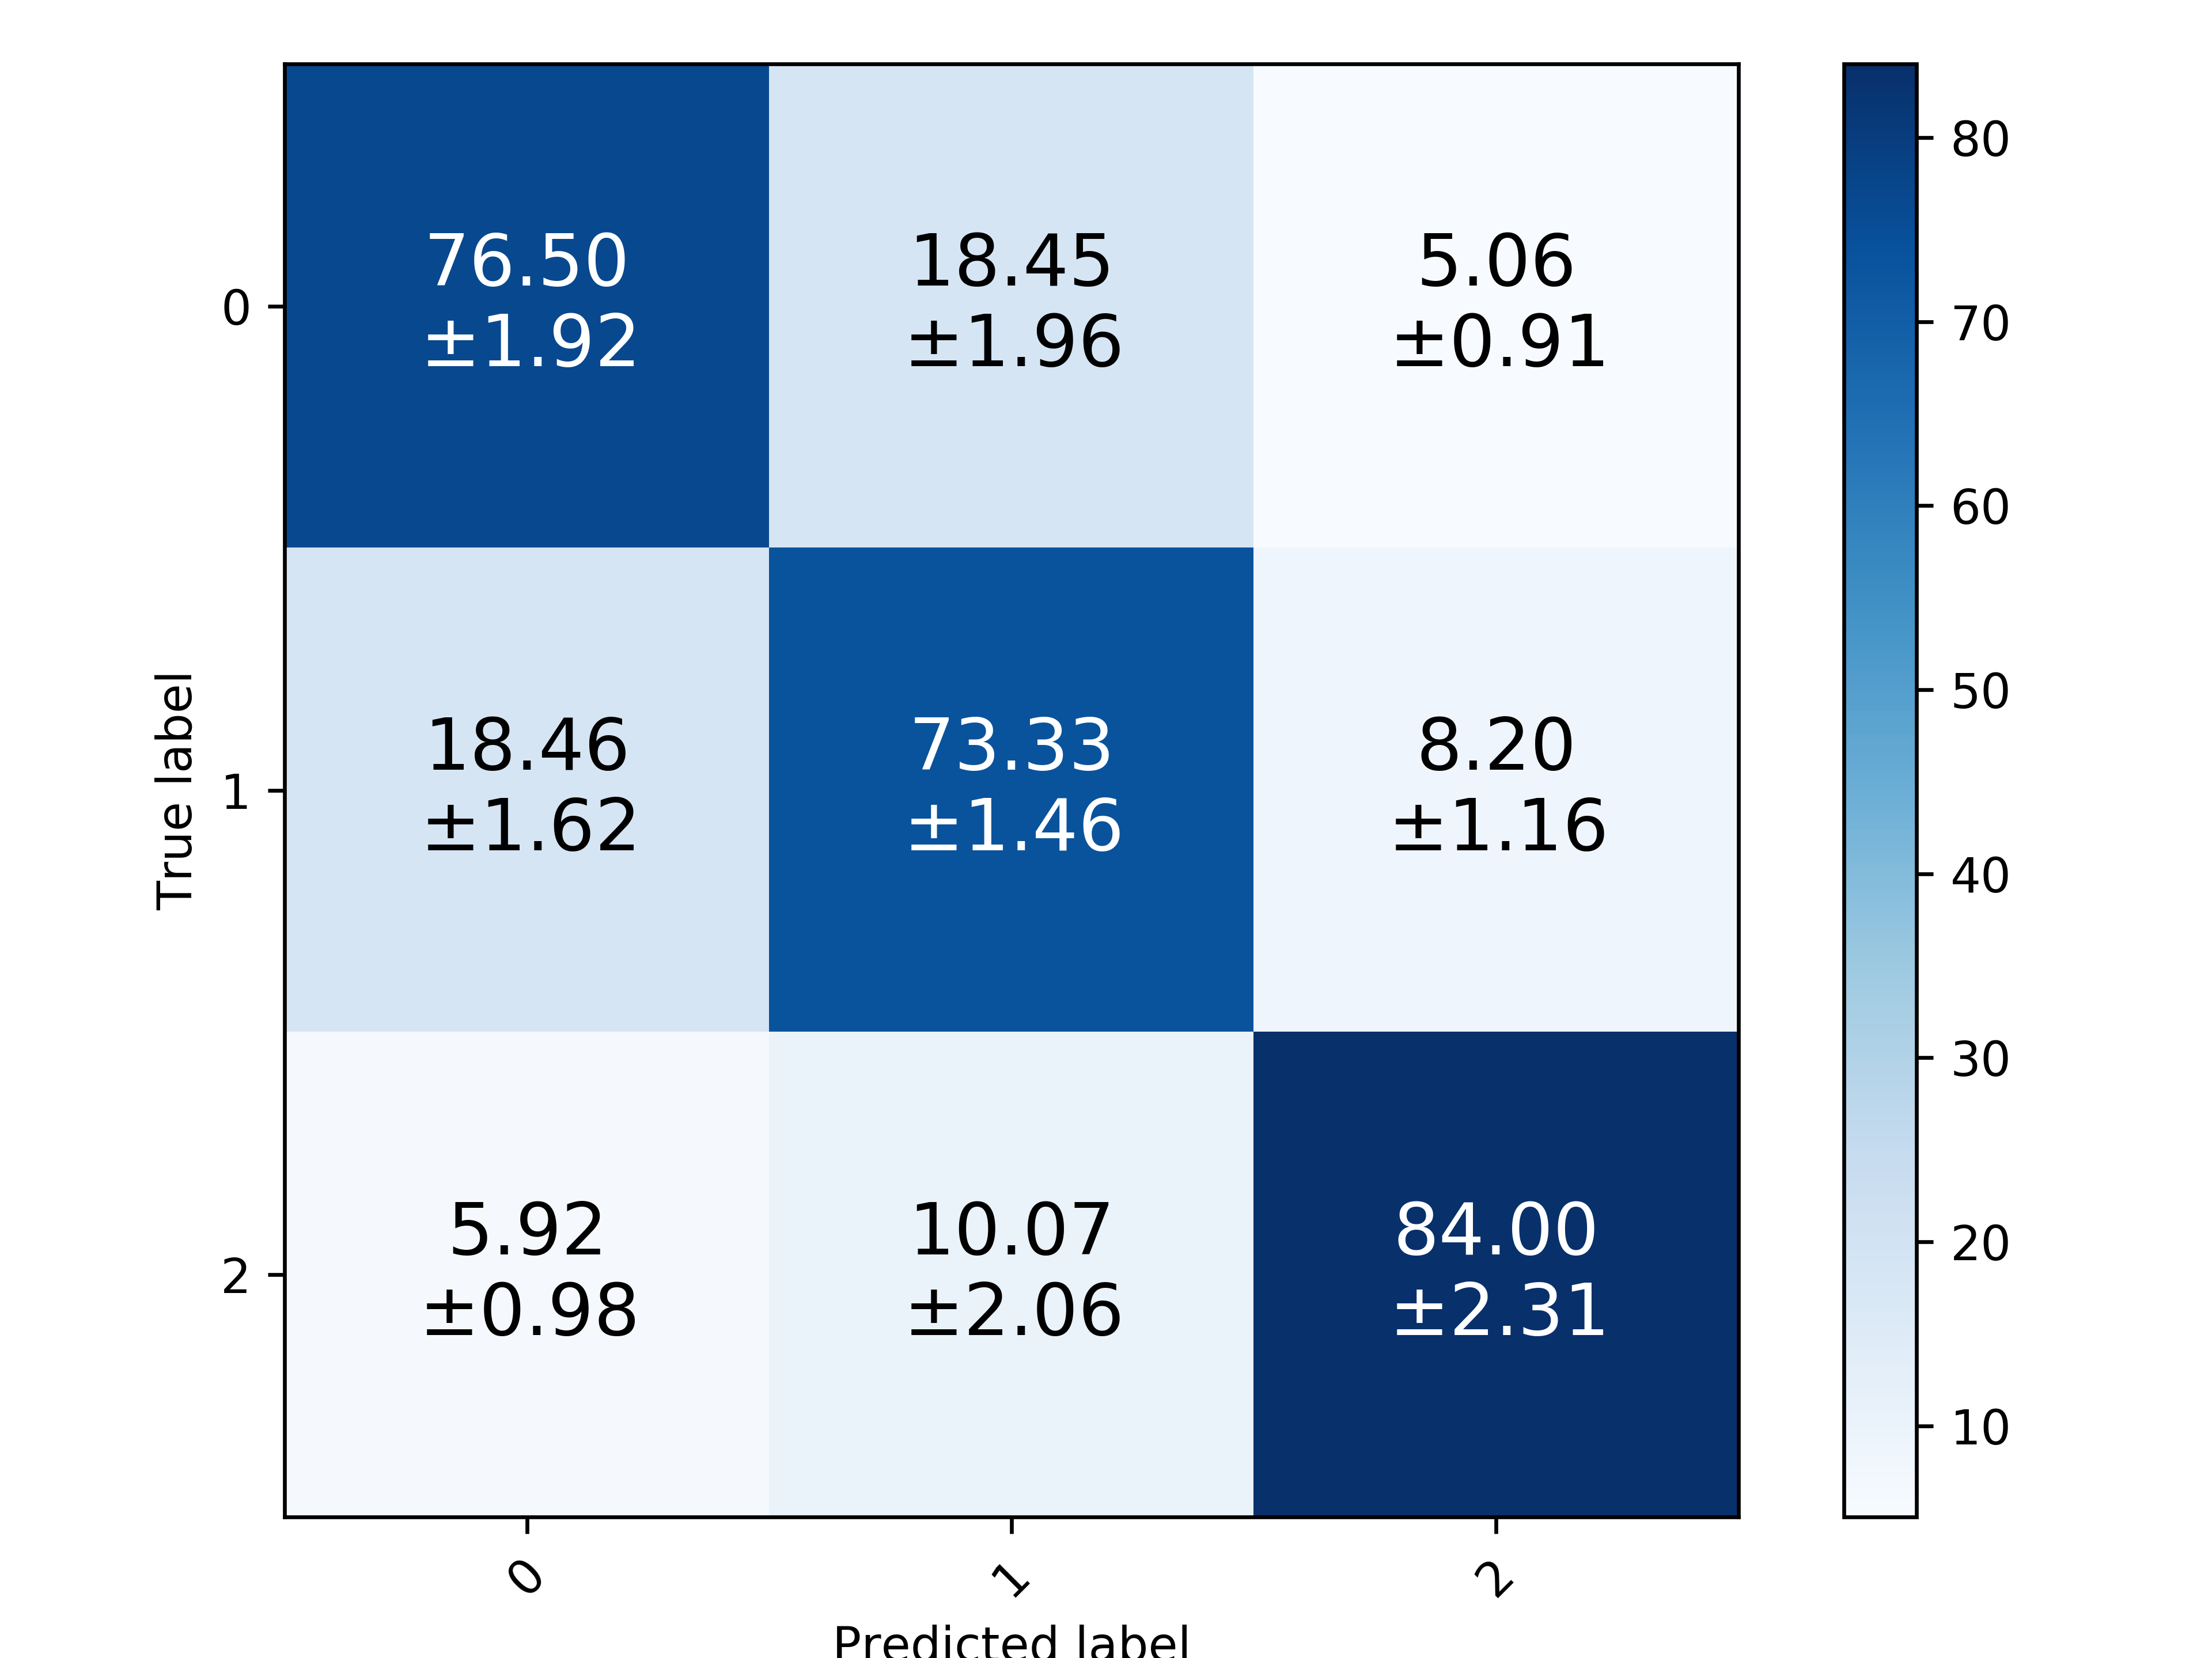
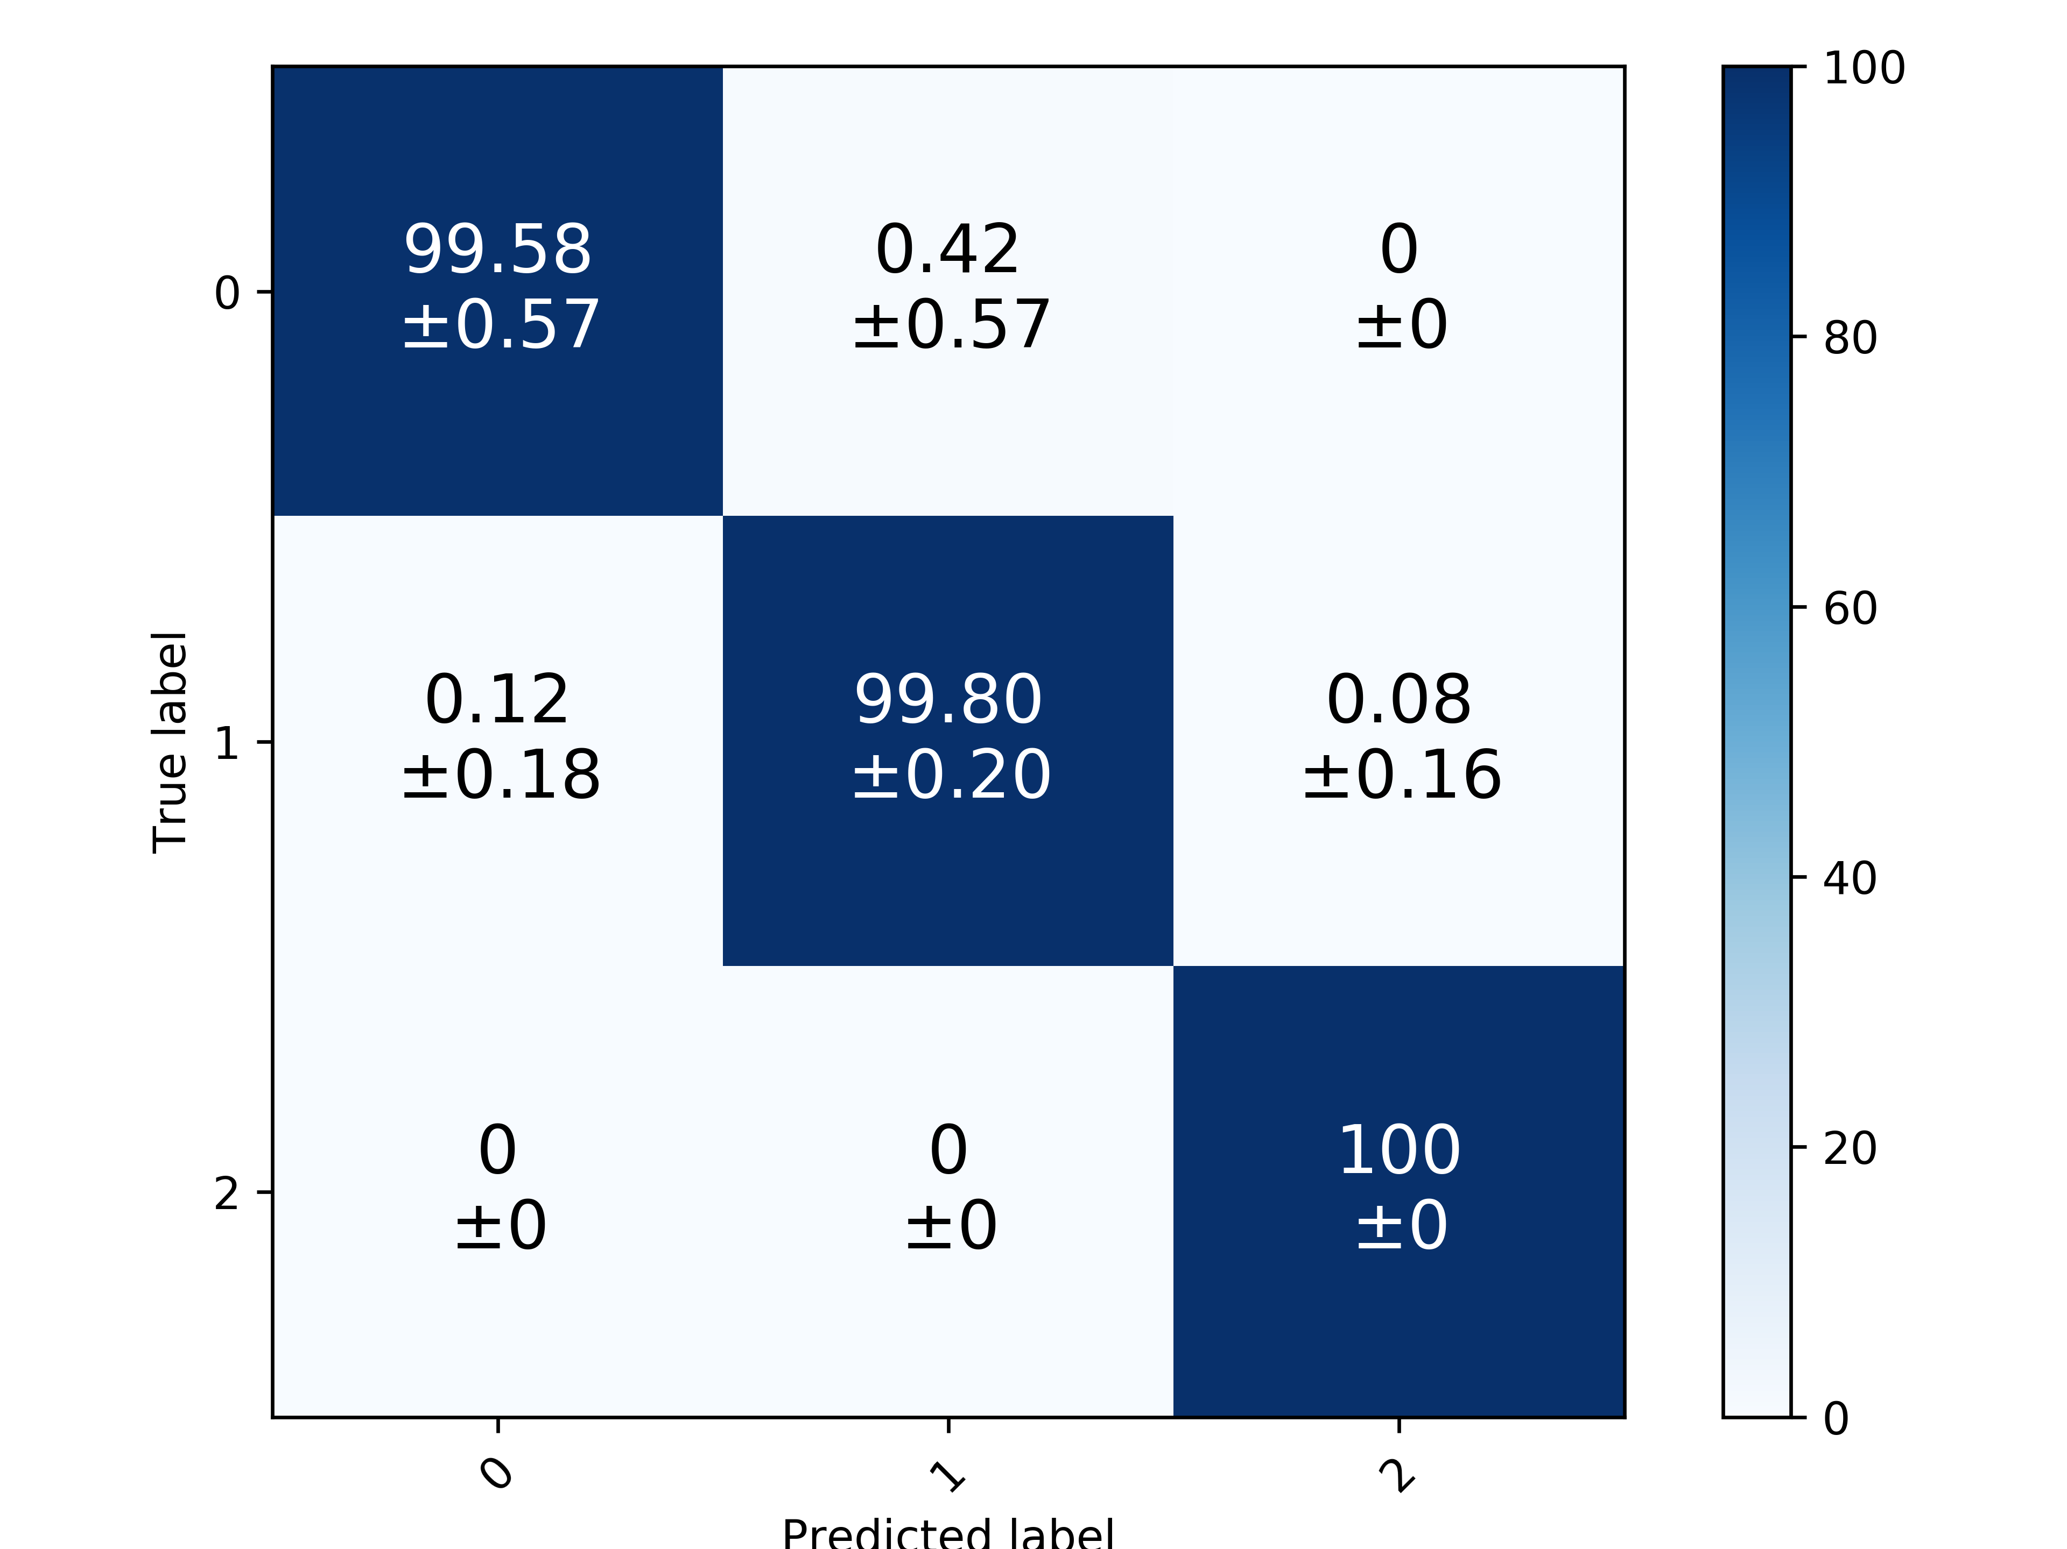
 |  |  | Acc | Prec | Rec | F1
 | 150 bands | RF | 74.907% (+/- 1.291%) | 76.897% (+/- 1.466%) | 73.297% (+/- 1.367%) | 74.689% (+/- 1.381%)
 |  | SVM | 74.864% (+/- 0.711%) | 75.915% (+/- 0.884%) | 74.974% (+/- 0.587%) | 75.386% (+/- 0.665%) | https://www.spiedigitallibrary.org/journals/journal-of-applied-remote-sensing/volume-12/issue-1/016037/Discrimination-of-herbicide-resistant-kochia-with-hyperspectral-imaging/10.1117/1.JRS.12.016037.full?SSO=1&tab=ArticleLinkFigureTable
 |  | ANN | 96.658% (+/- 0.414%) | 96.615% (+/- 0.464%) | 96.844% (+/- 0.357%) | 96.726% (+/- 0.407%)
 |  | CNN | 99.763% (+/- 0.257%) | 99.796% (+/- 0.226%) | 99.783% (+/- 0.210%) | 99.789% (+/- 0.216%)
 |  | CNN 5X2 | 98.461% (+/- 0.288%) | 98.660% (+/- 0.255%) | 98.549% (+/- 0.314%) | 98.602% (+/- 0.280%)


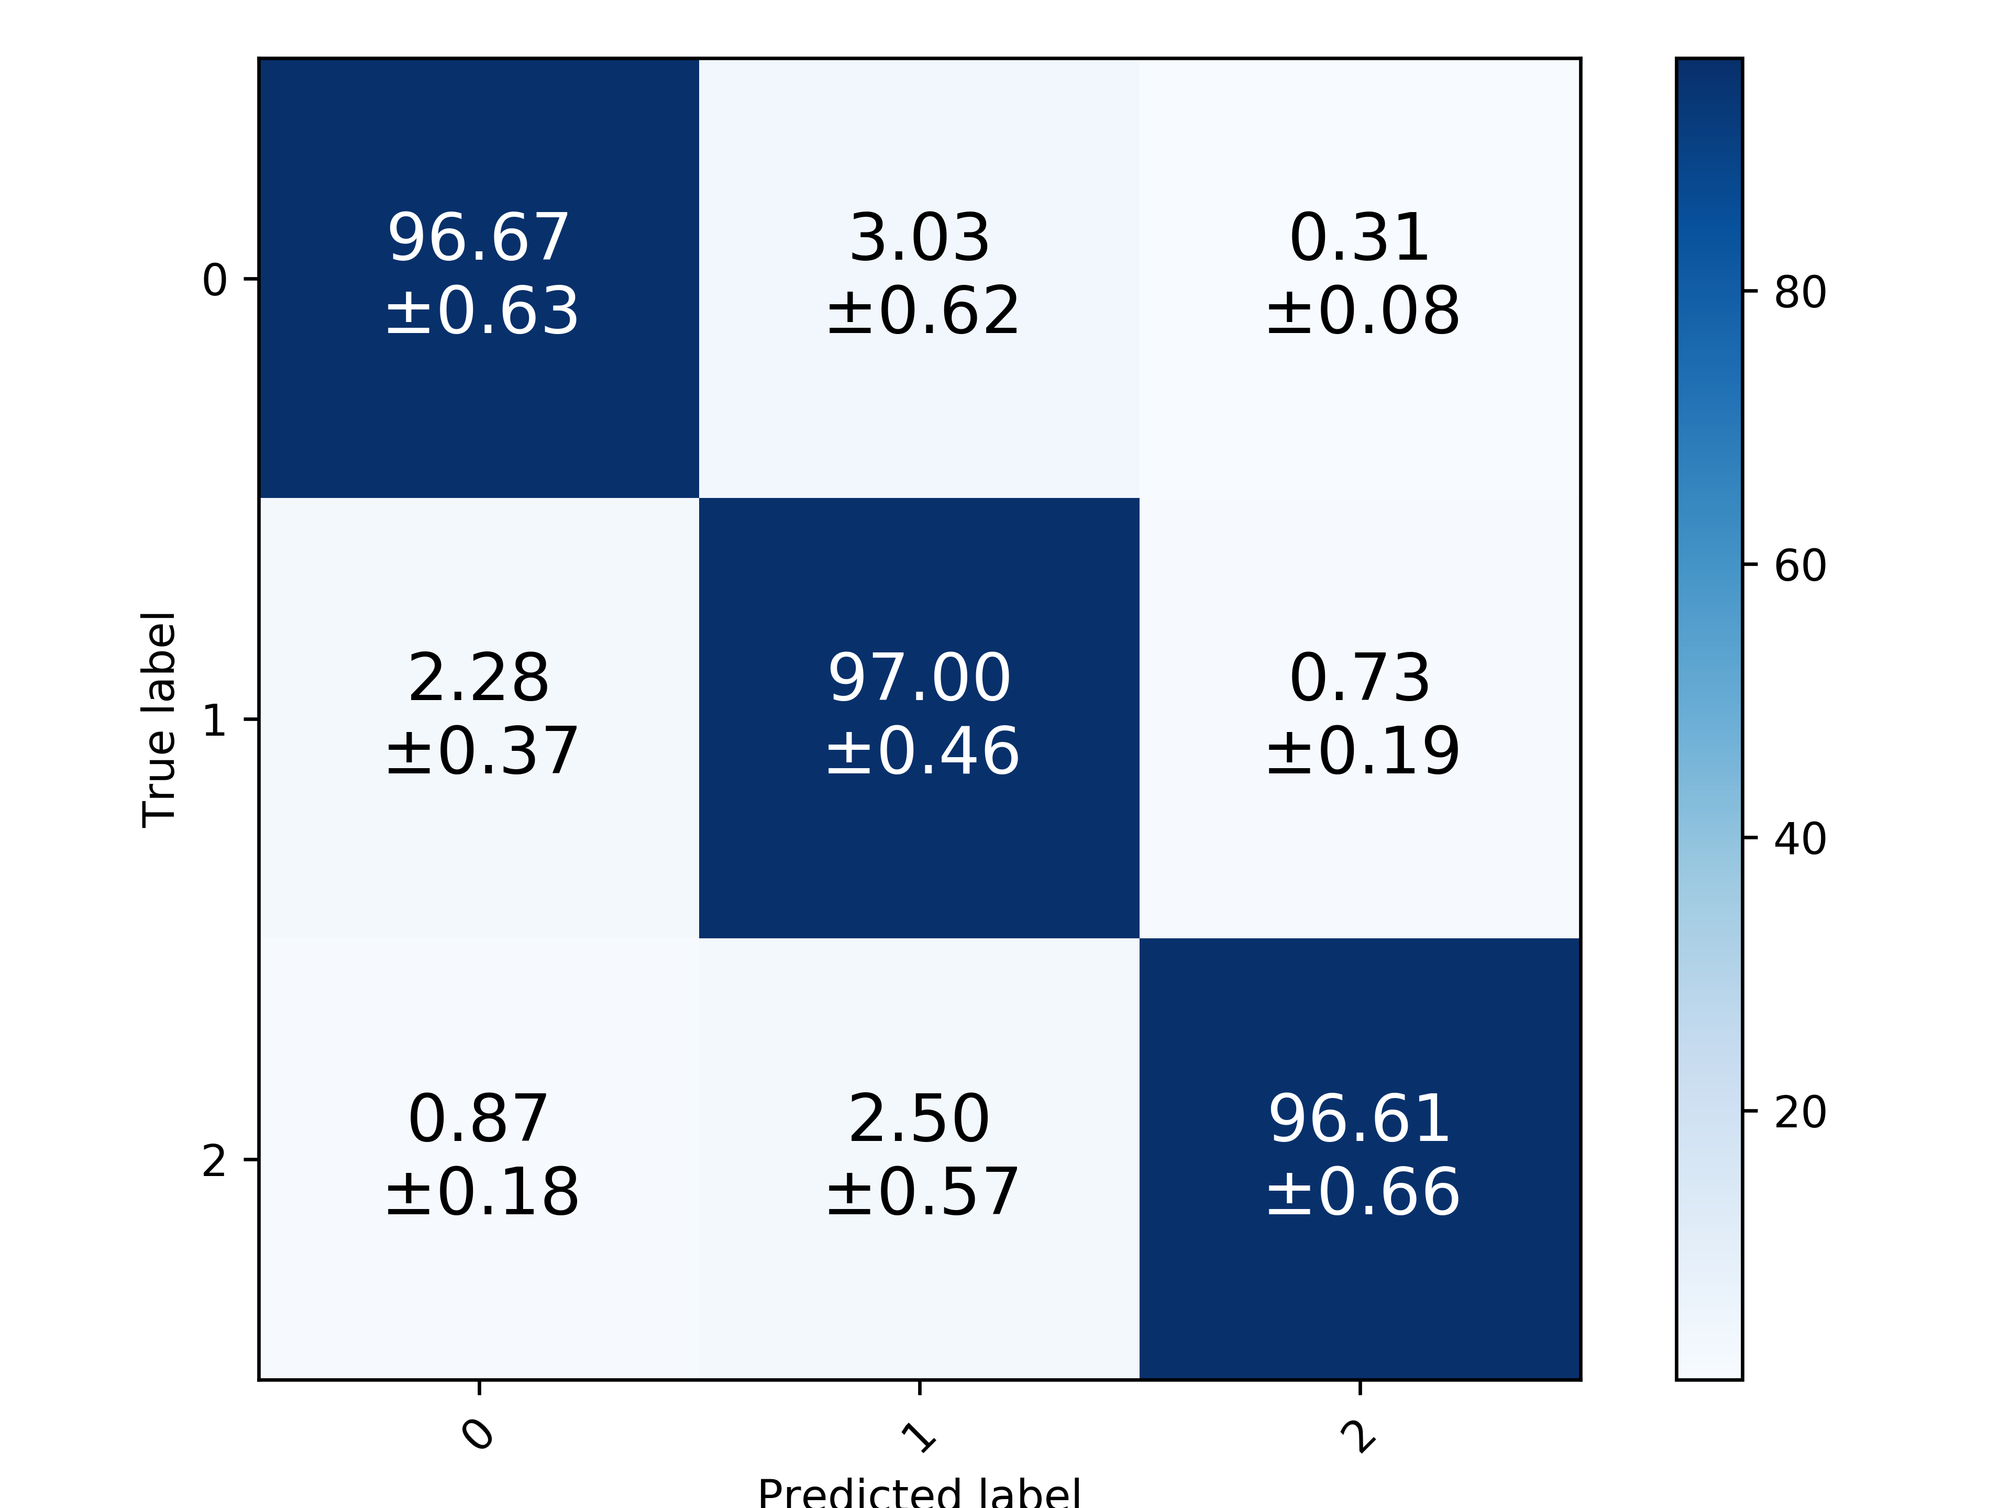
RF |  |  |  | SVM |  | ANN |  | CNN

Comparison
 | CNN

 | Method | 6 bands |  |  |  | 10 bands
 |  | Acc | Prec | Rec | F1 | Acc | Prec | Rec | F1
Original | FNGBS | 89.549% (+/- 1.743%) | 90.151% (+/- 1.967%) | 89.575% (+/- 1.702%) | 89.823% (+/- 1.810%) | 96.627% (+/- 0.916%) | 96.865% (+/- 0.823%) | 96.646% (+/- 0.986%) | 96.745% (+/- 0.878%)
Gauss |  | 91.688% (+/- 1.356%) | 92.163% (+/- 1.671%) | 91.506% (+/- 1.283%) | 91.787% (+/- 1.440%) | 97.530% (+/- 0.563%) | 97.687% (+/- 0.574%) | 97.496% (+/- 0.565%) | 97.588% (+/- 0.554%)
Original | PLS-DA | 89.533% (+/- 2.080%) | 89.820% (+/- 2.173%) | 89.429% (+/- 1.909%) | 89.583% (+/- 2.006%) | 96.881% (+/- 0.830%) | 97.040% (+/- 0.792%) | 97.045% (+/- 0.681%) | 97.032% (+/- 0.718%)
Gauss |  | 92.226% (+/- 1.318%) | 92.464% (+/- 1.450%) | 92.084% (+/- 1.182%) | 92.243% (+/- 1.288%) | 97.546% (+/- 0.518%) | 97.683% (+/- 0.459%) | 97.700% (+/- 0.395%) | 97.688% (+/- 0.408%)
Original | OCF | 93.793% (+/- 0.957%) | 94.111% (+/- 1.052%) | 94.093% (+/- 0.776%) | 94.085% (+/- 0.880%) | 97.403% (+/- 0.754%) | 97.707% (+/- 0.607%) | 97.475% (+/- 0.718%) | 97.588% (+/- 0.659%)
Gauss |  | 95.313% (+/- 0.766%) | 95.710% (+/- 0.781%) | 95.362% (+/- 0.716%) | 95.527% (+/- 0.731%) | 97.198% (+/- 0.708%) | 97.442% (+/- 0.786%) | 97.203% (+/- 0.695%) | 97.310% (+/- 0.718%)
Original | HAGRID | 95.091% (+/- 1.079%) | 95.439% (+/- 1.018%) | 95.297% (+/- 1.026%) | 95.360% (+/- 1.016%) | 97.055% (+/- 0.806%) | 97.172% (+/- 0.749%) | 97.165% (+/- 0.716%) | 97.160% (+/- 0.704%)
Gauss |  | 95.187% (+/- 1.079%) | 95.608% (+/- 1.035%) | 95.467% (+/- 0.977%) | 95.528% (+/- 0.989%) | 97.578% (+/- 0.333%) | 97.672% (+/- 0.243%) | 97.598% (+/- 0.486%) | 97.628% (+/- 0.327%)
Original | GSS | 95.345% (+/- 1.114%) | 95.773% (+/- 1.021%) | 95.569% (+/- 1.007%) | 95.655% (+/- 0.996%) | 98.163% (+/- 0.258%) | 98.336% (+/- 0.270%) | 98.198% (+/- 0.243%) | 98.264% (+/- 0.225%)
Gauss |  | 95.757% (+/- 0.784%) | 96.041% (+/- 0.904%) | 95.926% (+/- 0.665%) | 95.971% (+/- 0.756%) | 98.053% (+/- 0.486%) | 98.225% (+/- 0.460%) | 98.118% (+/- 0.558%) | 98.167% (+/- 0.499%)

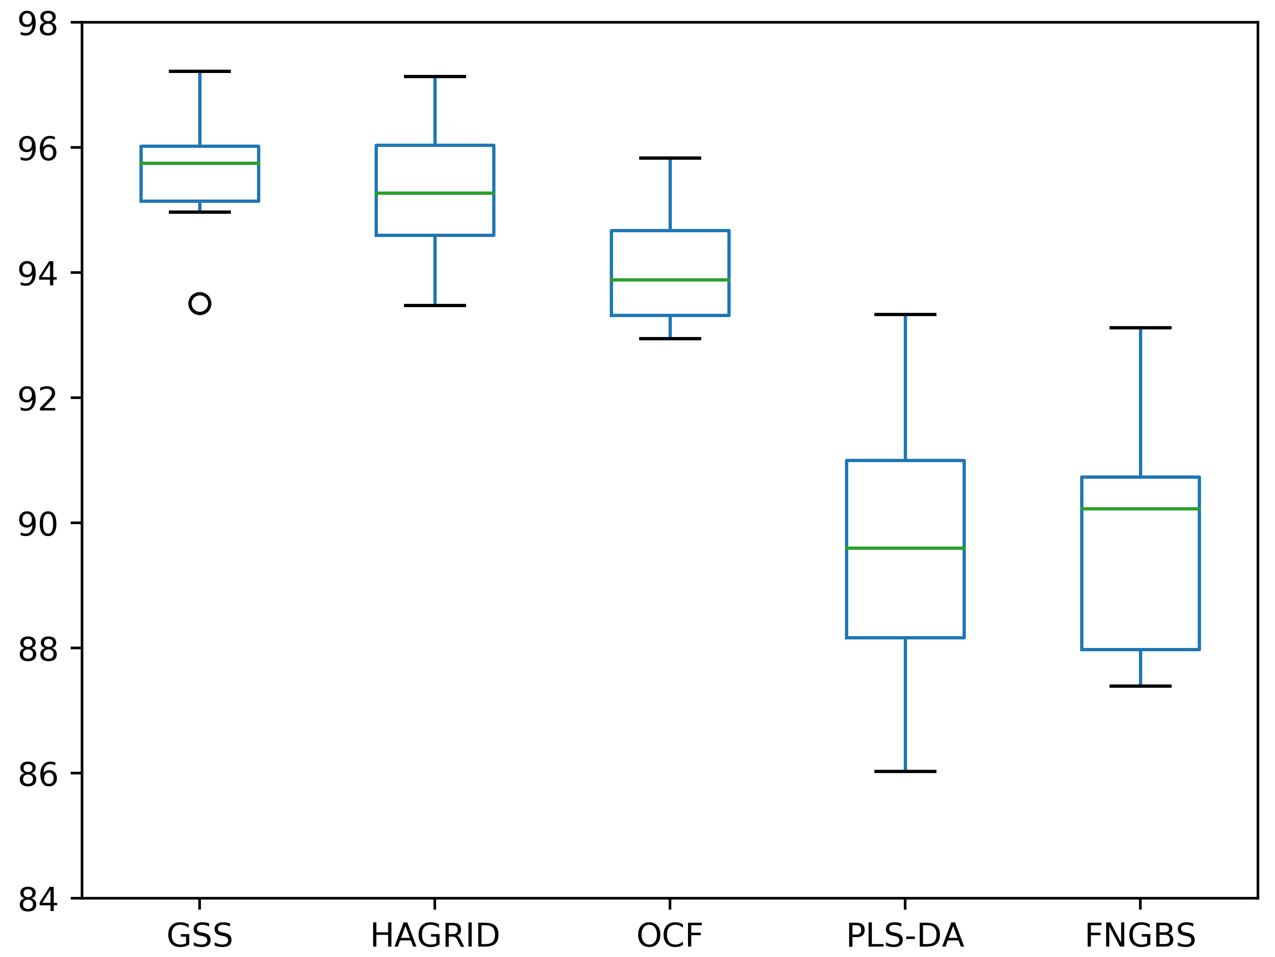
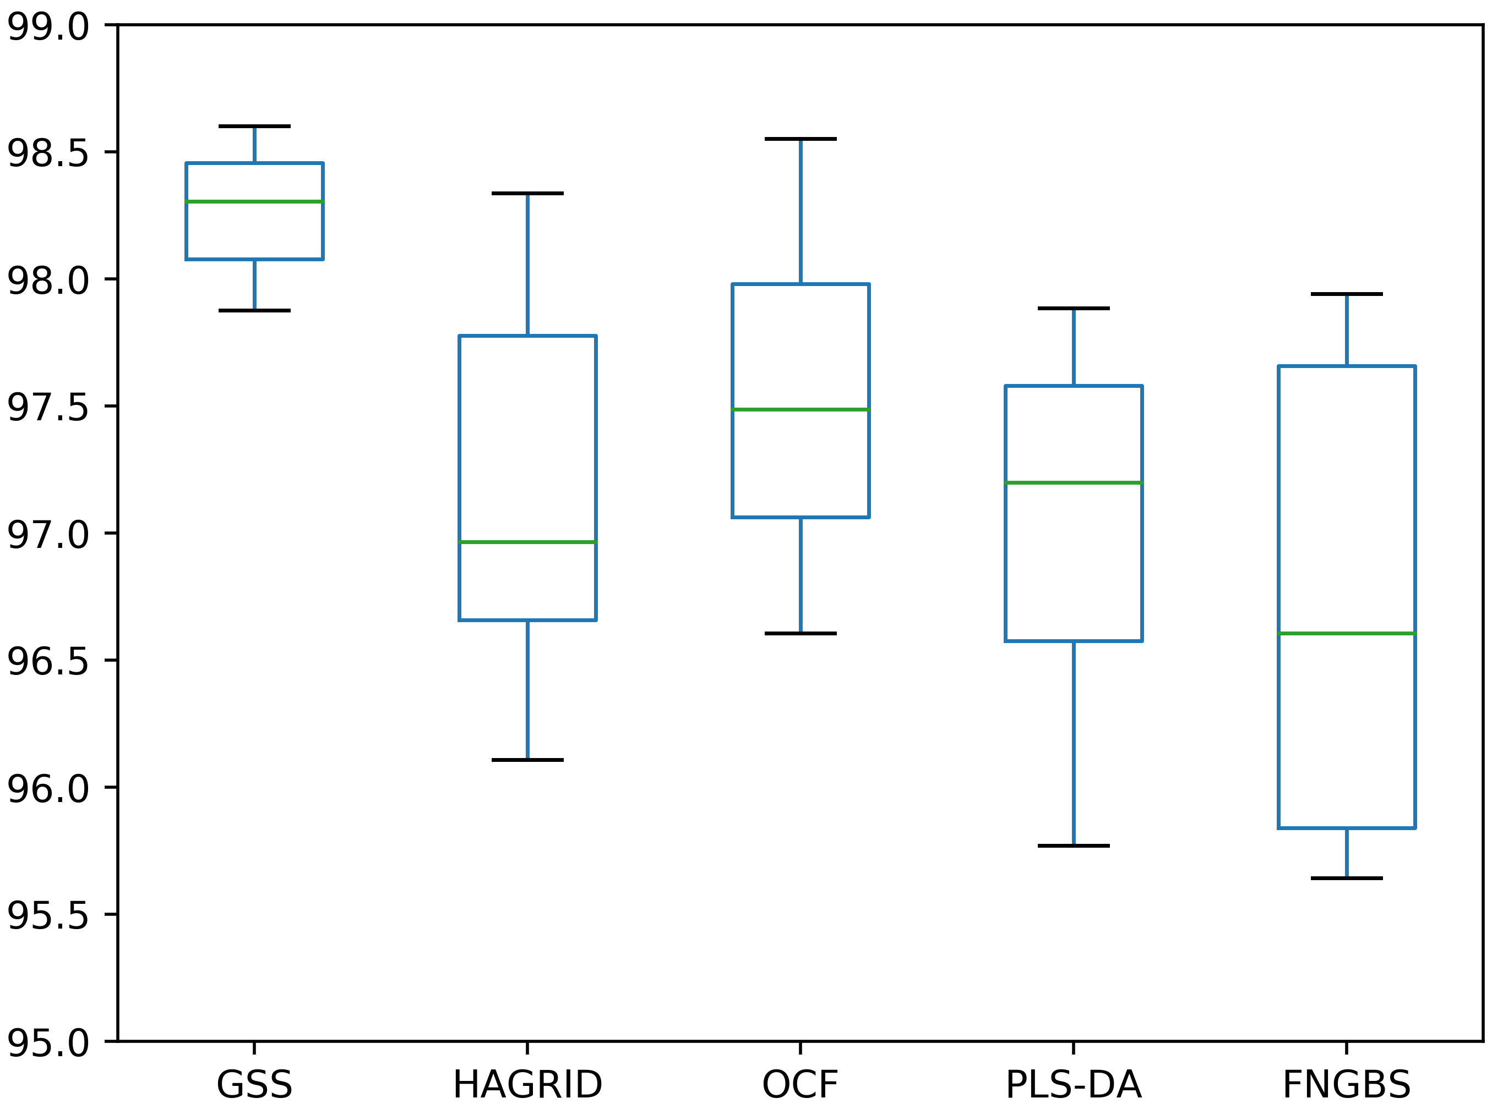
 |  |  | 6 bands - Original |  |  |  |  | 10 bands - Original

 |  |  | print(stats.ttest_rel(df['GSS'], df['HAGRID'])) |  |  |  |  | print(stats.ttest_rel(df['GSS'], df['HAGRID']))
 |  |  | print(stats.ttest_rel(df['GSS'], df['OCF'])) |  |  |  |  | print(stats.ttest_rel(df['GSS'], df['OCF']))
 |  |  | print(stats.ttest_rel(df['GSS'], df['PLS-DA'])) |  |  |  |  | print(stats.ttest_rel(df['GSS'], df['PLS-DA']))
 |  |  | print(stats.ttest_rel(df['GSS'], df['FNGBS'])) |  |  |  |  | print(stats.ttest_rel(df['GSS'], df['FNGBS']))

 |  |  | Ttest_relResult(statistic=1.1242343630447478, pvalue=0.2900034306195072) |  |  |  |  | Ttest_relResult(statistic=5.888300655018869, pvalue=0.00023241977827179603)
 |  |  | Ttest_relResult(statistic=5.629393076006167, pvalue=0.00032194776122580656) |  |  |  |  | Ttest_relResult(statistic=3.2827648125034607, pvalue=0.00948729178975475)
 |  |  | Ttest_relResult(statistic=10.780886602430568, pvalue=1.907229289402664e-06) |  |  |  |  | Ttest_relResult(statistic=5.824500756583107, pvalue=0.0002516404014177235)
 |  |  | Ttest_relResult(statistic=12.016148666579136, pvalue=7.61217674279162e-07) |  |  |  |  | Ttest_relResult(statistic=5.863796488565534, pvalue=0.0002396065463167582)

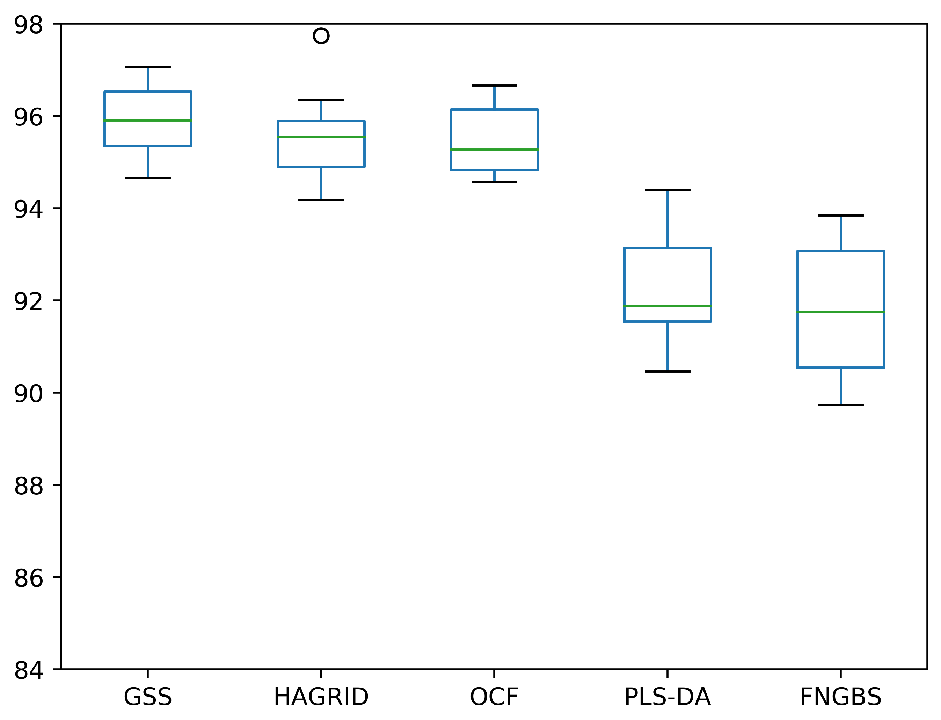
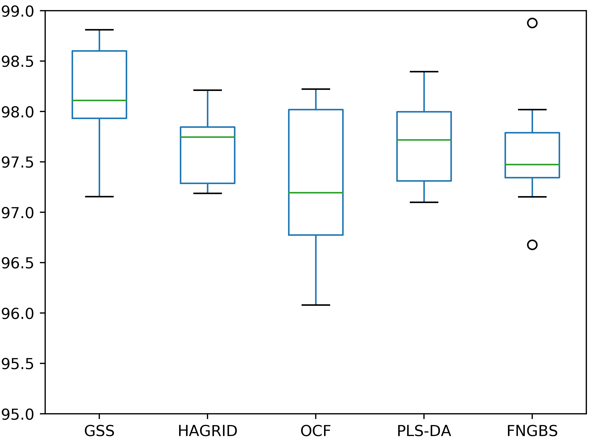

 |  |  | 6 bands - Gaussian transformation |  |  |  |  | 10 bands - Gaussian transformation

 |  |  | print(stats.ttest_rel(df['GSS'], df['HAGRID'])) |  |  |  |  | print(stats.ttest_rel(df['GSS'], df['HAGRID']))
 |  |  | print(stats.ttest_rel(df['GSS'], df['OCF'])) |  |  |  |  | print(stats.ttest_rel(df['GSS'], df['OCF']))
 |  |  | print(stats.ttest_rel(df['GSS'], df['PLS-DA'])) |  |  |  |  | print(stats.ttest_rel(df['GSS'], df['PLS-DA']))
 |  |  | print(stats.ttest_rel(df['GSS'], df['FNGBS'])) |  |  |  |  | print(stats.ttest_rel(df['GSS'], df['FNGBS']))

 |  |  | Ttest_relResult(statistic=1.9192163676556921, pvalue=0.0871658381804462) |  |  |  |  | Ttest_relResult(statistic=4.97467980435421, pvalue=0.0007649876518501955)
 |  |  | Ttest_relResult(statistic=1.6389783644528158, pvalue=0.13564043963074565) |  |  |  |  | Ttest_relResult(statistic=2.9912202710537414, pvalue=0.015170856990534675)
 |  |  | Ttest_relResult(statistic=8.009091868040397, pvalue=2.1934834772243067e-05) |  |  |  |  | Ttest_relResult(statistic=2.3471397905017906, pvalue=0.04350846399776262)
 |  |  | Ttest_relResult(statistic=9.310040829534795, pvalue=6.466488029759171e-06) |  |  |  |  | Ttest_relResult(statistic=3.3841646329882478, pvalue=0.008073464599783982)

Comparison 5x2
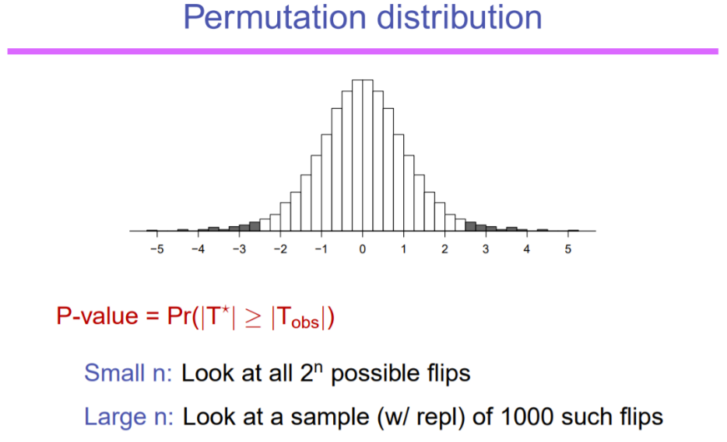
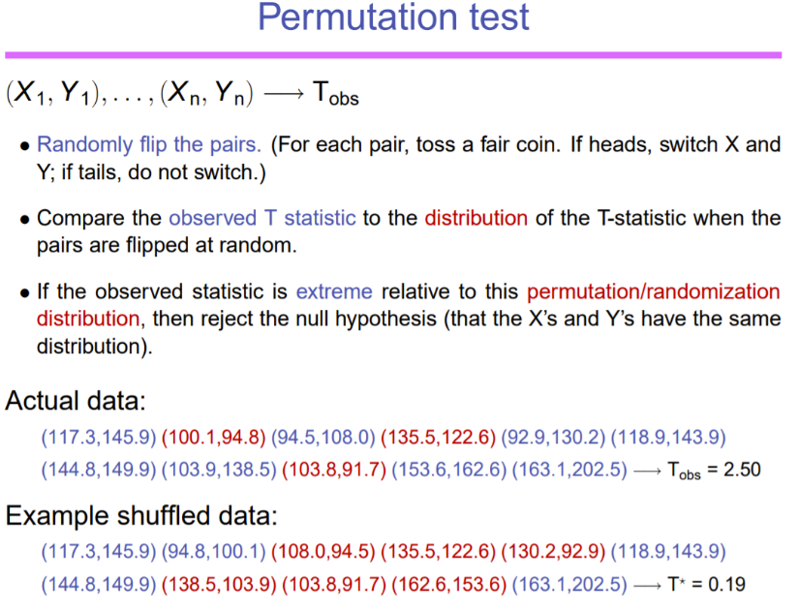
 | CNN | 100% of the dataset

 | Method | 6 bands |  |  |  | 8 bands |  |  |  | 10 bands
 |  | Acc | Prec | Rec | F1 | Acc | Prec | Rec | F1 | Acc | Prec | Rec | F1 | Ex: | Method 1: GSS | Method 2: IBRA + PLS | Differences
Original | FNGBS | 84.319% (+/- 1.756%) | 84.846% (+/- 1.767%) | 84.371% (+/- 1.719%) | 84.586% (+/- 1.727%) |  |  |  |  | 93.784% (+/- 0.771%) | 94.170% (+/- 0.839%) | 93.995% (+/- 0.728%) | 94.075% (+/- 0.780%) |  | 95.742199309 | 96.581759962 | -0.83956065316
Gauss |  | 86.979% (+/- 0.836%) | 87.345% (+/- 0.803%) | 86.914% (+/- 0.907%) | 87.104% (+/- 0.833%) |  |  |  |  | 94.189% (+/- 0.466%) | 94.541% (+/- 0.466%) | 94.266% (+/- 0.509%) | 94.394% (+/- 0.475%) |  | 96.371609697 | 96.876739086 | -0.50512938845
Original | SR-SSIM | 86.422% (+/- 1.070%) | 87.658% (+/- 1.018%) | 87.314% (+/- 1.061%) | 87.468% (+/- 1.025%) |  |  |  |  | 92.280% (+/- 1.418%) | 93.199% (+/- 1.230%) | 92.887% (+/- 1.362%) | 93.030% (+/- 1.292%)
Gauss |  | 88.733% (+/- 0.896%) | 89.551% (+/- 0.808%) | 89.298% (+/- 0.985%) | 89.411% (+/- 0.887%) |  |  |  |  | 93.841% (+/- 0.620%) | 94.504% (+/- 0.567%) | 94.265% (+/- 0.635%) | 94.372% (+/- 0.590%)
Original | PLS-DA | 84.766% (+/- 1.825%) | 85.150% (+/- 1.875%) | 84.690% (+/- 1.816%) | 84.888% (+/- 1.818%) |  |  |  |  | 94.357% (+/- 0.514%) | 94.859% (+/- 0.551%) | 94.672% (+/- 0.471%) | 94.756% (+/- 0.495%) |  | 96.670660951 | 97.136956711 | -0.46629576036
Gauss |  | 88.414% (+/- 0.794%) | 88.852% (+/- 0.623%) | 88.369% (+/- 0.961%) | 88.591% (+/- 0.781%) |  |  |  |  | 95.098% (+/- 0.682%) | 95.437% (+/- 0.595%) | 95.178% (+/- 0.670%) | 95.300% (+/- 0.627%) |  | 96.613817011 | 96.242098839 | 0.37171817264
Original | OCF | 90.475% (+/- 0.568%) | 90.924% (+/- 0.616%) | 90.814% (+/- 0.436%) | 90.857% (+/- 0.493%) |  |  |  |  | 94.873% (+/- 0.512%) | 95.226% (+/- 0.517%) | 95.111% (+/- 0.456%) | 95.160% (+/- 0.474%) |  | 97.249569963 | 97.344906441 | -0.095336477921
Gauss |  | 92.422% (+/- 0.670%) | 92.751% (+/- 0.658%) | 92.662% (+/- 0.661%) | 92.698% (+/- 0.646%) |  |  |  |  | 94.617% (+/- 0.728%) | 95.006% (+/- 0.647%) | 94.799% (+/- 0.635%) | 94.897% (+/- 0.639%) |  | 96.409990045 | 97.351756634 | -0.94176658858
Original | HAGRID | 91.707% (+/- 0.825%) | 92.254% (+/- 0.778%) | 92.167% (+/- 0.841%) | 92.202% (+/- 0.800%) |  |  |  |  | 94.500% (+/- 0.807%) | 94.808% (+/- 0.782%) | 94.690% (+/- 0.722%) | 94.740% (+/- 0.736%) |  | 96.830539163 | 97.942351754 | -1.1118125913
Gauss |  | 92.483% (+/- 0.622%) | 92.914% (+/- 0.525%) | 92.888% (+/- 0.583%) | 92.892% (+/- 0.544%) |  |  |  |  | 95.139% (+/- 0.514%) | 95.494% (+/- 0.478%) | 95.177% (+/- 0.506%) | 95.325% (+/- 0.473%) |  | 96.690528303 | 96.444953485 | 0.24557481753
Original | GSS | 92.688% (+/- 0.530%) | 93.244% (+/- 0.523%) | 93.081% (+/- 0.497%) | 93.154% (+/- 0.492%) | 94.791% (+/- 0.654%) | 95.279% (+/- 0.551%) | 95.198% (+/- 0.671%) | 95.234% (+/- 0.608%) | 96.697% (+/- 0.345%) | 96.923% (+/- 0.380%) | 96.949% (+/- 0.335%) | 96.934% (+/- 0.346%) |  | 95.784656198 | 96.809902531 | -1.0252463325
Gauss |  | 93.319% (+/- 0.678%) | 93.802% (+/- 0.635%) | 93.739% (+/- 0.664%) | 93.760% (+/- 0.637%) |  |  |  |  | 96.210% (+/- 0.492%) | 96.514% (+/- 0.448%) | 96.403% (+/- 0.444%) | 96.454% (+/- 0.441%) |  | 96.174063442 | 96.924503057 | -0.75043961484
Original | IBRA + PCA | 83.037% (+/- 2.230%) | 83.436% (+/- 2.158%) | 82.955% (+/- 2.400%) | 83.167% (+/- 2.288%) | 83.746% (+/- 2.395%) | 84.332% (+/- 2.484%) | 83.766% (+/- 2.425%) | 84.015% (+/- 2.447%) | 95.693% (+/- 0.444%) | 96.129% (+/- 0.437%) | 95.919% (+/- 0.379%) | 96.020% (+/- 0.393%)
Gauss |  | 91.305% (+/- 0.741%) | 91.806% (+/- 0.666%) | 91.175% (+/- 0.707%) | 91.462% (+/- 0.678%) | 95.035% (+/- 0.704%) | 95.349% (+/- 0.595%) | 95.208% (+/- 0.806%) | 95.271% (+/- 0.701%) | 96.738% (+/- 0.297%) | 96.963% (+/- 0.291%) | 96.854% (+/- 0.275%) | 96.906% (+/- 0.266%) |  |  | t-value | p-value |  | D.F.
Original | IBRA + PLS | 90.807% (+/- 0.961%) | 91.679% (+/- 1.038%) | 91.329% (+/- 0.864%) | 91.481% (+/- 0.937%) | 95.462% (+/- 0.530%) | 95.906% (+/- 0.463%) | 95.629% (+/- 0.493%) | 95.758% (+/- 0.469%) | 96.514% (+/- 0.462%) | 96.784% (+/- 0.426%) | 96.668% (+/- 0.435%) | 96.722% (+/- 0.418%) |  |  |  | 1-tail | 2-tail
Gauss |  | 92.293% (+/- 0.630%) | 92.979% (+/- 0.578%) | 92.565% (+/- 0.718%) | 92.756% (+/- 0.648%) | 95.418% (+/- 0.596%) | 95.845% (+/- 0.520%) | 95.619% (+/- 0.569%) | 95.720% (+/- 0.530%) | 96.824% (+/- 0.497%) | 97.084% (+/- 0.438%) | 96.858% (+/- 0.543%) | 96.966% (+/- 0.475%) | Paired |  | -3.0693396615 | 0.00668 | 0.01336 | n-1
Original | Variance (Train) | 93.42 |  |  | Variance (Train) |  |  |  |  | 99.81
 | Variance (Test) | 92.99 |  |  | Variance (Test) |  |  |  |  | 99.67
Gauss | Variance (Train) | 98.53 |  |  | Variance (Train) |  |  |  |  | 99.88 |  |  |  | Paired / Permuted |  |  | 0.009765625 | 0.01953125
 | Variance (Test) | 98.49 |  |  | Variance (Test) |  |  |  |  | 99.88
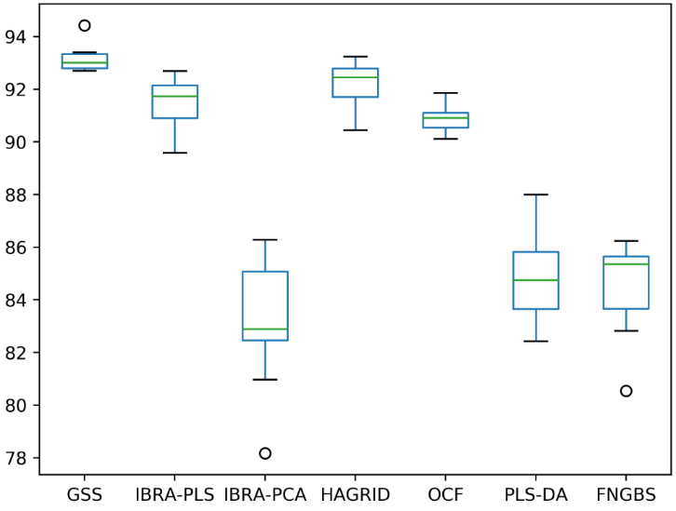
 |  |  |  |  |  |  |  |  |  |  |  |  |  | Independent
 |  |  | 6 bands - Original |  |  |  |  |  |  |  |  | 10 bands - Original |  | Equal variance | 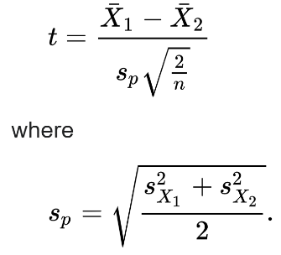 | -2.3701574213 | 0.01458 | 0.02915 | 2n-2

 |  |  | print(stats.ttest_rel(df['GSS'], df['IBRA-PLS'])) |  |  |  |  |  |  |  |  | print(stats.ttest_rel(df['GSS'], df['IBRA-PLS']))
 |  |  | print(stats.ttest_rel(df['GSS'], df['IBRA-PCA'])) |  |  |  |  |  |  |  |  | print(stats.ttest_rel(df['GSS'], df['IBRA-PCA']))
 |  |  | print(stats.ttest_rel(df['GSS'], df['HAGRID'])) |  |  |  |  |  |  |  |  | print(stats.ttest_rel(df['GSS'], df['HAGRID']))
 |  |  | print(stats.ttest_rel(df['GSS'], df['OCF'])) |  |  |  |  |  |  |  |  | print(stats.ttest_rel(df['GSS'], df['OCF']))
 |  |  | print(stats.ttest_rel(df['GSS'], df['PLS-DA'])) |  |  |  |  |  |  |  |  | print(stats.ttest_rel(df['GSS'], df['PLS-DA']))
 |  |  | print(stats.ttest_rel(df['GSS'], df['FNGBS'])) |  |  |  |  |  |  |  |  | print(stats.ttest_rel(df['GSS'], df['FNGBS']))
 |  |  | Ttest_relResult(statistic=6.087248284468714, pvalue=0.00018204134135099814) |  |  |  |  |  |  |  |  | Ttest_relResult(statistic=1.436615256874, pvalue=0.1846640595101753) |  | Unequal variance |  | -2.3701574213 | 0.01461 | 0.02922
 |  |  | Ttest_relResult(statistic=13.02573898755989, pvalue=3.817588446667033e-07) |  |  |  |  |  |  |  |  | Ttest_relResult(statistic=6.686082129695385, pvalue=8.99524376486704e-05)
 |  |  | Ttest_relResult(statistic=4.848495741875033, pvalue=0.0009102312748546514) |  |  |  |  |  |  |  |  | Ttest_relResult(statistic=10.669107755775485, pvalue=2.0818523313814544e-06)
 |  |  | Ttest_relResult(statistic=13.392952990745354, pvalue=3.005894333311259e-07) |  |  |  |  |  |  |  |  | Ttest_relResult(statistic=11.948244639231623, pvalue=7.988599791596405e-07)
 |  |  | Ttest_relResult(statistic=15.984583374611697, pvalue=6.486937812883184e-08) |  |  |  |  |  |  |  |  | Ttest_relResult(statistic=14.626814735596554, pvalue=1.403757508259943e-07)
 |  |  | Ttest_relResult(statistic=15.738123853128945, pvalue=7.427914499651455e-08) |  |  |  |  |  |  |  |  | Ttest_relResult(statistic=11.598851229896278, pvalue=1.0281001458865463e-06)
 |  |  |  |  |  |  |  |  |  |  |  | 0.1838
 |  |  |  |  |  |  |  |  |  |  |  | 0.0018
 |  |  |  |  |  |  |  |  |  |  |  | 0.0016
 |  |  |  |  |  |  |  |  |  |  |  | 0.0019
 |  |  |  |  |  |  |  |  |  |  |  | 0.0026
 |  |  |  |  |  |  |  |  |  |  |  | 0.002

 |  |  | 6 bands - Gaussian transformation |  |  |  |  |  |  |  |  | 10 bands - Gaussian transformation
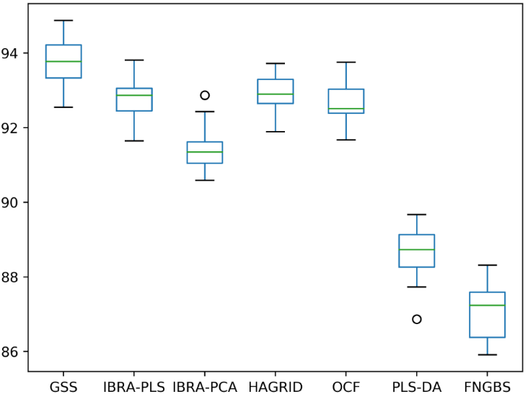
 |  |  | print(stats.ttest_rel(df['GSS'], df['IBRA-PLS'])) |  |  |  |  |  |  |  |  | print(stats.ttest_rel(df['GSS'], df['IBRA-PLS']))
 |  |  | print(stats.ttest_rel(df['GSS'], df['IBRA-PCA'])) |  |  |  |  |  |  |  |  | print(stats.ttest_rel(df['GSS'], df['IBRA-PCA']))
 |  |  | print(stats.ttest_rel(df['GSS'], df['HAGRID'])) |  |  |  |  |  |  |  |  | print(stats.ttest_rel(df['GSS'], df['HAGRID']))
 |  |  | print(stats.ttest_rel(df['GSS'], df['OCF'])) |  |  |  |  |  |  |  |  | print(stats.ttest_rel(df['GSS'], df['OCF']))
 |  |  | print(stats.ttest_rel(df['GSS'], df['PLS-DA'])) |  |  |  |  |  |  |  |  | print(stats.ttest_rel(df['GSS'], df['PLS-DA']))
 |  |  | print(stats.ttest_rel(df['GSS'], df['FNGBS'])) |  |  |  |  |  |  |  |  | print(stats.ttest_rel(df['GSS'], df['FNGBS']))
 |  |  | Ttest_relResult(statistic=6.087248284468714, pvalue=0.00018204134135099814) |  |  |  |  |  |  |  |  | Ttest_relResult(statistic=-3.069339661543422, pvalue=0.013368254622539802)
 |  |  | Ttest_relResult(statistic=13.02573898755989, pvalue=3.817588446667033e-07) |  |  |  |  |  |  |  |  | Ttest_relResult(statistic=-2.188243571416213, pvalue=0.056411525932426224)
 |  |  | Ttest_relResult(statistic=4.848495741875033, pvalue=0.0009102312748546514) |  |  |  |  |  |  |  |  | Ttest_relResult(statistic=6.191440311831138, pvalue=0.00016050748069697596)
 |  |  | Ttest_relResult(statistic=13.392952990745354, pvalue=3.005894333311259e-07) |  |  |  |  |  |  |  |  | Ttest_relResult(statistic=8.606947295905085, pvalue=1.2284365311546592e-05)
 |  |  | Ttest_relResult(statistic=15.984583374611697, pvalue=6.486937812883184e-08) |  |  |  |  |  |  |  |  | Ttest_relResult(statistic=7.525993288657604, pvalue=3.5935197720588614e-05)
 |  |  | Ttest_relResult(statistic=15.738123853128945, pvalue=7.427914499651455e-08) |  |  |  |  |  |  |  |  | Ttest_relResult(statistic=17.03398896339332, pvalue=3.721700496539077e-08)
 |  |  |  |  |  |  |  |  |  |  |  | 0.019
 |  |  |  |  |  |  |  |  |  |  |  | 0.0591
 |  |  |  |  |  |  |  |  |  |  |  | 0.0016
 |  |  |  |  |  |  |  |  |  |  |  | 0.0019
 |  |  |  |  |  |  |  |  |  |  |  | 0.0026

Comparison 5x2 75%
 | CNN | 75% of the dataset

 | Method | 6 bands |  |  |  | 8 bands |  |  |  | 10 bands
 |  | Acc | Prec | Rec | F1 | Acc | Prec | Rec | F1 | Acc | Prec | Rec | F1
Original | FNGBS | 82.858% (+/- 1.435%) | 83.709% (+/- 1.277%) | 82.838% (+/- 1.271%) | 83.233% (+/- 1.255%) |  |  |  |  | 92.258% (+/- 0.447%) | 92.810% (+/- 0.372%) | 92.336% (+/- 0.628%) | 92.555% (+/- 0.479%)
Gauss |  | 84.766% (+/- 0.830%) | 85.495% (+/- 0.734%) | 84.430% (+/- 0.878%) | 84.906% (+/- 0.783%) |  |  |  |  | 92.841% (+/- 0.788%) | 93.259% (+/- 0.754%) | 92.901% (+/- 0.734%) | 93.070% (+/- 0.735%)
Original | PLS-DA | 83.086% (+/- 1.423%) | 83.448% (+/- 1.337%) | 83.042% (+/- 1.588%) | 83.197% (+/- 1.458%) |  |  |  |  | 92.664% (+/- 1.061%) | 93.244% (+/- 0.937%) | 92.895% (+/- 0.889%) | 93.055% (+/- 0.906%)
Gauss |  | 86.927% (+/- 0.836%) | 87.487% (+/- 0.817%) | 86.858% (+/- 1.046%) | 87.135% (+/- 0.912%) |  |  |  |  | 93.482% (+/- 0.641%) | 93.942% (+/- 0.585%) | 93.655% (+/- 0.690%) | 93.787% (+/- 0.625%)
Original | SR-SSIM | 84.576% (+/- 0.888%) | 86.006% (+/- 0.823%) | 85.420% (+/- 0.916%) | 85.690% (+/- 0.835%) |  |  |  |  | 90.646% (+/- 0.885%) | 91.647% (+/- 0.817%) | 91.355% (+/- 0.836%) | 91.491% (+/- 0.811%)
Gauss |  | 86.475% (+/- 1.098%) | 87.361% (+/- 0.875%) | 87.266% (+/- 1.225%) | 87.295% (+/- 1.024%) |  |  |  |  | 92.136% (+/- 0.908%) | 92.999% (+/- 0.733%) | 92.584% (+/- 1.056%) | 92.774% (+/- 0.888%)
Original | OCF | 88.480% (+/- 0.793%) | 89.081% (+/- 0.723%) | 88.711% (+/- 0.870%) | 88.871% (+/- 0.761%) |  |  |  |  | 93.217% (+/- 0.636%) | 93.709% (+/- 0.637%) | 93.226% (+/- 0.740%) | 93.443% (+/- 0.671%)
Gauss |  | 90.409% (+/- 0.473%) | 91.123% (+/- 0.536%) | 90.544% (+/- 0.526%) | 90.808% (+/- 0.493%) |  |  |  |  | 92.811% (+/- 0.283%) | 93.365% (+/- 0.410%) | 92.887% (+/- 0.323%) | 93.106% (+/- 0.295%)
Original | HAGRID | 89.835% (+/- 0.459%) | 90.394% (+/- 0.424%) | 90.291% (+/- 0.519%) | 90.330% (+/- 0.426%) |  |  |  |  | 92.727% (+/- 0.537%) | 93.284% (+/- 0.455%) | 92.962% (+/- 0.563%) | 93.111% (+/- 0.494%)
Gauss |  | 90.401% (+/- 0.501%) | 91.030% (+/- 0.427%) | 90.775% (+/- 0.589%) | 90.890% (+/- 0.475%) |  |  |  |  | 94.078% (+/- 0.461%) | 94.464% (+/- 0.512%) | 94.236% (+/- 0.412%) | 94.338% (+/- 0.446%)
Original | GSS | 91.076% (+/- 0.411%) | 91.765% (+/- 0.400%) | 91.443% (+/- 0.441%) | 91.585% (+/- 0.408%) |  |  |  |  | 95.238% (+/- 0.364%) | 95.674% (+/- 0.364%) | 95.453% (+/- 0.394%) | 95.559% (+/- 0.366%)
Gauss |  | 91.684% (+/- 0.592%) | 92.296% (+/- 0.650%) | 91.931% (+/- 0.599%) | 92.099% (+/- 0.594%) |  |  |  |  | 94.301% (+/- 0.611%) | 94.775% (+/- 0.583%) | 94.551% (+/- 0.602%) | 94.654% (+/- 0.577%)
Original | IBRA + PCA | 81.731% (+/- 1.546%) | 82.114% (+/- 1.423%) | 81.608% (+/- 1.700%) | 81.823% (+/- 1.526%) | 82.229% (+/- 2.431%) | 82.636% (+/- 2.455%) | 82.236% (+/- 2.538%) | 82.415% (+/- 2.493%) | 94.601% (+/- 0.446%) | 95.016% (+/- 0.399%) | 94.929% (+/- 0.452%) | 94.966% (+/- 0.409%)
Gauss |  | 89.468% (+/- 0.888%) | 89.958% (+/- 0.931%) | 89.335% (+/- 1.124%) | 89.615% (+/- 1.008%) | 93.799% (+/- 0.452%) | 94.169% (+/- 0.503%) | 93.943% (+/- 0.478%) | 94.044% (+/- 0.464%) | 96.007% (+/- 0.377%) | 96.239% (+/- 0.339%) | 96.169% (+/- 0.332%) | 96.201% (+/- 0.327%)
Original | IBRA + PLS | 89.890% (+/- 0.924%) | 90.664% (+/- 0.815%) | 90.424% (+/- 0.941%) | 90.509% (+/- 0.851%) | 94.483% (+/- 0.429%) | 94.857% (+/- 0.456%) | 94.730% (+/- 0.491%) | 94.783% (+/- 0.432%) | 95.551% (+/- 0.417%) | 95.848% (+/- 0.396%) | 95.793% (+/- 0.440%) | 95.814% (+/- 0.385%)
Gauss |  | 91.106% (+/- 0.599%) | 91.770% (+/- 0.506%) | 91.394% (+/- 0.725%) | 91.566% (+/- 0.604%) | 94.474% (+/- 0.585%) | 94.851% (+/- 0.609%) | 94.721% (+/- 0.592%) | 94.774% (+/- 0.581%) | 95.981% (+/- 0.663%) | 96.274% (+/- 0.640%) | 96.066% (+/- 0.722%) | 96.162% (+/- 0.663%)

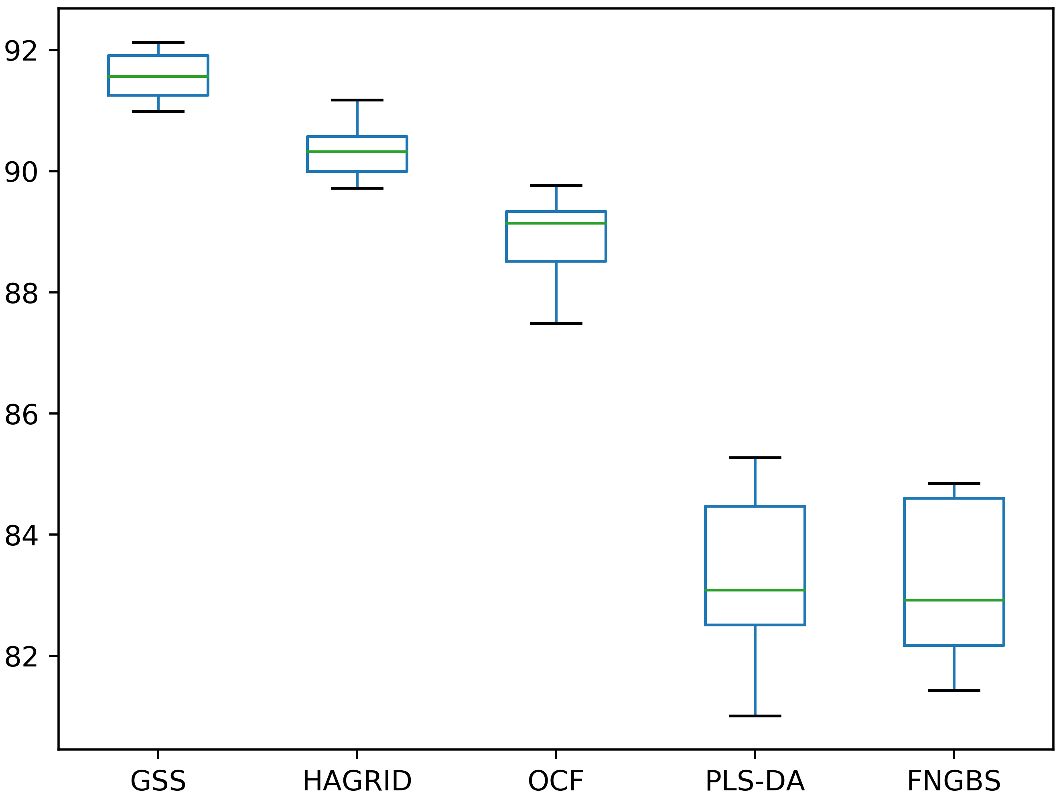
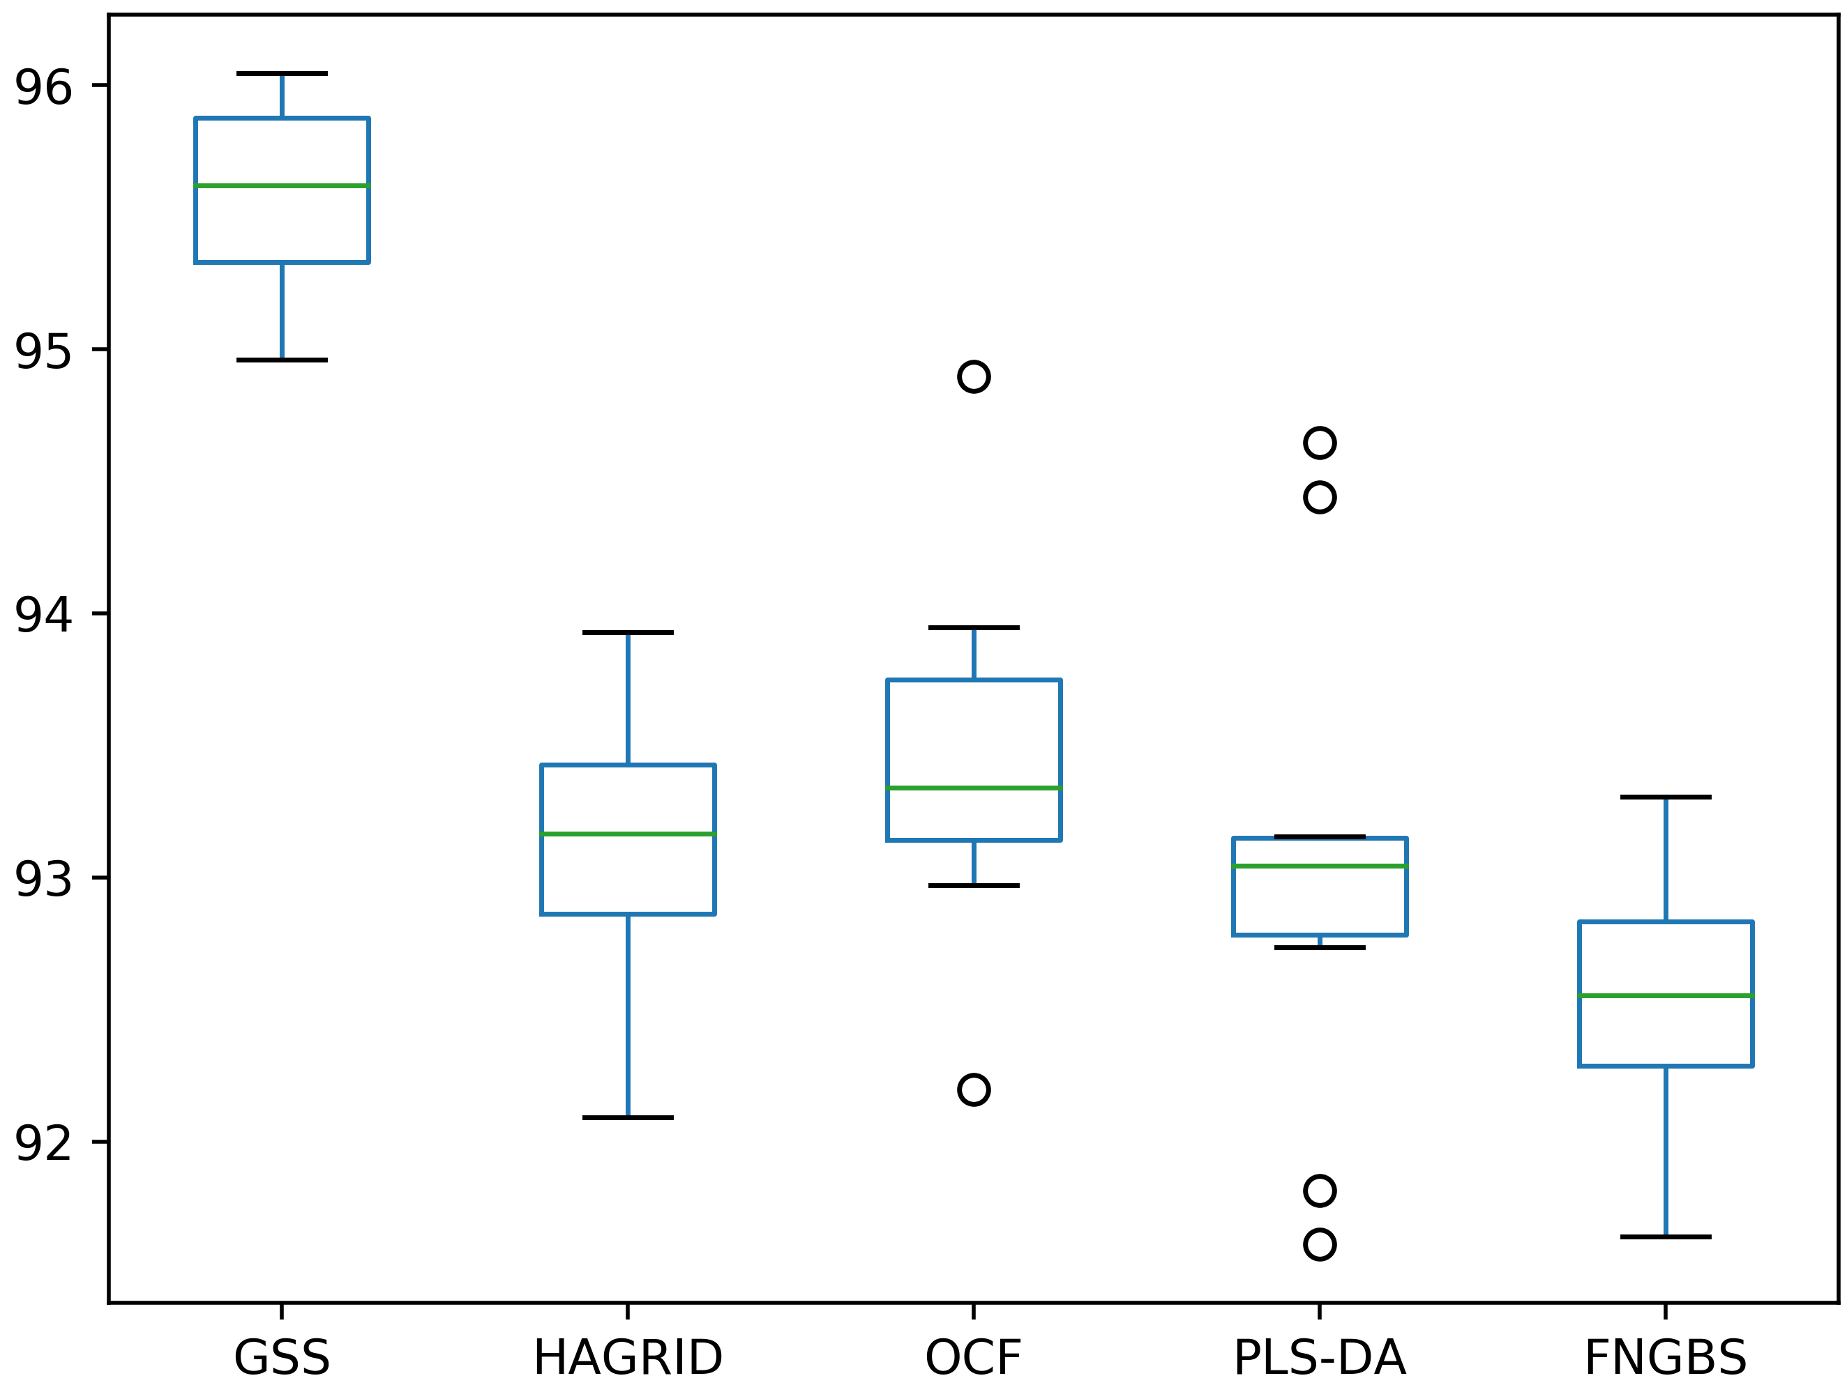
 |  |  | 6 bands - Original |  |  |  |  |  |  |  |  | 10 bands - Original

 |  |  | print(stats.ttest_rel(df['GSS'], df['HAGRID'])) |  |  |  |  |  |  |  |  | print(stats.ttest_rel(df['GSS'], df['HAGRID']))
 |  |  | print(stats.ttest_rel(df['GSS'], df['OCF'])) |  |  |  |  |  |  |  |  | print(stats.ttest_rel(df['GSS'], df['OCF']))
 |  |  | print(stats.ttest_rel(df['GSS'], df['PLS-DA'])) |  |  |  |  |  |  |  |  | print(stats.ttest_rel(df['GSS'], df['PLS-DA']))
 |  |  | print(stats.ttest_rel(df['GSS'], df['FNGBS'])) |  |  |  |  |  |  |  |  | print(stats.ttest_rel(df['GSS'], df['FNGBS']))

 |  |  | Ttest_relResult(statistic=7.759518622237225, pvalue=2.8223577094293706e-05) |  |  |  |  |  |  |  |  | Ttest_relResult(statistic=12.036371200332574, pvalue=7.503893662784875e-07)
 |  |  | Ttest_relResult(statistic=12.443337806208412, pvalue=5.649617359561247e-07) |  |  |  |  |  |  |  |  | Ttest_relResult(statistic=10.178534857819892, pvalue=3.0875664295325114e-06)
 |  |  | Ttest_relResult(statistic=18.496733436781632, pvalue=1.8066527853076045e-08) |  |  |  |  |  |  |  |  | Ttest_relResult(statistic=8.950122517077526, pvalue=8.9349660601074e-06)
 |  |  | Ttest_relResult(statistic=21.243802000674677, pvalue=5.329586718975758e-09) |  |  |  |  |  |  |  |  | Ttest_relResult(statistic=16.740032317548632, pvalue=4.3339966314498654e-08)

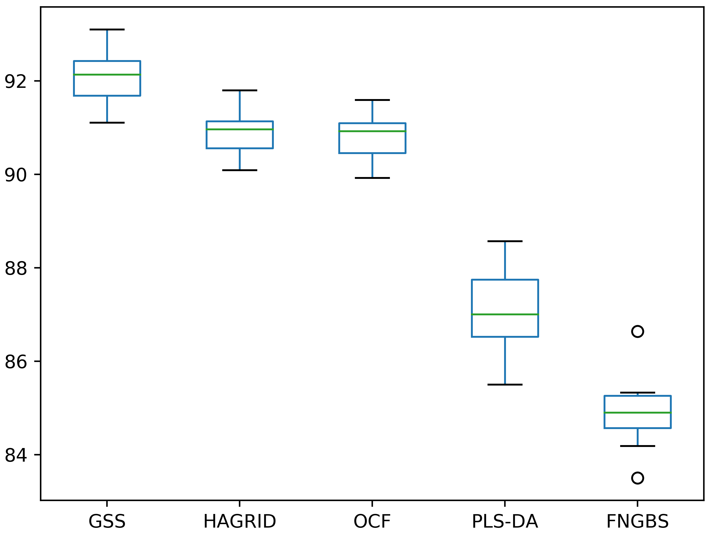
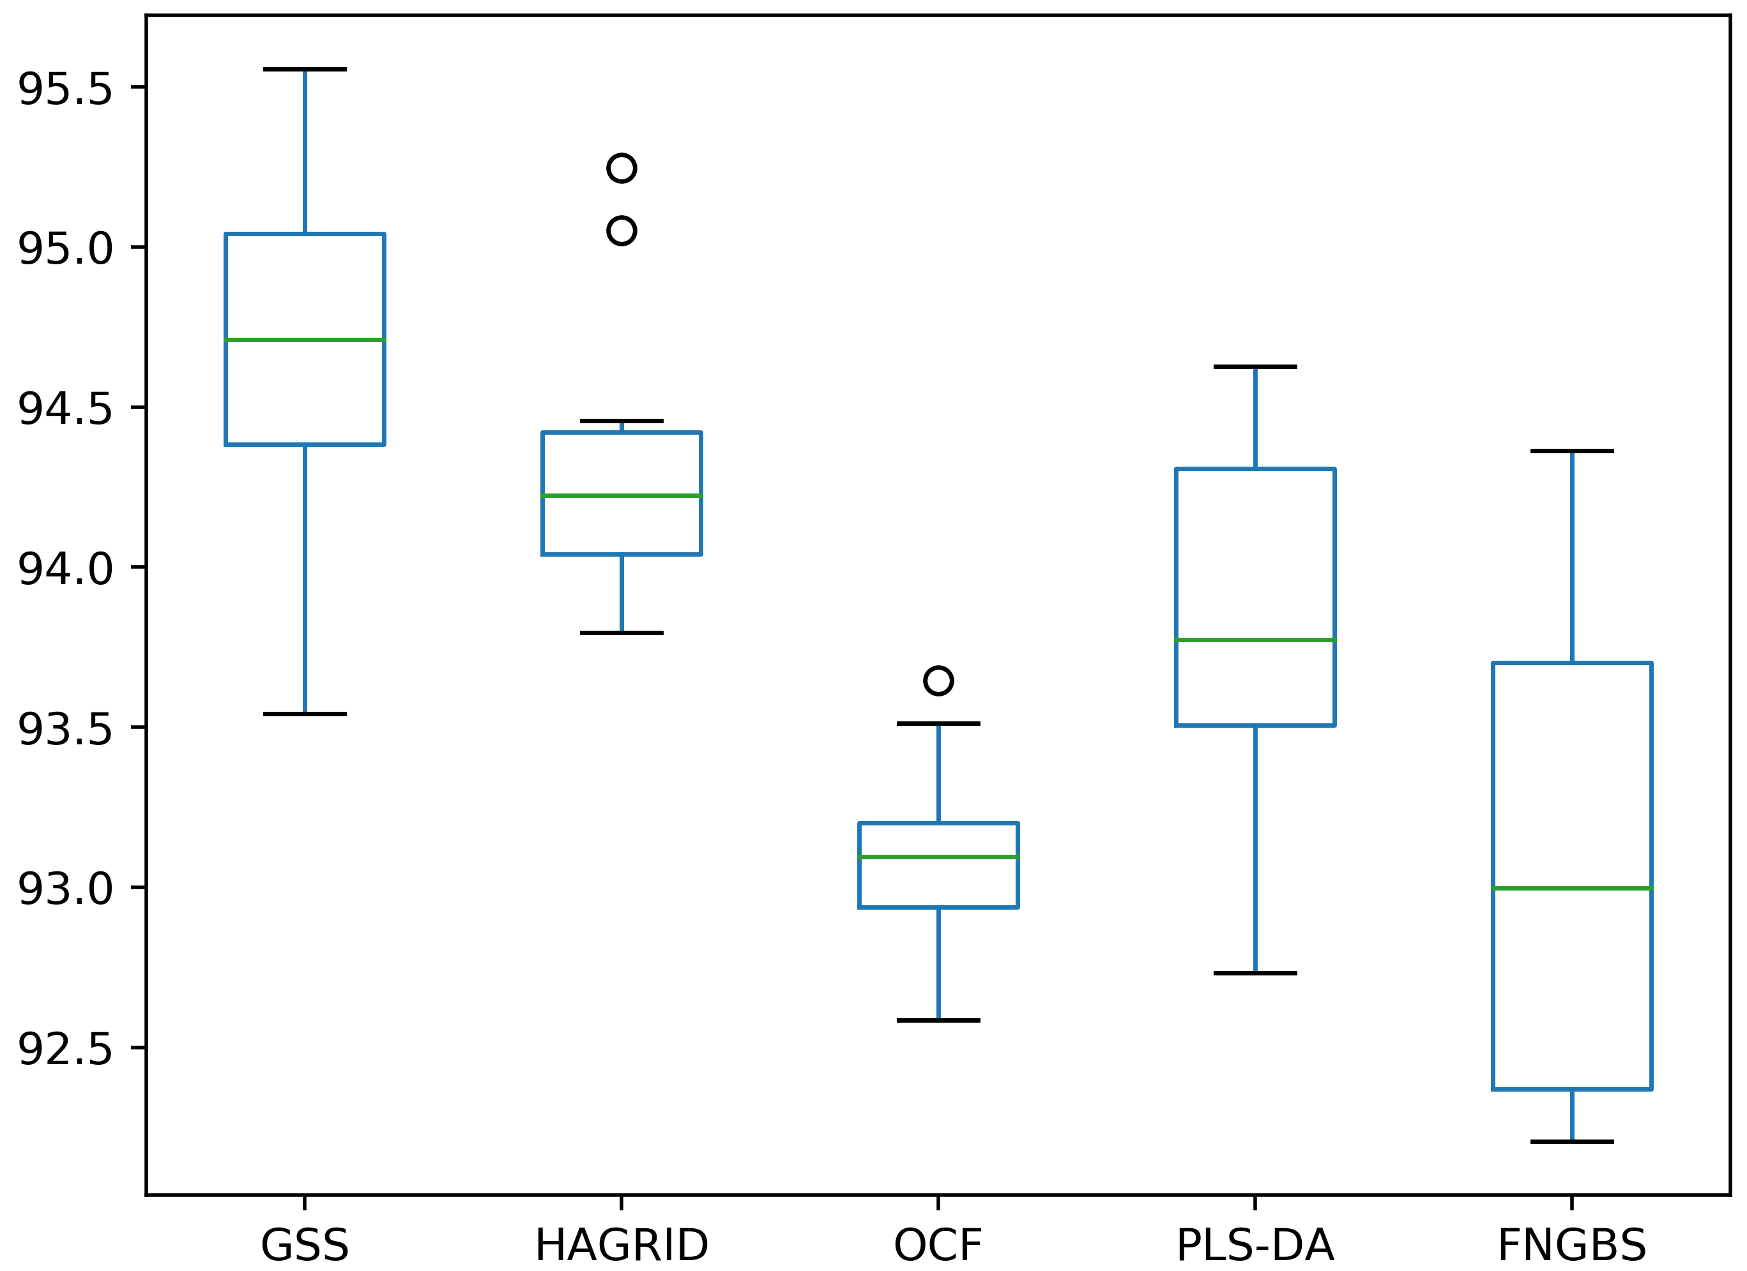
 |  |  | 6 bands - Gaussian transformation |  |  |  |  |  |  |  |  | 10 bands - Gaussian transformation

 |  |  | print(stats.ttest_rel(df['GSS'], df['HAGRID'])) |  |  |  |  |  |  |  |  | print(stats.ttest_rel(df['GSS'], df['HAGRID']))
 |  |  | print(stats.ttest_rel(df['GSS'], df['OCF'])) |  |  |  |  |  |  |  |  | print(stats.ttest_rel(df['GSS'], df['OCF']))
 |  |  | print(stats.ttest_rel(df['GSS'], df['PLS-DA'])) |  |  |  |  |  |  |  |  | print(stats.ttest_rel(df['GSS'], df['PLS-DA']))
 |  |  | print(stats.ttest_rel(df['GSS'], df['FNGBS'])) |  |  |  |  |  |  |  |  | print(stats.ttest_rel(df['GSS'], df['FNGBS']))

 |  |  | Ttest_relResult(statistic=4.733717634081452, pvalue=0.0010683076040424052) |  |  |  |  |  |  |  |  | Ttest_relResult(statistic=1.6546928647189763, pvalue=0.13237265925155298)
 |  |  | Ttest_relResult(statistic=5.468404465673224, pvalue=0.00039607878315447065) |  |  |  |  |  |  |  |  | Ttest_relResult(statistic=7.375731506811189, pvalue=4.210451493680352e-05)
 |  |  | Ttest_relResult(statistic=14.18186403560877, pvalue=1.834307424501853e-07) |  |  |  |  |  |  |  |  | Ttest_relResult(statistic=2.5190070437379792, pvalue=0.0328220820069685)
 |  |  | Ttest_relResult(statistic=26.761594131777038, pvalue=6.871848675745444e-10) |  |  |  |  |  |  |  |  | Ttest_relResult(statistic=5.230880139135241, pvalue=0.000541292886600066)

Comparison 5x2 50%
 | CNN | 50% of the dataset

 | Method | 6 bands |  |  |  | 8 bands |  |  |  | 10 bands
 |  | Acc | Prec | Rec | F1 | Acc | Prec | Rec | F1 | Acc | Prec | Rec | F1
Original | FNGBS | 80.443% (+/- 1.359%) | 81.279% (+/- 1.772%) | 80.053% (+/- 1.282%) | 80.580% (+/- 1.460%) |  |  |  |  | 89.487% (+/- 0.684%) | 90.261% (+/- 0.802%) | 89.628% (+/- 0.708%) | 89.886% (+/- 0.707%)
Gauss |  | 81.919% (+/- 0.897%) | 82.759% (+/- 1.245%) | 81.230% (+/- 0.667%) | 81.877% (+/- 0.853%) |  |  |  |  | 90.266% (+/- 0.637%) | 90.991% (+/- 0.750%) | 90.182% (+/- 0.695%) | 90.536% (+/- 0.682%)
Original | PLS-DA | 80.627% (+/- 1.511%) | 81.659% (+/- 1.979%) | 80.056% (+/- 1.424%) | 80.731% (+/- 1.603%) |  |  |  |  | 89.791% (+/- 1.144%) | 90.692% (+/- 1.368%) | 89.912% (+/- 0.992%) | 90.235% (+/- 1.132%)
Gauss |  | 83.908% (+/- 1.578%) | 84.653% (+/- 1.671%) | 83.696% (+/- 1.666%) | 84.115% (+/- 1.631%) |  |  |  |  | 91.438% (+/- 0.909%) | 92.212% (+/- 1.010%) | 91.415% (+/- 1.009%) | 91.761% (+/- 0.965%)
Original | SR-SSIM | 81.742% (+/- 1.663%) | 83.305% (+/- 1.341%) | 82.899% (+/- 1.712%) | 83.067% (+/- 1.513%) |  |  |  |  | 88.828% (+/- 1.769%) | 90.075% (+/- 1.586%) | 89.634% (+/- 1.762%) | 89.822% (+/- 1.694%)
Gauss |  | 84.408% (+/- 1.218%) | 85.420% (+/- 1.191%) | 85.337% (+/- 1.270%) | 85.353% (+/- 1.209%) |  |  |  |  | 89.569% (+/- 1.018%) | 90.512% (+/- 1.091%) | 90.389% (+/- 0.790%) | 90.414% (+/- 0.936%)
Original | OCF | 85.598% (+/- 1.000%) | 86.617% (+/- 0.882%) | 85.769% (+/- 1.110%) | 86.137% (+/- 0.954%) |  |  |  |  | 90.760% (+/- 0.893%) | 91.785% (+/- 0.797%) | 90.578% (+/- 0.907%) | 91.113% (+/- 0.821%)
Gauss |  | 88.049% (+/- 0.869%) | 88.899% (+/- 0.762%) | 87.979% (+/- 1.133%) | 88.380% (+/- 0.934%) |  |  |  |  | 90.348% (+/- 0.702%) | 91.195% (+/- 0.724%) | 90.291% (+/- 0.683%) | 90.694% (+/- 0.668%)
Original | HAGRID | 87.530% (+/- 0.443%) | 88.465% (+/- 0.571%) | 87.768% (+/- 0.650%) | 88.081% (+/- 0.493%) |  |  |  |  | 91.064% (+/- 0.751%) | 91.620% (+/- 0.980%) | 91.154% (+/- 0.556%) | 91.356% (+/- 0.712%)
Gauss |  | 88.733% (+/- 0.775%) | 89.720% (+/- 0.692%) | 88.982% (+/- 0.987%) | 89.302% (+/- 0.793%) |  |  |  |  | 91.792% (+/- 0.487%) | 92.331% (+/- 0.535%) | 91.771% (+/- 0.697%) | 92.011% (+/- 0.575%)
Original | GSS | 89.386% (+/- 0.699%) | 90.123% (+/- 0.735%) | 89.536% (+/- 0.712%) | 89.770% (+/- 0.696%) |  |  |  |  | 93.186% (+/- 0.871%) | 93.824% (+/- 0.789%) | 93.468% (+/- 0.763%) | 93.624% (+/- 0.752%)
Gauss |  | 89.690% (+/- 0.892%) | 90.545% (+/- 0.658%) | 89.792% (+/- 1.027%) | 90.127% (+/- 0.835%) |  |  |  |  | 92.609% (+/- 0.742%) | 93.397% (+/- 0.558%) | 92.680% (+/- 0.775%) | 93.000% (+/- 0.640%)
Original | IBRA + PCA | 79.582% (+/- 1.420%) | 79.864% (+/- 1.323%) | 79.267% (+/- 1.879%) | 79.490% (+/- 1.569%) | 79.069% (+/- 2.192%) | 79.611% (+/- 2.142%) | 78.933% (+/- 2.702%) | 79.174% (+/- 2.417%) | 92.742% (+/- 0.705%) | 93.275% (+/- 0.528%) | 93.066% (+/- 0.769%) | 93.155% (+/- 0.641%)
Gauss |  | 87.055% (+/- 1.053%) | 87.695% (+/- 1.045%) | 86.572% (+/- 1.225%) | 87.064% (+/- 1.115%) | 92.134% (+/- 1.021%) | 92.506% (+/- 0.880%) | 92.212% (+/- 1.087%) | 92.338% (+/- 0.980%) | 94.408% (+/- 0.529%) | 94.733% (+/- 0.472%) | 94.508% (+/- 0.590%) | 94.610% (+/- 0.508%)
Original | IBRA + PLS | 87.207% (+/- 1.006%) | 88.211% (+/- 1.043%) | 87.570% (+/- 1.097%) | 87.811% (+/- 1.032%) | 92.204% (+/- 0.861%) | 92.655% (+/- 0.968%) | 92.589% (+/- 0.771%) | 92.606% (+/- 0.842%) | 93.515% (+/- 1.062%) | 93.997% (+/- 1.005%) | 93.636% (+/- 1.142%) | 93.789% (+/- 1.058%)
Gauss |  | 88.195% (+/- 0.969%) | 89.236% (+/- 0.911%) | 88.427% (+/- 1.077%) | 88.758% (+/- 0.979%) | 92.552% (+/- 0.867%) | 93.197% (+/- 0.726%) | 92.749% (+/- 0.943%) | 92.952% (+/- 0.836%) | 94.186% (+/- 0.592%) | 94.722% (+/- 0.594%) | 94.211% (+/- 0.729%) | 94.447% (+/- 0.635%)

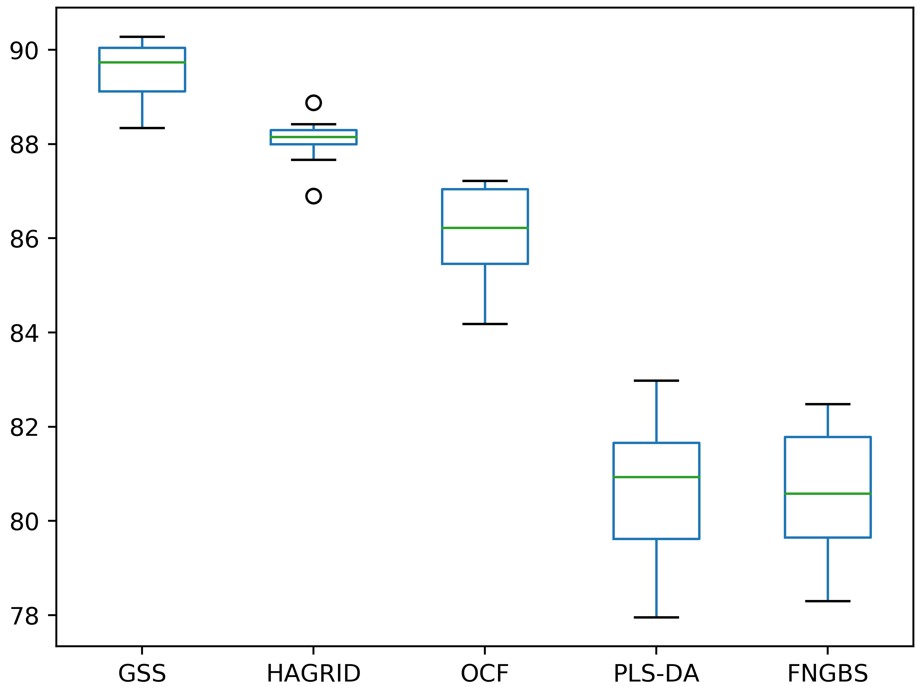
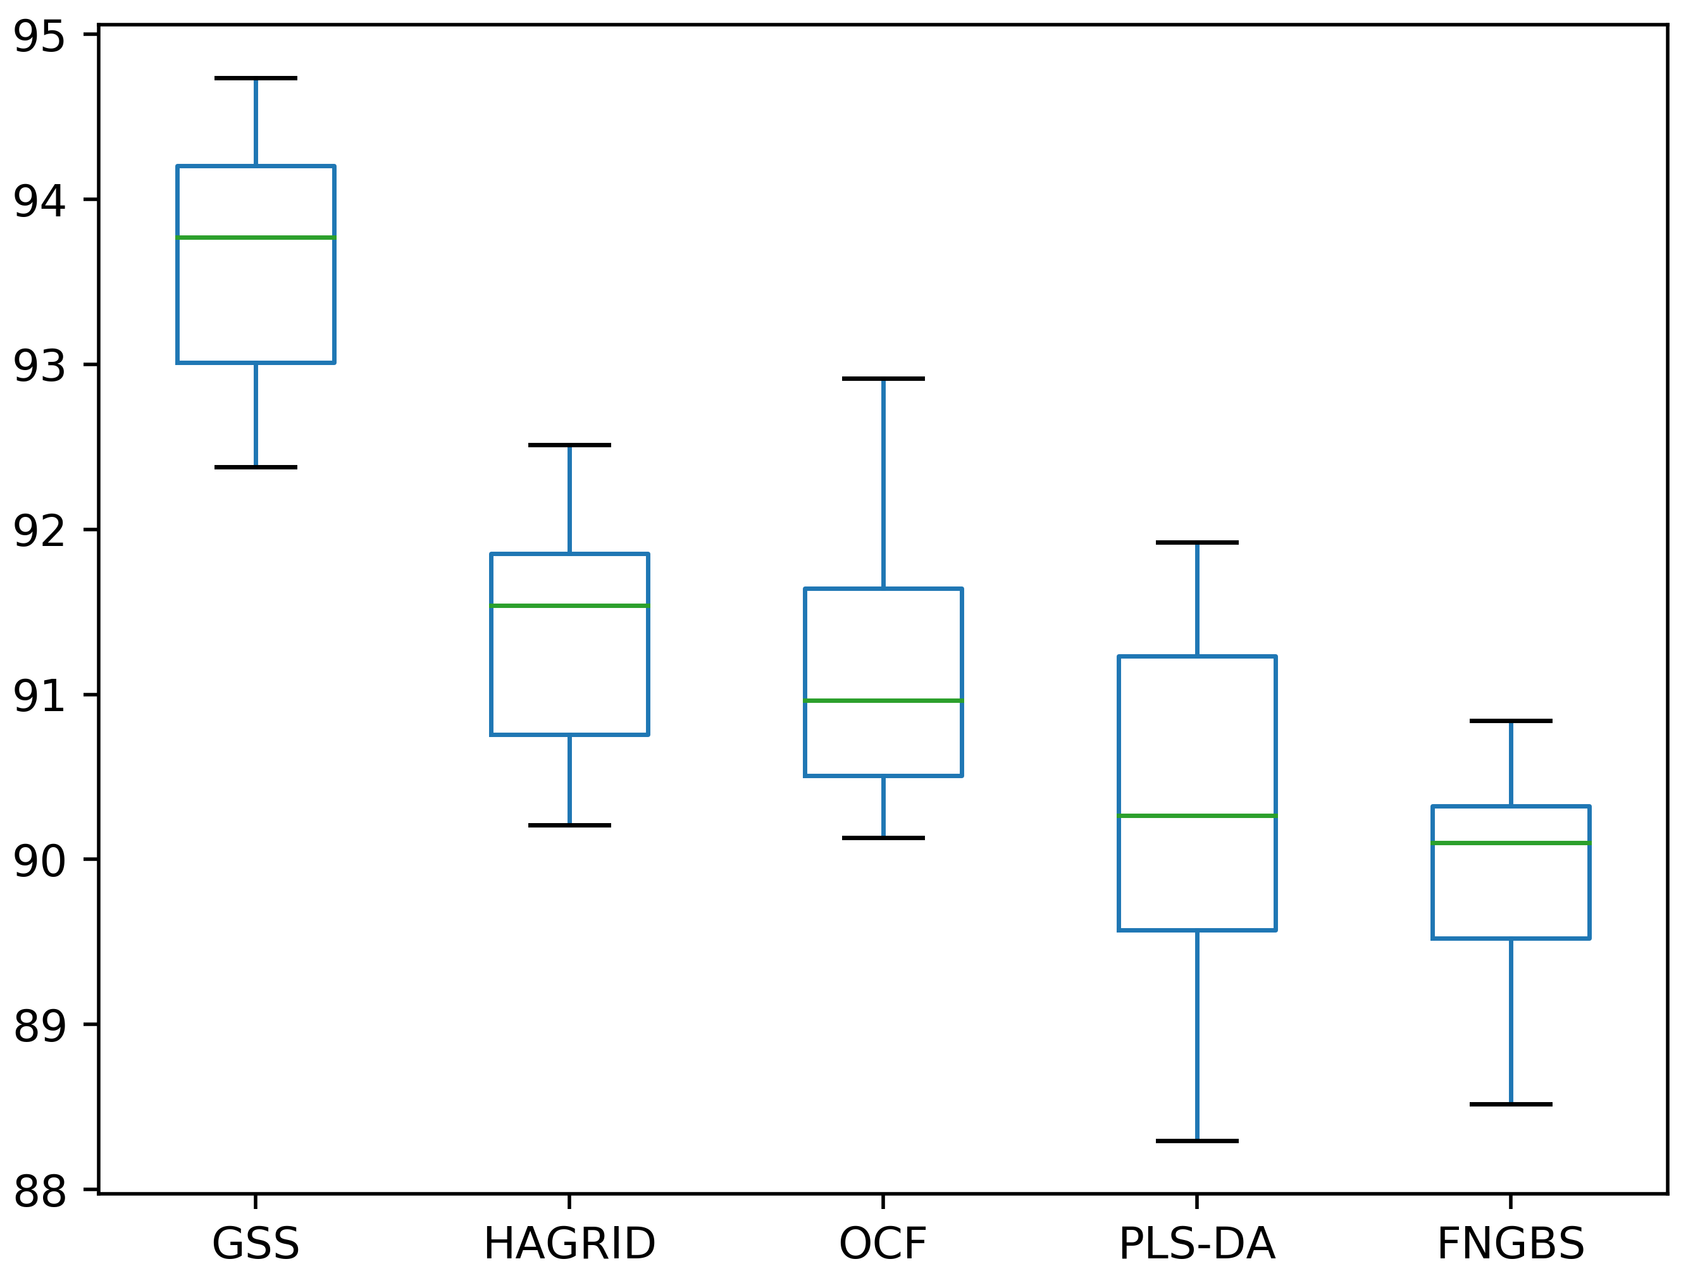
 |  |  | 6 bands - Original |  |  |  |  |  |  |  |  | 10 bands - Original

 |  |  | print(stats.ttest_rel(df['GSS'], df['HAGRID'])) |  |  |  |  |  |  |  |  | print(stats.ttest_rel(df['GSS'], df['HAGRID']))
 |  |  | print(stats.ttest_rel(df['GSS'], df['OCF'])) |  |  |  |  |  |  |  |  | print(stats.ttest_rel(df['GSS'], df['OCF']))
 |  |  | print(stats.ttest_rel(df['GSS'], df['PLS-DA'])) |  |  |  |  |  |  |  |  | print(stats.ttest_rel(df['GSS'], df['PLS-DA']))
 |  |  | print(stats.ttest_rel(df['GSS'], df['FNGBS'])) |  |  |  |  |  |  |  |  | print(stats.ttest_rel(df['GSS'], df['FNGBS']))

 |  |  | Ttest_relResult(statistic=5.796241909864632, pvalue=0.00026069953895774414) |  |  |  |  |  |  |  |  | Ttest_relResult(statistic=6.020811065295298, pvalue=0.00019740205082015207)
 |  |  | Ttest_relResult(statistic=9.468655416016068, pvalue=5.62608927848522e-06) |  |  |  |  |  |  |  |  | Ttest_relResult(statistic=6.804769830330232, pvalue=7.86303226790969e-05)
 |  |  | Ttest_relResult(statistic=13.643882262577671, pvalue=2.5616366886122594e-07) |  |  |  |  |  |  |  |  | Ttest_relResult(statistic=7.545119297848096, pvalue=3.5223778424873806e-05)
 |  |  | Ttest_relResult(statistic=14.434768620468375, pvalue=1.5740925919966088e-07) |  |  |  |  |  |  |  |  | Ttest_relResult(statistic=10.097043851816858, pvalue=3.301664083194231e-06)

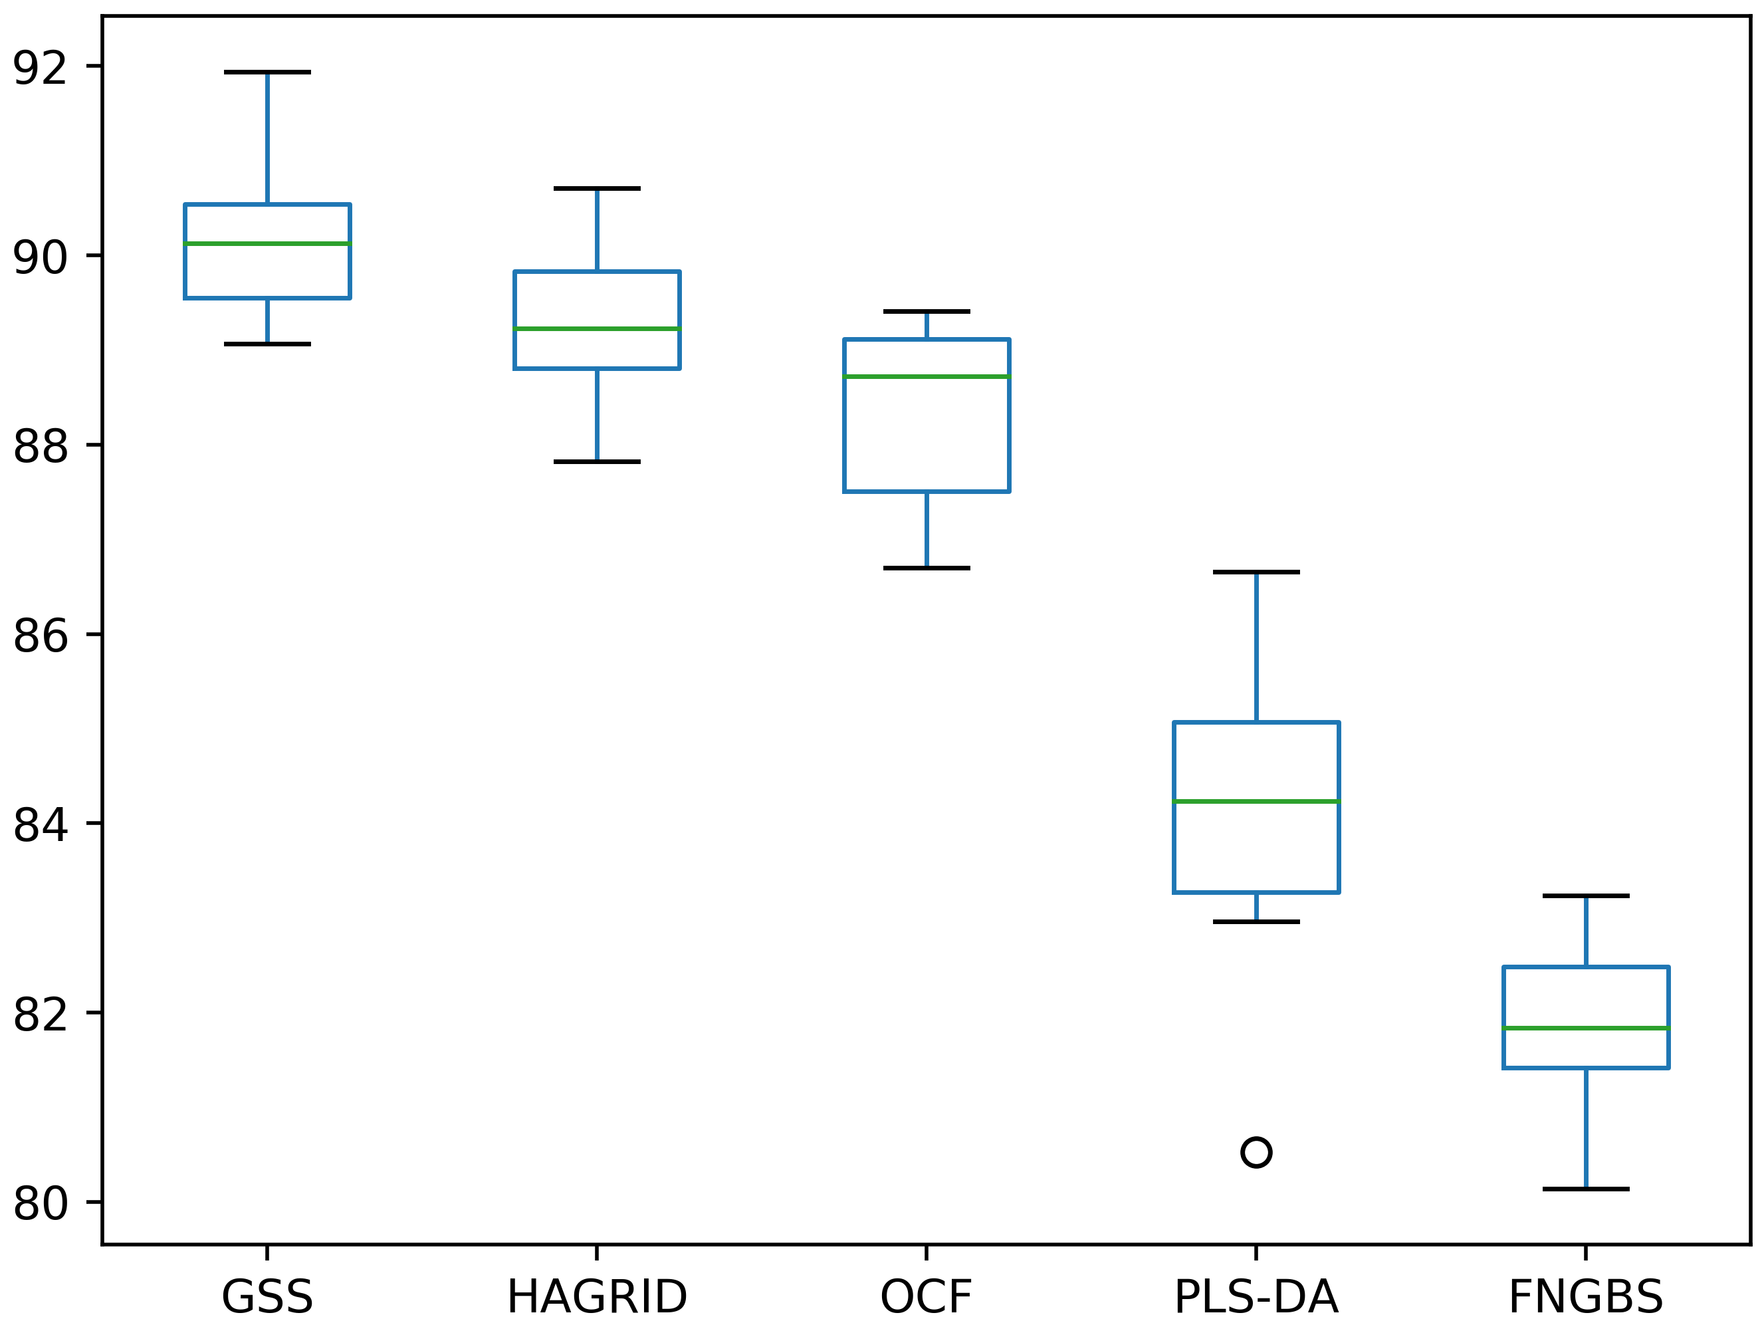
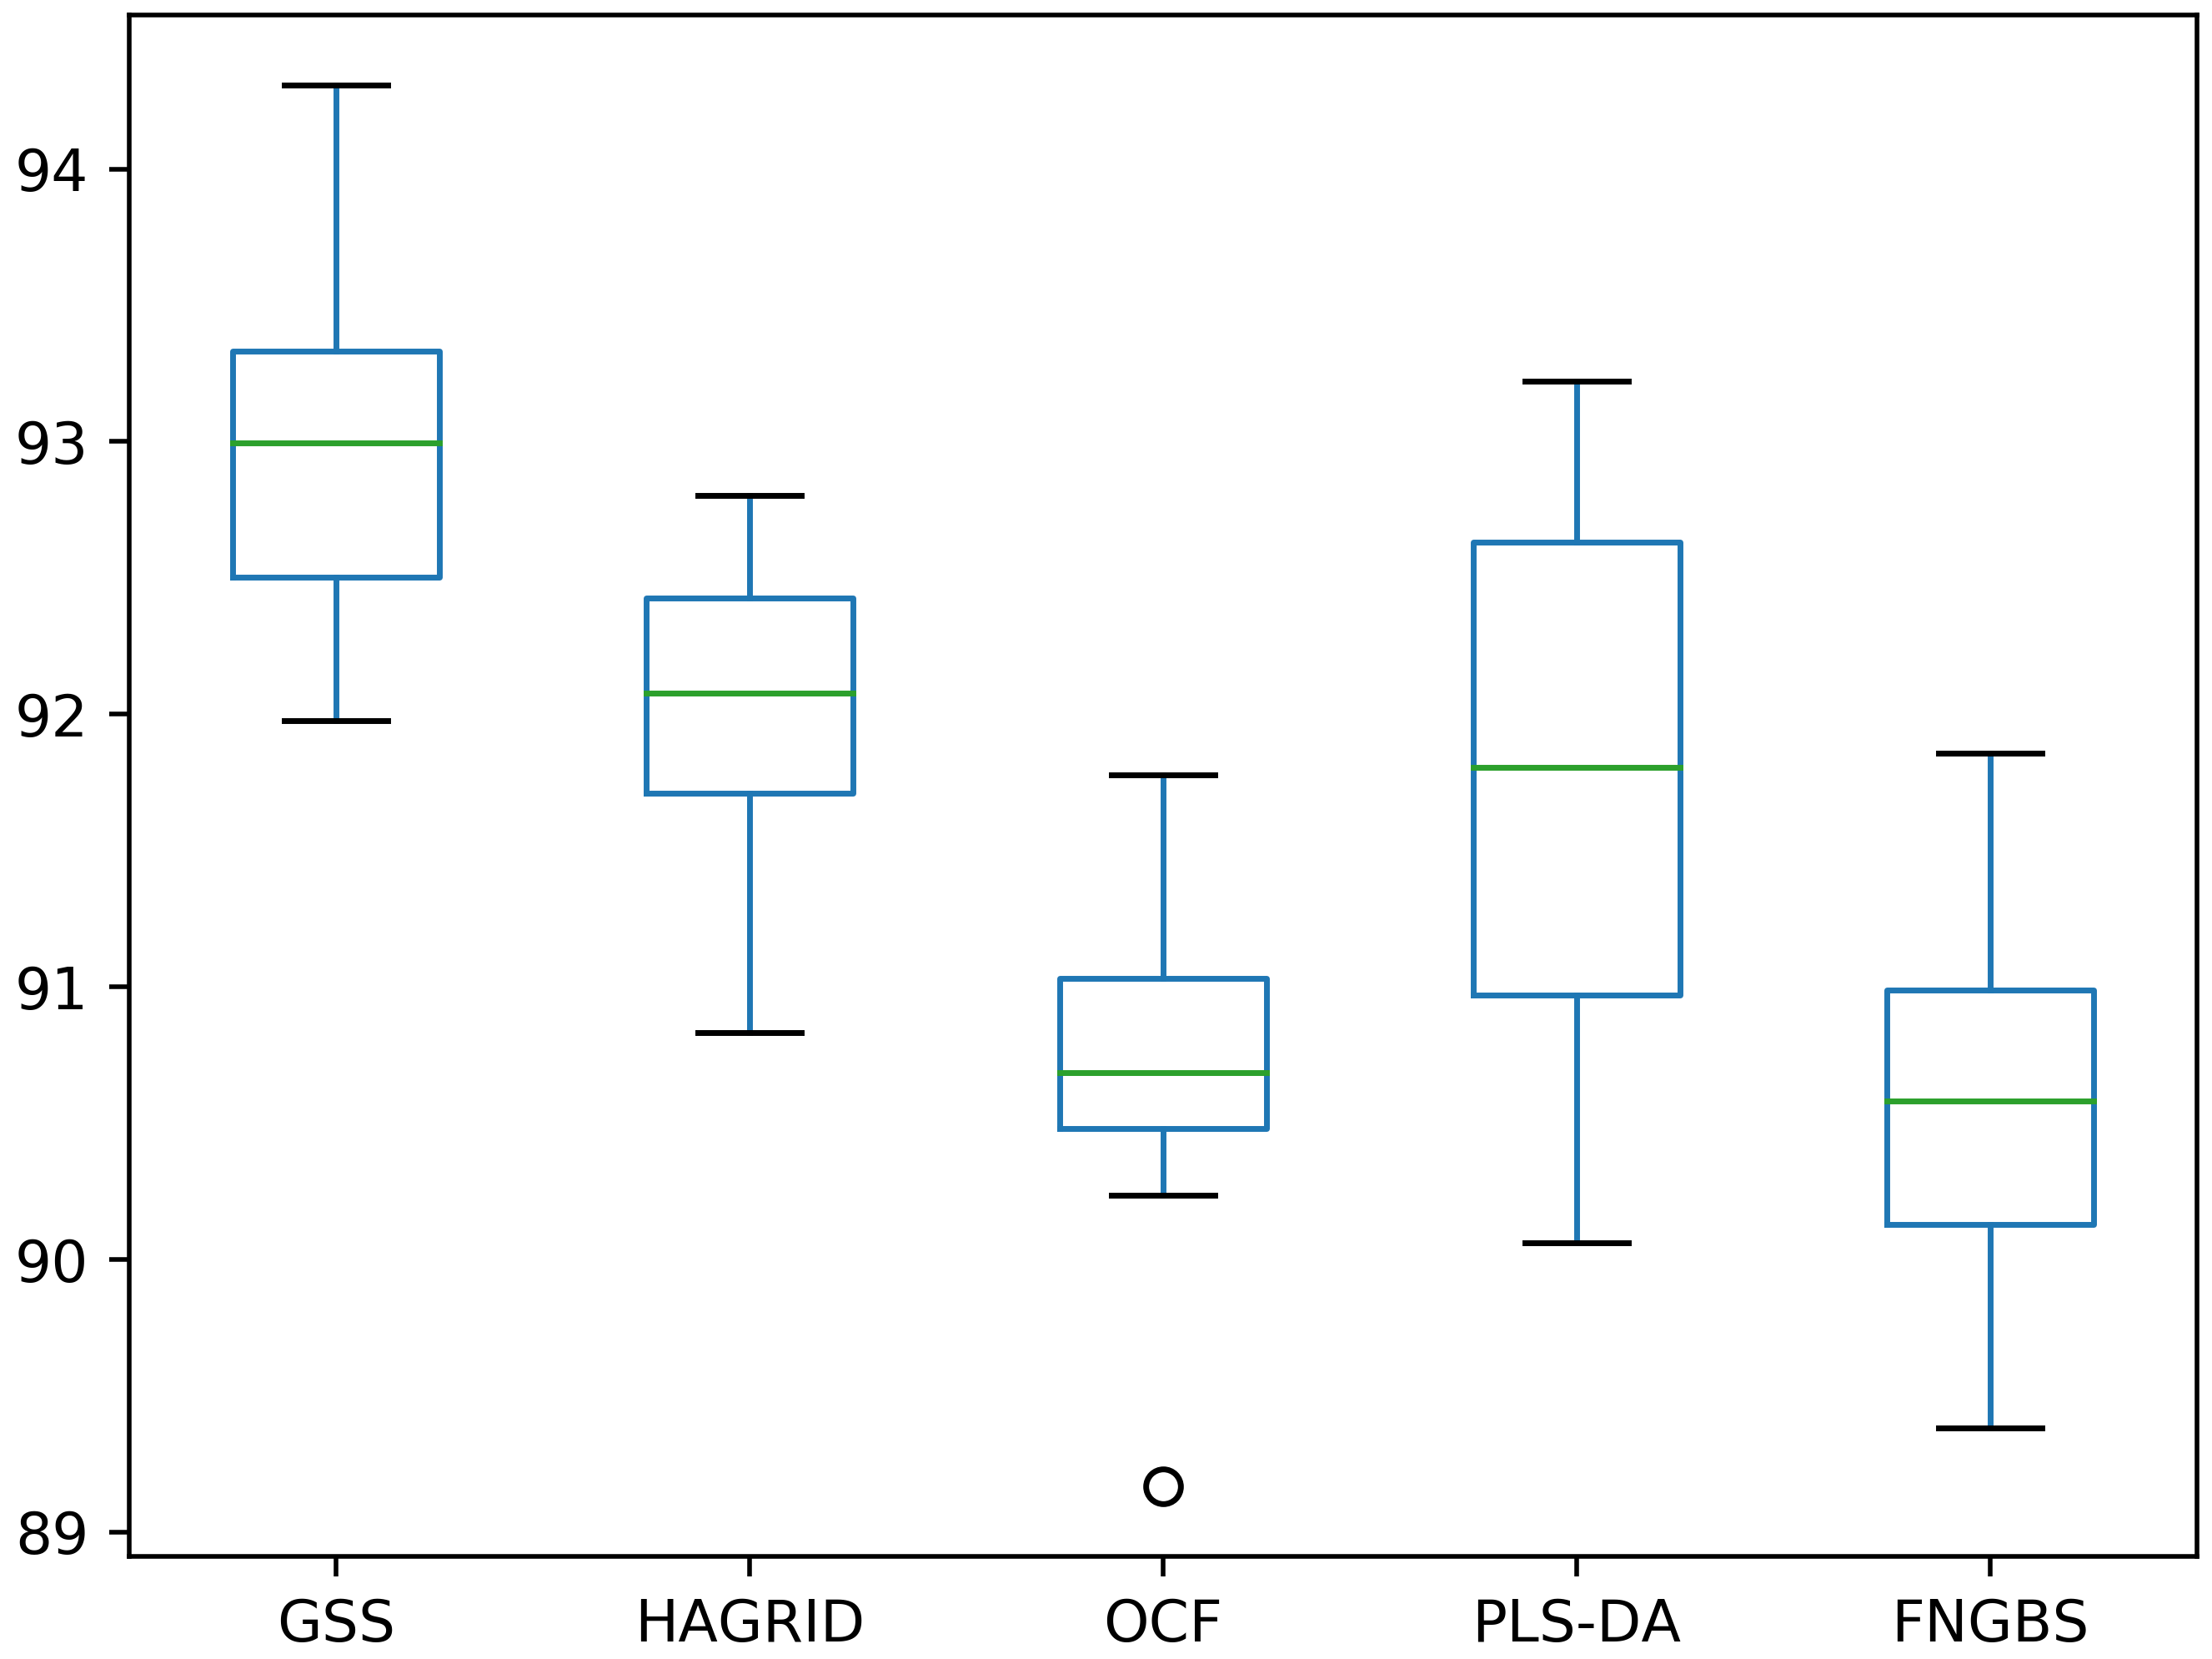
 |  |  | 6 bands - Gaussian transformation |  |  |  |  |  |  |  |  | 10 bands - Gaussian transformation

 |  |  | print(stats.ttest_rel(df['GSS'], df['HAGRID'])) |  |  |  |  |  |  |  |  | print(stats.ttest_rel(df['GSS'], df['HAGRID']))
 |  |  | print(stats.ttest_rel(df['GSS'], df['OCF'])) |  |  |  |  |  |  |  |  | print(stats.ttest_rel(df['GSS'], df['OCF']))
 |  |  | print(stats.ttest_rel(df['GSS'], df['PLS-DA'])) |  |  |  |  |  |  |  |  | print(stats.ttest_rel(df['GSS'], df['PLS-DA']))
 |  |  | print(stats.ttest_rel(df['GSS'], df['FNGBS'])) |  |  |  |  |  |  |  |  | print(stats.ttest_rel(df['GSS'], df['FNGBS']))

 |  |  | Ttest_relResult(statistic=3.437410036348823, pvalue=0.00742081897509532) |  |  |  |  |  |  |  |  | Ttest_relResult(statistic=2.789701359450604, pvalue=0.021064119423684653)
 |  |  | Ttest_relResult(statistic=8.115238280555548, pvalue=1.974118767308493e-05) |  |  |  |  |  |  |  |  | Ttest_relResult(statistic=6.530396815337818, pvalue=0.0001075859085976512)
 |  |  | Ttest_relResult(statistic=8.319848760083271, pvalue=1.6161148196383455e-05) |  |  |  |  |  |  |  |  | Ttest_relResult(statistic=3.9457333133434824, pvalue=0.003376477179470936)
 |  |  | Ttest_relResult(statistic=17.701329631303814, pvalue=2.6576383366254756e-08) |  |  |  |  |  |  |  |  | Ttest_relResult(statistic=10.053147390036331, pvalue=3.4237356991171908e-06)

Comparison 5x2 25%
 | CNN | 25% of the dataset

 | Method | 6 bands |  |  |  | 8 bands |  |  |  | 10 bands
 |  | Acc | Prec | Rec | F1 | Acc | Prec | Rec | F1 | Acc | Prec | Rec | F1
Original | FNGBS | 77.392% (+/- 1.281%) | 78.986% (+/- 1.403%) | 76.466% (+/- 1.505%) | 77.372% (+/- 1.368%) |  |  |  |  | 84.165% (+/- 1.137%) | 85.572% (+/- 1.297%) | 83.858% (+/- 1.069%) | 84.566% (+/- 1.109%)
Gauss |  | 77.506% (+/- 1.433%) | 78.866% (+/- 1.542%) | 76.459% (+/- 1.592%) | 77.416% (+/- 1.421%) |  |  |  |  | 85.367% (+/- 1.430%) | 86.642% (+/- 1.310%) | 85.071% (+/- 1.583%) | 85.704% (+/- 1.468%)
Original | PLS-DA | 77.013% (+/- 1.605%) | 78.342% (+/- 2.230%) | 76.383% (+/- 1.522%) | 77.089% (+/- 1.672%) |  |  |  |  | 85.709% (+/- 1.057%) | 87.257% (+/- 1.109%) | 85.450% (+/- 1.033%) | 86.166% (+/- 1.054%)
Gauss |  | 80.152% (+/- 1.715%) | 81.233% (+/- 1.751%) | 79.451% (+/- 2.063%) | 80.137% (+/- 1.868%) |  |  |  |  | 86.316% (+/- 1.246%) | 87.641% (+/- 0.895%) | 86.089% (+/- 1.352%) | 86.749% (+/- 1.146%)
Original | SR-SSIM | 78.228% (+/- 1.517%) | 79.911% (+/- 1.456%) | 79.282% (+/- 1.732%) | 79.522% (+/- 1.524%) |  |  |  |  | 84.253% (+/- 1.212%) | 86.078% (+/- 1.440%) | 85.025% (+/- 0.908%) | 85.424% (+/- 1.038%)
Gauss |  | 80.127% (+/- 1.678%) | 81.389% (+/- 1.952%) | 80.880% (+/- 1.382%) | 81.040% (+/- 1.643%) |  |  |  |  | 84.772% (+/- 1.607%) | 86.250% (+/- 1.648%) | 85.393% (+/- 1.310%) | \vspace{-2ex}
Original | OCF | 81.608% (+/- 1.171%) | 82.743% (+/- 1.121%) | 81.493% (+/- 1.460%) | 82.017% (+/- 1.214%) |  |  |  |  | 84.367% (+/- 1.264%) | 85.705% (+/- 1.297%) | 84.351% (+/- 1.090%) | 84.912% (+/- 1.136%)
Gauss |  | 83.114% (+/- 1.217%) | 84.039% (+/- 1.104%) | 82.884% (+/- 1.475%) | 83.344% (+/- 1.211%) |  |  |  |  | 84.000% (+/- 1.729%) | 85.440% (+/- 1.713%) | 83.965% (+/- 1.633%) | 84.549% (+/- 1.622%)
Original | HAGRID | 82.671% (+/- 1.203%) | 83.975% (+/- 1.181%) | 82.615% (+/- 1.376%) | 83.141% (+/- 1.248%) |  |  |  |  | 85.329% (+/- 0.976%) | 86.859% (+/- 1.346%) | 84.980% (+/- 0.908%) | 85.732% (+/- 0.986%)
Gauss |  | 83.772% (+/- 0.891%) | 85.019% (+/- 1.207%) | 83.652% (+/- 0.921%) | 84.197% (+/- 0.850%) |  |  |  |  | 86.139% (+/- 1.167%) | 87.448% (+/- 1.182%) | 85.971% (+/- 1.059%) | 86.566% (+/- 1.101%)
Original | GSS | 84.025% (+/- 0.847%) | 85.382% (+/- 0.563%) | 84.049% (+/- 0.938%) | 84.562% (+/- 0.737%) |  |  |  |  | 87.494% (+/- 1.320%) | 88.609% (+/- 1.514%) | 87.567% (+/- 1.145%) | 87.964% (+/- 1.211%)
Gauss |  | 84.962% (+/- 1.187%) | 86.243% (+/- 1.363%) | 85.011% (+/- 1.291%) | 85.456% (+/- 1.185%) |  |  |  |  | 86.987% (+/- 1.416%) | 88.551% (+/- 1.298%) | 86.880% (+/- 1.485%) | 87.553% (+/- 1.323%)
Original | IBRA + PCA | 76.481% (+/- 1.738%) | 76.830% (+/- 2.077%) | 76.100% (+/- 1.985%) | 76.314% (+/- 1.928%) | 74.810% (+/- 1.984%) | 75.381% (+/- 2.074%) | 74.694% (+/- 2.139%) | 74.913% (+/- 2.093%) | 87.924% (+/- 1.019%) | 88.938% (+/- 0.942%) | 88.067% (+/- 1.110%) | 88.445% (+/- 0.996%)
Gauss |  | 82.709% (+/- 1.276%) | 83.410% (+/- 1.252%) | 82.274% (+/- 1.507%) | 82.693% (+/- 1.287%) | 87.696% (+/- 1.074%) | 88.330% (+/- 1.214%) | 87.768% (+/- 1.014%) | 88.001% (+/- 1.054%) | 90.139% (+/- 1.087%) | 90.790% (+/- 1.142%) | 90.197% (+/- 1.183%) | 90.457% (+/- 1.138%)
Original | IBRA + PLS | 84.519% (+/- 1.196%) | 85.425% (+/- 1.291%) | 84.608% (+/- 1.417%) | 84.940% (+/- 1.284%) | 88.165% (+/- 1.160%) | 88.816% (+/- 1.145%) | 88.614% (+/- 1.199%) | 88.666% (+/- 1.104%) | 89.899% (+/- 1.102%) | 90.723% (+/- 1.306%) | 90.169% (+/- 0.948%) | 90.393% (+/- 1.084%)
Gauss |  | 83.582% (+/- 1.539%) | 84.509% (+/- 1.980%) | 83.964% (+/- 1.486%) | 84.154% (+/- 1.712%) | 87.430% (+/- 1.490%) | 88.298% (+/- 1.727%) | 87.600% (+/- 1.407%) | 87.872% (+/- 1.534%) | 89.684% (+/- 1.204%) | 90.650% (+/- 1.232%) | 89.862% (+/- 1.030%) | 90.205% (+/- 1.100%)

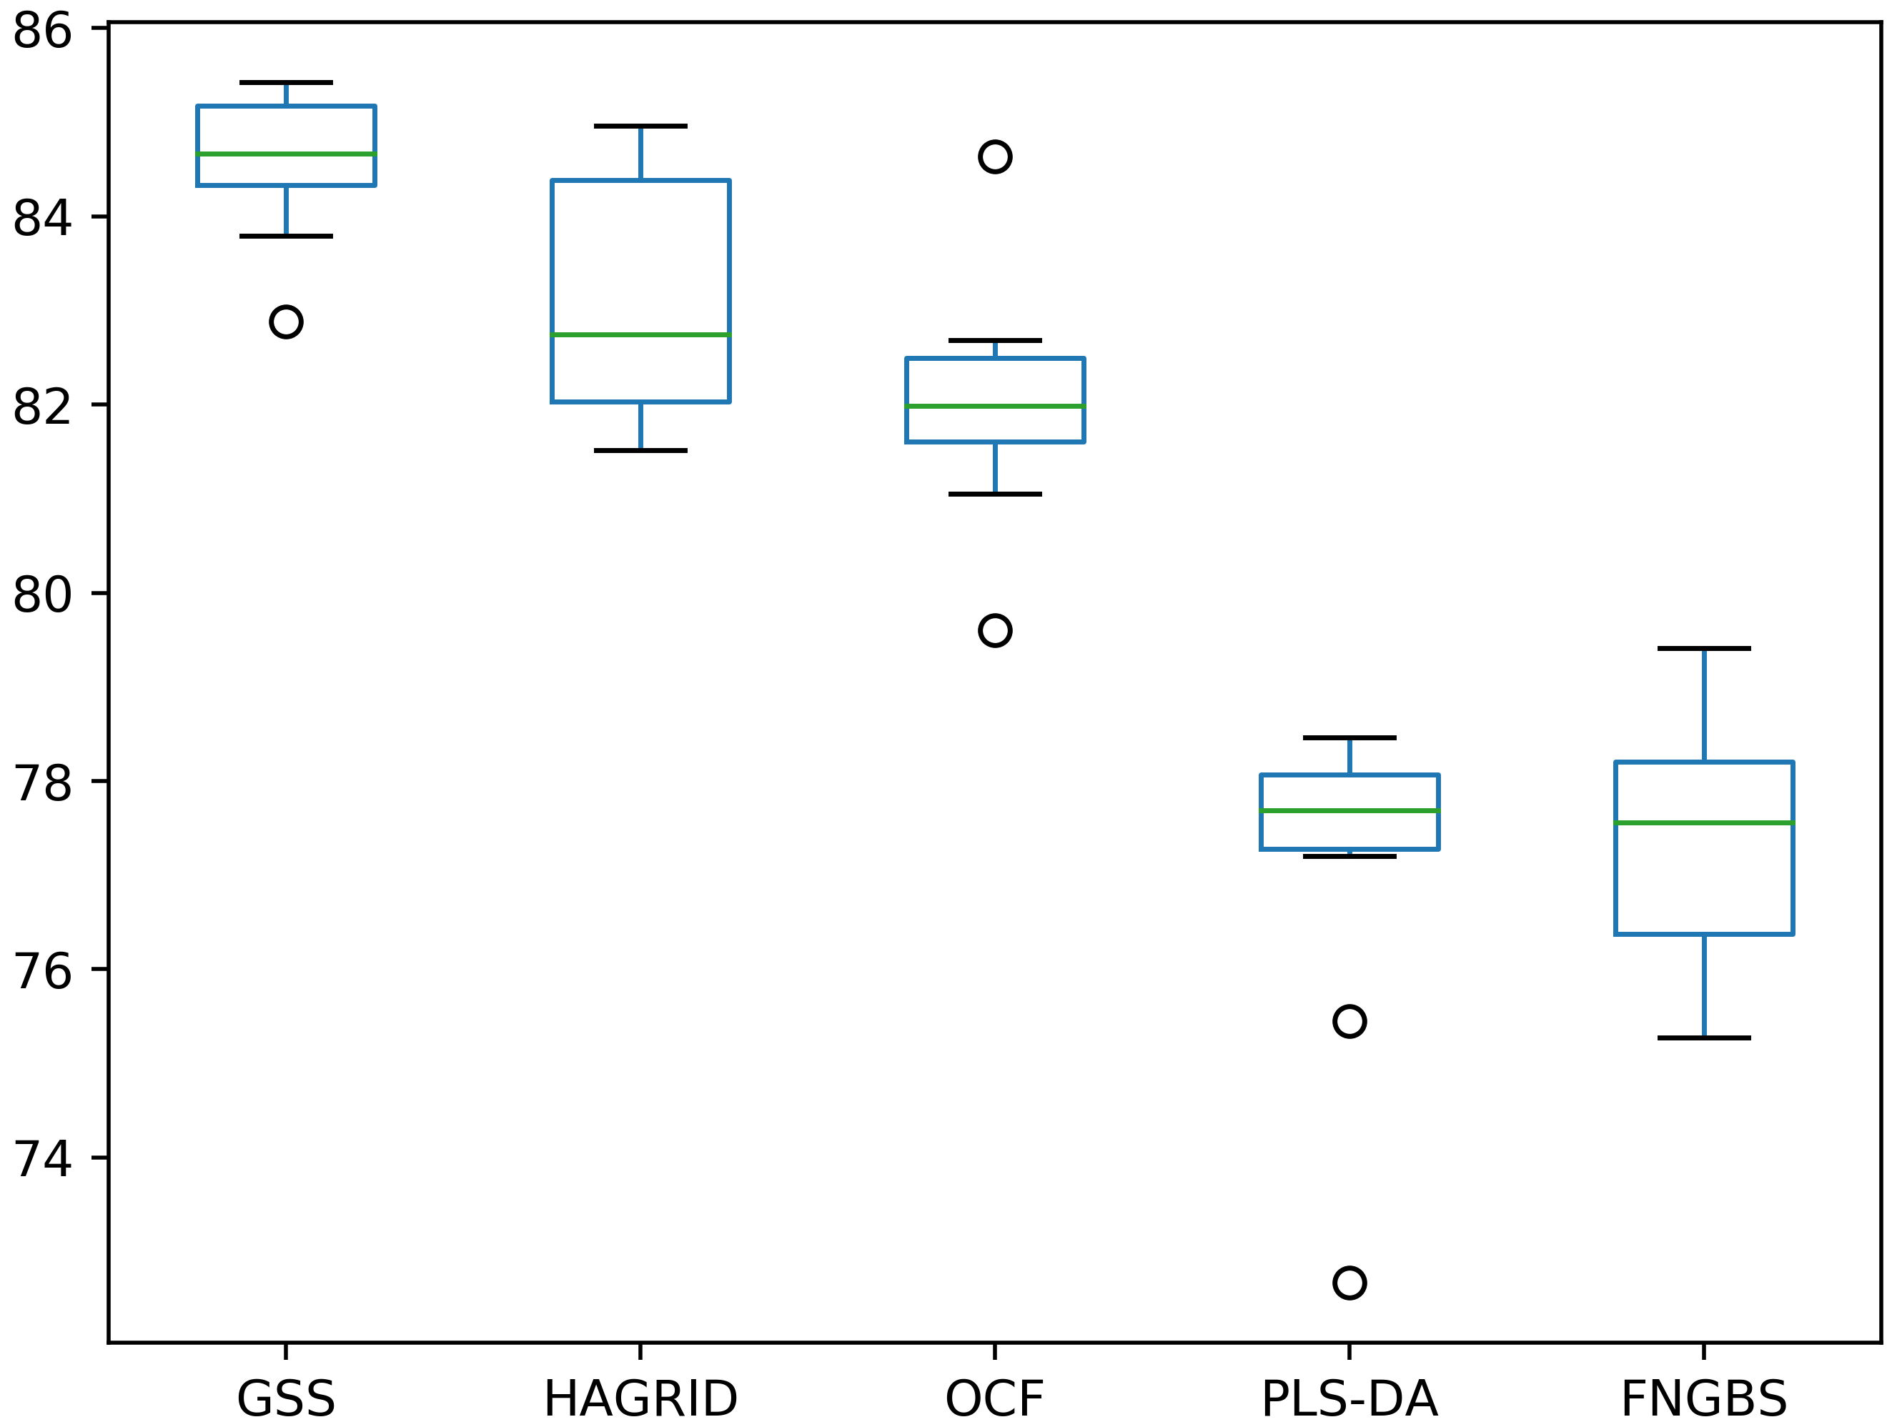
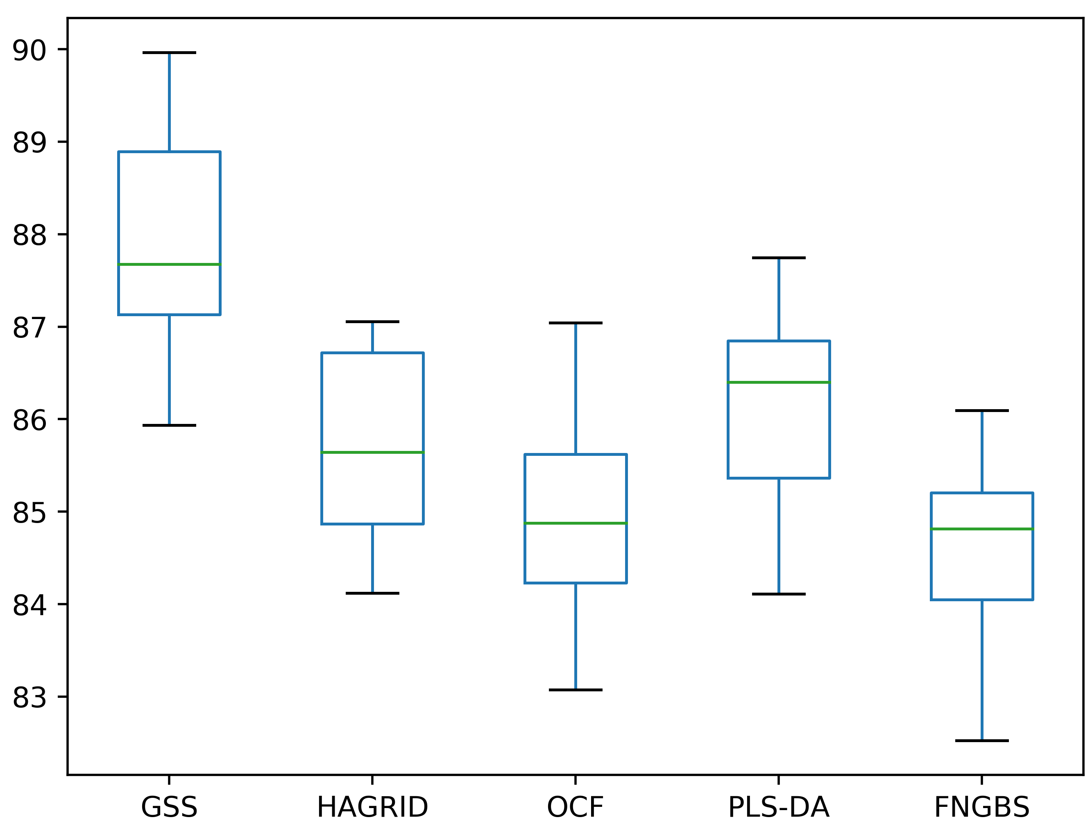
 |  |  | 6 bands - Original |  |  |  |  |  |  |  |  | 10 bands - Original

 |  |  | print(stats.ttest_rel(df['GSS'], df['HAGRID'])) |  |  |  |  |  |  |  |  | print(stats.ttest_rel(df['GSS'], df['HAGRID']))
 |  |  | print(stats.ttest_rel(df['GSS'], df['OCF'])) |  |  |  |  |  |  |  |  | print(stats.ttest_rel(df['GSS'], df['OCF']))
 |  |  | print(stats.ttest_rel(df['GSS'], df['PLS-DA'])) |  |  |  |  |  |  |  |  | print(stats.ttest_rel(df['GSS'], df['PLS-DA']))
 |  |  | print(stats.ttest_rel(df['GSS'], df['FNGBS'])) |  |  |  |  |  |  |  |  | print(stats.ttest_rel(df['GSS'], df['FNGBS']))

 |  |  | Ttest_relResult(statistic=3.4872207748277924, pvalue=0.0068601006362637995) |  |  |  |  |  |  |  |  | Ttest_relResult(statistic=9.240012504431272, pvalue=6.880739645306576e-06)
 |  |  | Ttest_relResult(statistic=8.08912007319473, pvalue=2.0257675332893444e-05) |  |  |  |  |  |  |  |  | Ttest_relResult(statistic=9.531018826032911, pvalue=5.329245048465803e-06)
 |  |  | Ttest_relResult(statistic=11.82317662981914, pvalue=8.736924533461873e-07) |  |  |  |  |  |  |  |  | Ttest_relResult(statistic=6.0751516484442085, pvalue=0.0001847384050551031)
 |  |  | Ttest_relResult(statistic=13.313030676729099, pvalue=3.1647962398675696e-07) |  |  |  |  |  |  |  |  | Ttest_relResult(statistic=7.925959102582649, pvalue=2.3839922209371453e-05)

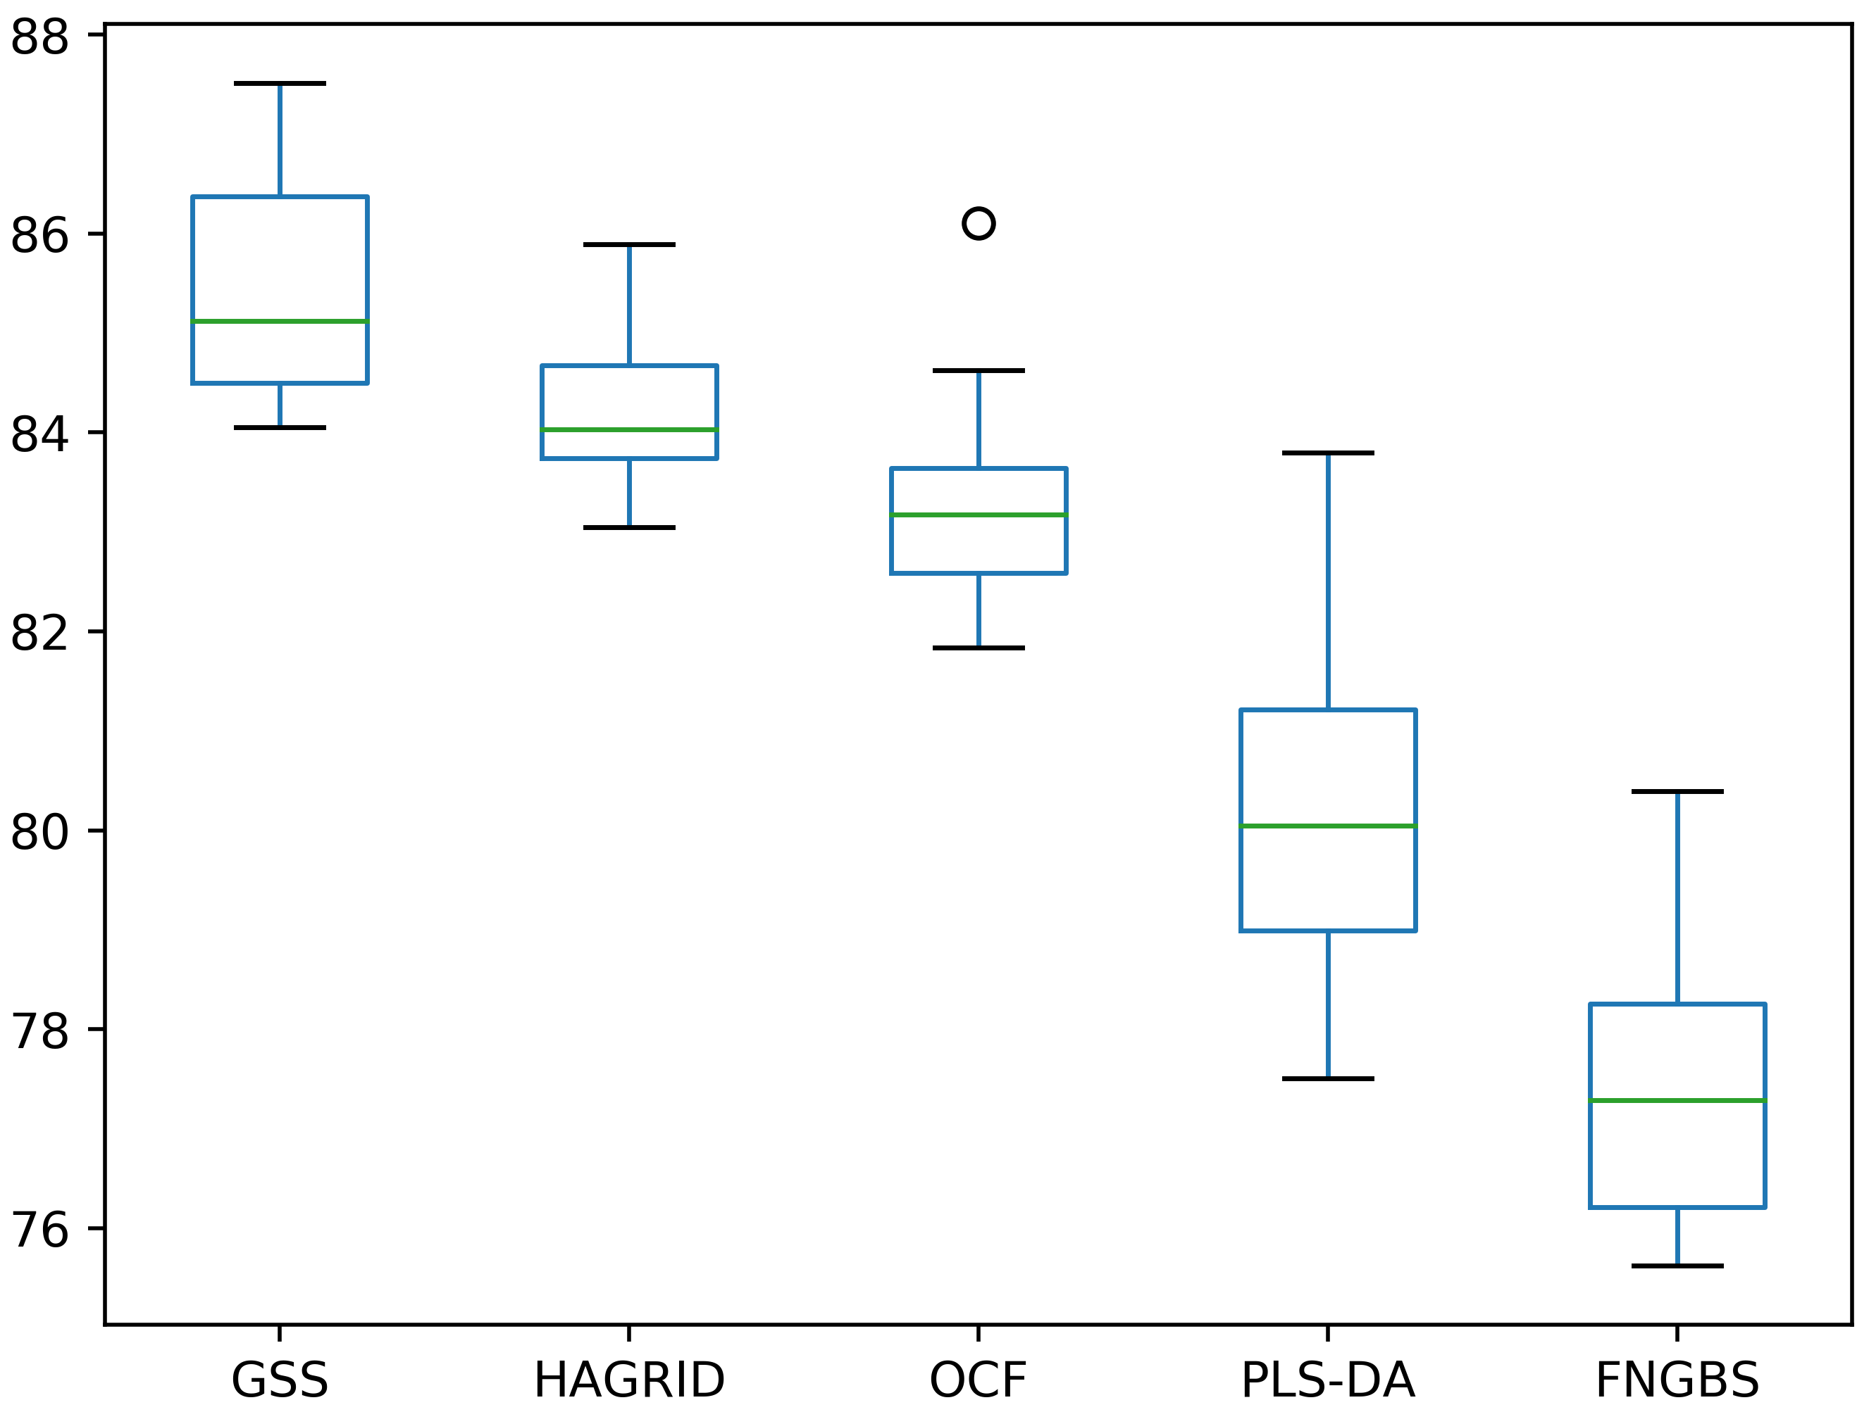
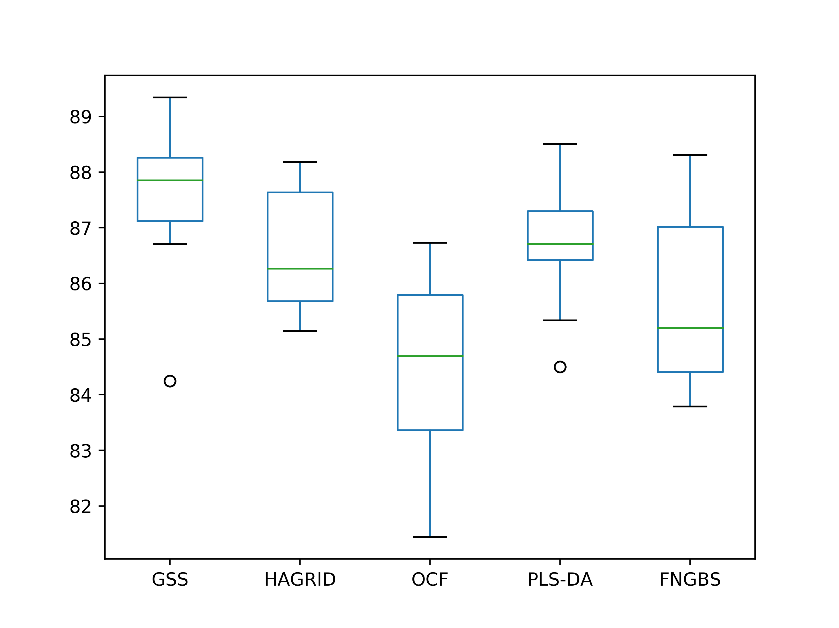
 |  |  | 6 bands - Gaussian transformation |  |  |  |  |  |  |  |  | 10 bands - Gaussian transformation

 |  |  | print(stats.ttest_rel(df['GSS'], df['HAGRID'])) |  |  |  |  |  |  |  |  | print(stats.ttest_rel(df['GSS'], df['HAGRID']))
 |  |  | print(stats.ttest_rel(df['GSS'], df['OCF'])) |  |  |  |  |  |  |  |  | print(stats.ttest_rel(df['GSS'], df['OCF']))
 |  |  | print(stats.ttest_rel(df['GSS'], df['PLS-DA'])) |  |  |  |  |  |  |  |  | print(stats.ttest_rel(df['GSS'], df['PLS-DA']))
 |  |  | print(stats.ttest_rel(df['GSS'], df['FNGBS'])) |  |  |  |  |  |  |  |  | print(stats.ttest_rel(df['GSS'], df['FNGBS']))

 |  |  | Ttest_relResult(statistic=4.750987625580468, pvalue=0.0010427475688121592) |  |  |  |  |  |  |  |  | Ttest_relResult(statistic=2.007278056802172, pvalue=0.07565955580330157)
 |  |  | Ttest_relResult(statistic=4.7606162025433365, pvalue=0.0010287828753736093) |  |  |  |  |  |  |  |  | Ttest_relResult(statistic=6.303865330820935, pvalue=0.0001403383616737282)
 |  |  | Ttest_relResult(statistic=8.544403593832499, pvalue=1.3032534104375654e-05) |  |  |  |  |  |  |  |  | Ttest_relResult(statistic=4.035427438709591, pvalue=0.0029488018299691316)
 |  |  | Ttest_relResult(statistic=12.870675742876571, pvalue=4.230859697387113e-07) |  |  |  |  |  |  |  |  | Ttest_relResult(statistic=4.239311474485877, pvalue=0.002176499913535171)

