Comparison
 | CNN | 100% dataset

 | Method | 5 bands
 |  | Acc | Prec | Rec | F1
Original | FNGBS | 97.493% (+/- 0.339%) | 97.862% (+/- 0.360%) | 97.644% (+/- 0.710%) | 97.721% (+/- 0.499%) | selection=[28, 70, 92, 107, 129]
Gauss |  | 97.344% (+/- 0.651%) | 97.944% (+/- 0.519%) | 97.748% (+/- 0.463%) | 97.823% (+/- 0.437%)
Original | PLS-DA | 96.675% (+/- 0.857%) | 96.830% (+/- 0.987%) | 95.618% (+/- 0.942%) | 96.105% (+/- 0.737%) | selection=[4, 27, 83, 96, 148]
Gauss |  | 97.173% (+/- 0.601%) | 97.304% (+/- 0.793%) | 96.661% (+/- 1.025%) | 96.904% (+/- 0.837%)
Original | OCF | 96.679% (+/- 0.561%) | 97.343% (+/- 0.759%) | 96.339% (+/- 0.983%) | 96.774% (+/- 0.824%) | selection=[16, 28, 50, 67, 90]
Gauss |  | 97.024% (+/- 0.577%) | 97.734% (+/- 0.508%) | 97.142% (+/- 0.625%) | 97.395% (+/- 0.480%)
Original | HAGRID | 96.736% (+/- 0.535%) | 97.060% (+/- 0.747%) | 96.356% (+/- 1.031%) | 96.652% (+/- 0.880%) | selection=[ 17 31 55 75 119]
Gauss |  | 97.030% (+/- 0.749%) | 97.241% (+/- 0.860%) | 96.720% (+/- 1.447%) | 96.911% (+/- 1.209%)
Original | GSS | 98.078% (+/- 0.428%) | 98.264% (+/- 0.422%) | 98.396% (+/- 0.427%) | 98.316% (+/- 0.387%) | selection=[11, 25, 34, 39, 67]
Gauss |  | 98.238% (+/- 0.387%) | 98.563% (+/- 0.381%) | 98.428% (+/- 0.420%) | 98.482% (+/- 0.363%)
Original | IBRA + PCA | 94.699% (+/- 0.651%) | 96.116% (+/- 0.714%) | 94.452% (+/- 1.521%) | 95.102% (+/- 1.023%)
Gauss |  | 96.985% (+/- 0.966%) | 97.835% (+/- 0.774%) | 97.604% (+/- 0.389%) | 97.695% (+/- 0.548%)
Original | IBRA + PLS | 96.113% (+/- 1.371%) | 97.099% (+/- 1.041%) | 96.602% (+/- 0.975%) | 96.699% (+/- 1.010%)
Gauss |  | 97.192% (+/- 0.674%) | 97.765% (+/- 0.674%) | 97.669% (+/- 1.028%) | 97.638% (+/- 0.952%)
Original | Variance (Train) | 94.31
 | Variance (Test) | 94.78
Gauss | Variance (Train) | 98.89
 | Variance (Test) | 98.98

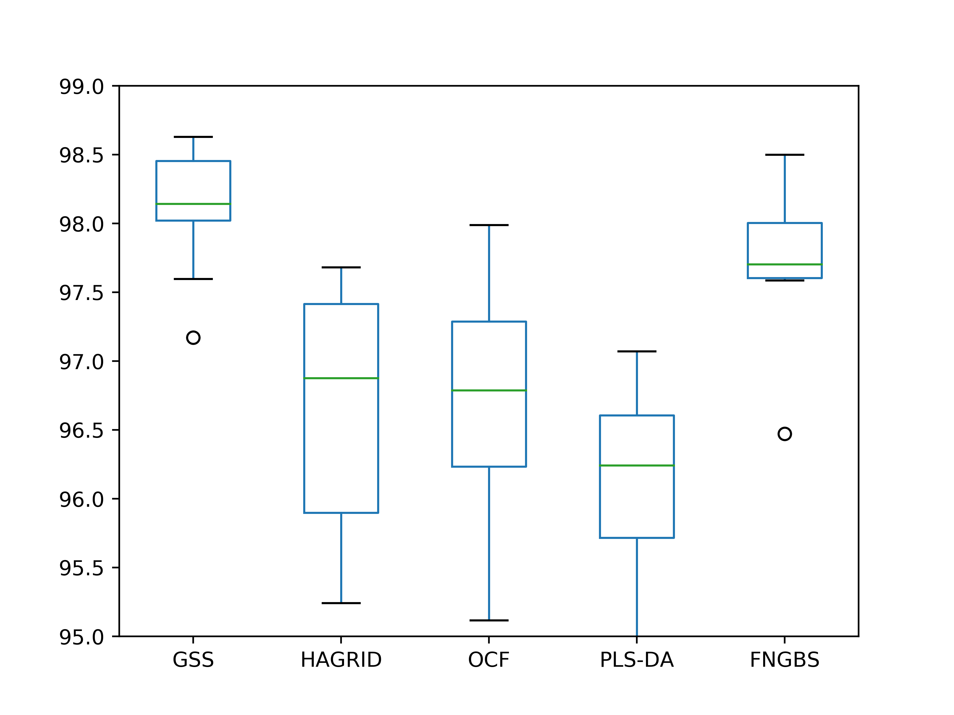
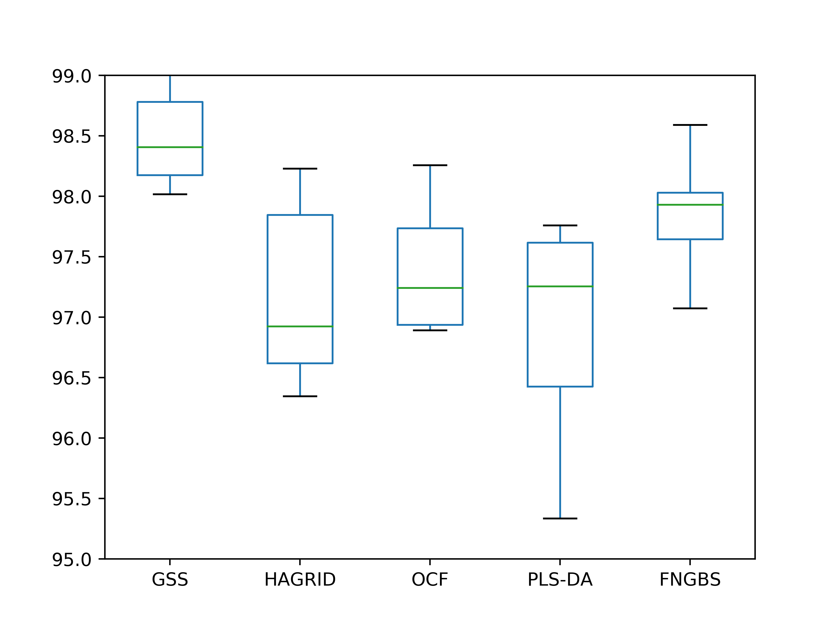
 |  |  | 5 bands - Original |  |  |  | 5 bands - Gaussian transformation

 |  |  | print(stats.ttest_rel(df['GSS'], df['HAGRID'])) |  |  |  | print(stats.ttest_rel(df['GSS'], df['HAGRID']))
 |  |  | print(stats.ttest_rel(df['GSS'], df['OCF'])) |  |  |  | print(stats.ttest_rel(df['GSS'], df['OCF']))
 |  |  | print(stats.ttest_rel(df['GSS'], df['PLS-DA'])) |  |  |  | print(stats.ttest_rel(df['GSS'], df['PLS-DA']))
 |  |  | print(stats.ttest_rel(df['GSS'], df['FNGBS'])) |  |  |  | print(stats.ttest_rel(df['GSS'], df['FNGBS']))

 |  |  | Ttest_relResult(statistic=7.3254933811136445, pvalue=4.4418847308318554e-05) |  |  |  | Ttest_relResult(statistic=4.144913163195462, pvalue=0.0025032604453911114)
 |  |  | Ttest_relResult(statistic=5.755838895396393, pvalue=0.0002742723814363539) |  |  |  | Ttest_relResult(statistic=5.335671439808199, pvalue=0.000471151188364737)
 |  |  | Ttest_relResult(statistic=7.689516395167137, pvalue=3.032527136505947e-05) |  |  |  | Ttest_relResult(statistic=7.187845847475793, pvalue=5.1504904343993314e-05)
 |  |  | Ttest_relResult(statistic=1.6880883097471708, pvalue=0.12566439774608748) |  |  |  | Ttest_relResult(statistic=3.0986161412662656, pvalue=0.012750898879795065)

