1. Title Page
Instacart Grocery Basket Analysis

Project Name: Instacart Grocery Basket Analysis
Date: 26 Dec 2021
Analyst Name: Giorjean Mutuc-Natera

Contents:
Population Flow
Consistency checks
Wrangling steps
Column derivations
Visualizations
Recommendations

Objectives:

You’re an analyst for an existing company, Instacart, an online grocery store that operates through an app. Instacart already has very good sales, but they want to uncover more information about their sales patterns. Your task is to perform an initial data and exploratory analysis of some of their data in order to derive insights and suggest strategies for better segmentation based on the provided criteria.

2. Population Flow
Title page

Population flow

Exclusion flag
Condition: max_order <
Obervations to be removed:
Final total count of order_products_all:

Orders_products_combined
Orders_products_merged
Orders_products_all

Total: 32427903 rows, 15 columns
Total: 32434489 rows, 12 columns
Total: 32427903 rows, 32 columns

1.) The grey boxes in the first row of the population flow represent the original data sets as they were when you downloaded them. In the Total fields you need to add the count of the rows when you imported the data set into Jupyter.
2.) The second row of boxes (coloured) represents the data sets after you manipulated them, e.g., removed missing values and duplicates. In the Total fields you need to add the count of the rows after conducting these operations. This offers a visual oveview of how the data flows throughout the data consistency checks.
3.) The third row, where also the arrows are coloured, represents the merges you performed between the datasets. In the Total fields you need to add the count of the rows in the merged datasets, so that you end up with the final dataset (in the red box). Keep in mind the final dataset should be without exclusions (based on the exclusion flag).

3. Consistency checks
 |  |  |  | Title page
Consistency checks

Dataset | Missing values | Missing values treatment | Duplicates
orders | 206209 NAN - days_since_prior order | Impute NAN values with 0 | 0
products | 16 - product name | removed
products |  | removed two rows outliers - 14900 & 9999
products |  |  | 5
orders_products_prior | 0 | 0 | 0
customers | 0 | 0 | 0

4. Wrangling steps
 |  |  |  | Title page
Wrangling steps

Columns dropped | Columns renamed | Columns' type changed | Comment/Reason
eval_set |  |  | From original orders.csv - irrelevant
order_dow | orders_day_of_week |  | From original orders.csv - easier to understand
 |  | order_id changed to str | From original orders.csv - not needed for computations
 |  | department_id | From departments.csv - transposed columns into rows
 |  | user id changed to str | From original orders.csv - not needed for computations
 | df_dep_t_new.columns = new_header |  | Tell Python to use the list of column names; set the header row as df header
Unnamed: 0 |  |  | From df_prods_checked
_merged |  |  | From df_ords_prods_combo_1
First Name | first_name |  | for consistency
Surnam | surname |  | for consistency
Gender | gender |  | for consistency
STATE | state |  | for consistency
Age | age |  | for consistency
n_dependents | dependents |  | for consistency
eval_set , busiest day |  |  | irrelevant
first_name |  |  | to address PII
surname |  |  | to address PII
order_freq |  |  | redundant
median_freq |  |  | redundant

5. Column derivations
 |  |  |  | Title page

Column derivations and aggregations

In this tab you should add tables below that the frequences of flags/label variables that you produced after deriving them. NB: don't do this for continuous variables, only for flags.
Dataset | New column | Column/s it was derived from | Conditions
df_ords_prods_merged | _merged | orders_products_combined dataframe with your products | All columns must have a full match
df_ords_prods_merged_1 | price_range_loc | use loc() on ords_prods_merge - order_dow column | >15 high range product, <=15 & >5 mid-range product, <= 5 low-range product
df_ords_prods_merged_1 | activity | use if/elif/else on ords_prods_merge - order_dow column | if in 0,1 busiest day, elif in 3,4 slowest days, else regular days
df_ords_prods_merged_1 | busiest_period_of_day | use if/elif/else on ords_prods_merge - order_hour_of_day column | if in 1,2,3,4,5 fewest orders, elif in 9,16,12,13,15,14,11,10 most orders, else average orders
df_ords_prods_merged_1 | loyalty_flag | use loc() on ords_prods_merge - max_order column | > 40 Loyal Customer, <=40 Regular Customer, <=10 New Customer
ords_prods_merge | spending_flag | use loc() on ords_prods_merge - avg_order column | <10 low spender, >= 10 high spender
ords_prods_merge | order_freq_flag | use loc() on ords_prods_merge - order_med_freq column | > 20 non-frequent customer, > 10 regular customer, <=10 frequent customer
df_merge_PII | region | use loc() on df_merge_PII - state | group states according to region - Northeast, Midwest, South, West
df_merge_PII | exclusion_flag | use loc() on df_merge_PII - max_order | < 5 low activity customer, >=5 regular customer
df_final | age_range | use loc() on df_final - age column | 20 & under, 21-30, 31-40, 41-50, 51-60, 61-70, 80+
df_final | income_bracket | use loc() on df_final - income column | <5000, 50000-99999, 10000-200000, 200001 - 300000, 300001-40000,410000-500000, 500001-600000
df_final | prarental_status | use loc() on df_final - dependents column | parents, non-parent

6. Visualizations
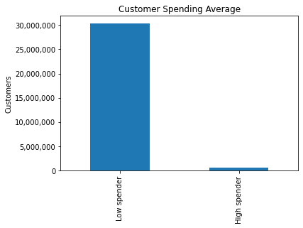
In this tab you should include all the visualtions from Exercises 4.9 and 4.10, alongside the questions from the project brief that they answer. Include any commentary on the relationship between different variables.
 |  |  | Title page

Visualisations

The sales team needs to know what the busiest days of the week and hours of the day are (i.e., the days and times with the most orders) in order to schedule ads at times when there are fewer orders.
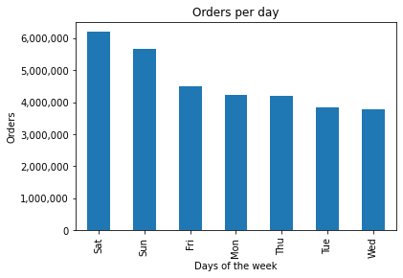

 | 0 & 1 are busiest days of the week –– Saturday & Sunday

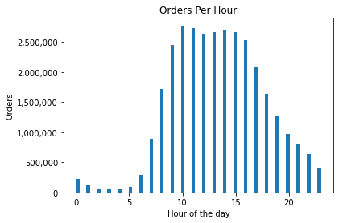
 | The hour with the highest sales activity is 10am closely followed by 11am. Sales are steadily high from 12pm until 3pm. Sales slowly decline after this. The lowest sales happen between 12am to 4am.

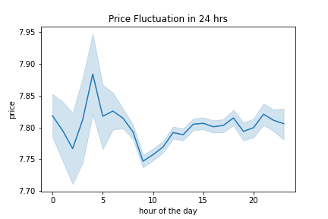
They also want to know whether there are particular times of the day when people spend the most money, as this might inform the type of products they advertise at these times.

 | When shoppers are purchasing actively between 10-11am, the buying goes to items that are priced low.

Instacart has a lot of products with different price tags. Marketing and sales want to use simpler price range groupings to help direct their efforts.
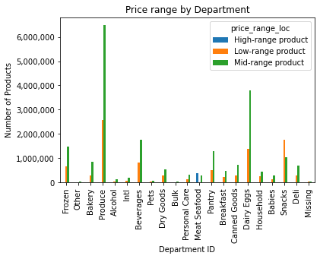

 | Group all products into three price ranges: high, mid and low. Here we see the price ranges distributed in the 21 department IDs. We can see that the biggest demand is in the mid-range products - which is also the most common price for all products in the platform.

Are there certain types of products that are more popular than others? The marketing and sales teams want to know which departments have the highest frequency of product orders.
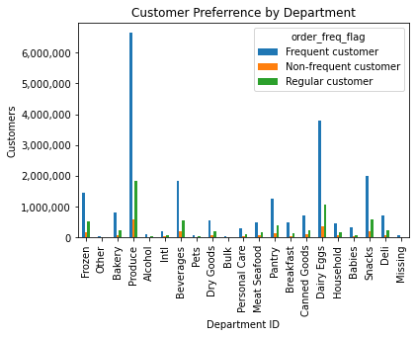

 | Products under Department ID 4 (Produce) have the highest frequency of orders. Orders for this department are significantly higher than any department.

The marketing and sales teams are particularly interested in the different types of customers in their system and how their ordering behaviors differ. For example: What’s the distribution among users in regards to their brand loyalty (i.e., how often do they return to Instacart)?

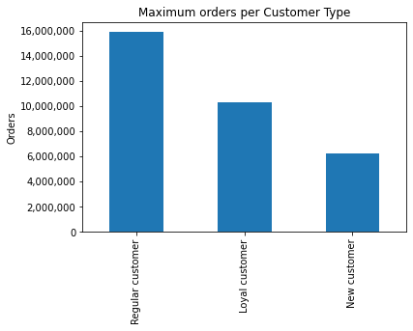
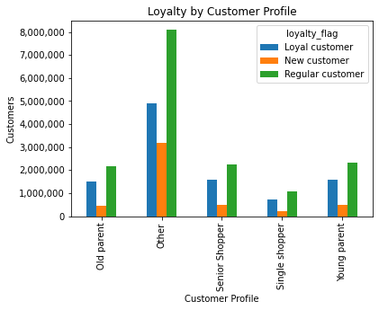

 | Most users are regular customers. Majority of them are young parents, closely followed by senior shopppers.

Are there differences in ordering habits based on a customer’s loyalty status?

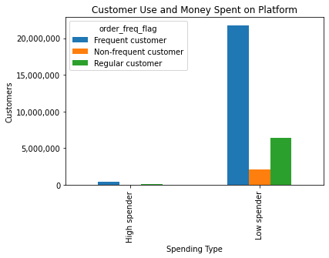

 |  | Most users spend < $10. Of the Low Spenders, most are frequent customers who's median days_since _prior_order is <= 10 days.

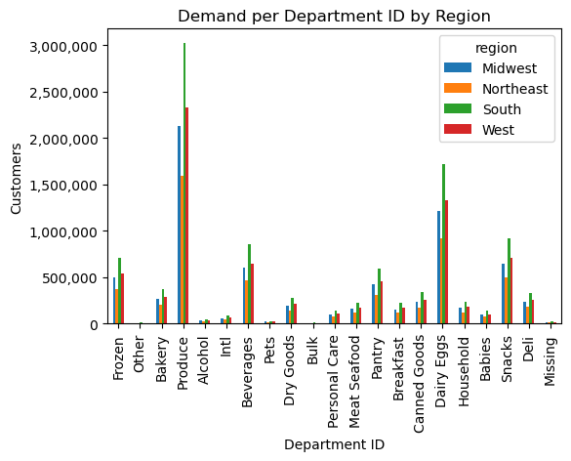
Are there differences in ordering habits based on a customer’s region?

 | Customers from all four regions have very similar preferences in terms of product department. Departmer ID 4 (Produce) has the highest demand followed by Department ID 16 (Dairy eggs).

Is there a connection between age and family status in terms of ordering habits?

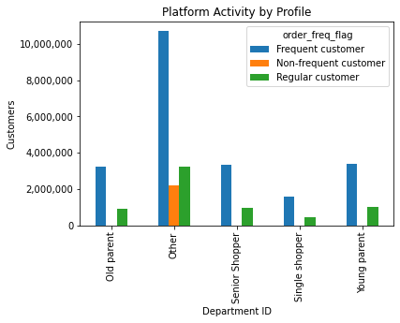

 | Parents, regardless of age, are frequent customers. Between young and old, shoppers tend to shop more than single shoppers.

Other insights:

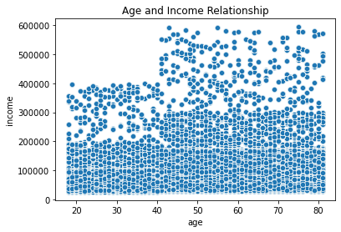

 | Age and income of the customers have a weak correlation. It can be observed though that some older users have a significantly higher income.

 | A sizable portion of the users are low spenders. This is something that the platform should look into.

7. Recommendations
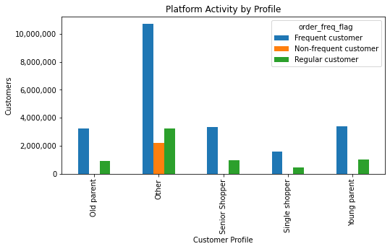
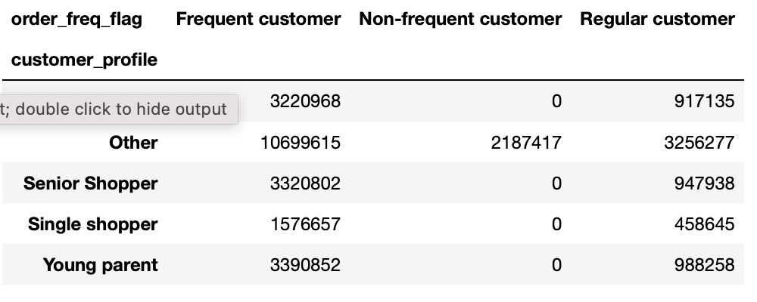
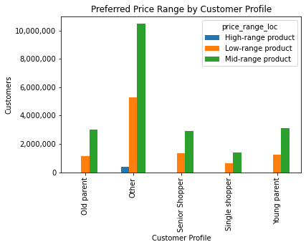
 |  |  | Title page

Recommendations

In this tab you should include any recommendations you would made to Instcart in terms of their marketing strategy based on the questions posed in the brief. Every key question has been covered in the Tasks of the Exercises - here you need to add an item - a visualisation or table/crosstable that is showing the answer in the data, acompanied by a comment from you. Please, list the questions below and add the answer underneath.

Question | Answer
Key Question 1: The sales team needs to know what the busiest days of the week and hours of the day are in order to schedule ads at times when there are fewer orders. | It is ideal to schedule ads on Saturdays and Sundays between 10am to 3pm as these are the days and times with high purchasing activity. These days and times can be used to promote flash sales or special offers on off peak hours to draw users to shop during days and hours with low purchasing activity.

Key Question 2: Particular times of the day when people spend the most money, as this might inform the type of products they advertise at these times. | Answer
 | Shoppers spend more money between 10-11am on low-priced products or maybe discounted products. This hour could also be used to advertise products at the medium and high price ranges. This might be a good time to signal flash sales and special discounts to attract customers to other price ranges.

Key Question 3: Instacart has a lot of products with different price tags. Marketing and sales want to use simpler price range groupings to help direct their efforts. | Answer
 | Using this grouping can be helpful in promoting products according to the buying power of the customer profiles. Mid-range products that have low sales can be promoted during holiday/gifting seasons or during pay-day sales. Discounts for high-range products (meat/seafood, pantry and dairy eggs) can also be explored as well as bundle offers for low-range products.

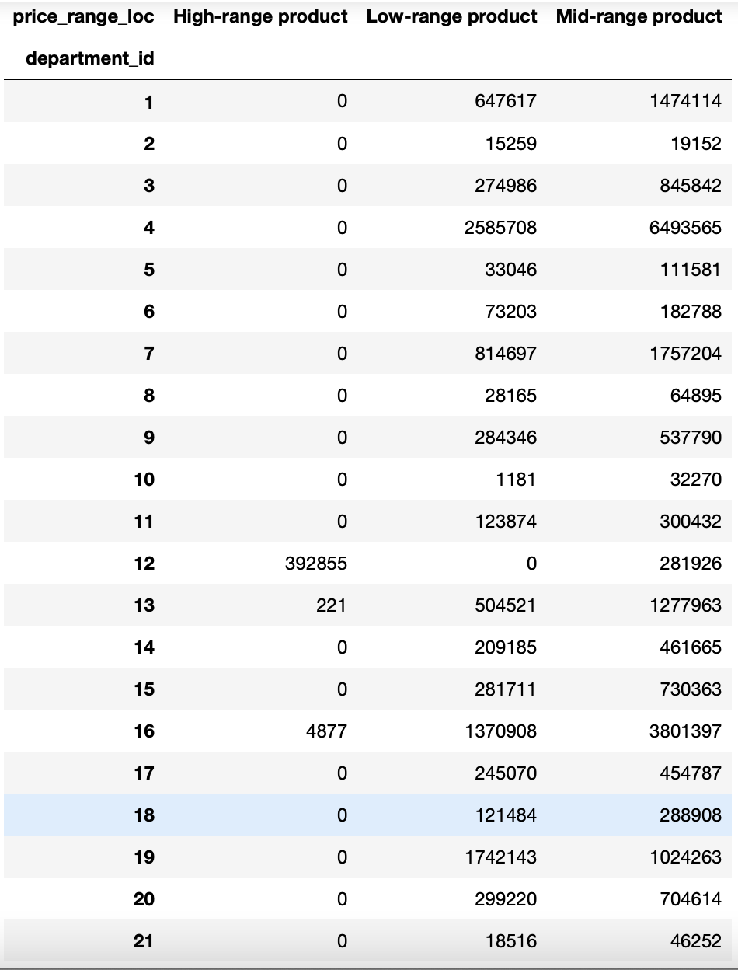

Key Question 4: The marketing and sales teams want to know which departments have the highest frequency of product orders. | Answer
 | Products under Department ID 4 (Produce) have the highest frequency of orders. Orders for this department are significantly higher than any department. This is closely followed by Department ID 16 which is dairy eggs - which incidentally, as we saw in the previous chart, is under high-range product. It would be good to identify what categories can be bundled with products under Dept ID 4 and 16. Maybe themes or seasonal packages (eg breakfast or bakery items with dairy eggs) to push sales of items under other categories.

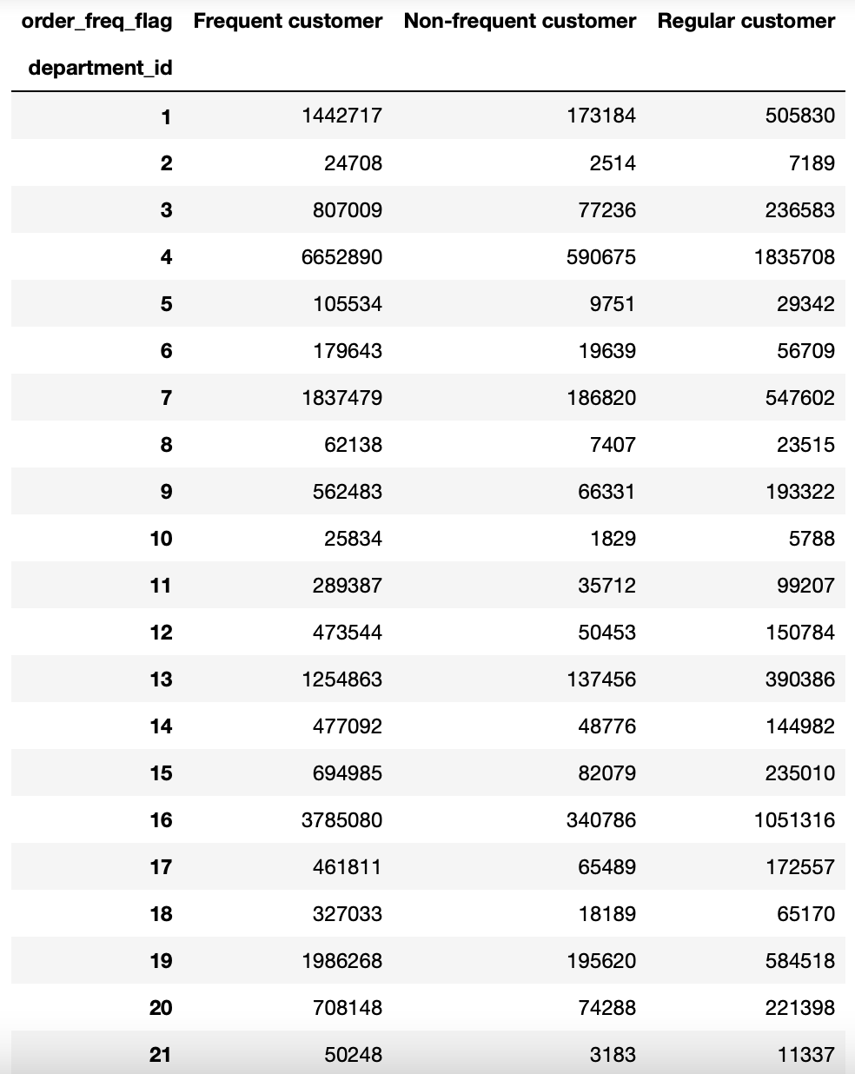
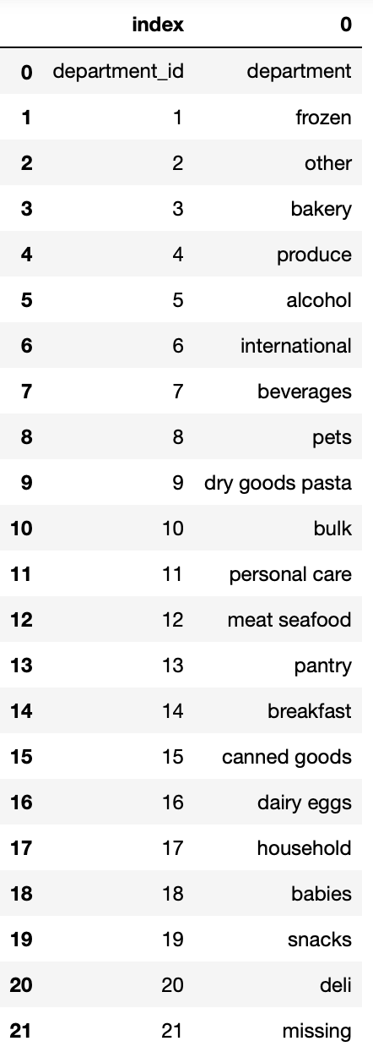

Key question 5a: What’s the distribution among users in regards to their brand loyalty (i.e., how often do they return to Instacart)? | Answer:
 | Most users are regular customers. Majority of them are young parents, closely followed by senior shopppers. Special 'family themed' holidays like Mother's Day and Father's Day can be utilised for promoting high range products or special discounts. It would be good to push items that promote a healthy lifestyles as this will also appeal to senior shoppers who are also actively shopping on the platform. For reference, Loyalty Flag was derived by grouping the max_order column

 | See Loyalty Flag derivation

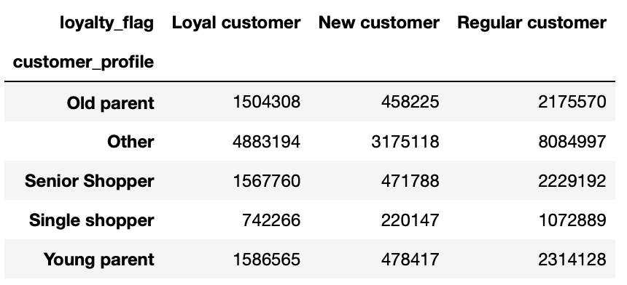

Key Question 5b: Are there differences in ordering habits based on a customer’s loyalty status? | Answer
 | Most users spend < $10 making them Low Spenders. Of the Low Spenders, most are frequent customers who's median days_since _prior_order is <= 10 days. So it might be a good idea to push more low-priced to medium-priced prices during the most active hours of purchasing. It might be a good idea to find how the platform can offer rewards or discounted rates of high-priced products to low-spenders so they can be encouraged to buy from this range.

 | See spending flag derivation | See order_freq_flag derivation

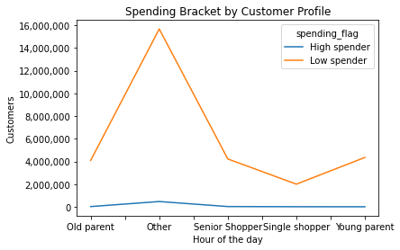

Key Question: 5c: Are there differences in ordering habits based on a customer’s region? | Answer
 | Customers from all four regions have very little difference in terms of product purchases. Department ID 4 (Produce) has the highest demand followed by Department ID 16 (Dairy eggs). It appears like Instacart is used by customers for these products so it would be worth finding out why users don't purchase as much bulk items (10) or alcohol (5). Using this data, we can say that the marketing strategy to increase sales of different products can be applied for all regions since customers' order frequency is similar across the country.

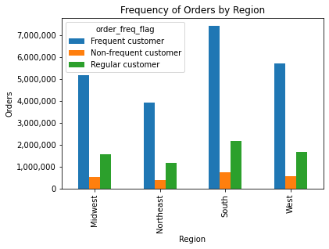

Key Question 5d: Is there a connection between age and family status in terms of ordering habits? | Answer
 | Parents, regardless of age, are frequent customers. Between young and old, older shoppers tend to shop more than single shoppers. With this it would be good to promote items that are interesting to shoppers ages 21 and above particularly those who have families. Baby products and household items should perform better because there seems to be a lot of activities from parents.

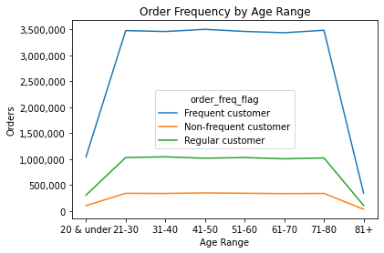
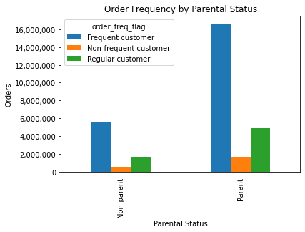

Key Question 6: What different classifications does the demographic information suggest? Age? Income? Certain types of goods? Family status? | Answer
 | The bulk of Instacart users are within the ages 21 to 80 years old. Marketing initiatives should be able to speak to such a broad spectrum of age.

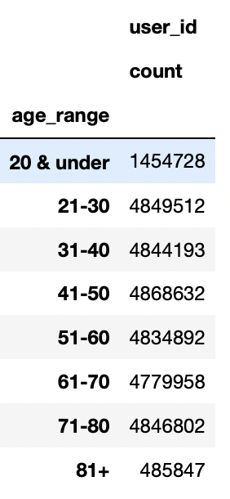
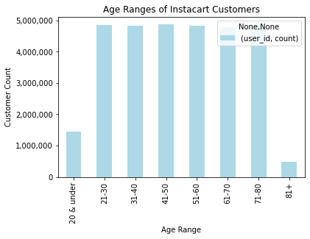

 | Users have very different income ranges as well. Maximum income is $593,901, minimum is $43,141. The income brackets will be helpful in targetting people depending on their buying power and preference. Most users under the identified customer profiles have an income of between $50,000 to $200,000. The pricing of products can be adjusted to this.

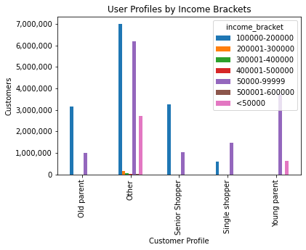

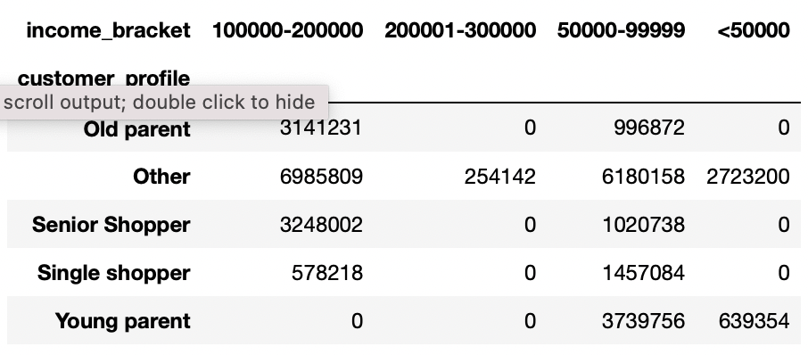
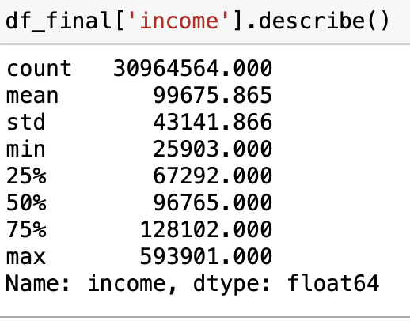

 | Most users are parents as what we have established in the earlier charts. However, when it comes to department IDs, it appears like the demographic profiles do not buy from many of the other categories. It would be good to find out why this is the case or if there are intiatives we can push to encourage users to purchase from other categories as well.

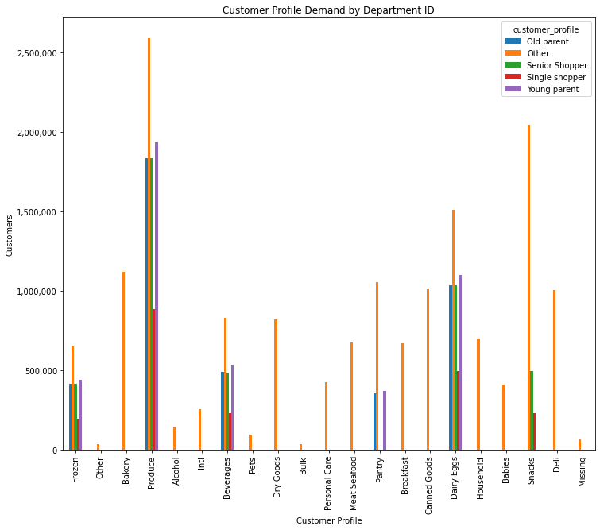
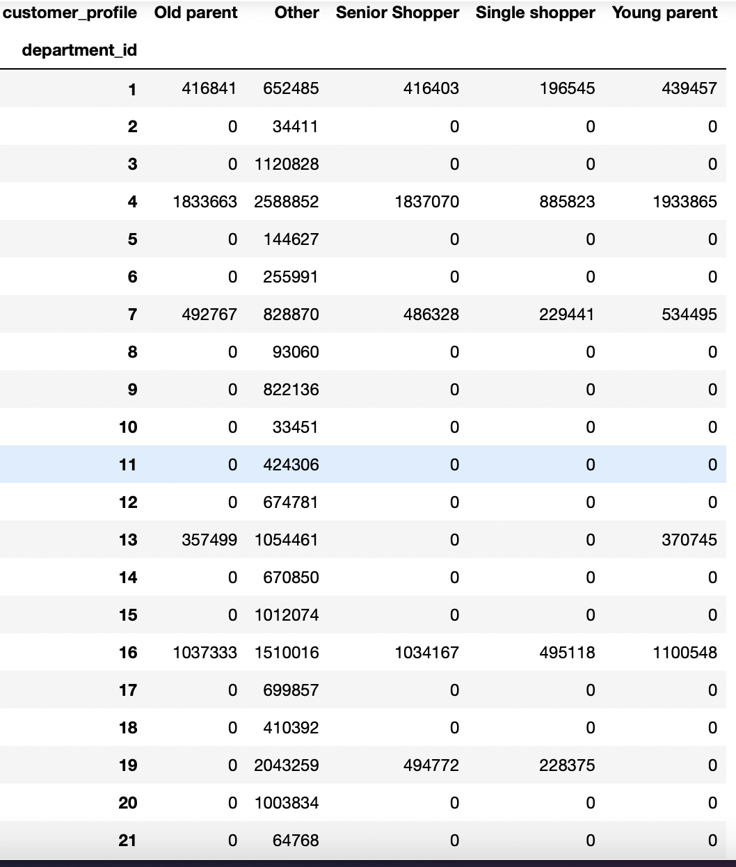
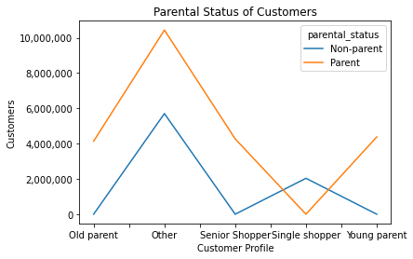

Key Question 7: What differences can you find in ordering habits of different customer profiles? Consider the price of orders, the frequency of orders, the products customers are ordering, and anything else you can think of. | Answer
 | Both old and young parents have the highest frequency of orders, followed by senior shoppers. It must be noted that all customer profiles appear to be regular customers even with the amount of shopping they do in the platform. In terms of price range of the product purchased, most of the profiled customers buy mid-range products. There's plenty of opportunity to strengthen customer loyalty specially in these demographics. Important to push for high-range products as well as aim to convert more users to be frequent and loyal customers. It would be good to target single shoppers too as they have disposable income. More products to entice them to buy and stay on the platform.

