Tensor
Thread Group 0 |  |  |  |  |  |  |  |  |  |  |  |  |  |  |  |  |  |  |  |  |  |  |  |  |  |  |  |  |  |  |  |  |  |  |  |  | Thread group 4
SET1 | Step0 | TCU0 |  |  |  |  |  |  |  |  |  |  |  |  |  |  |  |  | Step1 |  |  |  |  |  |  |  |  |  |  |  |  |  |  |  |  |  | SET1 | Step0 | TCU1 |  |  |  |  |  |  |  |  |  |  |  |  |  |  |  |  | Step1

 |  | a00 | 1 | a10 | 62.228334012 | a20 | 15.23899582 | a30 | 52.99931342 | b00 | 20 | b01 | 30 | b02 | 68.311096758 | b03 | 99.393541551 |  |  | a00 | 1 | a10 | 62.228334012 | a20 | 15.23899582 | a30 | 52.99931342 | b00 | 84.578817806 | b01 | 55.911820456 | b02 | 94.013505446 | b03 | 84.865080478 |  |  |  | a00 | 93.559163286 | a10 | 29.909140883 | a20 | 92.080428541 | a30 | 95.069129951 | b00 | 20 | b01 | 30 | b02 | 68.311096758 | b03 | 99.393541551 |  |  | a00 | 93.559163286 | a10 | 29.909140883 | a20 | 92.080428541 | a30 | 95.069129951 | b00 | 84.578817806 | b01 | 55.911820456 | b02 | 94.013505446 | b03 | 84.865080478
 |  | a01 | 2 | a11 | 27.288694952 | a21 | 65.342665094 | a31 | 46.225084932 | b10 | 21 | b11 | 31 | b12 | 87.628994281 | b13 | 76.761864043 | Input values (Buffer ?) |  | a01 | 2 | a11 | 27.288694952 | a21 | 65.342665094 | a31 | 46.225084932 | b10 | 38.551798901 | b11 | 86.531735985 | b12 | 3.0456923926 | b13 | 51.713280548 | Input values (Buffer ?) |  |  | a01 | 33.092853451 | a11 | 79.448774803 | a21 | 15.125390962 | a31 | 17.711126268 | b10 | 21 | b11 | 31 | b12 | 87.628994281 | b13 | 76.761864043 | Input values (Buffer ?) |  | a01 | 33.092853451 | a11 | 79.448774803 | a21 | 15.125390962 | a31 | 17.711126268 | b10 | 38.551798901 | b11 | 86.531735985 | b12 | 3.0456923926 | b13 | 51.713280548 | Input values (Buffer ?)
 |  | a02 | 3 | a12 | 99.703219504 | a22 | 88.420706215 | a32 | 65.757773937 | b20 | 22 | b21 | 32 | b22 | 3.5888875817 | b23 | 65.918501753 |  |  | a02 | 3 | a12 | 99.703219504 | a22 | 88.420706215 | a32 | 65.757773937 | b20 | 36.278242251 | b21 | 62.037380858 | b22 | 41.885484309 | b23 | 74.397021451 |  |  |  | a02 | 62.386047543 | a12 | 94.276641754 | a22 | 58.346057866 | a32 | 7.9146089206 | b20 | 22 | b21 | 32 | b22 | 3.5888875817 | b23 | 65.918501753 |  |  | a02 | 62.386047543 | a12 | 94.276641754 | a22 | 58.346057866 | a32 | 7.9146089206 | b20 | 36.278242251 | b21 | 62.037380858 | b22 | 41.885484309 | b23 | 74.397021451
 |  | a03 | 4 | a13 | 34.355263159 | a23 | 1.2961639899 | a33 | 16.591633536 | b30 | 23 | b31 | 33 | b32 | 74.948276627 | b33 | 29.316618685 |  |  | a03 | 4 | a13 | 34.355263159 | a23 | 1.2961639899 | a33 | 16.591633536 | b30 | 26.898375421 | b31 | 58.691205153 | b32 | 40.961012216 | b33 | 53.147260034 |  |  |  | a03 | 93.206933329 | a13 | 28.899848823 | a23 | 32.361268843 | a33 | 56.467529147 | b30 | 23 | b31 | 33 | b32 | 74.948276627 | b33 | 29.316618685 |  |  | a03 | 93.206933329 | a13 | 28.899848823 | a23 | 32.361268843 | a33 | 56.467529147 | b30 | 26.898375421 | b31 | 58.691205153 | b32 | 40.961012216 | b33 | 53.147260034

 |  | c00 | 3 | c10 | 21 | c20 | 42.883339247 | c30 | 66.454546709 |  |  |  |  |  |  |  |  |  |  | c00 | 75.750900538 | c10 | 46.246278124 | c20 | 39.254334118 | c30 | 39.39692359 |  |  |  |  |  |  |  |  |  |  |  | c00 | 82.472335117 | c10 | 1.5557839801 | c20 | 57.095857638 | c30 | 90.437616161 |  |  |  |  |  |  |  |  |  |  | c00 | 58.842930753 | c10 | 44.621396677 | c20 | 99.644609736 | c30 | 40.904750907
 |  | c01 | 93.856114391 | c11 | 98.194311257 | c21 | 62.754640672 | c31 | 32.353665497 |  |  |  |  |  |  |  |  |  |  | c01 | 18.539815691 | c11 | 17.999446797 | c21 | 60.492676374 | c31 | 12.063605891 |  |  |  |  |  |  |  |  |  |  |  | c01 | 64.636419624 | c11 | 35.515859515 | c21 | 79.861688219 | c31 | 54.97053773 |  |  |  |  |  |  |  |  |  |  | c01 | 53.766575003 | c11 | 92.603496412 | c21 | 60.09967535 | c31 | 61.037102193
...
 |  | wxx = axx * bxx + wyy
 |  | w001 | 65 | w011 | 113 | w021 | 286.45242457 | w031 | 319.37181635 | w101 | 1911.4853886 | w111 | 2810.9938751 | w121 | 6704.9212804 | w131 | 8312.1792596
 |  | w002 | 131 | w012 | 209 | w022 | 297.21908731 | w032 | 517.1273216 | w102 | 4104.9562177 | w112 | 6001.4968993 | w122 | 7062.7449267 | w132 | 14884.466109
 |  | w003 | 223 | w013 | 341 | w023 | 597.01219382 | w033 | 634.39379635 | w103 | 4895.1272704 | w113 | 7135.2205835 | w123 | 9637.6126936 | w133 | 15891.646259

 |  | w200 | 362.93702291 | w210 | 491.76127737 | w220 | 1119.6268433 | w230 | 1552.7063704 | w300 | 1061.5428944 | w310 | 1597.3980706 | w320 | 3702.7880416 | w330 | 5275.0366364
 |  | w201 | 1735.1329899 | w211 | 2517.3838953 | w221 | 6845.5388691 | w231 | 6568.5311446 | w301 | 2032.269678 | w311 | 3030.3757035 | w321 | 7753.4457448 | w331 | 8823.3603213
 |  | w202 | 3680.3885266 | w212 | 5346.8464942 | w222 | 7162.8708436 | w232 | 12397.091622 | w302 | 3478.9407046 | w312 | 5134.6244695 | w322 | 7989.4430031 | w332 | 13158.014258
 |  | w203 | 3710.2002984 | w213 | 5389.6199058 | w223 | 7260.0161009 | w233 | 12435.090768 | w303 | 3860.5482759 | w313 | 5682.1483762 | w323 | 9232.957343 | w333 | 13644.424852

 | it must be noted that each cicle the complete TCU units is used to compute the 16 DPUs
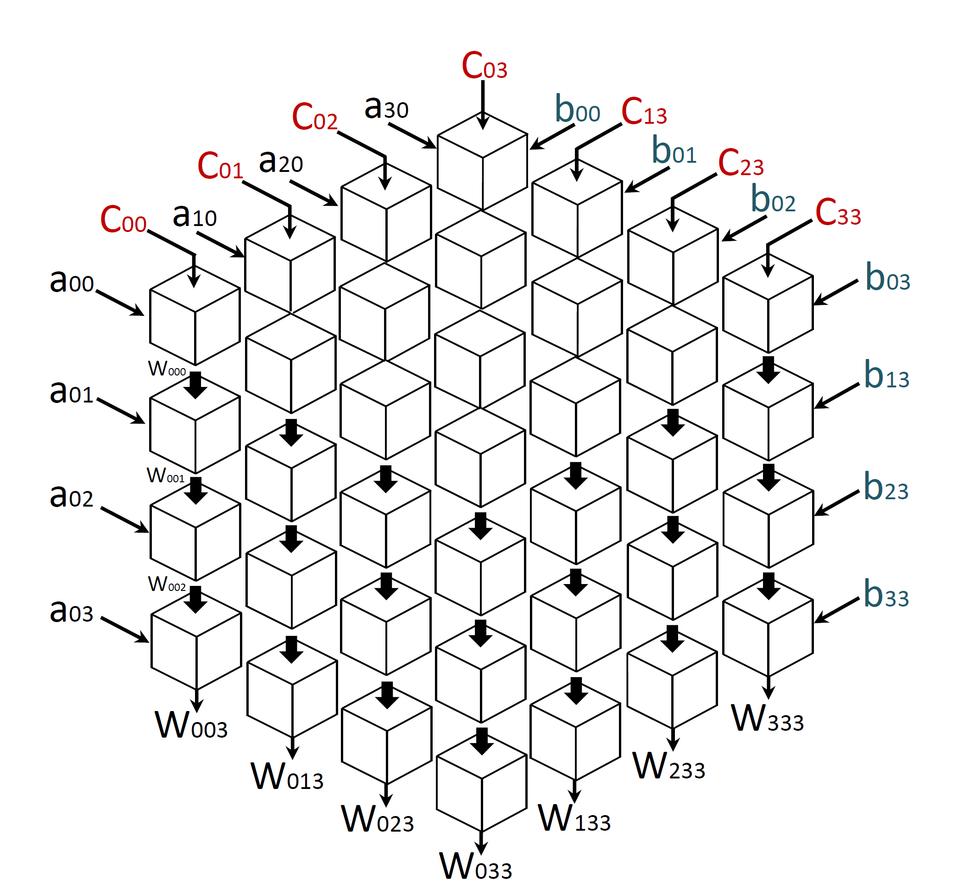
...
 |  |  |  |  |  |  |  |  |  |  |  |  |  | To output bus
 |  |  |  |  |  |  |  |  |  |  |  |  |  | w003 | 223
 |  |  |  |  |  |  |  |  |  |  |  |  |  | w013 | 341
 |  |  |  |  |  |  |  |  |  |  |  |  |  | w023 | 597.01219382
 |  |  |  |  |  |  |  |  |  |  |  |  |  | w033 | 634.39379635
 |  |  |  |  |  |  |  |  |  |  |  |  |  | w103 | 4895.1272704
 |  |  |  |  |  |  |  |  |  |  |  |  |  | w113 | 7135.2205835
 |  |  |  |  |  |  |  |  |  |  |  |  |  | w123 | 9637.6126936
 |  |  |  |  |  |  |  |  |  |  |  |  |  | w133 | 15891.646259
 |  |  |  |  |  |  |  |  |  |  |  |  |  | w203 | 3710.2002984
 |  |  |  |  |  |  |  |  |  |  |  |  |  | w213 | 5389.6199058
(gio) , the ones i circled in red |  |  |  |  |  |  |  |  |  |  |  |  |  | w223 | 7260.0161009
are the singular DPUs imo |  |  |  |  |  |  |  |  |  |  |  |  |  | w233 | 12435.090768
 |  |  |  |  |  |  |  |  |  |  |  |  |  | w303 | 3860.5482759
 |  |  |  |  |  |  |  |  |  |  |  |  |  | w313 | 5682.1483762
 |  |  |  |  |  |  |  |  |  |  |  |  |  | w323 | 9232.957343
 |  |  |  |  |  |  |  |  |  |  |  |  |  | w333 | 13644.424852

SET2 | step 0

 |  | a00 | 5 | a10 | 24.474357596 | a20 | 19.807898596 | a30 | 81.362145158 | b00 | 2.5 | b01 | 34 | b02 | 59.117983338 | b03 | 31.797392654
 |  | a01 | 6 | a11 | 45.026424886 | a21 | 31.369370697 | a31 | 15.471029647 | b10 | 2.5 | b11 | 35 | b12 | 43.182819023 | b13 | 84.978438452
 |  | a02 | 7 | a12 | 90.657311411 | a22 | 54.740602872 | a32 | 18.352160123 | b20 | 2.5 | b21 | 36 | b22 | 10.274795725 | b23 | 24.969846908
 |  | a03 | 8 | a13 | 21.563669844 | a23 | 31.369370697 | a33 | 1.5681748745 | b30 | 2.5 | b31 | 37 | b32 | 84.093872158 | b33 | 89.553351763

 |  | c00 | 223 | c10 | 341 | c20 | 597.01219382 | c30 | 634.39379635
 |  | c01 | 4895.1272704 | c11 | 7135.2205835 | c21 | 9637.6126936 | c31 | 15891.646259
 |  | c02 | 3710.2002984 | c12 | 5389.6199058 | c22 | 7260.0161009 | c32 | 12435.090768
 |  | c03 | 3860.5482759 | c13 | 5682.1483762 | c23 | 9232.957343 | c33 | 13644.424852
...

