Sheet1
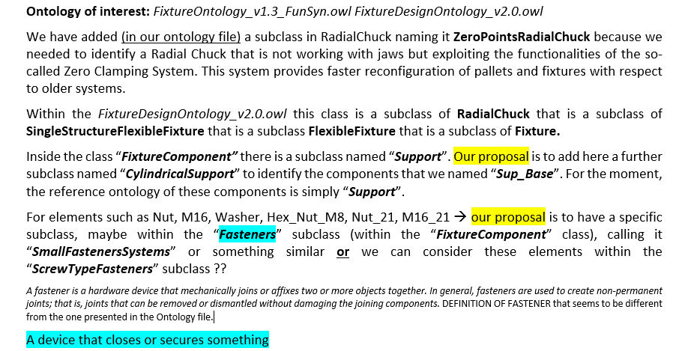
Name | Class | Ontology - (Type)
Tombstone | FourSidedVeticalToolingBlock
Tombstone Block | FourSidedVeticalToolingBlock | http://www.semanticweb.org/FixOnt#FourSidedVerticalToolingBlock
Chucks | ZeroPointRadialChuck | http://www.semanticweb.org/FixOnt#ZeroPointsRadialChuck
BasePlate01_Cat_Raw | FixtureBody
Workpiece | Workpiece | http://www.semanticweb.org/FixDesignOnt#Workpiece
BasePlate01 | FixtureBody | http://www.semanticweb.org/FixOnt#FixtureBody
Rec_Jaw1 | Jaw | http://www.semanticweb.org/FixOnt#Jaw
Rec_Jaw2 | Jaw | http://www.semanticweb.org/FixOnt#Jaw
Rec_Jaw3 | Jaw | http://www.semanticweb.org/FixOnt#Jaw
Sup_Base1 | Support | http://www.semanticweb.org/FixOnt#Support
Sup_Base2 | Support | http://www.semanticweb.org/FixOnt#Support
Sup_Base3 | Support | http://www.semanticweb.org/FixOnt#Support
Hex_Jaw1 | Jaw
Nut | ScrewTypeFasteners | http://www.semanticweb.org/FixOnt#ScrewTypeFasteners
M16 | ScrewTypeFasteners | http://www.semanticweb.org/FixOnt#ScrewTypeFasteners
Hex_Jaw2 | Jaw
Nut | ScrewTypeFasteners | http://www.semanticweb.org/FixOnt#ScrewTypeFasteners
M16 | ScrewTypeFasteners | http://www.semanticweb.org/FixOnt#ScrewTypeFasteners
BasePlate02_Cat_WIP1 | FixtureBody
Cat_WIP1 | Workpiece | http://www.semanticweb.org/FixDesignOnt#Workpiece
BasePlate02 | FixtureBody | http://www.semanticweb.org/FixOnt#FixtureBody
Rec_Jaw_11 | Jaw | http://www.semanticweb.org/FixOnt#Jaw
Rec_Jaw_12 | Jaw | http://www.semanticweb.org/FixOnt#Jaw
Bracket_Setup1 | ViseHeldFixture | http://www.semanticweb.org/FixOnt#ViseHeldFixture
Bracket_Setup2 | ViseHeldFixture | http://www.semanticweb.org/FixOnt#ViseHeldFixture
Reference_Pin | PinLocator | http://www.semanticweb.org/FixOnt#PinLocator
Bracket_Screw | ScrewClamp | http://www.semanticweb.org/FixOnt#ScrewClamp
Bracket | ViseHeldFixture | http://www.semanticweb.org/FixOnt#ViseHeldFixture
Washer | ScrewTypeFasteners | http://www.semanticweb.org/FixOnt#ScrewTypeFasteners
Hex_Nut_M8 | ScrewTypeFasteners | http://www.semanticweb.org/FixOnt#ScrewTypeFasteners
Indexing_Pin1 | PinTypeFasteners | http://www.semanticweb.org/FixOnt#PinTypeFasteners
Indexing_Pin2 | PinTypeFasteners | http://www.semanticweb.org/FixOnt#PinTypeFasteners
Sup_Base_11 | Support | http://www.semanticweb.org/FixOnt#Support
Sup_Base_12 | Support | http://www.semanticweb.org/FixOnt#Support
Sup_Base_13 | Support | http://www.semanticweb.org/FixOnt#Support
BasePlate03_Cat_WIP2 | FixtureBody
Cat_WIP2 | Workpiece | http://www.semanticweb.org/FixDesignOnt#Workpiece
BasePlate03 | FixtureBody | http://www.semanticweb.org/FixOnt#FixtureBody
Rec_Jaw_21 | Jaw | http://www.semanticweb.org/FixOnt#Jaw
Rec_Jaw_22 | Jaw | http://www.semanticweb.org/FixOnt#Jaw
Rec_Jaw_23 | Jaw | http://www.semanticweb.org/FixOnt#Jaw
Hex_Jaw_21 | Jaw
Nut_21 | ScrewTypeFasteners | http://www.semanticweb.org/FixOnt#ScrewTypeFasteners
M16_21 | ScrewTypeFasteners | http://www.semanticweb.org/FixOnt#ScrewTypeFasteners
Hex_Jaw_22 | Jaw
Nut_21 | ScrewTypeFasteners | http://www.semanticweb.org/FixOnt#ScrewTypeFasteners
M16_21 | ScrewTypeFasteners | http://www.semanticweb.org/FixOnt#ScrewTypeFasteners
Sup_Base_21 | Support | http://www.semanticweb.org/FixOnt#Support
Sup_Base_22 | Support | http://www.semanticweb.org/FixOnt#Support
Sup_Base_23 | Support | http://www.semanticweb.org/FixOnt#Support

