Sheet1
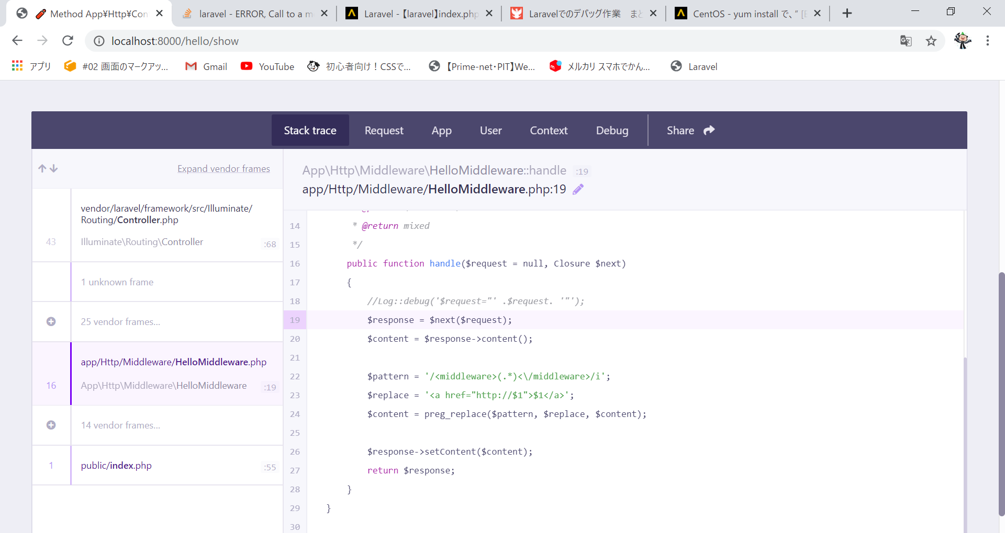
↓そもそもHelloMiddleWareがエラーを吐く
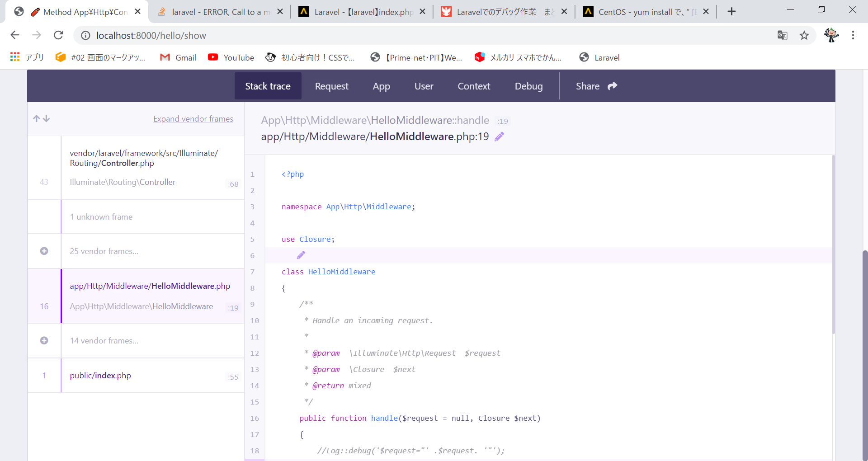

■HelloMiddleWareあり→errorを吐く Method App\Http\Controllers\HelloController::show does not exist.

