1
 | Cp: J/(g*K) |  |  |  |  |  |  |  |  | original
 | molality, m/(mol/kg) | 298.15 |  | 323.15 |  | 348.15 |  | 373.15 |  | Cp: J/(g*K)
 |  | exp 298 | sim 298 | exp 323 | sim 323 | exp 348 | sim 348 | exp 373 | sim 373 | molality, m/(mol/kg) | 298.15 | 323.15 | 348.15 | 373.15
 | 0 | 4.1779 | 4.1821 | 4.179 | 4.1798 | 4.1911 | 4.1917 | 4.2143 | 4.2167 | water | 4.1779 | 4.179 | 4.1911 | 4.2143
1.02% | 0.10844 | 4.1111 | 4.1213 | 4.115 | 4.1219 | 4.1262 | 4.1347 | 4.1462 | 4.16 | 0.10844 | 4.1111 | 4.115 | 4.1262 | 4.1462
1.84% | 0.19711 | 4.059 | 4.0757 | 4.0654 | 4.0759 | 4.0766 | 4.0894 | 4.0946 | 4.1149 | 0.19711 | 4.059 | 4.0654 | 4.0766 | 4.0946
2.61% | 0.28186 | 4.0115 | 4.0317 | 4.0199 | 4.0329 | 4.0308 | 4.0471 | 4.0469 | 4.0729 | 0.28186 | 4.0115 | 4.0199 | 4.0308 | 4.0469
3.57% | 0.38842 | 3.9533 | 3.9778 | 3.9644 | 3.9803 | 3.9751 | 3.9953 | 3.9894 | 4.0216 | 0.38842 | 3.9533 | 3.9644 | 3.9751 | 3.9894
4.78% | 0.52775 | 3.8807 | 3.9096 | 3.8957 | 3.914 | 3.904 | 3.929 | 3.9182 | 3.9566 | 0.52775 | 3.8807 | 3.8957 | 3.904 | 3.9182

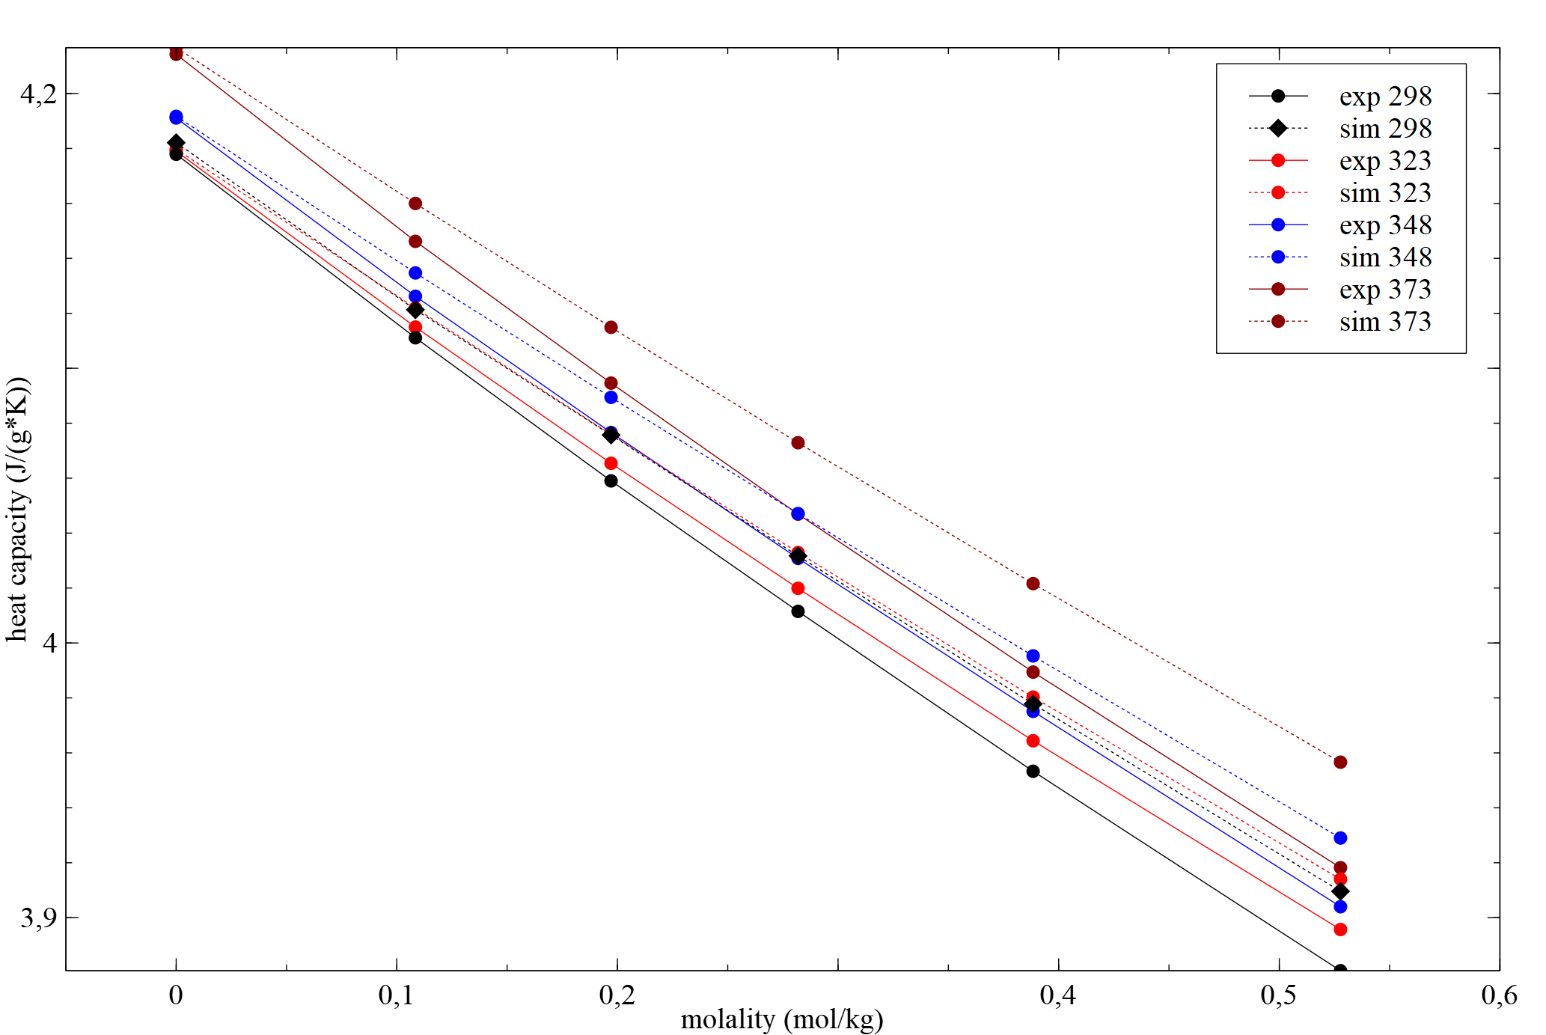
 |  |  |  |  |  | number | 24
 |  |  |  |  |  | RMSRE (ALL) | 0.4731%
 | exp | sim | abs dif | relativ dif |  | RMSRE (0) | 0.06%
298.15 | 4.1779 | 4.1821 | -0.0042 | -0.001 |  | RMSRE (0.10844) | 0.25%
 | 4.1111 | 4.1213 | -0.0102 | -0.002 |  | RMSRE (0.19711) | 0.38%
 | 4.059 | 4.0757 | -0.0167 | -0.004 |  | RMSRE (0.28186) | 0.48%
 | 4.0115 | 4.0317 | -0.0202 | -0.005 |  | RMSRE (0.38842) | 0.60%
 | 3.9533 | 3.9778 | -0.0245 | -0.006 |  | RMSRE (0.52775) | 0.73%
 | 3.8807 | 3.9096 | -0.0289 | -0.007
323.15 | 4.179 | 4.1798 | -0.0008 | -0.000
 | 4.115 | 4.1219 | -0.0069 | -0.002
 | 4.0654 | 4.0759 | -0.0105 | -0.003
 | 4.0199 | 4.0329 | -0.013 | -0.003 |  | RMSRE (ALL) | 0.4731%
 | 3.9644 | 3.9803 | -0.0159 | -0.004 |  | RMSRE 298 | 0.4887%
 | 3.8957 | 3.914 | -0.0183 | -0.005 |  | RMSRE 323 | 0.3113%
348.15 | 4.1911 | 4.1917 | -0.0006 | -0.000 |  | RMSRE 348 | 0.4027%
 | 4.1262 | 4.1347 | -0.0085 | -0.002 |  | RMSRE 373 | 0.6304%
deviation at different temperature
deviation at different concentration
 | 4.0766 | 4.0894 | -0.0128 | -0.003
 | 4.0308 | 4.0471 | -0.0163 | -0.004
 | 3.9751 | 3.9953 | -0.0202 | -0.005
 | 3.904 | 3.929 | -0.025 | -0.006
373.15 | 4.2143 | 4.2167 | -0.0024 | -0.001
 | 4.1462 | 4.16 | -0.0138 | -0.003
 | 4.0946 | 4.1149 | -0.0203 | -0.005
 | 4.0469 | 4.0729 | -0.026 | -0.006
 | 3.9894 | 4.0216 | -0.0322 | -0.008
 | 3.9182 | 3.9566 | -0.0384 | -0.010

