MENU
ITEM NAME | SAMPLE PHOTO | ITEM PHOTO LINK | ITEM DESCRIPTION | PRICE
GARLIC BREAD & HOUSEMADE MARINARA | 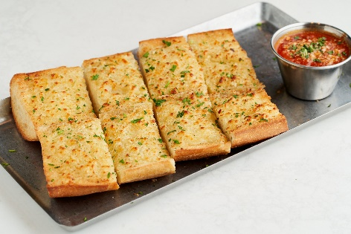 | https://popmenucloud.com/cdn-cgi/image/width=1920,height=1920,format=auto,fit=scale-down/zeaxdpym/79e0f176-f12a-469a-b1cd-4a828302ad7d.jpg | olive oil, fresh garlic, butter, Parmesan | 5.75
CHEESEY GARLIC BREAD & HOUSEMADE MARINARA | 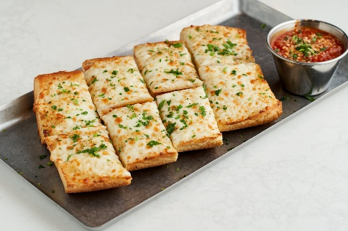 | https://popmenucloud.com/cdn-cgi/image/width=1920,height=1920,format=auto,fit=scale-down/zeaxdpym/35737703-6732-4d8f-ae84-3ade31971365.jpg | Make it Cheesy +$1.50Gluten-Free Option | 7.25
ROASTED ARTICHOKE DIP | 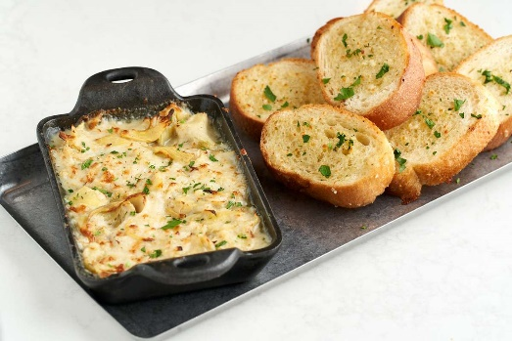 | https://popmenucloud.com/cdn-cgi/image/width=5760,height=5760,fit=scale-down,format=auto,quality=60/zeaxdpym/abee6c59-b7e7-4acd-97bc-d3470aceacc3.jpg | artichoke hearts, fontina, garlic, trio of Italian cheeses, toasted baguette | 9.95
ANTIPASTO | 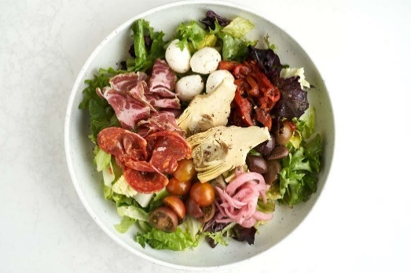 | https://popmenucloud.com/cdn-cgi/image/width=5760,height=5760,fit=scale-down,format=auto,quality=60/zeaxdpym/0ca911ee-f981-4ecb-a551-084bf59169b4.jpg | romaine & spring mix, capicola, calabrese salami, mozzarella Fresca, roasted red pepper, grilled roman artichoke, pickled red onion, cherry tomato, country olives, Italian dressing, warm baguette & butter | 14.95
STRAWBERRY GORGONZOLA | 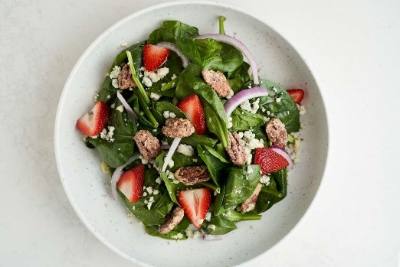 | https://popmenucloud.com/cdn-cgi/image/width=5760,height=5760,fit=scale-down,format=auto,quality=60/zeaxdpym/7c3a0e75-b1b8-4462-a181-38065871bf26.jpg | baby spinach, housemade candied pecans, strawberry, red onion, gorgonzola, pomegranate vinaigrette | 12.95
BIG BOSS CHICKEN WINGS | 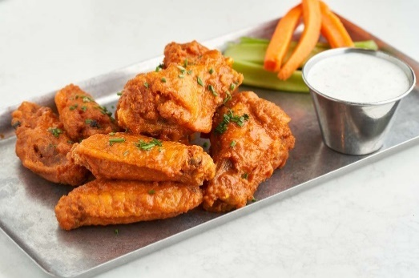 | https://popmenucloud.com/cdn-cgi/image/width=5760,height=5760,fit=scale-down,format=auto,quality=60/zeaxdpym/1013367f-e2a9-4086-aec1-f9291e0c5681.jpg | mild, medium, hot, sweet chili or golden BBQ | 12.95
SPAGHETTI | 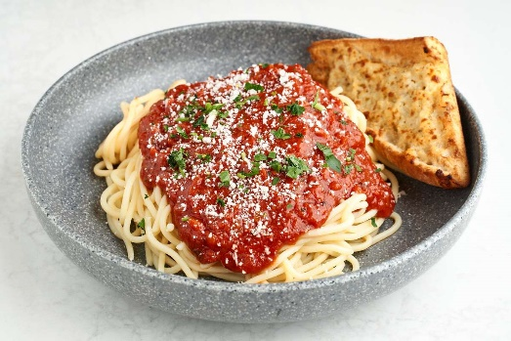 | https://popmenucloud.com/cdn-cgi/image/width=5760,height=5760,fit=scale-down,format=auto,quality=60/zeaxdpym/f4a343e9-fd6a-4eed-99bc-0a28cbcd1f9c.jpg | Choose from Marinara or Vodka Cream Sauce | $9.95
FOUR CHEESE RAVIOLI | 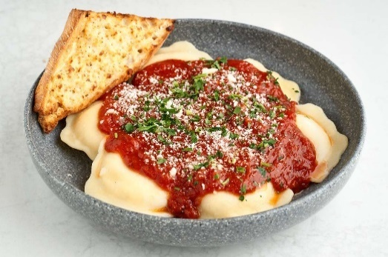 | https://popmenucloud.com/cdn-cgi/image/width=5760,height=5760,fit=scale-down,format=auto,quality=60/zeaxdpym/af1e30d9-36f6-40a7-8cd1-72fe3885d07c.jpg | Served with Marinara or Vodka Cream Sauce | 14.5
PENNE ALLA VODKA | 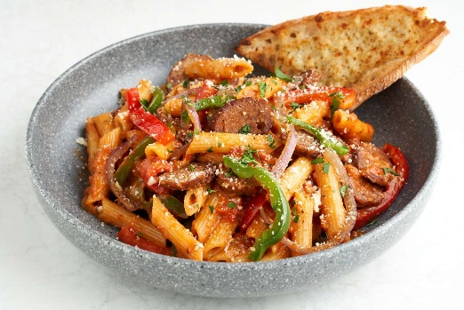 | https://popmenucloud.com/cdn-cgi/image/width=5760,height=5760,fit=scale-down,format=auto,quality=60/zeaxdpym/51c47d2e-079f-495c-a73b-27a68dbc0443.jpg | Italian sausage, red & green pepper, parmesan, red onion, garlic, vodka cream sauce, fresh parsley | 14.5
CHICKEN PARMIGIANA | 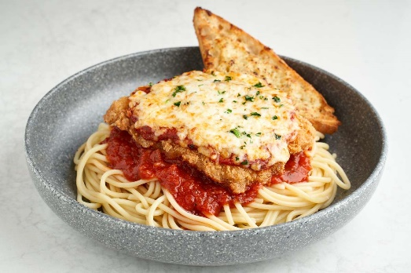 | https://popmenucloud.com/cdn-cgi/image/width=5760,height=5760,fit=scale-down,format=auto,quality=60/zeaxdpym/d793cb40-cefb-4c7e-aadf-1f31b2325f49.jpg | breaded chicken breast, mozzarella, parmesan, marinara, fresh parsley, spaghetti | 16.95
CHICKEN ALFREDO | 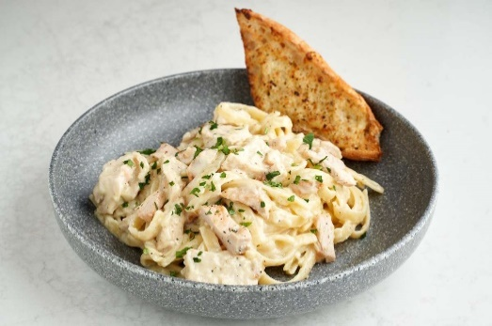 | https://popmenucloud.com/cdn-cgi/image/width=5760,height=5760,fit=scale-down,format=auto,quality=60/zeaxdpym/8779061a-c9f9-4abd-9fe9-d45febcb1333.jpg | chicken breast, red onions, garlic, Romano, alfredo sauce, fettuccine | 15.5
MAMMA'S SIGNATURE | 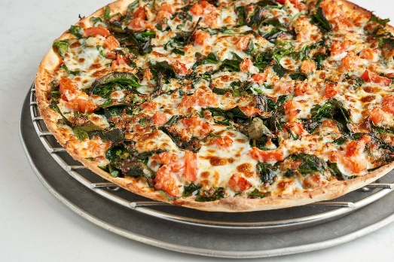 | https://popmenucloud.com/cdn-cgi/image/width=5760,height=5760,fit=scale-down,format=auto,quality=60/zeaxdpym/dd6a70d6-d75a-4d26-bd5e-3cc886b18c86.jpg | fresh spinach, our secret spice blend, tomatoes, fresh garlic, mozzarella | Personal 9.85 / Small 15.50 / Medium 20.95 / Large 25.95 / Gluten-free 15.50
VEG OUT | 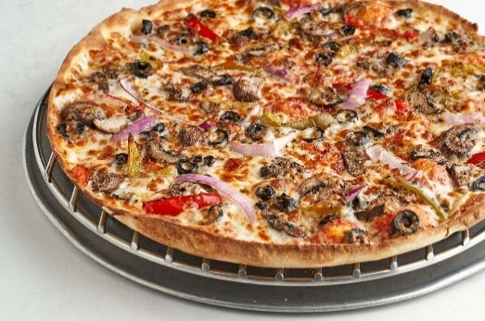 | https://popmenucloud.com/cdn-cgi/image/width=5760,height=5760,fit=scale-down,format=auto,quality=60/zeaxdpym/9afa75b5-0eec-45e9-9816-5e44c513d1ef.jpg | mushrooms, red onions, black olives, mixed green & red sweet bell peppers, mozzarella
L'ITALIANA | 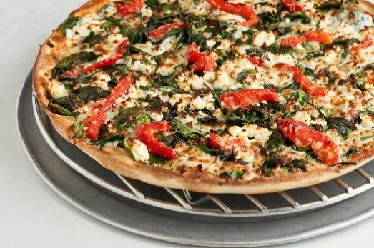 | https://popmenucloud.com/cdn-cgi/image/width=5760,height=5760,fit=scale-down,format=auto,quality=60/zeaxdpym/1d012695-6ccf-4a7c-9238-fe1f3303f738.jpg | fresh spinach, our secret spice blend, roasted red peppers, feta, mozzarella
SPICY ITALIAN | 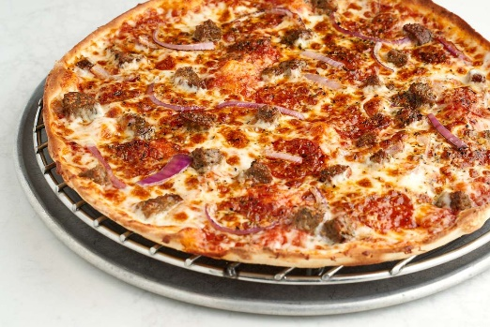 | https://popmenucloud.com/cdn-cgi/image/width=5760,height=5760,fit=scale-down,format=auto,quality=60/zeaxdpym/90329d69-ea87-44be-992c-7799bb410420.jpg | meatball, pepperoni, red onions, mozzarella
SUPER SIX | 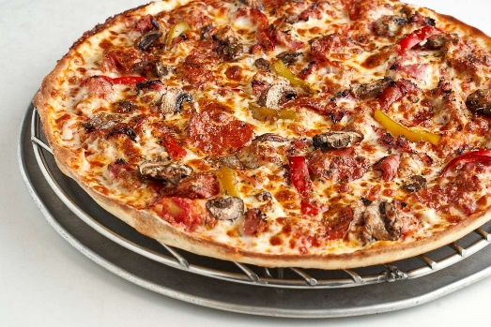 | https://popmenucloud.com/cdn-cgi/image/width=5760,height=5760,fit=scale-down,format=auto,quality=60/zeaxdpym/19258a6b-d21e-4608-8892-acebfa0d603f.jpg | Italian sausage, pepperoni, ham, mushrooms, mixed green & red sweet bell peppers, mozzarella
CHICKEN PRESTO PESTO | 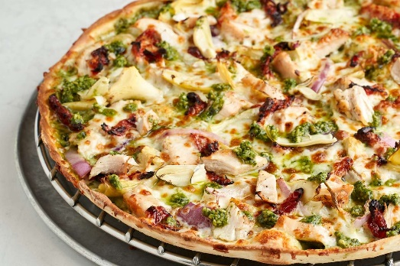 | https://popmenucloud.com/cdn-cgi/image/width=5760,height=5760,fit=scale-down,format=auto,quality=60/zeaxdpym/9bfdb52c-2d31-48b4-b1ab-c5ab732d5714.jpg | chicken, artichoke hearts, red onions, sun-dried tomatoes, mozzarella, basil pesto sauce
DA' GREEK | 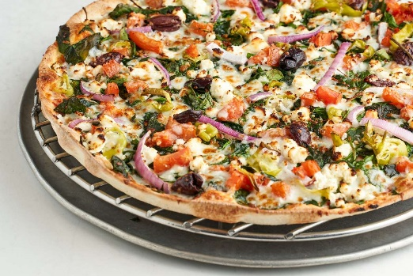 | https://popmenucloud.com/cdn-cgi/image/width=5760,height=5760,fit=scale-down,format=auto,quality=60/zeaxdpym/9344e446-a150-4b10-979d-b91b86e6060f.jpg | fresh spinach, our secret spice blend, tomatoes, red onions, Kalamata olives, sliced pepperoncini, feta, mozzarella, choice of pizza sauce or extra virgin olive oil
GET MEATY | 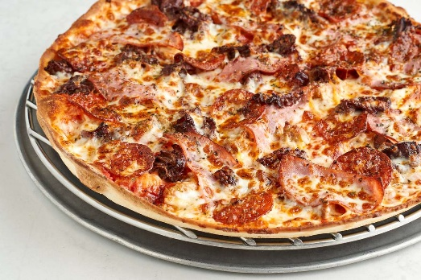 | https://popmenucloud.com/cdn-cgi/image/width=5760,height=5760,fit=scale-down,format=auto,quality=60/zeaxdpym/022d0ff6-6a1e-498f-9f8e-cbbe37276f95.jpg | Italian sausage, Italian beef, pepperoni, smoked Canadian bacon, mozzarella
THE CHICAGO | 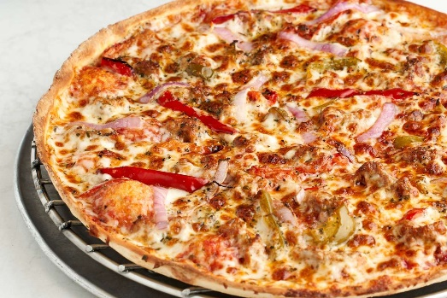 | https://popmenucloud.com/cdn-cgi/image/width=5760,height=5760,fit=scale-down,format=auto,quality=60/zeaxdpym/02fbcf9a-1f02-442e-af29-256c75c60fac.jpg | Italian sausage, red onions, mixed green & red sweet bell peppers, mozzarella
MARGHERITA | 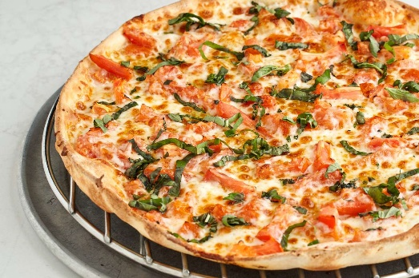 | https://popmenucloud.com/cdn-cgi/image/width=5760,height=5760,fit=scale-down,format=auto,quality=60/zeaxdpym/eb75d032-bab0-4c86-96d6-92241828f895.jpg | tomatoes, fresh basil, extra virgin olive oil, mozzarella, Pecorino Romano
MAMMA'S SIGNATURE | 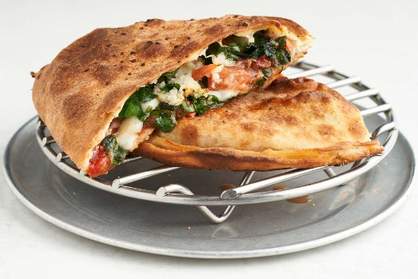 | https://popmenucloud.com/cdn-cgi/image/width=5760,height=5760,fit=scale-down,format=auto,quality=60/zeaxdpym/af83b58c-0b2b-42eb-adda-0d6fe9b2c927.jpg | fresh spinach, our secret spice blend, tomatoes, fresh garlic, mozzarella | Personal 7.25 / Small 11.50 / Medium 15.50 / Large 19.75
CHICAGO STEAK | 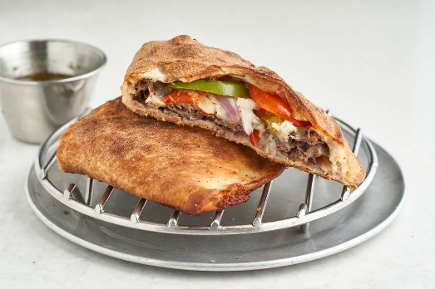 | https://popmenucloud.com/cdn-cgi/image/width=5760,height=5760,fit=scale-down,format=auto,quality=60/zeaxdpym/420a00f6-b658-4f3c-bbaf-098f7d1c1430.jpg | Italian beef, au jus, red onion, mozzarella, choice of hot giardiniera, mixed sweet bell pepper or jalapeño
BAKED SPAGHETTI | 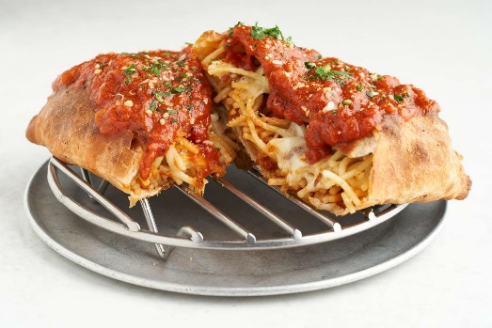 | https://popmenucloud.com/cdn-cgi/image/width=5760,height=5760,fit=scale-down,format=auto,quality=60/zeaxdpym/6fd4e026-8a34-4b0b-9422-1f922215b00e.jpg | spaghetti, mozzarella, marinara, or vodka cream sauce

ABOUT US
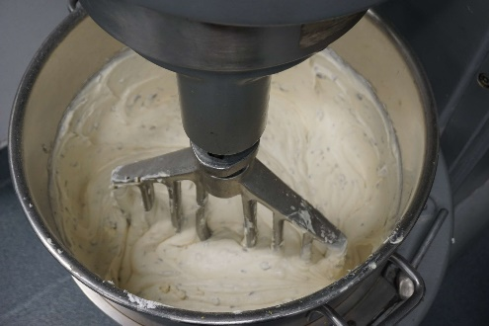 | https://popmenucloud.com/cdn-cgi/image/width=3600,height=3600,fit=scale-down,format=auto,quality=60/zeaxdpym/bc3ce265-e604-4d5f-9aeb-c4aab7a32855.JPG
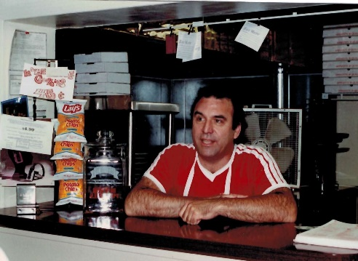 | https://popmenucloud.com/cdn-cgi/image/width=3600,height=3600,fit=scale-down,format=auto,quality=60/zeaxdpym/c08a2d60-0857-47a1-b190-3ab4936ead94.jpg
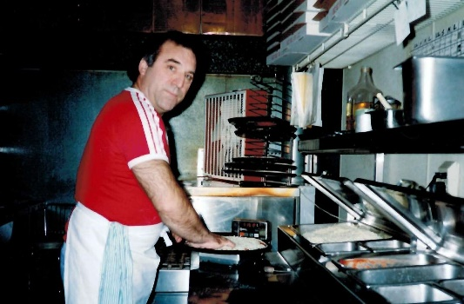 | https://popmenucloud.com/cdn-cgi/image/width=2304,height=2304,fit=scale-down,format=auto,quality=60/zeaxdpym/b1ab8a73-ebac-41a8-bb7a-98c373235a4e.jpg
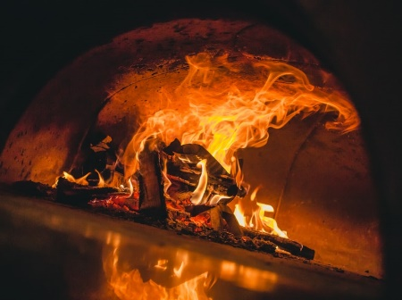 | https://images.unsplash.com/photo-1599875953199-2b39f58d106a?ixid=MnwxMjA3fDB8MHxwaG90by1wYWdlfHx8fGVufDB8fHx8&ixlib=rb-1.2.1&auto=format&fit=crop&w=773&q=80

