API Instruction
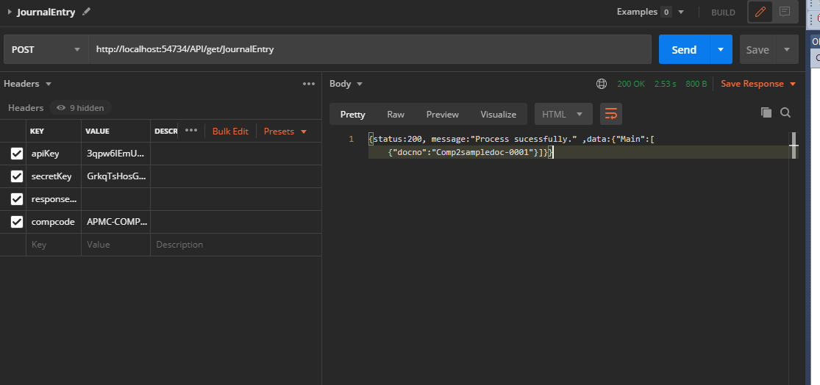
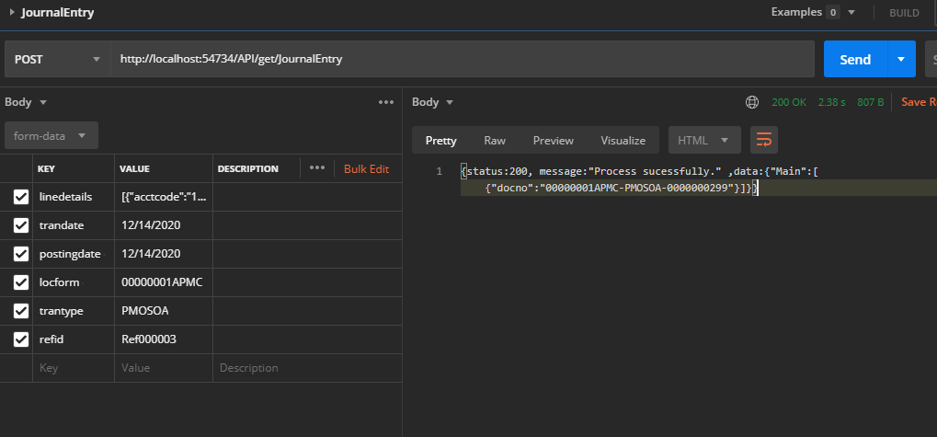
Calling NOAH-API

 | [domain/appname]/API/get/[Function Name]
 | base name(domain/appname):
 |  | https://noahuatonline.goldenhaven.com.ph/noah-api

 | example:
 |  | https://noahuatonline.goldenhaven.com.ph/noah-api/API/get/[Function Name]

 | Request header details required. (Security and license)

 |  | apiKey | per function apikey (different per function name) | required
 |  | secretKey | license general key | required
 |  | responseType | plain (if plain it will show simple Json request with datatable format) / standard (default standard) | optional
 |  | access_token | Token once access generated | required to access function API
 |  | compcode | determine where Company Database will the API will run | required for standard API's

