Sheet1
DecisionTreeClassifier@0
train size | 0.95
max_depth | 5
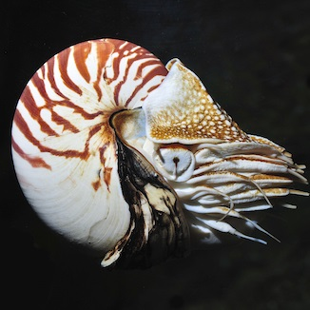
hair
feathers
eggs
milk
airbone
aquatic
predator
toothed
backbone
breathes
venomous
fins
legs
tail
domestic
catsize

prediction | mollusc

mammal | 0.00%
bird | 0.00%
reptile | 0.00%
fish | 0.00%
amphibian | 0.00%
insect | 0.00%
mollusc | 100.00%

