Sheet1
DecisionTreeClassifier@9
train size | 0.95
max_depth | 5
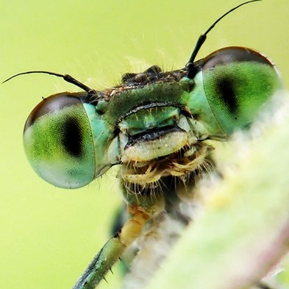
random_seed | 18490

hair | FALSE
feathers | FALSE
eggs | TRUE
milk | FALSE
airbone | TRUE
aquatic | FALSE
predator | FALSE
toothed | FALSE
backbone | FALSE
breathes | TRUE
venomous | FALSE
fins | FALSE
legs | TRUE
tail | FALSE
domestic | FALSE
catsize | FALSE

prediction | insect

mammal | 0.00%
bird | 0.00%
reptile | 0.00%
fish | 0.00%
amphibian | 0.00%
insect | 100.00%
mollusc | 0.00%

