Feuil1
Customer :


id | name | lastName | Phone | Details | Edit | Delete
1
2
3
4
5
6
7

Login :



 |  |  |  | Email Address

 |  |  |  | Password

Order Form

 |  |  | Name :

 |  |  | Phone :

 |  |  | Adresse :

 |  |  | Do you live in a an appartment ? o Yes o No

 |  |  | If you live in a appartment:

 |  |  | municipal number:

OrderDetail

 |  |  |  |  |  | Order Detail

 |  |  |  | Order ID : | 1234
 |  |  |  |  |  |  |  |  | View Details
 |  |  |  | Place on | 12, March 2019

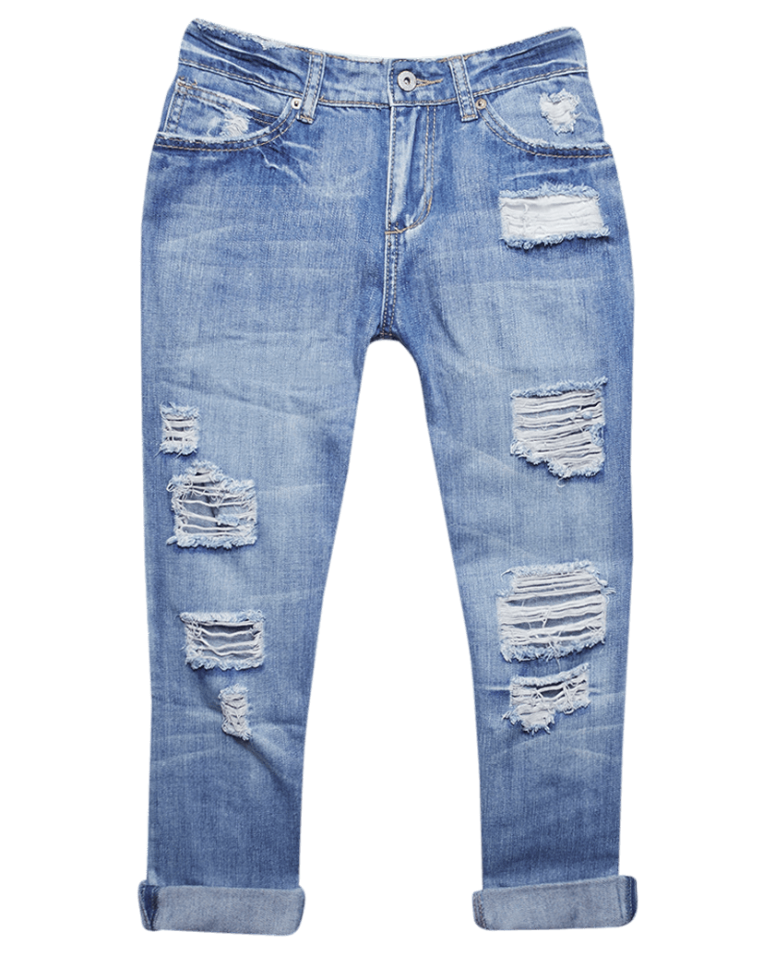
 |  |  |  | Title Product

 |  |  |  | Quantity

 |  |  |  | Price $

 |  |  |  | Track |  |  | Cancel |  |  | Pre-pay

Product :

 |  |  | Logo | Product | Order

 |  |  |  | Image and announcement

 |  | ProductTitle 1 |  |  |  |  |  | ProductTitle 2

 | small text here |  |  |  |  |  | small text here

 |  | Image |  |  |  |  |  | Image

 | Price $ |  |  | 0 |  |  | Price $ |  |  | 0

 |  | ProductTitle 3 |  |  |  |  |  | ProductTitle 4

 | small text here |  |  |  |  |  | small text here

 |  | Image |  |  |  |  |  | Image

 | Price $ |  |  | 0 |  |  | Price $ |  |  | 0

 |  |  |  |  | Footer and informations

 |  |  | User Form Register


 |  |  | Name :

 |  |  | Phone :

 |  |  | Adresse :

 |  |  | Do you live in a an appartment ? o Yes o No

 |  |  | If you live in a appartment:

 |  |  | municipal number:

 |  |  |  | Register

 | Détail Product
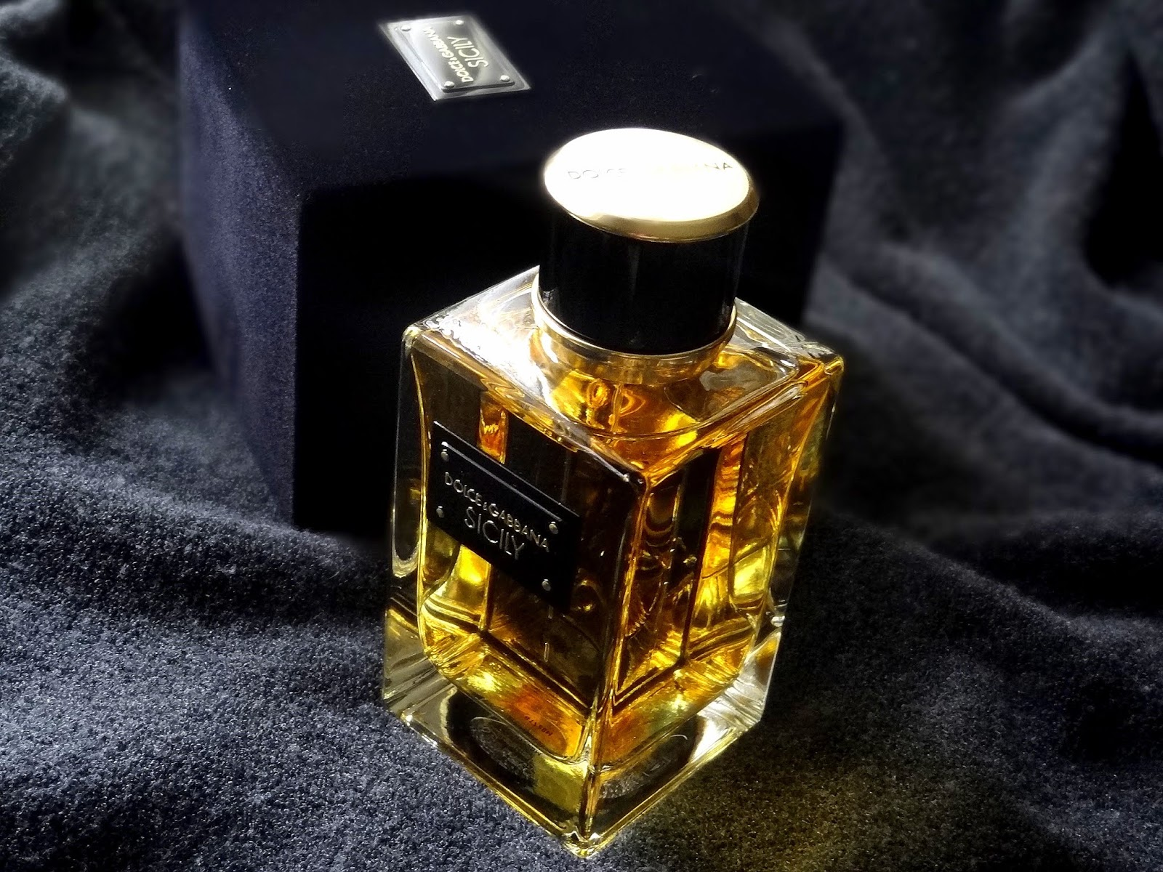

 |  |  |  |  |  |  | Name : | Parfim

 |  |  |  |  |  |  | Price : | 25 $

 |  |  |  |  |  |  | Status : | HEALTH_BEAUTY

