Ranges
Probability of Going out of Ranges: |  |  | *Probability of Going out of Ranges:
Burn Event is out | 0.14 |  | Burn Event is out: The probability that the users burned outside the price ranges selected (no. of burn events out of price ranges/total no. of txs).
Both Mint & Burn Events are out | 0.03 |  | Both Mint & Burn Events are out: The probability that the users minted and burned outside the price ranges selected (no. of mint & burn events both out of price ranges/total no. of txs).

Histogram of Out of Range/Tick Range:
*Histogram of Out of Range/Tick Range: A histogram where x-axis is the proportion between the price differences that the burn event is out of price ranges and the price ranges, and y-axis is the number of times that the values occurred within the intervals set by the x-axis.
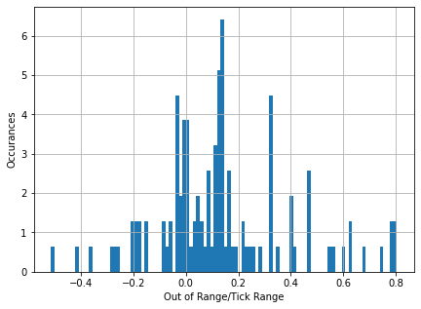

Histogram of Tick Range & Total Gross Return:
*Histogram of Tick Range & Total Gross Return: A histogram where x-axis is the tick ranges and y-axis is the accumulated fees (in token1, WETH) made in the tick ranges during the time periods.
*Total Gross Return is the total fees converted into token1, WETH

Top5 Tick Ranges (Realized): | Price Ranges (Realized,WETH) | Top5 Tick Ranges (Unrealized): | Price Ranges (Unrealized,WETH) | Top5 Tick Ranges (Realized & Unrealized): | Price Ranges (Realized & Unrealized,WETH) | Average Principals (WETH) | Note
13980 | [0.0016, 0.0063] | 7080 | [0.0028,0.0056] | 7080 | [0.0028,0.0056] | 24.34 | * There are 21 txs with tick range 7080, where 20 of the txs were made by 0x6b92686c40747c85809a6772d0eda8e22a77c60c (Normal LP, this user had made 22 txs in total) and the remaining one by 0x44646854d293b4686189ba8e77bb68cfe01a24fe (Normal LP, only made this tx over the two months of time), all the txs were made within the price ranges. The reason why the accumulated gross return in this tick ranges is the highest is because the user (0x6b92686c40747c85809a6772d0eda8e22a77c60c) made ~44.16 WETH ([0.0028, 0.0056]) in one of the tx, which is about 84.84% of the total fees made in this tick range.
2340 | [0.0028, 0.0048] | 13860 | [0.0017, 0.0115] | 13980 | [0.0016, 0.0063] | 43.53 | * There are 8 txs with tick range 13980, where all of the txs were made by 0x48d8bbfd42a5c39473fa17abc21f23b536090095 (Normal LP, this user had made all the txs in this ranges), all the txs were made within the price ranges. The possible reason why the accumulated gross return in this tick ranges is the high might be this user used a relatively large amount of principals and his/her average holding periods are long.
60 | [0.0027,0.0047] | 4380 | [0.0033,0.0057] | 2340 | [0.0028, 0.0048] | 32.92 | * There are 4 txs in this tick ranges, and were made by 3 unique users, only one of the txs was made within the price ranges. The user (0xa367396df1b65f0800114eecef7b4d7a7ea98baa, Normal LP, olnly made 1 tx in this range and 3 txs in the other ranges) made ~18.70 WETH ([0.0035, 0.0045]) in one of the tx, which is about 84.94% of the total fees made in this tick range.
1320 | [0.0027,0.0044] | 11280 | [0.0028,0.0085] | 13860 | [0.0017, 0.0115] | 50.52 | * There are 38 txs with tick range 13860, where 16 of the txs were made by 0xbf77143b70ef9960d204d03d8a255330f785abfc (Normal LP, this user had made 17 txs in total) and the other txs were made by the other 19 users, all the txs were made within the price ranges. The user (0x6914fc70fac4cab20a8922e900c4ba57feecf8e1, only made one tx in two months) made ~14.52 WETH ([0.0020, 0.0079]) in one of the tx, which is about 69.49% of the total fees made in this tick range.
3000 | [0.0028,0.0050] | 3420 | [0.0036,0.0051] | 60 | [0.0027,0.0047] | 4893.47 | * There are 260 txs with tick range 60, where 258 txs of them were made by JIT LPs and only 2 tx are mede by normal LPs. The user (0x35f0686c63f50707ea3b5bace186938e4e19f03a, only made one tx in two months) made ~7.45 WETH ([0.003228, 0.003248]) in one of the tx, which is about 41.85% of the total fees made in this tick range.
 |  |  |  |  |  | 159.99 (Without JIT)
*Price Ranges: The min. and max. prices are chosen here, if there are multiple price ranges.

Histogram of Tick Range & Total IL (abs.):
*Histogram of Tick Range & Total IL (abs.): A histogram where x-axis is the tick ranges and y-axis is the accumulated absolute values of ILs (in token1, WETH) made in the tick ranges during the time periods.
*Total IL is the total ILs converted into token1, WETH

Top5 Tick Ranges (Realized): | Price Ranges (Realized,WETH) | Top5 Tick Ranges (Unrealized): | Price Ranges (Unrealized,WETH) | Top5 Tick Ranges (Realized & Unrealized): | Price Ranges (Realized & Unrealized,WETH) | Average Principals (WETH)
60 | [0.0027,0.0047] | 7080 | [0.0028,0.0056] | 7080 | [0.0028,0.0056] | 24.34
13980 | [0.0016, 0.0063] | 13860 | [0.0017, 0.0115] | 60 | [0.0027,0.0047] | 4893.47;159.99 (Without JIT)
2340 | [0.0028, 0.0048] | 11280 | [0.0028,0.0085] | 13980 | [0.0016, 0.0063] | 43.53
780 | [0.0030, 0.0040] | 10620 | [0.0027, 0.0105] | 13860 | [0.0017, 0.0115] | 50.52
540 | [0.0031, 0.0043] | 13260 | [0.0027, 0.0091] | 2340 | [0.0028, 0.0048] | 32.92
Bottom 5 Tick Ranges (Realized, exclude txs with 0 IL): | Price Ranges (Realized,WETH) | Bottom 5 Tick Ranges (Unrealized, exclude txs with 0 IL): | Price Ranges (Unrealized,WETH) | Bottom 5 Tick Ranges (Realized & Unrealized, exclude txs with 0 IL): | Price Ranges (Realized & Unrealized,WETH) | Average Principals (WETH)
13740 | [0.0043, 0.0171] | 5580 | [0.0030, 0.0053] | 13740 | [0.0043, 0.0171] | 0.32
2160 | [0.0038, 0.0047] | 13980 | [0.0028, 0.0112] | 2160 | [0.0038, 0.0047] | 18.08
5400 | [0.0030, 0.0051] | 20820 | [0.0025, 0.0200] | 5400 | [0.0030, 0.0051] | 0.01
6240 | [0.0033, 0.0061] | 72300 | [0.00004, 0.06143] | 6240 | [0.0033, 0.0061] | 1.25
3900 | [0.0034, 0.0050] | 6120 | [0.0040, 0.0073] | 3900 | [0.0034, 0.0050] | 1.00

Histogram of Tick Range & Total Net Return:
*Histogram of Tick Range & Total Net Return: A histogram where x-axis is the tick ranges and y-axis is the accumulated net return (in token1, WETH) made in the tick ranges during the time periods.
*Total Net Return = Total Gross Return - Total IL

Top5 Tick Ranges (Realized): | Price Ranges (Realized,WETH) | Top5 Tick Ranges (Unrealized): | Price Ranges (Unrealized,WETH) | Top5 Tick Ranges (Realized & Unrealized): | Price Ranges (Realized & Unrealized,WETH) | Average Principals (WETH) | Note
3000 | [0.0028,0.0050] | 4380 | [0.0033, 0.0057] | 4380 | [0.0033, 0.0057] | 76.62 | *2 txs in this range, where 0x7c78d154dbc33f8b180d4b68d990f90a41aba3ad (Normal LP, only made this tx in two months) has a tx with large gross return and relatively small IL, the net return of this user is ~11.40 WETH (accounted for 99.95% in this range, held for ~25.39 days with principal ~141.15 WETH), all txs were within the boundaries.
2820 | [0.0038, 0.0050] | 3420 | [0.0036, 0.0051] | 3420 | [0.0036, 0.0051] | 9.29 | *8 txs all made by 0xe7a8a504a82f0a829656261a54d0443f85e19604 (this user made 13 txs in total, i.e. 5 txs were made in the other ranges).
8760 | [0.0025, 0.0085] | 3300 | [0.0034, 0.0047] | 3000 | [0.0028,0.0050] | 28.39 | *4 txs in this range, where 0xbc8159917e892e0911e9f167c9e3af221fecffae (this user made 1 tx in this range, and 3 in the other ranges) made ~76.12% (~5.84WETH) of total net return in this range, and the other were made by 0xf46e701ab53e18d270fb2c472f2eae275c01bddc.
1140 | [0.0027, 0.0045] | 13200 | [0.0024, 0.0091] | 3300 | [0.0034, 0.0047] | 83.91 | *1 tx by 0xae1232e2b2d00d782256489bd0f719dc90c63928 (this user only made this tx in the two months of time).
5520 | [0.0036, 0.0062] | 7620 | [0.0032, 0.0091] | 2820 | [0.0038, 0.0050] | 167.76 | *1 tx by 0xbdf5a9e1470a439f8e479e14ff98e471f59cd7e4 (this user also made 3 other txs in the other ranges).

Histogram of Tick Range & Net Return/Principal:
*Histogram of Tick Range & Net Return/Principal: A histogram where x-axis is the tick ranges and y-axis is the average proportion betweeten the net return and the principal.

Top5 Tick Ranges (Realized): | Price Ranges (Realized,WETH) | Top5 Tick Ranges (Unrealized): | Price Ranges (Unrealized,WETH) | Top5 Tick Ranges (Realized & Unrealized): | Price Ranges (Realized & Unrealized,WETH) | Average Principals (WETH)
3180 | [0.0030, 0.0041] | 2700 | [0.0033, 0.0044] | 2700 | [0.0033, 0.0044] | 0.37 | *Only 1 tx by 0xb07307e6e333d08a2b7a6e4d6dc2cbafcd315b32 (only 1 tx in total of two months of time), with net return ~0.06 WETH (gross return ~0.06 and IL ~ -0.003) and principal ~0.37 WETH.
6600 | [0.0029, 0.0055] | 5280 | [0.0033, 0.0056] | 3180 | [0.0030, 0.0041] | 0.57 | *Only 1 tx by 0xaa546cfc5704a73cb05ab3eb0eb7ee06ba3d2692 (only 1 tx in total of two months of time), with net return ~0.067 WETH (gross return ~0.068 and IL ~ -0.001) and principal ~0.57 WETH.
3000 | [0.0028, 0.0050] | 4680 | [0.0031, 0.0050] | 6600 | [0.0029, 0.0055] | 7.47 | *Only 1 tx by 0xd53d0073ce5b33144ceca5acfb4a328199fafca4 (3 tx made in total of two months of time), with net return ~0.79 WETH (gross return ~0.80 and IL ~ -0.009) and principal ~7.47 WETH.
4020 | [0.0031, 0.0046] | 3300 | [0.0034, 0.0047] | 3000 | [0.0028,0.0050] | 28.39
6060 | [0.0025, 0.0046] | 4620 | [0.0033, 0.0052] | 5280 | [0.0033, 0.0056] | 0.04 | *Only 1 tx by 0x447d07d1a1ed9d25680175a3ff982a15e02603bc (only 1 tx in total of two months of time), with net return ~0.004 WETH (gross return ~0.005 and IL ~ -0.0003) and principal ~0.042 WETH.

Histogram of Tick Range & Gross Return/IL(abs.):
*Histogram of Tick Range & Gross Return/IL (abs.): A histogram where x-axis is the tick ranges and y-axis is the average proportion betweeten the gross return and the absolute values of ILs. -- Without JIT LPs
*Since there exist some txs with zero IL (e.g. has never been into the price ranges), in this histogram we removed such txs.

Top5 Tick Ranges (Realized): | Price Ranges (Realized,WETH) | Top5 Tick Ranges (Unrealized): | Price Ranges (Unrealized,WETH) | Top5 Tick Ranges (Realized & Unrealized): | Price Ranges (Realized & Unrealized,WETH) | Average Principals (WETH)
3540 | [0.0034, 0.0049] | 1620 | [0.0040, 0.0051] | 3540 | [0.0034, 0.0049] | 10.77 | *Only 1 tx by 0xdff7bcff342a0ca36cce7894b53f6d3da650ec73 (this user had 6 txs in total of two months of time), with gross return ~0.27 WETH and IL ~ - 0.00005 WETH.
6120 | [0.0032, 0.0060] | 4620 | [0.0033, 0.0052] | 6120 | [0.0032, 0.0060] | 17.93 | *Only 1 tx by 0x10fe1b97d8c24ff7b098953b6c01090bb9a95df7 (this user had 17 txs in total of two months of time), with gross return ~0.04 WETH and IL ~ - 0.000009 WETH.
13740 | [0.0043, 0.0171] | 4500 | [0.0038, 0.0060] | 13740 | [0.0043, 0.0171] | 0.32 | *Only 1 tx by 0xacebfa7184d7b169d25ac9c0addc2f59678010a9 (this user only had 1 tx in total), with gross return ~0.0002 WETH and IL ~ - 6.6*10^(-8) WETH.
9780 | [0.0025, 0.0066] | 2700 | [0.0033, 0.0043] | 9780 | [0.0025, 0.0066] | 0.79 | *2 txs both by 0xea0ed16746257eb2bc11de2fefd63cdeece23a98 (this user only had 4 txs in total), with gross return ~0.02 WETH and IL ~ - 0.003 WETH and gross return ~0.04 WETH and IL ~ - 0.00008 WETH, respectively.
6240 | [0.0033, 0.0061] | 5160 | [0.0034, 0.0057] | 6240 | [0.0033, 0.0061] | 1.25 | *Only 1 tx by 0x03de209cf739f8f24cf3e732fa4f1273b7b99d58 (this user had 5 txs in total), with gross return ~0.007 WETH and IL ~ - 0.000003 WETH.

JIT LPs
Overall
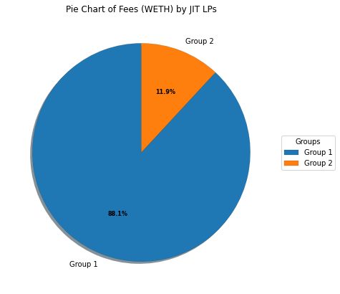

 |  | Annualized Rate of Gross Return: 1.27%
 |  | Annualized Rate of IL: -0.07%
 |  | Annualized Rate of Net Return: 1.20%

 |  | *Gross Return: fees earned, converted into token1, WETH
 |  | *IL: ILs, converted into token1, WETH
 |  | *Net Return = Gross Return - ILs
 |  | *Since the holding periods for the JIT LPs are zeros, the anualized values above are calculated using the average principal and the time is the duration from the time of the first mint event to the time of the last burn event.

 |  | *The following groups are distributed according to the no. of time that the users minted and burned. In other words, in Group 1 each of the users has made at least 12 txs, and in Group 2 each user has made at most 9 txs.

Group 1 (12 - 19)
No. of User Addresses | 15.00
Total No. of Times Minted & Burned | 217.00
Average Principal per Tx (WETH) | 5150.49
Total Fees (WETH) | 9.07
Average Fees per user (WETH) | 0.60
Total ILs (WETH) | -0.50
Average ILs per user (WETH) | -0.03

Group 2 (1 - 9)
No. of User Addresses | 15.00
Total No. of Times Minted & Burned | 41.00
Average Principal per Tx (WETH) | 3764.04
Total Fees (WETH) | 1.23
Average Fees per user (WETH) | 0.08
Total ILs (WETH) | -0.07
Average ILs per user (WETH) | 0.00

Normal LPs
Overall
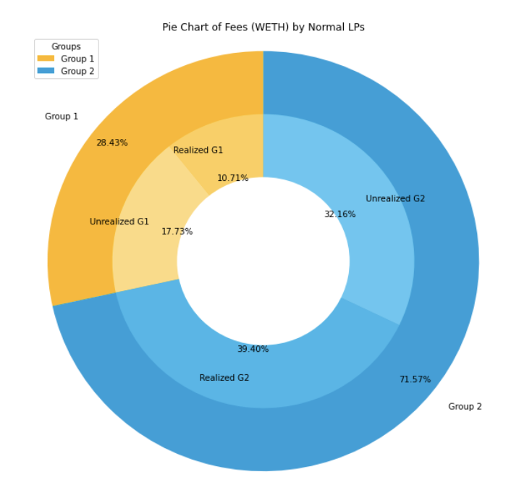
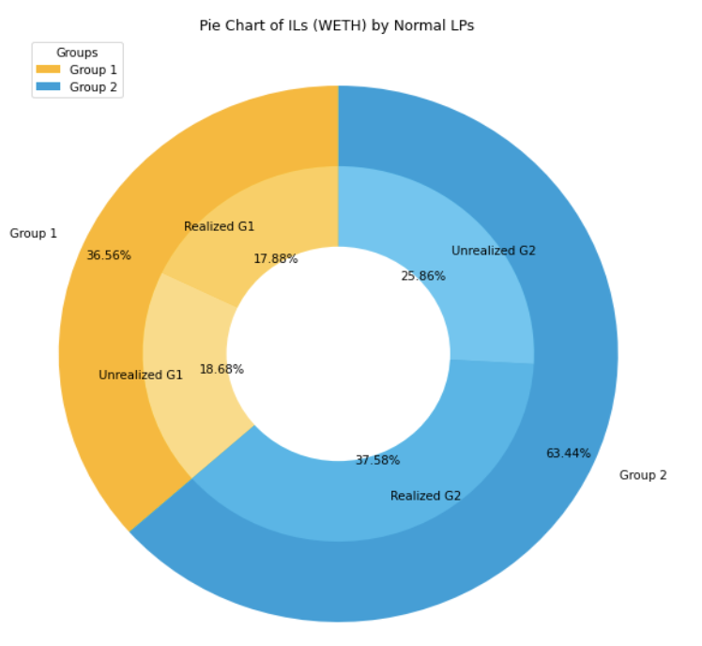
 |  |  |  | Annualized Rate of Gross Return: 184.85%
 |  |  |  | Realized: 233.70%
 |  |  |  | Unrealized: 85.00%
 |  |  |  | Annualized Rate of IL: -249.24%
 |  |  |  | Realized: -339.47%
 |  |  |  | Unrealized: -64.84%
 |  |  |  | Annualized Rate of Net Return: -64.39%
 |  |  |  | Realized: -105.77%
 |  |  |  | Unrealized: 20.16%

 |  |  |  | *Gross Return: fees earned, converted into token1, WETH
 |  |  |  | *IL: ILs, converted into token1, WETH
 |  |  |  | *Net Return = Gross Return - ILs

 |  |  |  | *The following groups are distributed according to the no. of txs that the users mede. In Group 1, each of the users has made at least 10 txs, and in Group 2 each user has made at most 9 txs.

Group 1 (10 - 23)
No. of User Addresses | 10.00
Total No. of Times Minted & Burned | 170.00
Total Principals (WETH) | 5120.24
Average Principal per Tx (WETH) | 30.12
Max. Principal (WETH) | 395.32
Min. Principal (WETH) | 0.09
Holding Periods:
Average Holding Periods Per Tx (days) | 8.98
Max. Holding Periods (days) | 55.30
Min. Holding Periods (min.) | 5.55

 | Realized | Unrealized | Total (Realized & Unrealized)
Fees (WETH) | 43.21 | 71.55 | 114.76
Average Fees per user (WETH) | 4.32 | 7.16 | 11.48
Annualized Rate of Gross Return: 289.39%
Realized: 327.39%
Unrealized: 114.34%
Adj. Annualized Rate of Gross Return: 268.69% |  |  |  | *The adj. values are calculated by removing the extreme values.
Realized: 303.89%
Unrealized: 114.34%

ILs (WETH) | -57.98 | -60.58 | -118.56
Average ILs per user (WETH) | -5.80 | -6.06 | -11.86
Annualized Rate of IL: -556.03%
Realized: -656.98%
Unrealized: -91.09%
Adj. Annualized Rate of IL: -240.06%
Realized: -274.04%
Unrealized: -91.09%

Net Return (WETH) | -14.77 | 10.97 | -3.81
Average Net Return per user (WETH) | -1.48 | 1.10 | -0.38
Annualized Rate of Net Return: -266.65%
Realized: -329.59%
Unrealized: 23.25%
Adj. Annualized Rate of Net Return: 28.63%
Realized: 29.85%
Unrealized: 23.25%

Group 2 (1 - 9)
No. of User Addresses | 266.00
Total No. of Times Minted & Burned | 516.00
Total Principals (WETH) | 11210.95
Average Principal per Tx (WETH) | 21.73
Max. Principal (WETH) | 1721.67
Min. Principal (WETH) | 0.00
Holding Periods:
Average Holding Periods Per Tx (days) | 14.93
Max. Holding Periods (days) | 60.42
Min. Holding Periods (min.) | 1.00

 | Realized | Unrealized | Total
Fees (WETH) | 159.03 | 129.80 | 288.82
Average Fees per user (WETH) | 0.60 | 0.49 | 1.09
Annualized Rate of Gross Return: 137.10%
Realized: 175.38%
Unrealized: 78.98%

ILs (WETH) | -121.89 | -83.87 | -205.76
Average ILs per user (WETH) | -0.46 | -0.32 | -0.77
Annualized Rate of IL: -109.12%
Realized: -141.84%
Unrealized: -59.46%

Net Return (WETH) | 37.14 | 45.92 | 83.06
Average Net Return per user (WETH) | 0.14 | 0.17 | 0.31
Annualized Rate of Net Return: 27.98%
Realized: 33.54%
Unrealized: 19.53%

