paytm
 |  |  |  |  | After execution

TC-ID | Description/ Summary | Pre-requisite | Steps to follow | Expected result | Actual Result | Comments | Satus | Defect | Defect ID
1 | To check if prepaid radio button is working or not |  | Click on the button | should turn blue | turned blue |  | Pass
 |  |  |  |  | turned black | bugfuvpyg | fail | fougvvuv
AZ-1222-TC-01 | To check login fuctionality with valid username & password | Test Data[DB] | Enter valid username | Login successful | Login Failed |  | Fail | Defect raised | D-121
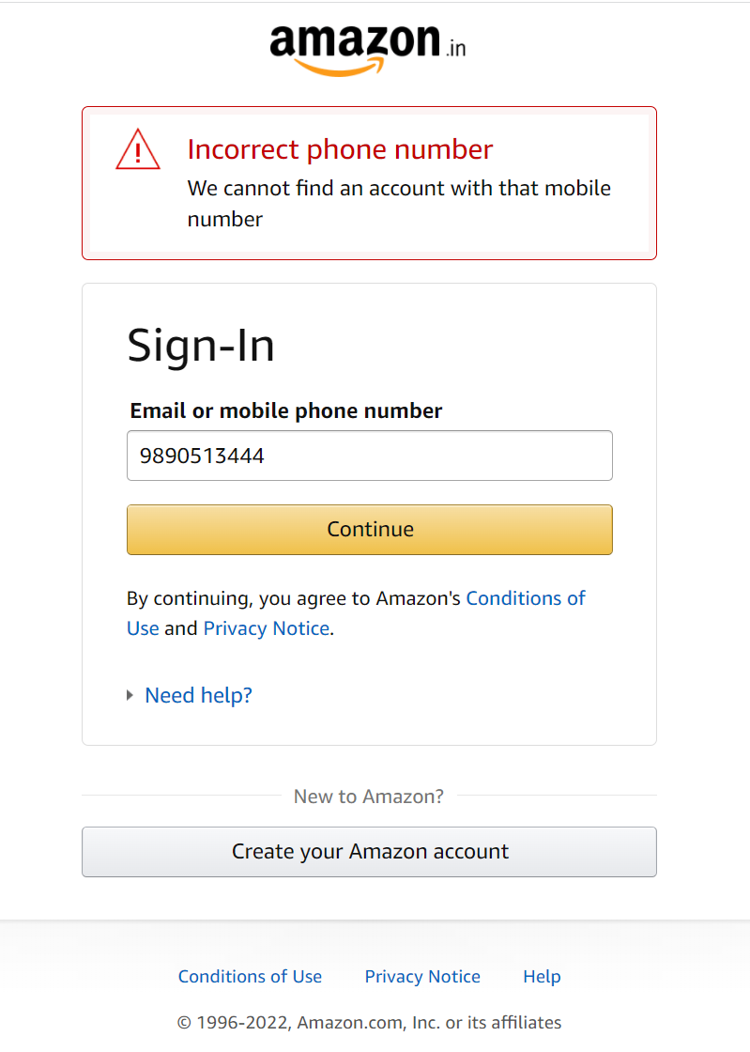
 |  | Test Data[DB] | Enter valid password
 |  |  | Click on login button

 |  |  |  |  | select * from amezonAccountTable where mobNumber = 9890513444 ;

