species
ILTER Dutch Wadden Sea

Euring | Species | Taxon | Start | Wad_1300 | Water_1270 | Eiland_660 | Strand_160 | Sum
20 | Red-throated Loon | Gavia stellata | 9293 | x | x |  |  | 1270
30 | Black-throated Loon | Gavia arctica | 9293 | x | x |  |  | 1270
40 | Common Loon | Gavia immer | 9293 | x | x |  |  | 1270 | Habitat code | Habitat explained | colour on map | surface (km2)
70 | Little Grebe | Tachybaptus ruficollis |  | x | x |  |  | 1270 | Wad_1300 | intertidal flat | yellow | 1300
90 | Great Crested Grebe | Podiceps cristatus |  | x | x |  |  | 1270 | Water_1270 | subtidal areas | olive green | 1270
100 | Red-necked Grebe | Podiceps grisegena | 9293 | x | x |  |  | 1270 | Eiland_660 | island area + coastal polders | light brown | 660
110 | Horned Grebe | Podiceps auritus | 9293 | x | x |  |  | 1270 | Strand_160 | beach | dark brown | 160
120 | Black-necked Grebe | Podiceps nigricollis | 9293 | x | x |  |  | 1270
720 | Great Cormorant | Phalacrocorax carbo |  | x | x |  | x | 160 | Map of the study area
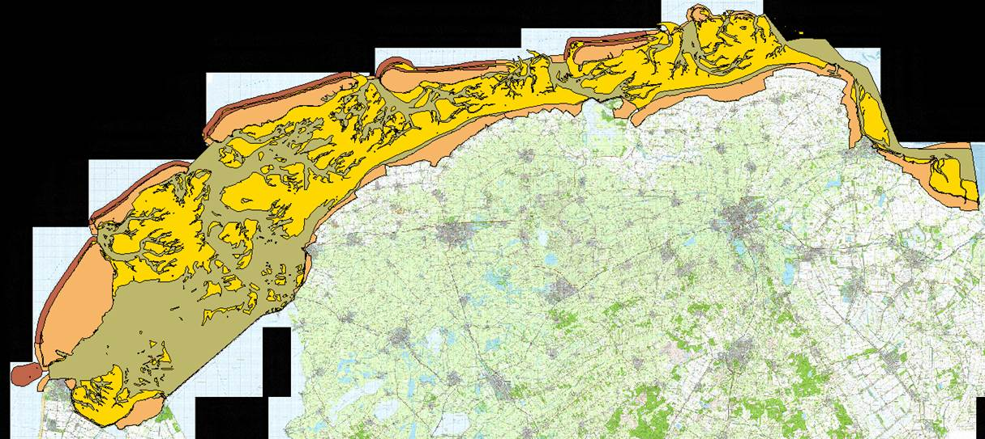
800 | European Shag | Stictocarbo aristotelis | 9293 | x | x |  | x | 160
950 | Eurasian Bittern | Botaurus stellaris | 9293 |  |  | x |  | 660
1190 | Little Egret | Egretta garzetta |  | x |  | x |  | 660
1210 | Great Egret | Casmerodius albus |  |  |  | x |  | 660
1220 | Grey Heron | Ardea cinerea |  | x |  | x |  | 660
1310 | Black Stork | Ciconia nigra | 9293 |  |  | x |  | 660
1340 | White Stork | Ciconia ciconia | 9293 |  |  | x |  | 660
1440 | Eurasian Spoonbill | Platalea leucorodia |  | x |  | x |  | 660
1470 | Greater Flamingo | Phoenicopterus roseus | 9293 |  |  | x |  | 660
1520 | Mute Swan | Cygnus olor |  |  |  | x |  | 660
1530 | Tundra Swan | Cygnus bewickii |  |  |  | x |  | 660
1540 | Whooper Swan | Cygnus cygnus |  |  |  | x |  | 660
1571 | Taiga Bean Goose | Anser fabalis |  |  |  | x |  | 660
1574 | Tundra Bean Goose | Anser serrirostris |  |  |  | x |  | 660
1580 | Pink-footed Goose | Anser brachyrhynchus |  |  |  | x |  | 660
1590 | Greater White-fronted Goose | Anser albifrons |  |  |  | x |  | 660
1600 | Lesser White-fronted Goose | Anser erythropus |  |  |  | x |  | 660
1610 | Greylag Goose | Anser anser |  |  |  | x |  | 660
1630 | Snow Goose | Anser caerulescens |  |  |  | x |  | 660
1661 | Greater Canada Goose | Branta canadensis canadensis |  |  |  | x |  | 660
1664 | Cackling Goose | Branta hutchinsii minima |  |  |  | x |  | 660
1670 | Barnacle Goose | Branta leucopsis |  |  |  | x |  | 660
1680 | Brant Goose | Branta bernicla |  |  |  | x |  | 660
1682 | Pale-bellied Brent Goose | Branta hrota |  |  |  | x |  | 660
1683 | Black Brant | Branta nigricans |  |  |  | x |  | 660
1690 | Red-breasted Goose | Branta ruficollis |  |  |  | x |  | 660
1700 | Egyptian Goose | Alopochen aegyptiacus |  |  |  | x |  | 660
1710 | Ruddy Shelduck | Tadorna ferruginea |  | x | x | x |  | 660
1730 | Common Shelduck | Tadorna tadorna |  | x | x | x | x | 160
1790 | Eurasian Wigeon | Anas penelope |  | x | x | x |  | 660
1820 | Gadwall | Anas strepera |  |  |  | x |  | 660
1840 | Eurasian Teal | Anas crecca |  | x | x | x |  | 660
1860 | Mallard | Anas platyrhynchos |  | x | x | x |  | 660
1890 | Northern Pintail | Anas acuta |  | x | x | x |  | 660
1910 | Garganey | Anas querquedula |  |  |  | x |  | 660
1940 | Northern Shoveler | Anas clypeata |  |  |  | x |  | 660
1960 | Red-crested Pochard | Netta rufina |  |  |  | x |  | 660
1980 | Common Pochard | Aythya ferina |  |  |  | x |  | 660
2030 | Tufted Duck | Aythya fuligula |  |  |  | x |  | 660
2040 | Greater Scaup | Aythya marila |  | x | x |  |  | 1270
2060 | Common Eider | Somateria mollissima |  | x | x |  |  | 1270
2120 | Long-tailed Duck | Clangula hyemalis |  | x | x |  |  | 1270
2130 | Common Scoter | Melanitta nigra |  | x | x |  |  | 1270
2150 | Velvet Scoter | Melanitta fusca |  | x | x |  |  | 1270
2180 | Common Goldeneye | Bucephala clangula |  | x | x | x |  | 660
2200 | Smew | Mergellus albellus |  |  |  | x |  | 660
2210 | Red-breasted Merganser | Mergus serrator |  | x | x |  |  | 1270
2230 | Common Merganser | Mergus merganser |  |  | x | x |  | 660
2250 | Ruddy Duck | Oxyura jamaicensis |  |  |  | x |  | 660
2430 | White-tailed Eagle | Haliaeetus albicilla | 9596 |  |  | x |  | 660
2600 | Western Marsh Harrier | Circus aeruginosus | 9596 |  |  | x |  | 660
2610 | Hen Harrier | Circus cyaneus | 9596 |  |  | x |  | 660
2900 | Rough-legged Buzzard | Buteo lagopus | 9596 |  |  | x |  | 660
3010 | Western Osprey | Pandion haliaetus | 9596 | x |  | x |  | 660
3090 | Merlin | Falco columbarius | 9596 | x |  | x |  | 660
3200 | Peregrine Falcon | Falco peregrinus | 9596 | x |  | x |  | 660
4070 | Water Rail | Rallus aquaticus |  |  |  | x |  | 660
4240 | Common Moorhen | Gallinula chloropus |  |  |  | x |  | 660
4290 | Eurasian Coot | Fulica atra |  |  |  | x |  | 660
4330 | Common Crane | Grus grus |  |  |  | x |  | 660
4500 | Eurasian Oystercatcher | Haematopus ostralegus |  | x |  | x | x | 160
4550 | Black-winged Stilt | Himantopus himantopus |  |  |  | x |  | 660
4560 | Pied Avocet | Recurvirostra avosetta |  | x |  | x |  | 660
4690 | Little Ringed Plover | Charadrius dubius |  |  |  | x |  | 660
4700 | Common Ringed Plover | Charadrius hiaticula |  | x |  | x | x | 160
4770 | Kentish Plover | Charadrius alexandrinus |  | x |  | x | x | 160
4820 | Eurasian Dotterel | Charadrius morinellus |  |  |  | x |  | 660
4850 | European Golden Plover | Pluvialis apricaria |  | x |  | x |  | 660
4860 | Grey Plover | Pluvialis squatarola |  | x |  | x | x | 160
4930 | Northern Lapwing | Vanellus vanellus |  |  |  | x |  | 660
4960 | Red Knot | Calidris canutus |  | x |  | x | x | 160
4970 | Sanderling | Calidris alba |  | x |  | x | x | 160
5010 | Little Stint | Calidris minuta |  | x |  | x |  | 660
5020 | Temminck's Stint | Calidris temminckii |  |  |  | x |  | 660
5070 | Pectoral Sandpiper | Calidris melanotos |  |  |  | x |  | 660
5090 | Curlew Sandpiper | Calidris ferruginea |  | x |  | x |  | 660
5100 | Purple Sandpiper | Calidris maritima |  |  |  | x | x | 160
5120 | Dunlin | Calidris alpina |  | x |  | x | x | 160
5140 | Broad-billed Sandpiper | Limicola falcinellus |  | x |  | x |  | 660
5170 | Ruff | Philomachus pugnax |  | x |  | x |  | 660
5180 | Jack Snipe | Lymnocryptes minimus |  |  |  | x |  | 660
5190 | Common Snipe | Gallinago gallinago |  | x |  | x |  | 660
5290 | Eurasian Woodcock | Scolopax rusticola |  |  |  | x |  | 660
5320 | Black-tailed Godwit | Limosa limosa |  | x |  | x |  | 660
5340 | Bar-tailed Godwit | Limosa lapponica |  | x |  | x | x | 160
5380 | Whimbrel | Numenius phaeopus |  | x |  | x | x | 160
5410 | Eurasian Curlew | Numenius arquata |  | x |  | x | x | 160
5450 | Spotted Redshank | Tringa erythropus |  | x |  | x |  | 660
5460 | Common Redshank | Tringa totanus |  | x |  | x |  | 660
5480 | Common Greenshank | Tringa nebularia |  | x |  | x |  | 660
5530 | Green Sandpiper | Tringa ochropus |  |  |  | x |  | 660
5540 | Wood Sandpiper | Tringa glareola |  |  |  | x |  | 660
5560 | Common Sandpiper | Actitis hypoleucos |  |  |  | x |  | 660
5610 | Ruddy Turnstone | Arenaria interpres |  | x |  | x | x | 160
5640 | Red-necked Phalarope | Phalaropus lobatus |  | x |  | x |  | 660
5650 | Red Phalarope | Phalaropus fulicaria |  | x |  | x |  | 660
5750 | Mediterranean Gull | Larus melanocephalus |  | x |  | x | x | 160
5780 | Little Gull | Larus minutus |  | x |  |  | x | 160
5790 | Sabine's Gull | Larus sabini |  | x |  |  |  | 1300
5820 | Black-headed Gull | Larus ridibundus |  | x |  | x | x | 160
5900 | Mew Gull | Larus canus |  | x |  | x | x | 160
5910 | Lesser Black-backed Gull | Larus graellsii | 9192 | x |  | x | x | 160
5920 | European Herring Gull | Larus argentatus |  | x |  | x | x | 160
5925 | Caspian Gull | Larus cachinnans | 9495 |  |  | x | x | 160
5926 | Yellow-legged Gull | Larus michahellis | 9495 |  |  | x | x | 160
5980 | Iceland Gull | Larus glaucoides |  |  |  | x | x | 160
5990 | Glaucous Gull | Larus hyperboreus |  |  |  | x | x | 160
6000 | Great Black-backed Gull | Larus marinus |  | x |  | x | x | 160
6020 | Black-legged Kittiwake | Rissa tridactyla |  | x | x |  |  | 1270
6050 | Gull-billed Tern | Gelochelidon nilotica |  | x |  | x | x | 160
6060 | Caspian Tern | Sterna caspia |  | x |  | x | x | 160
6110 | Sandwich Tern | Sterna sandvicensis |  | x |  | x | x | 160
6150 | Common Tern | Sterna hirundo |  | x |  | x | x | 160
6160 | Arctic Tern | Sterna paradisaea |  | x |  | x | x | 160
6240 | Little Tern | Sterna albifrons |  | x |  | x | x | 160
6270 | Black Tern | Chlidonias niger |  | x | x |  | x | 160
7680 | Short-eared Owl | Asio flammeus | 9596 |  |  | x | x | 160
8310 | Common Kingfisher | Alcedo atthis | 9596 |  |  | x | x | 160
9780 | Horned Lark | Eremophila alpestris | 9596 |  |  | x | x | 160
10190 | Grey Wagtail | Motacilla cinerea | 9596 |  |  | x | x | 160
16620 | Twite | Carduelis flavirostris | 9596 |  |  | x | x | 160
18470 | Lapland Longspur | Calcarius lapponicus | 9596 |  |  | x | x | 160
18500 | Snow Bunting | Plectrophenax nivalis | 9596 |  |  | x | x | 160

