MQTT_Fundamentals
1. What is MQTT?
MQTT (Message Queuing Telemetry Transport) is a lightweight messaging protocol used to send small data between devices over a network.
•Designed for IoT & low-power devices
• Works well in slow or unstable networks
•Focus: fast, efficient communication

👉 Memory line:
MQTT = small + fast + reliable messaging for devices

2. Core Architecture

 | Main Components
 | Components | Description
 | Publisher | sends data
 | Broker | manages & distributes data
 | Subscriber | receives data

👉 Flow:
Publisher → Broker → Subscriber

3. What is an MQTT Broker?
The Broker is the central server that handles all communication.
In simple its a software running on a computer (any PC ,Raspberry Pi ,On-Premise or in cloud etc.). It can be self built or 3rd party hosted. This is available either open source or proprietary
MQTT is not restricted to only one device. Its One to Many.
Each client can produce and consume data (Bi-directional)by both publish and subscribing.

Key Role:
•Receives messages from publishers
•Sends messages to subscribers
•Manages connections and data flow

👉 Simple Analogy: MQTT Broker act as a Post office
But The big difference is that MQTT doesn't use the address of the recipient , instead it uses a subject line: 'Topic'
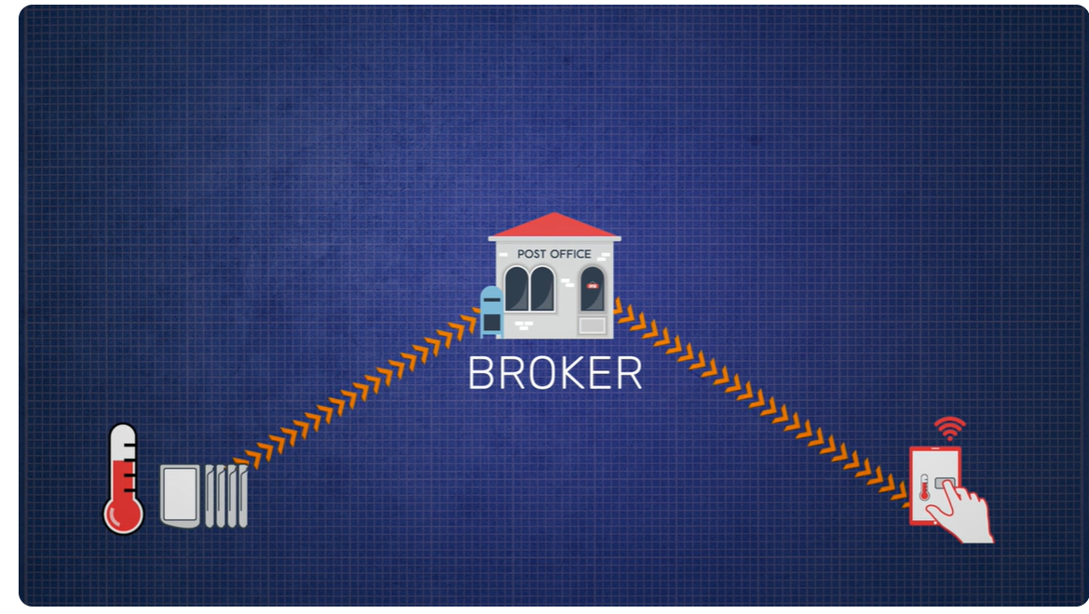
MQTT Broker

Publisher
Subscriber

4. How Data Flows (Simple Example)
•Sensor sends: "Temperature = 25°C"
•Topic: 'home/temp'
•Broker receives it
•All subscribed devices get the message

👉 No direct connection between devices

5. Publish–Subscribe Model
Publish → send data to a topic
Subscribe → receive data from a topic

Example:
•Sensor → publishes to 'home/temp'
•Mobile app → subscribes to 'home/temp'
•App gets updates automatically

👉 One-to-many communication

6. Key MQTT Concepts
Topics & Payload
•Topic → category (e.g., 'home/temp')
•Payload → actual message (e.g., '25°C')

QoS (Quality of Service)

 | Level | Meaning
 | 0 | At most once (no guarantee)
 | 1 | At least once (may duplicate)
 | 2 | Exactly once (most reliable)

Retained Messages
•Broker stores last message
•New subscribers get it immediately

Last Will Message (LWT)
•Sent if a device disconnects unexpectedly
•Helps detect failures

7. Key Features
•Lightweight → low data usage
•Low latency → fast communication
•Works on unstable networks
•Bi-directional → devices can send & receive
•One-to-many communication

8. Security in MQTT
MQTT Broker is the central location for security, only one port is open to the broker.
•TLS Encryption (secure communication)
•Username & Password authentication
•Optional certificates
•Default secure port: 8883

👉 Clients don’t need to know each other’s IPs

9. Reliability & Connection Handling
•Persistent Sessions → keeps connection state
•Auto reconnect on network failure
•Backup/Redundant brokers

Connection Status Messages
•Birth → client is online
•Death → client is offline
•Last Will → unexpected failure signal

10. Storage Behavior
Most of the broker have a Automatic Redundant and backup broker.
Broker stores:
•Session info
•Retained messages

⚠️This is not a long-term storage ,the Broker needs to subscribe to Some databases to achieve long terms storage.

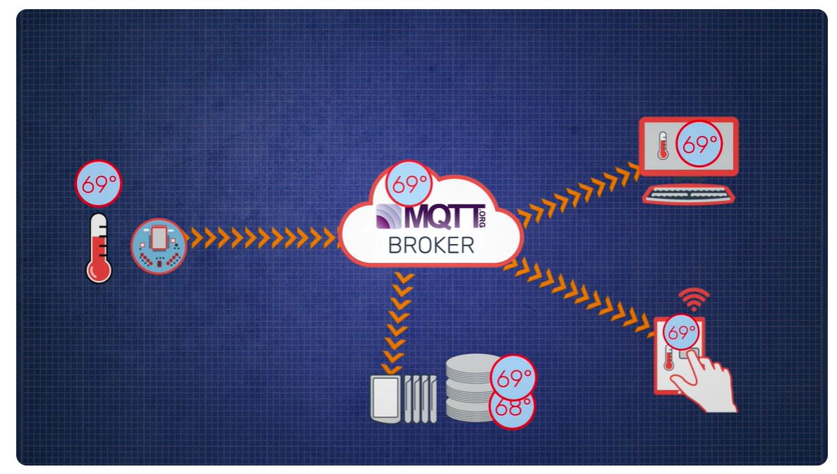
Subscriber ①

Publisher

Subscriber ②

Database

Final Summary:
MQTT = Broker-based communication system where devices send small messages via topics using a fast, reliable publish–subscribe model.

