Sheet1
The dataset contains 100 YouTube video records with various attributes, including engagement metrics (views, likes, comments), image properties (brightness, contrast, sharpness, etc.), and facial presence data.

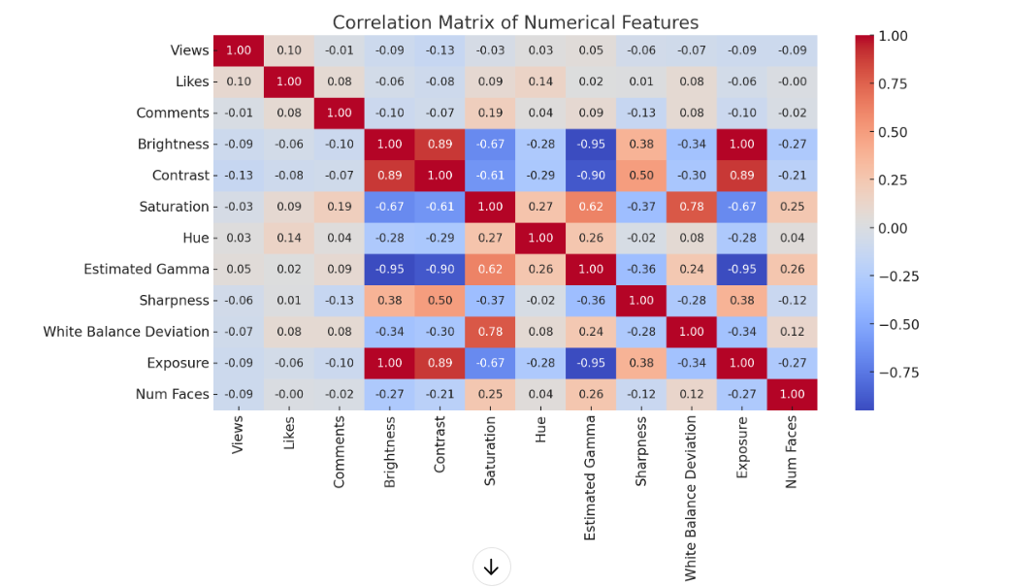
Key Insights from the Analysis

1. Regression Analysis Findings

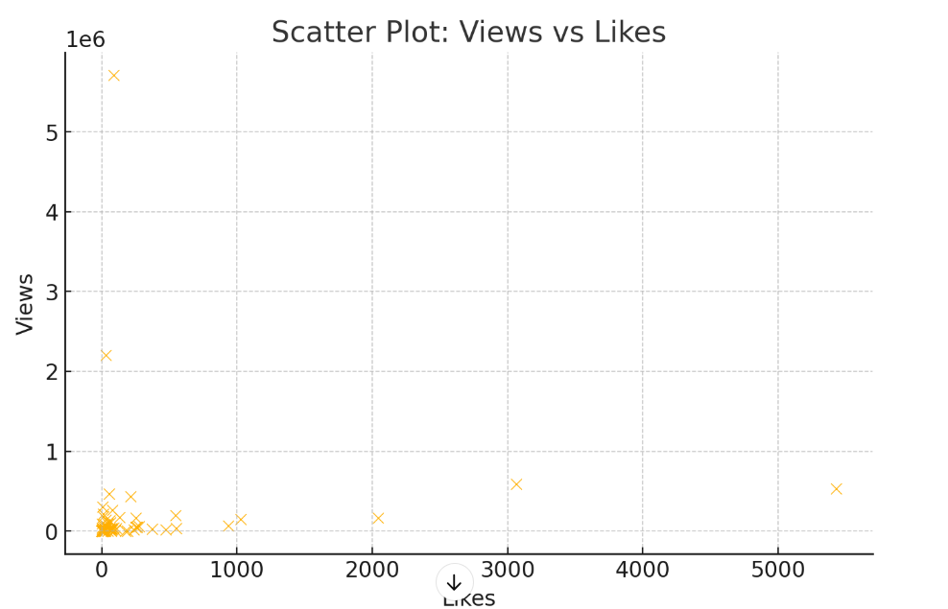
The model explains only 9.1% (R² = 0.091) of the variation in Views, suggesting that other factors not included in the dataset have a stronger impact.
Likes and Comments have weak statistical significance (p-values > 0.5), meaning their impact on Views isn't substantial in this dataset.
Brightness, Contrast, and Estimated Gamma have relatively stronger coefficients, indicating that video thumbnail properties might have some influence on Views.
No variable is highly significant (p < 0.05), meaning the model isn't strong for predicting Views.

2. Visualizations Insights

The correlation heatmap shows weak relationships between most numerical variables.
The scatter plots (Views vs Likes & Views vs Comments) indicate that videos with high Likes or Comments don’t necessarily have high Views, suggesting that engagement metrics alone don’t drive viewership.

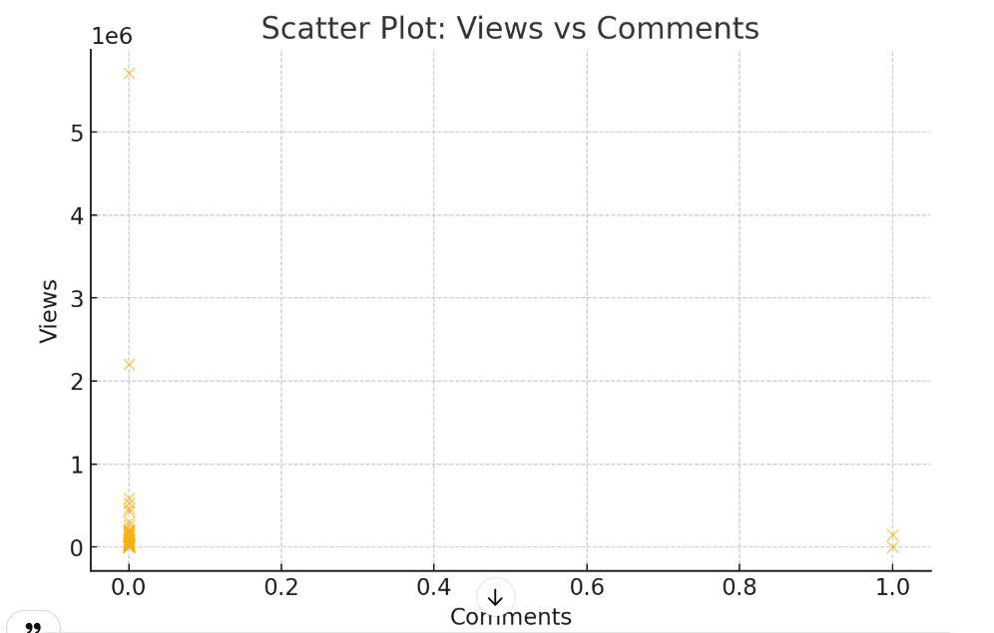
3. Business Implications

Thumbnail characteristics (Brightness, Contrast, and Gamma) might influence engagement, so optimizing thumbnail aesthetics could help increase Views.
Engagement metrics (Likes, Comments) are not the primary drivers of Views, meaning marketing strategies should focus on factors like video content quality, SEO, and promotion.
A larger dataset with more contextual variables (e.g., video duration, posting time, content type) would be needed to build a stronger prediction model for video performance.

