Proportion of colonies_CP
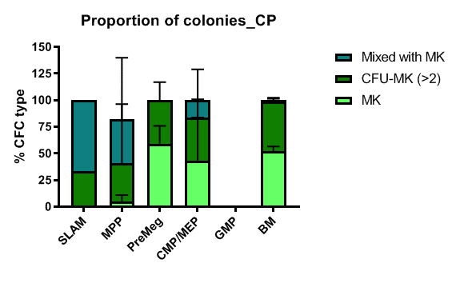
Proportion of colonies_CP
 | Resulting celltype
Cultured Ancestor | MK
SLAM-HSC | 0
MPP | 9.09 | 0
PreMegE | 42.86 | 76.67 | 56.82
CMP/MEP | 80 | 50 | 0
GMP | 0 | 0
BM | 55.81 | 52.87 | 46.75
 | CFU-MK
SLAM-HSC | 33.33
MPP | 9.09 | 100 | 0
PreMegE | 57.14 | 23.33 | 43.18
CMP/MEP | 20 | 50 | 50
GMP | 0 | 0
BM | 44.19 | 47.13 | 49.35
 | Mixed with MK
SLAM-HSC | 33.33
MPP | 9.09 | 100 | 0
PreMegE | 57.14 | 23.33 | 43.18
CMP/MEP | 20 | 50 | 50
GMP | 0 | 0
BM | 44.19 | 47.13 | 49.35

Cloning efficiency_methyl_fina
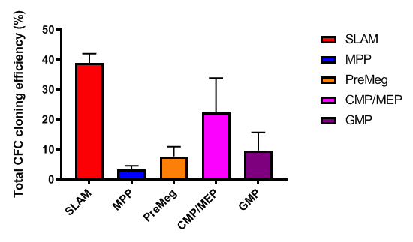
Cloning efficiency_methyl_CP_final
SLAM-HSC | MPP | PreMegE | CMP/MEP | GMP
41 | 4.75 | 10 | 30.5 | 13.95
36.5 | 2.49 | 5.46 | 14.25 | 5.46666667
 | 2.78571429

