May
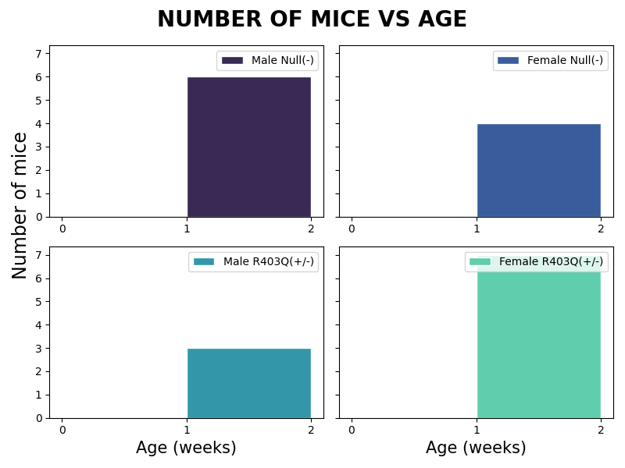
Male Null(-) |  | Female Null(-) |  | Male R403Q(+/-) |  | Female R403Q(+/-)
Age | mice # | Age | mice # | Age | mice # | Age | mice #
1 | 6 | 1 | 4 | 1 | 3 | 1 | 7

