June
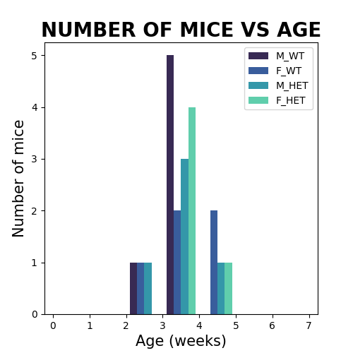
Male Wildtype |  | Female Wildtype |  | Male Heterozygous |  | Female Heterozygous
Age | mice # | Age | mice # | Age | mice # | Age | mice #
12 | 7 | 24 | 4 | 47 | 2 | 12 | 6
 |  | 22 | 2 | 12 | 3
 |  | 12 | 4

