June
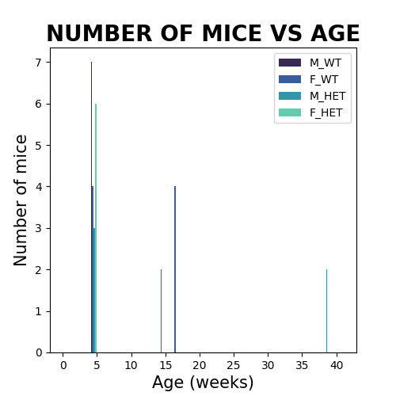
Male Wildtype |  | Female Wildtype |  | Male Heterozygous |  | Female Heterozygous
Age | mice # | Age | mice # | Age | mice # | Age | mice #
4 | 7 | 16 | 4 | 38 | 2 | 4 | 6
 |  | 14 | 2 | 4 | 3
 |  | 4 | 4

